Original data
Date | Quarter | Original
 |  | Data
Dec-83 | 4 | 147.6
Mar-84 | 1 | 251.8 | Indicate how to represent the original data to obtain the graph of the figure below
Jun-84 | 2 | 273.1
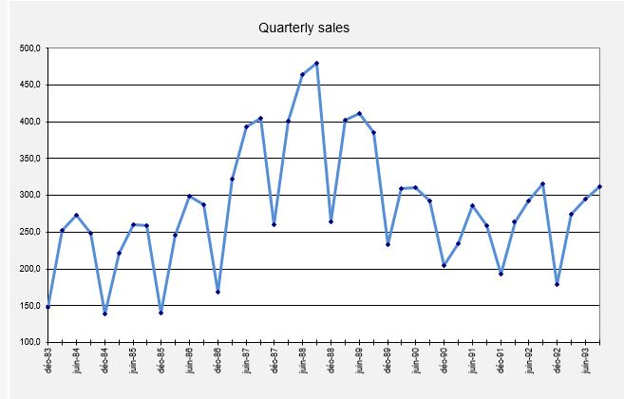
Sep-84 | 3 | 249.1
Dec-84 | 4 | 139.3
Mar-85 | 1 | 221.2
Jun-85 | 2 | 260.2
Sep-85 | 3 | 259.5
Dec-85 | 4 | 140.5
Mar-86 | 1 | 245.5
Jun-86 | 2 | 298.8
Sep-86 | 3 | 287.0
Dec-86 | 4 | 168.8
Mar-87 | 1 | 322.6
Jun-87 | 2 | 393.5
Sep-87 | 3 | 404.3
Dec-87 | 4 | 259.7
Mar-88 | 1 | 401.1
Jun-88 | 2 | 464.6
Sep-88 | 3 | 479.7
Dec-88 | 4 | 264.4
Mar-89 | 1 | 402.6
Jun-89 | 2 | 411.3
Sep-89 | 3 | 385.9
Dec-89 | 4 | 232.7
Mar-90 | 1 | 309.2
Jun-90 | 2 | 310.7
Sep-90 | 3 | 293.0
Dec-90 | 4 | 205.1
Mar-91 | 1 | 234.4
Jun-91 | 2 | 285.4
Sep-91 | 3 | 258.7
Dec-91 | 4 | 193.2
Mar-92 | 1 | 263.7
Jun-92 | 2 | 292.5
Sep-92 | 3 | 315.2
Dec-92 | 4 | 178.3
Mar-93 | 1 | 274.5
Jun-93 | 2 | 295.4
Sep-93 | 3 | 311.8

Seasonal adjustment
G3: =...average the ratios separately for each quarter of the year to obtain unnormalized seasonal indices
Illustration of seasonal adjustment |  |  |  |  |  | Unnormalized | Normalized
on Outboard Marine data |  |  |  |  | Quarter | Seas. Index | Seas. Index
 |  |  |  |  | 1
D15: = ....centered moving average (ctr-mov-avg) is the average of two 12-month averages that are offset by 1 month relative to each other (necessary for even # of seasons)
 |  |  |  |  | 2
H3: = ....rescale the indices to add up to 400% exactly
 |  |  |  |  | 3
 |  |  |  |  | 4

E15: =....ratio of data to moving average
G13: ....seasonally adjusted value is the actual value divided by the seasonal index for its quarter

Date | Quarter | Original | Trend-Cycle | Ratio | Seasonal | Seasonally
 |  | Data | (Ctr-Mov-Avg) | (Seasonality) | Index | Adjusted Data
Dec-83 | 4 | 147.6
Mar-84 | 1 | 251.8
Jun-84 | 2 | 273.1
Sep-84 | 3 | 249.1 |  |  |  |  | Fill in the marked columns with an arrow and insert the formula instead of ….
Dec-84 | 4 | 139.3
Mar-85 | 1 | 221.2 |  |  |  |  | You will need to use some special functions of Excel, like AVERAGEIF, VLOOKUP, etc.
Jun-85 | 2 | 260.2
F13: =....look up the appropriate seasonal index for the quarter number in column B
Sep-85 | 3 | 259.5
Dec-85 | 4 | 140.5
Mar-86 | 1 | 245.5
Jun-86 | 2 | 298.8
Sep-86 | 3 | 287.0
Dec-86 | 4 | 168.8
Mar-87 | 1 | 322.6
Jun-87 | 2 | 393.5
Sep-87 | 3 | 404.3
Dec-87 | 4 | 259.7
Mar-88 | 1 | 401.1
Jun-88 | 2 | 464.6
Sep-88 | 3 | 479.7
Dec-88 | 4 | 264.4
Mar-89 | 1 | 402.6
Jun-89 | 2 | 411.3
Sep-89 | 3 | 385.9
Dec-89 | 4 | 232.7
Mar-90 | 1 | 309.2
Jun-90 | 2 | 310.7
Sep-90 | 3 | 293.0
Dec-90 | 4 | 205.1
Mar-91 | 1 | 234.4
Jun-91 | 2 | 285.4
Sep-91 | 3 | 258.7
Dec-91 | 4 | 193.2
Mar-92 | 1 | 263.7
Jun-92 | 2 | 292.5
Sep-92 | 3 | 315.2
Dec-92 | 4 | 178.3
Mar-93 | 1 | 274.5
Jun-93 | 2 | 295.4
Sep-93 | 3 | 311.8

LES model
Illustration of seasonal adjustment |  |  |  |  |  | Unnormalized | Normalized |  |  | Auto(1)= | #DIV/0! | =CORREL($J$15:$J$51,$J$16:$J$52) | #DIV/0!
and linear exponential smoothing (LES) |  |  |  |  | Quarter | Seas. Index | Seas. Index |  |  | Auto(2)= | #DIV/0! | =CORREL($J$15:$J$50,$J$17:$J$52)
on Outboard Marine data |  |  |  |  | 1 | 102.2% | 102.4% |  |  | Auto(3)= | #DIV/0! | =CORREL($J$15:$J$49,$J$18:$J$52)
...use Solver to optimize alpha |  |  |  |  | 2 | 115.9% | 116.1% |  |  | Auto(4)= | #DIV/0! | =CORREL($J$15:$J$48,$J$19:$J$52)
 |  |  |  |  | 3 | 112.8% | 112.9% |  |  | Auto(5)= | #DIV/0! | =CORREL($J$15:$J$47,$J$20:$J$52)
 |  |  |  |  | 4 | 68.5% | 68.6%
J9: =….RMSE = SQRT(error variance + square of mean error)
Error autocorrelations
 |  |  |  |  |  | 399.4% | 400.0%
Note that you can't simply replicate the first formula here--the endpoint of the first series inside the CORREL( ) formula DECREASES as the row number increases
 |  |  |  |  |  |  | Alpha | RMSE
 |  |  |  |  |  |  | 0.471

Date | Quarter | Original | Trend-Cycle | Ratio | Seasonal | Seasonally | LES | LES | Reseasonalized
 |  | Data | (Ctr-Mov-Avg) | (Seasonality) | Index | Adjusted Data | Forecast | Error | Forecast
Dec-83 | 4 | 147.6 |  |  | 68.6% | 215.1
Mar-84 | 1 | 251.8 |  |  | 102.4% | 245.9
K13: = . .. seasonally adjusted forecast times seasonal index
Jun-84 | 2 | 273.1 | 229.4 | 119.1% | 116.1% | 235.3
Sep-84 | 3 | 249.1 | 224.5 | 111.0% | 112.9% | 220.5
Dec-84 | 4 | 139.3 | 219.1 | 63.6% | 68.6% | 203.0
J13: = .... error is actual minus forecast
Mar-85 | 1 | 221.2 | 218.8 | 101.1% | 102.4% | 216.0
Jun-85 | 2 | 260.2 | 220.2 | 118.2% | 116.1% | 224.2
Sep-85 | 3 | 259.5 | 223.4 | 116.2% | 112.9% | 229.7
H15: =....LES formula (first 2 forecasts = 1st actual value)
Dec-85 | 4 | 140.5 | 231.3 | 60.8% | 68.6% | 204.8
Mar-86 | 1 | 245.5 | 239.5 | 102.5% | 102.4% | 239.8
Jun-86 | 2 | 298.8 | 246.5 | 121.2% | 116.1% | 257.5
Sep-86 | 3 | 287.0 | 259.7 | 110.5% | 112.9% | 254.1
Dec-86 | 4 | 168.8 | 281.1 | 60.0% | 68.6% | 246.0
Mar-87 | 1 | 322.6 | 307.6 | 104.9% | 102.4% | 315.1
Jun-87 | 2 | 393.5 | 333.7 | 117.9% | 116.1% | 339.1
Sep-87 | 3 | 404.3 | 354.8 | 113.9% | 112.9% | 357.9 |  |  | Fill in the marked columns with an arrow
Dec-87 | 4 | 259.7 | 373.5 | 69.5% | 68.6% | 378.5
Mar-88 | 1 | 401.1 | 391.9 | 102.4% | 102.4% | 391.8
Jun-88 | 2 | 464.6 | 401.9 | 115.6% | 116.1% | 400.3
Sep-88 | 3 | 479.7 | 402.6 | 119.1% | 112.9% | 424.7
Dec-88 | 4 | 264.4 | 396.2 | 66.7% | 68.6% | 385.3
Mar-89 | 1 | 402.6 | 377.8 | 106.6% | 102.4% | 393.2
Jun-89 | 2 | 411.3 | 362.1 | 113.6% | 116.1% | 354.4
Sep-89 | 3 | 385.9 | 346.5 | 111.4% | 112.9% | 341.7
Dec-89 | 4 | 232.7 | 322.2 | 72.2% | 68.6% | 339.1
Mar-90 | 1 | 309.2 | 298.0 | 103.8% | 102.4% | 302.0
Jun-90 | 2 | 310.7 | 283.0 | 109.8% | 116.1% | 267.7
Sep-90 | 3 | 293.0 | 270.2 | 108.5% | 112.9% | 259.4
Dec-90 | 4 | 205.1 | 257.6 | 79.6% | 68.6% | 298.9
Mar-91 | 1 | 234.4 | 250.2 | 93.7% | 102.4% | 228.9
Jun-91 | 2 | 285.4 | 244.4 | 116.8% | 116.1% | 245.9
Sep-91 | 3 | 258.7 | 246.6 | 104.9% | 112.9% | 229.0
Dec-91 | 4 | 193.2 | 251.1 | 76.9% | 68.6% | 281.6
Mar-92 | 1 | 263.7 | 259.1 | 101.8% | 102.4% | 257.6
Jun-92 | 2 | 292.5 | 264.3 | 110.7% | 116.1% | 252.0
Sep-92 | 3 | 315.2 | 263.8 | 119.5% | 112.9% | 279.1
Dec-92 | 4 | 178.3 | 265.5 | 67.2% | 68.6% | 259.9
Mar-93 | 1 | 274.5 | 265.4 | 103.4% | 102.4% | 268.1
Jun-93 | 2 | 295.4 |  |  | 116.1% | 254.5
Sep-93 | 3 | 311.8 |  |  | 112.9% | 276.1
Dec-93 |  |  |  |  | 68.6% | 0.0
G53: =H53
Bootstrapping begins here:
forecasts substituted for data
Mar-94 |  |  |  |  | 102.4% | 0.0
Jun-94 |  |  |  |  | 116.1% | 0.0
Sep-94 |  |  |  |  | 112.9% | 0.0
Dec-94 |  |  |  |  | 68.6% | 0.0
Mar-95 |  |  |  |  | 102.4% | 0.0
Jun-95 |  |  |  |  | 116.1% | 0.0
Sep-95 |  |  |  |  | 112.9% | 0.0

Adjusted - SA
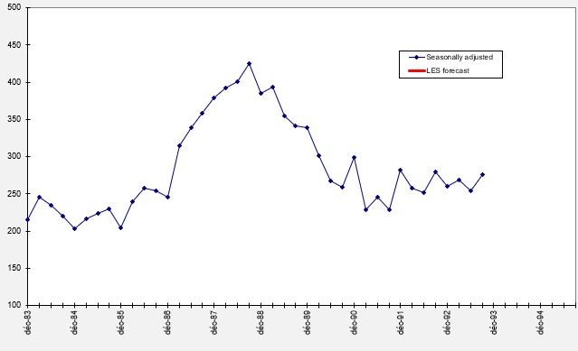
Indicate how to represent seasonnally adjusted data to obtain the graph of the figure below

Adjusted data
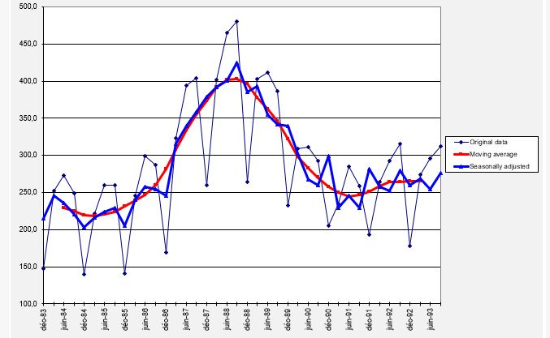
Indicate how to represent the original data and moving average to obtain the graph of the figure below

Errors
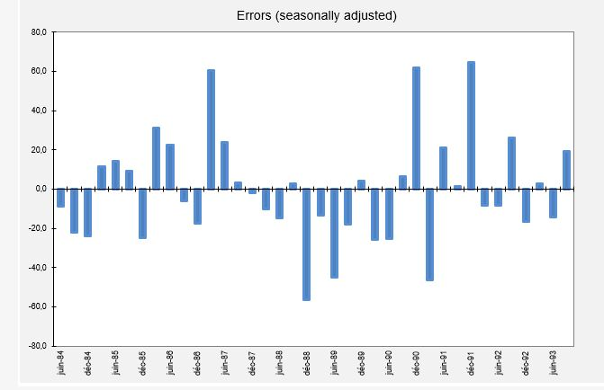
Indicate how to represent seasonnally adjusted errors to obtain the graph of the figure below

