Sheet3
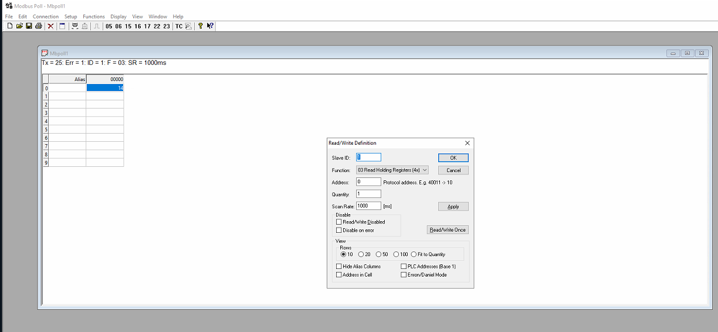
địa chỉ cam bien

Gios | holding 0

