Sheet1
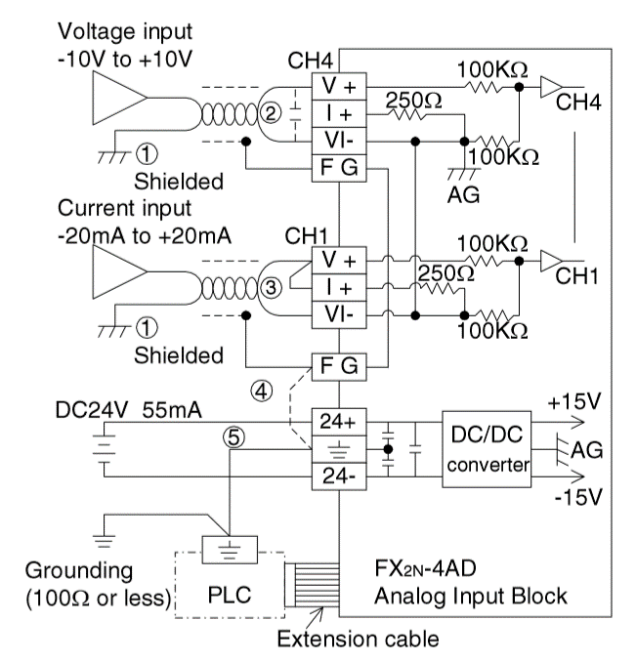
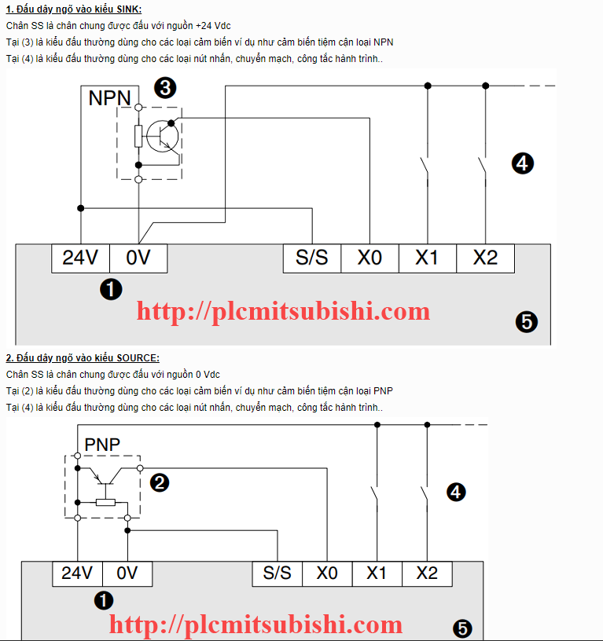
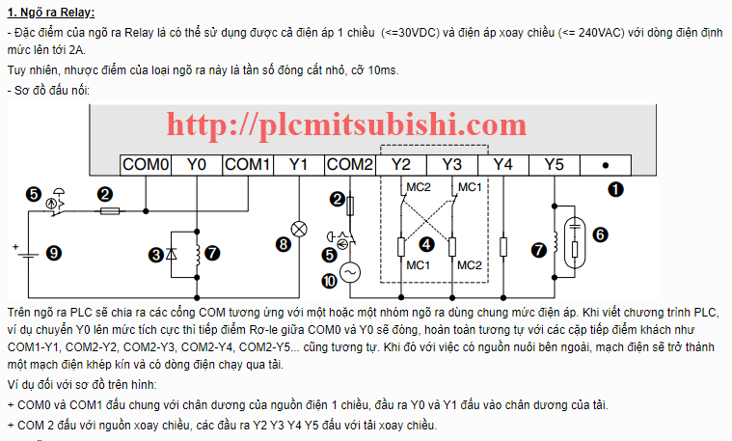
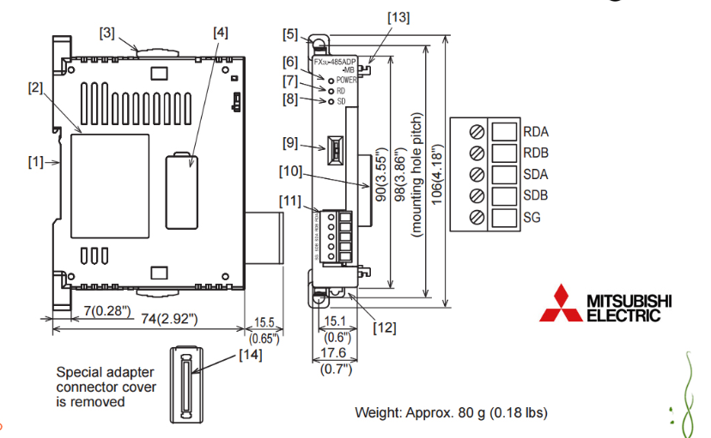
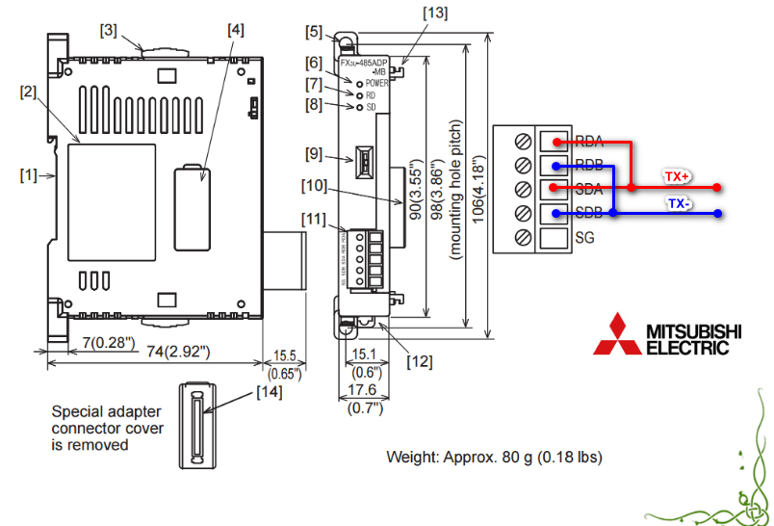
NGÕ VÀO |  |  |  |  |  |  | NGÕ RA |  |  | Nhiệt ẩm | Holding | bien tan ID 3 |  |  |  | Devices | ID
ngõ vào DC | Địa chỉ | Ghi chú | Analog Input | Address | Ghi chú |  | Ngõ ra DC | Địa chỉ | Ghi chú | Nhiệt độ | 511 | tanSoThuc | 4097 | 1001h |  | Nhệt-ẩm | 1
auto/man | X0.0 |  | Oxi | CH0 | tín hiệu vào 4~20mA |  | quat1Out | Y0.0 |  | Độ ẩm | 513 | TtanSoCaiDat | 4096 | 1000h |  | PLC | 2
Chạy dự phòng | X0.1 |  | NH3 | Ch1 | tín hiệu vào 4~20mA |  | quat2Out | Y0.1 |  |  |  |  |  |  |  | Invt | 3
Quá tải | X0.2 |  |  |  |  |  | quat3Out | Y0.2 |  |  |  |  |  |  |  | NH3 | 4
quat1Status | X0.3 |  |  |  |  |  | quat4Out | Y0.3 |  |  |  |  |  |  |  | O2 | 5
quat2Status | X0.4 |  |  |  |  |  | quat5Out | Y0.4 |  |  |  |  |  |  |  | CO2 | 6
quat3Status | X0.5 |  |  |  |  |  | quat6Out | Y0.5
quat4Status | X0.6 |  |  |  |  |  | quat7Out | Y0.6
quat5Status | X0.7 |  |  |  |  |  | quat8Out | Y0.7
quat6Status | X1.0 |  |  |  |  |  | quat9Out | Y1.0
quat7Status | X1.1 |  |  |  |  |  | quat10Out | Y1.1
quat8Status | X1.2 |  |  |  |  |  | danMatOut | Y1.2
quat9Status | X1.3
quat10Status | X1.4
danMatStatus | X1.5

 | Sơ đồ đấu nối tín hiệu vào module Analog |  |  |  |  | Sơ đồ đấu dây tín hiệu vào DC PLC |  |  |  |  |  |  |  |  | Đấu nối ngõ ra |  |  | Đấu nối modelu truyền thông

