Sheet1
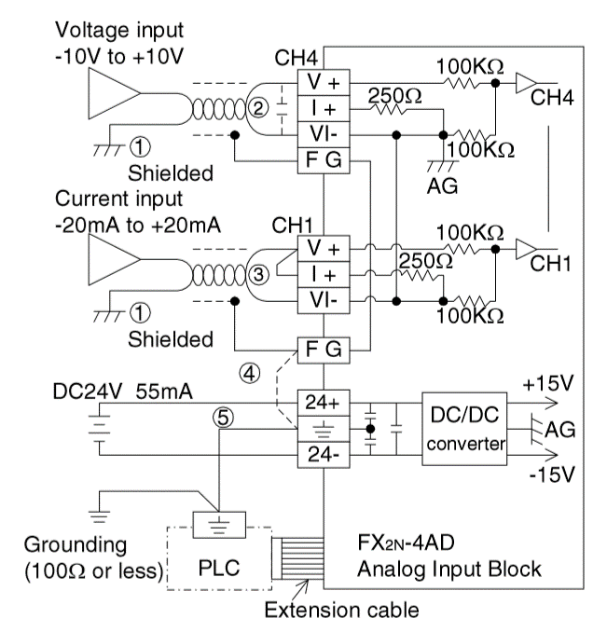
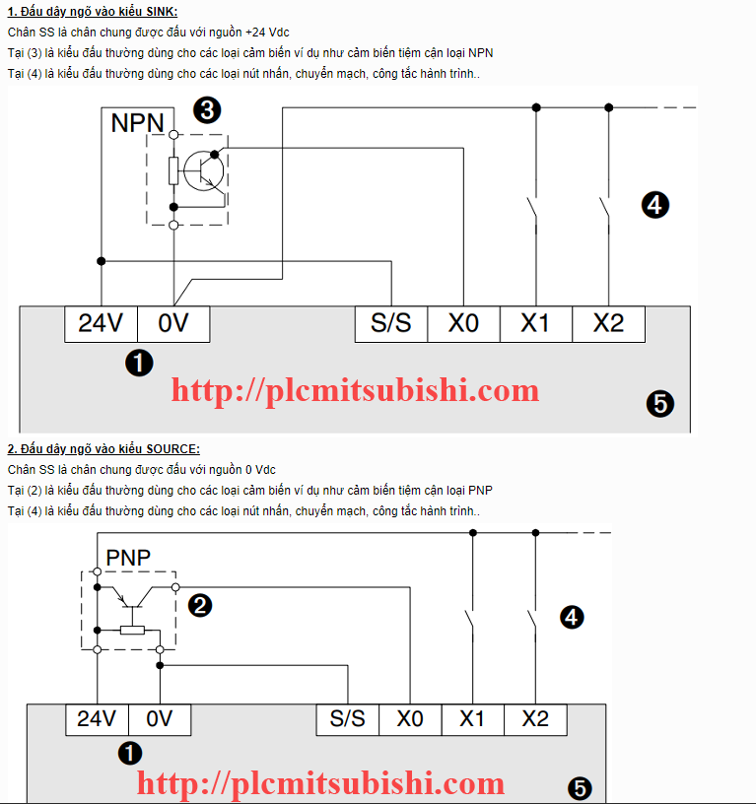
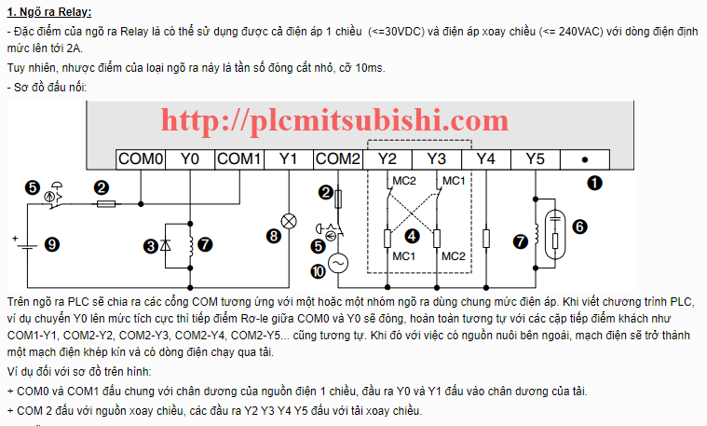
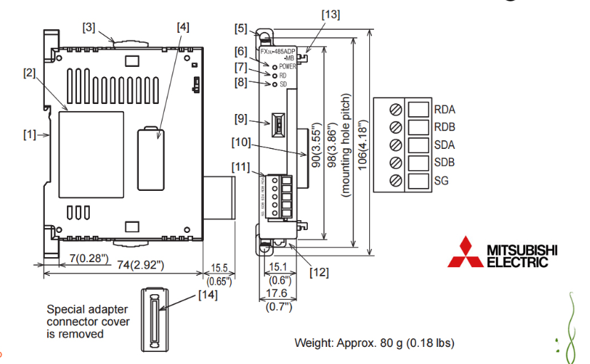
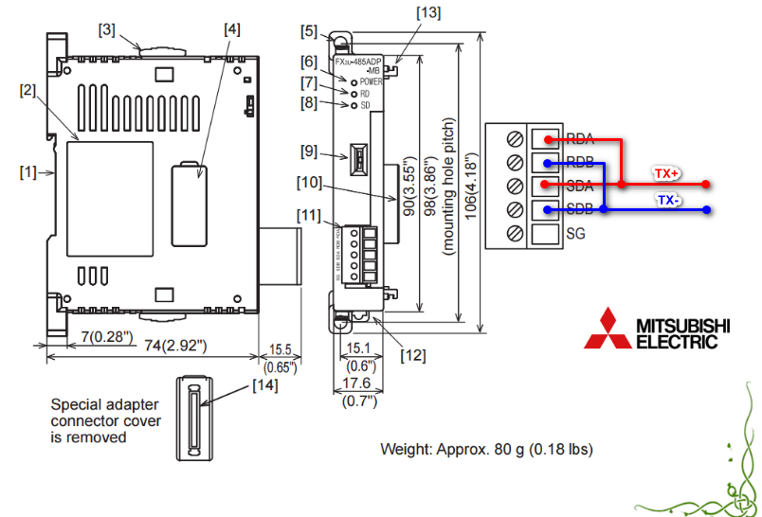
NGÕ VÀO |  |  |  |  |  |  | NGÕ RA |  |  | bien tan ID 3 |  |  |  | Devices | ID
ngõ vào DC | Địa chỉ | Ghi chú | Analog Input | Address | Ghi chú |  | Ngõ ra DC | Địa chỉ | RTU Master điều khiển out bảng vùng nhớ M này | tanSoThuc | 4097 | 1001h |  | Nhệt-ẩm | 1
Sw auto | X0.0 | m11 | Oxi | CH0 | tín hiệu vào 4~20mA |  | quat1Out | Y0.0 | m0 | TtanSoCaiDat | 4096 | 1000h |  | PLC | 2
sw manual | X0.1 | m12 |  |  |  |  | quat2Out | Y0.1 | m1
Chạy dự phòng | X0.2 | m13 | NH3 | Ch1 | tín hiệu vào 4~20mA |  | quat3Out | Y0.2 | m2 |  |  |  |  | Invt | 3
Quá tải | X0.3 | m14 |  |  |  |  | quat4Out | Y0.3 | m3 |  |  |  |  | NH3 | 4
quat1Status | X0.4 | m15 |  |  |  |  | quat5Out | Y0.4 | m4 |  |  |  |  | O2 | 5
quat2Status | X0.5 | m16 |  |  |  |  | quat6Out | Y0.5 | m5 |  |  |  |  | CO2 | 6
quat3Status | X0.6 | m17 |  |  |  |  | quat7Out | Y0.6 | m6
quat4Status | X0.7 | m18 |  |  |  |  | quat8Out | Y0.7 | m7
quat5Status | X0.8 | m19 |  |  |  |  | quat9Out | Y1.0 | m8
quat6Status | X0.9 | m20 |  |  |  |  | quat10Out | Y1.1 | m9
quat7Status | X0.10 | m21 |  |  |  |  | danMatOut | Y1.2 | m10
quat8Status | X0.11 | m22 |  |  |  |  | RunMode | Y13 | M27
quat9Status | X0.12 | m23 |  |  |  |  | Alarm | y14 | m28
quat10Status | X0.13 | m24 |  |  |  |  | Bao cho phep chay PLC |  | m26
danMatStatus | X0.14 | m25

 | Sơ đồ đấu nối tín hiệu vào module Analog |  |  |  |  | Sơ đồ đấu dây tín hiệu vào DC PLC |  |  |  |  |  |  | Đấu nối ngõ ra |  |  | Đấu nối modelu truyền thông

