PovertyReport
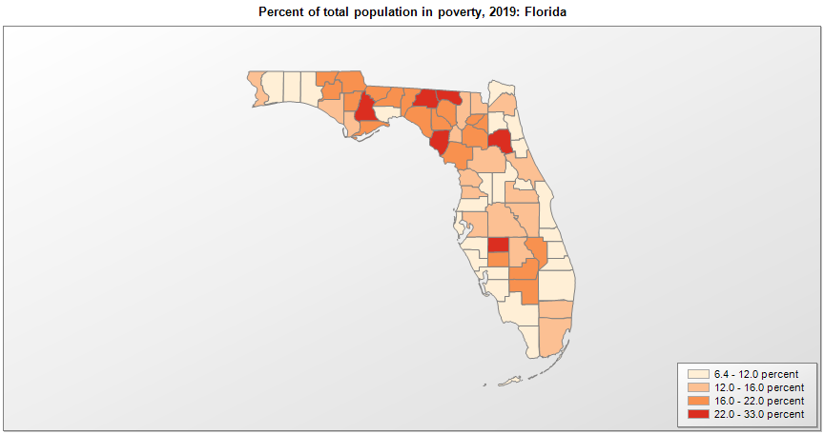
 | Percent | Number
 |  |  |  | All people in poverty (2019) |  |  | Children ages 0-17 in poverty (2019)
 |  |  |  |  | 90% confidence interval of estimate |  |  | 90% confidence interval of estimate
FIPS* |  | Name | RUC Code | Percent | Lower Bound | Upper Bound | Percent | Lower Bound | Upper Bound
12000 |  | Florida |  | 12.7 | 12.5 | 12.9 | 18.2 | 17.6 | 18.8
12001 |  | Alachua | 2 | 18.4 | 16.4 | 20.4 | 17.7 | 12.8 | 22.6
12003 |  | Baker | 1 | 14.9 | 11.5 | 18.3 | 21 | 14.8 | 27.2
12005 |  | Bay | 3 | 12.1 | 9.5 | 14.7 | 18.2 | 12.4 | 24
12007 |  | Bradford | 6 | 21 | 17.3 | 24.7 | 27.2 | 20.3 | 34.1
12009 |  | Brevard | 2 | 9.4 | 7.9 | 10.9 | 12.7 | 9.1 | 16.3
12011 |  | Broward | 1 | 12.3 | 11.3 | 13.3 | 16.4 | 14.1 | 18.7
12013 |  | Calhoun | 6 | 20.3 | 15.1 | 25.5 | 28.3 | 19.3 | 37.3
12015 |  | Charlotte | 3 | 11.4 | 9.6 | 13.2 | 19.9 | 15.6 | 24.2
12017 |  | Citrus | 3 | 15.2 | 13.1 | 17.3 | 24.5 | 18.4 | 30.6
12019 |  | Clay | 1 | 8.3 | 6.8 | 9.8 | 12.1 | 9.1 | 15.1
12021 |  | Collier | 2 | 9.4 | 7.8 | 11 | 14 | 10 | 18
12023 |  | Columbia | 4 | 15.6 | 12.6 | 18.6 | 21.7 | 14.9 | 28.5
12027 |  | DeSoto | 6 | 21.8 | 16.6 | 27 | 30.5 | 21.2 | 39.8
12029 |  | Dixie | 6 | 22.2 | 16.5 | 27.9 | 30.5 | 20.8 | 40.2
12031 |  | Duval | 1 | 13.5 | 12.3 | 14.7 | 19.5 | 16.6 | 22.4
12033 |  | Escambia | 2 | 15.5 | 13.5 | 17.5 | 24.6 | 20 | 29.2
12035 |  | Flagler | 2 | 9.7 | 8 | 11.4 | 16.5 | 12 | 21
12037 |  | Franklin | 6 | 19.2 | 14.5 | 23.9 | 30.1 | 20.9 | 39.3
12039 |  | Gadsden | 2 | 19.7 | 15.2 | 24.2 | 31.2 | 22.1 | 40.3
12041 |  | Gilchrist | 2 | 15 | 11.7 | 18.3 | 20.8 | 14.2 | 27.4
12043 |  | Glades | 6 | 19.3 | 15 | 23.6 | 25.7 | 18.1 | 33.3
12045 |  | Gulf | 3 | 14 | 10.3 | 17.7 | 23.1 | 15.3 | 30.9
12047 |  | Hamilton | 6 | 32.5 | 27 | 38 | 51.5 | 42.5 | 60.5
12049 |  | Hardee | 6 | 22.1 | 17.1 | 27.1 | 28.3 | 19.4 | 37.2
12051 |  | Hendry | 4 | 19.5 | 14.9 | 24.1 | 28.3 | 19.5 | 37.1
12053 |  | Hernando | 1 | 12.4 | 10.5 | 14.3 | 19.1 | 14.2 | 24
12055 |  | Highlands | 3 | 15.8 | 12.8 | 18.8 | 26.2 | 18.9 | 33.5
12057 |  | Hillsborough | 1 | 13.5 | 12.5 | 14.5 | 18.4 | 16.2 | 20.6
12059 |  | Holmes | 6 | 20.1 | 15.8 | 24.4 | 28.4 | 19.9 | 36.9
12061 |  | Indian River | 3 | 11.5 | 9.5 | 13.5 | 20.1 | 15.3 | 24.9
12063 |  | Jackson | 6 | 19.4 | 15.6 | 23.2 | 26.9 | 19 | 34.8
12065 |  | Jefferson | 2 | 17.6 | 13.5 | 21.7 | 25.6 | 17.5 | 33.7
12067 |  | Lafayette | 9 | 18 | 13 | 23 | 27.2 | 18.5 | 35.9
12069 |  | Lake | 1 | 10.9 | 9.1 | 12.7 | 18.4 | 14.1 | 22.7
12071 |  | Lee | 2 | 11.2 | 10.2 | 12.2 | 18.6 | 15.6 | 21.6
12073 |  | Leon | 2 | 20.8 | 19.2 | 22.4 | 22 | 18.3 | 25.7
12075 |  | Levy | 6 | 18.2 | 14.6 | 21.8 | 28.9 | 20.8 | 37
12077 |  | Liberty | 8 | 23 | 17.6 | 28.4 | 26.8 | 18.9 | 34.7
12079 |  | Madison | 6 | 22.7 | 17.7 | 27.7 | 32.6 | 23.1 | 42.1
12081 |  | Manatee | 2 | 11.3 | 9.8 | 12.8 | 19.4 | 16 | 22.8
12083 |  | Marion | 2 | 14.9 | 13.1 | 16.7 | 25.4 | 20.5 | 30.3
12085 |  | Martin | 2 | 8.9 | 6.9 | 10.9 | 13.6 | 9.1 | 18.1
12086 |  | Miami-Dade | 1 | 15.7 | 14.7 | 16.7 | 20.8 | 18.5 | 23.1
12087 |  | Monroe | 4 | 9.9 | 7.9 | 11.9 | 14.8 | 9.8 | 19.8
12089 |  | Nassau | 1 | 9 | 7.4 | 10.6 | 12.6 | 9.2 | 16
12091 |  | Okaloosa | 3 | 10.6 | 9 | 12.2 | 16.4 | 12.7 | 20.1
12093 |  | Okeechobee | 4 | 18.4 | 14.2 | 22.6 | 27.7 | 19.8 | 35.6
12095 |  | Orange | 1 | 12.6 | 11.4 | 13.8 | 17.9 | 15.3 | 20.5
12097 |  | Osceola | 1 | 13.4 | 11.5 | 15.3 | 19.1 | 14.8 | 23.4
12099 |  | Palm Beach | 1 | 11.4 | 10.5 | 12.3 | 16 | 13.5 | 18.5
12101 |  | Pasco | 1 | 11.3 | 10.1 | 12.5 | 16.3 | 13.4 | 19.2
12103 |  | Pinellas | 1 | 11.4 | 10.3 | 12.5 | 14.9 | 11.2 | 18.6
12105 |  | Polk | 2 | 14 | 12.5 | 15.5 | 21.1 | 17.6 | 24.6
12107 |  | Putnam | 4 | 22.4 | 18.4 | 26.4 | 35 | 26.4 | 43.6
12109 |  | St. Johns | 1 | 6.4 | 5.3 | 7.5 | 6.8 | 4.9 | 8.7
12111 |  | St. Lucie | 2 | 10.5 | 8.7 | 12.3 | 15.7 | 10.6 | 20.8
12113 |  | Santa Rosa | 2 | 9.8 | 8.2 | 11.4 | 12.2 | 9 | 15.4
12115 |  | Sarasota | 2 | 7.8 | 6.4 | 9.2 | 12 | 8 | 16
12117 |  | Seminole | 1 | 9.3 | 8.1 | 10.5 | 11.8 | 9.1 | 14.5
12119 |  | Sumter | 3 | 8.9 | 6.9 | 10.9 | 22.1 | 14.4 | 29.8
12121 |  | Suwannee | 6 | 17.1 | 12.9 | 21.3 | 26.3 | 18 | 34.6
12123 |  | Taylor | 6 | 19.9 | 15.1 | 24.7 | 27.1 | 18.9 | 35.3
12125 |  | Union | 6 | 19.9 | 15 | 24.8 | 20.2 | 13.7 | 26.7
12127 |  | Volusia | 2 | 13.1 | 11.5 | 14.7 | 20 | 16.2 | 23.8
12129 |  | Wakulla | 2 | 12 | 9.2 | 14.8 | 16.6 | 11.6 | 21.6
12131 |  | Walton | 3 | 10.8 | 8.4 | 13.2 | 17.6 | 12 | 23.2
12133 |  | Washington | 6 | 20.1 | 15.9 | 24.3 | 29.4 | 21.2 | 37.6

See the county-level poverty rates from the 1990 and 2000 Census of Population. See important notes about intercensal model-based poverty estimates. The 2013 rural-urban continuum codes classify metropolitan counties (codes 1 through 3) by size of the Metropolitan Statistical Area (MSA), and nonmetropolitan counties (codes 4 through 9) by degree of urbanization and proximity to metro areas. See rural-urban continuum codes for precise definitions of each code. Source: Census Bureau, Small Area Income and Poverty Estimates.

*See the Census Bureau web site for a description of FIPS codes.

