SimpleRetainingWallDesign
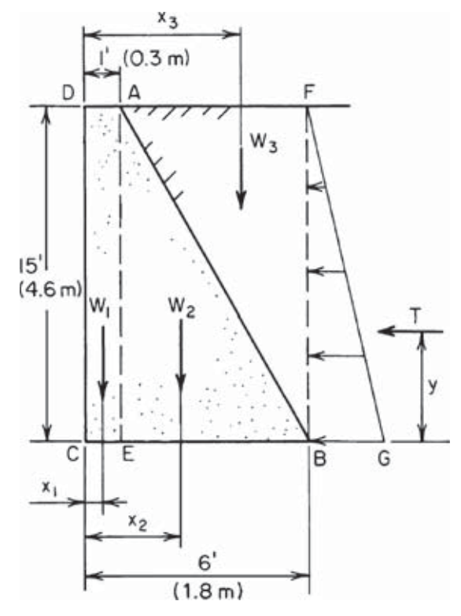
Concrete Weight | 150 | lb/ft3 | 23.56 | kN/m3 |  |  |  |  | Ref. Tyler G. Hicks, Handbook of civil engineering calculations, Page 34
Earth Weight | 100 | lb/ft3 | 15.71 | kN/m3
Coefficient of friction | 0.6
Coefficient of active earth pressure | 0.333

Decision Variables |  |  | Lower Bound | Upper Bound | Type
EB | 4.588958023 | ft | 3.00 | 10.00 | 1.00
DA | 1.5938811535 | ft | 1.00 | 5.00 | 1.00
DC | 15 | ft
BF | 15 | ft
AF | 4.588958023 | ft
CE | 1.5938811535 | ft

Objective Function (MIN) F_Cost = | 8748.8103713 | lb (/1ft long)

W1 = | DC x DA x W_Concrete = | 3586.23 | lb
W2 = | 0.5 x Eb x AE x W_Concrete = | 5162.58 | lb
W3 = | 0.5 x AF x BF x W_Earth = | 3441.72 | lb
Sum_W = |  | 12190.53 | lb

Distance from forces to C | W1 | x1 = | CE/2 = | 0.80 | ft
 | W2 | x2 = | CE + EB/3 = | 3.12 | ft
 | W3 | x3 = | DA + 2xAF/3 = | 4.65 | ft

BG = C_ActiveEarthPress x BF * W_Earth x 1ft | = | 499.5 | lb/ft
Horizontal thrust T = | 0.5 x BG x BF = | 3746.25 | lb

Maximum Frictional Force Preventing Sliding
Fm = C_Friction x Sum_W = | 7314.3173331 | lb

The moment of the Overtuning (Mo) = | T x BG/3 = | 18731.25 | lb . ft
The moment of Stabilizing Forces (Ms) =
W1.x1 + W2.x2 + W3.x3 = | = | 34998.46 | lb . ft

 |  |  |  |  | Constraints
Factor of Safety Against Sliding (FSS) = | Fm/T = | 1.95 | ≥ | 1.9 | 1 | 0.05 | ≥ | 0
Factor of Safety against Overtuning (FSO) = | Ms/Mo = | 1.87 | ≥ | 1.8 | 2 | 0.07 | ≥ | 0

