Fig_2_1
Figure 2.1: Uncertainty in projected overall territorial emissions
BEIS 2018 Updated Energy & Emissions Projections

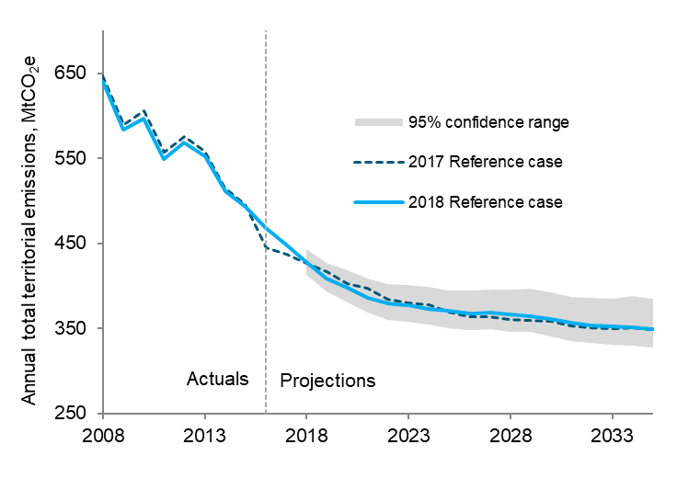

 |  |  |  | 95% confidence range
 |  |  |  |  | Annual total territorial emissions, MtCO2e
 | Year | 2018 Reference case | Mean from simulations | Upper 95% confidence limit | Lower 95% confidence limit | 2017 Reference case
 | 2008 | 640 |  |  |  | 647
 | 2009 | 584 |  |  |  | 590
 | 2010 | 597 |  |  |  | 606
 | 2011 | 549 |  |  |  | 558
 | 2012 | 568 |  |  |  | 575
 | 2013 | 552 |  |  |  | 558
 | 2014 | 511 |  |  |  | 515
 | 2015 | 492 |  |  |  | 496
 | 2016 | 468 |  |  |  | 445
 | 2017 | 448 |  |  |  | 437
 | 2018 | 428 | 428 | 443 | 412 | 427
 | 2019 | 409 | 410 | 427 | 393 | 417
 | 2020 | 398 | 398 | 418 | 380 | 403
 | 2021 | 386 | 388 | 408 | 369 | 398
 | 2022 | 380 | 381 | 402 | 360 | 385
 | 2023 | 378 | 379 | 401 | 358 | 379
 | 2024 | 373 | 376 | 399 | 354 | 378
 | 2025 | 371 | 371 | 394 | 350 | 369
 | 2026 | 368 | 370 | 395 | 348 | 364
 | 2027 | 369 | 371 | 396 | 349 | 364
 | 2028 | 367 | 369 | 395 | 346 | 360
 | 2029 | 364 | 369 | 397 | 346 | 359
 | 2030 | 361 | 365 | 392 | 341 | 358
 | 2031 | 357 | 359 | 387 | 335 | 353
 | 2032 | 353 | 357 | 385 | 333 | 351
 | 2033 | 352 | 356 | 384 | 331 | 349
 | 2034 | 351 | 356 | 388 | 330 | 350
 | 2035 | 350 | 354 | 385 | 328 | 348
Any enquiries regarding this publication should be sent to us at emissionsprojections@beis.gov.uk.

Note: The range presented in the projected net carbon account is the 95% confidence interval for uncertainties that have been modelled.
This does not capture all sources of uncertainty or the full range of uncertainty (see Chapter 6 of the report for more details).

Fig_2_2
Figure 2.2: Emissions trends
BEIS 2018 Updated Energy & Emissions Projections

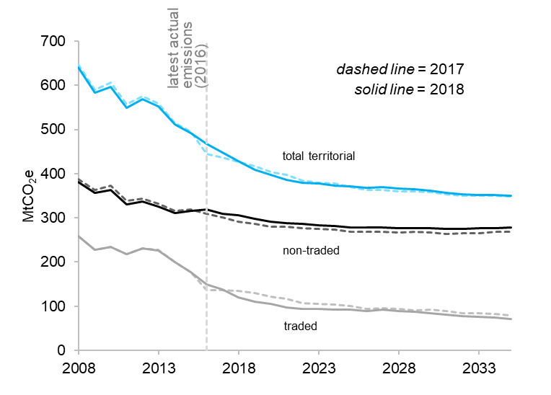

 |  |  |  |  |  |  | GHG Emissions (MtCO2e)
 |  | 2018 |  |  | 2017
 | Year | 2018 Territorial emissions | 2018 Non-traded emissions | 2018 Traded emissions | 2017 Territorial emissions | 2017 Non-traded emissions | 2017 Traded emissions
 | 2008 | 640 | 381 | 259 | 647 | 388 | 259
 | 2009 | 584 | 356 | 227 | 590 | 363 | 227
 | 2010 | 597 | 363 | 234 | 606 | 372 | 234
 | 2011 | 549 | 331 | 218 | 558 | 339 | 218
 | 2012 | 568 | 336 | 232 | 575 | 344 | 232
 | 2013 | 552 | 326 | 227 | 558 | 331 | 227
 | 2014 | 511 | 311 | 199 | 515 | 316 | 199
 | 2015 | 492 | 315 | 177 | 496 | 319 | 177
 | 2016 | 468 | 319 | 149 | 445 | 309 | 136
 | 2017 | 448 | 310 | 139 | 437 | 300 | 136
 | 2018 | 428 | 307 | 121 | 427 | 292 | 135
 | 2019 | 409 | 298 | 110 | 417 | 287 | 130
 | 2020 | 398 | 292 | 106 | 403 | 281 | 122
 | 2021 | 386 | 289 | 97 | 398 | 280 | 117
 | 2022 | 380 | 286 | 94 | 385 | 277 | 108
 | 2023 | 378 | 283 | 94 | 379 | 275 | 105
 | 2024 | 373 | 281 | 92 | 378 | 274 | 104
 | 2025 | 371 | 279 | 92 | 369 | 268 | 101
 | 2026 | 368 | 278 | 90 | 364 | 269 | 94
 | 2027 | 369 | 277 | 92 | 364 | 268 | 96
 | 2028 | 367 | 277 | 90 | 360 | 267 | 93
 | 2029 | 364 | 277 | 88 | 359 | 269 | 90
 | 2030 | 361 | 276 | 85 | 358 | 266 | 92
 | 2031 | 357 | 275 | 82 | 353 | 263 | 90
 | 2032 | 353 | 275 | 78 | 351 | 266 | 85
 | 2033 | 352 | 276 | 76 | 349 | 265 | 84
 | 2034 | 351 | 277 | 74 | 350 | 268 | 82
 | 2035 | 350 | 279 | 71 | 348 | 268 | 80
Any enquiries regarding this publication should be sent to us at emissionsprojections@beis.gov.uk.

Fig_2_3
Figure 2.3: Actual and projected performance against carbon budgets
BEIS 2018 Updated Energy & Emissions Projections
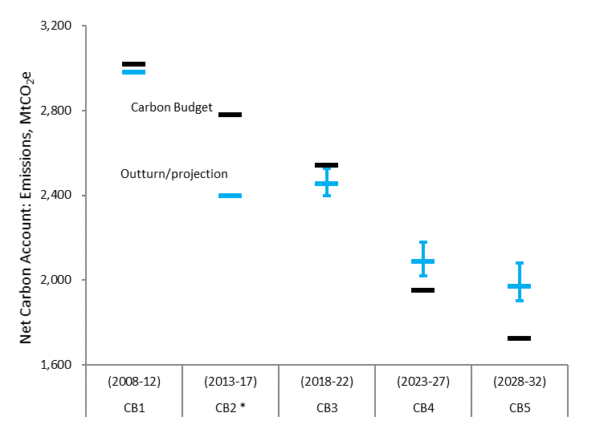

 |  |  |  |  |  | GHG Emissions (MtCO2e)
 | Carbon budget: | Years | Carbon budget | Net UK Carbon Account | Net UK Carbon Account | Net UK Carbon Account
 |  |  | value |  | lower 95% confidence range | upper 95% confidence range
 | CB1 | (2008-12) | 3,018 | 2,982 | 0 | 0
 | CB2 * | (2013-17) | 2,782 | 2,398 | 0 | 0
 | CB3 | (2018-22) | 2,544 | 2,456 | 57 | 69
 | CB4 | (2023-27) | 1,950 | 2,089 | 69 | 92
 | CB5 | (2028-32) | 1,725 | 1,970 | 69 | 109

Any enquiries regarding this publication should be sent to us at emissionsprojections@beis.gov.uk.

Note: The range presented in the projected net carbon account is the 95% confidence interval for uncertainties that have been modelled.
This does not capture all sources of uncertainty or the full range of uncertainty (see Chapter 6 of the report for more details).
* EEP 2017 used the UK allocation of EU ETS allowances assumed at the time of setting the second carbon budget, as the allocations were not finalised at that stage.
The EEP 2018 version of figure 2.3 contains instead the final performance against the second carbon budget, as reported in the final greenhouse gas emissions statistics,
which uses the actual EU ETS allocation.

Fig_2_4a
Figure 2.4: Non-traded emissions in the economy - a) All non-traded emissions
BEIS 2018 Updated Energy & Emissions Projections

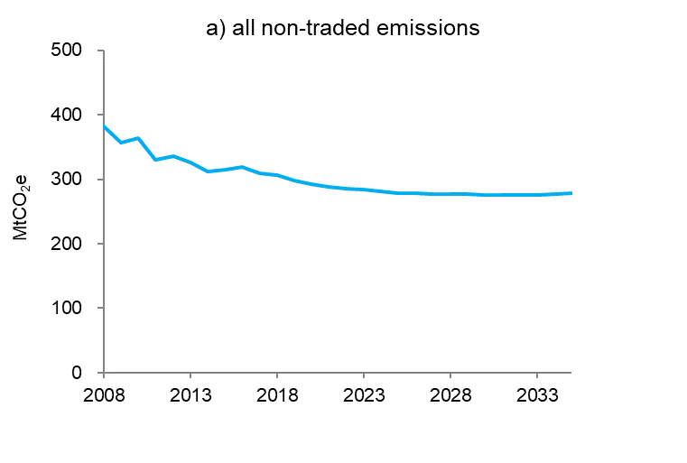

 | Year | Non-traded emissions, MtCO2e
 | 2008 | 381
 | 2009 | 356
 | 2010 | 363
 | 2011 | 331
 | 2012 | 336
 | 2013 | 326
 | 2014 | 311
 | 2015 | 315
 | 2016 | 319
 | 2017 | 310
 | 2018 | 307
 | 2019 | 298
 | 2020 | 292
 | 2021 | 289
 | 2022 | 286
 | 2023 | 283
 | 2024 | 281
 | 2025 | 279
 | 2026 | 278
 | 2027 | 277
 | 2028 | 277
 | 2029 | 277
 | 2030 | 276
 | 2031 | 275
 | 2032 | 275
 | 2033 | 276
 | 2034 | 277
 | 2035 | 279

Any enquiries regarding this publication should be sent to us at emissionsprojections@beis.gov.uk.

Fig_2_4b
Figure 2.4: Non-traded emissions in the economy - b) Industry, services and agriculture
BEIS 2018 Updated Energy & Emissions Projections

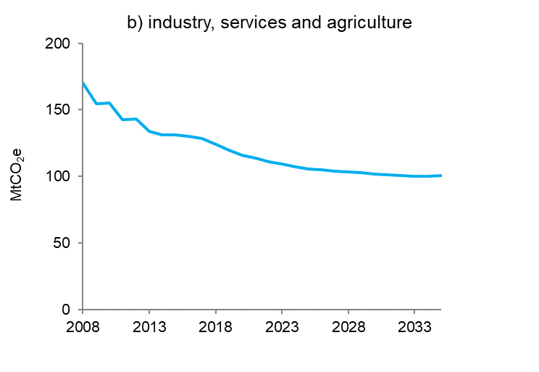

 | Year | Non-traded emissions, MtCO2e
 | 2008 | 170
 | 2009 | 155
 | 2010 | 155
 | 2011 | 143
 | 2012 | 143
 | 2013 | 134
 | 2014 | 131
 | 2015 | 131
 | 2016 | 130
 | 2017 | 128
 | 2018 | 124
 | 2019 | 120
 | 2020 | 116
 | 2021 | 113
 | 2022 | 111
 | 2023 | 109
 | 2024 | 107
 | 2025 | 106
 | 2026 | 105
 | 2027 | 104
 | 2028 | 103
 | 2029 | 103
 | 2030 | 102
 | 2031 | 101
 | 2032 | 100
 | 2033 | 100
 | 2034 | 100
 | 2035 | 101

Any enquiries regarding this publication should be sent to us at emissionsprojections@beis.gov.uk.

Fig_2_4c
Figure 2.4: Non-traded emissions in the economy - c) Transport (road transport in grey)
BEIS 2018 Updated Energy & Emissions Projections
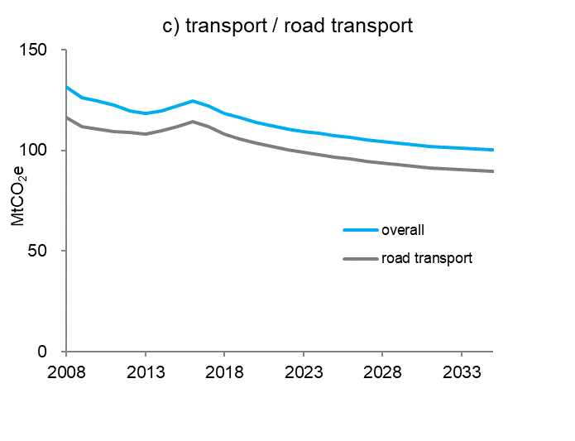

 |  |  | Non-traded emissions, MtCO2e
 | Year | overall | road transport
 | 2008 | 131 | 116
 | 2009 | 126 | 112
 | 2010 | 124 | 111
 | 2011 | 122 | 109
 | 2012 | 120 | 109
 | 2013 | 118 | 108
 | 2014 | 120 | 109
 | 2015 | 122 | 112
 | 2016 | 124 | 114
 | 2017 | 122 | 112
 | 2018 | 118 | 108
 | 2019 | 116 | 106
 | 2020 | 114 | 103
 | 2021 | 112 | 102
 | 2022 | 111 | 100
 | 2023 | 109 | 99
 | 2024 | 108 | 98
 | 2025 | 107 | 96
 | 2026 | 106 | 95
 | 2027 | 105 | 95
 | 2028 | 104 | 94
 | 2029 | 104 | 93
 | 2030 | 103 | 92
 | 2031 | 102 | 91
 | 2032 | 101 | 91
 | 2033 | 101 | 90
 | 2034 | 101 | 90
 | 2035 | 100 | 90

Any enquiries regarding this publication should be sent to us at emissionsprojections@beis.gov.uk.

Fig_2_4d
Figure 2.4: Non-traded emissions in the economy - d) Domestic
BEIS 2018 Updated Energy & Emissions Projections

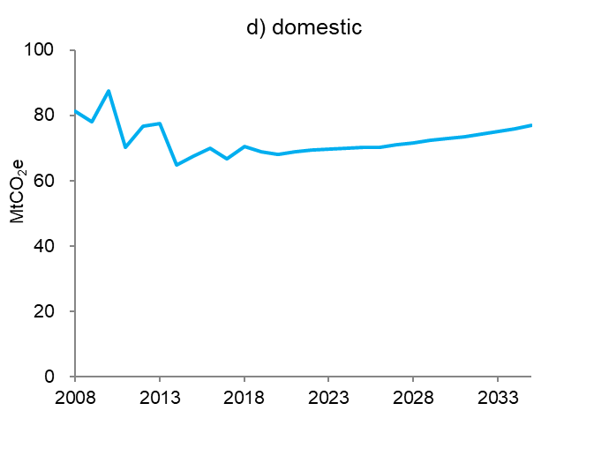

 | Year | Non-traded emissions, MtCO2e
 | 2008 | 81
 | 2009 | 78
 | 2010 | 87
 | 2011 | 70
 | 2012 | 77
 | 2013 | 77
 | 2014 | 65
 | 2015 | 67
 | 2016 | 70
 | 2017 | 67
 | 2018 | 71
 | 2019 | 69
 | 2020 | 68
 | 2021 | 69
 | 2022 | 69
 | 2023 | 70
 | 2024 | 70
 | 2025 | 70
 | 2026 | 70
 | 2027 | 71
 | 2028 | 72
 | 2029 | 72
 | 2030 | 73
 | 2031 | 73
 | 2032 | 74
 | 2033 | 75
 | 2034 | 76
 | 2035 | 77

Any enquiries regarding this publication should be sent to us at emissionsprojections@beis.gov.uk.

Fig_4_1a
Figure 4.1: Final energy demand by fuel and consumer sector 2008 to 2035 - a) Total demand, broken down by fuel
BEIS 2018 Updated Energy & Emissions Projections

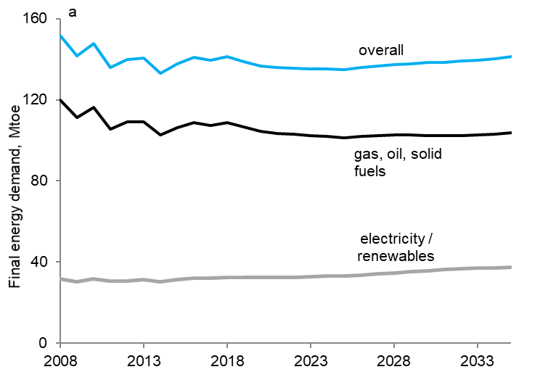

 |  |  |  | Final energy demand, Mtoe
 | Year | overall | gas, oil, solid fuels | electricity / renewables
 | 2008 | 151.7 | 119.9 | 31.8
 | 2009 | 141.8 | 111.4 | 30.4
 | 2010 | 147.8 | 116.1 | 31.7
 | 2011 | 136.1 | 105.5 | 30.5
 | 2012 | 140.0 | 109.3 | 30.7
 | 2013 | 140.5 | 109.2 | 31.3
 | 2014 | 133.2 | 102.8 | 30.4
 | 2015 | 137.6 | 106.2 | 31.4
 | 2016 | 140.8 | 108.7 | 32.1
 | 2017 | 139.4 | 107.4 | 32.0
 | 2018 | 141.3 | 108.8 | 32.5
 | 2019 | 138.9 | 106.5 | 32.4
 | 2020 | 136.8 | 104.3 | 32.5
 | 2021 | 136.0 | 103.5 | 32.5
 | 2022 | 135.6 | 103.1 | 32.6
 | 2023 | 135.3 | 102.5 | 32.8
 | 2024 | 135.0 | 102.0 | 33.0
 | 2025 | 134.7 | 101.4 | 33.3
 | 2026 | 135.8 | 102.1 | 33.7
 | 2027 | 136.6 | 102.4 | 34.1
 | 2028 | 137.3 | 102.6 | 34.7
 | 2029 | 137.8 | 102.6 | 35.2
 | 2030 | 138.3 | 102.5 | 35.8
 | 2031 | 138.6 | 102.4 | 36.2
 | 2032 | 139.0 | 102.5 | 36.6
 | 2033 | 139.7 | 102.7 | 37.0
 | 2034 | 140.4 | 103.2 | 37.2
 | 2035 | 141.2 | 103.8 | 37.4

Any enquiries regarding this publication should be sent to us at emissionsprojections@beis.gov.uk.

Fig_4_1b
Figure 4.1: Final energy demand by fuel and consumer sector 2008 to 2035 - b) Demand in transport
BEIS 2018 Updated Energy & Emissions Projections

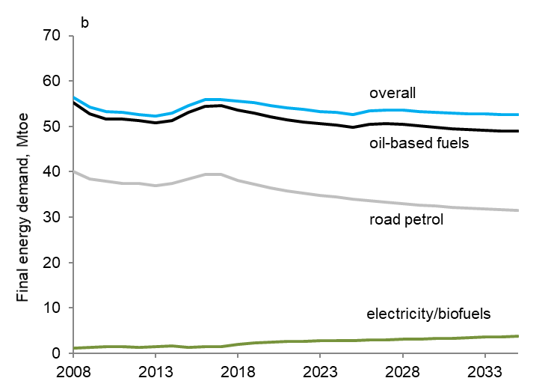

 |  |  |  |  | Final energy demand, Mtoe
 | Year | overall | all oil-based fuels (exc. biofuels) | road oil-based fuels (exc. biofuels) | electricity/ biofuels
 | 2008 | 56.4 | 55.2 | 40.1 | 1.2
 | 2009 | 54.2 | 52.8 | 38.5 | 1.4
 | 2010 | 53.2 | 51.6 | 37.9 | 1.6
 | 2011 | 53.2 | 51.7 | 37.4 | 1.5
 | 2012 | 52.7 | 51.3 | 37.5 | 1.3
 | 2013 | 52.2 | 50.7 | 37.0 | 1.5
 | 2014 | 52.9 | 51.2 | 37.4 | 1.6
 | 2015 | 54.5 | 53.1 | 38.5 | 1.4
 | 2016 | 55.8 | 54.4 | 39.4 | 1.4
 | 2017 | 56.0 | 54.5 | 39.4 | 1.4
 | 2018 | 55.6 | 53.5 | 38.1 | 2.0
 | 2019 | 55.2 | 52.9 | 37.3 | 2.3
 | 2020 | 54.6 | 52.1 | 36.4 | 2.5
 | 2021 | 54.1 | 51.5 | 35.9 | 2.6
 | 2022 | 53.7 | 51.0 | 35.3 | 2.7
 | 2023 | 53.3 | 50.6 | 34.8 | 2.7
 | 2024 | 53.0 | 50.2 | 34.4 | 2.8
 | 2025 | 52.7 | 49.8 | 34.0 | 2.9
 | 2026 | 53.5 | 50.5 | 33.7 | 3.0
 | 2027 | 53.6 | 50.6 | 33.4 | 3.1
 | 2028 | 53.6 | 50.4 | 33.0 | 3.1
 | 2029 | 53.3 | 50.1 | 32.7 | 3.2
 | 2030 | 53.1 | 49.8 | 32.4 | 3.3
 | 2031 | 52.9 | 49.5 | 32.2 | 3.4
 | 2032 | 52.7 | 49.3 | 32.0 | 3.5
 | 2033 | 52.7 | 49.1 | 31.8 | 3.6
 | 2034 | 52.6 | 49.0 | 31.7 | 3.7
 | 2035 | 52.6 | 48.9 | 31.6 | 3.7

Any enquiries regarding this publication should be sent to us at emissionsprojections@beis.gov.uk.

Fig_4_1c
Figure 4.1: Final energy demand by fuel and consumer sector 2008 to 2035 - c) Demand in industry
BEIS 2018 Updated Energy & Emissions Projections

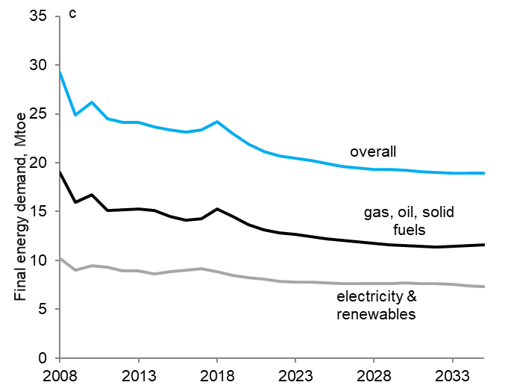

 |  |  |  | Final energy demand, Mtoe
 | Year | overall | electricity & renewables | gas, oil, solid fuels
 | 2008 | 29.3 | 10.2 | 19.0
 | 2009 | 24.9 | 9.0 | 15.9
 | 2010 | 26.2 | 9.5 | 16.7
 | 2011 | 24.5 | 9.3 | 15.1
 | 2012 | 24.1 | 9.0 | 15.2
 | 2013 | 24.1 | 8.9 | 15.2
 | 2014 | 23.7 | 8.6 | 15.1
 | 2015 | 23.4 | 8.9 | 14.5
 | 2016 | 23.1 | 9.0 | 14.1
 | 2017 | 23.4 | 9.1 | 14.3
 | 2018 | 24.2 | 8.9 | 15.3
 | 2019 | 23.0 | 8.5 | 14.5
 | 2020 | 21.9 | 8.3 | 13.6
 | 2021 | 21.2 | 8.0 | 13.1
 | 2022 | 20.7 | 7.9 | 12.8
 | 2023 | 20.4 | 7.8 | 12.6
 | 2024 | 20.2 | 7.8 | 12.4
 | 2025 | 19.9 | 7.7 | 12.2
 | 2026 | 19.6 | 7.6 | 12.0
 | 2027 | 19.5 | 7.6 | 11.9
 | 2028 | 19.3 | 7.6 | 11.7
 | 2029 | 19.3 | 7.7 | 11.6
 | 2030 | 19.2 | 7.7 | 11.5
 | 2031 | 19.1 | 7.7 | 11.4
 | 2032 | 19.0 | 7.6 | 11.4
 | 2033 | 18.9 | 7.5 | 11.4
 | 2034 | 18.9 | 7.4 | 11.5
 | 2035 | 18.9 | 7.3 | 11.6

Any enquiries regarding this publication should be sent to us at emissionsprojections@beis.gov.uk.

Fig_4_1d
Figure 4.1: Final energy demand by fuel and consumer sector 2008 to 2035 - d) Demand in domestic sector (households)
BEIS 2018 Updated Energy & Emissions Projections

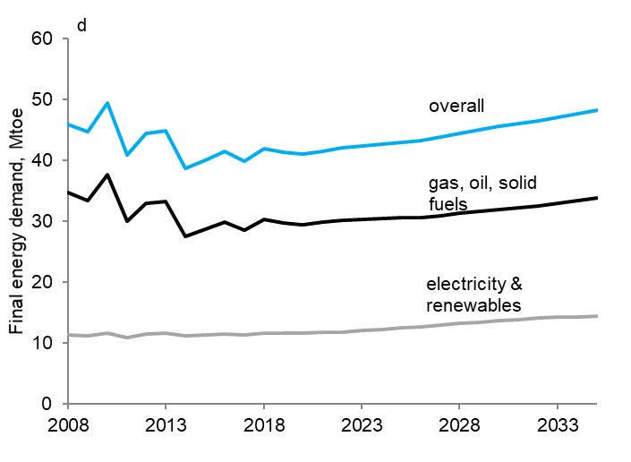

 |  |  |  | Final energy demand, Mtoe
 | Year | overall | electricity & renewables | gas, oil, solid fuels
 | 2008 | 45.9 | 11.2 | 34.7
 | 2009 | 44.6 | 11.2 | 33.4
 | 2010 | 49.4 | 11.7 | 37.7
 | 2011 | 40.8 | 10.9 | 30.0
 | 2012 | 44.4 | 11.5 | 32.9
 | 2013 | 44.8 | 11.7 | 33.2
 | 2014 | 38.6 | 11.1 | 27.5
 | 2015 | 40.0 | 11.3 | 28.7
 | 2016 | 41.4 | 11.5 | 29.9
 | 2017 | 39.9 | 11.3 | 28.6
 | 2018 | 41.9 | 11.6 | 30.3
 | 2019 | 41.3 | 11.6 | 29.7
 | 2020 | 41.0 | 11.6 | 29.4
 | 2021 | 41.5 | 11.7 | 29.8
 | 2022 | 42.0 | 11.8 | 30.2
 | 2023 | 42.3 | 12.0 | 30.3
 | 2024 | 42.6 | 12.2 | 30.4
 | 2025 | 43.0 | 12.4 | 30.6
 | 2026 | 43.3 | 12.7 | 30.6
 | 2027 | 43.8 | 12.9 | 30.9
 | 2028 | 44.4 | 13.1 | 31.3
 | 2029 | 45.0 | 13.4 | 31.6
 | 2030 | 45.5 | 13.7 | 31.9
 | 2031 | 46.0 | 13.9 | 32.1
 | 2032 | 46.5 | 14.0 | 32.5
 | 2033 | 47.1 | 14.2 | 32.9
 | 2034 | 47.6 | 14.3 | 33.3
 | 2035 | 48.2 | 14.4 | 33.8

 | Any enquiries regarding this publication should be sent to us at emissionsprojections@beis.gov.uk.

Fig_4_1e
Figure 4.1: Final energy demand by fuel and consumer sector 2008 to 2035 - e) Demand in services sector (including agriculture)
BEIS 2018 Updated Energy & Emissions Projections

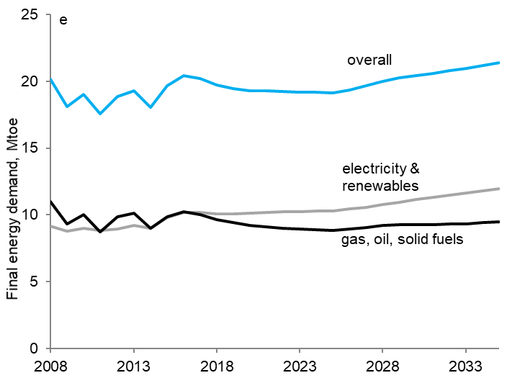

 |  |  |  |  | Final energy demand, Mtoe
 |  | Year | overall | electricity & renewables | gas, oil, solid fuels
 |  | 2008 | 20.2 | 9.2 | 11.0
 |  | 2009 | 18.1 | 8.8 | 9.3
 |  | 2010 | 19.0 | 9.0 | 10.0
 |  | 2011 | 17.6 | 8.8 | 8.7
 |  | 2012 | 18.8 | 9.0 | 9.9
 |  | 2013 | 19.3 | 9.2 | 10.1
 |  | 2014 | 18.0 | 9.0 | 9.0
 |  | 2015 | 19.7 | 9.8 | 9.9
 |  | 2016 | 20.4 | 10.2 | 10.3
 |  | 2017 | 20.2 | 10.2 | 10.0
 |  | 2018 | 19.7 | 10.1 | 9.7
 |  | 2019 | 19.5 | 10.1 | 9.4
 |  | 2020 | 19.3 | 10.1 | 9.2
 |  | 2021 | 19.3 | 10.2 | 9.1
 |  | 2022 | 19.2 | 10.2 | 9.0
 |  | 2023 | 19.2 | 10.2 | 9.0
 |  | 2024 | 19.2 | 10.3 | 8.9
 |  | 2025 | 19.1 | 10.3 | 8.8
 |  | 2026 | 19.4 | 10.4 | 8.9
 |  | 2027 | 19.6 | 10.6 | 9.1
 |  | 2028 | 20.0 | 10.8 | 9.2
 |  | 2029 | 20.2 | 11.0 | 9.3
 |  | 2030 | 20.4 | 11.1 | 9.3
 |  | 2031 | 20.6 | 11.3 | 9.3
 |  | 2032 | 20.8 | 11.5 | 9.3
 |  | 2033 | 21.0 | 11.6 | 9.3
 |  | 2034 | 21.2 | 11.8 | 9.4
 |  | 2035 | 21.4 | 12.0 | 9.5

 | Any enquiries regarding this publication should be sent to us at emissionsprojections@beis.gov.uk.

Fig_4_2
Figure 4.2: Primary energy demand by fuel
BEIS 2018 Updated Energy & Emissions Projections

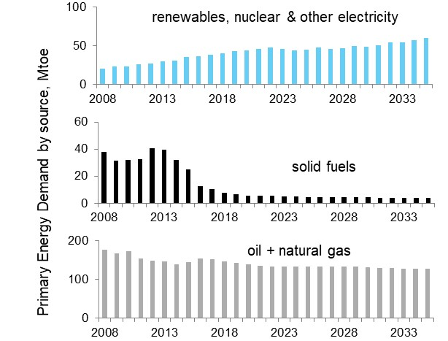

 |  |  |  | Primary Energy Demand by source, Mtoe
 | Year | renewables, nuclear & other electricity | solid fuels | oil & natural gas
 | 2008 | 20 | 38 | 176
 | 2009 | 23 | 31 | 166
 | 2010 | 23 | 32 | 172
 | 2011 | 26 | 32 | 154
 | 2012 | 27 | 41 | 148
 | 2013 | 29 | 39 | 146
 | 2014 | 30 | 32 | 140
 | 2015 | 36 | 25 | 144
 | 2016 | 37 | 12 | 154
 | 2017 | 38 | 10 | 152
 | 2018 | 40 | 8 | 147
 | 2019 | 43 | 6 | 142
 | 2020 | 44 | 6 | 139
 | 2021 | 46 | 5 | 135
 | 2022 | 47 | 5 | 133
 | 2023 | 46 | 5 | 134
 | 2024 | 44 | 5 | 132
 | 2025 | 45 | 5 | 132
 | 2026 | 48 | 5 | 132
 | 2027 | 46 | 4 | 134
 | 2028 | 47 | 4 | 134
 | 2029 | 49 | 4 | 133
 | 2030 | 49 | 4 | 132
 | 2031 | 51 | 4 | 130
 | 2032 | 54 | 4 | 129
 | 2033 | 55 | 4 | 128
 | 2034 | 57 | 4 | 128
 | 2035 | 59 | 4 | 128

Any enquiries regarding this publication should be sent to us at emissionsprojections@beis.gov.uk.

Fig_5_1
Figure 5.1: Electricity generation by fuel source
BEIS 2018 Updated Energy & Emissions Projections

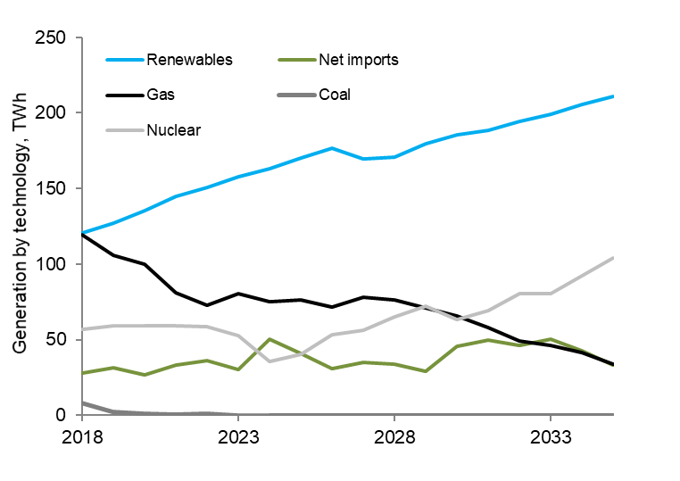

 |  |  |  |  |  |  | TWh
 | Year | Coal | Gas | Oil | Nuclear | Renewables | Imports
 | 2018 | 8 | 119 | 0 | 57 | 121 | 28
 | 2019 | 2 | 106 | 0 | 59 | 127 | 32
 | 2020 | 1 | 100 | 0 | 59 | 135 | 27
 | 2021 | 0 | 81 | 0 | 59 | 145 | 33
 | 2022 | 1 | 73 | 0 | 59 | 150 | 36
 | 2023 | 0 | 80 | 0 | 53 | 158 | 30
 | 2024 | 0 | 75 | 0 | 36 | 163 | 50
 | 2025 | 0 | 77 | 0 | 40 | 170 | 41
 | 2026 | 0 | 72 | 0 | 53 | 177 | 31
 | 2027 | 0 | 78 | 0 | 56 | 170 | 35
 | 2028 | 0 | 76 | 0 | 65 | 171 | 34
 | 2029 | 0 | 71 | 0 | 72 | 180 | 29
 | 2030 | 0 | 66 | 0 | 64 | 185 | 46
 | 2031 | 0 | 58 | 0 | 69 | 189 | 50
 | 2032 | 0 | 49 | 0 | 81 | 194 | 46
 | 2033 | 0 | 46 | 0 | 81 | 199 | 50
 | 2034 | 0 | 41 | 0 | 92 | 206 | 43
 | 2035 | 0 | 34 | 0 | 104 | 211 | 33

Any enquiries regarding this publication should be sent to us at emissionsprojections@beis.gov.uk.

Fig_5_2
Figure 5.2: Emissions intensity (all power producers)
BEIS 2018 Updated Energy & Emissions Projections

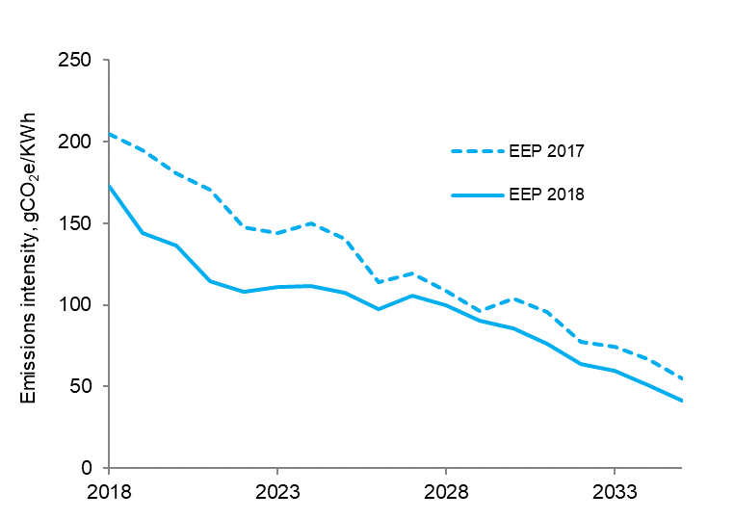

 | Year | EEP 2018 | EEP 2017
 | 2018 | 173 | 205
 | 2019 | 144 | 195
 | 2020 | 136 | 181
 | 2021 | 115 | 171
 | 2022 | 108 | 148
 | 2023 | 111 | 144
 | 2024 | 111 | 150
 | 2025 | 108 | 141
 | 2026 | 98 | 114
 | 2027 | 105 | 119
 | 2028 | 100 | 108
 | 2029 | 91 | 96
 | 2030 | 85 | 104
 | 2031 | 76 | 95
 | 2032 | 64 | 78
 | 2033 | 60 | 74
 | 2034 | 51 | 67
 | 2035 | 41 | 55

Any enquiries regarding this publication should be sent to us at emissionsprojections@beis.gov.uk.

Fig_6_1
Figure 6.1: Total GHG emissions: uncertainty range for each category separately
BEIS 2018 Updated Energy & Emissions Projections

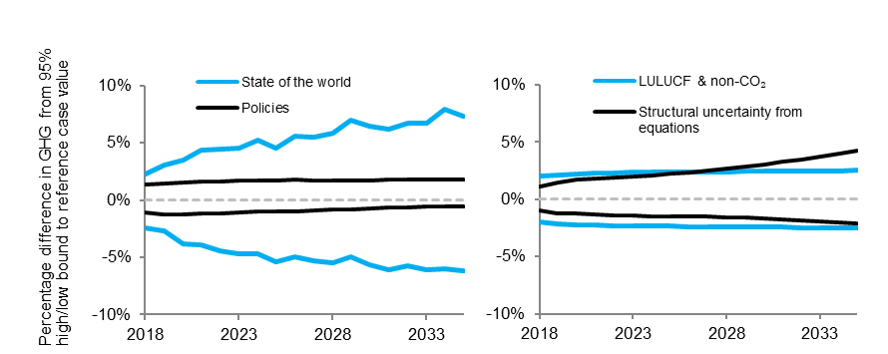

 |  | Total GHG incl Electricity Supply Industry (ESI) (difference from 95% high/low to reference case)
 |  | State of the world | State of the world | LULUCF & Non-CO2 | LULUCF & Non-CO2 | Policies | Policies | Structural uncertainty from equations | Structural uncertainty from equations
 | Year | High | Low | High | Low | High | Low | High | Low
 | 2015
 | 2016
 | 2017
 | 2018 | 2.3% | -2.4% | 2.0% | -2.0% | 1.4% | -1.1% | 1.1% | -1.0%
 | 2019 | 3.1% | -2.7% | 2.1% | -2.1% | 1.4% | -1.2% | 1.5% | -1.2%
 | 2020 | 3.5% | -3.8% | 2.2% | -2.2% | 1.5% | -1.2% | 1.7% | -1.3%
 | 2021 | 4.3% | -3.9% | 2.2% | -2.2% | 1.6% | -1.2% | 1.8% | -1.3%
 | 2022 | 4.5% | -4.4% | 2.3% | -2.3% | 1.6% | -1.2% | 1.9% | -1.4%
 | 2023 | 4.6% | -4.7% | 2.3% | -2.3% | 1.7% | -1.1% | 2.0% | -1.4%
 | 2024 | 5.2% | -4.7% | 2.3% | -2.4% | 1.7% | -1.0% | 2.1% | -1.5%
 | 2025 | 4.6% | -5.4% | 2.3% | -2.4% | 1.7% | -1.0% | 2.2% | -1.5%
 | 2026 | 5.5% | -5.0% | 2.4% | -2.4% | 1.8% | -1.0% | 2.3% | -1.5%
 | 2027 | 5.5% | -5.3% | 2.4% | -2.4% | 1.7% | -0.9% | 2.5% | -1.5%
 | 2028 | 5.9% | -5.5% | 2.4% | -2.4% | 1.7% | -0.8% | 2.6% | -1.6%
 | 2029 | 7.0% | -4.9% | 2.4% | -2.4% | 1.7% | -0.8% | 2.8% | -1.6%
 | 2030 | 6.4% | -5.6% | 2.5% | -2.4% | 1.7% | -0.7% | 3.1% | -1.7%
 | 2031 | 6.2% | -6.0% | 2.4% | -2.4% | 1.8% | -0.7% | 3.3% | -1.8%
 | 2032 | 6.7% | -5.7% | 2.4% | -2.5% | 1.8% | -0.6% | 3.5% | -1.9%
 | 2033 | 6.7% | -6.1% | 2.5% | -2.5% | 1.8% | -0.6% | 3.7% | -1.9%
 | 2034 | 7.9% | -6.0% | 2.5% | -2.5% | 1.8% | -0.6% | 4.0% | -2.0%
 | 2035 | 7.3% | -6.2% | 2.5% | -2.5% | 1.8% | -0.5% | 4.2% | -2.1%
Any enquiries regarding this publication should be sent to us at emissionsprojections@beis.gov.uk.

Note: The range presented in the projected net carbon account is the 95% confidence interval for uncertainties that have been modelled.
This does not capture all sources of uncertainty or the full range of uncertainty (see Chapter 6 of the report for more details).

Fig_2014_2_1
Figure 2.1: Net UK carbon account and territorial emissions
BEIS 2018 Updated Energy & Emissions Projections

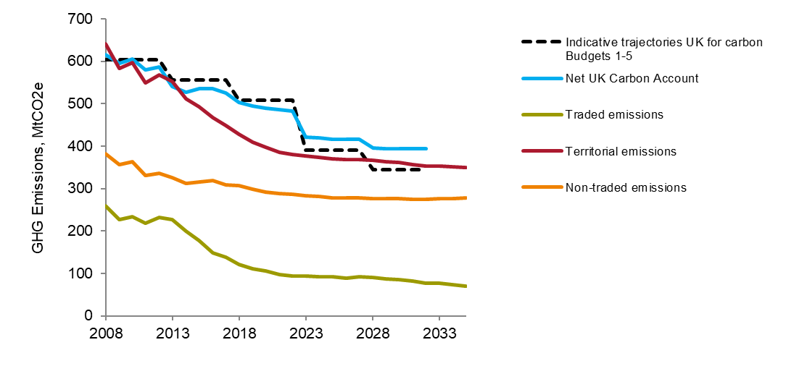

 |  |  |  |  |  | GHG Emissions, MtCO2e
 | Year | Indicative trajectories UK for carbon Budgets 1-5 | Net UK Carbon Account | Traded emissions | Territorial emissions | Non-traded emissions
 | 2008 | 604 | 616 | 259 | 640 | 381
 | 2009 | 604 | 595 | 227 | 584 | 356
 | 2010 | 604 | 605 | 234 | 597 | 363
 | 2011 | 604 | 579 | 218 | 549 | 331
 | 2012 | 604 | 587 | 232 | 568 | 336
 | 2013 | 556 | 541 | 227 | 552 | 326
 | 2014 | 556 | 527 | 199 | 511 | 311
 | 2015 | 556 | 535 | 177 | 492 | 315
 | 2016 | 556 | 535 | 149 | 468 | 319
 | 2017 | 556 | 525 | 139 | 448 | 310
 | 2018 | 509 | 504 | 121 | 428 | 307
 | 2019 | 509 | 495 | 110 | 409 | 298
 | 2020 | 509 | 489 | 106 | 398 | 292
 | 2021 | 509 | 486 | 97 | 386 | 289
 | 2022 | 509 | 483 | 94 | 380 | 286
 | 2023 | 390 | 421 | 94 | 378 | 283
 | 2024 | 390 | 419 | 92 | 373 | 281
 | 2025 | 390 | 417 | 92 | 371 | 279
 | 2026 | 390 | 416 | 90 | 368 | 278
 | 2027 | 390 | 415 | 92 | 369 | 277
 | 2028 | 345 | 395 | 90 | 367 | 277
 | 2029 | 345 | 395 | 88 | 364 | 277
 | 2030 | 345 | 394 | 85 | 361 | 276
 | 2031 | 345 | 393 | 82 | 357 | 275
 | 2032 | 345 | 393 | 78 | 353 | 275
 | 2033 |  |  | 76 | 352 | 276
 | 2034 |  |  | 74 | 351 | 277
 | 2035 |  |  | 71 | 350 | 279

 | a. Emissions in Carbon Budget 1 (2008 - 2012) were assessed in May 2014, using the 2012 greenhouse gas inventory, in accordance with the requirements of the Climate Change Act 2008.
 | See: http://www.legislation.gov.uk/ukpga/2008/27/section/18
 | b. Please note that EEP projections use the UK allocation of EU ETS allowances assumed at the time of setting the respective carbon budgets for projections
 | (as the allocations are not finalised until after the budget period to which they relate), whereas the February 2019 statistics (published after EEP
 | analysis was complete) use the final cap available for the second carbon budget (see EEP report: Box 1).

Any enquiries regarding this publication should be sent to us at emissionsprojections@beis.gov.uk.

Fig_2014_5_1
Figure 5.1: Projections of primary energy demand
BEIS 2018 Updated Energy & Emissions Projections

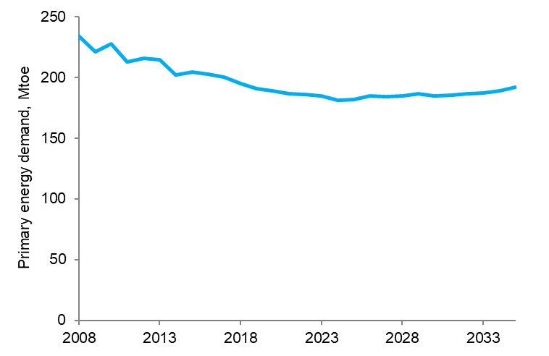

 |  | Mtoe
 | Year | Primary energy demand
 | 2008 | 234
 | 2009 | 221
 | 2010 | 228
 | 2011 | 213
 | 2012 | 215
 | 2013 | 214
 | 2014 | 202
 | 2015 | 204
 | 2016 | 203
 | 2017 | 200
 | 2018 | 195
 | 2019 | 191
 | 2020 | 189
 | 2021 | 187
 | 2022 | 186
 | 2023 | 185
 | 2024 | 181
 | 2025 | 182
 | 2026 | 185
 | 2027 | 184
 | 2028 | 185
 | 2029 | 186
 | 2030 | 185
 | 2031 | 185
 | 2032 | 187
 | 2033 | 187
 | 2034 | 189
 | 2035 | 192

Any enquiries regarding this publication should be sent to us at emissionsprojections@beis.gov.uk.

Fig_2014_5_2
Figure 5.2: Changes in primary demand by fuel type
BEIS 2018 Updated Energy & Emissions Projections

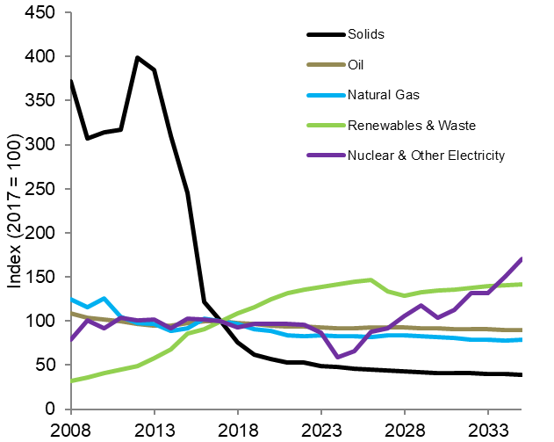

 |  |  |  |  |  | Changes in primary demand by fuel type, Index (2017 = 100)
 | Year | Solids | Oil | Natural Gas | Renewables & Waste | Nuclear & Other Electricity
 | 2008 | 372 | 108 | 125 | 32 | 79
 | 2009 | 307 | 104 | 116 | 36 | 101
 | 2010 | 314 | 102 | 125 | 41 | 92
 | 2011 | 317 | 99 | 104 | 45 | 103
 | 2012 | 399 | 97 | 98 | 49 | 101
 | 2013 | 384 | 95 | 97 | 58 | 102
 | 2014 | 310 | 95 | 89 | 68 | 92
 | 2015 | 245 | 98 | 92 | 85 | 102
 | 2016 | 122 | 100 | 103 | 91 | 102
 | 2017 | 100 | 100 | 100 | 100 | 100
 | 2018 | 75 | 98 | 96 | 109 | 93
 | 2019 | 62 | 96 | 91 | 116 | 97
 | 2020 | 57 | 95 | 89 | 125 | 97
 | 2021 | 53 | 94 | 84 | 131 | 97
 | 2022 | 52 | 93 | 82 | 136 | 96
 | 2023 | 49 | 93 | 84 | 139 | 86
 | 2024 | 48 | 92 | 82 | 142 | 59
 | 2025 | 46 | 92 | 83 | 144 | 66
 | 2026 | 45 | 93 | 82 | 147 | 87
 | 2027 | 44 | 93 | 84 | 134 | 91
 | 2028 | 43 | 92 | 84 | 129 | 106
 | 2029 | 42 | 92 | 83 | 132 | 118
 | 2030 | 41 | 91 | 82 | 135 | 104
 | 2031 | 41 | 91 | 81 | 136 | 113
 | 2032 | 41 | 91 | 79 | 138 | 132
 | 2033 | 40 | 90 | 79 | 139 | 132
 | 2034 | 40 | 90 | 78 | 141 | 151
 | 2035 | 39 | 90 | 79 | 141 | 170

Any enquiries regarding this publication should be sent to us at emissionsprojections@beis.gov.uk.

Fig_2014_5_3
Figure 5.3: Final energy demand by type of energy
BEIS 2018 Updated Energy & Emissions Projections

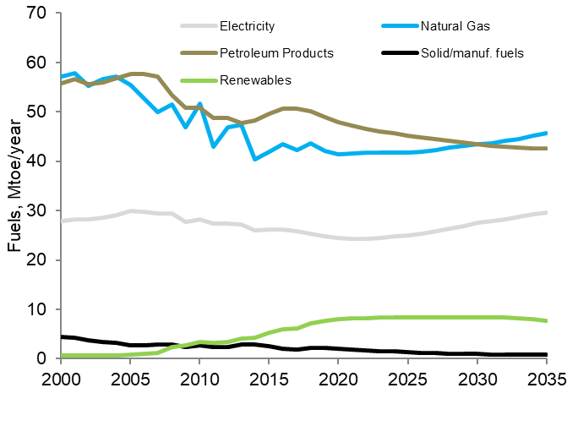

 |  |  |  |  |  | Mtoe/year
 | Year | Electricity | Natural Gas | Petroleum Products | Solid/manuf. fuels | Renewables
 | 2000 | 28 | 57 | 56 | 5 | 1
 | 2001 | 28 | 58 | 57 | 4 | 1
 | 2002 | 28 | 55 | 56 | 4 | 1
 | 2003 | 29 | 57 | 56 | 3 | 1
 | 2004 | 29 | 57 | 57 | 3 | 1
 | 2005 | 30 | 55 | 58 | 3 | 1
 | 2006 | 30 | 53 | 58 | 3 | 1
 | 2007 | 29 | 50 | 57 | 3 | 1
 | 2008 | 29 | 52 | 53 | 3 | 2
 | 2009 | 28 | 47 | 51 | 2 | 3
 | 2010 | 28 | 52 | 51 | 3 | 3
 | 2011 | 27 | 43 | 49 | 2 | 3
 | 2012 | 27 | 47 | 49 | 2 | 3
 | 2013 | 27 | 47 | 48 | 3 | 4
 | 2014 | 26 | 40 | 48 | 3 | 4
 | 2015 | 26 | 42 | 50 | 3 | 5
 | 2016 | 26 | 43 | 51 | 2 | 6
 | 2017 | 26 | 42 | 51 | 2 | 6
 | 2018 | 25 | 44 | 50 | 2 | 7
 | 2019 | 25 | 42 | 49 | 2 | 8
 | 2020 | 24 | 41 | 48 | 2 | 8
 | 2021 | 24 | 42 | 47 | 2 | 8
 | 2022 | 24 | 42 | 47 | 2 | 8
 | 2023 | 24 | 42 | 46 | 2 | 8
 | 2024 | 25 | 42 | 46 | 1 | 8
 | 2025 | 25 | 42 | 45 | 1 | 8
 | 2026 | 25 | 42 | 45 | 1 | 8
 | 2027 | 26 | 42 | 44 | 1 | 8
 | 2028 | 26 | 43 | 44 | 1 | 8
 | 2029 | 27 | 43 | 44 | 1 | 8
 | 2030 | 27 | 43 | 43 | 1 | 8
 | 2031 | 28 | 44 | 43 | 1 | 8
 | 2032 | 28 | 44 | 43 | 1 | 8
 | 2033 | 29 | 45 | 43 | 1 | 8
 | 2034 | 29 | 45 | 43 | 1 | 8
 | 2035 | 30 | 46 | 43 | 1 | 8

Any enquiries regarding this publication should be sent to us at emissionsprojections@beis.gov.uk.

Fig_2014_5_4
Figure 5.4: Final energy demand by sector
BEIS 2018 Updated Energy & Emissions Projections

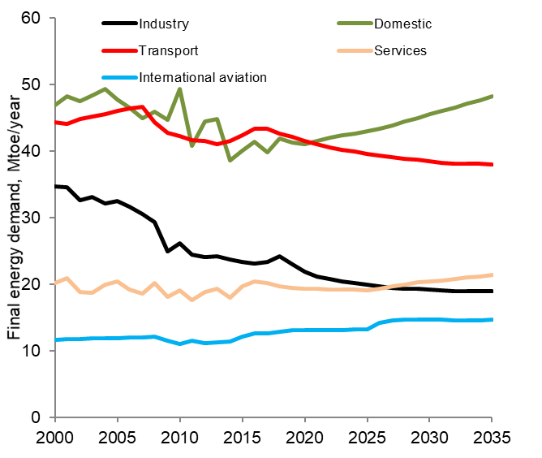

 |  |  |  |  |  | Mtoe/year

 | Year | Industry | Domestic | Transport | Services | International aviation
 | 2000 | 35 | 47 | 44 | 20 | 12
 | 2001 | 35 | 48 | 44 | 21 | 12
 | 2002 | 33 | 47 | 45 | 19 | 12
 | 2003 | 33 | 48 | 45 | 19 | 12
 | 2004 | 32 | 49 | 46 | 20 | 12
 | 2005 | 33 | 48 | 46 | 20 | 12
 | 2006 | 32 | 47 | 46 | 19 | 12
 | 2007 | 31 | 45 | 47 | 19 | 12
 | 2008 | 29 | 46 | 44 | 20 | 12
 | 2009 | 25 | 45 | 43 | 18 | 11
 | 2010 | 26 | 49 | 42 | 19 | 11
 | 2011 | 24 | 41 | 42 | 18 | 12
 | 2012 | 24 | 44 | 41 | 19 | 11
 | 2013 | 24 | 45 | 41 | 19 | 11
 | 2014 | 24 | 39 | 41 | 18 | 11
 | 2015 | 23 | 40 | 42 | 20 | 12
 | 2016 | 23 | 41 | 43 | 20 | 13
 | 2017 | 23 | 40 | 43 | 20 | 13
 | 2018 | 24 | 42 | 43 | 20 | 13
 | 2019 | 23 | 41 | 42 | 19 | 13
 | 2020 | 22 | 41 | 42 | 19 | 13
 | 2021 | 21 | 41 | 41 | 19 | 13
 | 2022 | 21 | 42 | 41 | 19 | 13
 | 2023 | 20 | 42 | 40 | 19 | 13
 | 2024 | 20 | 43 | 40 | 19 | 13
 | 2025 | 20 | 43 | 39 | 19 | 13
 | 2026 | 20 | 43 | 39 | 19 | 14
 | 2027 | 19 | 44 | 39 | 20 | 15
 | 2028 | 19 | 44 | 39 | 20 | 15
 | 2029 | 19 | 45 | 39 | 20 | 15
 | 2030 | 19 | 46 | 38 | 20 | 15
 | 2031 | 19 | 46 | 38 | 21 | 15
 | 2032 | 19 | 47 | 38 | 21 | 15
 | 2033 | 19 | 47 | 38 | 21 | 15
 | 2034 | 19 | 48 | 38 | 21 | 15
 | 2035 | 19 | 48 | 38 | 21 | 15

 | a. Transport excludes international aviation and shipping

Any enquiries regarding this publication should be sent to us at emissionsprojections@beis.gov.uk.

Fig_2016_5_2
Figure 5.2: CO2 emissions from electricity supply sector
BEIS 2018 Updated Energy & Emissions Projections

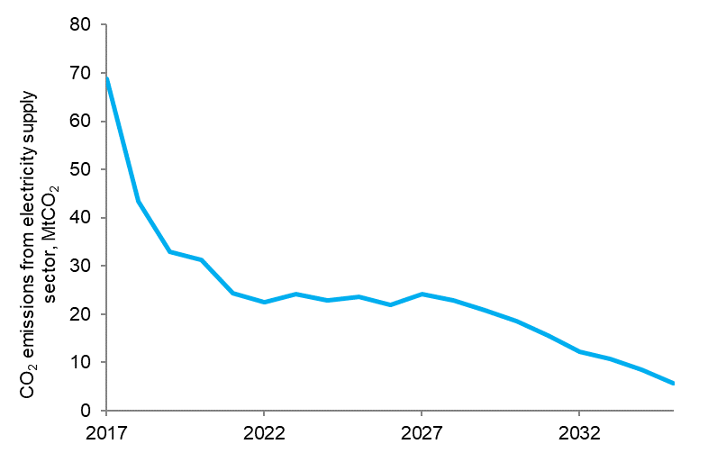

 | Year | Emissions MtCO2
 | 2017 | 69
 | 2018 | 43
 | 2019 | 33
 | 2020 | 31
 | 2021 | 24
 | 2022 | 23
 | 2023 | 24
 | 2024 | 23
 | 2025 | 24
 | 2026 | 22
 | 2027 | 24
 | 2028 | 23
 | 2029 | 21
 | 2030 | 19
 | 2031 | 16
 | 2032 | 12
 | 2033 | 11
 | 2034 | 8
 | 2035 | 6

Any enquiries regarding this publication should be sent to us at emissionsprojections@beis.gov.uk.

Fig_2017_5_3
Figure 5.3: CHP capacity (exc. MPP sites)
BEIS 2018 Updated Energy & Emissions Projections

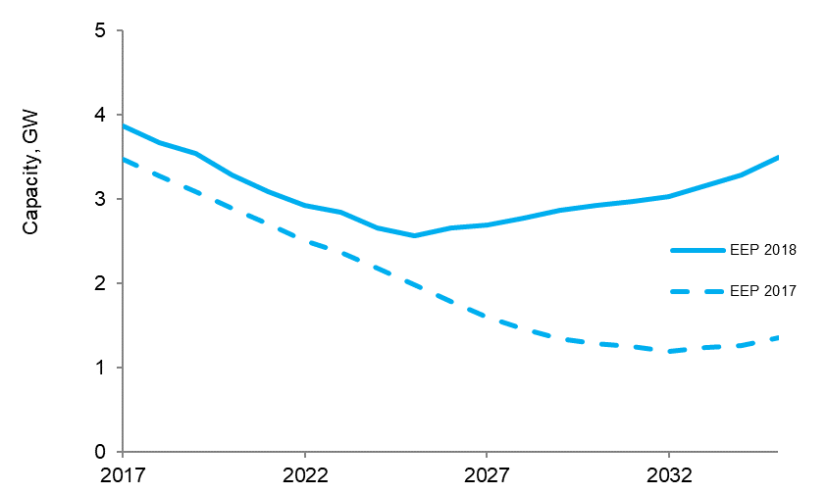

 | Please note, this includes fossil fuel CHP (excluding major power producers), and both 'Good Quality' and 'Bad Quality' CHP

 | Year | EEP 2018 | EEP 2017
 | 2017 | 3.858 | 3.467
 | 2018 | 3.666 | 3.275
 | 2019 | 3.536 | 3.083
 | 2020 | 3.282 | 2.891
 | 2021 | 3.090 | 2.699
 | 2022 | 2.917 | 2.506
 | 2023 | 2.841 | 2.364
 | 2024 | 2.649 | 2.172
 | 2025 | 2.567 | 1.980
 | 2026 | 2.656 | 1.788
 | 2027 | 2.685 | 1.596
 | 2028 | 2.775 | 1.454
 | 2029 | 2.864 | 1.336
 | 2030 | 2.918 | 1.280
 | 2031 | 2.972 | 1.248
 | 2032 | 3.025 | 1.191
 | 2033 | 3.154 | 1.235
 | 2034 | 3.283 | 1.253
 | 2035 | 3.487 | 1.357

Any enquiries regarding this publication should be sent to us at emissionsprojections@beis.gov.uk.

