Table 3
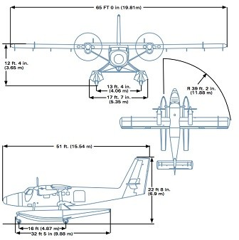
Moreover, in Figure 1 is shown some dimensions of this airplane. Figure 1: DHC-6-400 dimensions 3.2 Let L-410 Turbolet The Let L-410 Turbolet is a twin-engine short-range transport aircraft, manudactured by the Czech aircraft manufacturer Let Kunovice. In 2016, 1,200 L-410 have been built and over 350 are in service in more than 50 countries. In Table 4 some specifications are shown. Table 4: Let L-410 Turbolet specifications

General characteristics
Capacity | 19 passengers
Payload | 1,800 kg
Length | 14.42 m
Wingspan | 19.98 m
Height | 5.97 m
Wing area | 34.86 m2
OEW | 4,200 kg
Loaded weight | 6,000 kg
MTOW | 6,600 kg
Fuel capacity | 1,300 kg
Unit power | 2 x 597 kW
Performance
Cruise speed | 405 km/h (112.5 m/s)
Range | 510 km 1,800 kg payload
Max. range | 1,500 kg
Service ceiling | 8,382 m
Rate of climb | 8.50 m/s

Table 4
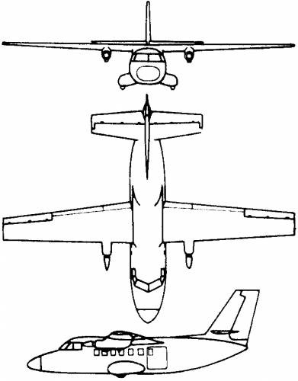
In Figure 2, it can be found some sketches of the L-410. Figure 2: Let L-410 different views 3.3 Dornier 328-110 The Dornier 328 is a turboprop-powered commuter airliner. It was intorduced in 1993 and it is currently out of production. A total number of 217 aircraft were built. The basic specifications are shown in Table 4. Table 5: Dornier 328-110 specifications

General characteristics
Crew | 3 (2 pilots, one flight attendant)
Capacity | 30 to 33 (14 in First Class Conifg.)
Length | 21.23 m
Height | 7.05 m
Wing area | 40 m2
OEW | 9,100 kg
MTOW | 13,990 kg
Powerplant | 2 x Pratt & Whitney Canada PW119B turboprops, 1,625 kW each
Performance
Cruise speed | 620 km/h
Range | 1,852 km
Ceiling | 9,492 m

Table 5
3.4 De Havilland Canada Dash 8 Q200 The De Havilland Canada Dash 8 is a series of turboprop-powered regional airliners, introduced by the Havilland Canada in 1984. This aircraft is still in production and the total number built reachs 1,249. The specifications are found in Table 5. Table 6: De Havilland Canada Dash 8 Q200 specifications
Speciftcations
Cockpit crew | 2
Cabin crew | 1
Passengers | 37
Length | 22.25 m
Heigth | 7.49 m
Wing area | 54.40 m2
Aspect ratio | 13.8
Width | Fuselage 2.69 m, cabin 2.52 m
Cabin length | 9.16 m
MTOW | 16,466 kg
OEW | 10,477 kg
MPL | 4,647 kg
Unit power | 1,600 kW
High speed cruise | 535 km/h
Ceiling | 7,620 m
Range | 2,084 km
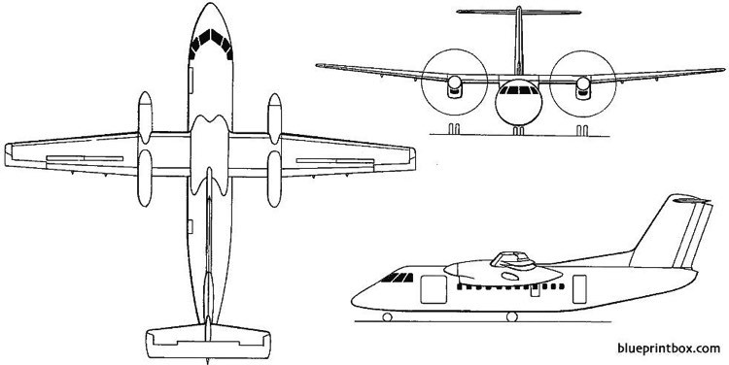
The image below, it depics some different views oF the Q200. Figure 3: Q200 different views

Table 6
3.5 Embraer ERJ-140 The Embraer ERJ family is a series of twin-engine regional jets produced by Embraer, a Brazilian aerospace company. Every jet in the series is powered by two turbofan engines. The production of this airplane started in 1992 and it is still being manufcatured nowadays. The total number built is 1,213. The specifications are shown in Table 6. Table 7: ERJ-140 specifications
Speciftcations
Crew | 2 pilots + flight attendant
Seating | 44
Length | 28.45 m
Wing span | 20.04 m
Height | 6.76 m
MTOW | 20,100 kg
OEW | 11,816 kg
MPL | 5,284 kg
Engines | 2 x AE 3007-A1/3 (29,7 kN)
Maximum cruise | 833 km/h
Range | 2,320 km
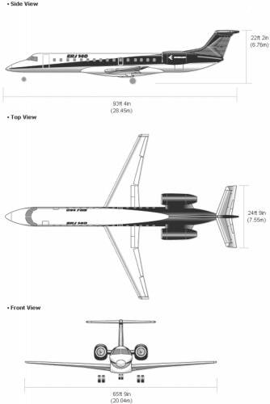
In Figure 4, some views and dimensions of the ERJ-140 can be found. Figure 4: ERJ-140 dimensions

3.6 Antonov An-140 The Antonov An-140 is a turboprop regional airliner, designed by the Ukrainian Antonov ASTC bureau as a successor to the Antonov An-24. The production started in 1997 and it is still on nowadays. In Table 7, it depics some specifications of this regional airliner. Table 8: Antonov An-140 specifications

Table 7
General characteristics
Crew | 2
Capacity | 52 passengers
Length | 22.60 m
Wingspan | 24.51 m
Heigth | 8.23 m
Wing area | 51 m2
OEW | 12,810 kg
MTOW | 21,500 kg
Powerplant | 2 x Klimov TV3-117VMA-SBM1 turboprops, 1,838 kW each
Performance
Maximum speed | 575 km/h (159.72 m/s)
Cruise speed | 460 km/h (127.78 m/s)
Range | 3,680 km
Rate of climb | 6.83 m/s
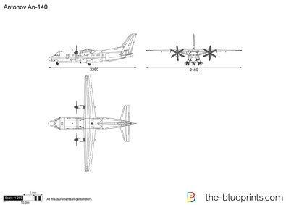
Different views of this airplane can be seen in Figure 5. Figure 5: An-140 different views

3.7 Ilushin Il-114 The Ilushin Il-114 is a Russian twin-engine turboprop airliner, designed for local routes. The production started in 1992 and still continues nowadays. In Table 8 some specifications of this airplane are shown. Table 9: Ilushin Il-114 specifications

Table 8
General characteristics
Crew | 2
Capacity | 64 passengers
Length | 26.88 m
Wingspan | 30 m
Height | 9.19 m
Wing area | 81.90 m2
Aspect ratio | 11
OEW | 15,000 kg
MTOW | 23,500 kg
Powerplant | 2 Klimov TV7-117S turboprop engines, 1,839 kW each
Performance
Maximum speed | 500 km/h (138.89 m/s)
Cruise speed | 470 km/h (130.56 m/s)
Range | 1,000 km with 64 passengers
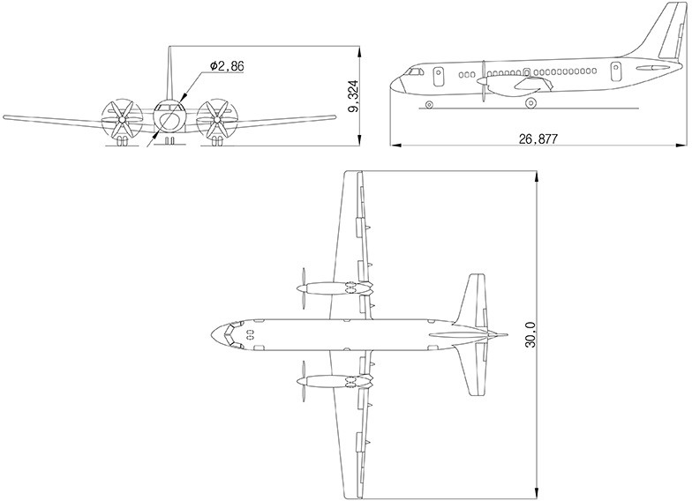
Some different views and dimensions of this aircraft can be found in Figure 6. Figure 6: Ilushin Il-114 dimensions

3.8 Embraer E170 The Embraer E170 is a narrow-body short-to medium-range twin-engine jet airliners, carrying 66 to 72 passengers commercially, manufactured by Brazilian aerospace manufacturer Embraer. The aircraft was introduced at the Paris Air Show in 1999 and entered production in 2002. The series has been a commercial success primarily due to its ability to efficiently serve lower-demand routes while offering many of the same amenities and features of larger jets. The aircraft is used by mainline and regional airlines around the world but has proven particularly popular with regional airlines in the United States. The total deliveries for this aircraft reach the value of 191. In Table 9, some specifications of this airplane can be found. Table 10: E170 specifications

Table 9
Speciftcations
Dual class seats / Single class seats | 66 / 72
Height x width (cabin) | 2 m x 2.74 m
Length | 29.90 m
Wingspan | 26.00 m
Wing area | 72.74 m2
Aspect ratio | 9.3
Height | 9.85 m
MTOW | 38,600 kg
Basic Operating | 21,141 kg
MPL | 9,335 kg
Turbofans | 2 x GE CF34-8E
Thrust | 2 x 63 kN
Max. speed / ceiling | 871 km/h (241.94 m/s) @ 12,000 m
Cruise | 797 km/h (221,11 m/s)
Range | 3,982 km
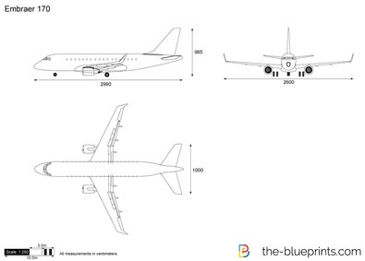
In Figure 7, different views and dimensions of this plane are shown. Figure 7: Ilushin Il-114 dimensions

