Program_List
SCREEN: Program_List |  |  |  | GO TO TOP | BACK TO SUMMARY

Screen Design
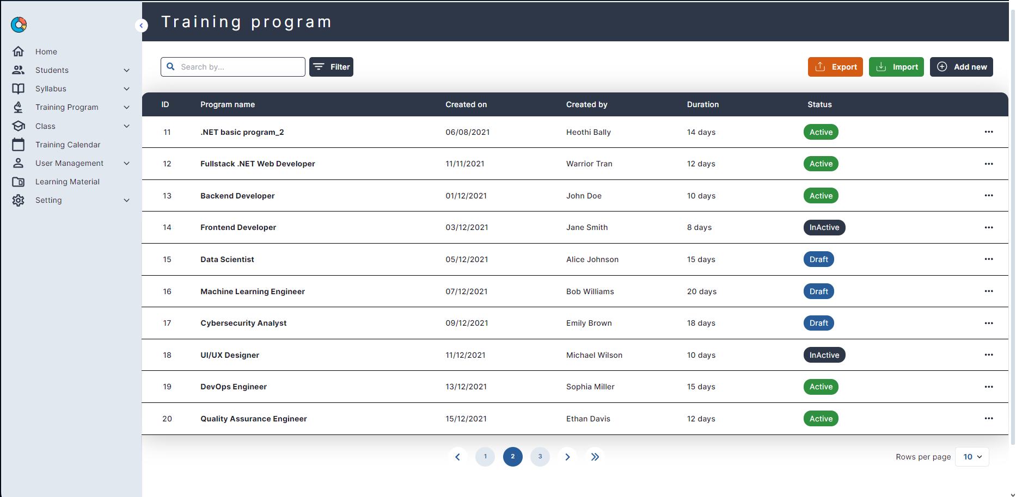
1
2
3
12
9
11
4.1
4
5
6
7
8
10
13

15
16
14
17
18
19
 | 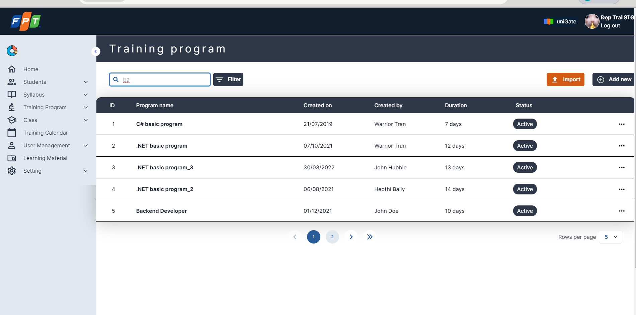

21
22
23
24
20
27
26
25
29
28
 |  | 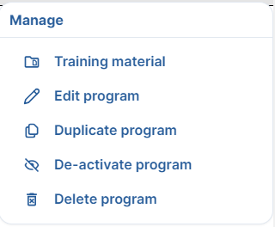
 |  | 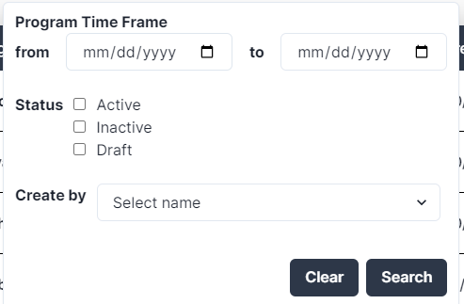

Item Description
No | Name | Type | Validation | Description
1 | Training Program | Label | 2 | Display Training Program label
2 | Search box | Textbox | 2 | Enter keywords to search
3 | Filter | Button | N/A | [Ev01] Click to pop up filter table
4 | Import | Button | N/A | [Ev02] Click to pop up import table
4.1 | Export | Button | N/A | [Ev02.1] Click to download all training program
5 | Add new | Button | N/A | [Ev03] Click to redirect to create new training program page
28 | Clear | Button | N/A | [Ev16] Click to clear all field of filter
29 | Search | Button | N/A | [Ev17] Click to filter of training program
Training Program List
6 | ID | Label | 2 | Display Training Program ID
7 | Program name | Label | 2 | Display training program name
8 | Created on | Datetime picker | Format: dd/MM/yyyy | Display Training Program Created on
9 | Created by | Label | 2 | Display Training Program Created by
10 | Duration | Label | 2 | Display Training Program Duration
11 | Status | Label | 2 | Display Training Program Status
12 | Sort | Button | N/A | [Ev04] Click to sort a specific field
13 | More | Button | N/A | [Ev05] Click to pop up trainging management.
14 | Page number | Button | N/A | [Ev06] Click to change to a specific number of page.
15 | < | Button | N/A | [Ev07] Click to move to the prev page.
16 | > | Button | N/A | [Ev08] Click to move to the next page.
17 | >|| | Button | N/A | [Ev09] Click to move to the last page.
18 | Rows per page | Multiple choice dropdown | N/A | [Ev10] Choose number of records displayed in 1 page.
19 | Search box | Label | 2 | After user enters any keyword to search, output result
25 | Program Time Frame Filter | Label | N/A | Display Program time frame to filter
26 | Status Filter | Label | N/A | Display status to filter
27 | Create By Filter | Label | N/A | Display create by to filter
Training Program Pop-up Management
20 | Training material | Button | N/A | [Ev11] Click to download all materials of the chosen training program
21 | Edit program | Hyperlink | N/A | [Ev12] Click to redirect to update the choosen training program page
22 | Duplicate program | Button | N/A | [Ev13] Click to duplicate training program
23 | De-active program/Active program | Button | N/A | [Ev14] Click to up chage status of training program
24 | Delete training program | Button | N/A | [Ev15] Click to Show all training program or show records corresponding to search tag
Work Flow

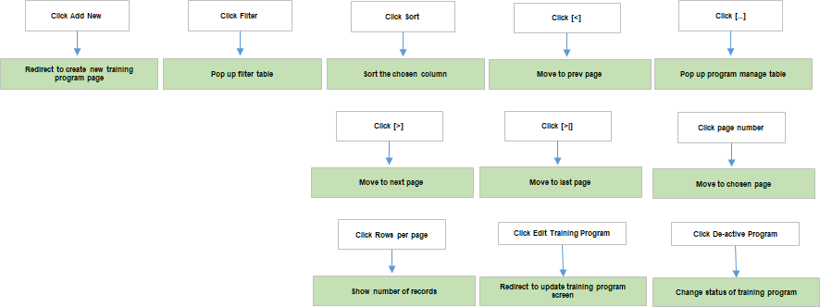

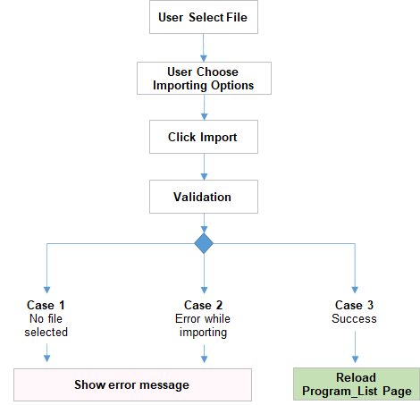

Site Map

Program_Create
 | SCREEN: Program_Create |  |  |  | GO TO TOP | BACK TO SUMMARY

2
3
1
 | Screen Design
 |  | 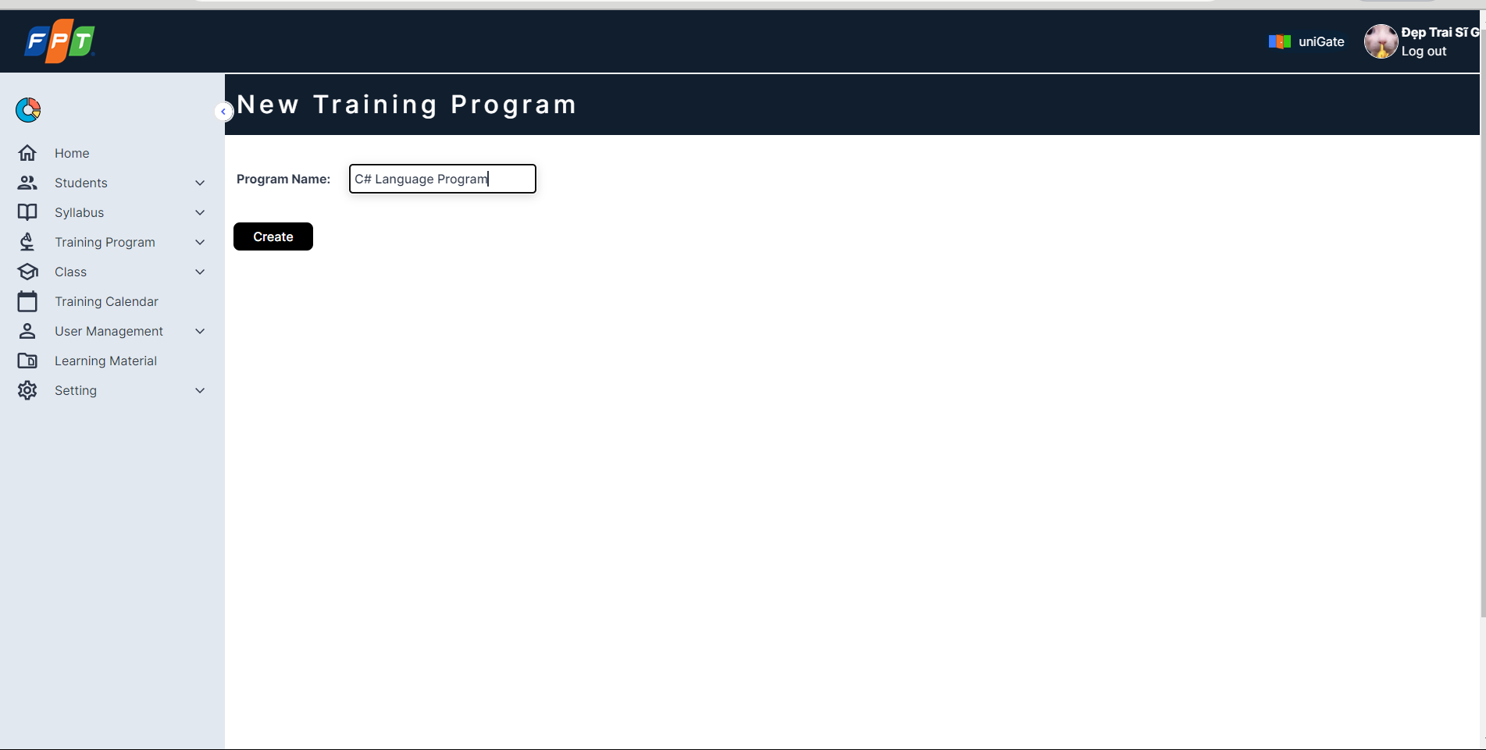
8
7
5
4
9
6
11
10
16
15
13
12
18
17
19
20
22
21
14
26
32
24
23
27
28
25
29
30
31
33
34
 | 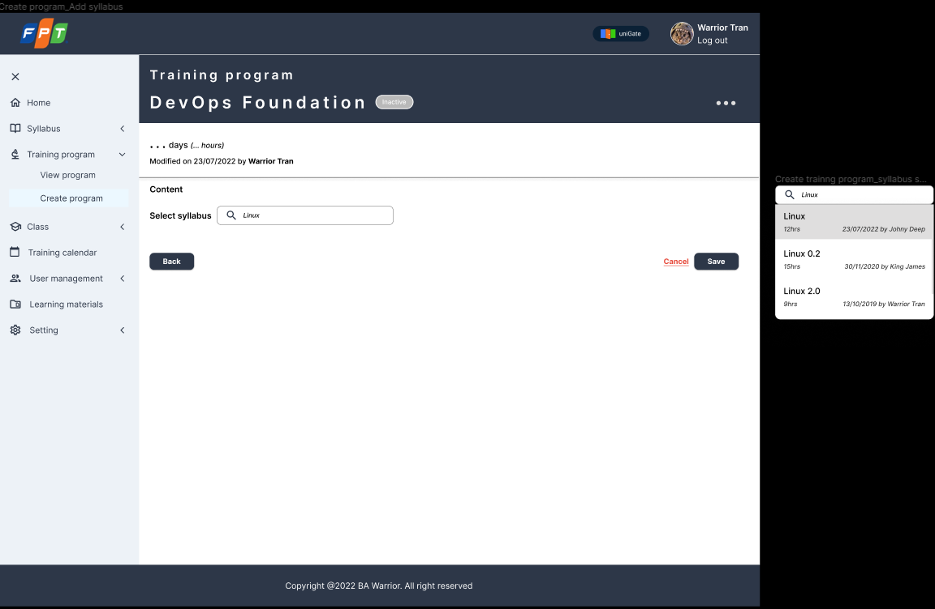
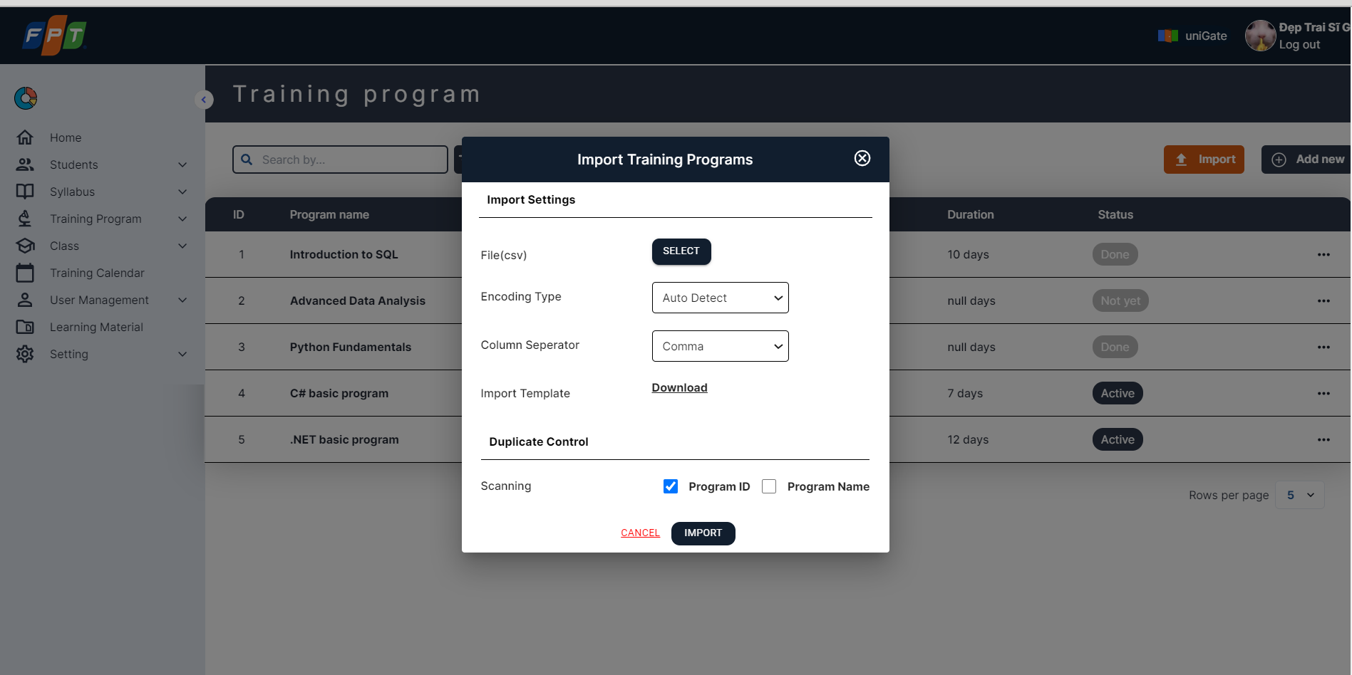 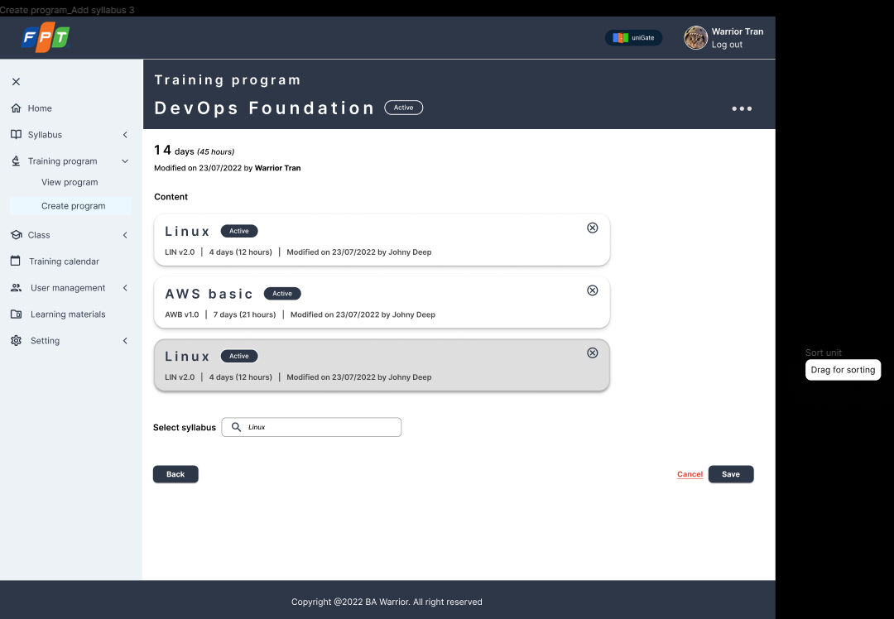
35
36
37
38
39
40
41
42
43
44
45
 | 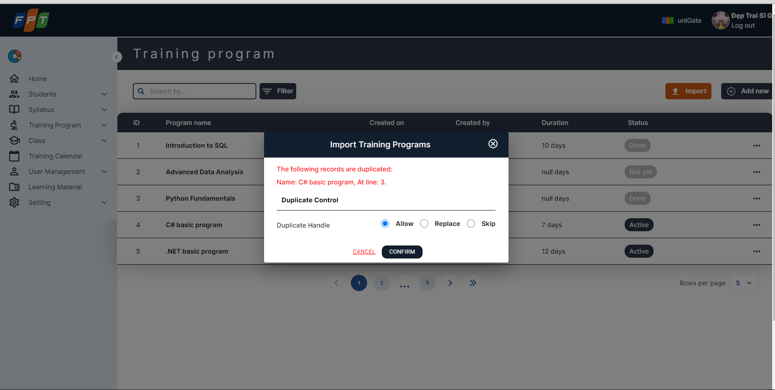
 | Item Description
 | No | Name | Type | Validation | Description
 | Create Training Program Sreen 1
 | 1 | New training program | Label | N/A | Display new training program label
 | 2 | Progam name | Textbox | N/A | Program name textbox
 | 3 | Create | Button | Required, program name format | [Ev01] Move to next page user selects syllabus.
 | Create Training Program Sreen 2
 | 4 | Training program | Label | N/A | Move to next page user selects syllabus.
 | 5 | DevOps Foundation | Label | N/A | Display program name
 | 6 | Active/Inactive | Label | N/A | Display program status
 | 7 | Duration | Label | N/A | Display duration
 | 8 | Modified on <create_date> | Label | N/A
 | 9 | by <user_name> | Label | N/A | Display user-name updated training program
 | 10 | Select syllabus | Textbox | 2 | [Ev02] Select syllabus from suggestion list
 | 11 | Back button | Button | N/A | [Ev03] Move to the create program name page
 | 12 | Save button | Button | N/A | [Ev04] Save training program to database with "inactive" status
 | 13 | Cancel button | Button | N/A | [Ev05] Back to "List of Training Program" screen
 | 14 | Syllabus popup | Multiple choice dropdown | N/A | [Ev06] Pop up syllabus suggestions for choosing
 | 15 | Syllabus name | Label | N/A | Name of syllabus
 | 16 | Duration | Label | N/A | The duration of syllabus
 | 17 | Modified on <create_date> of syllabus | Datetime picker | Format: dd/MM/yyyy | Display created date of Syllabus
 | 18 | by <user_name> of syllabus | Label | N/A | Display user updated training program
 | Create Training Program Sreen 3
 | 19 | Training program | Label | N/A | Move to next page user selects syllabus.
 | 20 | DevOps Foundation | Label | N/A | Display Training program name
 | 21 | Active/Inactive | Label | N/A | Display Training program status
 | 22 | Duration | Label | N/A | Display Training program Duration
 | 23 | Modified on <create_date> | Datetime picker | Format: dd/MM/yyyy | Display date training program modified
 | 24 | by <user_name> | Label | N/A | Display user updated training program
 | 25 | Select syllabus | Textbox | 2 | Select syllabus from suggestion list
 | 26 | Syllabus name | Label | N/A | Display program name
 | 27 | Syllabus status | Label | N/A | Display program status
 | 28 | Duration | Label | N/A | Display duration
 | 29 | Modified on <create_date> | Datetime picker | Format: dd/MM/yyyy | Display created date of Syllabus
 | 30 | by <user_name> | Label | N/A | Display user updated syllabus
 | 31 | Trash icon | Label | N/A | [Ev07] Delete syllabus in training program
 | 32 | Back button | Button | N/A | [Ev03] Move to the create program name page
 | 33 | Save button | Button | N/A | [Ev04] Save training program to database with "inactive" status
 | 34 | Cancel button | Button | N/A | [Ev05] Back to "List of Training Program" screen

 | Import Training Program
 | 35 | Select | Button | N/A | [Ev16] Pop up window select file. The file will be excel file or csv file
 | 36 | Encoding type | Single choice dropdown | N/A | [Ev17] Encoding type options: Auto-dectected, UTF-8, ANSI,…
 | 37 | Column seperator | Single choice dropdown | N/A | [Ev18] Column seperator:
 |  |  |  |  | - Symbol delimiter interspersed between the values
 |  |  |  |  | - Options: Comma (,); semi-colon (;), ...
 | 38 | Download | Hyperlink | N/A | [Ev19] Training Program template for user to input data to import.
 | 39 | Program ID | Checkbox | N/A | Dupplicate controll scanning value based on Program ID (code)
 | 40 | Program name | Checkbox | N/A | [Ev21] Dupplicate controll scanning value based on Program name
 | 41 | Allow | Radio Button | N/A | [Ev22] Duplicate handle option.
 |  |  |  |  | Allow user to import all duplicated values as new records.
 | 42 | Replace | Radio Button | N/A | [Ev23] Duplicate handle option.
 |  |  |  |  | Allow user to replace all duplicated values with new values in the imported file.
 | 43 | Skip | Radio Button | N/A | [Ev24] Duplicate handle option.
 |  |  |  |  | Allow user to skip all duplicated values in the imported file.
 | 44 | Cancel | Button | N/A | [Ev25] Allow user to skip all duplicated values in the imported file.
 | 45 | Import | Button | N/A | [Ev26] Perform import training program to the system action

 | Event Description
 | No | Event | Trigger | Message list | Logic implementation
 | 1 | Click [Create name] | On Click | M020: Program name is required. M021: Maximum length of password is 255 characters. | Attempt to create the program name. - If program name is blank, display M001 error inline message - If program name is more than 255 characters, display M002 error inline message
 | 2 | Change [Select syllabus] | On Change | M022: No syllabus matched. | When user change the text inside, system will display pop-up list with correspoding syllabus user typing. If there is no syllabus match, system will display M003 message in syllabus suggestion.
 | 3 | Click [Back] | On Click | N/A | Transition to the previous screen.
 | 4 | Click [Save] | On Click | M023: Create Training Program successfully! | The system creates Training Program with "inactive" status and display M004 message.
 | 5 | Click [Cancel] | On Click | N/A | Back to "List of Training Program" screen
 | 6 | Click [Syllabus popup] | On Click | N/A | When user click on 1 syllabus, the system shows content of that syllabus in Content table.
 | 7 | Click [Trash icon] | On Click | N/A | When user click on Trash Icon, the system will delete the selected syllabus

 | Work Flow

 | 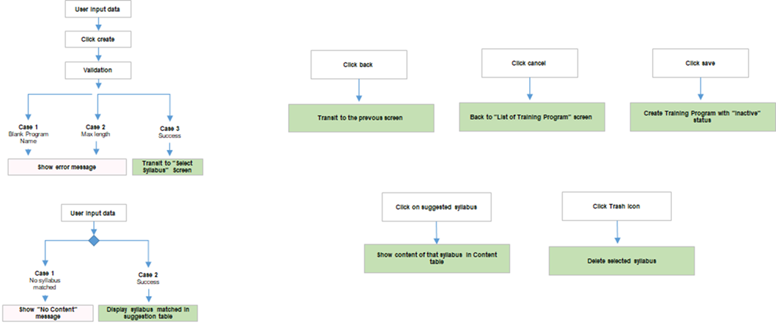

 | Site Map

Program_Detail
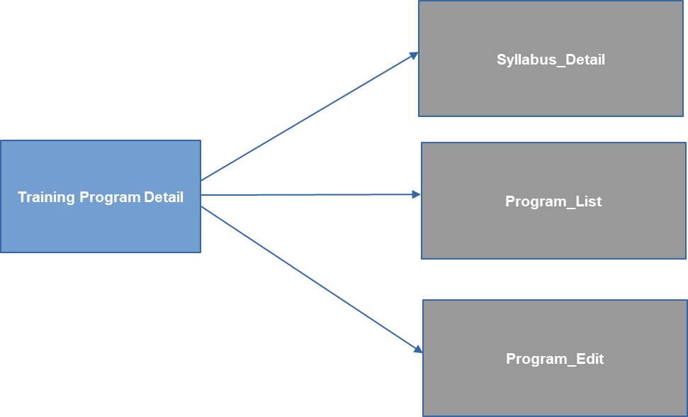
SCREEN: Program_Detail |  |  |  | GO TO TOP | BACK TO SUMMARY

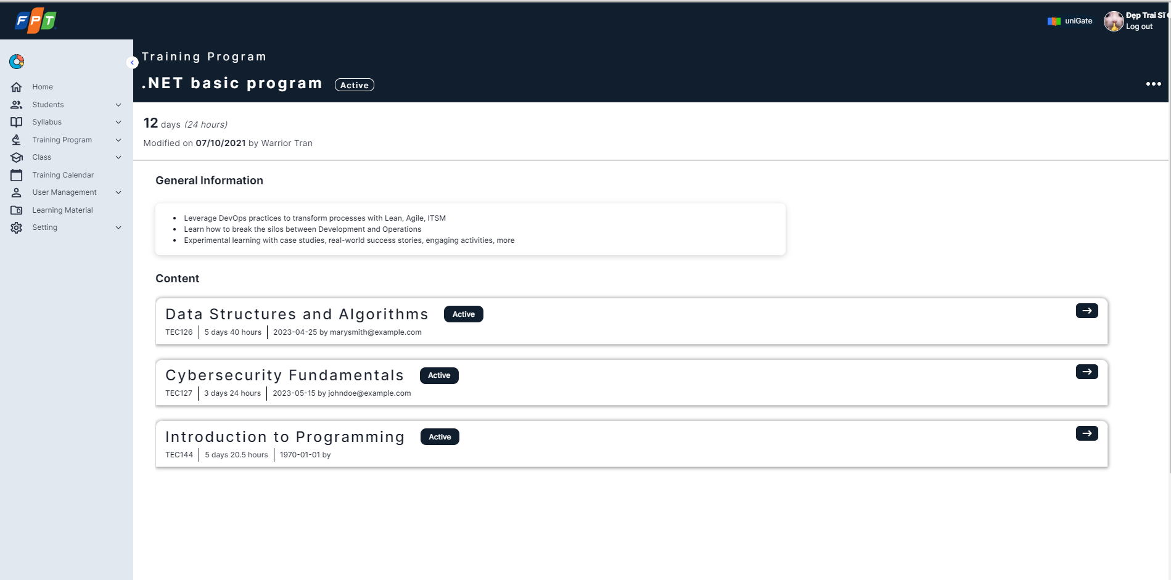
Screen Design
 | [Training Program Detail]
1
4
5
2
3
7
6
13
12
11
9
14
10
8

 | [Manage Training Program]
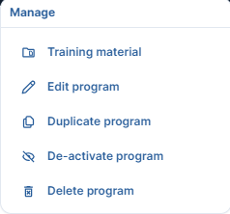

15

15.1

16

17

18

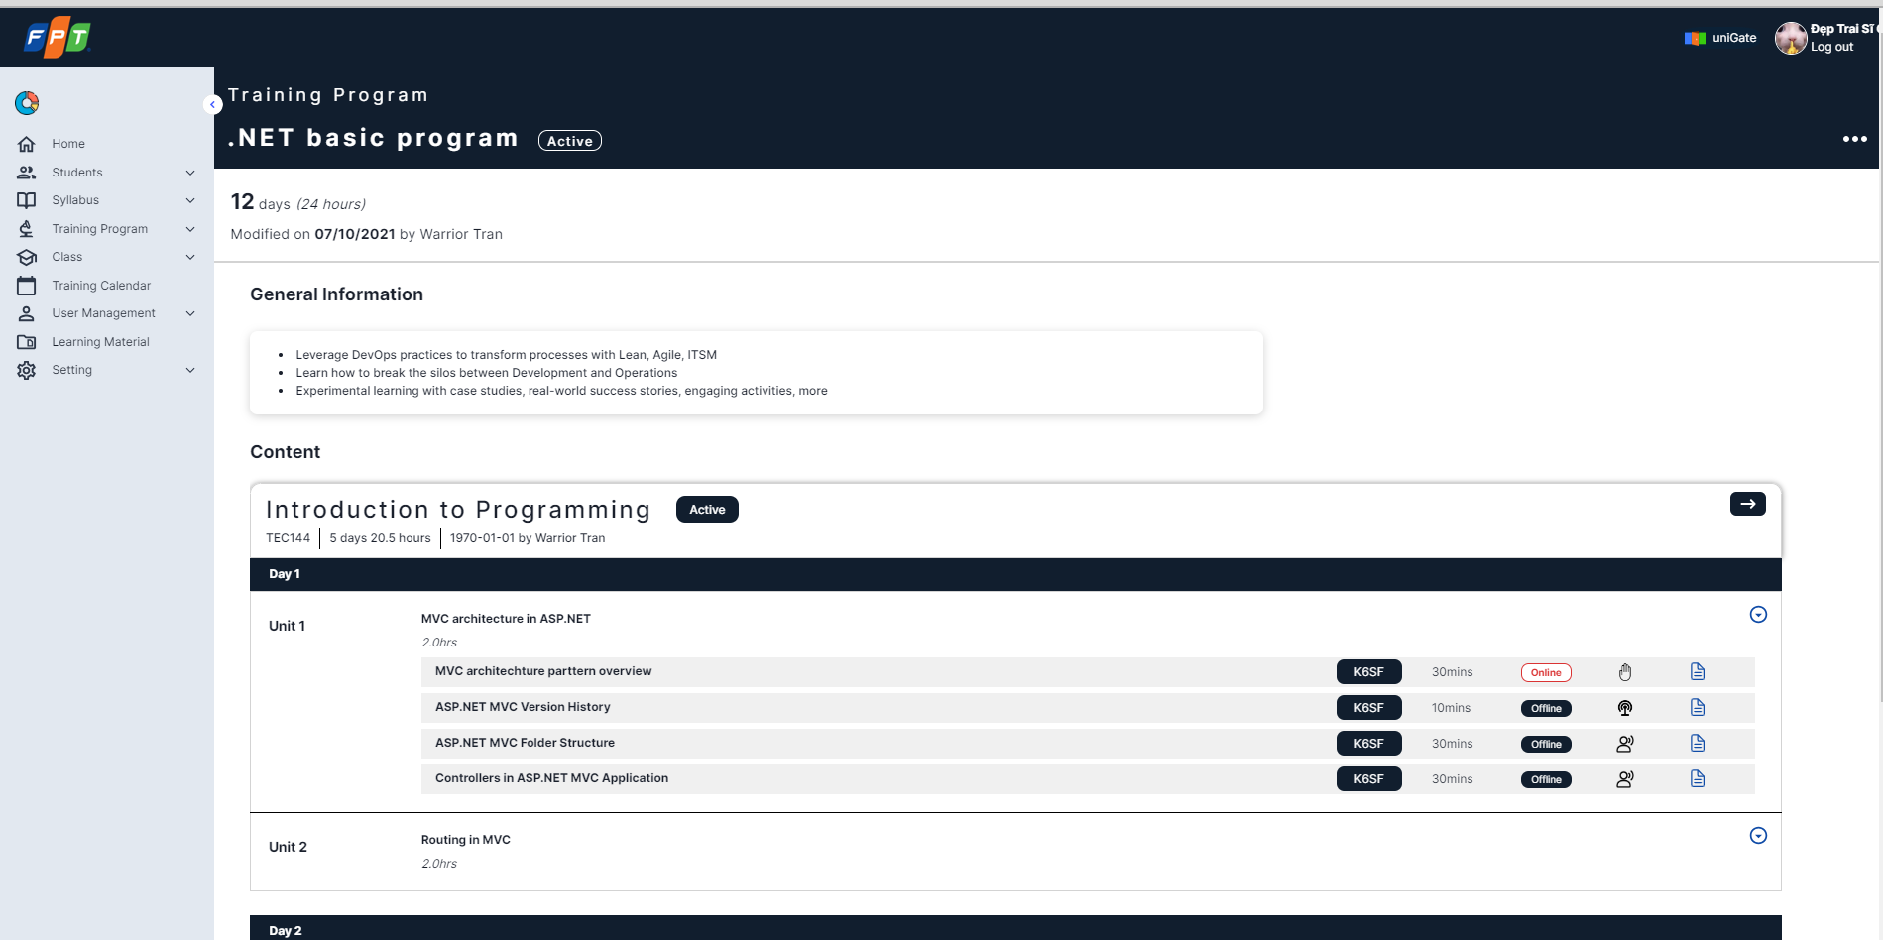

19
20
21
 | [Syllabus Detail]
22
23
24
25
26
29
32
31
30
34
33
27
28
35
37
36
39
42
41
40
43
38
44

 | [Coding Standard] |  |  | [Go to syllabus]
47
46
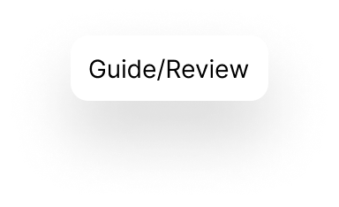
48
45
 | [Delivery Type] |  |  | Guide/Review]
 |  |  | [Go to syllabus]

 | [Training Material Pop up]
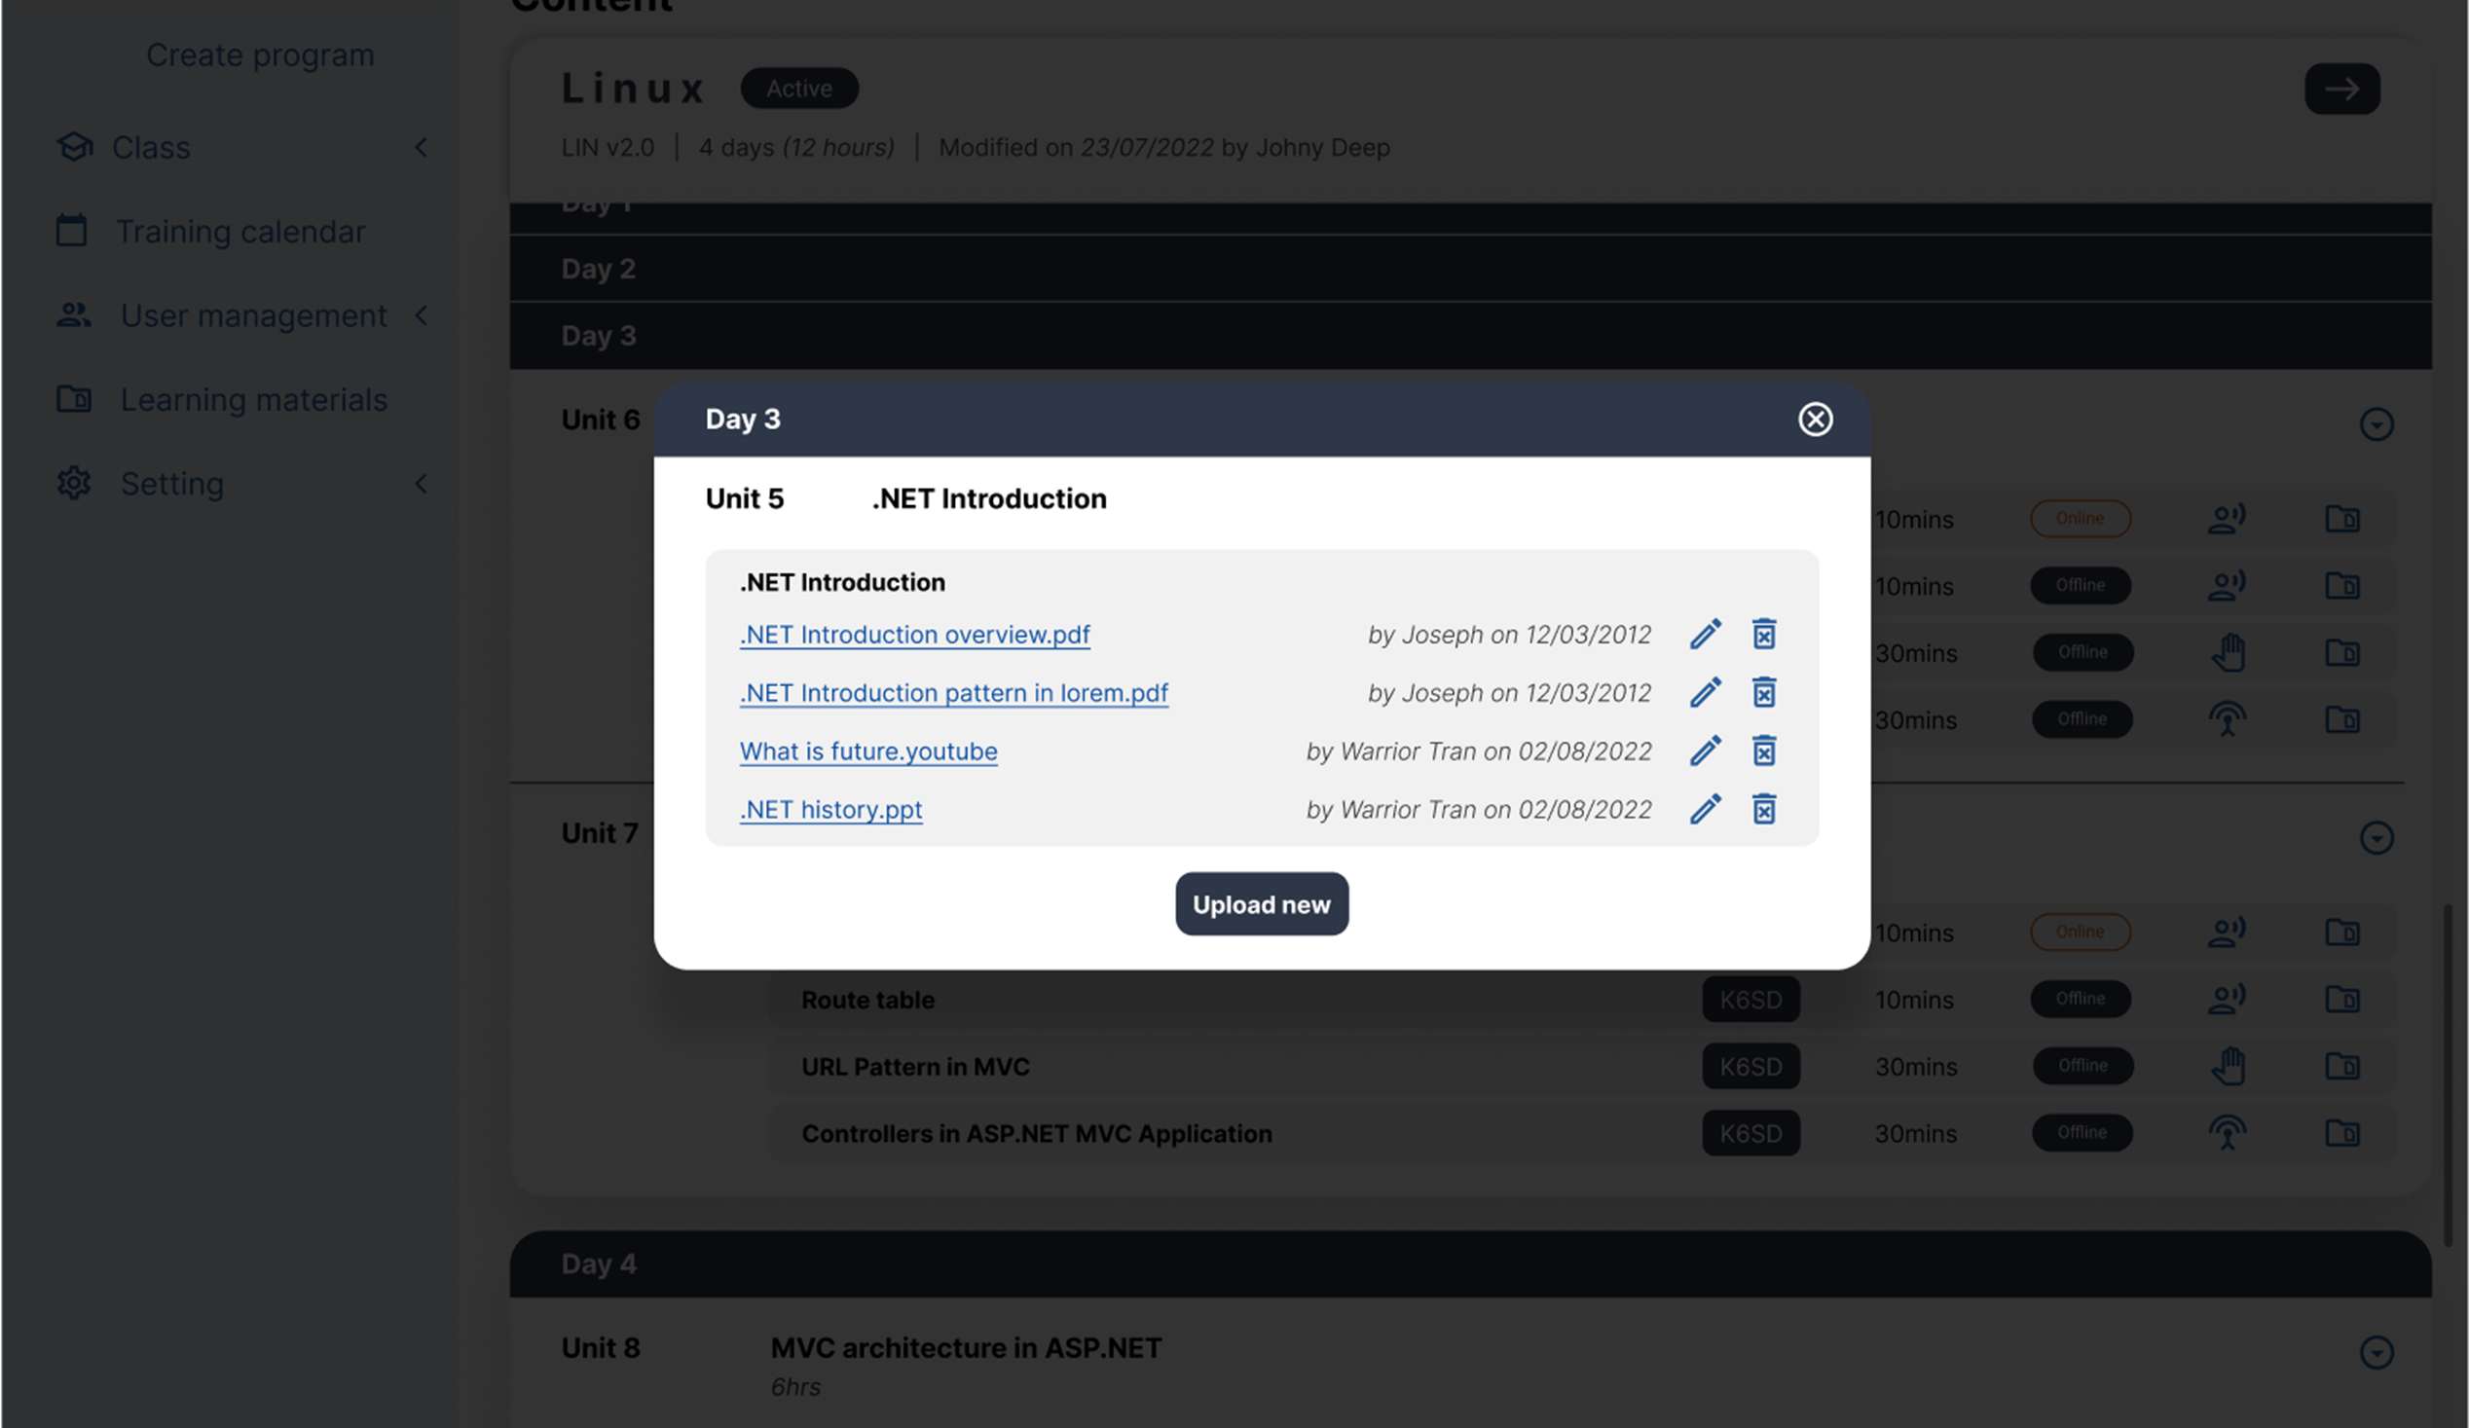
49
51
53
52
54
56
55
52
50
58
57
59

Item Description
No | Name | Type | Validation | Description
[Training program detail]
1 | Training program name | Label | N/A | Training program name
2 | Status | Label | N/A | Training program status: active, inactive
3 | Manage menu button | Image button | N/A | Open [Manage training program]
4 | Training program total date | Label | N/A | Training program total date
5 | Training program total duration | Label | N/A | Training program total duration
6 | Training program last modified by | Label | N/A | Training program last modified by
7 | Training program last modified date | Label | N/A | Training program last modified date
8 | Syllabus card | Tab | N/A | Syllabus card
9 | Syllabus name | Label | N/A | Syllabus name
10 | Syllabus status | Label | N/A | Syllabus status: active, inactive
11 | Syllabus code and version | Label | N/A | Syllabus code and version
12 | Syllabus total date & duration | Label | N/A | Syllabus total date & duration
13 | Syllabus last modified date | Label | N/A | Syllabus last modified date
14 | Syllabus last modified by | Label | N/A | Syllabus last modified by
[Manage training program]
15 | Training Material | Hyperlink | N/A | Download all training program material
15.1 | Edit program | Hyperlink | N/A | Transit to edit training program page
16 | Duplicate program | Hyperlink | N/A | Duplicate program
17 | Activate/De-activate program | Hyperlink | N/A | Activate or de-activate training program. - If the trainining program Status is "active" the text of the button will be "De-activate program". - If the trainining program Status is "inactive" the text of the button will be "Activate program".
18 | Delete program | Hyperlink | N/A | Delete training program
[Syllabus detail]
19 | Training program name | Label | N/A | Training program name
20 | Status | Label | N/A | Training program status: active, inactive
21 | Manage menu button | Image button | N/A | Open manage menu
22 | Training program total date | Label | N/A | Training program total date
23 | Training program total duration | Label | N/A | Training program total duration
24 | Training program last modified by | Label | N/A | Training program last modified by
25 | Training program last modified date | Label | N/A | Training program last modified date
26 | Syllabus name | Label | N/A | Syllabus name
27 | Syllabus status | Label | N/A | Syllabus status: active, inactive
28 | Go to syllabus (arrow) button | Image button | N/A | Transit to syllabus detail page
29 | Syllabus code and version | Label | N/A | Syllabus code and version
30 | Syllabus total date | Label | N/A | Syllabus total date
31 | Syllabus total duration | Label | N/A | Syllabus total duration
32 | Syllabus last modified date | Label | N/A | Syllabus last modified date
33 | Syllabus last modified by | Label | N/A | Syllabus last modified by
34 | Syllabus section | Label | N/A | Syllabus section number: 1, 2, 3,...
35 | Unit number | Label | N/A | Unit number: 1, 2, 3,...
36 | Unit name | Label | N/A | Unit name
37 | Unit total duration | Label | N/A | Unit total duration
38 | Collapse/ Expand | Button | N/A | Collapse/ Expand syllabus section detail information (Item 39 -> 44)
39 | Chapter name | Label | N/A | Chapter name
40 | Output standard code | Label | N/A | Output standard code
41 | Chapter duration | Label | N/A | Chapter duration
42 | Chapter learning type | Label | N/A | Chapter learning type: online, offline
43 | Chapter delivery type | Label | N/A | Chapter delivery type
44 | Training material | Button | N/A | Training material of 1 single chapter
[Guide/Review]
45 | Guide/Review description | Label | N/A
[Go to syllabus]
46 | Go to syllabus tooltip | Label | N/A | "Go to syllabus" tooltip
[Coding Standard]
47 | Output standard description | Label | N/A | Output standard description
[Delivery Type]
48 | Delivery Type description | Label | N/A | Chapter delivery type description
[Training Material pop up]
49 | Syllabus section | Label | N/A | Syllabus section number
50 | Unit number | Label | N/A | Syllabus's unit number
51 | Unit title | Label | N/A | Unit title
52 | Chapter | Label | N/A | Chapter title
53 | File/ Link | Hyperlink | N/A | A link that can download or redirect to another resource
54 | Last modified by | Label | N/A | The latest person modified the resource
55 | Last modified date | Label | N/A | The date that the file or link was last modified
56 | Edit | Image button | N/A | Edit training material
57 | Delete | Image button | N/A | Delete training material
58 | Upload new | Button | N/A | Upload new training material
59 | Close | Image button | N/A | Close [Training material pop up]

Event Description
No | Event | Trigger | Message list | Logic implementation
1 | Click [21 - Manage menu button] | On Click | N/A | Display [Manage training program]. If the user doesn't have permission delete training program [18 -Delete program] is disable.
2 | Click [15 - Edit program] | On Click | N/A | Transition to Edit Program screen.
3 | Click [16 - Duplicate program] | On Click | N/A | Step 1: Show confirm log to user whether cancel or not. Step 2: If yes, Duplicate the program with all information. Step 2 alternative: The user cancels the process
4 | Click [17 - Activate/ De-activate program] | On Click | N/A | Step 1: Show confirm log to user whether cancel or not. Step 2: If yes, Activate/ De-activate the program. Step 2 alternative: The user cancels the process
5 | Click [18 - Delete program] | On Click | N/A | Pop up confirm dialog to confirm delete. User must have permission to do this action.
6 | Hover [28 - Go to syllabus] | On Mouse Over | N/A | Display [46 - Go to syllabus tooltip]
7 | Click [28 - Go to syllabus] | On Click | N/A | Transit to Syllabus Detail Page
8 | Click [8 - Syllabus card] | On Click | N/A | Transit to [Syllabus detail]
9 | Click [34 - Syllabus section] | On Click | N/A | Expand/ Collapse Syllabus section. If expand, display [Item 35, 36, 37, 38] else hide them.
10 | Click [40 - Output standard] | On Click | N/A | Display [47 - Output Standard description]
11 | Click [43 - Chapter delivery type] | On Click | N/A | Display [48 - Delivery type description]
12 | Click [44 - Training material] | On Click | N/A | Pop up [Training Material pop up]
13 | Click [38 - Collapse/ Expand] | On Click | N/A | Expand/ Collapse Unit detail. If expand, display [Item 39 - 44] else hide them.
14 | Click [45 - Back] | On Click | N/A | Go back to [Training Program Detail]
15 | Click [53 - File/ Link] | On Click | N/A | Automatically download or redirect to another resource: - If it is a file, the browser will automatically download the file from the system. - If it is a link to another page/ resource. the browser will redirect user to that page or resource.
16 | Click [56 - Edit] | On Click | N/A | Step 1: The system shows choose file popup for User to select 01 document in User's device. Step 2: The system replaces with the new one. Step 3: The system changes [Item 54, 55, 56] based on User's information.
17 | Click [57 - Delete] | On Change | N/A | Step 1: Show confirm dialog to the user. Step 2: If yes, the system soft-deletes the Training Material Step 2 alternative: User cancel the process. Constraint: To delete training material, the user must have permission.
18 | Click [58 - Upload new] | On Click | M024: File is required! M026: Link is required! M027: Maxiumum file size: 40MB M028: File type is incapatible | Step 1: The system shows choose file popup for User to select 01 document in User's device. Step 2: The system add a new training material. Step 3: The system add another [Item 54, 55, 56] based on User's information. * For upload link case will be added later.
19 | Click [59 - Close] | On Click | N/A | Close [Training Material pop up]

Work Flow
 | Click [Manage Menu button] |  | Click [Edit program] | Click [Duplicate program]
 |  | 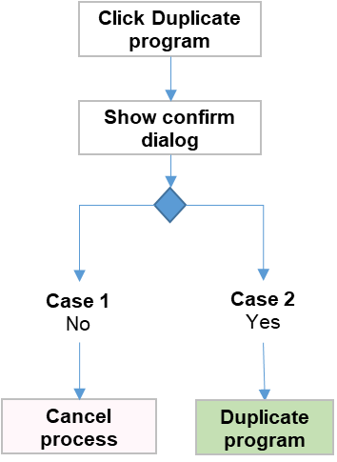

 | Click [Activate/ De-activate program] |  | Click [Delete program] | Hover [Go to syllabus button]

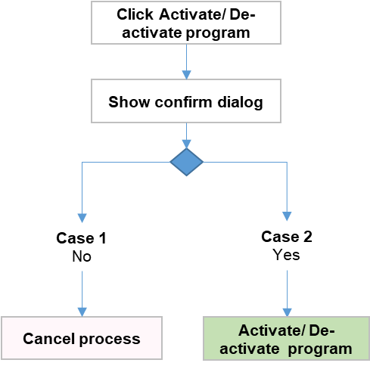
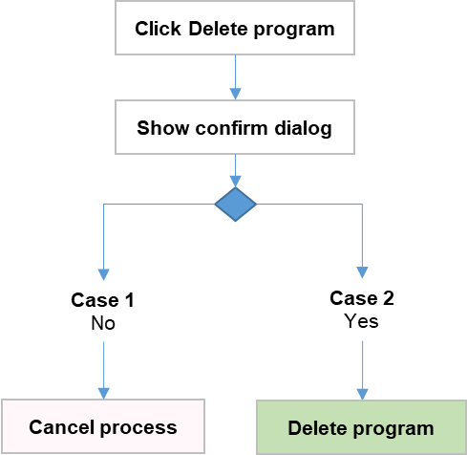

 | Click [Go to syllabus button] |  | Click [Syllabus card] | Click [Syllabus section]
 |  | 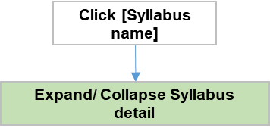 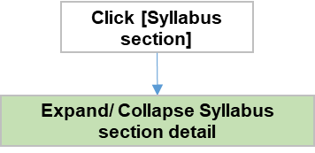

 | Click [Output standard] |  | Click [Chapter delivery type] | Click [Training material]
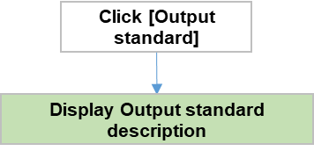 |  | 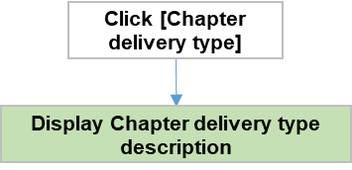 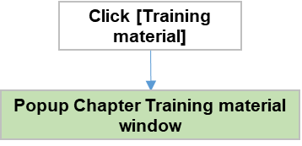

 | Click [Collapse/ Expand] |  | Click [Back]
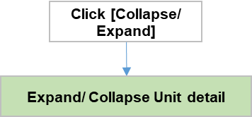

Site Map

