Sheet1
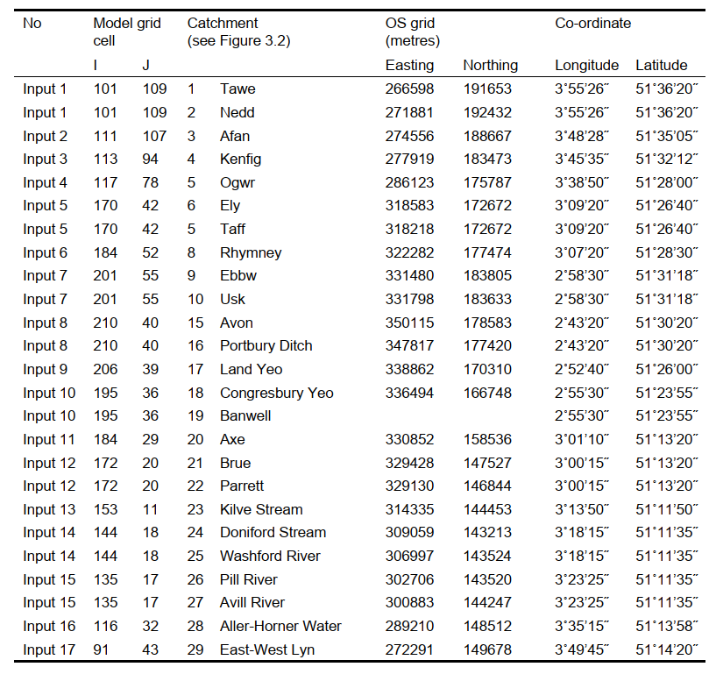
Total 2.39x109 1.44x109 9.5x108

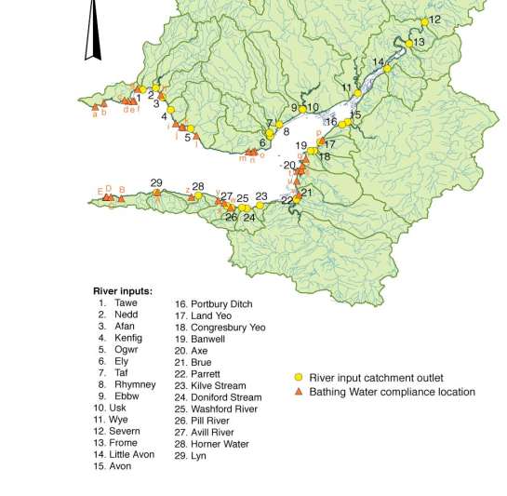
3600 | hours |  |  | Q_Total (m³) | Q_Base (m³) | Q_High (m³) | T_HF (hours) | RE1 | RE2 | m³/s |  |  |  | Raw
 |  | 1 | Tawe | 8.29E+07 | 4.69E+07 | 3.60E+07 | 503 | 1.9857 | 0.8614 | 6.40 | 3.62 | 2.78 | 8.29x107 | 4.69x107 | 3.60x107
 |  | 2 | Nedd | 8.86E+07 | 5.04E+07 | 3.83E+07 | 551 | 1.8592 | 0.8026 | 6.84 | 3.89 | 2.96 | 8.86x107 | 5.04x107 | 3.83x107
 |  | 3 | Afan | 4.83E+07 | 3.31E+07 | 1.52E+07 | 385 | 2.5272 | 0.7966 | 3.73 | 2.55 | 1.17 | 4.83x107 | 3.31x107 | 1.52x107
 |  | 4 | Kenfig | 2.21E+07 | 1.51E+07 | 6.97E+06 | 385 | 2.5272 | 0.7966 | 1.71 | 1.17 | 0.54 | 2.21x107 | 1.51x107 | 6.97x106
 |  | 5 | Ogwr | 9.15E+07 | 6.21E+07 | 2.94E+07 | 451 | 1.8592 | 0.5977 | 7.06 | 4.79 | 2.27 | 9.15x107 | 6.21x107 | 2.94x107
 |  | 6 | Ely | 3.38E+07 | 2.04E+07 | 1.34E+07 | 498 | 1.4035 | 0.555 | 2.61 | 1.57 | 1.03 | 3.38x107 | 2.04x107 | 1.34x107
 |  | 7 | Taf | 1.35E+08 | 9.31E+07 | 4.16E+07 | 499 | 1.6758 | 0.5175 | 10.42 | 7.18 | 3.21 | 1.35x108 | 9.31x107 | 4.16x107
 |  | 8 | Rhymney | 4.54E+07 | 3.01E+07 | 1.53E+07 | 502 | 1.3365 | 0.4491 | 3.50 | 2.32 | 1.18 | 4.54x107 | 3.01x107 | 1.53x107
 |  | 9 | Ebbw | 5.51E+07 | 3.75E+07 | 1.76E+07 | 633 | 1.3992 | 0.447 | 4.25 | 2.89 | 1.36 | 5.51x107 | 3.75x107 | 1.76x107
 |  | 10 | Usk | 2.20E+08 | 1.11E+08 | 1.09E+08 | 1445 | 0.9902 | 0.4903 | 16.98 | 8.56 | 8.41 | 2.20x108 | 1.11x108 | 1.09x108
 |  | 11 | Wye | 4.07E+08 | 2.27E+08 | 1.80E+08 | 1246 | 0.6492 | 0.2865 | 31.40 | 17.52 | 13.89 | 4.07x108 | 2.27x108 | 1.80x108
 |  | 12 | Severn | 7.39E+08 | 3.99E+08 | 3.41E+08 | 1099 | 0.4728 | 0.2179 | 57.02 | 30.79 | 26.31 | 7.39x108 | 3.99x108 | 3.41x108
 |  | 13 | Frome | 3.05E+07 | 2.47E+07 | 5.80E+06 | 674 | 0.8915 | 0.1697 | 2.35 | 1.91 | 0.45 | 3.05x107 | 2.47x107 | 5.80x106
 |  | 14 | Little Avon | 1.05E+07 | 8.03E+06 | 2.50E+06 | 362 | 0.4044 | 0.096 | 0.81 | 0.62 | 0.19 | 1.05x107 | 8.03x106 | 2.50x106
 |  | 15 | Avon | 1.39E+08 | 8.92E+07 | 4.99E+07 | 805 | 0.4187 | 0.1502 | 10.73 | 6.88 | 3.85 | 1.39x108 | 8.92x107 | 4.99x107
 |  | 16 | Portbury Ditch | 3.20E+06 | 2.03E+06 | 1.17E+06 | 902 | 0.5276 | 0.1934 | 0.25 | 0.16 | 0.09 | 3.20x106 | 2.03x106 | 1.17x106
 |  | 17 | Land Yeo | 8.53E+06 | 5.40E+06 | 3.13E+06 | 902 | 0.5275 | 0.1934 | 0.66 | 0.42 | 0.24 | 8.53x106 | 5.40x106 | 3.13x106
 |  | 18 | Congress Yeo | 8.09E+06 | 6.72E+06 | 1.37E+06 | 241 | 0.5136 | 0.0871 | 0.62 | 0.52 | 0.11 | 8.09x106 | 6.72x106 | 1.37x106
 |  | 19 | Banwell | 3.54E+06 | 2.94E+06 | 6.00E+05 | 241 | 0.5136 | 0.0871 | 0.27 | 0.23 | 0.05 | 3.54x106 | 2.94x106 | 6.00x105
 |  | 20 | Axe | 2.14E+07 | 1.72E+07 | 4.15E+06 | 455 | 0.54 | 0.1049 | 1.65 | 1.33 | 0.32 | 2.14x107 | 1.72x107 | 4.15x106
 |  | 21 | Brue | 4.25E+07 | 3.42E+07 | 8.25E+06 | 455 | 0.54 | 0.1049 | 3.28 | 2.64 | 0.64 | 4.25x107 | 3.42x107 | 8.25x106
 |  | 22 | Parrett | 1.15E+08 | 9.06E+07 | 2.45E+07 | 610 | 0.4514 | 0.096 | 8.87 | 6.99 | 1.89 | 1.15x108 | 9.06x107 | 2.45x107
 |  | 23 | Kilve Stream | 2.56E+06 | 2.21E+06 | 3.55E+05 | 420 | 0.6348 | 0.0879 | 0.20 | 0.17 | 0.03 | 2.56x106 | 2.21x106 | 3.55x105
 |  | 24 | Doniford Stream | 7.61E+06 | 6.56E+06 | 1.05E+06 | 420 | 0.6348 | 0.0879 | 0.59 | 0.51 | 0.08 | 7.61x106 | 6.56x106 | 1.05x106
 |  | 25 | Washford River | 4.76E+06 | 4.18E+06 | 5.80E+05 | 360 | 0.6589 | 0.0803 | 0.37 | 0.32 | 0.04 | 4.76x106 | 4.18x106 | 5.80x105
 |  | 26 | Pill River | 1.61E+06 | 1.42E+06 | 1.97E+05 | 360 | 0.6589 | 0.0803 | 0.12 | 0.11 | 0.02 | 1.61x106 | 1.42x106 | 1.97x105
 |  | 27 | Avill River | 6.02E+06 | 5.28E+06 | 7.34E+05 | 360 | 0.6589 | 0.0803 | 0.46 | 0.41 | 0.06 | 6.02x106 | 5.28x106 | 7.34x105
 |  | 28 | Horner Water | 3.81E+06 | 2.94E+06 | 8.70E+05 | 642 | 0.6623 | 0.1511 | 0.29 | 0.23 | 0.07 | 3.81x106 | 2.94x106 | 8.70x105
 |  | 29 | Lyn | 1.04E+07 | 8.03E+06 | 2.37E+06 | 642 | 0.6624 | 0.1511 | 0.80 | 0.62 | 0.18 | 1.04x107 | 8.03x106 | 2.37x106

