UC3 - PEDSnet
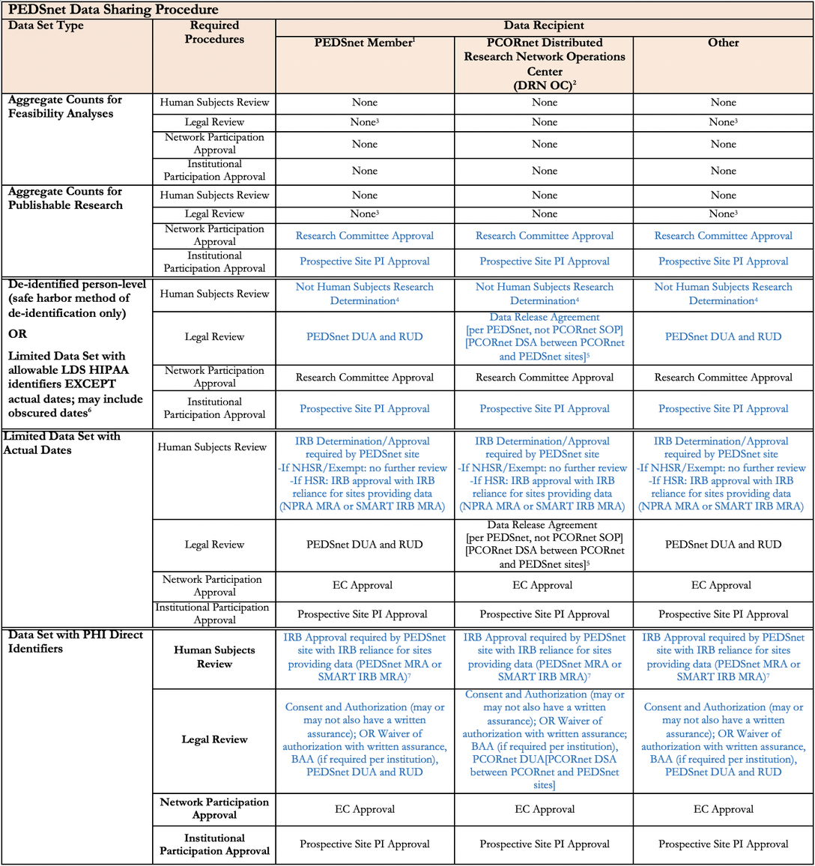
USE CASE 3 - GOVERNANCE INFORMATION MAIN
Use Case 3: SARS-CoV-2 Vaccination and Asthma-Related School Absence - Does SARS-CoV-2 vaccination result in reduced asthma-related school absences at 3/6/12+ months post-vaccination?
Dataset 9 - PEDSnet Limited Data Sets (LDS) with Exact Dates
 | Dataset Source | PCORnet
 | Dataset Source Agency | PCORI
 | Dataset Type (Clinical, EHR, Survey, SDOH, etc.) | EHR
 | Information Sources | Website, Information from predecessor report, CHOP/PEDSnet Interview (as part of the predecessor report), Master IRB Protocol provided by PEDSnet, Responses to PEDSnet Questions

 |  | Raw Language | Interpretation | Source | Annotation | Notes | Old annotations
1 | Data Collection
1.1 | Authorizations and Applicable Regulations/Policies
1.1.1 | Authorizations |  | 1. Assent 2. Consent 3. CHOP or local/site-level IRB approval 4. Master Reliance Agreement 5. Waiver of consent
1.1.1.1 | Assent | Please confirm our understanding that PEDSnet data are collected either under a waiver of consent (large observational studies) or under consent/assent (specific studies)? [1, 2] "This is substantially correct. Data from routine delivery of health care are collected under waiver; collection of study-specific data from patients and families is with consent/assent." [2] | Assent authorizes data collection. | [1] CHOP/PEDSnet Interview (as part of predecessor report) [2] Responses to PEDSnet Questions | policy: PEDSnet Assent policy_type: Consent action: collect assigner: MinorParticipant assignee: PrincipalInvestigator | done
1.1.1.2 | Consent | Please confirm our understanding that PEDSnet data are collected either under a waiver of consent (large observational studies) or under consent/assent (specific studies)? [1, 2] "This is substantially correct. Data from routine delivery of health care are collected under waiver; collection of study-specific data from patients and families is with consent/assent." [2] | Consent authorizes data collection. | [1] CHOP/PEDSnet Interview (as part of predecessor report) [2] Responses to PEDSnet Questions | policy: PEDSnet Consent policy_type: Consent action: collect assigner: Guardian assignee: PrincipalInvestigator | done
1.1.1.3 | IRB/equivalent Privacy Board determination | All PEDSnet institutional members are required to endorse the PEDSnet Single IRB policy by becoming a participating institution of the NCATS sponsored SMART IRB Agreement. Participation in these agreements allows an institution to choose on a case-by-case protocol basis whether to participate in a ceded review, as a relying or reviewing institution, or perform its own IRB review. Given the network’s underlying principle of collaboration, PEDSnet expects that IRB reliance opt-out will be a rare occurrence, and would require an appropriate justification. [1] This project will use the PEDSnet Reciprocal Single IRB Master Reliance Agreement with CHOP acting as the IRB of record and the other 13 institutions relying on the CHOP IRB. [2] PEDSnet centers currently capture a wide variety of data as part of clinical operations obtained from primary care, Emergency Department (ED), specialty care, and inpatient settings. Participating sites will collect data for PEDSnet by extraction and transformation to the network data model of these data collected as part of standard clinical and business operations. The specific characteristics of each site’s data extraction are described in the site-specific appendices to approved protocol #14-011242, for sites using the CHOP IRB as the IRB of record for these activities, or in separate protocols reviewed by the local IRB. [2] EHR data collection and deidentification at sites is governed by site-level IRB oversight. [3] | CHOP IRB or local/site-level IRB approval authorizes data collection. | [1] https://pedsnet.org/resources/governance/ (Accessed: 4/18/23) [2] Master IRB Protocol [3] Responses to PEDSnet Questions | ##### policy: PEDSnet Single IRB Policy policy_type: Policy action: collect assigner: DataProvider assignee: DataCoordinatingCenter requires: PEDSnet Reciprocal Single IRB Master Reliance Agreement, PEDSnet SMART IRB Platform Policy ##### policy: PEDSnet SMART IRB Platform Policy policy_type: Policy obligation: submit assigner: DataCoordinatingCenter ##### policy: PEDSnet Reciprocal Single IRB Master Reliance Agreement policy_type: Agreement action: collect contracting_party: DataProvider contracted_party: DataCoordinatingCenter ##### policy: PEDSnet Master IRB Protocol policy_type: IRBDocumentation action: collect assigner: IRB assignee: principalInvestigator | done.
1.1.1.4 | Local/state/federal laws | Information not available/found | Information not available/found
1.1.1.5 | Institutional Certification | Information not available/found | Information not available/found
1.1.1.6 | Data originator agreement | From the launch the network, PEDSnet adapted and executed a Master Reliance Agreement among all its members, which set forth the respective authorities, roles, and responsibilities of each party when a ceded review arrangement is determined to be acceptable. [1] Does the Master Reliance Agreement executed among PEDSnet partners authorize EHR data collection by the partners? [1, 2] "There is a master protocol with reliance by all PEDSnet members that authorizes observational research using EHR data" [2] | Master Reliance Agreement authorizes data collection under one IRB. | [1] https://pedsnet.org/resources/irb/ (Accessed: 4/18/23) [2] Responses to PEDSnet Questions |  | dupe
1.1.1.7 | Repository agreements/policies | Information not available/found | Information not available/found
1.1.1.8 | Other (specify) | Please confirm our understanding that PEDSnet data are collected either under a waiver of consent (large observational studies) or under consent/assent (specific studies)? [1, 2] "This is substantially correct. Data from routine delivery of health care are collected under waiver; collection of study-specific data from patients and families is with consent/assent." [2] | Waiver of consent authorizes data collection for routine delivery of health care. | [1] CHOP/PEDSnet Interview (as part of predecessor report) [2] Responses to PEDSnet Questions |  | TODO: going to exclude this annotation because its in conflict with the consent forms and we are not annotating the two different types of pedsnet data.
1.1.2 | Applicable Regulations/Policies
1.1.2.1 | Local regulations/policies | Information not available/found | Information not available/found
1.1.2.2 | Tribal regulations/policies | Information not available/found | Information not available/found
1.1.2.3 | State regulations/policies | Information not available/found | Information not available/found
1.1.2.4 | Federal regulations/policies | Information not available/found | Information not available/found
1.1.2.5 | International regulations/policies | Information not available/found | Information not available/found
1.1.2.6 | Contractual obligations | Information not available/found | Information not available/found
1.1.2.7 | Repository policies | Information not available/found | Information not available/found
1.2 | Governance for data linkage, sharing, access, and use based on data collection authorization or applicable regulations/policies (i.e., the origin of the governance)
1.2.1 | Whether the data can be linked | Consent for data linking is embedded in the broad study consent (when obtained). [1] | Consent (when obtained) specifies that data can be linked. | [1] CHOP/PEDSnet Interview (as part of predecessor report) | policy: PEDSnet Consent policy_type: Consent action: link assigner: Guardian assignee: PrincipalInvestigator | done
1.2.2 | With what other data can it be linked or can it not be linked (scope of linkage) | We also understand that consent for data linking is embedded in the broad study consent (when obtained). Are there any other authorizations for data linkages? [1, 2] Authorization for privacy-preserving record linkage is part of governing IRB protocols for research conducted under waiver of consent. [2] | Governing IRB protocols specify that data can be linked using PPRL for research conducted under a waiver of consent. | [1] CHOP/PEDSnet Interview (as part of predecessor report) [2] Responses to PEDSnet Questions | ##### policy: PEDSnet Master IRB Protocol policy_type: IRBDocumentation action: link assigner: IRB assignee: principalInvestigator constraint_left: linkageMethod constraint_operator: eq constraint_right: PrivacyPreservingRecordLinkage ##### policy: PEDSnet Master IRB Protocol policy_type: IRBDocumentation action: link assigner: IRB assignee: principalInvestigator constraint_left: consentRequirement constraint_operator: eq constraint_right: waived | TODO: look at this one - make sure both constraints came through.
1.2.3 | Whether data can be shared | Does not authorize/specify | Does not authorize/specify
1.2.4 | How data can be shared (de-identification status, disclosure review) | Does not authorize/specify | Does not authorize/specify
1.2.5 | How data can be accessed (access type, data use agreement, data access committee/group approval, IRB LOD, etc.) | Does not authorize/specify | Does not authorize/specify
1.2.6 | How data can be used (data use limitations) | Does not authorize/specify | Does not authorize/specify
1.2.7 | Other (specify) | Does not authorize/specify | Does not authorize/specify
2 | Data Linkage
2.1 | Authorizations and Applicable Regulations/Policies
2.1.1 | Authorizations |  | 1. Consent 2. IRB 3. PEDSnet Steering Committee approval 4. Individual PEDSnet sites/study participation vote
2.1.1.1 | Assent | Information not available/found | Information not available/found
2.1.1.2 | Consent | Consent for data linking is embedded in the broad study consent (when obtained). [1] | Consent (when obtained) authorizes data linkage. | [1] CHOP/PEDSnet Interview (as part of predecessor report) | policy: PEDSnet Consent policy_type: Consent action: link assigner: Guardian assignee: PrincipalInvestigator
2.1.1.3 | IRB/equivalent Privacy Board determination | We also understand that consent for data linking is embedded in the broad study consent (when obtained). Are there any other authorizations for data linkages? [1, 2] Authorization for privacy-preserving record linkage is part of governing IRB protocols for research conducted under waiver of consent. [2] | IRB authorizes data linkage for research conducted under a waiver of consent. | [1] CHOP/PEDSnet Interview (as part of predecessor report) [2] Responses to PEDSnet Questions | ##### policy: PEDSnet Master IRB Protocol policy_type: IRBDocumentation action: link assigner: IRB assignee: principalInvestigator constraint_left: linkageMethod constraint_operator: eq constraint_right: PrivacyPreservingRecordLinkage ##### policy: PEDSnet Master IRB Protocol policy_type: IRBDocumentation action: link assigner: IRB assignee: principalInvestigator constraint_left: consentRequirement constraint_operator: eq constraint_right: waived
2.1.1.4 | Local/state/federal laws | Linkage is determined by the PEDSnet sites based on the particular use case/research study. When sites sign up to be part of the PEDSnet network, they must agree to hash their data; however, individual PEDSnet study sites can decide whether to participate in data linkages on a study-by-study basis once the PEDSnet Steering Committee approves the data linkage as part of a specific study research plan. [1] | PEDSnet Steering Committee approval authorizes data linkage as part of a specific study research plan. | [1] Predecessor report (https://www.nichd.nih.gov/sites/default/files/inline-files/NICHD_ODSS_PPRL_for_Pediatric_COVID-19_Studies_Public_Final_Report_508.pdf) | policy: PEDSnet Linkage Study Approval Policy policy_type: policy action: link duty: obtainApproval duty_approving_party: ReviewCommittee duty_approved_party: DataRequester
2.1.1.5 | Institutional Certification | Information not available/found | Information not available/found
2.1.1.6 | Data originator agreement | Linkage is determined by the PEDSnet sites based on the particular use case/research study. When sites sign up to be part of the PEDSnet network, they must agree to hash their data; however, individual PEDSnet study sites can decide whether to participate in data linkages on a study-by-study basis once the PEDSnet Steering Committee approves the data linkage as part of a specific study research plan. [1] Is the decision to participate in data linking documented via the ‘written affirmation from the study site PI’ or how is it authorized/documented? Where the need for linkage is known at the inception of the study (preferred), it is part of the study participation vote. Where an opportunity for linkage arises during conduct of a study (e.g. new dataset becomes available for linkage), a separate authorization is obtained. [2] | Individual PEDSnet sites authorize data linkage on a study-by-study basis. | [1] Predecessor report (https://www.nichd.nih.gov/sites/default/files/inline-files/NICHD_ODSS_PPRL_for_Pediatric_COVID-19_Studies_Public_Final_Report_508.pdf) [2] Responses to PEDSnet Questions | policy: PEDSnet Study Linkage Institutional Approval Policy policy_type:Policy action: link duty: obtainConsent duty_approving_party: DataProvider duty_approved_party: DataRequester | dupe
2.1.1.7 | Repository agreements/policies | Information not available/found | Information not available/found
2.1.1.8 | Other (specify) | Information not available/found | Information not available/found
2.1.2 | Applicable Regulations/Policies
2.1.2.1 | Local regulations/policies | Information not available/found | Information not available/found
2.1.2.2 | Tribal regulations/policies | Information not available/found | Information not available/found
2.1.2.3 | State regulations/policies | Information not available/found | Information not available/found
2.1.2.4 | Federal regulations/policies | Information not available/found | Information not available/found
2.1.2.5 | International regulations/policies | Information not available/found | Information not available/found
2.1.2.6 | Contractual obligations | Information not available/found | Information not available/found
2.1.2.7 | Repository policies | Information not available/found | Information not available/found
2.2 | Governance for data linkage, sharing, access, and use based on data linkage authorization or applicable regulations/policies (i.e., the origin of the governance)
2.2.1 | Whether the data can be linked | Consent for data linking is embedded in the broad study consent (when obtained). [1] Linkage is determined by the PEDSnet sites based on the particular use case/research study. When sites sign up to be part of the PEDSnet network, they must agree to hash their data; however, individual PEDSnet study sites can decide whether to participate in data linkages on a study-by-study basis once the PEDSnet Steering Committee approves the data linkage as part of a specific study research plan. [2] Is the decision to participate in data linking documented via the ‘written affirmation from the study site PI’ or how is it authorized/documented? Where the need for linkage is known at the inception of the study (preferred), it is part of the study participation vote. Where an opportunity for linkage arises during conduct of a study (e.g. new dataset becomes available for linkage), a separate authorization is obtained. [3] We also understand that consent for data linking is embedded in the broad study consent (when obtained). Are there any other authorizations for data linkages? [1, 3] Authorization for privacy-preserving record linkage is part of governing IRB protocols for research conducted under waiver of consent. [3] | 1. Consent (when obtained) specifies that data can be linked. 2. PEDSnet Steering Committee approval specifies that data can be linked according to the approved research plan. 3. Individual PEDSnet sites, through a study particpation vote, specify that the sites can participation in data linkage on a study-by-study basis. 4. IRB specifies that PEDSnet data can be linked for research conducted under a waiver of consent. | [1] CHOP/PEDSnet Interview (as part of predecessor report) [2] Predecessor report (https://www.nichd.nih.gov/sites/default/files/inline-files/NICHD_ODSS_PPRL_for_Pediatric_COVID-19_Studies_Public_Final_Report_508.pdf) [3] Responses to PEDSnet Questions |  | dupe
2.2.2 | With what other data can it be linked or can it not be linked (scope of linkage) | We also understand that consent for data linking is embedded in the broad study consent (when obtained). Are there any other authorizations for data linkages? [1, 2] Authorization for privacy-preserving record linkage is part of governing IRB protocols for research conducted under waiver of consent. [2] Linkage is determined by the PEDSnet sites based on the particular use case/research study. When sites sign up to be part of the PEDSnet network, they must agree to hash their data; however, individual PEDSnet study sites can decide whether to participate in data linkages on a study-by-study basis once the PEDSnet Steering Committee approves the data linkage as part of a specific study research plan. [3] | 1. IRB specifies that data can be linked using PPRL for research conducted under a waiver of consent. 2. Individual PEDSnets study sites specify the scope of data linkage on a study-by-study basis. | [1] CHOP/PEDSnet Interview (as part of predecessor report) [2] Responses to PEDSnet Questions [3] Predecessor report (https://www.nichd.nih.gov/sites/default/files/inline-files/NICHD_ODSS_PPRL_for_Pediatric_COVID-19_Studies_Public_Final_Report_508.pdf) |  | dupe
2.2.3 | Whether data can be shared | Does not authorize/specify | Does not authorize/specify
2.2.4 | How data can be shared (de-identification status, disclosure review) | Does not authorize/specify | Does not authorize/specify
2.2.5 | How data can be accessed (access type, data use agreement, data access committee/group approval, IRB LOD, etc.) | Does not authorize/specify | Does not authorize/specify
2.2.6 | How data can be used (data use limitations) | Each site must authorize use of their data and resources in a particular study via a participation vote. [1] | PEDSnet site participation vote specifies data use for individual studies. | [1] Responses to PEDSnet Questions |  | dupe
2.2.7 | Other (specify) | Does not authorize/specify | Does not authorize/specify
3 | Data Sharing
3.1 | Authorizations and Applicable Regulations/Policies
3.1.1 | Authorizations |  | 1. Data release vote 2. PEDSnet Participation and DUA 3. PEDSnet Master Data Use Agreement
3.1.1.1 | Assent | Information not available/found | Information not available/found
3.1.1.2 | Consent | Information not available/found | Information not available/found
3.1.1.3 | IRB/equivalent Privacy Board determination | Information not available/found | Information not available/found
3.1.1.4 | Local/state/federal laws | Information not available/found | Information not available/found
3.1.1.5 | Institutional Certification | Information not available/found | Information not available/found
3.1.1.6 | Data originator agreement | Institutional members will be required to sign: • Participation and Data Use Agreement, which an institutional official must sign [1] In addition, each institution must develop and submit a data governance process and procedures for reviewing and approving release of institutional data. [1] In addition, if the study involves release of a dataset beyond the PEDSnet data center, each site must authorize the release of their data in a dataset release vote. [2] | Two agreements authorize data sharing: 1. PEDSnet Participation and DUA signed by PEDSnet members authorizes data sharing between PEDSnet members. 2. PEDSnet sites data release vote authorizes data sharing (i.e., release). | [1] https://pedsnet.org/documents/303/PEDSnet-Policies-May-2020_.pdf [2] Responses to PEDSnet Questions | ##### policy: PEDSnet Participation and Data Use Agreement policy_type: Agreement contracting_party: dataProvider contracted_party: principalInvestigator constraint_left: dataRequester constraint_operator: eq constraint_right: dataProvider ##### policy: PEDSnet Data Release Policy policy_type: policy action: share duty: approve duty_approving_party: DataProvider | TODO: Is the assignee the coordinating center or the PI.
3.1.1.7 | Repository agreements/policies | The PEDSnet Master DUA authorizes sharing of limited data sets for use in studies. [1] | PEDSnet Master Data Use Agreement authorizes data sharing. | [1] Responses to PEDSnet Questions | policy: PEDSnet Master Data Use Agreement policy_type: Agreement action: share contracting_party: principalInvestigator contracted_party: dataRequester constraint_left: product constraint_operator: eq constraint_right: LimitedDataset
3.1.1.8 | Other | Information not available/found | Information not available/found
3.1.2 | Applicable Regulations/Policies
3.1.2.1 | Local regulations/policies | Note that access to individual-level data, whether meeting the Privacy Rule Safe Harbor standard or the definition of a Limited Data Set, is governed by the policies for Limited Data Sets, due to the potential for pattern-based reidentification in highly detailed data. [1] Limited data sets with and without actual dates: This is the typical case. Information about standard privacy risk reduction measures, including date shifting, can be found in PEDSnet Policies on our web site. [1] | PEDSnet policy | [1] Responses to PEDSnet Questions |  | No new information here. Since this dataset is an LDS, the fact that LDS rules would theoretically apply to a deidentified individual level dataset. | policy: PEDSnet Individual Level Dataset Policy policy_type: Policy constraint_left: product constraint_operator: eq constraint_right: IndividualLevelDataset
3.1.2.2 | Tribal regulations/policies | Information not available/found | Information not available/found
3.1.2.3 | State regulations/policies | All PEDSnet member systems are based in states that legislate specific protections for minor patients accessing reproductive and mental health care, and state and federal regulations affect the privacy of HIV-related data. [1] Removal of data relating to testing or care for HIV, pregnancy, and mental health, excluding educational performance. [2] | State regulations | [1] Responses to PEDSnet Questions [2] https://pedsnet.org/resources/governance/ (Accessed: 4/18/23)
3.1.2.4 | Federal regulations/policies | All PEDSnet member systems are based in states that legislate specific protections for minor patients accessing reproductive and mental health care, and state and federal regulations affect the privacy of HIV-related data. This study will be conducted in full accordance with all applicable Children’s Hospital of Philadelphia Research Policies and Procedures and all applicable Federal and state laws and regulations including 45 CFR 46, and the HIPAA Privacy Rule. [3] [1] This study will be conducted in full accordance with all applicable Children’s Hospital of Philadelphia Research Policies and Procedures and all applicable Federal and state laws and regulations including 45 CFR 46, and the HIPAA Privacy Rule. [3] Removal of data relating to testing or care for HIV, pregnancy, and mental health, excluding educational performance. [2] Access to individual-level data is governed by the policies described above, and appropriate regulatory oversight as defined in the Common Rule (or equivalent) and HIPAA. [1] This study will be conducted in full accordance with all applicable Children’s Hospital of Philadelphia Research Policies and Procedures and all applicable Federal and state laws and regulations including 45 CFR 46, and the HIPAA Privacy Rule. [3] Access to individual-level data is governed by the policies described above, and appropriate regulatory oversight as defined in the Common Rule (or equivalent) and HIPAA. [1] | 1. Federal regulations Children’s Hospital of Philadelphia Research Policies and Procedures Common Rule - 45 CFR 46 HIPAA Privacy Rule | [1] Responses to PEDSnet Questions [2] https://pedsnet.org/resources/governance/ (Access: 4/18/23) [3] Master IRB Protocol |  | no rules attached here. Skipped.
...
 |  | Raw Language | Interpretation | Source | Annotation | Notes | Old annotations
7.1.2 | Other dataset type (clinical, EHR, survey, claims, SDOH, etc.) | PEDSnet has used PPRL for linkage to large claims and pharmacy benefits datasets, and is currently employing linkage to mortality data as part of the RECOVER EHR ini[ti]ative. We have also pursued clear text linkage in smaller study and registry contexts where participant consent was available. Finally, clear text linkage at sites is routinely used for purposes such as identifying charts to review. [1] | 1. Claims 2. Mortality | [1] Responses to PEDSnet Questions
7.1.3 | Other dataset source(s) | Information not available/found | Information not available/found
7.1.4 | Linking methodology (PPRL or non-PPRL); linkage technology | PEDSnet has used PPRL for linkage to large claims and pharmacy benefits datasets, and is currently employing linkage to mortality data as part of the RECOVER EHR iniative. We have also pursued clear text linkage in smaller study and registry contexts where participant consent was available. Finally, clear text linkage at sites is routinely used for purposes such as identifying charts to review. [1] | 1. PPRL 2. PPRL 3. Non-PPRL (clear text linkage) | [1] Responses to PEDSnet Questions
7.1.5 | PII elements used for the linkage | Information not available/found | Information not available/found
7.1.6 | Entity resolver (data originator or data linker or third party) | Information not available/found | Information not available/found
7.1.7 | Party performing the linkages | Information not available/found | Information not available/found
7.1.8 | Linkage quality assessment | Information not available/found | Information not available/found
7.1.9 | Linked data sharing method (linkage maps or pre-linked dataset) | Information not available/found | Information not available/found

