Sheet1
WEIRD DOGS ROADMAP

 | 10% | release 320 weird Dogs that will be minted between 0.001 to 0.004 ETH for the early community member
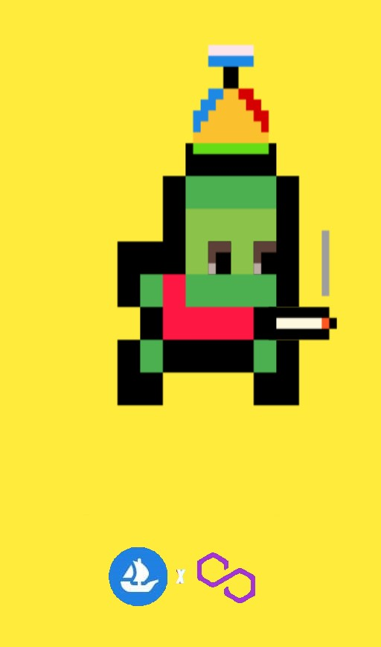

 | 20% | Release another 320 Weird Dogs. The floor price will between 0.01 to 0.04 ETH. We will set up discord and expand our social circle

 | 30% | Release another 320 Weird Dogs. We will bump up the floor price to 0.09 ETH and collabration with other artist

 | 50% | Release 640 Weird Dogs. In this phase our goal is to hit 3000 discord members floor price at 0.2 ETH

 | 70% | Release another 640 Weird Dogs. Floor price will be at 0.4 ETH. In this phase we want to find a charity in need and help them out to the best. In this phase we will doing larger giveaways as a thank you to our community for the support

 | 100% | Release 960 Weird Dogs. Floor price will be start from 0.5 ETH we will take ideas from the community for the last to do something creative and fun.

