Report
PRODUCTION CYCLE REPORT |  |  | [ COMPANY LOGO ]

Machine ID | TEST_MACHINE_01
Status | SUCCESS
Start Time | 7/7/2026, 10:53:14 pm
End Time | 7/7/2026, 10:54:03 pm
Total Duration | 49.0 s

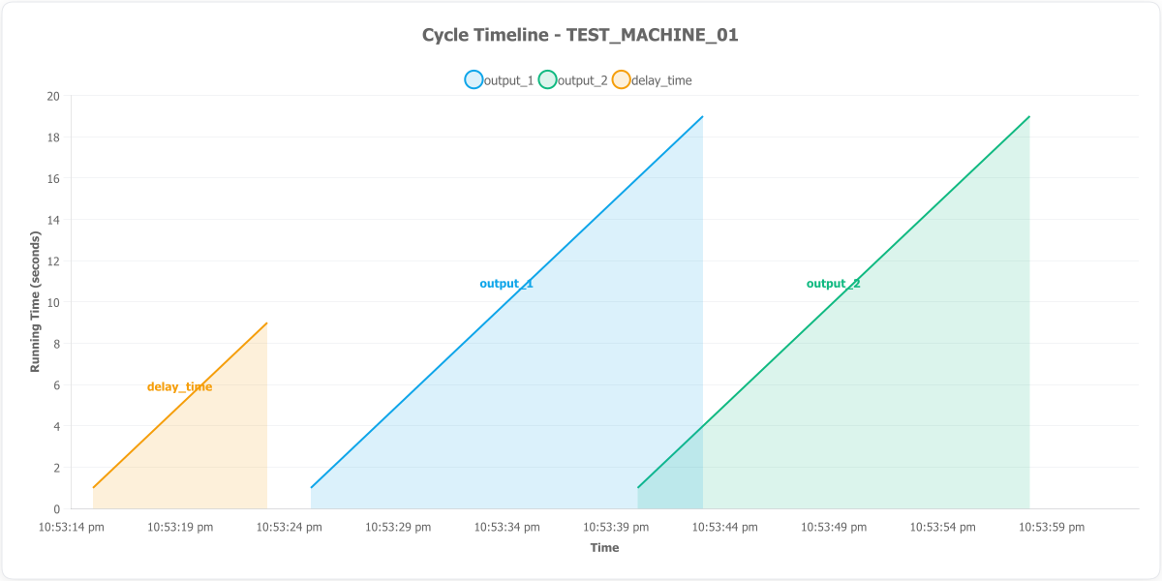

CYCLE SUMMARY

Date | Time | Stage / Output | Set Value (s) | Running Time (s)
7/7/2026 | 22:53:14.192 | idle | 0.00 | 0.00
7/7/2026 | 22:53:15.192 | delay_time | 0.00 | 1.00
7/7/2026 | 22:53:16.192 | delay_time | 0.00 | 2.00
7/7/2026 | 22:53:17.192 | delay_time | 0.00 | 3.00
7/7/2026 | 22:53:18.192 | delay_time | 0.00 | 4.00
7/7/2026 | 22:53:19.192 | delay_time | 0.00 | 5.00
7/7/2026 | 22:53:20.192 | delay_time | 0.00 | 6.00
7/7/2026 | 22:53:21.192 | delay_time | 0.00 | 7.00
7/7/2026 | 22:53:22.192 | delay_time | 0.00 | 8.00
7/7/2026 | 22:53:23.192 | delay_time | 0.00 | 9.00
7/7/2026 | 22:53:24.192 | idle | 0.00 | 0.00
7/7/2026 | 22:53:25.192 | output_1 | 20.00 | 1.00
7/7/2026 | 22:53:26.192 | output_1 | 20.00 | 2.00
7/7/2026 | 22:53:27.192 | output_1 | 20.00 | 3.00
7/7/2026 | 22:53:28.192 | output_1 | 20.00 | 4.00
7/7/2026 | 22:53:29.192 | output_1 | 20.00 | 5.00
7/7/2026 | 22:53:30.192 | output_1 | 20.00 | 6.00
7/7/2026 | 22:53:31.192 | output_1 | 20.00 | 7.00
7/7/2026 | 22:53:32.192 | output_1 | 20.00 | 8.00
7/7/2026 | 22:53:33.192 | output_1 | 20.00 | 9.00
7/7/2026 | 22:53:34.192 | output_1 | 20.00 | 10.00
7/7/2026 | 22:53:35.192 | output_1 | 20.00 | 11.00
7/7/2026 | 22:53:36.192 | output_1 | 20.00 | 12.00
7/7/2026 | 22:53:37.192 | output_1 | 20.00 | 13.00
7/7/2026 | 22:53:38.192 | output_1 | 20.00 | 14.00
7/7/2026 | 22:53:39.192 | output_1 | 20.00 | 15.00
7/7/2026 | 22:53:40.192 | output_1, output_2 | 20.00 | 16.00
7/7/2026 | 22:53:41.192 | output_1, output_2 | 20.00 | 17.00
7/7/2026 | 22:53:42.192 | output_1, output_2 | 20.00 | 18.00
7/7/2026 | 22:53:43.192 | output_1, output_2 | 20.00 | 19.00
7/7/2026 | 22:53:44.192 | output_2 | 20.00 | 5.00
7/7/2026 | 22:53:45.192 | output_2 | 20.00 | 6.00
7/7/2026 | 22:53:46.192 | output_2 | 20.00 | 7.00
7/7/2026 | 22:53:47.192 | output_2 | 20.00 | 8.00
7/7/2026 | 22:53:48.192 | output_2 | 20.00 | 9.00
7/7/2026 | 22:53:49.192 | output_2 | 20.00 | 10.00
7/7/2026 | 22:53:50.192 | output_2 | 20.00 | 11.00
7/7/2026 | 22:53:51.192 | output_2 | 20.00 | 12.00
7/7/2026 | 22:53:52.192 | output_2 | 20.00 | 13.00
7/7/2026 | 22:53:53.192 | output_2 | 20.00 | 14.00
7/7/2026 | 22:53:54.192 | output_2 | 20.00 | 15.00
7/7/2026 | 22:53:55.192 | output_2 | 20.00 | 16.00
7/7/2026 | 22:53:56.192 | output_2 | 20.00 | 17.00
7/7/2026 | 22:53:57.192 | output_2 | 20.00 | 18.00
7/7/2026 | 22:53:58.192 | output_2 | 20.00 | 19.00
7/7/2026 | 22:53:59.192 | idle | 0.00 | 0.00
7/7/2026 | 22:54:00.192 | idle | 0.00 | 0.00
7/7/2026 | 22:54:01.192 | idle | 0.00 | 0.00
7/7/2026 | 22:54:02.192 | idle | 0.00 | 0.00
7/7/2026 | 22:54:03.192 | idle | 0.00 | 0.00

