Sheet1
NAVEEN | TAMIL MATRIMONY

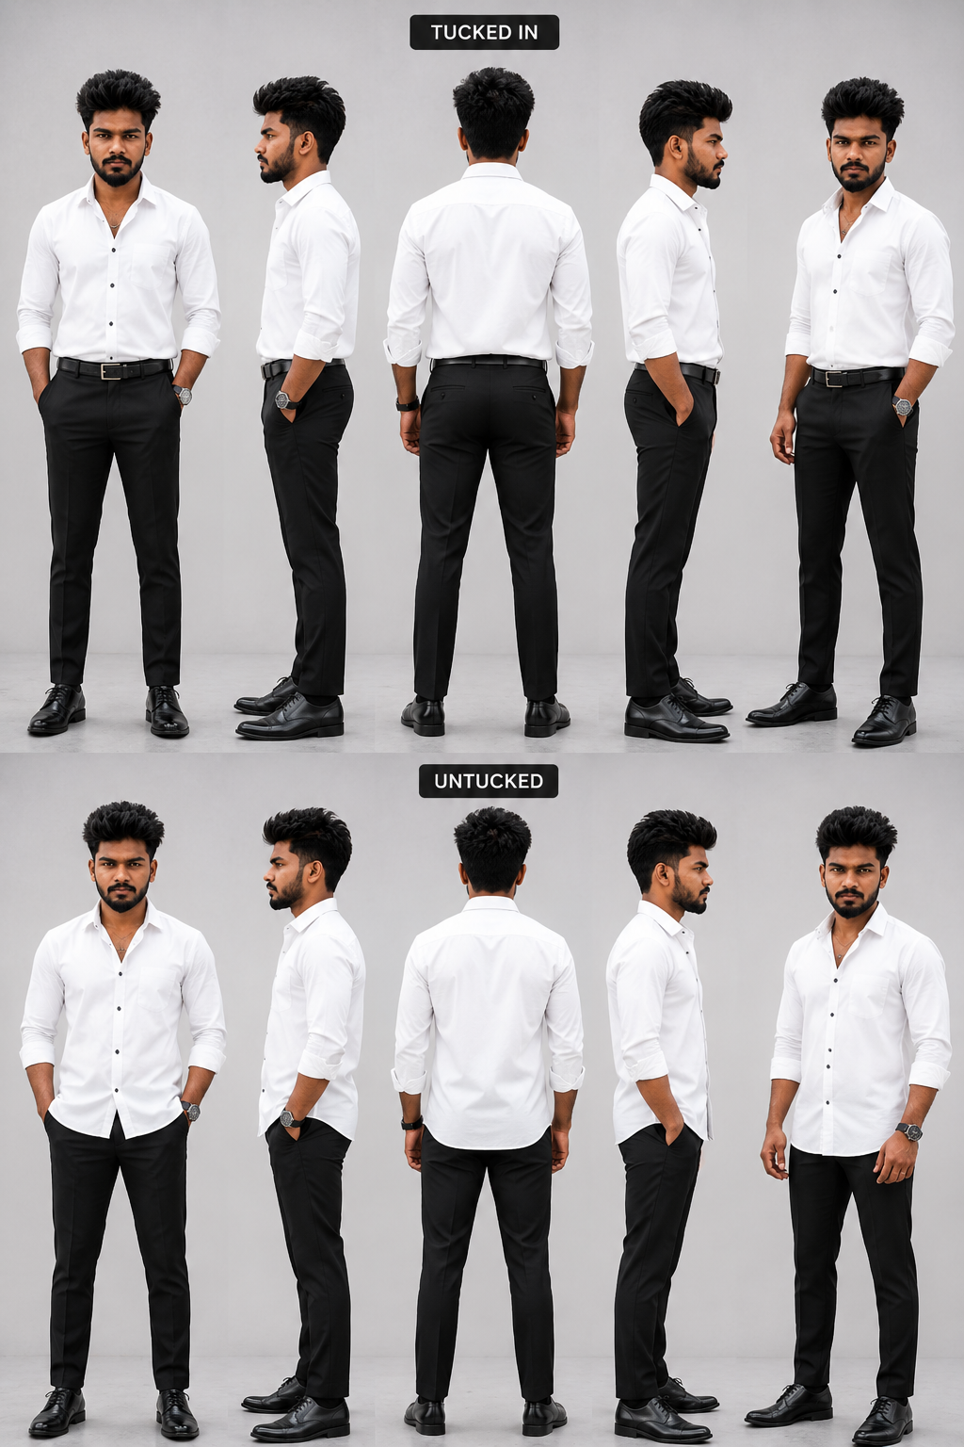

BUISNESS MAN (NK BUISNESS)


 |  | Column1

