Home

25 Jan 2017 / Eugene Tan Wei Hong

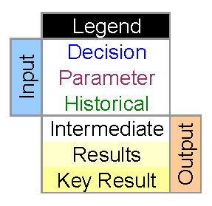

IS102 Computer as an Analysis Tool
Assignment 1
Submitted by
Eugene Tan Wei Hong
Section G17
25 Jan 2017

Q1
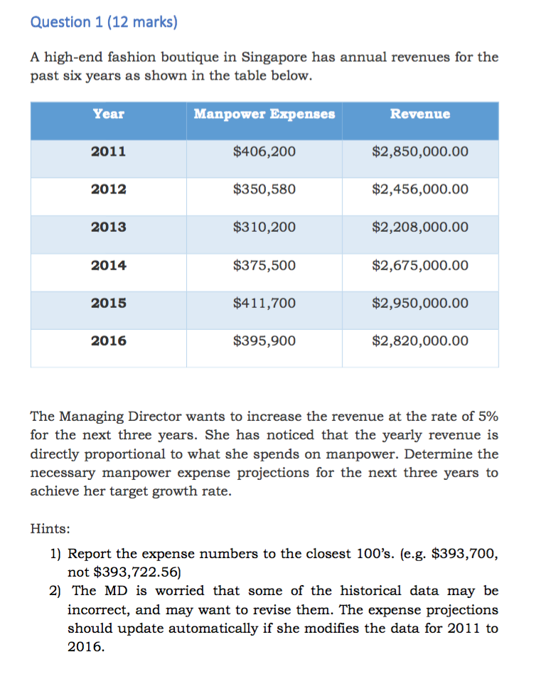
Input
Year | Manpower expenses | Revenue
2011 | $406,200 | $2,850,000.00
2012 | $350,580 | $2,456,000.00
2013 | $310,200 | $2,208,000.00
2014 | $375,808 | $2,675,000.00
2015 | $411,700 | $2,950,000.00
2016 | $395,900 | $2,820,000.00

Output
Year | Manpower expenses | Revenue
2011 | $406,200 | $2,850,000.00
2012 | $350,580 | $2,456,000.00
2013 | $310,200 | $2,208,000.00
2014 | $375,808 | $2,675,000.00
2015 | $411,700 | $2,950,000.00
2016 | $395,900 | $2,820,000.00
2017 | $416,700 | $2,961,000.00
2018 | $437,100 | $3,109,050.00
2019 | $458,600 | $3,264,502.50

Documentation
Manpower Expenses | C12:C17 | <Input>
Revenue | D12:D17 | <Input>
Target revenue | D18 | =1.05*D17
Projected manpower expenses | C18 | =ROUNDDOWN(TREND(C$12:C17, D$12:D17, D$18),-2)

Q2
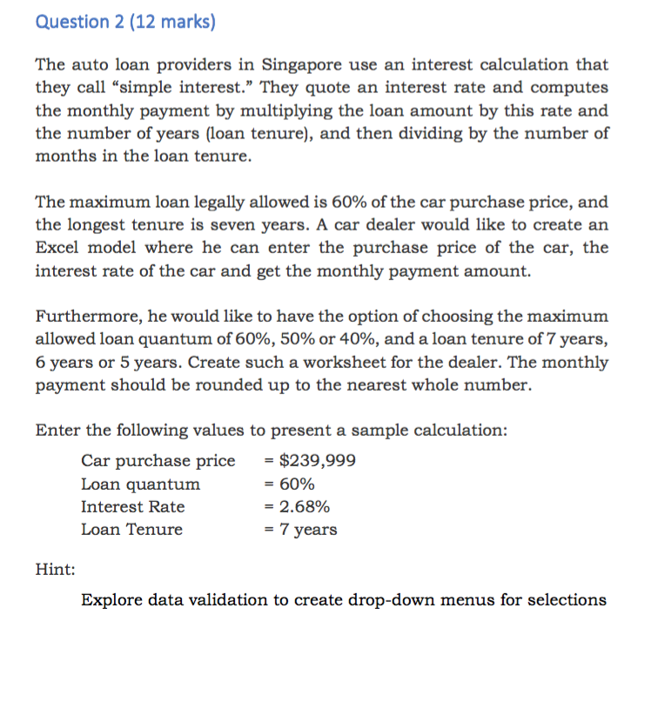
Input
Car purchase price | Loan quantum | Interest rate | Loan Tenure
$239,999.00 | 60% | 2.68% | 7

Output
car purchase price | Loan quantum | Interest rate | Loan Tenure | Interest | Monthly payment
$239,999.00 | 60% | 2.68% | 7 | $27,014.29 | $2,036.00

Documentation
Car purchase price | A4 | <Input>
Loan quantum | B4 | <Input; Data validation, drop down
Interest Rate | C4 | <Input>
Loan Tenure | D4 | <Input>; Data validation, drop down
Interest | E8 | =(B7*A7)*C7*D7
Monthly payment | F8 | =ROUNDUP(((B7*A7)+E7)/(D7*12),0)

Q3
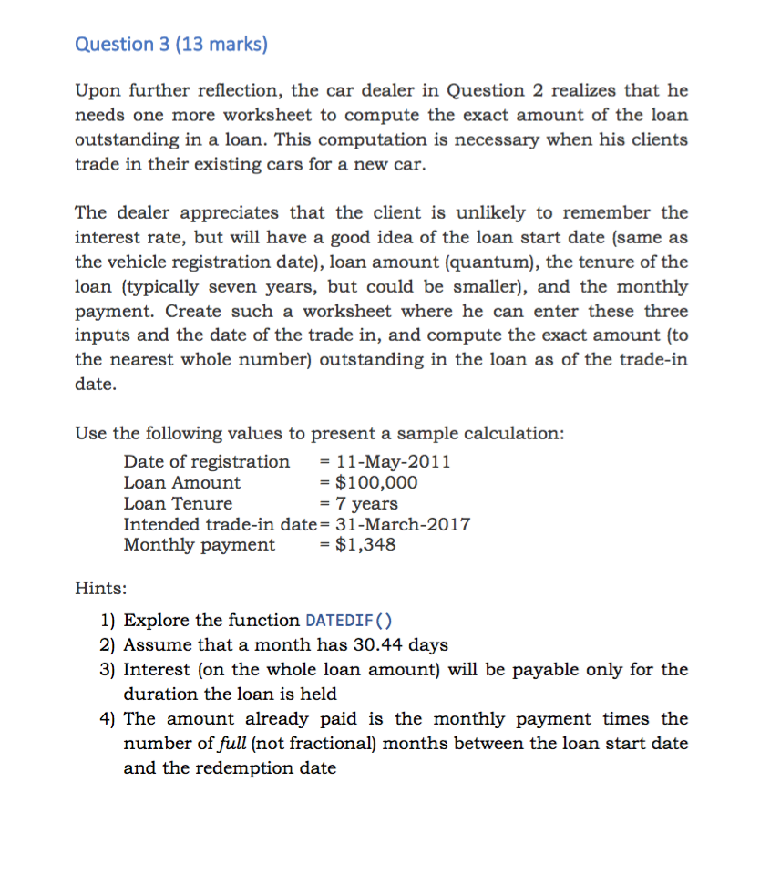
Input
Date of registration | Loan Amount | Loan Tenure | Intended trade-in date | Monthly payment
11-May-11 | $100,000 | 7 | 31-Mar-17 | $1,348

Output
Date of registration | Loan Amount | Loan Tenure | Intended trade-in date | Monthly payment | No. of months | Interest rate
11-May-11 | $100,000 | 7 | 31-Mar-17 | $1,348 | 71 | 1.89%

Interest payable | Paid | Total | Outstanding
$11,184.19 | $95,708.00 | $111,184.19 | $15,476

Documentation
Date of Registration | A3 | <Input>
Loan Amount | P | <Input>
Loan Tenure | N | <Input>
Intended Trade-in date | D3 | <Input>
Monthly Payment | pmt | <Input>
No. of months | F7 | =ROUND((DATEDIF(A$3, D$3, "D"))/30.44,0)
Interest Rate | r_ | =(pmt*(N*12)-P)/(P*N)
Interest Payable | A10 | =r_*P*(F7/12)
Paid | B10 | =pmt*F7
Total | C10 | =P+A10
Outstanding | D10 | =B10-A10

Q4

Input
a | b | c | x | y
2 | -7 | 5 | -3 | 44

Output
a | b | c | Determinant | Solution 1 | Solution 2 | Table values
2 | -7 | 5 | 9 | 2.5 | 1 | x | y
 |  |  |  |  |  |  | 44
Inflection point |  |  |  |  |  | -0.75 | 11.375
min x | min y |  |  |  |  | -0.25 | 6.875
1.75 | -1.125 |  |  |  |  | 0.25 | 3.375
y=a*x^2+bx+c
 |  |  |  |  |  | 0.75 | 0.875
 |  |  |  |  |  | 1.25 | -0.625
 |  |  |  |  |  | 1.75 | -1.125
 |  |  |  |  |  | 2.25 | -0.625
 |  |  |  |  |  | 2.75 | 0.875
 |  |  |  |  |  | 3.25 | 3.375
 |  |  |  |  |  | 3.75 | 6.875
 |  |  |  |  |  | 4.25 | 11.375

Documentation
a | a | <Input>
b | b | <Input>
c | c_ | <input>
x | E3 | <input>
y | F3 | =(a*(x)^2)+b*x+c_

Determinant | E7 | =b^2-(4*a*c_)
Solution 1 | F7 | =IFERROR((-b+(E7)^0.5)/(2*a),"nil")
Solution 2 | G7 | =IFERROR((-b-(E7)^0.5)/(2*a),"nil")

Graph X Values | I9:I19 | <input>; conditional formatting
Graph Y Values | J9:J19 | =(a*(x)^2)+b*x+c_; using data table

Inflection point - x | B11 | =-b/(2*a)
Inflection point - y | C11 | =-(b^2)/(4*a)+c_

