IDD Overview
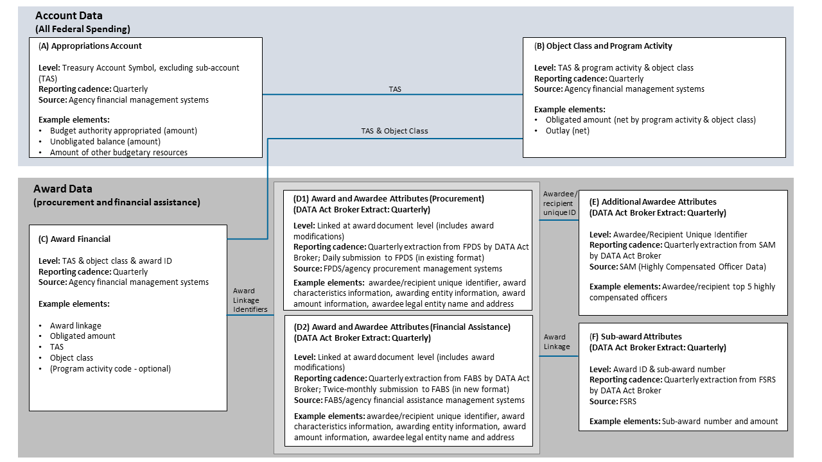
DATA Act Information Model Schema (DAIMS) Interface Definition Document (IDD) Overview

Purpose of the IDD
This document specifies how your agency's data (and which data elements) will be extracted from interface systems by the DATA Act Broker. During the quarterly submission process, this data is presented to your agency certifiers for final inspection and certification. After certification, it is stored in our database and published on USAspending.gov.
Use this document to understand the format the extracted data will take when it is presented to you by the DATA Act Broker. It also provides traceability back to the original sources of the data.
File D2 also specifies the format for submitting financial assistance records to Financial Assistance Broker Submissions (FABS), the Broker-based successor system for Award Submission Portal (ASP) going into production in Fall 2017. FABS submission files should include all headers specified in D2 that aren't labeled "FABS: Derived" in Column F.

Extraction Content Detail for Files D1, D2, E, & F
The extraction detail tabs for Files D1, D2, E, and F specify how the data will be presented by the DATA Act Broker after extraction.
File D1 contains the award and awardee attributes information for procurement.
File D2 contains the award and awardee attributes information for financial assistance.
File E contains additional awardee attributes information.
File F contains sub-award and subawardee attributes information.
Note: The specifications for File A (Appropriations Account), File B (Object Class Program Activity), and File C (Award Financial) are available in a complementary document called the Reporting Submission Specification (RSS).
The columns in each submission detail tab convey:
Element Order – an increasing integer value that indicates the default sequence of data elements in each tab. It is tab and release-specific (i.e., not necessarily the same across tabs and releases), and intended to allow users to easily return to the default element order after sorting
Element Number – a unique identifier for each element. When an element is included in more than one tab, it retains the same element number. When referencing an element, use the element number, as it will stay constant between releases.
Data Element Label – a unique label for each element. When an element is included in more than one tab, it retains the same data element label.
Definition – contains the business definition of the data element. When an element is included in more than one tab, it retains the same definition.
Example Value – demonstrates an acceptable data entry value. Applies to and present in D2 only.
FABS Required/ Optional/Derived - indicates whether a data element is required, conditionally required, optional, or derived in the ASP per the validation rules. Applies to and present in D2 only.
Valid Data Type – integer, string, or numeric (may contain decimal). Applies to and present in D2 only.
Max Field Length – indicates the maximum length of the data element value.
Instructions - additional information and guidance for reporting the element. Applies to and present in D2 only.
FPDS Element Number – corresponding element number from FPDS. Applies to and present in D1 only.
FPDS Element Name – a unique label from the FPDS Data Dictionary. Applies to and present in D1 only.
FPDS Element XML Tag Name – corresponding XML tag from the FPDS Atom feed. Applies to and present in D1 only.
FPDS Award Atom Feed Path– full path in the Award Atom feed for element, if applicable. Applies to and present in D1 only.
FPDS IDV Atom Feed Path – full path in the IDV Atom feed for the element, if applicable. Applies to and present in D1 only.
FPDS Definition – contains the business definition from the FPDS Data Dictionary. Applies to and present in D1 only.
SAM Element Name (Reference SAM Data Dictionary v7) – corresponding element name in SAM. Applies to and present in D2 and E.
FSRS Element Name – corresponding element name in FSRS Applies to and present in F only.
Business Line – identifies the business line where the element applies. Values include financial assistance, procurement, and a combination of procurement and financial assistance. Applies to and present in F only.

Information Flow Diagram

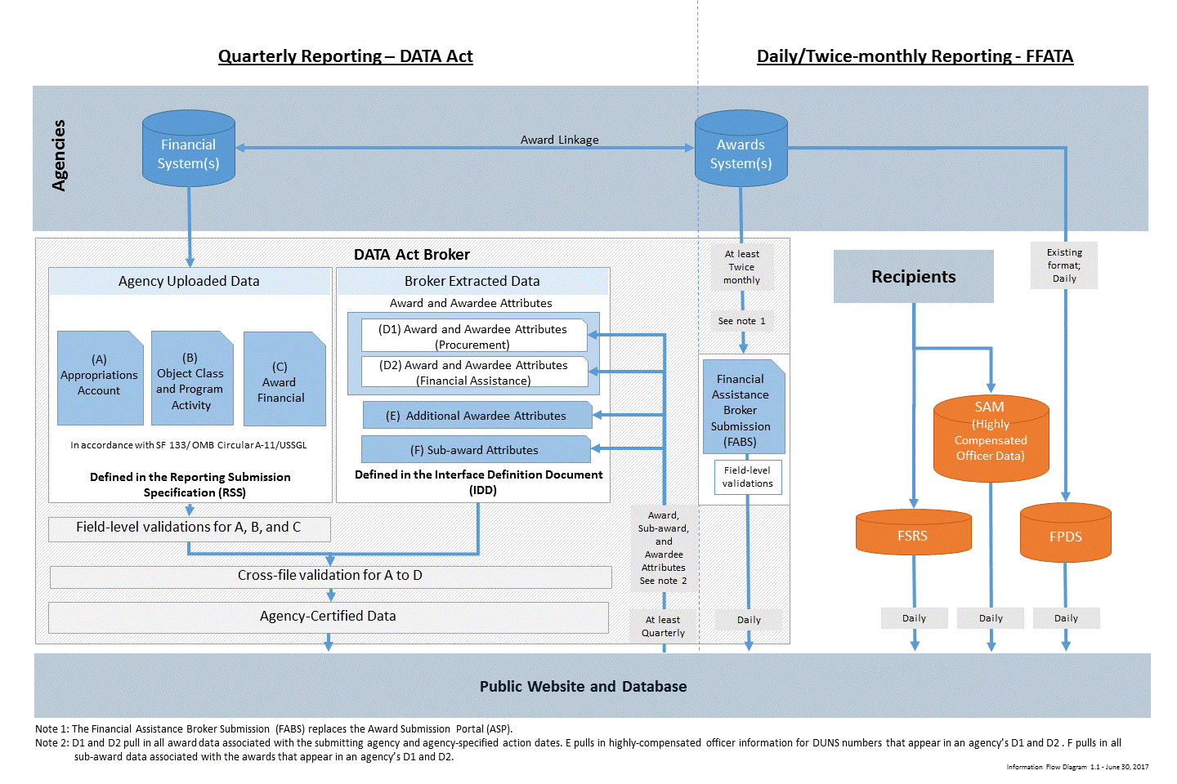

DATA Act Element Relationships

