Plan1
Are you familiar with the concept of "cohesion" in the context of software development?
 | Cohesion Familiarity
Yes | 71
No | 9
DB_Backend vs. DB_InsertUpdate (1st comparison)
 | Rating class cohesion (1st comparison)
The first class (DB_Backend) is more cohesive than the second one (DB_InsertUpdate) (A1) | 45
The second class (DB_InsertUpdate) is more cohesive than the first one (DB_Backend) (A2) | 4
Both classes have quite similar cohesion. (A3) | 30
I don't know. (A4) | 1

Occupation
 | Job position
Software developer | 38
System analyst | 30
Tester | 3
Software architect/designer | 16
Business analyst | 3
Project manager | 7
Professor/Lecturer | 15
Researcher | 31
Student | 30
Unemployed or Retired | 1
Other | 2
Main_Config2 vs. DB_Helpers (2nd comparison)
 | Rating class cohesion (2nd comparison)
The first class (Main_Config2) is more cohesive than the second one (DB_Helpers) (A1) | 54
The second class (DB_Helpers) is more cohesive than the first one (Main_Config2) (A2) | 10
Both classes have quite similar cohesion. (A3) | 15
I don't know. (A4) | 1

RelationSpouse vs. RelationParentChild (3rd comparison)
 | Rating class cohesion (3rd comparison)
The first class (RelationSpouse) is more cohesive than the second one (RelationParentChild) (A1) | 6
The second class (RelationParentChild) is more cohesive than the first one (RelationSpouse) (A2) | 43
Both classes have quite similar cohesion. (A3) | 30
I don't know. (A4) | 1

Academic degree
 | Academic degree
Undergraduate | 2
Graduate | 25
Graduate (Certified expert) | 11
Graduate (Master) | 33
Graduate (PhD) | 9
No academic degree | 0

Self estimating programming experience (from 1 to 10)
 | Self rating programming experience (from 1 to 10)
1 | 0
2 | 0
3 | 1
4 | 4
5 | 3
6 | 7
7 | 14
8 | 29
9 | 19
10 | 3

Self estimating programming experience compared to colleagues (from 1 to 5)
 | Self estimating programming experience compared to colleagues (from 1 to 5)
1 | 0
2 | 5
3 | 23
4 | 43
5 | 9

Self estimating experience on Java compared to colleagues (from 1 to 5)
 | Self estimating experience on Java compared to colleagues (from 1 to 5)
 | 3
 | 6
 | 25
 | 29
 | 17
Self estimating experience on OOP compared to colleagues (from 1 to 5)
 | Self estimating experience
1 | 0
2 | 0
3 | 17
4 | 41
5 | 22

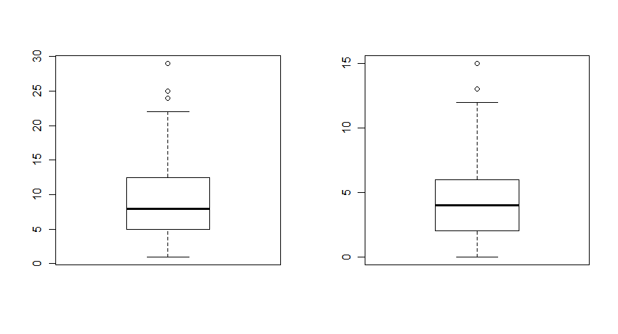

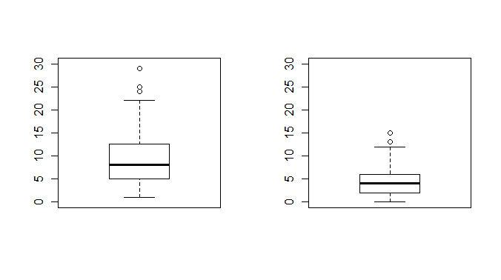
Years of programming experience
Years of prog. exp. in large software projects
Years of programming experience
Years of prog. exp. in large software projects

Plan2
DB_Backend vs. DB_InsertUpdate (1st scenario)
Field summary for q_DBbackend_DBinsert
Consider the following two Java classes that belongs to a hotel management system. The system supports the management of a hotel, i.e. creating/canceling/editing of bookings, billing, creating/editing rooms/categories/users and storing guest data. These two classes are utility classes for the data base access. The first one, DB_Backend.java (click here to access the source code), is responsible for managing data base connections. (Click here if you want to download the java source code to open on your favorite editor) The second one, DB_InsertUpdate.java (click here to access the source code), is responsible for writing data to the data base either by inserting or by updating information. (Click here if you want to download the java source code to open on your favorite editor) The Java classes were taken from a real and open source software hosted at SourceForge (http://fgmp-hm.sourceforge.net/). Please, analyze them and regarding their cohesion
Answer | Count | Percentage
DB_Backend is more cohesive than DB_InsertUpdate | 45 | 56.25%
DB_InsertUpdate is more cohesive than DB_Backend | 4 | 5.00%
Both classes have quite similar cohesion | 30 | 37.50%
I don't know. | 1 | 1.25%
No answer | 0 | 0.00%
Not displayed | 0 | 0.00%

Main_Config2 vs. DB_Helpers (2nd scenario)
Field summary for q_MainConfig_DBhelp
Now consider the following two Java classes that belongs to the same project (a hotel management System). The system supports the management of a hotel, i.e. creating/canceling/editing of bookings, billing, creating/editing rooms/categories/users and storing guest data. These are the two classes for analysis: Main_Config2.java (click here to access the source code): a utility class for saving and loading system configuration properties from a text file. (Click here if you want to download the java source code to open on your favorite editor) DB_Helpers.java (click here to access the source code): a utility class for providing general methods for data base accessing. (Click here if you want to download the java source code to open on your favorite editor) The Java classes were taken from a real and open source software hosted at SourceForge (http://fgmp-hm.sourceforge.net/). Please, analyze them and regarding their cohesion
Answer | Count | Percentage
Main_Config2 is more cohesive than DB_Helpers | 54 | 67.50%
DB_Helpers is more cohesive than Main_Config2 | 10 | 12.50%
Both classes have quite similar cohesion. | 15 | 18.75%
I don't know. | 1 | 1.25%
No answer | 0 | 0.00%
Not displayed | 0 | 0.00%

RelationSpouse vs. RelationParentChild (3rd scenario)

Field summary for q_Spouse_Parent
Consider the following two Java classes that belongs to the FamilyTree project. This Java project implements family relationships between husband and wife, and between parents and their children. The relationships may be stored in disk and also they may be displayed in a graphical user interface. RelationSpouse.java (click here to access the source code): represents the relationship between husband and wife. (Click here if you want to download the java source code to open on your favorite editor) RelationParentChild.java (click here to access the source code): represents the relationship between a parent and his child. (Click here if you want to download the java source code to open on your favorite editor) The Java classes were taken from an open source software hosted at http://www.soberit.tkk.fi/~mmantyla/ISESE2006/. Please, analyze them and regarding their cohesion
Answer | Count | Percentage
RelationSpouse is more cohesive than RelationParentChild | 6 | 7.50%
RelationParentChild is more cohesive than RelationSpouse | 43 | 53.75%
Both classes have quite similar cohesion. | 30 | 37.50%
I don't know. | 1 | 1.25%
No answer | 0 | 0.00%
Not displayed | 0 | 0.00%

Plan2 (colored)
(A) DB_Backend vs. (B) DB_InsertUpdate
Field summary for q_DBbackend_DBinsert
Consider the following two Java classes that belongs to a hotel management system. The system supports the management of a hotel, i.e. creating/canceling/editing of bookings, billing, creating/editing rooms/categories/users and storing guest data. These two classes are utility classes for the data base access. The first one, DB_Backend.java (click here to access the source code), is responsible for managing data base connections. (Click here if you want to download the java source code to open on your favorite editor) The second one, DB_InsertUpdate.java (click here to access the source code), is responsible for writing data to the data base either by inserting or by updating information. (Click here if you want to download the java source code to open on your favorite editor) The Java classes were taken from a real and open source software hosted at SourceForge (http://fgmp-hm.sourceforge.net/). Please, analyze them and regarding their cohesion
Answer | Count | Percentage
(A) | 45 | 56.25%
(B) | 4 | 5.00%
= | 30 | 37.50%
I don't know. | 1 | 1.25%
No answer | 0 | 0.00%
Not displayed | 0 | 0.00%

(A) Main_Config2 vs. (B) DB_Helpers
Field summary for q_MainConfig_DBhelp
Now consider the following two Java classes that belongs to the same project (a hotel management System). The system supports the management of a hotel, i.e. creating/canceling/editing of bookings, billing, creating/editing rooms/categories/users and storing guest data. These are the two classes for analysis: Main_Config2.java (click here to access the source code): a utility class for saving and loading system configuration properties from a text file. (Click here if you want to download the java source code to open on your favorite editor) DB_Helpers.java (click here to access the source code): a utility class for providing general methods for data base accessing. (Click here if you want to download the java source code to open on your favorite editor) The Java classes were taken from a real and open source software hosted at SourceForge (http://fgmp-hm.sourceforge.net/). Please, analyze them and regarding their cohesion
Answer | Count | Percentage
(A) | 54 | 67.50%
(B) | 10 | 12.50%
= | 15 | 18.75%
I don't know. | 1 | 1.25%
No answer | 0 | 0.00%
Not displayed | 0 | 0.00%

(A) RelationSpouse vs. (B) RelationParentChild

Field summary for q_Spouse_Parent
Consider the following two Java classes that belongs to the FamilyTree project. This Java project implements family relationships between husband and wife, and between parents and their children. The relationships may be stored in disk and also they may be displayed in a graphical user interface. RelationSpouse.java (click here to access the source code): represents the relationship between husband and wife. (Click here if you want to download the java source code to open on your favorite editor) RelationParentChild.java (click here to access the source code): represents the relationship between a parent and his child. (Click here if you want to download the java source code to open on your favorite editor) The Java classes were taken from an open source software hosted at http://www.soberit.tkk.fi/~mmantyla/ISESE2006/. Please, analyze them and regarding their cohesion
Answer | Count | Percentage
(A) | 6 | 7.50%
(B) | 43 | 53.75%
= | 30 | 37.50%
I don't know. | 1 | 1.25%
No answer | 0 | 0.00%
Not displayed | 0 | 0.00%

CodedTopics_CohExpl_1stQuestion
Topic | Frequency | Percentage of occurrence in 71 responses
Class responsibilities | 56 | 78.8%
Coupling | 13 | 18.3%
Maintainability | 5 | 7.0%
Class internal structure | 5 | 7.0%
Correctness | 4 | 5.6%
Reusability | 3 | 4.2%
Size | 3 | 4.2%
Change propagation | 2 | 2.8%
Change-proneness | 2 | 2.8%
Cohesion subjectivity | 1 | 1.4%
Encapsulation | 1 | 1.4%

ColoredCodedTopics_CohExpl_1stQ
Topic | Frequency | Percentage of occurrence in 71 responses
Class responsibilities | 56 | 78.8%
Coupling | 13 | 18.3%
Maintainability | 5 | 7.0%
Class internal structure | 5 | 7.0%
Correctness | 4 | 5.6%
Reusability | 3 | 4.2%
Size | 3 | 4.2%
Change propagation | 2 | 2.8%
Change-proneness | 2 | 2.8%
Cohesion subjectivity | 1 | 1.4%
Encapsulation | 1 | 1.4%

