Sheet1
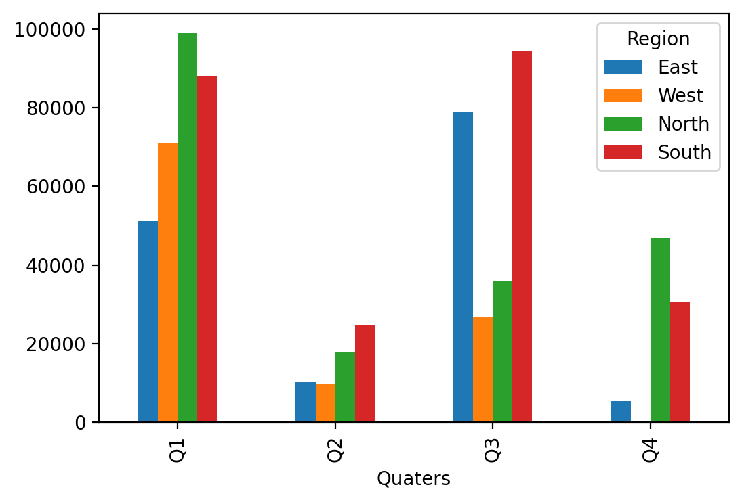
This is my template

 | Quaters | East | West | North | South
 | Q1 | 51086.631135 | 71035.336577 | 2171-01-24 06:02:10 | 87856.877975
 | Q2 | 10204.703297 | 9636.0774139 | 1948-11-07 00:18:48 | 24640.026482
 | Q3 | 78782.060485 | 26833.876968 | 1997-12-19 22:50:52 | 94365.9603
 | Q4 | 5443.1320646 | 366.00664227 | 46841.922815 | 30633.361383

