Sheet1
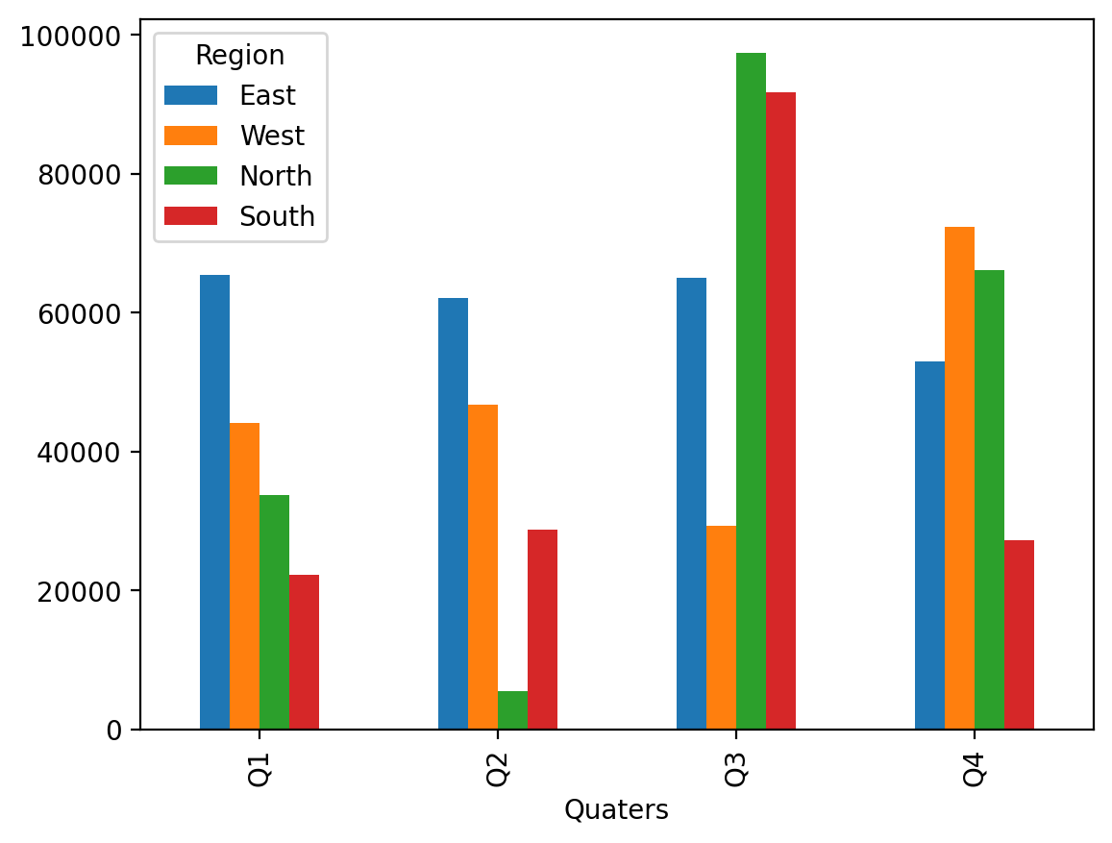
Import data with Xlwings

