Sheet1
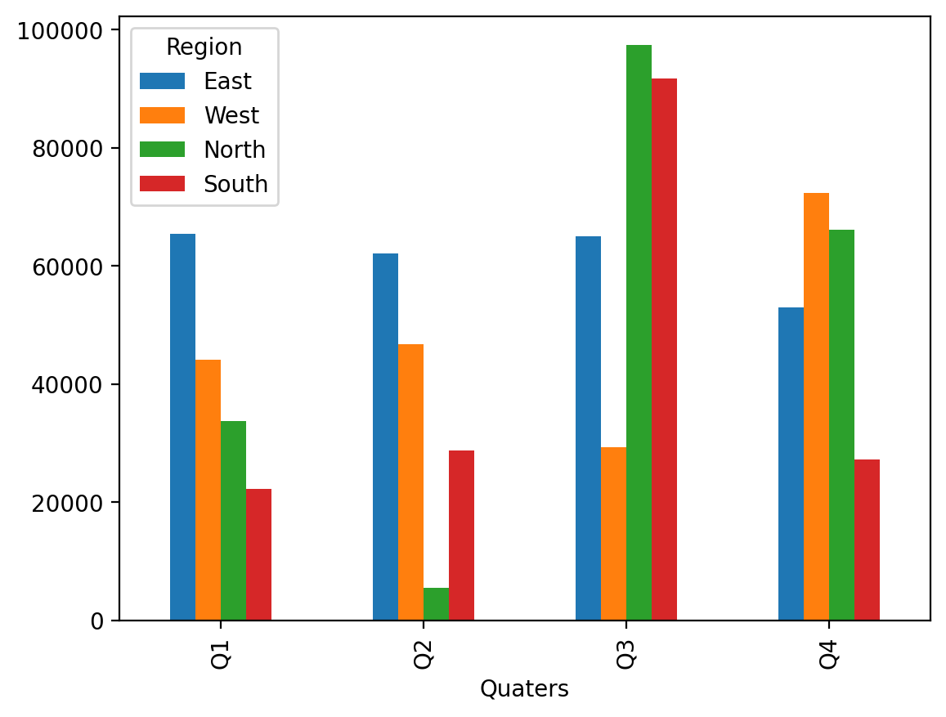
Import data with Xlwings | Quaters | East | West | North | South
 | Q1 | 65499.852631 | 44196.544797 | 33752.399459 | 22261.577997
 | Q2 | 62090.836531 | 46754.052307 | 5507.5499648 | 28804.978128
 | Q3 | 65084.850743 | 29393.981304 | 97419.608275 | 91684.405209
 | Q4 | 52985.371144 | 72400.102199 | 66205.576983 | 27217.505625

