Sheet1
Pivote data
transaction_date | Boston | Chicago | Las Vegas | New York | San Francisco | Washington DC
2019-01-01 | 465.15 | 1277.25 | 269.7 | 1740.25 | 1739.2 | 355.15
2019-01-02 | 621.8 | 1177.5 | 369.45 | 1833.85 | 1861.45 | 326.7
2019-01-03 | 449.85 | 1204.95 | 302.25 | 1614.05 | 1736.2 | 286.95
2019-01-04 | 600.45 | 1165.25 | 340.95 | 1712.95 | 1763.75 | 204.55
2019-01-07 | 599.4 | 1197.8 | 395.9 | 1427.7 | 1967.2 | 265.65
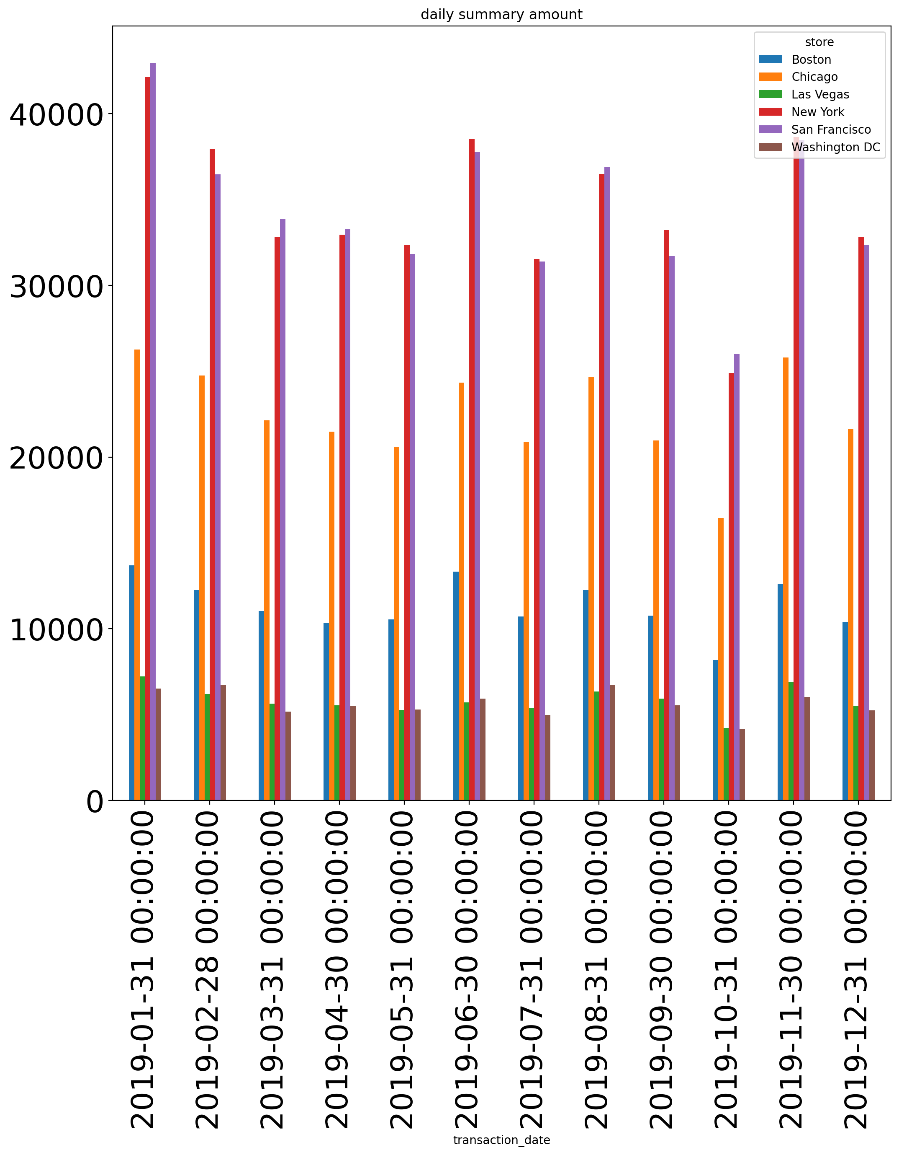
2019-01-08 | 698.05 | 987.05 | 215.7 | 2050.4 | 1866.45 | 344.05
2019-01-09 | 590.25 | 1136.8 | 391.85 | 1909.3 | 1971.3 | 316.5
2019-01-10 | 463 | 1027.8 | 408.1 | 1697.5 | 1714.85 | 247.3
2019-01-11 | 578 | 1093.9 | 388.75 | 1974.45 | 2116.85 | 353.25
2019-01-14 | 629.95 | 1103.25 | 388.75 | 2055.85 | 1939.65 | 295.2
2019-01-15 | 646.25 | 804.9 | 354.2 | 1875.6 | 1854.3 | 319.6
2019-01-16 | 691.1 | 1038.05 | 289 | 1872.55 | 2206.2 | 285.95
2019-01-17 | 615.6 | 1293.4 | 288.95 | 1608.1 | 1962.05 | 205.55
2019-01-18 | 653.3 | 1035.95 | 259.55 | 1873.55 | 1764.8 | 266.6
2019-01-21 | 573.95 | 1278.3 | 208.65 | 2002.95 | 1672.1 | 300.15
2019-01-22 | 555.6 | 1043.1 | 321.65 | 1853.4 | 1933.6 | 343.95
2019-01-23 | 488.55 | 1060.5 | 229.95 | 1857.4 | 1918.4 | 245.3
2019-01-24 | 587.3 | 1152.1 | 299.15 | 1900.15 | 1766.55 | 419.4
2019-01-25 | 569.9 | 1255.9 | 275.75 | 2043.55 | 1673.05 | 264.6
2019-01-28 | 639.1 | 1323.05 | 231 | 1679.15 | 1846.05 | 203.55
2019-01-29 | 578.1 | 1128.65 | 530.25 | 1641.55 | 2170.8 | 231
2019-01-30 | 820.25 | 1280.4 | 306.35 | 2105.75 | 1941.85 | 275.75
2019-01-31 | 586.2 | 1206.8 | 150.6 | 1798.25 | 1582.6 | 158.7
2019-02-01 | 531.2 | 1364.75 | 346.05 | 1800.35 | 2174.9 | 292.05
2019-02-04 | 474.25 | 1366.75 | 358.15 | 1897.05 | 2105.65 | 313.4
2019-02-05 | 585.15 | 1110.15 | 394.85 | 1775 | 1987.55 | 259.5
2019-02-06 | 633.95 | 1162.2 | 330.8 | 1868.7 | 1814.55 | 397.95
2019-02-07 | 506.8 | 1230.4 | 273.75 | 1757.55 | 1819.8 | 204.55
2019-02-08 | 614.6 | 1233.45 | 412.15 | 1942.9 | 1788 | 280.9
2019-02-11 | 640.15 | 1157.1 | 275.8 | 1747.3 | 1867.5 | 206.55
2019-02-12 | 595.35 | 1317 | 324.75 | 1842.1 | 1861.45 | 518.1
2019-02-13 | 560.75 | 1295.55 | 310.4 | 1890.8 | 1425.85 | 225.95
2019-02-14 | 689.05 | 1120.55 | 210.65 | 2156.65 | 2035.25 | 310.4
2019-02-15 | 805 | 1398.15 | 371.5 | 1945 | 1791.1 | 336.8
2019-02-18 | 672.7 | 1296.6 | 271.65 | 1892.9 | 1787.85 | 338.9
2019-02-19 | 609.55 | 1200.85 | 338.9 | 2017.2 | 1886.8 | 302.25
2019-02-20 | 534.4 | 1110.25 | 266.6 | 1850.1 | 1979.55 | 331.7
2019-02-21 | 623.85 | 1323 | 275.8 | 1765.65 | 1496.1 | 317.5
2019-02-22 | 531.25 | 1157.1 | 329.75 | 1958.95 | 1838.9 | 513.05
2019-02-25 | 714.3 | 1335.3 | 295.15 | 1879.75 | 1879.7 | 398.9
2019-02-26 | 672.75 | 1374.85 | 225.9 | 2012.05 | 1577.45 | 399.95
2019-02-27 | 737.85 | 1144.95 | 273.7 | 1989.85 | 1591.8 | 425.45
2019-02-28 | 510.95 | 1040.95 | 306.3 | 1936.7 | 1759.6 | 331.85
2019-03-01 | 383.65 | 848.75 | 188.2 | 1538.7 | 1412.5 | 255.4
2019-03-04 | 563.85 | 955.55 | 143.5 | 1727.1 | 1734.05 | 215.75
2019-03-05 | 572.95 | 1095.1 | 313.45 | 1452.25 | 1527.7 | 208.6
2019-03-06 | 533.2 | 982.05 | 272.7 | 1516.3 | 1754.55 | 316.5
2019-03-07 | 373.5 | 1252.75 | 245.3 | 1555.95 | 1639.55 | 292.1
2019-03-08 | 510.9 | 1192.75 | 292.05 | 1676.1 | 1565.35 | 244.25
2019-03-11 | 622.75 | 1018.8 | 206.65 | 1630.35 | 1919.55 | 132.3
2019-03-12 | 441.65 | 1176.45 | 232.05 | 1626.25 | 1643.65 | 281.9
2019-03-13 | 542.4 | 1320.95 | 211.65 | 1561.05 | 1645.45 | 163.8
2019-03-14 | 435.55 | 1171.2 | 349.15 | 1225.25 | 1908.1 | 292.1
2019-03-15 | 433.55 | 1013.7 | 286 | 1657.95 | 1522.4 | 187.25
2019-03-18 | 577 | 847.75 | 327.65 | 1445.25 | 1752.55 | 187.25
2019-03-19 | 538.35 | 1058.4 | 265.65 | 1671.05 | 1405.5 | 337.9
2019-03-20 | 715.45 | 974.1 | 275.85 | 1436.05 | 1544.85 | 255.45
2019-03-21 | 560.85 | 949.55 | 324.7 | 1640.55 | 1502.15 | 238.1
2019-03-22 | 661.45 | 1041.1 | 268.75 | 1568.1 | 1685.25 | 264.55
2019-03-25 | 502.8 | 1026.8 | 285 | 1512.25 | 1475.65 | 202.5
2019-03-26 | 486.5 | 921.1 | 308.3 | 1696.7 | 1614.25 | 328.75
2019-03-27 | 647.25 | 1076.7 | 150.6 | 1499.1 | 1560.05 | 206.6
2019-03-28 | 470.2 | 1178.6 | 432.55 | 1670.1 | 1706.7 | 372.5
2019-03-29 | 452.8 | 1028.85 | 257.5 | 1499.2 | 1356.65 | 190.25
2019-04-01 | 470.1 | 1196.05 | 318.5 | 1664.9 | 1729.05 | 254.4
2019-04-02 | 384.65 | 901.8 | 229 | 1348.35 | 1303.7 | 266.65
2019-04-03 | 546.45 | 1016.65 | 280.9 | 1509.3 | 1438.05 | 188.25
2019-04-04 | 408.05 | 873.15 | 169.95 | 1863.55 | 1457.35 | 233.05
2019-04-05 | 375.5 | 1045.25 | 163.85 | 1361.6 | 1548 | 271.75
2019-04-08 | 403.05 | 998.4 | 299.2 | 1446.15 | 1491.95 | 211.7
2019-04-09 | 599.35 | 1007.6 | 218.8 | 1293.55 | 1539.7 | 250.4
2019-04-10 | 448.85 | 897.5 | 259.55 | 1453.25 | 1387.15 | 281.9
2019-04-11 | 487.45 | 926.2 | 151.65 | 1431 | 1639.5 | 331.75
2019-04-12 | 541.45 | 1033.9 | 202.5 | 2021.15 | 1656.9 | 178.05
2019-04-15 | 314.45 | 1083.95 | 176 | 1184.45 | 1586.75 | 319.55
2019-04-16 | 577 | 972.95 | 285 | 1573.4 | 1416.65 | 284.9
2019-04-17 | 397 | 955.65 | 156.7 | 1639.45 | 1683.35 | 267.7
2019-04-18 | 372.5 | 1194.75 | 386.75 | 1408.45 | 1248.65 | 228
2019-04-19 | 481.3 | 881.4 | 209.65 | 1655 | 1535.6 | 263.6
2019-04-22 | 467.15 | 956.6 | 394.9 | 1192.8 | 1820.7 | 218.8
2019-04-23 | 582.2 | 1025 | 234.05 | 1507.4 | 1467.7 | 294.1
2019-04-24 | 555.7 | 923 | 341.95 | 1468.55 | 1487 | 125.15
2019-04-25 | 375.55 | 888.4 | 218.8 | 1618.15 | 1674.1 | 245.3
2019-04-26 | 560.8 | 1094.1 | 367.4 | 1393.1 | 1293.45 | 371.45
2019-04-29 | 463.05 | 858.9 | 273.8 | 1481.7 | 1450.2 | 259.5
2019-04-30 | 533.2 | 758.15 | 201.5 | 1439.1 | 1409.5 | 134.35
2019-05-01 | 390.8 | 931.2 | 265.6 | 1390.1 | 1250.65 | 144.5
2019-05-02 | 603.5 | 871.15 | 178.15 | 1546.95 | 1250.7 | 267.6
2019-05-03 | 553.55 | 845.6 | 289 | 1624.3 | 1335.2 | 234.1
2019-05-06 | 371.45 | 855.95 | 244.25 | 1702.75 | 1271.05 | 272.8
2019-05-07 | 634.15 | 978.05 | 210.65 | 1169.35 | 1279.2 | 275.8
2019-05-08 | 462 | 925.05 | 216.75 | 1233.5 | 1327.25 | 213.75
2019-05-09 | 337.85 | 764.3 | 201.5 | 1329 | 1326 | 192.35
2019-05-10 | 410.2 | 891.55 | 222.85 | 1261.95 | 1171.45 | 387.75
2019-05-13 | 495.65 | 823.45 | 200.4 | 1636.5 | 1231.45 | 252.4
2019-05-14 | 544.45 | 843.75 | 242.2 | 1537.9 | 1351.6 | 192.35
2019-05-15 | 313.45 | 831.4 | 197.4 | 1546.95 | 1591.75 | 224.9
2019-05-16 | 273.75 | 1065.65 | 325.75 | 1448.1 | 1521.4 | 250.3
2019-05-17 | 453.8 | 1018.7 | 271.7 | 1268.15 | 1514.55 | 266.65
2019-05-20 | 544.45 | 819.35 | 282.95 | 1305.65 | 1466.5 | 231.1
2019-05-21 | 602.5 | 904.65 | 170.95 | 1348.5 | 1733.15 | 227.95
2019-05-22 | 637.15 | 865.95 | 188.3 | 1265 | 1457.2 | 225.85
2019-05-23 | 349.05 | 797.9 | 148.55 | 1707.05 | 1309.65 | 276.8
2019-05-24 | 408.05 | 719.55 | 276.8 | 1534.7 | 1443.05 | 165.85
2019-05-27 | 300.2 | 985.1 | 280.9 | 1049.25 | 1272.05 | 218.8
2019-05-28 | 433.55 | 1054.35 | 211.65 | 1414.55 | 1407.6 | 236.05
2019-05-29 | 483.35 | 956.65 | 171.95 | 1169.45 | 1567.35 | 195.35
2019-05-30 | 434.6 | 965.75 | 197.45 | 1471.65 | 1386.15 | 158.75
2019-05-31 | 495.65 | 891.5 | 270.75 | 1387.25 | 1371.85 | 182.2
2019-06-03 | 734.75 | 977.1 | 242.2 | 1861.45 | 1922.5 | 373.55
2019-06-04 | 621.7 | 1152.05 | 269.7 | 2101.6 | 2198.25 | 162.8
2019-06-05 | 621.95 | 1164.2 | 300.2 | 2207.5 | 1833.85 | 201.5
2019-06-06 | 614.75 | 1251.8 | 230 | 1989.8 | 1920.15 | 326.75
2019-06-07 | 811.15 | 1386.25 | 429.5 | 1820.7 | 1958.15 | 194.4
2019-06-10 | 554.6 | 1326.15 | 349.05 | 2191.2 | 1834 | 374.5
2019-06-11 | 633 | 1205.95 | 314.5 | 1909.15 | 2101.7 | 257.5
2019-06-12 | 726.6 | 1137.75 | 251.4 | 1981.5 | 2015.05 | 368.45
2019-06-13 | 796.9 | 1486.95 | 276.9 | 1787 | 1754.55 | 386.8
2019-06-14 | 698.15 | 1407.45 | 295.2 | 1847.15 | 1784.9 | 179.1
2019-06-17 | 671.8 | 1125.6 | 262.55 | 2022.95 | 1893.1 | 227.95
2019-06-18 | 563.85 | 1315.9 | 385.7 | 1744.35 | 1847.05 | 413.2
2019-06-19 | 787.8 | 1352.45 | 333.85 | 1984.55 | 1795.05 | 238.05
2019-06-20 | 739.9 | 1037.95 | 167.9 | 1797.25 | 1961.3 | 322.6
2019-06-21 | 490.5 | 1116.3 | 263.6 | 1955.05 | 2007 | 298.2
2019-06-24 | 529.25 | 1084.8 | 272.75 | 1767.8 | 1590.6 | 308.35
2019-06-25 | 718.5 | 1164.3 | 348.1 | 1974.3 | 1876.75 | 255.35
2019-06-26 | 735.8 | 1194.75 | 293.05 | 1689.45 | 1859.3 | 393.85
2019-06-27 | 471.15 | 1129.65 | 190.25 | 1986.4 | 1750.35 | 406
2019-06-28 | 795.8 | 1310.8 | 237.15 | 1924.5 | 1883.7 | 237.15
2019-07-01 | 442.7 | 773.5 | 163.85 | 1420.7 | 1683.35 | 244.3
2019-07-02 | 576.05 | 1114.5 | 204.6 | 1411.65 | 1405.4 | 198.5
2019-07-03 | 521 | 776.55 | 190.3 | 1333.2 | 1293.5 | 218.8
2019-07-04 | 342.95 | 988.2 | 192.35 | 1144.8 | 1370.85 | 314.5
2019-07-05 | 567.9 | 1039.1 | 268.7 | 1375.95 | 1151.95 | 201.55
2019-07-08 | 323.65 | 838.55 | 259.5 | 1205.95 | 1321.9 | 224.95
2019-07-09 | 383.75 | 854.85 | 293.05 | 1457.25 | 1400.45 | 179.1
2019-07-10 | 513.9 | 895.5 | 257.4 | 1260.95 | 1372.85 | 168.9
2019-07-11 | 565.8 | 958.7 | 271.75 | 1593.5 | 1162.3 | 221.85
2019-07-12 | 493.6 | 891.5 | 259.55 | 1296.6 | 1347.5 | 144.5
2019-07-15 | 492.65 | 999.45 | 278.9 | 1252.75 | 1400.5 | 175.05
2019-07-16 | 409.1 | 899.65 | 167.95 | 1540.65 | 1511.2 | 264.65
2019-07-17 | 611.6 | 830.3 | 344.05 | 1319.9 | 1578.45 | 215.75
2019-07-18 | 525.2 | 1105.15 | 269.7 | 1436 | 1147 | 142.45
2019-07-19 | 490.55 | 791.7 | 192.4 | 1325.25 | 1476.65 | 195.35
2019-07-22 | 410.2 | 1121.45 | 175.05 | 1251.8 | 1403.4 | 252.35
2019-07-23 | 387.85 | 757.15 | 274.75 | 1441.3 | 1402.25 | 306.3
2019-07-24 | 379.7 | 869.1 | 185.25 | 1260.85 | 1262.85 | 238.1
2019-07-25 | 534.35 | 965.7 | 228 | 1213 | 1388.1 | 158.75
2019-07-26 | 420.3 | 898.7 | 199.45 | 1507.3 | 1307.75 | 266.6
2019-07-29 | 494.65 | 881.25 | 249.35 | 1274.1 | 1251.55 | 202.45
2019-07-30 | 444.8 | 873.2 | 198.4 | 1789.2 | 1371.9 | 223.9
2019-07-31 | 369.4 | 754.15 | 252.35 | 1434.95 | 1375 | 223.9
2019-08-01 | 630.9 | 1223.4 | 216.75 | 1718.85 | 1628.25 | 265.65
2019-08-02 | 625 | 1039.15 | 300.3 | 1855.25 | 1505.3 | 336.9
2019-08-05 | 303.2 | 1133.7 | 209.6 | 1770.8 | 1969.25 | 440.7
2019-08-06 | 517.05 | 1170.4 | 269.7 | 1831.8 | 1874.55 | 268.75
2019-08-07 | 587.1 | 998.35 | 335.85 | 1709.8 | 1738.25 | 331.7
2019-08-08 | 729.7 | 1384.2 | 257.45 | 1639.6 | 1569.3 | 278.85
2019-08-09 | 543.45 | 1157.1 | 408.2 | 1586.45 | 1846.2 | 335.9
2019-08-12 | 436.65 | 937.3 | 251.4 | 1729.95 | 1781 | 275.8
2019-08-13 | 547.4 | 1200.85 | 300.15 | 1374.8 | 1322.85 | 297.2
2019-08-14 | 678.85 | 1227.35 | 311.4 | 1628.4 | 1815.45 | 291.05
2019-08-15 | 584.2 | 1310.9 | 265.55 | 1549.1 | 1453.3 | 271.7
2019-08-16 | 547.6 | 977.05 | 346 | 1755.45 | 1814.65 | 350.05
2019-08-19 | 489.5 | 1141.9 | 266.6 | 1487.75 | 1629.5 | 343.95
2019-08-20 | 440.65 | 1221.35 | 299.2 | 1699.65 | 1720.05 | 204.55
2019-08-21 | 620.7 | 1072.65 | 264.6 | 1848.1 | 1679.35 | 352.1
2019-08-22 | 382.65 | 1270.15 | 217.8 | 1990.8 | 1828.75 | 347.05
2019-08-23 | 506.75 | 1151.2 | 278.9 | 1711.8 | 1865.5 | 231
2019-08-26 | 541.4 | 1006.5 | 383.6 | 1502.3 | 1459.3 | 346.05
2019-08-27 | 723.55 | 927.05 | 266.6 | 1380.95 | 1776.05 | 399.9
2019-08-28 | 615.75 | 948.5 | 293.1 | 1741.35 | 1610 | 275.85
2019-08-29 | 505.7 | 953.6 | 357.2 | 1630.4 | 1495.05 | 242.25
2019-08-30 | 681.95 | 1210.1 | 235.1 | 1348.25 | 1513.2 | 242.2
2019-09-02 | 679.85 | 958.8 | 302.35 | 1690.65 | 1425.75 | 262.6
2019-09-03 | 419.35 | 1241.65 | 312.5 | 1367.8 | 1447.2 | 305.3
2019-09-04 | 744.95 | 897.6 | 225.95 | 1486 | 1396.2 | 209.65
2019-09-05 | 600.35 | 877.4 | 252.45 | 1679.25 | 1314.8 | 204.5
2019-09-06 | 373.45 | 960.7 | 268.65 | 1518.35 | 1499.2 | 256.5
2019-09-09 | 544.5 | 1053.45 | 280.85 | 1668 | 1607.1 | 353.25
2019-09-10 | 640.2 | 866.15 | 217.8 | 1583.6 | 1252.75 | 206.6
2019-09-11 | 539.3 | 686.8 | 421.35 | 1450.25 | 1607.95 | 231.9
2019-09-12 | 501.65 | 853.8 | 270.7 | 1780.25 | 1449.3 | 271.75
2019-09-13 | 537.4 | 939.3 | 273.8 | 1876.55 | 1784.15 | 320.55
2019-09-16 | 524.1 | 1133.65 | 167.9 | 1393.15 | 1507.2 | 176.1
2019-09-17 | 451.9 | 1060.55 | 376.6 | 1384.05 | 1548.85 | 245.25
2019-09-18 | 547.45 | 1260.05 | 250.35 | 1599.95 | 1801.4 | 324.6
2019-09-19 | 465.15 | 1119.55 | 245.3 | 1535.7 | 1182.45 | 372.5
2019-09-20 | 429.5 | 1058.4 | 196.4 | 1412.45 | 1436 | 211.65
2019-09-23 | 464.05 | 970.9 | 293.1 | 1782.1 | 1478.75 | 235.15
2019-09-24 | 375.55 | 833.4 | 325.65 | 1687.4 | 1658.05 | 291.05
2019-09-25 | 568.8 | 900.75 | 411.15 | 1587.85 | 1884.85 | 177.1
2019-09-26 | 447.8 | 954.7 | 319.65 | 1657.9 | 1603 | 262.55
2019-09-27 | 444.8 | 1086.95 | 256.5 | 1528.75 | 1363.55 | 341.95
2019-09-30 | 457 | 1249.8 | 259.55 | 1556.2 | 1461.3 | 283.95
2019-10-01 | 383.7 | 644.2 | 206.55 | 1015.65 | 1190.7 | 180.1
2019-10-02 | 324.6 | 633 | 163.8 | 964.75 | 953.8 | 268.75
2019-10-03 | 377.6 | 573.95 | 155.75 | 870 | 1044.15 | 255.45
...

