Sheet1
summary data
transaction_date | Boston | Chicago | Las Vegas | New York | San Francisco | Washington DC
2019-01-31 | 13701.1 | 26272.65 | 7216.45 | 42128.25 | 42969.25 | 6515.4
2019-02-28 | 12243.85 | 24739.9 | 6192.6 | 37926.55 | 36469.35 | 6705.7
2019-03-31 | 11026.6 | 22131 | 5637.25 | 32805.6 | 33876.45 | 5173.8
2019-04-30 | 10344.8 | 21489.35 | 5540.4 | 32954.35 | 33265 | 5480.3
2019-05-31 | 10533.15 | 20606.55 | 5266.45 | 32348.55 | 31836.8 | 5293.95
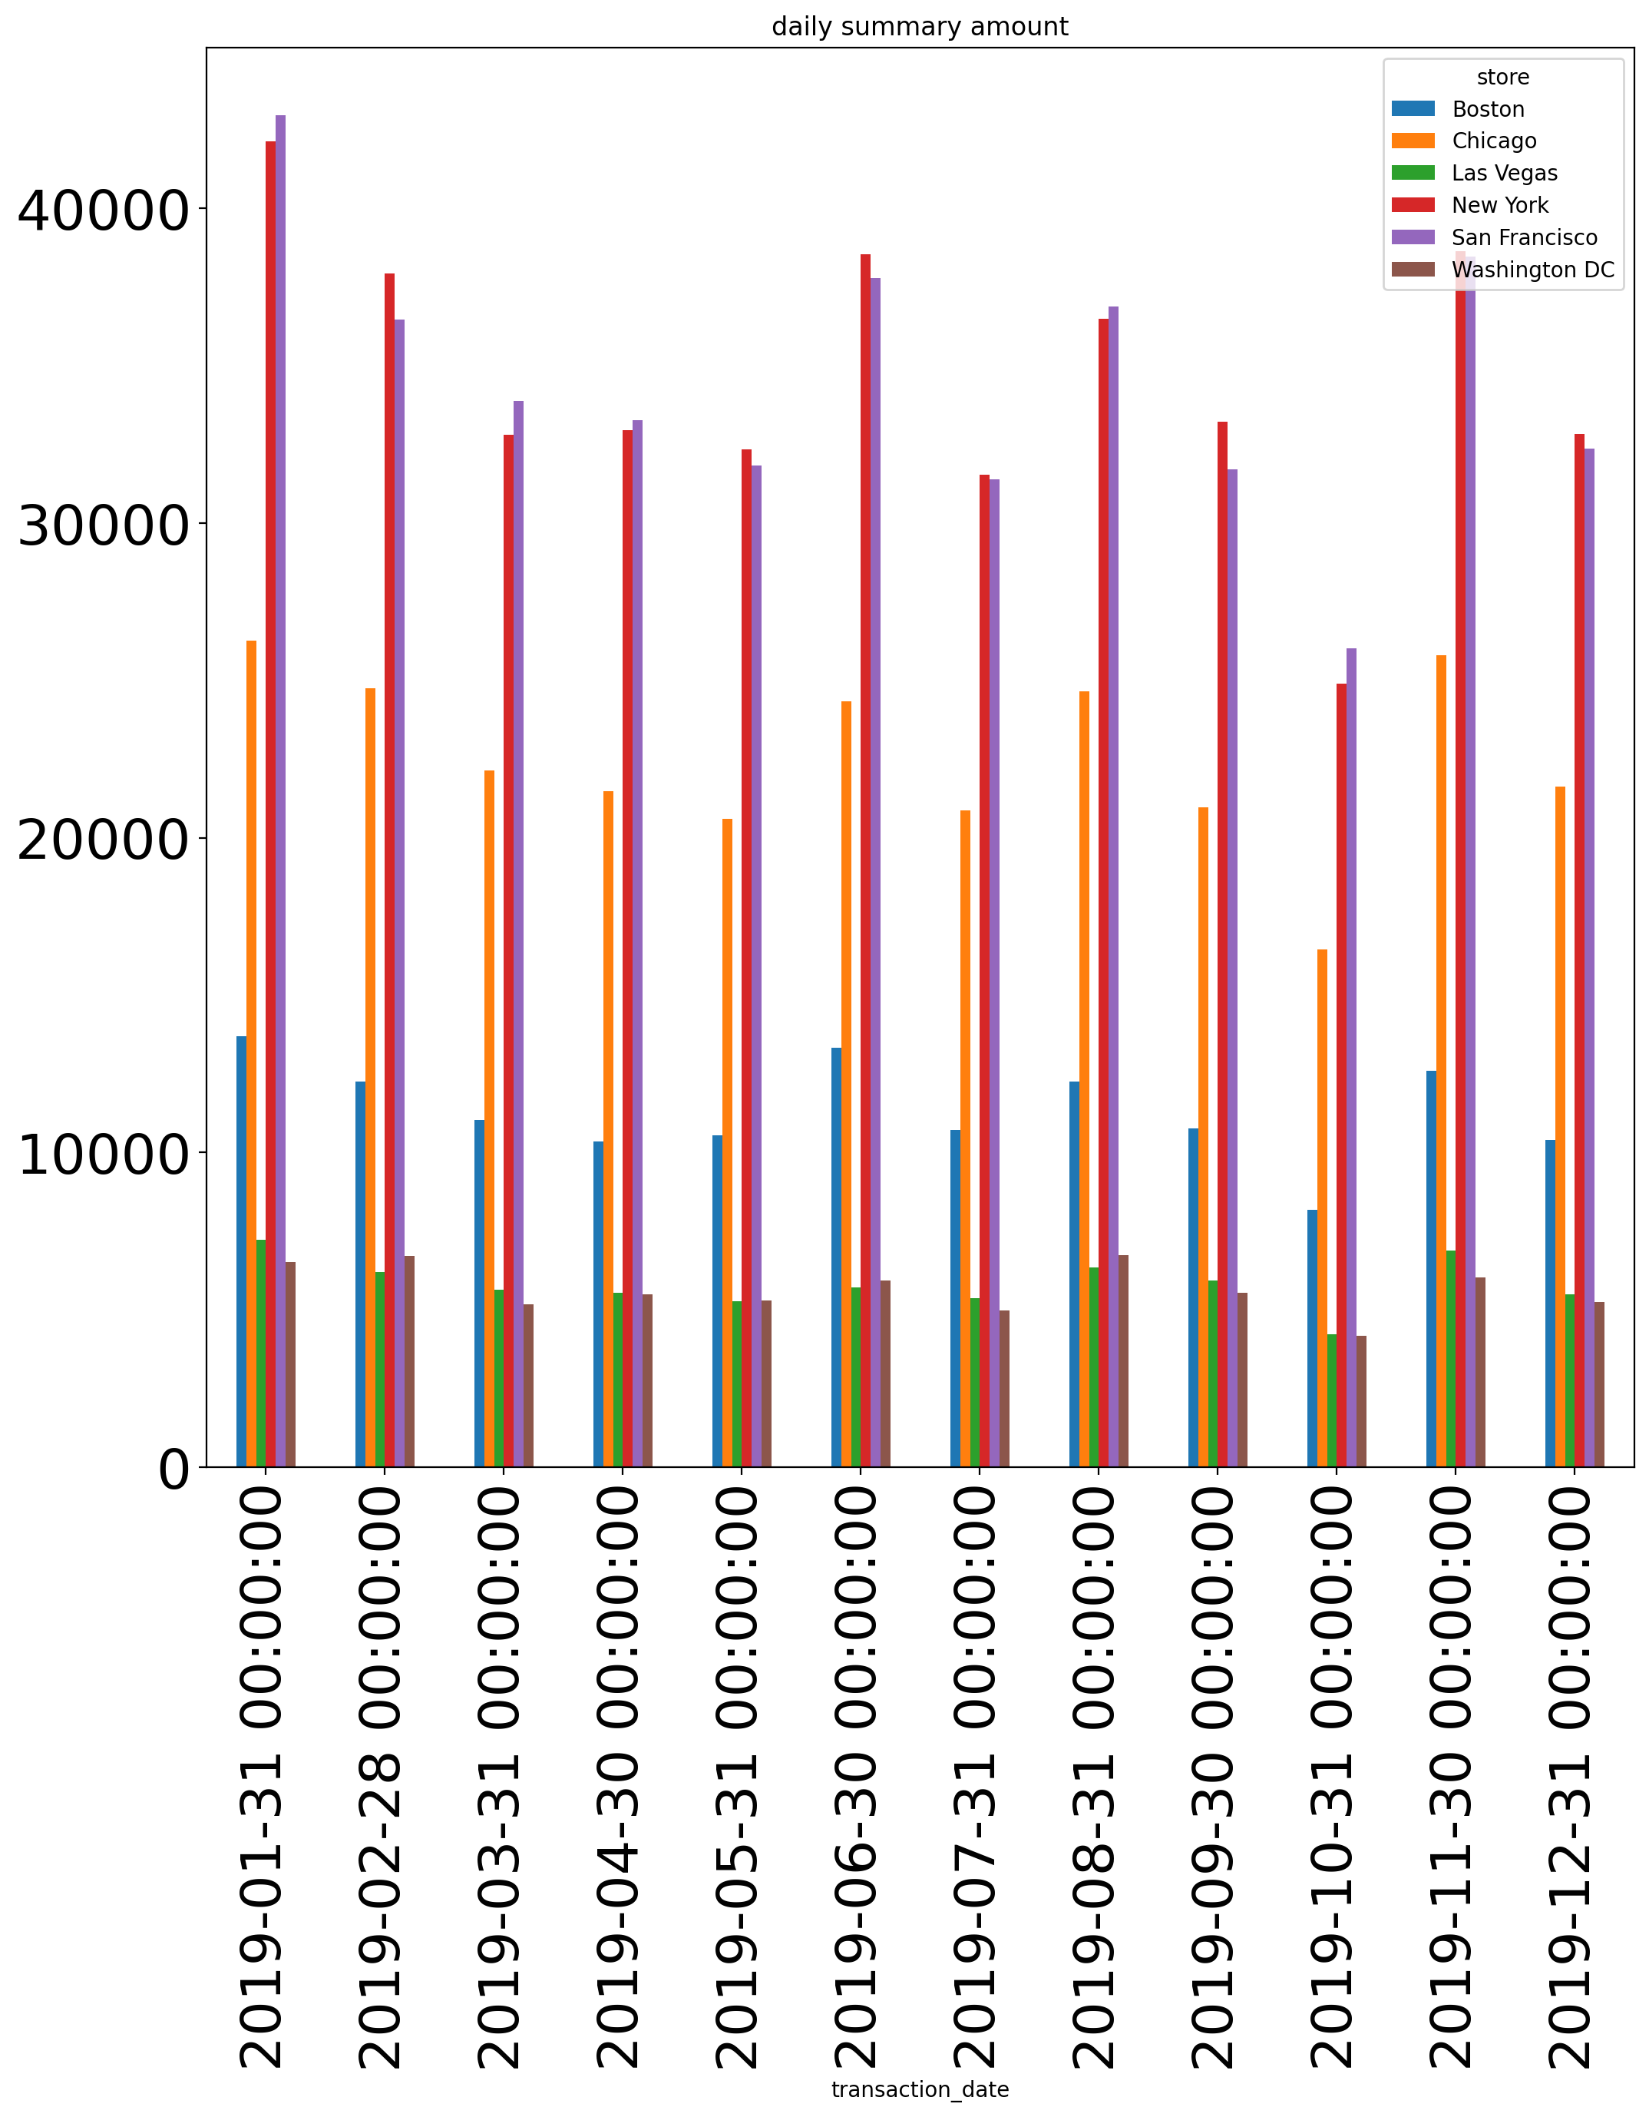
2019-06-30 | 13317.9 | 24328.15 | 5713.55 | 38543.65 | 37787.3 | 5926.05
2019-07-31 | 10701.65 | 20877.9 | 5376.65 | 31547.6 | 31386.65 | 4982.55
2019-08-31 | 12239.7 | 24662.75 | 6335.05 | 36491.6 | 36895.1 | 6729.15
2019-09-30 | 10757.1 | 20964.35 | 5928.55 | 33226.2 | 31709.8 | 5544.45
2019-10-31 | 8180.35 | 16446.3 | 4217.25 | 24889.95 | 26015.9 | 4171.45
2019-11-30 | 12583.9 | 25794.75 | 6880.75 | 38646.2 | 38479.2 | 6035
2019-12-31 | 10390 | 21619.95 | 5481.6 | 32828.1 | 32378.6 | 5245

