Sheet1
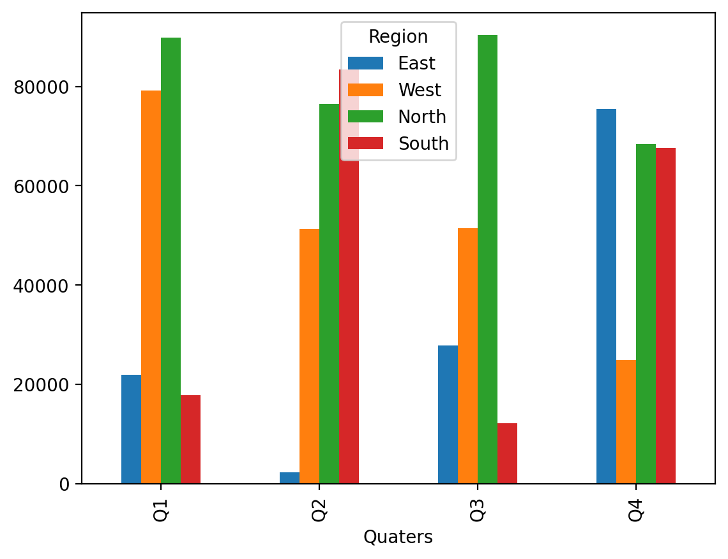
Import data with Xlwings | Quaters | East | West | North | South
 | Q1 | 21951.594692 | 79244.675946 | 89780.824497 | 17883.796351
 | Q2 | 2292.475023 | 51347.955398 | 76516.313693 | 83352.943439
 | Q3 | 27783.417621 | 51520.163302 | 90354.535396 | 12147.816023
 | Q4 | 75517.562768 | 24949.48797 | 68399.140561 | 67646.29888

