Office Prototype
NORESCO, Updated February 2025
OfficeSmall
Characteristic | Value | Data Sources
Building Type | Small Office
Building Category | Nonresidential
Vintages | 4 Vintages: Pre-1978 , 1978-1997 ,1998-2007 , 2008-2018 New Construction (2019+) | Based on the vintage bin analysis | NonRes-Vintage bins-Draft Report-30Nov2023-Final.docx
Shape | 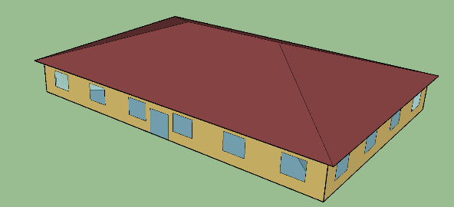 | Rectangular shape is supported by CBECS, CEC, and PNNL
Total Floor Area (ft2) | 5500 (90.8 ft x 60.5ft) | Supported by Dodge 2023 data (Same as CEC and PNNL)
Aspect Ratio | 1.5 | Same as CEC and PNNL
Number of Floors | 1 | Supported by Dodge 2023 data -(Same as CEC and PNNL) DEER considered two floors
Roof type | Tited (Low-Sloped) | Supported by CBECS 2018 data (Same as CEC and PNNL)
WWR | 24.4% for South and 19.8% for the other three orientations | CEC: overall 21.2% same as PNNL DEER: 33% in all directions CBECS: 2-25%
Window dimensions | 6.0 ft x 5.0 ft punch windows for all façades | Same as CEC and PNNL
Shading Geometry | No Shades | Same as CEC and PNNL
Floor to floor height (feet) | 10 | Same as CEC and PNNL
Floor to ceiling height (feet) | 10 | Same as CEC and PNNL
Glazing sill height (feet) | 3 (top of the window is 8 ft high with 5 ft high glass) | Same as CEC and PNNL

Zones
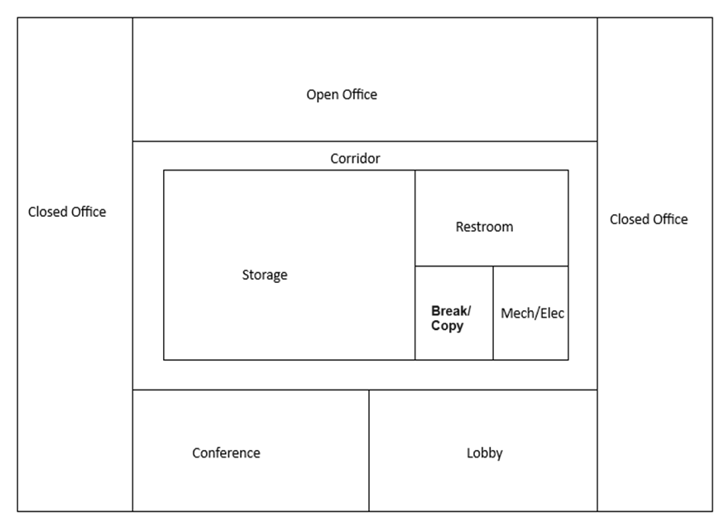
N
Proposed OfficeSmall
Space | Thermal Zone | Conditioned [Y/N] | Area Fraction | Dimension (ft) |  | Area (ft²) | Volume [ft³] | Multipliers | People [Persons/1,000 ft2] Ref: Title 24, 2025, Table 120.1-A
Open_Office_N | North_ZN | Yes | 17% | 60.8467 | 15.0 | 912.70 | 9,127 | 1 | 5
Closed_Office_W | West_ZN | Yes | 17% | 15.0 | 60.6 | 908 | 9,085 | 1 | 5
Closed_Office_E | East_ZN | Yes | 17% | 15.0 | 60.6 | 908 | 9,085 | 1 | 5
Conference | South_ZN | Yes | 8% | 30.4 | 15.0 | 456 | 4,564 | 1 | 33
Lobby + Lounge | South_ZN | Yes | 8% | 30.4 | 15.0 | 456 | 4,564 | 1 | 5
Storage | West_ZN | Yes | 14% | 33.0 | 22.6 | 744 | 7,439 | 1 | 2
Mechanical/Electrical | East_ZN | Yes | 2% | 10.1 | 11.3 | 114 | 1,142 | 1 | -
Restroom | East_ZN | Yes | 4% | 19.9 | 11.3 | 224 | 2,243 | 1 | -
Break/Copy Room | East_ZN | Yes | 2% | 9.8 | 11.3 | 110 | 1,101 | 1 | 33
Corridor-W | West_ZN | Yes | 2% | 30.6 | 4.0 | 122 | 1,223 | 1 | 5
Corridor-N | North_ZN | Yes | 4% | 52.8 | 4.0 | 211 | 2,114 | 1 | 5
Corridor-E | East_ZN | Yes | 2% | 30.6 | 4.0 | 122 | 1,223 | 1 | 5
Corridor-S | South_ZN | Yes | 4% | 52.8 | 4.0 | 211 | 2,114 | 1 | 5
Attic | Attic_ZN | No |  |  |  | 6,114 | 25,437 | 1 | -
Total (14 Space) | Total (5 Thermal Zones) | Total (4 Conditioned zones, 1 Unconditioned Zones) |  | 90.8 | 60.6 | 5,502 | 80,458 | 1

Ref: Geometry and zones: ORNL 2019 small office prototype with modification
https://web.eecs.utk.edu/~jnew1/publications/2019_IBPSA_OpenStudioOffice.pdf
https://web.eecs.utk.edu/~jnew1/presentations/2019_IBPSA_OpenStudioOffice.pdf

Schedules
Occupancy (*overall)
Schedules - OfficeSmall
Schedule | Source | Zone | Type | Hour
 |  |  |  | 1 | 2 | 3 | 4 | 5 | 6 | 7 | 8 | 9 | 10 | 11 | 12 | 13 | 14 | 15 | 16 | 17 | 18 | 19 | 20 | 21 | 22 | 23 | 24
Occupancy | T24 2022 - Appendix 5.4A | Office Zones | Weekday | 0 | 0 | 0 | 0 | 0 | 0 | 0.1 | 0.2 | 0.95 | 0.95 | 0.95 | 0.95 | 0.5 | 0.95 | 0.95 | 0.95 | 0.95 | 0.3 | 0.1 | 0.1 | 0.1 | 0.1 | 0.05 | 0
 |  |  | Saturday | 0 | 0 | 0 | 0 | 0 | 0 | 0.1 | 0.1 | 0.3 | 0.3 | 0.3 | 0.3 | 0.1 | 0.1 | 0.1 | 0.1 | 0.1 | 0.05 | 0.05 | 0 | 0 | 0 | 0 | 0
 |  |  | Sunday | 0 | 0 | 0 | 0 | 0 | 0 | 0.05 | 0.05 | 0.05 | 0.05 | 0.05 | 0.05 | 0.05 | 0.05 | 0.05 | 0.05 | 0.05 | 0.05 | 0 | 0 | 0 | 0 | 0 | 0
Lighting
Lighting | T24 2022 - Appendix 5.4A | Office Zones | Weekday | 0.05 | 0.05 | 0.05 | 0.05 | 0.05 | 0.1 | 0.1 | 0.3 | 0.65 | 0.65 | 0.65 | 0.65 | 0.65 | 0.65 | 0.65 | 0.65 | 0.65 | 0.35 | 0.3 | 0.3 | 0.2 | 0.2 | 0.1 | 0.05
 |  |  | Saturday | 0.05 | 0.05 | 0.05 | 0.05 | 0.05 | 0.05 | 0.1 | 0.1 | 0.3 | 0.3 | 0.3 | 0.3 | 0.15 | 0.15 | 0.15 | 0.15 | 0.15 | 0.05 | 0.05 | 0.05 | 0.05 | 0.05 | 0.05 | 0.05
 |  |  | Sunday | 0.05 | 0.05 | 0.05 | 0.05 | 0.05 | 0.05 | 0.05 | 0.05 | 0.05 | 0.05 | 0.05 | 0.05 | 0.05 | 0.05 | 0.05 | 0.05 | 0.05 | 0.05 | 0.05 | 0.05 | 0.05 | 0.05 | 0.05 | 0.05
Equipment
Equipmet (Plug load) | T24 2022 - Appendix 5.4A | Office | Weekday | 0.05 | 0.05 | 0.05 | 0.05 | 0.05 | 0.10 | 0.10 | 0.30 | 0.90 | 0.90 | 0.90 | 0.90 | 0.90 | 0.90 | 0.90 | 0.90 | 0.90 | 0.50 | 0.30 | 0.30 | 0.20 | 0.20 | 0.10 | 0.05
 |  |  | Saturday | 0.05 | 0.05 | 0.05 | 0.05 | 0.05 | 0.05 | 0.10 | 0.10 | 0.30 | 0.30 | 0.30 | 0.30 | 0.15 | 0.15 | 0.15 | 0.15 | 0.15 | 0.05 | 0.05 | 0.05 | 0.05 | 0.05 | 0.05 | 0.05
 |  |  | Sunday | 0.05 | 0.05 | 0.05 | 0.05 | 0.05 | 0.05 | 0.05 | 0.05 | 0.05 | 0.05 | 0.05 | 0.05 | 0.05 | 0.05 | 0.05 | 0.05 | 0.05 | 0.05 | 0.05 | 0.05 | 0.05 | 0.05 | 0.05 | 0.05
HVAC System Capacity
Operating Schedule
System Capacity fraction | Developed based on CEC and CEUS | Office Zones | Weekday | 0 | 0 | 0 | 0 | 0 | 0 | 0.2 | 0.7 | 1 | 1 | 1 | 1 | 1 | 1 | 1 | 1 | 1 | 0.7 | 0.5 | 0.3 | 0.2 | 0.2 | 0 | 0
 |  |  | Saturday | 0 | 0 | 0 | 0 | 0 | 0 | 0.1 | 0.1 | 0.5 | 0.5 | 0.5 | 0.5 | 0.1 | 0.1 | 0.1 | 0.1 | 0.1 | 0.05 | 0.005 | 0 | 0 | 0 | 0 | 0
HVAC System Operating- Closed Office Zones
Alternative HVAC System Operating
Alternative HVAC System Operating | Developed based on CEC schedules and CEUS operating hours | Office Closed Zones | Weekday | 0 | 0 | 0 | 0 | 0 | 0 | 0 | 1 | 1 | 1 | 1 | 1 | 1 | 1 | 1 | 1 | 1 | 1 | 0 | 0 | 0 | 0 | 0 | 0
 |  |  | Saturday | 0 | 0 | 0 | 0 | 0 | 0 | 0 | 0 | 1 | 1 | 1 | 1 | 0 | 0 | 0 | 0 | 0 | 0 | 0 | 0 | 0 | 0 | 0 | 0
 |  |  | Otherday | 0 | 0 | 0 | 0 | 0 | 0 | 0 | 0 | 0 | 0 | 0 | 0 | 0 | 0 | 0 | 0 | 0 | 0 | 0 | 0 | 0 | 0 | 0 | 0
HVAC System Operating- Open Office Zones
 |  | Office Open Zones | Weekday | 0 | 0 | 0 | 0 | 0 | 0 | 1 | 1 | 1 | 1 | 1 | 1 | 1 | 1 | 1 | 1 | 1 | 1 | 1 | 1 | 1 | 1 | 0 | 0
 |  |  | Saturday | 0 | 0 | 0 | 0 | 0 | 0 | 0 | 0 | 0 | 0 | 0 | 0 | 0 | 0 | 0 | 0 | 0 | 0 | 0 | 0 | 0 | 0 | 0 | 0
 |  |  | Otherday | 0 | 0 | 0 | 0 | 0 | 0 | 0 | 0 | 0 | 0 | 0 | 0 | 0 | 0 | 0 | 0 | 0 | 0 | 0 | 0 | 0 | 0 | 0 | 0

