Prototype
NORESCO, Updated September 2026
OfficeLarge
Characteristic | Value | Data Sources
Building Type | Large Office
Building Category | Nonresidential
Version | v2-0
Vintages | 4 Vintages: Pre-1978 , 1978-1997 ,1998-2007 , 2008-2018 New Construction (2019+) | Based on the vintage bin analysis. A summary of the findings is presented in the following paper, with a link provided in the Notes tab: Yousefi, F., Athalye, R. (2025). “Determining Vintage Bins for Prototype Development: An Analysis of California Commercial Buildings.” ASHRAE Annual Conference.
Shape | 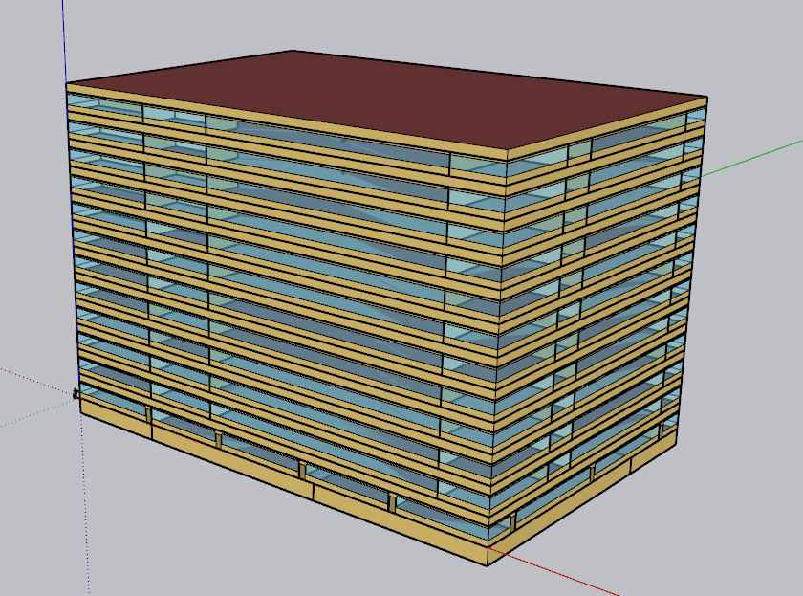 | Assume number of floors based on the existing Large Office prototypes (PNNL, CEC) Assume rectangular shape; supported by CBECS, CEC, and PNNL The logic behind the geometry of the CalBEM Office prototypes' shell is described in the following paper, with a link provided in the Notes tab: Yousefi, F., & Athalye, R. (2026). "Developing a New Set of Prototypical Models for Office Buildings in California", IBPSA-USA Conference.
Total Floor Area (ft2) | 498,589 (240 ft *160 ft) | Supported by Dodge 2023 data (Same as CEC and PNNL)
Aspect Ratio | 1.5 | Assumption; same as CEC and PNNL Large Office prototype
Number of Floors | 12 Floor + basement | Number of floors: based on the existing Large Office prototypes (PNNL,CEC)
Roof type | Flat | Supported by CBECS 2018 data (Same as CEC and PNNL)
WWR | 40% of the above grade wall
Window dimensions | Even distribution
Shading Geometry | None
Floor to floor height (feet) | 13 | Assumption, standard ceiling height in office buildings; same as CEC and PNNL Large Office prototype.
Floor to ceiling height (feet) | 9 | Assumption; same as CEC and PNNL Large Office prototype
Glazing sill height (feet) | 3 | Assumption; same as CEC and PNNL Large Office prototype

Zones
N
Proposed Layout - OfficeLarge
Building | Space/ Thermal Zone | Space Type [Primarily from: T24, 2022 Appendix 5.4A] - See Notes column | HVAC System Name New Construction | HVAC System Name Vintage 1-4 | Schedule Category | Conditioned (Y/N) | Area Fraction | Area (ft²) | Volume (ft³) | Multipliers | Number of People | People (Persons/1,000 ft²) [T24, 2025,Table 120.1-A] | Notes | Total area fraction | Thermal Zone Layout - Each space has its own thermal zone
OfficeLarge | Perimeter_Open_Office_N_Basement | Office Area (>250 square feet) | VAV With Reheat_Basement | VAV_Basement | Office | Yes | 1.7% | 8,417 | 75,752 | 1 | 42 | 5 |  | 2%
OfficeLarge | Perimeter_Open_Office_S_Basement | Office Area (>250 square feet) | VAV With Reheat_Basement | VAV_Basement | Office | Yes | 0.7% | 3,662 | 32,960 | 1 | 18 | 5 |  | 1% |  | Basement |  |  | First Floor |  |  | Middle/Top Floors
OfficeLarge | Core_Enclosed_Office_Basement | Office Area (>250 square feet) | VAV With Reheat_Basement | VAV_Basement | Office | Yes | 0.7% | 3,704 | 33,333 | 1 | 19 | 5 |  | 1%
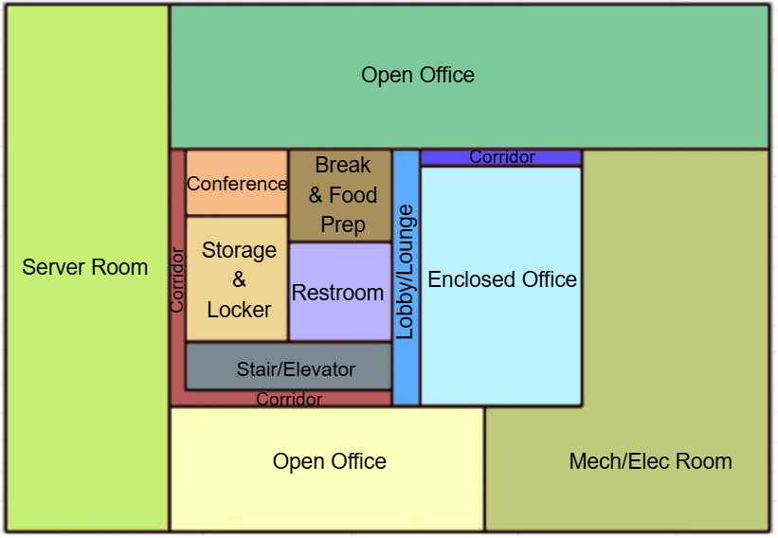
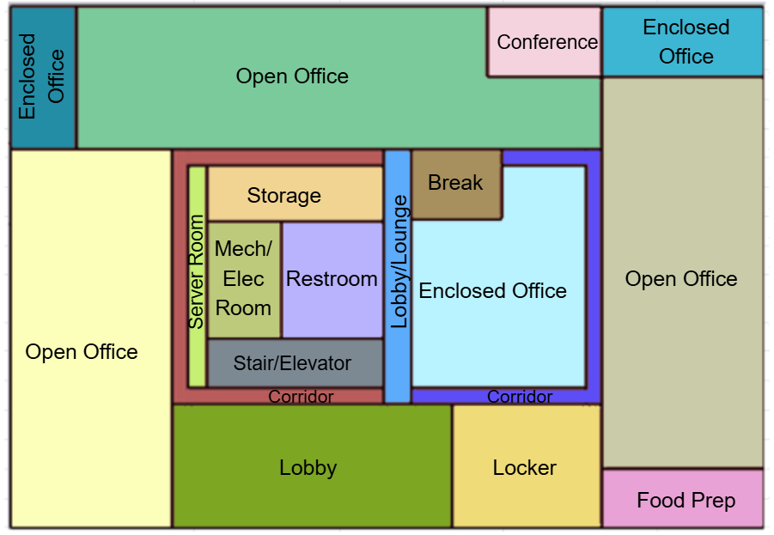
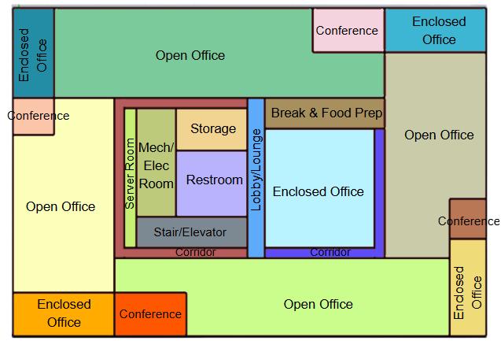
OfficeLarge | Server_Room_Basement | Server Room (EPD 45) | CRAH_ServerRoom_Basement | CAV CW | Data | Yes | 1.7% | 8,228 | 74,052 | 1 | 12 | 2 | New space type defined for this prototype. | 2%
OfficeLarge | Mech/Elec_Basement | Electrical, Mechanical, Telephone Rooms | VAV With Reheat_Basement | VAV_Basement | Ancillary | Yes | 1.6% | 7,958 | 71,622 | 1 | 0 | 0 |  | 2%
OfficeLarge | Conference_Basement | Convention, Conference, Multipurpose and Meeting Area | VAV With Reheat_Basement | VAV_Basement | Office | Yes | 0.1% | 580 | 5,217 | 1 | 19 | 33 |  | 0%
OfficeLarge | BreakRoom/FoodPrep_Basement | Lounge, Breakroom, or Waiting Area | VAV With Reheat_Basement | VAV_Basement | Office | Yes | 0.2% | 973 | 8,757 | 1 | 32 | 33 |  | 0%
OfficeLarge | Storage_Basement | Storage (General) | VAV With Reheat_Basement | VAV_Basement | Office | Yes | 0.2% | 1,231 | 11,079 | 1 | 0 | 0 | Occupant load density for storage is based on Title 24, 2025, Appendix 5.4A. | 0.2%
OfficeLarge | Restroom_Basement | Restrooms |  |  | Office | Yes | 0.2% | 986 | 8,874 | 1 | 0 | 0 | Indirectly conditioned | 0%
OfficeLarge | Lobby/Lounge_Basement | Lounge, Breakroom, or Waiting Area | VAV With Reheat_Basement | VAV_Basement | Office | Yes | 0.1% | 707 | 6,363 | 1 | 11 | 15 | Increased the ASHRAE 62.1 number of people (10) since this area is more of a lounge/lobby space and not main entry lobby. Number of People: 10 according to ASHRAE 62.1 Table 6-1 for main entry lobbies T24: 33 for main Entry lobbies & 5 for reception area | 0%
OfficeLarge | Stair/Elevator_Basement | Stairwell | VAV With Reheat_Basement | VAV_Basement | Ancillary | Yes | 0.2% | 941 | 8,469 | 1 | 0 | 0 |  | 0%
OfficeLarge | Corridor_W_Basement | Corridor Area | VAV With Reheat_Basement | VAV_Basement | Office | Yes | 0.1% | 703 | 6,327 | 1 | 4 | 5 |  | 0%
OfficeLarge | Corridor_E_Basement | Corridor Area | VAV With Reheat_Basement | VAV_Basement | Office | Yes | 0.1% | 263 | 2,366 | 1 | 1 | 5 |  | 0%
OfficeLarge | Perimeter_Open_Office_N_FloorG | Office Area (>250 square feet) | VAV With Reheat_FloorG | AHU VAV_FloorG | Office | Yes | 1.4% | 7,131 | 64,182 | 1 | 36 | 5 |  | 1%
OfficeLarge | Perimeter_Open_Office_W_FloorG | Office Area (>250 square feet) | VAV With Reheat_FloorG | AHU VAV_FloorG | Office | Yes | 1.2% | 5,796 | 52,162 | 1 | 29 | 5 |  | 1%
OfficeLarge | Perimeter_Open_Office_E_FloorG | Office Area (>250 square feet) | VAV With Reheat_FloorG | AHU VAV_FloorG | Office | Yes | 1.2% | 5,875 | 52,879 | 1 | 29 | 5 |  | 1%
OfficeLarge | Perimeter_Enclosed_Office_NE_FloorG | Office Area (>250 square feet) | VAV With Reheat_FloorG | AHU VAV_FloorG | Office | Yes | 0.2% | 917 | 8,256 | 1 | 5 | 5 |  | 0%
OfficeLarge | Perimeter_Enclosed_Office_NW_FloorG | Office Area (>250 square feet) | VAV With Reheat_FloorG | AHU VAV_FloorG | Office | Yes | 0.2% | 1,131 | 10,181 | 1 | 6 | 5 |  | 0% | Basement |  |  |  | First Floor |  |  |  | Middle/Top Floors
OfficeLarge | Core_Enclosed_Office_FloorG | Office Area (>250 square feet) | VAV With Reheat_FloorG | AHU VAV_FloorG | Office | Yes | 0.7% | 3,312 | 29,811 | 1 | 17 | 5 |  | 1% | Area Distribution By Space Type |  |  |  | Area Distribution By Space Type |  |  |  | Area Distribution By Space Type
OfficeLarge | Server_Room_FloorG | Computer Room (EPD 20) | CRAC DX Clg_FloorG | CRAC DX Clg | Data | Yes | 0.1% | 417 | 3,754 | 1 | 1 | 1.5 | New space type defined for this prototype. | 0% | Space Type | Area (ft2)​ | % of footprint |  | Space Type | Area (ft2)​ | % of footprint |  | Space Type | Area (ft2)​ | % of footprint
OfficeLarge | Mech/Elec_FloorG | Electrical, Mechanical, Telephone Rooms | VAV With Reheat_FloorG | AHU VAV_FloorG | Ancillary | Yes | 0.2% | 849 | 7,641 | 1 | 0 | 0 |  | 0% | Open office​ | 12,079 | 31.5% |  | Open office​ | 18,803 | 49% |  | Open office​ | 21,288 | 55.5%
OfficeLarge | Conference_FloorG | Convention, Conference, Multipurpose and Meeting Area | VAV With Reheat_FloorG | AHU VAV_FloorG | Office | Yes | 0.2% | 790 | 7,108 | 1 | 26 | 33 |  | 0% | Core Enclosed Office​ | 3,704 | 9.7% |  | Core Enclosed Office​ | 3,312 | 9% |  | Core Enclosed Office​ | 3,233 | 8.4%
OfficeLarge | BreakRoom_FloorG | Lounge, Breakroom, or Waiting Area | VAV With Reheat_FloorG | AHU VAV_FloorG | Office | Yes | 0.1% | 618 | 5,564 | 1 | 20 | 33 |  | 0% | Perimeter Enclosed Office​ | _ | _ |  | Perimeter Enclosed Office​ | 2,049 | 5% |  | Perimeter Enclosed Office​ | 4,093 | 10.7%
OfficeLarge | FoodPrep_FloorG | Kitchen/Food Preparation Area | VAV With Reheat_FloorG | AHU VAV_FloorG | Office | Yes | 0.2% | 937 | 8,432 | 1 | 3 | 3 |  | 0% | Conference​ | 580 | 1.5% |  | Conference​ | 790 | 2% |  | Conference​ | 2,323 | 6.1%
OfficeLarge | Storage_FloorG | Storage (General) | VAV With Reheat_FloorG | AHU VAV_FloorG | Office | Yes | 0.2% | 959 | 8,631 | 1 | 0 | 0 | Occupant load density for storage is based on Title 24, 2025, Appendix 5.4A. | 0% | Break + Food prep​ | 973 | 2.5% |  | Break + Food prep​ | 1,555 | 4% |  | Break + Food prep​ | 910 | 2.4%
OfficeLarge | Locker_FloorG | Locker Room | VAV With Reheat_FloorG | AHU VAV_FloorG | Office | Yes | 0.4% | 1,765 | 15,887 | 1 | 18 | 10 | Based on 2022 CEC AP5 | 0% | Storage​ | 1,231 | 3.2% |  | Storage​+locker | 2,724 | 7% |  | Storage​ | 738 | 1.9%
OfficeLarge | Lobby_S_FloorG | Lobby, Main Entry | VAV With Reheat_FloorG | AHU VAV_FloorG | Office | Yes | 0.7% | 3,361 | 30,246 | 1 | 34 | 10 | According to ASHRAE 62.1 Table 6-1 for main entry lobbies | 1% | Mech/Elec​ | 7,958 | 20.7% |  | Mech/Elec​ | 849 | 2% |  | Mech/Elec​ | 1,070 | 2.8%
OfficeLarge | Lobby/Lounge_FloorG | Lounge, Breakroom, or Waiting Area | VAV With Reheat_FloorG | AHU VAV_FloorG | Office | Yes | 0.1% | 684 | 6,155 | 1 | 10 | 15 | Increased the ASHRAE 62.1 number of people (10) since this area is more of a lounge/lobby space and not main entry lobby. | 0% | Server Room​ | 8,228 | 21.5% |  | Server Room​ | 417 | 1% |  | Server Room​ | 418 | 1.1%
OfficeLarge | Restroom_FloorG | Restrooms |  |  | Office | Yes | 0.2% | 1,156 | 10,405 | 1 | 0 | 0 | Indirectly conditioned | 0% | Corridor​ | 966 | 2.5% |  | Corridor​ | 1,805 | 5% |  | Corridor​ | 1,591 | 4.1%
OfficeLarge | Stair/Elevator_FloorG | Stairwell | VAV With Reheat_FloorG | AHU VAV_FloorG | Ancillary | Yes | 0.2% | 848 | 7,632 | 1 | 0 | 0 |  | 0% | Restroom​ | 986 | 2.6% |  | Restroom​ | 1,156 | 3% |  | Restroom​ | 1,155 | 3.0%
OfficeLarge | Corridor_W_FloorG | Corridor Area | VAV With Reheat_FloorG | AHU VAV_FloorG | Office | Yes | 0.2% | 1,006 | 9,053 | 1 | 5 | 5 |  | 0% | Lobby​/Lounge | 707 | 1.8% |  | Lobby​/Lounge | 4,045 | 11% |  | Lobby​/Lounge | 684 | 1.8%
OfficeLarge | Corridor_E_FloorG | Corridor Area | VAV With Reheat_FloorG | AHU VAV_FloorG | Office | Yes | 0.2% | 799 | 7,189 | 1 | 4 | 5 |  | 0% | Stair/Elevator​ | 941 | 2.5% |  | Stair/Elevator​ | 848 | 2% |  | Stair/Elevator​ | 848 | 2.2%
OfficeLarge | Plenum_FloorG | Plenum | _ | - |  | No |  | 38,353 | 153,412 | 1 | 0 | 0 |  | 0% | Plenum​ | 38,353 | 100% |  | Plenum​ | 38,353 | 100% |  | Plenum​ | 38,353 ​ | 100.0%
OfficeLarge | Perimeter_Open_Office_N_FloorM | Office Area (>250 square feet) | VAV With Reheat_FloorM | AHU VAV_FloorM | Office | Yes | 1.4% | 7,131 | 64,182 | 10 | 36 | 5 |  | 14% | Total | 38,353 | 100.0% |  | Total |  | 100.0% |  | Total |  | 100.0%
OfficeLarge | Perimeter_Open_Office_S_FloorM | Office Area (>250 square feet) | VAV With Reheat_FloorM | AHU VAV_FloorM | Office | Yes | 1.1% | 5,237 | 47,136 | 10 | 26 | 5 |  | 11%
OfficeLarge | Perimeter_Open_Office_E_FloorM | Office Area (>250 square feet) | VAV With Reheat_FloorM | AHU VAV_FloorM | Office | Yes | 0.9% | 4,470 | 40,234 | 10 | 22 | 5 |  | 9%
OfficeLarge | Perimeter_Open_Office_W_FloorM | Office Area (>250 square feet) | VAV With Reheat_FloorM | AHU VAV_FloorM | Office | Yes | 0.9% | 4,449 | 40,039 | 10 | 22 | 5 |  | 9% | Area Distribution By Space Type
OfficeLarge | Perimeter_Enclosed_Office_NE_FloorM | Office Area (>250 square feet) | VAV With Reheat_FloorM | AHU VAV_FloorM | Office | Yes | 0.2% | 917 | 8,256 | 10 | 5 | 5 |  | 2% | Space Type |  |  | % Area
OfficeLarge | Perimeter_Enclosed_Office_NW_FloorM | Office Area (>250 square feet) | VAV With Reheat_FloorM | AHU VAV_FloorM | Office | Yes | 0.2% | 1,131 | 10,181 | 10 | 6 | 5 |  | 2% | Office Area (>250 square feet) |  |  | 71.1%
OfficeLarge | Perimeter_Enclosed_Office_SW_FloorM | Office Area (>250 square feet) | VAV With Reheat_FloorM | AHU VAV_FloorM | Office | Yes | 0.2% | 1,010 | 9,094 | 10 | 5 | 5 |  | 2% | Convention, Conference, Multipurpose and Meeting Area |  |  | 5.4%
OfficeLarge | Perimeter_Enclosed_Office_SE_FloorM | Office Area (>250 square feet) | VAV With Reheat_FloorM | AHU VAV_FloorM | Office | Yes | 0.2% | 1,033 | 9,301 | 10 | 5 | 5 |  | 2% | Lobby, Main Entry |  |  | 2.5%
OfficeLarge | Core_Enclosed_Office_FloorM | Office Area (>250 square feet) | VAV With Reheat_FloorM | AHU VAV_FloorM | Office | Yes | 0.6% | 3,233 | 29,097 | 10 | 16 | 5 |  | 6% | Storage (General) |  |  | 2.1%
OfficeLarge | Server_Room_FloorM | Computer Room (EPD 20) | CRAC DX Clg_FloorM | CRAC DX Clg | Data | Yes | 0.1% | 418 | 3,762 | 10 | 1 | 1.5 | New space type defined for this prototype. | 1% | Electrical, Mechanical, Telephone Rooms |  |  | 4.1%
OfficeLarge | Mech/Elec_FloorM | Electrical, Mechanical, Telephone Rooms | VAV With Reheat_FloorM | AHU VAV_FloorM | Ancillary | Yes | 0.2% | 1,070 | 9,630 | 10 | 0 | 0 |  | 2% | Computer Room (EPD 20) |  |  | 2.7%
OfficeLarge | Conference_N_FloorM | Convention, Conference, Multipurpose and Meeting Area | VAV With Reheat_FloorM | AHU VAV_FloorM | Office | Yes | 0.2% | 790 | 7,108 | 10 | 26 | 33 |  | 2% | Restrooms |  |  | 3.0%
OfficeLarge | Conference_W_FloorM | Convention, Conference, Multipurpose and Meeting Area | VAV With Reheat_FloorM | AHU VAV_FloorM | Office | Yes | 0.1% | 336 | 3,028 | 10 | 11 | 33 |  | 1% | Lounge, Breakroom, or Waiting Area |  |  | 2.3%
OfficeLarge | Conference_S_FloorM | Convention, Conference, Multipurpose and Meeting Area | VAV With Reheat_FloorM | AHU VAV_FloorM | Office | Yes | 0.2% | 764 | 6,874 | 10 | 25 | 33 |  | 2% | Stairwell |  |  | 2.3%
OfficeLarge | Conference_E_FloorM | Convention, Conference, Multipurpose and Meeting Area | VAV With Reheat_FloorM | AHU VAV_FloorM | Office | Yes | 0.1% | 433 | 3,899 | 10 | 14 | 33 |  | 1% | Corridor Area |  |  | 4.1%
OfficeLarge | Break/FoorPrep_FloorM | Lounge, Breakroom, or Waiting Area | VAV With Reheat_FloorM | AHU VAV_FloorM | Office | Yes | 0.2% | 910 | 8,190 | 10 | 30 | 33 |  | 2% | Locker Room |  |  | 0.4%
OfficeLarge | Storage_FloorM | Storage (General) | VAV With Reheat_FloorM | AHU VAV_FloorM | Office | Yes | 0.1% | 738 | 6,642 | 10 | 0 | 0 | Occupant load density for storage is based on Title 24, 2025, Appendix 5.4A. | 1% | Kitchen/Food Preparation Area |  |  | 0.2%
OfficeLarge | Lobby/Lounge_FloorM | Lounge, Breakroom, or Waiting Area | VAV With Reheat_FloorM | AHU VAV_FloorM | Office | Yes | 0.1% | 684 | 6,156 | 10 | 10 | 15 | Appendix 5.4A assigns 2.5 occupants to kitchenette spaces, but because this room serves as a combined break/kitchenette area—and break rooms assume 33 occupants—we applied a midpoint value. The lounge overlaps functionally with the break area, so its occupant count (33) was reduced to 15 to keep overall loads balanced. | 1% | Total
OfficeLarge | Restroom_FloorM | Restrooms |  |  | Office | Yes | 0.2% | 1,155 | 10,395 | 10 | 0 | 0 | Indirectly conditioned | 2%
OfficeLarge | Stair/Elevator_FloorM | Stairwell | VAV With Reheat_FloorM | AHU VAV_FloorM | Ancillary | Yes | 0.2% | 848 | 7,632 | 10 | 0 | 0 |  | 2%
OfficeLarge | Corridor_W_FloorM | Corridor Area | VAV With Reheat_FloorM | AHU VAV_FloorM | Office | Yes | 0.2% | 1,006 | 9,053 | 10 | 5 | 5 |  | 2%
OfficeLarge | Corridor_E_FloorM | Corridor Area | VAV With Reheat_FloorM | AHU VAV_FloorM | Office | Yes | 0.1% | 585 | 5,268 | 10 | 3 | 5 |  | 1%
OfficeLarge | Plenum_FloorM | Plenum | _ | - |  | No |  | 38,353 | 153,412 | 10 | 0 | 0 |  | 0%
OfficeLarge | Perimeter_Open_Office_N_FloorT | Office Area (>250 square feet) | VAV With Reheat_FloorT | AHU VAV_FloorT | Office | Yes | 1.4% | 7,131 | 64,182 | 1 | 36 | 5 |  | 1%
OfficeLarge | Perimeter_Open_Office_S_FloorT | Office Area (>250 square feet) | VAV With Reheat_FloorT | AHU VAV_FloorT | Office | Yes | 1.1% | 5,237 | 47,136 | 1 | 26 | 5 |  | 1%
OfficeLarge | Perimeter_Open_Office_E_FloorT | Office Area (>250 square feet) | VAV With Reheat_FloorT | AHU VAV_FloorT | Office | Yes | 0.9% | 4,470 | 40,234 | 1 | 22 | 5 |  | 1%
OfficeLarge | Perimeter_Open_Office_W_FloorT | Office Area (>250 square feet) | VAV With Reheat_FloorT | AHU VAV_FloorT | Office | Yes | 0.9% | 4,449 | 40,039 | 1 | 22 | 5 |  | 1%
OfficeLarge | Perimeter_Enclosed_Office_NE_FloorT | Office Area (>250 square feet) | VAV With Reheat_FloorT | AHU VAV_FloorT | Office | Yes | 0.2% | 917 | 8,256 | 1 | 5 | 5 |  | 0%
OfficeLarge | Perimeter_Enclosed_Office_NW_FloorT | Office Area (>250 square feet) | VAV With Reheat_FloorT | AHU VAV_FloorT | Office | Yes | 0.2% | 1,131 | 10,181 | 1 | 6 | 5 |  | 0%
OfficeLarge | Perimeter_Enclosed_Office_SW_FloorT | Office Area (>250 square feet) | VAV With Reheat_FloorT | AHU VAV_FloorT | Office | Yes | 0.2% | 1,010 | 9,094 | 1 | 5 | 5 |  | 0%
OfficeLarge | Perimeter_Enclosed_Office_SE_FloorT | Office Area (>250 square feet) | VAV With Reheat_FloorT | AHU VAV_FloorT | Office | Yes | 0.2% | 1,033 | 9,301 | 1 | 5 | 5 |  | 0%
OfficeLarge | Core_Enclosed_Office_FloorT | Office Area (>250 square feet) | VAV With Reheat_FloorT | AHU VAV_FloorT | Office | Yes | 0.6% | 3,233 | 29,097 | 1 | 16 | 5 |  | 1%
OfficeLarge | Server_Room_FloorT | Computer Room (EPD 20) | CRAC DX Clg_FloorT | CRAC DX Clg | Data | Yes | 0.1% | 418 | 3,762 | 1 | 1 | 1.5 | New space type defined for this prototype. | 0%
OfficeLarge | Mech/Elec_FloorT | Electrical, Mechanical, Telephone Rooms | VAV With Reheat_FloorT | AHU VAV_FloorT | Ancillary | Yes | 0.2% | 1,070 | 9,630 | 1 | 0 | 0 |  | 0%
OfficeLarge | Conference_N_FloorT | Convention, Conference, Multipurpose and Meeting Area | VAV With Reheat_FloorT | AHU VAV_FloorT | Office | Yes | 0.2% | 790 | 7,108 | 1 | 26 | 33 |  | 0%
OfficeLarge | Conference_W_FloorT | Convention, Conference, Multipurpose and Meeting Area | VAV With Reheat_FloorT | AHU VAV_FloorT | Office | Yes | 0.1% | 336 | 3,028 | 1 | 11 | 33 |  | 0%
OfficeLarge | Conference_S_FloorT | Convention, Conference, Multipurpose and Meeting Area | VAV With Reheat_FloorT | AHU VAV_FloorT | Office | Yes | 0.2% | 764 | 6,874 | 1 | 25 | 33 |  | 0%
OfficeLarge | Conference_E_FloorT | Convention, Conference, Multipurpose and Meeting Area | VAV With Reheat_FloorT | AHU VAV_FloorT | Office | Yes | 0.1% | 433 | 3,899 | 1 | 14 | 33 |  | 0%
OfficeLarge | BreakRoom/FoodPrep_FloorT | Lounge, Breakroom, or Waiting Area | VAV With Reheat_FloorT | AHU VAV_FloorT | Office | Yes | 0.2% | 910 | 8,190 | 1 | 30 | 33 |  | 0%
OfficeLarge | Storage_FloorT | Storage (General) | VAV With Reheat_FloorT | AHU VAV_FloorT | Office | Yes | 0.1% | 738 | 6,642 | 1 | 0 | 0 | Occupant load density for storage is based on Title 24, 2025, Appendix 5.4A. | 0%
OfficeLarge | Lobby/Lounge_FloorT | Lounge, Breakroom, or Waiting Area | VAV With Reheat_FloorT | AHU VAV_FloorT | Office | Yes | 0.1% | 684 | 6,156 | 1 | 10 | 15 | Increased the ASHRAE 62.1 number of people (10) since this area is more of a lounge/lobby space and not main entry lobby. | 0%
OfficeLarge | Restroom_FloorT | Restrooms |  |  | Office | Yes | 0.2% | 1,155 | 10,395 | 1 | 0 | 0 | Indirectly conditioned | 0%
OfficeLarge | Stair/Elevator_FloorT | Stairwell | VAV With Reheat_FloorT | AHU VAV_FloorT | Ancillary | Yes | 0.2% | 848 | 7,632 | 1 | 0 | 0 |  | 0%
OfficeLarge | Corridor_W_FloorT | Corridor Area | VAV With Reheat_FloorT | AHU VAV_FloorT | Office | Yes | 0.2% | 1,006 | 9,053 | 1 | 5 | 5 |  | 0%
OfficeLarge | Corridor_E_FloorT | Corridor Area | VAV With Reheat_FloorT | AHU VAV_FloorT | Office | Yes | 0.1% | 585 | 5,268 | 1 | 3 | 5 |  | 0%
OfficeLarge | Plenum_FloorT | Plenum | _ | - |  | No |  | 38,353 | 153,412 | 1 | 0 | 0 |  | 0%
Total ( 1 Building) | Total Zones in E+: 79 Total with multiplier: 286 | Total (13 Space Types) | Total systems in E+: 8 Total with multiplier: 26 | Total systems in E+: 8 Total with multiplier: 27 | Total (1 category) | Total zones in E+: 76 conditioned and 3 unconditioned. Total with multiplier: 274 Conditioned , 12 Unconditioned ) | 100% | 498,564 |  |  |  |  |  | 0%

HVAC System
N
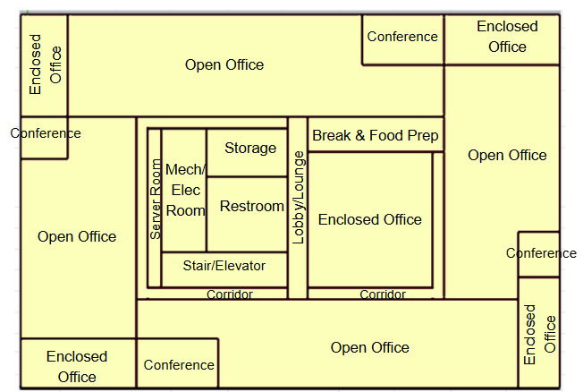
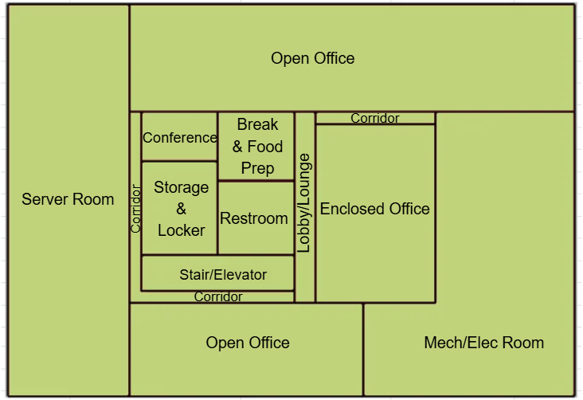
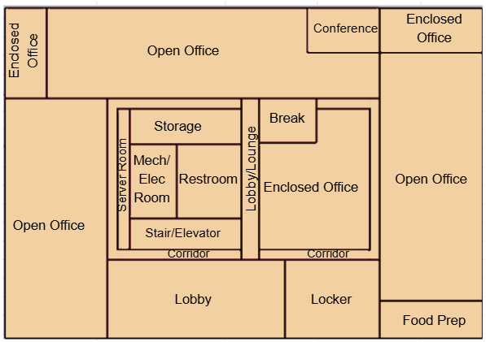
HVAC system - OfficeLarge |  |  |  |  |  |  |  | Existing HVAC System Layout _ Each floor is served by one HVAC system
Vintage | Zones | Heating | Cooling | Air Distribution | Other Systems | Source |  | Basement | First Floor | Middle/Top Floors
Existing | Server Room_B | - | built up CRAH with chilled water coils (Computer Room Air Handling unit) | CAV | Fluid Economizer for vintage 4 | Engineering Judgement
 | Server_Room_G Server_Room_M Server_Room_T | - | DX Computer Room Air Conditioner (CRAC) | CAV | _ | Engineering Judgement
 | All other conditioned zones | Gas Boiler | Chiller (it also serves the Server_Room_B zone) | VAV with hydronic reheat | OA mixing through air handler Economizer for Vintage 2, 3 and 4 DCV for Vintage 4 (for qualifying high density rooms) | CEUS 2022
New Construction | Server Room_B | - | built up CRAH with chilled water coils (Computer Room Air Handling unit) | CAV | Fluid Economizer | T24 2025
 | Server_Room_G Server_Room_M Server_Room_T | - | DX Computer Room Air Conditioner (CRAC) | CAV | _ | T24 2025
 | All other conditioned zones | Gas Boiler | Chiller (it also serves the Server_Room_B zone) | VAV with hydronic reheat | OA mixing through air handler ERV Economizer DCV for qualifying high density rooms | T24 2025

Efficiency of HVAC System (Efficiency is capacity-dependent. The following table provides a general estimate of system efficiency based on preliminary simulations in one climate zone, or assuming cooling load based on rule of thumb)
 | Upgrade/Installed year | DX Computer Room Air Conditioner Server_Room_G/M/T (CRAC) | Chiller | Gas Boiler | Heat Rejection (Cooling Tower) | Sources | Note
Pre 1978 | 2008 | 11 EER for <65 kBtu/h 10.4 EER for 65-135 kBtu/h 10.2 EER for 135-240 kBtu/h | Water Cooled, Electrically Operated, Centrifugal--≥ 300 tons 6.10 COP 6.40 IPLV | 80% Ec | Axial fan Open-circuit cooling tower--95°F entering water 85°F leaving water 75°F entering air wb--≥ 38.2 gpm/hp | CRAC: California Title 20 Appliance Efficiency Regulations, §1605.3(c)(2), Tables C-9 (2008) T24, Table 112-D (for chiller COP)(2008) California Title 20 Appliance Efficiency Regulations, Table E-3 for Boiler Efficiency (2008) T24, Table 112-G (Performance Requirements for Heat Rejection Equipment) (2008) | Two centrifugal chillers (Total cooling plant load > 600 tons) Two atmospheric boilers (no combustion air fans)
1978-1997
1998-2007
2008-2018 | 2013 This system will be used for the Collapsed version | SCOP= 2.44 for <65 kBtu/h 2.34 for 65-240 kBtu/h 2.24 for >240 kBtu/h | Water Cooled, Electrically Operated, Centrifugal--≥ 300 tons and < 600 tons ≤ 0.600 kW/ton (Path B) ≤ 0.400 IPLV (Path B) | Gas-Fired Boiler > 300,000 Btu/h and ≤2,500,000 Btu/h-- 80% Et Gas-Fired Boiler > 2,500,000 Btu/h -- 82% Ec < 300,000 Btu/h 82% AFUE | Axial fan Open-circuit cooling tower--95°F entering water 85°F leaving water 75°F entering air wb--≥ 42.1 gpm/hp | CRAC: 10 CFR §431.97(f)(1), Table 7 (2013) T24, Table 110.2-D (for chiller COP) (2013) T24, Table 110.2-K (for Boiler thermal efficiency) (2013) T24, Table 110.2-G (Performance Requirements for Heat Rejection Equipment) (2013) | water-cooled centrifugal chillers Two Boilers each with capacity between 300-2,500 KBTU/hr
New Construction | 2025 | NSenCOP= 2.09 for <65 kBtu/h 1.99 for 65-240 kBtu/h 1,81 for >240 kBtu/h | Water Cooled, Electrically Operated, Positive displacement--≥ 300 tons and < 600 tons ≤ 0.625 kW/ton (Path B) ≤ 0.410 IPLV (Path B) | Gas-Fired Boiler > 300,000 Btu/h and ≤2,500,000 Btu/h-- 80% Et Gas-Fired Boiler > 2,500,000 Btu/h -- 82% Ec | Axial fan Open-circuit cooling tower--95°F entering water 85°F leaving water 75°F entering air wb--≥ 42.1 gpm/hp | CRAC: 10 CFR § 431.97, Table 13 (2025) T24, Table 110.2-D (for chiller COP)(2025) 10 CFR 431.86 , section § 431.87 Table 1 (for Boiler thermal efficiency)(2025) T24, Table 110.2-E (Performance Requirements for Heat Rejection Equipment)(2025) | Two water-cooled screw chillers (Each between 300-600 tons), Path B, Positive displacement chiller with design leaving fluid temperature ≤ 32°F Two Boilers each with capacity between 300-2,500 KBTU/hr
Fan power
Vintage | Approach | System | Total Static Pressure (in. w.c.) | Fan Efficiency | Motor Efficiency | Fan Power Index (W/cfm) | Data Source
Existing | PNNL 90.1-2011, TSP | CRAC/CRAH CAV < 7,437 cfm | 2.5 | 65% | ASHRAE 90.1-2004 Table 10.8 |  | PNNL 20405 Table 5.11
 |  | CRAC/CRAH CAV >= 7,437 cfm | 4.09
 |  | VAV > 4,648 cfm | 5.58
New Construction | ACM 2025 | CRAC/CRAH | TSP = fan power x motor efficiency x fan efficiency x 6356 / 746 | 65% | ACM 2025 Table 12 | 0.58 | Computer room fan power index
 |  | System 6 VAV, by supply cfm | TSP = fan power x motor efficiency x fan efficiency x 6356 / 746 |  |  | 0.977 <=5,000; 1.013 <=10,000; 0.947 >10,000 | ACM 2025 Table 13

Fan power
Vintage | Approach | System | Total Static Pressure (TSP) (in w.c.) | Fan Efficiency [ACM 2025] | Motor Efficiency | Fan Power Index (W/cfm) | Data Source | Note
Existing | PNNL 90.1-2011, TSP | CAV System <7,437 cfm | 2.5 | 0.65 | ASHRAE 90.1, 2004, Table 10.8 * |  | Fan power formula: PNNL 20405, 2010, section 5.2.2.5 TSP and fan efficiency: PNNL 20405, 2010, Table 5.11, 90.1-04ac values Motor and drive efficiency: ASHRAE 90.1, 2004, Table 10.8
 |  | CAV System >7,437 cfm | 4.09
 |  | VAV System > 4,648 cfm | 5.58
Brake horsepower (bhp) = (Supply cfm × TSP in w.c.) / (6356 × fan efficiency)
Fan power (w/cfm) = (bhp × 746) / ( supply cfm × motor efficiency )
New Construction | ACM 2025 | VAV with hydronic reheat (System 6), >10,000 cfm | TSP = fan power × motor efficiency × fan efficiency × 6356 / 746 | 0.65 | 2025 ACM Table 12 ** | 0.947 | Fan power index: [ACM 2025, Table 13] Motor efficiency: [ACM 2025, Table 12]

* According to PNNL 20405 section 5.2.2.5, the full-load efficiency of the motor serving the fan is taken from ASHRAE 90.1, 2004, Table 10.8, based on motor nameplate and assuming enclosed motors operating at 1,800 rotations per minute (rpm) Motor nameplate size (bhp) = brake horsepower (bhp) × 1.1 ( using a 10% oversizing factor)
** The full‑load efficiency of the motor serving the fan is taken from ACM 2025 Table 12 based on the cfm of the fan. Brake horsepower (bhp) = (Supply cfm from sizing run × fan power in W/cfm) / 746. Note: ACM System 6 VAV >10,000 cfm. Server-room CRAH/CRAC fans are not in this row.

$$bhp=\frac{cfm∗{TSP}_{in w.c.}}{{6356∗μ}_{fan}}$$

$${Fan power}_{w/cfm}=\frac{bhp∗746}{cfm∗μ_{motor}}$$

$$bhp=\frac{{Fan power}_{w/cfm}∗cfm∗μ_{motor}}{746}$$

$${Fan power}_{w/cfm}=\frac{{TSP}_{in w.c}∗746}{6356∗μ_{fan}∗μ_{motor}}$$

Schedules
Occupancy
Schedules - OfficeLarge
Zone | Schedule Category | Schedule | Source | Type | Hour
 |  |  |  |  | 1 | 2 | 3 | 4 | 5 | 6 | 7 | 8 | 9 | 10 | 11 | 12 | 13 | 14 | 15 | 16 | 17 | 18 | 19 | 20 | 21 | 22 | 23 | 24
All zones except for Server Rooms, Stairway, and Mechanical_Electrical | Office | Occupancy | T24 2022 - Appendix 5.4B, [Office] Updated based on Plug load and schedules project with CEC, 2025 | Weekday | 0.00 | 0.00 | 0.00 | 0.00 | 0.00 | 0.00 | 0.10 | 0.20 | 0.95 | 0.95 | 0.95 | 0.95 | 0.50 | 0.95 | 0.95 | 0.95 | 0.95 | 0.30 | 0.10 | 0.10 | 0.10 | 0.10 | 0.05 | 0.05
 |  |  |  | Saturday | 0.00 | 0.00 | 0.00 | 0.00 | 0.00 | 0.00 | 0.05 | 0.05 | 0.05 | 0.05 | 0.05 | 0.05 | 0.05 | 0.05 | 0.05 | 0.05 | 0.05 | 0.05 | 0.00 | 0.00 | 0.00 | 0.00 | 0.00 | 0.00
 |  |  |  | Sunday | 0.00 | 0.00 | 0.00 | 0.00 | 0.00 | 0.00 | 0.05 | 0.05 | 0.05 | 0.05 | 0.05 | 0.05 | 0.05 | 0.05 | 0.05 | 0.05 | 0.05 | 0.05 | 0.00 | 0.00 | 0.00 | 0.00 | 0.00 | 0.00
Lights
All zones except for Server Rooms, Stairway, and Mechanical_Electrical | Office | Lights | T24 2022 - Appendix 5.4B, [Office] | Weekday | 0.05 | 0.05 | 0.05 | 0.05 | 0.05 | 0.10 | 0.10 | 0.30 | 0.65 | 0.65 | 0.65 | 0.65 | 0.65 | 0.65 | 0.65 | 0.65 | 0.65 | 0.35 | 0.30 | 0.30 | 0.20 | 0.20 | 0.10 | 0.05
 |  |  |  | Saturday | 0.05 | 0.05 | 0.05 | 0.05 | 0.05 | 0.05 | 0.15 | 0.15 | 0.15 | 0.15 | 0.15 | 0.15 | 0.15 | 0.15 | 0.15 | 0.15 | 0.15 | 0.15 | 0.05 | 0.05 | 0.05 | 0.05 | 0.05 | 0.05
 |  |  |  | Sunday | 0.05 | 0.05 | 0.05 | 0.05 | 0.05 | 0.05 | 0.15 | 0.15 | 0.15 | 0.15 | 0.15 | 0.15 | 0.15 | 0.15 | 0.15 | 0.15 | 0.15 | 0.15 | 0.05 | 0.05 | 0.05 | 0.05 | 0.05 | 0.05
ElecEquipment
All zones except for Server Rooms, Stairway, and Mechanical_Electrical | Office | ElecEquipment | Plug load and schedules project with CEC, 2025 | Weekday | 0.45 | 0.45 | 0.45 | 0.45 | 0.45 | 0.45 | 0.45 | 0.74 | 0.87 | 0.90 | 0.90 | 0.90 | 0.90 | 0.90 | 0.90 | 0.90 | 0.90 | 0.70 | 0.50 | 0.50 | 0.50 | 0.45 | 0.45 | 0.45
 |  |  |  | Saturday | 0.43 | 0.43 | 0.43 | 0.43 | 0.43 | 0.43 | 0.43 | 0.43 | 0.43 | 0.43 | 0.43 | 0.43 | 0.43 | 0.43 | 0.43 | 0.43 | 0.43 | 0.43 | 0.43 | 0.43 | 0.43 | 0.43 | 0.43 | 0.43
 |  |  |  | Sunday | 0.43 | 0.43 | 0.43 | 0.43 | 0.43 | 0.43 | 0.43 | 0.43 | 0.43 | 0.43 | 0.43 | 0.43 | 0.43 | 0.43 | 0.43 | 0.43 | 0.43 | 0.43 | 0.43 | 0.43 | 0.43 | 0.43 | 0.43 | 0.43
HVACAvail
 | Weekday | Saturday | Sunday
 | 0.00 | 0.00 | 0.00
 | 0.00 | 0.00 | 0.00
 | 0.00 | 0.00 | 0.00
 | 0.00 | 0.00 | 0.00
 | 0.00 | 0.00 | 0.00
 | 1.00 | 0.00 | 0.00
 | 1.00 | 0.00 | 0.00
 | 1.00 | 0.00 | 0.00
 | 1.00 | 0.00 | 0.00
 | 1.00 | 0.00 | 0.00
 | 1.00 | 0.00 | 0.00
 | 1.00 | 0.00 | 0.00
 | 1.00 | 0.00 | 0.00
 | 1.00 | 0.00 | 0.00
 | 1.00 | 0.00 | 0.00
 | 1.00 | 0.00 | 0.00
 | 1.00 | 0.00 | 0.00
 | 1.00 | 0.00 | 0.00
 | 1.00 | 0.00 | 0.00
 | 1.00 | 0.00 | 0.00
 | 1.00 | 0.00 | 0.00
 | 1.00 | 0.00 | 0.00
 | 1.00 | 0.00 | 0.00
 | 1.00 | 0.00 | 0.00
All zones except for Server Rooms, Stairway, and Mechanical_Electrical | Office | HVACAvail | T24 2022 - Appendix 5.4B, [Office] Updated based on Plug load and schedules project with CEC, 2025 | Weekday | 0.00 | 0.00 | 0.00 | 0.00 | 0.00 | 1.00 | 1.00 | 1.00 | 1.00 | 1.00 | 1.00 | 1.00 | 1.00 | 1.00 | 1.00 | 1.00 | 1.00 | 1.00 | 1.00 | 1.00 | 1.00 | 1.00 | 1.00 | 1.00
 |  |  |  | Saturday | 0.00 | 0.00 | 0.00 | 0.00 | 0.00 | 0.00 | 0.00 | 0.00 | 0.00 | 0.00 | 0.00 | 0.00 | 0.00 | 0.00 | 0.00 | 0.00 | 0.00 | 0.00 | 0.00 | 0.00 | 0.00 | 0.00 | 0.00 | 0.00
 |  |  |  | Sunday | 0.00 | 0.00 | 0.00 | 0.00 | 0.00 | 0.00 | 0.00 | 0.00 | 0.00 | 0.00 | 0.00 | 0.00 | 0.00 | 0.00 | 0.00 | 0.00 | 0.00 | 0.00 | 0.00 | 0.00 | 0.00 | 0.00 | 0.00 | 0.00
ServiceHotWater
All zones except for Server Rooms, Stairway, and Mechanical_Electrical | Office | ServiceHotWater | T24 2022 - Appendix 5.4B, [Office] | Weekday | 0.05 | 0.05 | 0.05 | 0.05 | 0.05 | 0.08 | 0.07 | 0.19 | 0.35 | 0.38 | 0.39 | 0.47 | 0.57 | 0.54 | 0.34 | 0.33 | 0.44 | 0.26 | 0.21 | 0.15 | 0.17 | 0.08 | 0.05 | 0.05
 |  |  |  | Saturday | 0.04 | 0.04 | 0.04 | 0.04 | 0.04 | 0.07 | 0.04 | 0.04 | 0.04 | 0.04 | 0.04 | 0.06 | 0.06 | 0.09 | 0.06 | 0.04 | 0.04 | 0.04 | 0.04 | 0.04 | 0.04 | 0.07 | 0.04 | 0.04
 |  |  |  | Sunday | 0.04 | 0.04 | 0.04 | 0.04 | 0.04 | 0.07 | 0.04 | 0.04 | 0.04 | 0.04 | 0.04 | 0.06 | 0.06 | 0.09 | 0.06 | 0.04 | 0.04 | 0.04 | 0.04 | 0.04 | 0.04 | 0.07 | 0.04 | 0.04
Infiltration
All zones except for Server Rooms, Stairway, and Mechanical_Electrical | Office | Infiltration | T24 2022 - Appendix 5.4B, [Office] Updated based on Plug load and schedules project with CEC, 202 | Weekday | 1.00 | 1.00 | 1.00 | 1.00 | 1.00 | 0.25 | 0.25 | 0.25 | 0.25 | 0.25 | 0.25 | 0.25 | 0.25 | 0.25 | 0.25 | 0.25 | 0.25 | 0.25 | 0.25 | 0.25 | 0.25 | 0.25 | 0.25 | 0.25
 |  |  |  | Saturday | 1.00 | 1.00 | 1.00 | 1.00 | 1.00 | 1.00 | 1.00 | 1.00 | 1.00 | 1.00 | 1.00 | 1.00 | 1.00 | 1.00 | 1.00 | 1.00 | 1.00 | 1.00 | 1.00 | 1.00 | 1.00 | 1.00 | 1.00 | 1.00
 |  |  |  | Sunday | 1.00 | 1.00 | 1.00 | 1.00 | 1.00 | 1.00 | 1.00 | 1.00 | 1.00 | 1.00 | 1.00 | 1.00 | 1.00 | 1.00 | 1.00 | 1.00 | 1.00 | 1.00 | 1.00 | 1.00 | 1.00 | 1.00 | 1.00 | 1.00
HtgSetpt
All zones except for Server Rooms, Stairway, and Mechanical_Electrical | Office | HtgSetpt |  | Weekday | 60 | 60 | 60 | 60 | 60 | 70 | 70 | 70 | 70 | 70 | 70 | 70 | 70 | 70 | 70 | 70 | 70 | 70 | 70 | 70 | 70 | 70 | 70 | 70
 |  |  |  | Saturday | 60 | 60 | 60 | 60 | 60 | 60 | 60 | 60 | 60 | 60 | 60 | 60 | 60 | 60 | 60 | 60 | 60 | 60 | 60 | 60 | 60 | 60 | 60 | 60
 |  |  |  | Sunday | 60 | 60 | 60 | 60 | 60 | 60 | 60 | 60 | 60 | 60 | 60 | 60 | 60 | 60 | 60 | 60 | 60 | 60 | 60 | 60 | 60 | 60 | 60 | 60
ClgSetpt
All zones except for Server Rooms, Stairway, and Mechanical_Electrical | Office | ClgSetpt |  | Weekday | 85 | 85 | 85 | 85 | 85 | 75 | 75 | 75 | 75 | 75 | 75 | 75 | 75 | 75 | 75 | 75 | 75 | 75 | 75 | 75 | 75 | 75 | 75 | 75
 |  |  |  | Saturday | 85 | 85 | 85 | 85 | 85 | 85 | 85 | 85 | 85 | 85 | 85 | 85 | 85 | 85 | 85 | 85 | 85 | 85 | 85 | 85 | 85 | 85 | 85 | 85
 |  |  |  | Sunday | 85 | 85 | 85 | 85 | 85 | 85 | 85 | 85 | 85 | 85 | 85 | 85 | 85 | 85 | 85 | 85 | 85 | 85 | 85 | 85 | 85 | 85 | 85 | 85
Occupancy
Data
Server rooms | Data | Occupancy | T24 2022 - Appendix 5.4B, [Data] Updated based on office schedule | Weekday | 0.00 | 0.00 | 0.00 | 0.00 | 0.05 | 0.10 | 0.25 | 0.65 | 0.65 | 0.65 | 0.65 | 0.60 | 0.60 | 0.65 | 0.65 | 0.65 | 0.65 | 0.40 | 0.25 | 0.10 | 0.05 | 0.05 | 0.05 | 0.00
 |  |  |  | Saturday | 0.00 | 0.00 | 0.00 | 0.00 | 0.00 | 0.00 | 0.00 | 0.05 | 0.05 | 0.05 | 0.05 | 0.05 | 0.05 | 0.05 | 0.05 | 0.05 | 0.05 | 0.05 | 0.05 | 0.05 | 0.00 | 0.00 | 0.00 | 0.00
 |  |  |  | Sunday | 0.00 | 0.00 | 0.00 | 0.00 | 0.00 | 0.00 | 0.00 | 0.05 | 0.05 | 0.05 | 0.05 | 0.05 | 0.05 | 0.05 | 0.05 | 0.05 | 0.05 | 0.05 | 0.05 | 0.05 | 0.00 | 0.00 | 0.00 | 0.00
Lights
Server rooms | Data | Lights | T24 2022 - Appendix 5.4B, [Data] Updated based on office schedule | Weekday | 0.05 | 0.05 | 0.05 | 0.05 | 0.10 | 0.20 | 0.40 | 0.70 | 0.80 | 0.85 | 0.85 | 0.85 | 0.85 | 0.85 | 0.85 | 0.85 | 0.85 | 0.80 | 0.35 | 0.10 | 0.10 | 0.10 | 0.10 | 0.10
 |  |  |  | Saturday | 0.05 | 0.05 | 0.05 | 0.05 | 0.05 | 0.10 | 0.10 | 0.15 | 0.15 | 0.15 | 0.15 | 0.15 | 0.15 | 0.15 | 0.15 | 0.15 | 0.15 | 0.10 | 0.10 | 0.10 | 0.05 | 0.05 | 0.05 | 0.05
 |  |  |  | Sunday | 0.05 | 0.05 | 0.05 | 0.05 | 0.05 | 0.10 | 0.10 | 0.15 | 0.15 | 0.15 | 0.15 | 0.15 | 0.15 | 0.15 | 0.15 | 0.15 | 0.15 | 0.10 | 0.10 | 0.10 | 0.05 | 0.05 | 0.05 | 0.05
HVACAvail
 | Weekday | Saturday | Sunday
 | 0.00 | 0.00 | 0.00
 | 0.00 | 0.00 | 0.00
 | 0.00 | 0.00 | 0.00
 | 0.00 | 0.00 | 0.00
 | 0.00 | 0.00 | 0.00
 | 1.00 | 0.00 | 0.00
 | 1.00 | 0.00 | 0.00
 | 1.00 | 0.00 | 0.00
 | 1.00 | 0.00 | 0.00
 | 1.00 | 0.00 | 0.00
 | 1.00 | 0.00 | 0.00
 | 1.00 | 0.00 | 0.00
 | 1.00 | 0.00 | 0.00
 | 1.00 | 0.00 | 0.00
 | 1.00 | 0.00 | 0.00
 | 1.00 | 0.00 | 0.00
 | 1.00 | 0.00 | 0.00
 | 1.00 | 0.00 | 0.00
 | 1.00 | 0.00 | 0.00
 | 1.00 | 0.00 | 0.00
 | 1.00 | 0.00 | 0.00
 | 1.00 | 0.00 | 0.00
 | 1.00 | 0.00 | 0.00
 | 1.00 | 0.00 | 0.00
Server rooms | Data | HVACAvail | T24 2022 - Appendix 5.4B, [Data] | Weekday | 1.00 | 1.00 | 1.00 | 1.00 | 1.00 | 1.00 | 1.00 | 1.00 | 1.00 | 1.00 | 1.00 | 1.00 | 1.00 | 1.00 | 1.00 | 1.00 | 1.00 | 1.00 | 1.00 | 1.00 | 1.00 | 1.00 | 1.00 | 1.00
 |  |  |  | Saturday | 1.00 | 1.00 | 1.00 | 1.00 | 1.00 | 1.00 | 1.00 | 1.00 | 1.00 | 1.00 | 1.00 | 1.00 | 1.00 | 1.00 | 1.00 | 1.00 | 1.00 | 1.00 | 1.00 | 1.00 | 1.00 | 1.00 | 1.00 | 1.00
 |  |  |  | Sunday | 1.00 | 1.00 | 1.00 | 1.00 | 1.00 | 1.00 | 1.00 | 1.00 | 1.00 | 1.00 | 1.00 | 1.00 | 1.00 | 1.00 | 1.00 | 1.00 | 1.00 | 1.00 | 1.00 | 1.00 | 1.00 | 1.00 | 1.00 | 1.00
ServiceHotWater
Server rooms | Data | ServiceHotWater | T24 2022 - Appendix 5.4B, [Data] | Weekday | 0.00 | 0.00 | 0.00 | 0.00 | 0.10 | 0.10 | 0.50 | 0.50 | 0.50 | 0.50 | 0.70 | 0.90 | 0.90 | 0.50 | 0.50 | 0.70 | 0.50 | 0.50 | 0.50 | 0.10 | 0.10 | 0.10 | 0.10 | 0.00
 |  |  |  | Saturday | 0.00 | 0.00 | 0.00 | 0.00 | 0.00 | 0.00 | 0.00 | 0.00 | 0.00 | 0.00 | 0.00 | 0.00 | 0.00 | 0.00 | 0.00 | 0.00 | 0.00 | 0.00 | 0.00 | 0.00 | 0.00 | 0.00 | 0.00 | 0.00
 |  |  |  | Sunday | 0.00 | 0.00 | 0.00 | 0.00 | 0.00 | 0.00 | 0.00 | 0.00 | 0.00 | 0.00 | 0.00 | 0.00 | 0.00 | 0.00 | 0.00 | 0.00 | 0.00 | 0.00 | 0.00 | 0.00 | 0.00 | 0.00 | 0.00 | 0.00
Infiltration
Server rooms | Data | Infiltration | T24 2022 - Appendix 5.4B, [Data] | Weekday | 0.25 | 0.25 | 0.25 | 0.25 | 0.25 | 0.25 | 0.25 | 0.25 | 0.25 | 0.25 | 0.25 | 0.25 | 0.25 | 0.25 | 0.25 | 0.25 | 0.25 | 0.25 | 0.25 | 0.25 | 0.25 | 0.25 | 0.25 | 0.25
 |  |  |  | Saturday | 0.25 | 0.25 | 0.25 | 0.25 | 0.25 | 0.25 | 0.25 | 0.25 | 0.25 | 0.25 | 0.25 | 0.25 | 0.25 | 0.25 | 0.25 | 0.25 | 0.25 | 0.25 | 0.25 | 0.25 | 0.25 | 0.25 | 0.25 | 0.25
 |  |  |  | Sunday | 0.25 | 0.25 | 0.25 | 0.25 | 0.25 | 0.25 | 0.25 | 0.25 | 0.25 | 0.25 | 0.25 | 0.25 | 0.25 | 0.25 | 0.25 | 0.25 | 0.25 | 0.25 | 0.25 | 0.25 | 0.25 | 0.25 | 0.25 | 0.25
ClgSetpt
Server rooms | Data | ClgSetpt | Based on Activity level and thermostat setpoint | Weekday | 80 | 80 | 80 | 80 | 80 | 80 | 80 | 80 | 80 | 80 | 80 | 80 | 80 | 80 | 80 | 80 | 80 | 80 | 80 | 80 | 80 | 80 | 80 | 80
 |  |  |  | Saturday | 80 | 80 | 80 | 80 | 80 | 80 | 80 | 80 | 80 | 80 | 80 | 80 | 80 | 80 | 80 | 80 | 80 | 80 | 80 | 80 | 80 | 80 | 80 | 80
 |  |  |  | Sunday | 80 | 80 | 80 | 80 | 80 | 80 | 80 | 80 | 80 | 80 | 80 | 80 | 80 | 80 | 80 | 80 | 80 | 80 | 80 | 80 | 80 | 80 | 80 | 80
Ancillary
Stairway, and Mechanical_Electrical | Ancillary | Occupancy | T24 2022 - Appendix 5.4B, [Office] Updated based on office schedule | Weekday | 0.00 | 0.00 | 0.00 | 0.00 | 0.00 | 0.00 | 0.10 | 0.20 | 0.95 | 0.95 | 0.95 | 0.95 | 0.50 | 0.95 | 0.95 | 0.95 | 0.95 | 0.30 | 0.10 | 0.10 | 0.10 | 0.10 | 0.05 | 0.05
 |  |  |  | Saturday | 0.00 | 0.00 | 0.00 | 0.00 | 0.00 | 0.00 | 0.05 | 0.05 | 0.05 | 0.05 | 0.05 | 0.05 | 0.05 | 0.05 | 0.05 | 0.05 | 0.05 | 0.05 | 0.00 | 0.00 | 0.00 | 0.00 | 0.00 | 0.00
 |  |  |  | Sunday | 0.00 | 0.00 | 0.00 | 0.00 | 0.00 | 0.00 | 0.05 | 0.05 | 0.05 | 0.05 | 0.05 | 0.05 | 0.05 | 0.05 | 0.05 | 0.05 | 0.05 | 0.05 | 0.00 | 0.00 | 0.00 | 0.00 | 0.00 | 0.00
Stairway, and Mechanical_Electrical | Ancillary | Lights | T24 2022 - Appendix 5.4B, [Office] Updated based on office schedule | Weekday | 0.05 | 0.05 | 0.05 | 0.05 | 0.05 | 0.10 | 0.10 | 0.30 | 0.65 | 0.65 | 0.65 | 0.65 | 0.65 | 0.65 | 0.65 | 0.65 | 0.65 | 0.35 | 0.30 | 0.30 | 0.20 | 0.20 | 0.10 | 0.05
 |  |  |  | Saturday | 0.05 | 0.05 | 0.05 | 0.05 | 0.05 | 0.05 | 0.15 | 0.15 | 0.15 | 0.15 | 0.15 | 0.15 | 0.15 | 0.15 | 0.15 | 0.15 | 0.15 | 0.15 | 0.05 | 0.05 | 0.05 | 0.05 | 0.05 | 0.05
 |  |  |  | Sunday | 0.05 | 0.05 | 0.05 | 0.05 | 0.05 | 0.05 | 0.15 | 0.15 | 0.15 | 0.15 | 0.15 | 0.15 | 0.15 | 0.15 | 0.15 | 0.15 | 0.15 | 0.15 | 0.05 | 0.05 | 0.05 | 0.05 | 0.05 | 0.05
Stairway, and Mechanical_Electrical | Ancillary | ElecEquipment | Plug load and schedules project with CEC, 2025 | Weekday | 0.45 | 0.45 | 0.45 | 0.45 | 0.45 | 0.45 | 0.45 | 0.74 | 0.87 | 0.90 | 0.90 | 0.90 | 0.90 | 0.90 | 0.90 | 0.90 | 0.90 | 0.70 | 0.50 | 0.50 | 0.50 | 0.45 | 0.45 | 0.45
 |  |  |  | Saturday | 0.43 | 0.43 | 0.43 | 0.43 | 0.43 | 0.43 | 0.43 | 0.43 | 0.43 | 0.43 | 0.43 | 0.43 | 0.43 | 0.43 | 0.43 | 0.43 | 0.43 | 0.43 | 0.43 | 0.43 | 0.43 | 0.43 | 0.43 | 0.43
 |  |  |  | Sunday | 0.43 | 0.43 | 0.43 | 0.43 | 0.43 | 0.43 | 0.43 | 0.43 | 0.43 | 0.43 | 0.43 | 0.43 | 0.43 | 0.43 | 0.43 | 0.43 | 0.43 | 0.43 | 0.43 | 0.43 | 0.43 | 0.43 | 0.43 | 0.43
Stairway, and Mechanical_Electrical | Ancillary | HVACAvail | T24 2022 - Appendix 5.4B, [Office] Updated based on office schedule | Weekday | 0.00 | 0.00 | 0.00 | 0.00 | 0.00 | 1.00 | 1.00 | 1.00 | 1.00 | 1.00 | 1.00 | 1.00 | 1.00 | 1.00 | 1.00 | 1.00 | 1.00 | 1.00 | 1.00 | 1.00 | 1.00 | 1.00 | 1.00 | 1.00
 |  |  |  | Saturday | 0.00 | 0.00 | 0.00 | 0.00 | 0.00 | 0.00 | 0.00 | 0.00 | 0.00 | 0.00 | 0.00 | 0.00 | 0.00 | 0.00 | 0.00 | 0.00 | 0.00 | 0.00 | 0.00 | 0.00 | 0.00 | 0.00 | 0.00 | 0.00
 |  |  |  | Sunday | 0.00 | 0.00 | 0.00 | 0.00 | 0.00 | 0.00 | 0.00 | 0.00 | 0.00 | 0.00 | 0.00 | 0.00 | 0.00 | 0.00 | 0.00 | 0.00 | 0.00 | 0.00 | 0.00 | 0.00 | 0.00 | 0.00 | 0.00 | 0.00
Stairway, and Mechanical_Electrical | Ancillary | ServiceHotWater | T24 2022 - Appendix 5.4B, [Office] | Weekday | 0.05 | 0.05 | 0.05 | 0.05 | 0.05 | 0.08 | 0.07 | 0.19 | 0.35 | 0.38 | 0.39 | 0.47 | 0.57 | 0.54 | 0.34 | 0.33 | 0.44 | 0.26 | 0.21 | 0.15 | 0.17 | 0.08 | 0.05 | 0.05
 |  |  |  | Saturday | 0.04 | 0.04 | 0.04 | 0.04 | 0.04 | 0.07 | 0.04 | 0.04 | 0.04 | 0.04 | 0.04 | 0.06 | 0.06 | 0.09 | 0.06 | 0.04 | 0.04 | 0.04 | 0.04 | 0.04 | 0.04 | 0.07 | 0.04 | 0.04
 |  |  |  | Sunday | 0.04 | 0.04 | 0.04 | 0.04 | 0.04 | 0.07 | 0.04 | 0.04 | 0.04 | 0.04 | 0.04 | 0.06 | 0.06 | 0.09 | 0.06 | 0.04 | 0.04 | 0.04 | 0.04 | 0.04 | 0.04 | 0.07 | 0.04 | 0.04
Stairway, and Mechanical_Electrical | Ancillary | Infiltration | T24 2022 - Appendix 5.4B, [Office] | Weekday | 1.00 | 1.00 | 1.00 | 1.00 | 1.00 | 0.25 | 0.25 | 0.25 | 0.25 | 0.25 | 0.25 | 0.25 | 0.25 | 0.25 | 0.25 | 0.25 | 0.25 | 0.25 | 0.25 | 0.25 | 0.25 | 0.25 | 0.25 | 0.25
 |  |  |  | Saturday | 1.00 | 1.00 | 1.00 | 1.00 | 1.00 | 1.00 | 1.00 | 1.00 | 1.00 | 1.00 | 1.00 | 1.00 | 1.00 | 1.00 | 1.00 | 1.00 | 1.00 | 1.00 | 1.00 | 1.00 | 1.00 | 1.00 | 1.00 | 1.00
 |  |  |  | Sunday | 1.00 | 1.00 | 1.00 | 1.00 | 1.00 | 1.00 | 1.00 | 1.00 | 1.00 | 1.00 | 1.00 | 1.00 | 1.00 | 1.00 | 1.00 | 1.00 | 1.00 | 1.00 | 1.00 | 1.00 | 1.00 | 1.00 | 1.00 | 1.00
Stairway, and Mechanical_Electrical | Ancillary | HtgSetpt | Engineering Judgement | Weekday | 60 | 60 | 60 | 60 | 60 | 60 | 60 | 60 | 60 | 60 | 60 | 60 | 60 | 60 | 60 | 60 | 60 | 60 | 60 | 60 | 60 | 60 | 60 | 60
 |  |  |  | Saturday | 60 | 60 | 60 | 60 | 60 | 60 | 60 | 60 | 60 | 60 | 60 | 60 | 60 | 60 | 60 | 60 | 60 | 60 | 60 | 60 | 60 | 60 | 60 | 60
 |  |  |  | Sunday | 60 | 60 | 60 | 60 | 60 | 60 | 60 | 60 | 60 | 60 | 60 | 60 | 60 | 60 | 60 | 60 | 60 | 60 | 60 | 60 | 60 | 60 | 60 | 60
Stairway, and Mechanical_Electrical | Ancillary | ClgSetpt | Engineering Judgement | Weekday | 85 | 85 | 85 | 85 | 85 | 85 | 85 | 85 | 85 | 85 | 85 | 85 | 85 | 85 | 85 | 85 | 85 | 85 | 85 | 85 | 85 | 85 | 85 | 85
 |  |  |  | Saturday | 85 | 85 | 85 | 85 | 85 | 85 | 85 | 85 | 85 | 85 | 85 | 85 | 85 | 85 | 85 | 85 | 85 | 85 | 85 | 85 | 85 | 85 | 85 | 85
 |  |  |  | Sunday | 85 | 85 | 85 | 85 | 85 | 85 | 85 | 85 | 85 | 85 | 85 | 85 | 85 | 85 | 85 | 85 | 85 | 85 | 85 | 85 | 85 | 85 | 85 | 85
Other |  |  |  |  |  |  |  |  |  |  |  |  |  |  |  |  |  |  |  |  |  |  |  |  |  |  |  |  | EFLH
 | Building | Elevator | T24 2022 - Appendix 5.4B, [Office] Updated based on Plug load and schedules project with CEC, 202 | Weekday | 0.00 | 0.00 | 0.00 | 0.00 | 0.00 | 0.00 | 0.00 | 0.35 | 0.69 | 0.43 | 0.37 | 0.43 | 0.58 | 0.48 | 0.37 | 0.37 | 0.46 | 0.62 | 0.20 | 0.12 | 0.04 | 0.04 | 0.00 | 0.00 | 1448.55
 |  |  |  | Saturday | 0 | 0 | 0 | 0 | 0 | 0 | 0 | 0 | 0 | 0 | 0 | 0 | 0 | 0 | 0 | 0 | 0 | 0 | 0 | 0 | 0 | 0 | 0 | 0
 |  |  |  | Sunday | 0 | 0 | 0 | 0 | 0 | 0 | 0 | 0 | 0 | 0 | 0 | 0 | 0 | 0 | 0 | 0 | 0 | 0 | 0 | 0 | 0 | 0 | 0 | 0
 | Building | ExtLightingNonMotionCtrl |  | Weekday | 1 | 1 | 1 | 1 | 1 | 1 | 1 | 1 | 1 | 1 | 1 | 1 | 1 | 1 | 1 | 1 | 1 | 1 | 1 | 1 | 1 | 1 | 1 | 1
 |  |  |  | Saturday | 1 | 1 | 1 | 1 | 1 | 1 | 1 | 1 | 1 | 1 | 1 | 1 | 1 | 1 | 1 | 1 | 1 | 1 | 1 | 1 | 1 | 1 | 1 | 1
 |  |  |  | Sunday | 1 | 1 | 1 | 1 | 1 | 1 | 1 | 1 | 1 | 1 | 1 | 1 | 1 | 1 | 1 | 1 | 1 | 1 | 1 | 1 | 1 | 1 | 1 | 1
 | Building | ExtLightingMotionCtrl |  | Weekday | 0 | 0 | 0 | 0 | 0 | 1 | 1 | 1 | 1 | 1 | 1 | 1 | 1 | 1 | 1 | 1 | 1 | 1 | 1 | 1 | 1 | 1 | 0 | 0
 |  |  |  | Saturday | 0 | 0 | 0 | 0 | 0 | 1 | 1 | 1 | 1 | 1 | 1 | 1 | 1 | 1 | 1 | 1 | 1 | 1 | 1 | 1 | 1 | 1 | 1 | 1
 |  |  |  | Sunday | 0 | 0 | 0 | 0 | 0 | 1 | 1 | 1 | 1 | 1 | 1 | 1 | 1 | 1 | 1 | 1 | 1 | 1 | 1 | 1 | 1 | 1 | 1 | 1
Office | Building | FunctionalAreaPeopleActivityLevel | Based on Activity level schedules in CEC Prototypes | Weekday | 132 | 132 | 132 | 132 | 132 | 132 | 132 | 132 | 132 | 132 | 132 | 132 | 132 | 132 | 132 | 132 | 132 | 132 | 132 | 132 | 132 | 132 | 132 | 132
 |  |  |  | Saturday | 132 | 132 | 132 | 132 | 132 | 132 | 132 | 132 | 132 | 132 | 132 | 132 | 132 | 132 | 132 | 132 | 132 | 132 | 132 | 132 | 132 | 132 | 132 | 132
 |  |  |  | Sunday | 132 | 132 | 132 | 132 | 132 | 132 | 132 | 132 | 132 | 132 | 132 | 132 | 132 | 132 | 132 | 132 | 132 | 132 | 132 | 132 | 132 | 132 | 132 | 132
Server room | Building | ComputerRoomPeopleActivityLevel | Based on Activity level schedules in CEC Prototypes | Weekday | 120 | 120 | 120 | 120 | 120 | 120 | 120 | 120 | 120 | 120 | 120 | 120 | 120 | 120 | 120 | 120 | 120 | 120 | 120 | 120 | 120 | 120 | 120 | 120
 |  |  |  | Saturday | 120 | 120 | 120 | 120 | 120 | 120 | 120 | 120 | 120 | 120 | 120 | 120 | 120 | 120 | 120 | 120 | 120 | 120 | 120 | 120 | 120 | 120 | 120 | 120
 |  |  |  | Sunday | 120 | 120 | 120 | 120 | 120 | 120 | 120 | 120 | 120 | 120 | 120 | 120 | 120 | 120 | 120 | 120 | 120 | 120 | 120 | 120 | 120 | 120 | 120 | 120
Conference room | Building | MeetingAreaPeopleActivityLevel | Based on Activity level schedules in CEC Prototypes | Weekday | 117 | 117 | 117 | 117 | 117 | 117 | 117 | 117 | 117 | 117 | 117 | 117 | 117 | 117 | 117 | 117 | 117 | 117 | 117 | 117 | 117 | 117 | 117 | 117
 |  |  |  | Saturday | 117 | 117 | 117 | 117 | 117 | 117 | 117 | 117 | 117 | 117 | 117 | 117 | 117 | 117 | 117 | 117 | 117 | 117 | 117 | 117 | 117 | 117 | 117 | 117
 |  |  |  | Sunday | 117 | 117 | 117 | 117 | 117 | 117 | 117 | 117 | 117 | 117 | 117 | 117 | 117 | 117 | 117 | 117 | 117 | 117 | 117 | 117 | 117 | 117 | 117 | 117
Corridor, Stair, Lobby, Restroom, Mech, Storage, Break | Building | CommonAreaPeopleActivityLevel | Based on Activity level schedules in CEC Prototypes | Weekday | 147 | 147 | 147 | 147 | 147 | 147 | 147 | 147 | 147 | 147 | 147 | 147 | 147 | 147 | 147 | 147 | 147 | 147 | 147 | 147 | 147 | 147 | 147 | 147
 |  |  |  | Saturday | 147 | 147 | 147 | 147 | 147 | 147 | 147 | 147 | 147 | 147 | 147 | 147 | 147 | 147 | 147 | 147 | 147 | 147 | 147 | 147 | 147 | 147 | 147 | 147
 |  |  |  | Sunday | 147 | 147 | 147 | 147 | 147 | 147 | 147 | 147 | 147 | 147 | 147 | 147 | 147 | 147 | 147 | 147 | 147 | 147 | 147 | 147 | 147 | 147 | 147 | 147
Kitchen/Food prep | Building | KitchenPeopleActivityLevel | Based on Activity level schedules in CEC Prototypes | Weekday | 220 | 220 | 220 | 220 | 220 | 220 | 220 | 220 | 220 | 220 | 220 | 220 | 220 | 220 | 220 | 220 | 220 | 220 | 220 | 220 | 220 | 220 | 220 | 220
 |  |  |  | Saturday | 220 | 220 | 220 | 220 | 220 | 220 | 220 | 220 | 220 | 220 | 220 | 220 | 220 | 220 | 220 | 220 | 220 | 220 | 220 | 220 | 220 | 220 | 220 | 220
 |  |  |  | Sunday | 220 | 220 | 220 | 220 | 220 | 220 | 220 | 220 | 220 | 220 | 220 | 220 | 220 | 220 | 220 | 220 | 220 | 220 | 220 | 220 | 220 | 220 | 220 | 220
Locker | Building | LockerRoomPeopleActivityLevel | Based on Activity level schedules in CEC Prototypes | Weekday | 214 | 214 | 214 | 214 | 214 | 214 | 214 | 214 | 214 | 214 | 214 | 214 | 214 | 214 | 214 | 214 | 214 | 214 | 214 | 214 | 214 | 214 | 214 | 214
 |  |  |  | Saturday | 214 | 214 | 214 | 214 | 214 | 214 | 214 | 214 | 214 | 214 | 214 | 214 | 214 | 214 | 214 | 214 | 214 | 214 | 214 | 214 | 214 | 214 | 214 | 214
 |  |  |  | Sunday | 214 | 214 | 214 | 214 | 214 | 214 | 214 | 214 | 214 | 214 | 214 | 214 | 214 | 214 | 214 | 214 | 214 | 214 | 214 | 214 | 214 | 214 | 214 | 214

Energy Usage
Large Office CalBEM Prototype vs. National Average (CBECS 2018)
 | Series One | National Average Acceptable Range | CalBEM Total EUI | New Construction Total EUI
 | 53.63 | 35.75
 | 57.97 | 38.65
 | 55.50 | 37.00
 | 59.63 | 39.75
 | 53.55 | 35.70
 | 60.60 | 40.40
 | 57.53 | 38.35
 | 58.20 | 38.80
 | 58.28 | 38.85
 | 58.57 | 39.05
 | 60.22 | 40.15
 | 59.70 | 39.80
 | 60.00 | 40.00
 | 60.60 | 40.40
 | 59.63 | 39.75
 | 61.72 | 41.15
 | National Average | National Average - Higher | National Average - Lower | CalBEM Total EUI | New Construction Total EUI
1 | 71.5 | 89.4 | 53.63
2 | 77.3 | 96.6 | 57.97
3 | 74.0 | 92.5 | 55.50
4 | 79.5 | 99.4 | 59.63
5 | 71.4 | 89.3 | 53.55
6 | 80.8 | 101.0 | 60.60
7 | 76.7 | 95.9 | 57.53
8 | 77.6 | 97.0 | 58.20
9 | 77.7 | 97.1 | 58.28
10 | 78.1 | 97.6 | 58.57
11 | 80.3 | 100.4 | 60.22
12 | 79.6 | 99.5 | 59.70
13 | 80.0 | 100.0 | 60.00
14 | 80.8 | 101.0 | 60.60
15 | 79.5 | 99.4 | 59.63
16 | 82.3 | 102.9 | 61.72
CalBEM Energy Consumption - OfficeLarge |  |  |  |  |  |  |  | National Average (EnergyStar Portfolio Manager) |  |  |  |  | CEUS Energy Consumption - OfficeLarge
Prototype | CZ | CalBEM Electricity EUI (KBTU/ft²) | CalBEM Gas EUI (KBTU/ft²) | CalBEM Total EUI (KBTU/ft²) | New Construction Electricity EUI (KBTU/ft²) | New Construction Gas EUI (KBTU/ft²) | New Construction Total EUI (KBTU/ft²) | National Average | Acceptable Range (25% Higher) | Acceptable Range (25% Lower) | National Average Acceptable Range | Zip code | Prototype | CZ | Total Floorspace (Thousand of ft2) | CEUS 2022 Electric Energy Intensity (kWh/ft²) | CEUS 2022 Annual Gas Intensity (kWh/ft²) | CEUS 2022 Total EUI (kBtu/ft²) | Acceptable Range (25% Higher) | Acceptable Range (25% Lower) | CEUS 2022 Acceptable Range
HotelSmall | 1 |  |  |  |  |  |  | 71.5 | 89.4 | 53.63 | 35.75 | 95521 | Large Office | 1 | 5,279 | 16.70 | 5.01 | 74.07 | 92.59 | 55.56 | 37.04
 | 2 |  |  |  |  |  |  | 77.3 | 96.6 | 57.97 | 38.65 | 95476 |  | 2 | 12,449 | 15.20 | 6.24 | 73.15 | 91.44 | 54.86 | 36.58
 | 3 |  |  |  |  |  |  | 74.0 | 92.5 | 55.5 | 37.00 | 94612 |  | 3 | 242,565 | 14.30 | 4.83 | 65.27 | 81.59 | 48.95 | 32.64
 | 4 |  |  |  |  |  |  | 79.5 | 99.4 | 59.625 | 39.75 | 93446 |  | 4 | 137,610 | 14.40 | 4.76 | 65.37 | 81.72 | 49.03 | 32.69
 | 5 |  |  |  |  |  |  | 71.4 | 89.3 | 53.55 | 35.70 | 93455 |  | 5 | 3,834 | 8.60 | 9.32 | 61.14 | 76.43 | 45.86 | 30.57
 | 6 |  |  |  |  |  |  | 80.8 | 101.0 | 60.6 | 40.40 | 93550 |  | 6 | 109,980 | 10.90 | 4.88 | 53.84 | 67.30 | 40.38 | 26.92
 | 7 |  |  |  |  |  |  | 76.7 | 95.9 | 57.525 | 38.35 | 92101 |  | 7 | 76,710 | 14.80 | 9.36 | 82.43 | 103.04 | 61.83 | 41.22
 | 8 |  |  |  |  |  |  | 77.6 | 97.0 | 58.2 | 38.80 | 92831 |  | 8 | 177,013 | 10.40 | 4.24 | 49.95 | 62.44 | 37.46 | 24.98
 | 9 |  |  |  |  |  |  | 77.7 | 97.1 | 58.275 | 38.85 | 91505 |  | 9 | 240,000 | 10.90 | 4.38 | 52.14 | 65.17 | 39.10 | 26.07
 | 10 |  |  |  |  |  |  | 78.1 | 97.6 | 58.575 | 39.05 | 92501 |  | 10 | 65,927 | 11.90 | 7.21 | 65.20 | 81.50 | 48.90 | 32.60
 | 11 |  |  |  |  |  |  | 80.3 | 100.4 | 60.225 | 40.15 | 96080 |  | 11 | 18,413 | 11.40 | 4.29 | 53.53 | 66.92 | 40.15 | 26.77
 | 12 |  |  |  |  |  |  | 79.6 | 99.5 | 59.7 | 39.80 | 95814 |  | 12 | 171,620 | 14.40 | 6.12 | 70.01 | 87.52 | 52.51 | 35.01
 | 13 |  |  |  |  |  |  | 80.0 | 100.0 | 60 | 40.00 | 93721 |  | 13 | 19,959 | 15.90 | 3.71 | 66.91 | 83.64 | 50.18 | 33.45
 | 14 |  |  |  |  |  |  | 80.8 | 101.0 | 60.6 | 40.40 | 93550 |  | 14 | 18,934 | 9.80 | 4.40 | 48.45 | 60.56 | 36.34 | 24.23
 | 15 |  |  |  |  |  |  | 79.5 | 99.4 | 59.625 | 39.75 | 92262 |  | 15 | 23,127 | 9.70 | 5.14 | 50.63 | 63.29 | 37.98 | 25.32
 | 16 |  |  |  |  |  |  | 82.3 | 102.9 | 61.725 | 41.15 | 95715 |  | 16 | 39,406 | 11.60 | 4.42 | 54.66 | 68.33 | 41.00 | 27.33

 |  |  |  |  |  |  |  |  |  |  |  |  | Ref: CEUS 2022 Report
 |  |  |  |  |  |  |  |  |  |  |  |  | And by applying FZ-CZ multipliers for converting FZ data to CZ data

Large Office CalBEM Prototype vs. CEUS 2022
 | Series One | CEUS 2022 Acceptable Range | CalBEM Total EUI | New Construction Total EUI
 | 55.56 | 37.04
 | 54.86 | 36.58
 | 48.95 | 32.64
 | 49.03 | 32.69
 | 45.86 | 30.57
 | 40.38 | 26.92
 | 61.83 | 41.22
 | 37.46 | 24.98
 | 39.10 | 26.07
 | 48.90 | 32.60
 | 40.15 | 26.77
 | 52.51 | 35.01
 | 50.18 | 33.45
 | 36.34 | 24.23
 | 37.98 | 25.32
 | 41.00 | 27.33

