Prototype
NORESCO, Updated September 2026
ParkingOpen
Characteristic | Value | Data Sources
Building Type | Open Parking
Building Category | Nonresidential
Version | v2-0
Vintages | 4 Vintages: Pre-1978 , 1978-1997 ,1998-2007 , 2008-2018 New Construction (2019+) | Based on the vintage bin analysis. A summary of the findings is presented in the following paper, with a link provided in the Notes tab: Yousefi, F., Athalye, R. (2025). “Determining Vintage Bins for Prototype Development: An Analysis of California Commercial Buildings.” ASHRAE Annual Conference.
Shape | 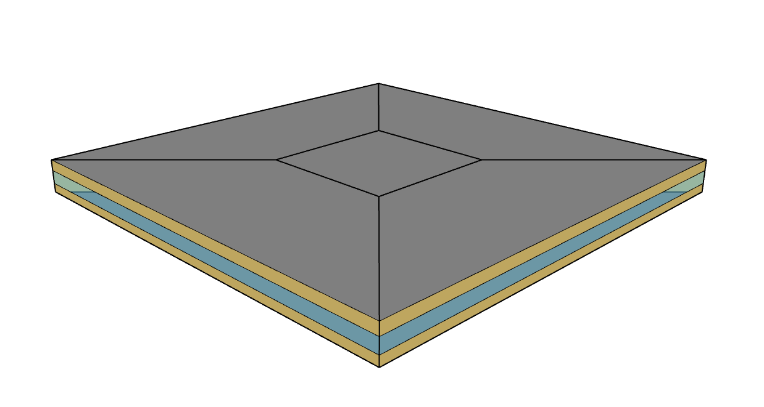 | The analysis uses prototype geometry originally developed by CEC. This is an open parking garage, there are no actual windows—the space is fully open to ambient air and therefore unconditioned.
Total Floor Area (ft²) | 185,648 | Same as CEC
Aspect Ratio | 1.0 | Same as CEC
Number of Floors | 3 | Same as CEC
Roof type | Flat | Same as CEC
WWR | n/a (50% openings all around the building) | Same as CEC
Shading Geometry | No Shades | Same as CEC
Floor to floor height (feet) | 13 | Same as CEC
Floor to ceiling height (feet) | 13 | Same as CEC
Glazing sill height (feet) | n/a | Same as CEC

Above grade wall area (ft²) | 27,303
Gross wall area (ft²) | 27,303
Roof area (ft²) | 63,116
Underground Gross Wall Area (ft²) | 0

Zones
N
Proposed Layout - ParkingOpen
Building | Space/Thermal Zone | Space Type [Primarily from: T24, 2022 Appendix 5.4A] - See Notes column | HVAC System Name/AHU Name | Schedule Category | Conditioned (Y/N) | Area Fraction | Area (ft²) | Volume (ft³) | Multipliers | Number of People | People (Persons/1,000 ft²) [T24, 2025,Table 120.1-A] | Notes
ParkingOpen | Core | Parking Garage Area (Parking Zone and Ramps) | n/a | Parking | No | 3.3% | 6,051 | 13,110 | 3 | 30 | 5
ParkingOpen | Daylight adaption | Parking Garage Area (Daylight Adaptation Zones) | n/a | Parking | No | 1.0% | 1,820 | 23,664 | 1 | 9 | 5
ParkingOpen | East perimeter | Parking Garage Area (Parking Zone and Ramps) | n/a | Parking | No | 7.4% | 13,801 | 29,904 | 3 | 69 | 5
ParkingOpen | North perimeter | Parking Garage Area (Parking Zone and Ramps) | n/a | Parking | No | 7.4% | 13,801 | 29,904 | 3 | 69 | 5
ParkingOpen | Parking attendant | Retail Sales Area (Retail Merchandise Sales) | UH | TicketAttendant | Yes | 0.03% | 60 | 320 | 1 | 1 | 17
ParkingOpen | South perimeter | Parking Garage Area (Parking Zone and Ramps) | n/a | Parking | No | 7.4% | 13,801 | 29,904 | 3 | 69 | 5
ParkingOpen | West perimeter | Parking Garage Area (Parking Zone and Ramps) | n/a | Parking | No | 7.4% | 13,801 | 29,904 | 3 | 69 | 5
Total (1 Building) | Total ( 7 spaces) | Total (3 Space types) | Total ( 1Thermal Zones) |  | Total (1 Conditioned zones) |  | 185,648 |  |  | 316

Equipment
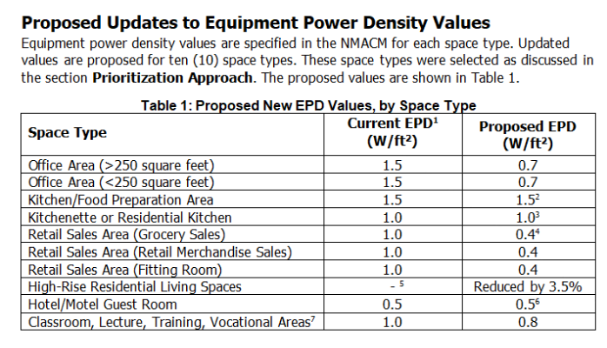
Equipment - ParkingOpen
Spaces | Plug load Power Density (W/ft²) | Gas Power Density (Btu/hr-ft²) | Refrigeration Power Density (W/ft²) | Source | Note
Parking Garage Area (Parking Zone and Ramps) | 0 | 0 | 0 | T24 2022 - Appendix 5.4A
Parking Garage Area (Daylight Adaptation Zones) | 0 | 0 | 0
Retail Sales Area (Retail Merchandise Sales) | 0.4 | 0 | 0 |  | Parking attendant zone - Plug load and schedules project with CEC, 2025

Elevator
Vintage | Class | Number of elevators (ne) | Cab Lighting Power Limit (W/ft2) | Fan Power Limit (W/CFM) | Cab Ventilation Fan & Lighting Shutoff | Design Motor Load (W) | Fan Load (W) | Lighting Load (W) | Total (W) | Note
Existing | F/G | 2 | 1.14 | 0.33 | When stopped and unoccupied with doors closed for over 15 minutes, cab interior lighting and ventilation shall be de-energized until required for operation. | 21383.90 | 165.00 | 68.17 | 21617.07 | Design load is calculated according to ISO 25745-2 method using Class F/G. Cab lighting and fan requirements are based on ASHRAE 90.1 2013.
New Construction | E | 2 | 0.60 | 0.33 | When the elevator cab is stopped and unoccupied with doors closed for over 15 minutes, the cab interior lighting and ventilation fans shall be switched off until elevator cab operation resumes. | 11276.14 | 165.00 | 35.88 | 11477.02 | Design load is calculated according to ISO 25745-2 method using Class E. Cab lighting and fan requirements are based on T24 2025 §120.6 (f).

Parking Elevator Calculations
Symbol | Definition | Value | Units | Source
E | Annual energy consumption of the elevator - Existing | 32654.71 | kWh/year | Calculated
 | Annual energy consumption of the elevator - New Construction | 17219.45 | kWh/year | Calculated
C1 | Running-energy coefficient | 3.65 for Class E; 5.47 for Class F | Coefficient | ISO 25745-2 Table 7
C2 | Idle/standby coefficient | 800 for Class E; 1,600 for Class F | Coefficient | ISO 25745-2 Table 7
Q | Rated load of elevator | 1361 | kg | Assumed for all prototypes
Elevator Size | Cab floor area | 29.9 | ft^2 | W=6.781 ft, L=4.406 ft; assumed based on representative manufacturer
CFM | Cab fan airflow | 250 | cfm | Assumed for multifamily and commercial prototypes
cat | Usage category | 2 | - | ISO 25745-2 Table A.1
d | Operating days per year | 360 | days/year | ISO 25745-2 Table A.1
nf | Number of floors | 3 | floors | Prototype assumptions
h | Floor-to-floor height | 3.96 | m | Prototype assumptions
v | Elevator lift speed | 1 | m/s | ISO 25745-2 Table A.1
nd | Number of trips per day | 125 | trips/day | ISO 25745-2 Table A.1
S_pct | Percent of average travel distance | 0.67 | % | ISO 25745-2 Table 2
a | Acceleration | 1 | m/s^2 | Annex B of ISO 25745-2
j | Jerk | 1.25 | m/s^3 | Annex B of ISO 25745-2
td | Door time | 8 | seconds | Annex B of ISO 25745-2
S_av | Average distance traveled per trip | 7.96 | m/trip | Calculated (nf * h * S_pct)
t_av | Average trip time | 17.76 | seconds/trip | Calculated (S_av/v + v/a + a/j + td)
t_nr | Time not running per day | 23.38 | hours/day | Calculated (24 - nd * t_av)
Standby Hours | Annual standby hours | 8538.01 | hours/year | Calculated (24*(365-d)+t_nr*d)
Total light level | Total light level | 40 | lm/ft2 | PNNL
EFLH | Equivalent full load hours | 1527 | hours | Calculated using the elevator schedule

Background Data [To be deleted prior to publication]

Schedules
Occupancy (*overall)
Schedules - ParkingOpen
Zone | Schedule Category | Schedule | Source | Type | Hour
 |  |  |  |  | 1 | 2 | 3 | 4 | 5 | 6 | 7 | 8 | 9 | 10 | 11 | 12 | 13 | 14 | 15 | 16 | 17 | 18 | 19 | 20 | 21 | 22 | 23 | 24
Parking Zones | Parking | Occupancy | T24 2022 - Appendix 5.4B, [Parking] | Weekday | 0 | 0 | 0 | 0 | 0 | 0 | 0 | 0 | 0 | 0 | 0 | 0 | 0 | 0 | 0 | 0 | 0 | 0 | 0 | 0 | 0 | 0 | 0 | 0
 |  |  |  | Saturday | 0 | 0 | 0 | 0 | 0 | 0 | 0 | 0 | 0 | 0 | 0 | 0 | 0 | 0 | 0 | 0 | 0 | 0 | 0 | 0 | 0 | 0 | 0 | 0
 |  |  |  | Sunday | 0 | 0 | 0 | 0 | 0 | 0 | 0 | 0 | 0 | 0 | 0 | 0 | 0 | 0 | 0 | 0 | 0 | 0 | 0 | 0 | 0 | 0 | 0 | 0
Lighting
Parking Zones | Parking | Lights | T24 2022 - Appendix 5.4B, [Parking] | Weekday | 0.5 | 0.5 | 0.5 | 0.5 | 0.5 | 0.5 | 1 | 1 | 1 | 1 | 1 | 1 | 1 | 1 | 1 | 1 | 1 | 1 | 1 | 1 | 1 | 1 | 0.5 | 0.5
 |  |  |  | Saturday | 0.5 | 0.5 | 0.5 | 0.5 | 0.5 | 0.5 | 1 | 1 | 1 | 1 | 1 | 1 | 1 | 1 | 1 | 1 | 1 | 0.5 | 0.5 | 0.5 | 0.5 | 0.5 | 0.5 | 0.5
 |  |  |  | Sunday | 0.5 | 0.5 | 0.5 | 0.5 | 0.5 | 0.5 | 0.5 | 0.5 | 0.5 | 0.5 | 0.5 | 0.5 | 0.5 | 0.5 | 0.5 | 0.5 | 0.5 | 0.5 | 0.5 | 0.5 | 0.5 | 0.5 | 0.5 | 0.5
Equipment
Parking Zones | Parking | ElecEquipment | T24 2022 - Appendix 5.4B, [Parking] | Weekday | 1 | 1 | 1 | 1 | 1 | 1 | 1 | 1 | 1 | 1 | 1 | 1 | 1 | 1 | 1 | 1 | 1 | 1 | 1 | 1 | 1 | 1 | 1 | 1
 |  |  |  | Saturday | 1 | 1 | 1 | 1 | 1 | 1 | 1 | 1 | 1 | 1 | 1 | 1 | 1 | 1 | 1 | 1 | 1 | 1 | 1 | 1 | 1 | 1 | 1 | 1
 |  |  |  | Sunday | 1 | 1 | 1 | 1 | 1 | 1 | 1 | 1 | 1 | 1 | 1 | 1 | 1 | 1 | 1 | 1 | 1 | 1 | 1 | 1 | 1 | 1 | 1 | 1
Equipment
Parking Zones | Parking | GasEquipment | T24 2022 - Appendix 5.4B, [Parking] | Weekday | 0 | 0 | 0 | 0 | 0 | 0 | 0 | 0 | 0 | 0 | 0 | 0 | 0 | 0 | 0 | 0 | 0 | 0 | 0 | 0 | 0 | 0 | 0 | 0
 |  |  |  | Saturday | 0 | 0 | 0 | 0 | 0 | 0 | 0 | 0 | 0 | 0 | 0 | 0 | 0 | 0 | 0 | 0 | 0 | 0 | 0 | 0 | 0 | 0 | 0 | 0
 |  |  |  | Sunday | 0 | 0 | 0 | 0 | 0 | 0 | 0 | 0 | 0 | 0 | 0 | 0 | 0 | 0 | 0 | 0 | 0 | 0 | 0 | 0 | 0 | 0 | 0 | 0
Parking Attendant
Ticket Attendant Zone | TicketAttendant | Occupancy | T24 2022 - Appendix 5.4B, [Parking] | Weekday | 0 | 0 | 0 | 0 | 0 | 0 | 1 | 1 | 1 | 1 | 1 | 1 | 1 | 1 | 1 | 1 | 1 | 0 | 0 | 0 | 0 | 0 | 0 | 0
 |  |  |  | Saturday | 0 | 0 | 0 | 0 | 0 | 0 | 0 | 1 | 1 | 1 | 1 | 1 | 1 | 1 | 1 | 0 | 0 | 0 | 0 | 0 | 0 | 0 | 0 | 0
 |  |  |  | Sunday | 0 | 0 | 0 | 0 | 0 | 0 | 0 | 0 | 0 | 0 | 0 | 0 | 0 | 0 | 0 | 0 | 0 | 0 | 0 | 0 | 0 | 0 | 0 | 0
Lighting
Ticket Attendant Zone | TicketAttendant | Lights | T24 2022 - Appendix 5.4B, [Parking] | Weekday | 0 | 0 | 0 | 0 | 0 | 0 | 1 | 1 | 1 | 1 | 1 | 1 | 1 | 1 | 1 | 1 | 1 | 0 | 0 | 0 | 0 | 0 | 0 | 0
 |  |  |  | Saturday | 0 | 0 | 0 | 0 | 0 | 0 | 0 | 1 | 1 | 1 | 1 | 1 | 1 | 1 | 1 | 0 | 0 | 0 | 0 | 0 | 0 | 0 | 0 | 0
 |  |  |  | Sunday | 0 | 0 | 0 | 0 | 0 | 0 | 0 | 0 | 0 | 0 | 0 | 0 | 0 | 0 | 0 | 0 | 0 | 0 | 0 | 0 | 0 | 0 | 0 | 0
Equipment
Ticket Attendant Zone | TicketAttendant | ElecEquipment | T24 2022 - Appendix 5.4B, [Parking] | Weekday | 0 | 0 | 0 | 0 | 0 | 0 | 1 | 1 | 1 | 1 | 1 | 1 | 1 | 1 | 1 | 1 | 1 | 0 | 0 | 0 | 0 | 0 | 0 | 0
 |  |  |  | Saturday | 0 | 0 | 0 | 0 | 0 | 0 | 0 | 1 | 1 | 1 | 1 | 1 | 1 | 1 | 1 | 0 | 0 | 0 | 0 | 0 | 0 | 0 | 0 | 0
SHW
 |  |  |  | Sunday | 0 | 0 | 0 | 0 | 0 | 0 | 0 | 0 | 0 | 0 | 0 | 0 | 0 | 0 | 0 | 0 | 0 | 0 | 0 | 0 | 0 | 0 | 0 | 0
Ticket Attendant Zone | TicketAttendant | ServiceHotWater | T24 2022 - Appendix 5.4B, [Parking] | Weekday | 0 | 0 | 0 | 0 | 0 | 0 | 0 | 0 | 0 | 0 | 0 | 0 | 0 | 0 | 0 | 0 | 0 | 0 | 0 | 0 | 0 | 0 | 0 | 0
 |  |  |  | Saturday | 0 | 0 | 0 | 0 | 0 | 0 | 0 | 0 | 0 | 0 | 0 | 0 | 0 | 0 | 0 | 0 | 0 | 0 | 0 | 0 | 0 | 0 | 0 | 0
 |  |  |  | Sunday | 0 | 0 | 0 | 0 | 0 | 0 | 0 | 0 | 0 | 0 | 0 | 0 | 0 | 0 | 0 | 0 | 0 | 0 | 0 | 0 | 0 | 0 | 0 | 0
HVAC Avail.
Ticket Attendant Zone | TicketAttendant | HVACAvail | T24 2022 - Appendix 5.4B, [Parking] | Weekday | 0 | 0 | 0 | 0 | 0 | 0 | 1 | 1 | 1 | 1 | 1 | 1 | 1 | 1 | 1 | 1 | 1 | 0 | 0 | 0 | 0 | 0 | 0 | 0
 |  |  |  | Saturday | 0 | 0 | 0 | 0 | 0 | 0 | 0 | 1 | 1 | 1 | 1 | 1 | 1 | 1 | 1 | 0 | 0 | 0 | 0 | 0 | 0 | 0 | 0 | 0
 |  |  |  | Sunday | 0 | 0 | 0 | 0 | 0 | 0 | 0 | 0 | 0 | 0 | 0 | 0 | 0 | 0 | 0 | 0 | 0 | 0 | 0 | 0 | 0 | 0 | 0 | 0
Ticket Attendant Zone | TicketAttendant | Infiltration | T24 2022 - Appendix 5.4B, [Parking] | Weekday | 1 | 1 | 1 | 1 | 1 | 1 | 0 | 0 | 0 | 0 | 0 | 0 | 0 | 0 | 0 | 0 | 0 | 1 | 1 | 1 | 1 | 1 | 1 | 1
 |  |  |  | Saturday | 1 | 1 | 1 | 1 | 1 | 1 | 1 | 0 | 0 | 0 | 0 | 0 | 0 | 0 | 0 | 1 | 1 | 1 | 1 | 1 | 1 | 1 | 1 | 1
 |  |  |  | Sunday | 1 | 1 | 1 | 1 | 1 | 1 | 1 | 1 | 1 | 1 | 1 | 1 | 1 | 1 | 1 | 1 | 1 | 1 | 1 | 1 | 1 | 1 | 1 | 1
Ticket Attendant Zone | TicketAttendant | HtgSetpt | T24 2022 - Appendix 5.4B, [Parking] | Weekday | 60 | 60 | 60 | 60 | 60 | 60 | 70 | 70 | 70 | 70 | 70 | 70 | 70 | 70 | 70 | 70 | 70 | 60 | 60 | 60 | 60 | 60 | 60 | 60
 |  |  |  | Saturday | 60 | 60 | 60 | 60 | 60 | 60 | 60 | 70 | 70 | 70 | 70 | 70 | 70 | 70 | 70 | 60 | 60 | 60 | 60 | 60 | 60 | 60 | 60 | 60
 |  |  |  | Sunday | 60 | 60 | 60 | 60 | 60 | 60 | 60 | 60 | 60 | 60 | 60 | 60 | 60 | 60 | 60 | 60 | 60 | 60 | 60 | 60 | 60 | 60 | 60 | 60
Ticket Attendant Zone | TicketAttendant | ClgSetpt | T24 2022 - Appendix 5.4B, [Parking] | Weekday | 85 | 85 | 85 | 85 | 85 | 85 | 75 | 75 | 75 | 75 | 75 | 75 | 75 | 75 | 75 | 75 | 75 | 85 | 85 | 85 | 85 | 85 | 85 | 85
 |  |  |  | Saturday | 85 | 85 | 85 | 85 | 85 | 85 | 85 | 75 | 75 | 75 | 75 | 75 | 75 | 75 | 75 | 85 | 85 | 85 | 85 | 85 | 85 | 85 | 85 | 85
 |  |  |  | Sunday | 85 | 85 | 85 | 85 | 85 | 85 | 85 | 85 | 85 | 85 | 85 | 85 | 85 | 85 | 85 | 85 | 85 | 85 | 85 | 85 | 85 | 85 | 85 | 85
Elevator
Other |  |  |  |  |  |  |  |  |  |  |  |  |  |  |  |  |  |  |  |  |  |  |  |  |  |  |  |  | EFLH
 | Building | Elevator | T24 2022 - Appendix 5.4B, [Parking] | Weekday | 0 | 0 | 0 | 0 | 0 | 0 | 0 | 0.35 | 0.69 | 0.43 | 0.37 | 0.43 | 0.58 | 0.48 | 0.37 | 0.37 | 0.46 | 0.62 | 0.2 | 0.12 | 0.04 | 0.04 | 0 | 0 | 1527
 |  |  |  | Saturday | 0 | 0 | 0 | 0 | 0 | 0 | 0 | 0.16 | 0.14 | 0.21 | 0.18 | 0.25 | 0.21 | 0.13 | 0.08 | 0.04 | 0.05 | 0.06 | 0 | 0 | 0 | 0 | 0 | 0
 |  |  |  | Sunday | 0 | 0 | 0 | 0 | 0 | 0 | 0 | 0 | 0 | 0 | 0 | 0 | 0 | 0 | 0 | 0 | 0 | 0 | 0 | 0 | 0 | 0 | 0 | 0
Retail Occ
 | Building | ExtLightingNonMotionCtrl | Similar | Weekday | 1 | 1 | 1 | 1 | 1 | 1 | 1 | 1 | 1 | 1 | 1 | 1 | 1 | 1 | 1 | 1 | 1 | 1 | 1 | 1 | 1 | 1 | 1 | 1
 |  |  |  | Saturday | 1 | 1 | 1 | 1 | 1 | 1 | 1 | 1 | 1 | 1 | 1 | 1 | 1 | 1 | 1 | 1 | 1 | 1 | 1 | 1 | 1 | 1 | 1 | 1
 |  |  |  | Sunday | 1 | 1 | 1 | 1 | 1 | 1 | 1 | 1 | 1 | 1 | 1 | 1 | 1 | 1 | 1 | 1 | 1 | 1 | 1 | 1 | 1 | 1 | 1 | 1
 | Building | ExtLightingMotionCtrl | PNNL Hospital Prototype (2022) Modified to 0 for 11 pm to 5 am during weekday and 12 am to 5 am during weekend | Weekday | 0 | 0 | 0 | 0 | 0 | 1 | 1 | 1 | 1 | 1 | 1 | 1 | 1 | 1 | 1 | 1 | 1 | 1 | 1 | 1 | 1 | 1 | 0 | 0
 |  |  |  | Saturday | 0 | 0 | 0 | 0 | 0 | 1 | 1 | 1 | 1 | 1 | 1 | 1 | 1 | 1 | 1 | 1 | 1 | 1 | 1 | 1 | 1 | 1 | 1 | 1
 |  |  |  | Sunday | 0 | 0 | 0 | 0 | 0 | 1 | 1 | 1 | 1 | 1 | 1 | 1 | 1 | 1 | 1 | 1 | 1 | 1 | 1 | 1 | 1 | 1 | 1 | 1
Retail Lighting
Parking Zones | Building | ParkingPeopleActivityLevel | same as stairs | Weekday | 146.5 | 146.5 | 146.5 | 146.5 | 146.5 | 146.5 | 146.5 | 146.5 | 146.5 | 146.5 | 146.5 | 146.5 | 146.5 | 146.5 | 146.5 | 146.5 | 146.5 | 146.5 | 146.5 | 146.5 | 146.5 | 146.5 | 146.5 | 146.5
 |  |  |  | Saturday | 146.5 | 146.5 | 146.5 | 146.5 | 146.5 | 146.5 | 146.5 | 146.5 | 146.5 | 146.5 | 146.5 | 146.5 | 146.5 | 146.5 | 146.5 | 146.5 | 146.5 | 146.5 | 146.5 | 146.5 | 146.5 | 146.5 | 146.5 | 146.5
Retail Equipment
 |  |  |  | Sunday | 146.5 | 146.5 | 146.5 | 146.5 | 146.5 | 146.5 | 146.5 | 146.5 | 146.5 | 146.5 | 146.5 | 146.5 | 146.5 | 146.5 | 146.5 | 146.5 | 146.5 | 146.5 | 146.5 | 146.5 | 146.5 | 146.5 | 146.5 | 146.5
Ticket Attendant Zone | Building | TicketAttendantPeopleActivityLevel | assumed same as meeting room | Weekday | 117.2 | 117.2 | 117.2 | 117.2 | 117.2 | 117.2 | 117.2 | 117.2 | 117.2 | 117.2 | 117.2 | 117.2 | 117.2 | 117.2 | 117.2 | 117.2 | 117.2 | 117.2 | 117.2 | 117.2 | 117.2 | 117.2 | 117.2 | 117.2
 |  |  |  | Saturday | 117.2 | 117.2 | 117.2 | 117.2 | 117.2 | 117.2 | 117.2 | 117.2 | 117.2 | 117.2 | 117.2 | 117.2 | 117.2 | 117.2 | 117.2 | 117.2 | 117.2 | 117.2 | 117.2 | 117.2 | 117.2 | 117.2 | 117.2 | 117.2
 |  |  |  | Sunday | 117.2 | 117.2 | 117.2 | 117.2 | 117.2 | 117.2 | 117.2 | 117.2 | 117.2 | 117.2 | 117.2 | 117.2 | 117.2 | 117.2 | 117.2 | 117.2 | 117.2 | 117.2 | 117.2 | 117.2 | 117.2 | 117.2 | 117.2 | 117.2

Energy Usage
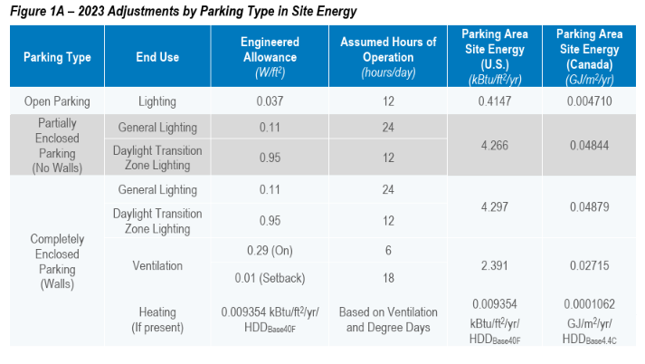
ParkingOpen CalBEM Prototype vs. National Average
 | Acceptable Range (25% Lower) | National Average Acceptable EUI Range | CalBEM Total EUI (KBTU/ft²) | New Construction Total EUI (KBTU/ft²)
 | 3.2 | 2.1
 | 3.2 | 2.1
 | 3.2 | 2.1
 | 3.2 | 2.1
 | 3.2 | 2.1
 | 3.2 | 2.1
 | 3.2 | 2.1
 | 3.2 | 2.1
 | 3.2 | 2.1
 | 3.2 | 2.1
 | 3.2 | 2.1
 | 3.2 | 2.1
 | 3.2 | 2.1
 | 3.2 | 2.1
 | 3.2 | 2.1
 | 3.2 | 2.1
CalBEM Energy Consumption - ParkingOpen |  |  |  |  |  |  |  |  |  |  |  | Energy Consumption - ParkingOpen
Prototype | CZ | CalBEM Electricity EUI (KBTU/ft²) | CalBEM Gas EUI (KBTU/ft²) | CalBEM Total EUI (KBTU/ft²) | New Construction Electricity EUI (KBTU/ft²) | New Construction Gas EUI (KBTU/ft²) | New Construction Total EUI (KBTU/ft²) | National Average | Acceptable Range (25% Higher) | Acceptable Range (25% Lower) | National Average Acceptable EUI Range | Prototype | CZ | Total Floorspace (Thousand of ft²) | CEUS 2023 Electricity EUI (kBtu/ft²) | CEUS 2023 Gas EUI (kBtu/ft²) | CEUS 2023 Total EUI (kBtu/ft²) | Acceptable Range (20% Higher) | Acceptable Range (20% Lower) | CEUS 2022 Acceptable EUI Range
ParkingOpen | 1 |  |  |  |  |  |  | 4.2 | 5.3 | 3.2 | 2.1 | ParkingOpen | 1
 | 2 |  |  |  |  |  |  | 4.2 | 5.3 | 3.2 | 2.1 |  | 2
 | 3 |  |  |  |  |  |  | 4.2 | 5.3 | 3.2 | 2.1 |  | 3
 | 4 |  |  |  |  |  |  | 4.2 | 5.3 | 3.2 | 2.1 |  | 4
 | 5 |  |  |  |  |  |  | 4.2 | 5.3 | 3.2 | 2.1 |  | 5
 | 6 |  |  |  |  |  |  | 4.2 | 5.3 | 3.2 | 2.1 |  | 6
 | 7 |  |  |  |  |  |  | 4.2 | 5.3 | 3.2 | 2.1 |  | 7
 | 8 |  |  |  |  |  |  | 4.2 | 5.3 | 3.2 | 2.1 |  | 8
 | 9 |  |  |  |  |  |  | 4.2 | 5.3 | 3.2 | 2.1 |  | 9
 | 10 |  |  |  |  |  |  | 4.2 | 5.3 | 3.2 | 2.1 |  | 10
 | 11 |  |  |  |  |  |  | 4.2 | 5.3 | 3.2 | 2.1 |  | 11
 | 12 |  |  |  |  |  |  | 4.2 | 5.3 | 3.2 | 2.1 |  | 12
 | 13 |  |  |  |  |  |  | 4.2 | 5.3 | 3.2 | 2.1 |  | 13
 | 14 |  |  |  |  |  |  | 4.2 | 5.3 | 3.2 | 2.1 |  | 14
 | 15 |  |  |  |  |  |  | 4.2 | 5.3 | 3.2 | 2.1 |  | 15
 | 16 |  |  |  |  |  |  | 4.2 | 5.3 | 3.2 | 2.1 |  | 16

 |  |  |  |  |  |  |  |  |  |  |  | Ref: CEUS 2022 Report
 |  |  |  |  |  |  |  |  |  |  |  | And converted FZ level data to CZ level

