Prototype
NORESCO, Updated September 2026
RetailStripMall
Characteristic | Value | Data Sources
Building Type | Small Retail
Building Category | Nonresidential
Version | v2-0
Vintages | 4 Vintages: Pre-1978 , 1978-1997 ,1998-2007 , 2008-2018 New Construction (2019+) | Based on the vintage bin analysis. A summary of the findings is presented in the following paper, with a link provided in the Notes tab: Yousefi, F., Athalye, R. (2025). “Determining Vintage Bins for Prototype Development: An Analysis of California Commercial Buildings.” ASHRAE Annual Conference.
Shape | 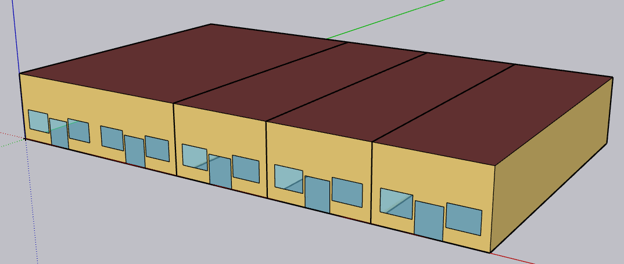 | Geometry of CBECC Retail Strip Mall prototype was adapted
Total Floor Area (ft²) | 9,375 (125 ft x 75 ft) | Geometry of CBECC Retail Strip Mall prototype was adapted
Aspect Ratio | 1.67 overall (0.33 for small store & 0.67 for large store) | Geometry of CBECC Retail Strip Mall prototype was adapted
Number of Floors | 1
Roof type | Roof membrane+Roof insulation+metal decking
WWR | 8.24% | Geometry of CBECC Retail Strip Mall prototype was adapted
Shading Geometry | none
Floor to floor height (feet) | N/A
Floor to ceiling height (feet) | 17 | Geometry of CBECC Retail Strip Mall prototype was adapted
Glazing sill height (feet) | 3.0 ft (top of the window is 8 ft high) | Geometry of CBECC Retail Strip Mall prototype was adapted

Existing Retail Prototypes

Large size prototype | CEC: Retail_Large | CPUC: Retail_Multistory Large (Rt3) | CPUC: Retail_Single-Story Large (RtL)
Geometry |  | 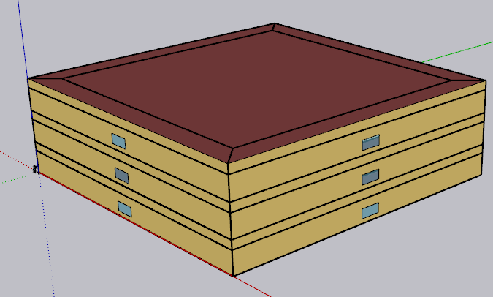 | 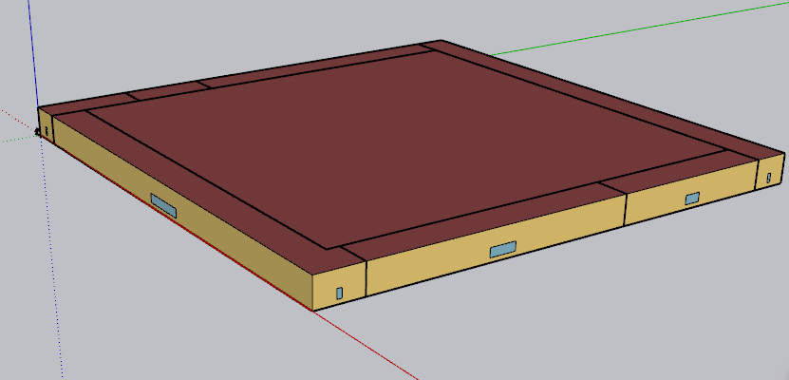
Total floor area (ft²) | 240,000 | 120,000 | 130,502

Medium size prototype | CEC: Retail_Medium | PNNL : Retail_Stand alone | PNNL: Retail_Stripmall | CPUC: Retail_Grocery
Geometry | 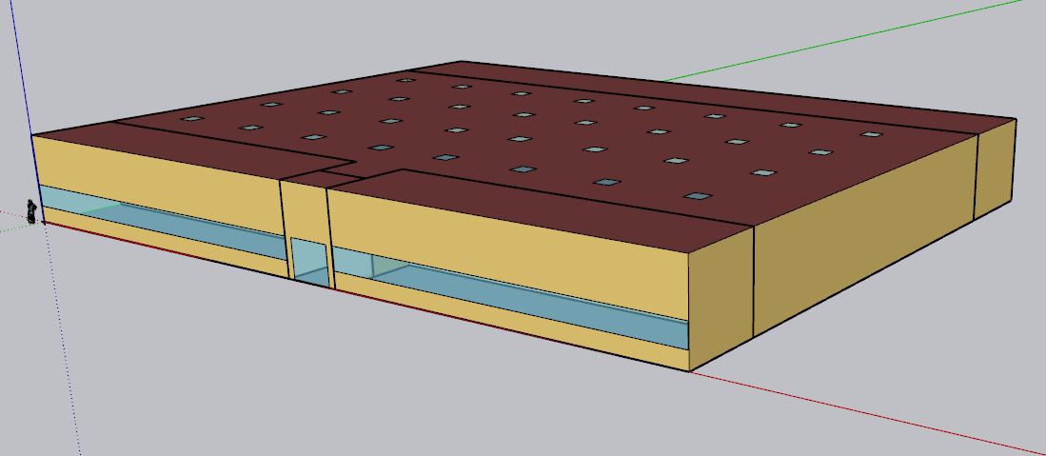 zoning same as PNNL Stand alone with more skylight | 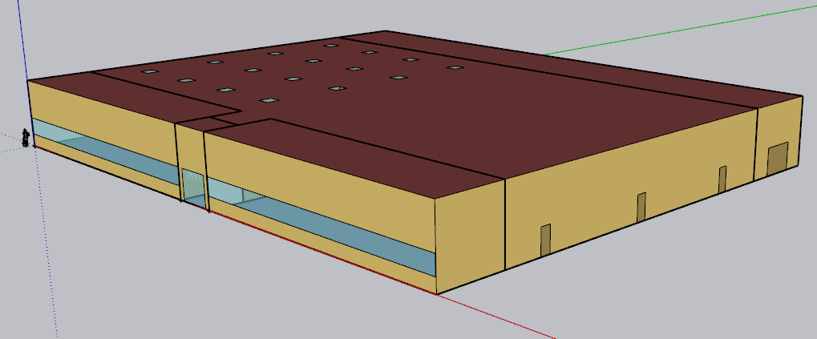 | 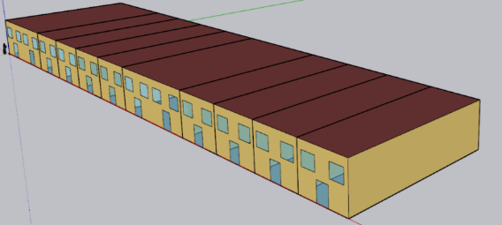 | 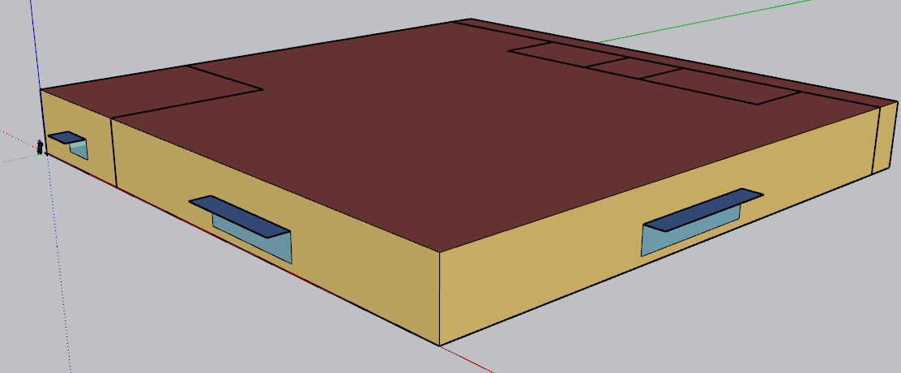
Total floor area (ft²) | 24,692 | 24,692 | 22,500 | 49,997

Small size prototype | CEC: Retail_Stripmall (Mixed use) | CPUC: Retail_Small (RtS)
Geometry | 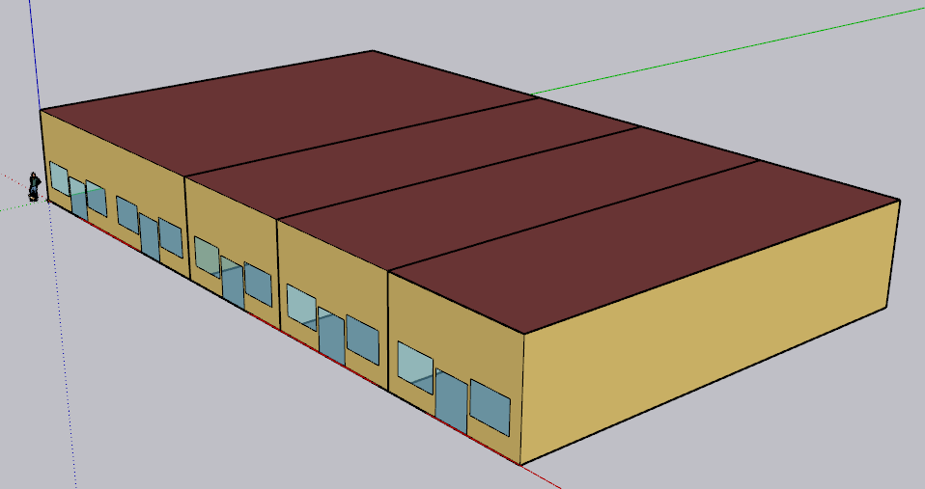 | 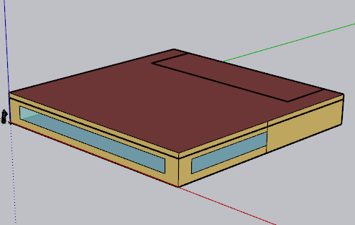
Total floor area (ft²) | 9,375 | 8,001

Zones
N
Proposed Layout - RetailStripMall
Building | Space/Thermal Zone | Space Type [Primarily from: T24, 2022 Appendix 5.4A] - See Notes column | HVAC System Name (NC) | HVAC System Name (Existing) | Schedule Category | Conditioned (Y/N) | Area Fraction | Area (ft²) | Volume (ft³) | Multipliers | Number of People | People (Persons/1,000 ft²) [T24, 2025,Table 120.1-A] | Notes | 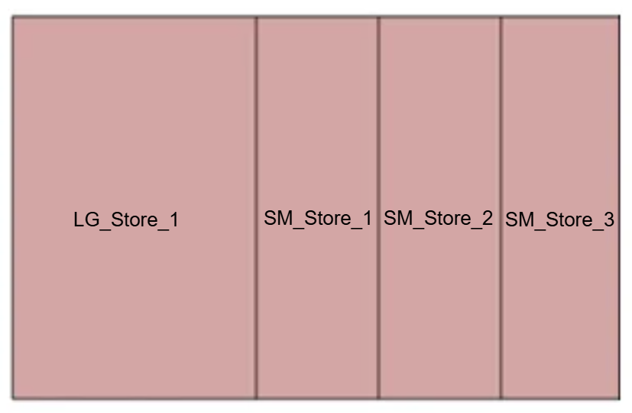 Spaces and Zoning layout
RetailStripMall | LG_Store_1 | Retail Sales Area (Retail Merchandise Sales) | SZVAVHP_LG_Store | SZAC_LG_Store | Retail | Yes | 40% | 3,750 | 63,750 | 1 | 64 | 17
RetailStripMall | SM_Store_1 | Retail Sales Area (Retail Merchandise Sales) | SZVAVHP_SM_Store1 | SZAC_SM_Store1 | Retail | Yes | 20% | 1,875 | 31,875 | 1 | 32 | 17
RetailStripMall | SM_Store_2 | Retail Sales Area (Retail Merchandise Sales) | SZVAVHP_SM_Store2 | SZAC_SM_Store2 | Retail | Yes | 20% | 1,875 | 31,875 | 1 | 32 | 17
RetailStripMall | SM_Store_3 | Retail Sales Area (Retail Merchandise Sales) | SZVAVHP_SM_Store3 | SZAC_SM_Store3 | Retail | Yes | 20% | 1,874.97 | 31,875 | 1 | 32 | 17
Total (1 Building) | Total (4 Spaces) | Total (1 Space type) | Total (4 HVAC systems) | Total (4 HVAC systems) | Total (1 Schedule category) | Total (4 Conditioned zones) | 100% | 9,375 | 159,375 |  | 159

 | Plan from CBECC 2022, Retail_Stripmall prototype

HVAC System
HVAC system - RetailStripMall
Vintage | Heating | Cooling | Air Distribution | Other systems | Source
Existing | PSZAC (furnace) | PSZAC (DX cooling) | PSZAC | OA mixing Economizer for Vintage 3 and 4 | CEUS 2022
New Construction | SZVAVHP | SZVAVHP | PSZVAVHP | OA mixing Economizer | Title 24, 2025, Engineering judgement

Efficiency of HVAC system (Efficiency is capacity-dependent. The following table provides a general estimate of system efficiency based on preliminary simulations in one climate zone, or assuming cooling load based on rule of thumb)
Vintage | Upgrade year | Heating | Cooling | Source
Pre 1978 | 2008 | Thermal Efficiency of 80% | SEER=13.0 for <65 kBtu/h EER 10.1 for 65-135 kBtu/h EER 9.5 for 135-240 kBtu/h EER 9.3 for 240-760 kBtu/h | T24, Table 112-A (2008) 10 CFR § 431.97, Table 1 (2008) California Title 20 Appliance Efficiency Regulations, Table E-4, Standards for Gas- and Oil-Fired Central Furnaces (2008)
1978-1997
1998-2007
2008-2018 | 2013 | Thermal Efficiency of 80%; | SEER 13 for <65 kBtu/h EER 11.0 for 65-135 kBtu/h EER 10.8 for 135-240 kBtu/h EER 9.8 for 240-760 kBtu/h | T24 Tables 110.2-A, 110.2-J (2013) 10 CFR, § 431.97, Table 1 (2013)
New Construction | 2025 | HSPF 8.0 for <65 kBtu/h COP 3.4 for 65-135 kBtu/h COP 3.3 for 135-240 kBtu/h COP 3.2 for >240 kBtu/h | SEER 14 for <65 kBtu/h EER 10.8, IEER 13.9 for 65-135 kBtu/h EER 10.4, IEER = 13.3 135-240 kBtu/h EER 9.3, IEER=12.3 for >240 kBtu/h | 10 CFR § 431.97(b) Table 1 (2025) Title 20 Appliance Efficiency Regulations, Section 1605.1, Table C-5 (2025) T24, Table 110.2-B (2025)

Fan Power
Vintage | Approach | System | Total Static Pressure (TSP) (in w.c.) | Fan Efficiency [ACM 2025] | Motor Efficiency | Fan Power Index (W/cfm) | Data Source | Note
Existing | PNNL 90.1-2011, TSP | CAV < 7,437 cfm | 2.5 | 0.65 | ASHRAE 90.1, 2004, Table 10.8 * |  | Fan power formula: PNNL 20405, 2010, section 5.2.2.5 TSP and fan efficiency: PNNL 20405, 2010, Table 5.11, 90.1-04ac values Motor and drive efficiency: ASHRAE 90.1, 2004, Table 10.8
 |  | CAV >= 7,437 cfm | 4.09
Brake horsepower (bhp) = (Supply cfm × TSP in w.c.) / (6356 × fan efficiency)
Fan power (w/cfm) = (bhp × 746) / ( supply cfm × motor efficiency )
New Construction | ACM 2025 | SZVAVHP (System 7b), tenant unit ≤5,000 cfm | TSP = fan power × motor efficiency × fan efficiency × 6356 / 746 | 0.65 | 2025 ACM Table 12 ** | 0.744 | Fan power index: [ACM 2025, Table 13] Motor efficiency: [ACM 2025, Table 12]
 |  | SZVAVHP (System 7b), >5,000 and ≤10,000 cfm | TSP = fan power × motor efficiency × fan efficiency × 6356 / 746 |  |  | 0.720

* According to PNNL 20405 section 5.2.2.5, the full-load efficiency of the motor serving the fan is taken from ASHRAE 90.1, 2004, Table 10.8, based on motor nameplate and assuming enclosed motors operating at 1,800 rotations per minute (rpm) Motor nameplate size (bhp) = brake horsepower (bhp) × 1.1 ( using a 10% oversizing factor)
** The full‑load efficiency of the motor serving the fan is taken from ACM 2025 Table 12 based on the cfm of the fan. Brake horsepower (bhp) = (Supply cfm from sizing run × fan power in W/cfm) / 746. Note: Strip-mall packaged SZVAVHP. ACM System 7b ≤5,000 cfm. Note: ACM System 7b mid bin, if a tenant unit is above 5,000 cfm.

$$bhp=\frac{cfm∗{TSP}_{in w.c.}}{{6356∗μ}_{fan}}$$

$${Fan power}_{w/cfm}=\frac{bhp∗746}{cfm∗μ_{motor}}$$

$$bhp=\frac{{Fan power}_{w/cfm}∗cfm∗μ_{motor}}{746}$$

$${Fan power}_{w/cfm}=\frac{{TSP}_{in w.c}∗746}{6356∗μ_{fan}∗μ_{motor}}$$

Schedules
Occupancy
Schedules - RetailStripMall
Zone | Schedule Category | Schedule | Source | Type | Hour
 |  |  |  |  | 1 | 2 | 3 | 4 | 5 | 6 | 7 | 8 | 9 | 10 | 11 | 12 | 13 | 14 | 15 | 16 | 17 | 18 | 19 | 20 | 21 | 22 | 23 | 24
All Zones | Retail | Occupancy | NLR Study "Final Optimization Report: Empowering Energy Efficiency in Existing Big-Box Retail/Grocery Stores", (2020) | Weekday | 0 | 0 | 0 | 0 | 0 | 0 | 0 | 0.2 | 0.3 | 0.4 | 0.5 | 0.6 | 0.6 | 0.6 | 0.6 | 0.6 | 0.7 | 0.8 | 0.8 | 0.6 | 0.3 | 0 | 0 | 0
 |  |  |  | Saturday | 0 | 0 | 0 | 0 | 0 | 0 | 0 | 0.3 | 0.4 | 0.6 | 0.8 | 0.9 | 0.9 | 0.9 | 0.9 | 0.8 | 0.8 | 0.7 | 0.6 | 0.5 | 0.3 | 0 | 0 | 0
 |  |  |  | Sunday | 0 | 0 | 0 | 0 | 0 | 0 | 0 | 0.2 | 0.3 | 0.5 | 0.7 | 0.8 | 0.8 | 0.8 | 0.8 | 0.7 | 0.7 | 0.6 | 0.5 | 0.4 | 0.2 | 0 | 0 | 0
Lights
All Zones | Retail | Lights | T24 2022 - Appendix 5.4B, [Retail] | Weekday | 0.05 | 0.05 | 0.05 | 0.05 | 0.05 | 0.05 | 0.70 | 1.00 | 1.00 | 1.00 | 1.00 | 1.00 | 1.00 | 1.00 | 1.00 | 1.00 | 1.00 | 1.00 | 1.00 | 1.00 | 1.00 | 0.70 | 0.05 | 0.05
 |  |  |  | Saturday | 0.05 | 0.05 | 0.05 | 0.05 | 0.05 | 0.05 | 0.70 | 1.00 | 1.00 | 1.00 | 1.00 | 1.00 | 1.00 | 1.00 | 1.00 | 1.00 | 1.00 | 1.00 | 1.00 | 1.00 | 1.00 | 0.70 | 0.05 | 0.05
 |  |  |  | Sunday | 0.05 | 0.05 | 0.05 | 0.05 | 0.05 | 0.05 | 0.70 | 1.00 | 1.00 | 1.00 | 1.00 | 1.00 | 1.00 | 1.00 | 1.00 | 1.00 | 1.00 | 1.00 | 1.00 | 1.00 | 1.00 | 0.70 | 0.05 | 0.05
ElecEquipment
All Zones | Retail | ElecEquipment | Plug load and schedules project with CEC, 2025 | Weekday | 0.40 | 0.40 | 0.40 | 0.40 | 0.40 | 0.40 | 0.40 | 0.90 | 0.90 | 0.90 | 0.90 | 0.90 | 0.90 | 0.90 | 0.90 | 0.90 | 0.90 | 0.90 | 0.90 | 0.90 | 0.90 | 0.40 | 0.40 | 0.40
 |  |  |  | Saturday | 0.40 | 0.40 | 0.40 | 0.40 | 0.40 | 0.40 | 0.40 | 0.90 | 0.90 | 0.90 | 0.90 | 0.90 | 0.90 | 0.90 | 0.90 | 0.90 | 0.90 | 0.90 | 0.90 | 0.90 | 0.90 | 0.40 | 0.40 | 0.40
 |  |  |  | Sunday | 0.40 | 0.40 | 0.40 | 0.40 | 0.40 | 0.40 | 0.40 | 0.90 | 0.90 | 0.90 | 0.90 | 0.90 | 0.90 | 0.90 | 0.90 | 0.90 | 0.90 | 0.90 | 0.90 | 0.90 | 0.90 | 0.40 | 0.40 | 0.40
All Zones | Retail | HVACAvail | T24 2022 - Appendix 5.4B, [Retail] | Weekday | 0.00 | 0.00 | 0.00 | 0.00 | 0.00 | 0.00 | 1.00 | 1.00 | 1.00 | 1.00 | 1.00 | 1.00 | 1.00 | 1.00 | 1.00 | 1.00 | 1.00 | 1.00 | 1.00 | 1.00 | 1.00 | 0.00 | 0.00 | 0.00
 |  |  |  | Saturday | 0.00 | 0.00 | 0.00 | 0.00 | 0.00 | 0.00 | 1.00 | 1.00 | 1.00 | 1.00 | 1.00 | 1.00 | 1.00 | 1.00 | 1.00 | 1.00 | 1.00 | 1.00 | 1.00 | 1.00 | 1.00 | 1.00 | 0.00 | 0.00
 |  |  |  | Sunday | 0.00 | 0.00 | 0.00 | 0.00 | 0.00 | 0.00 | 0.00 | 0.00 | 1.00 | 1.00 | 1.00 | 1.00 | 1.00 | 1.00 | 1.00 | 1.00 | 1.00 | 1.00 | 1.00 | 0.00 | 0.00 | 0.00 | 0.00 | 0.00
All Zones | Retail | ServiceHotWater | T24 2022 - Appendix 5.4B, [Retail] | Weekday | 0.04 | 0.05 | 0.05 | 0.04 | 0.04 | 0.04 | 0.04 | 0.15 | 0.23 | 0.32 | 0.41 | 0.57 | 0.62 | 0.61 | 0.50 | 0.45 | 0.46 | 0.47 | 0.42 | 0.34 | 0.33 | 0.23 | 0.13 | 0.08
 |  |  |  | Saturday | 0.11 | 0.10 | 0.08 | 0.06 | 0.06 | 0.06 | 0.07 | 0.20 | 0.24 | 0.27 | 0.42 | 0.54 | 0.59 | 0.60 | 0.49 | 0.48 | 0.47 | 0.46 | 0.44 | 0.36 | 0.29 | 0.22 | 0.16 | 0.13
 |  |  |  | Sunday | 0.07 | 0.07 | 0.07 | 0.06 | 0.06 | 0.06 | 0.07 | 0.10 | 0.12 | 0.14 | 0.29 | 0.31 | 0.36 | 0.36 | 0.34 | 0.35 | 0.37 | 0.34 | 0.25 | 0.27 | 0.21 | 0.16 | 0.10 | 0.06
All Zones | Retail | Infiltration | T24 2022 - Appendix 5.4B, [Retail] | Weekday | 1.00 | 1.00 | 1.00 | 1.00 | 1.00 | 1.00 | 0.25 | 0.25 | 0.25 | 0.25 | 0.25 | 0.25 | 0.25 | 0.25 | 0.25 | 0.25 | 0.25 | 0.25 | 0.25 | 0.25 | 0.25 | 1.00 | 1.00 | 1.00
 |  |  |  | Saturday | 1.00 | 1.00 | 1.00 | 1.00 | 1.00 | 1.00 | 0.25 | 0.25 | 0.25 | 0.25 | 0.25 | 0.25 | 0.25 | 0.25 | 0.25 | 0.25 | 0.25 | 0.25 | 0.25 | 0.25 | 0.25 | 0.25 | 1.00 | 1.00
 |  |  |  | Sunday | 1.00 | 1.00 | 1.00 | 1.00 | 1.00 | 1.00 | 1.00 | 1.00 | 0.25 | 0.25 | 0.25 | 0.25 | 0.25 | 0.25 | 0.25 | 0.25 | 0.25 | 0.25 | 0.25 | 1.00 | 1.00 | 1.00 | 1.00 | 1.00
All Zones | Retail | Refrigeration | T24 2022 - Appendix 5.4B, [Retail] | Weekday | 0.90 | 0.90 | 0.90 | 0.90 | 0.90 | 0.90 | 0.90 | 0.90 | 0.90 | 0.90 | 0.90 | 0.90 | 0.90 | 0.90 | 0.90 | 0.90 | 0.90 | 0.90 | 0.90 | 0.90 | 0.90 | 0.90 | 0.90 | 0.90
 |  |  |  | Saturday | 0.90 | 0.90 | 0.90 | 0.90 | 0.90 | 0.90 | 0.90 | 0.90 | 0.90 | 0.90 | 0.90 | 0.90 | 0.90 | 0.90 | 0.90 | 0.90 | 0.90 | 0.90 | 0.90 | 0.90 | 0.90 | 0.90 | 0.90 | 0.90
 |  |  |  | Sunday | 0.90 | 0.90 | 0.90 | 0.90 | 0.90 | 0.90 | 0.90 | 0.90 | 0.90 | 0.90 | 0.90 | 0.90 | 0.90 | 0.90 | 0.90 | 0.90 | 0.90 | 0.90 | 0.90 | 0.90 | 0.90 | 0.90 | 0.90 | 0.90
All Zones | Retail | HtgSetpt | T24 2022 - Appendix 5.4B, [Retail] | Weekday | 60 | 60 | 60 | 60 | 60 | 60 | 70 | 70 | 70 | 70 | 70 | 70 | 70 | 70 | 70 | 70 | 70 | 70 | 70 | 70 | 70 | 60 | 60 | 60
 |  |  |  | Saturday | 60 | 60 | 60 | 60 | 60 | 60 | 70 | 70 | 70 | 70 | 70 | 70 | 70 | 70 | 70 | 70 | 70 | 70 | 70 | 70 | 70 | 70 | 60 | 60
 |  |  |  | Sunday | 60 | 60 | 60 | 60 | 60 | 60 | 60 | 60 | 70 | 70 | 70 | 70 | 70 | 70 | 70 | 70 | 70 | 70 | 70 | 60 | 60 | 60 | 60 | 60
All Zones | Retail | ClgSetpt | T24 2022 - Appendix 5.4B, [Retail] | Weekday | 85 | 85 | 85 | 85 | 85 | 85 | 75 | 75 | 75 | 75 | 75 | 75 | 75 | 75 | 75 | 75 | 75 | 75 | 75 | 75 | 75 | 85 | 85 | 85
 |  |  |  | Saturday | 85 | 85 | 85 | 85 | 85 | 85 | 75 | 75 | 75 | 75 | 75 | 75 | 75 | 75 | 75 | 75 | 75 | 75 | 75 | 75 | 75 | 75 | 85 | 85
 |  |  |  | Sunday | 85 | 85 | 85 | 85 | 85 | 85 | 85 | 85 | 75 | 75 | 75 | 75 | 75 | 75 | 75 | 75 | 75 | 75 | 75 | 85 | 85 | 85 | 85 | 85
Other
 | Building | ExtLightingNonMotionCtrl |  | Weekday | 1 | 1 | 1 | 1 | 1 | 1 | 1 | 1 | 1 | 1 | 1 | 1 | 1 | 1 | 1 | 1 | 1 | 1 | 1 | 1 | 1 | 1 | 1 | 1
 |  |  |  | Saturday | 1 | 1 | 1 | 1 | 1 | 1 | 1 | 1 | 1 | 1 | 1 | 1 | 1 | 1 | 1 | 1 | 1 | 1 | 1 | 1 | 1 | 1 | 1 | 1
 |  |  |  | Sunday | 1 | 1 | 1 | 1 | 1 | 1 | 1 | 1 | 1 | 1 | 1 | 1 | 1 | 1 | 1 | 1 | 1 | 1 | 1 | 1 | 1 | 1 | 1 | 1
 | Building | ExtLightingMotionCtrl |  | Weekday | 0 | 0 | 0 | 0 | 0 | 1 | 1 | 1 | 1 | 1 | 1 | 1 | 1 | 1 | 1 | 1 | 1 | 1 | 1 | 1 | 1 | 1 | 0 | 0
 |  |  |  | Saturday | 0 | 0 | 0 | 0 | 0 | 1 | 1 | 1 | 1 | 1 | 1 | 1 | 1 | 1 | 1 | 1 | 1 | 1 | 1 | 1 | 1 | 1 | 1 | 1
 |  |  |  | Sunday | 0 | 0 | 0 | 0 | 0 | 1 | 1 | 1 | 1 | 1 | 1 | 1 | 1 | 1 | 1 | 1 | 1 | 1 | 1 | 1 | 1 | 1 | 1 | 1
Retails | Building | RetailSalePeopleActivityLevel | Based on Activity level schedules in CEC Prototypes | Weekday | 132 | 132 | 132 | 132 | 132 | 132 | 132 | 132 | 132 | 132 | 132 | 132 | 132 | 132 | 132 | 132 | 132 | 132 | 132 | 132 | 132 | 132 | 132 | 132
 |  |  |  | Saturday | 132 | 132 | 132 | 132 | 132 | 132 | 132 | 132 | 132 | 132 | 132 | 132 | 132 | 132 | 132 | 132 | 132 | 132 | 132 | 132 | 132 | 132 | 132 | 132
 |  |  |  | Sunday | 132 | 132 | 132 | 132 | 132 | 132 | 132 | 132 | 132 | 132 | 132 | 132 | 132 | 132 | 132 | 132 | 132 | 132 | 132 | 132 | 132 | 132 | 132 | 132

Background Data [To be deleted prior to publication]

Energy Usage
RetailStripMall CalBEM Prototype vs. CEUS 2022
 | Acceptable Range (25% Lower) | CEUS 2022 Acceptable EUI Range | CalBEM Total EUI (KBTU/ft²) | New Construction Total EUI (KBTU/ft²)
 | 36.2 | 24.2
 | 31.1 | 20.7
 | 35.0 | 23.3
 | 35.3 | 23.5
 | 34.7 | 23.2
 | 25.4 | 17.0
 | 28.7 | 19.2
 | 25.1 | 16.8
 | 27.7 | 18.5
 | 27.8 | 18.5
 | 34.1 | 22.8
 | 35.5 | 23.7
 | 38.4 | 25.6
 | 25.3 | 16.8
 | 31.8 | 21.2
 | 28.6 | 19.0
CalBEM Energy Consumption - RetailStripMall |  |  |  |  |  |  |  | National Average (EnergyStar Portfolio Manager) |  |  |  | CEUS Energy Consumption : Retail |  |  |  |  |  |  |  |  | PNNL RetailStripMall 2007 (with floor area of 22,500 ft2) for San Diego shows 62 KBTU/ft2 | PNNL results are close to RetailMedium
Prototype | CZ | CalBEM Electricity EUI (KBTU/ft²) | CalBEM Gas EUI (KBTU/ft²) | CalBEM Total EUI (KBTU/ft²) | New Construction Electricity EUI (KBTU/ft²) | New Construction Gas EUI (KBTU/ft²) | New Construction Total EUI (KBTU/ft²) | National Average | Acceptable Range (25% Higher) | Acceptable Range (25% Lower) | National Average Acceptable EUI Range | Prototype | CZ | Total Floorspace (Thousand of ft²) | CEUS 2023 Electricity EUI (kBtu/ft²) | CEUS 2023 Gas EUI (kBtu/ft²) | CEUS 2023 Total EUI (kBtu/ft²) | Acceptable Range (25% Higher) | Acceptable Range (25% Lower) | CEUS 2022 Acceptable EUI Range | PNNL RetailStripMall 2022 (with floor area of 22,500 ft2) for San Diego shows 29 KBTU/ft2
RetailStripMall | 1 |  |  |  |  |  |  | 46.8 | 58.5 | 35.1 | 23.4 | Retail | 1 | 13,814 | 37.9 | 10.4 | 48.3 | 60.4 | 36.2 | 24.2
 | 2 |  |  |  |  |  |  | 58.4 | 73.0 | 43.8 | 29.2 |  | 2 | 25,239 | 26.6 | 14.8 | 41.4 | 51.8 | 31.1 | 20.7
 | 3 |  |  |  |  |  |  | 52.3 | 65.4 | 39.225 | 26.2 |  | 3 | 88,648 | 34.8 | 11.9 | 46.7 | 58.4 | 35.0 | 23.3
 | 4 |  |  |  |  |  |  | 60.9 | 76.1 | 45.675 | 30.5 |  | 4 | 44,551 | 35.5 | 11.5 | 47 | 58.8 | 35.3 | 23.5
 | 5 |  |  |  |  |  |  | 50.4 | 63.0 | 37.8 | 25.2 |  | 5 | 9,847 | 31.7 | 14.6 | 46.3 | 57.9 | 34.7 | 23.2
 | 6 |  |  |  |  |  |  | 57.8 | 72.3 | 43.35 | 28.9 |  | 6 | 92,562 | 29.3 | 4.6 | 33.9 | 42.4 | 25.4 | 17.0
 | 7 |  |  |  |  |  |  | 57.8 | 72.3 | 43.35 | 28.9 |  | 7 | 63,471 | 35.1 | 3.2 | 38.3 | 47.9 | 28.7 | 19.2
 | 8 |  |  |  |  |  |  | 58.9 | 73.6 | 44.175 | 29.5 |  | 8 | 147,354 | 29 | 4.5 | 33.5 | 41.9 | 25.1 | 16.8
 | 9 |  |  |  |  |  |  | 59.6 | 74.5 | 44.7 | 29.8 |  | 9 | 212,697 | 32.1 | 4.8 | 36.9 | 46.1 | 27.7 | 18.5
 | 10 |  |  |  |  |  |  | 60.2 | 75.3 | 45.15 | 30.1 |  | 10 | 149,832 | 31.7 | 5.3 | 37 | 46.3 | 27.8 | 18.5
 | 11 |  |  |  |  |  |  | 62.3 | 77.9 | 46.725 | 31.2 |  | 11 | 45,934 | 36.2 | 9.3 | 45.5 | 56.9 | 34.1 | 22.8
 | 12 |  |  |  |  |  |  | 61.3 | 76.6 | 45.975 | 30.7 |  | 12 | 195,816 | 37.5 | 9.8 | 47.3 | 59.1 | 35.5 | 23.7
 | 13 |  |  |  |  |  |  | 62.3 | 77.9 | 46.725 | 31.2 |  | 13 | 67,122 | 42.3 | 8.9 | 51.2 | 64.0 | 38.4 | 25.6
 | 14 |  |  |  |  |  |  | 62.6 | 78.3 | 46.95 | 31.3 |  | 14 | 39,049 | 29.3 | 4.4 | 33.7 | 42.1 | 25.3 | 16.8
 | 15 |  |  |  |  |  |  | 60.1 | 75.1 | 45.075 | 30.0 |  | 15 | 73,160 | 34.1 | 8.3 | 42.4 | 53.0 | 31.8 | 21.2
 | 16 |  |  |  |  |  |  | 61.2 | 76.5 | 45.9 | 30.6 |  | 16 | 149,464 | 32.8 | 5.3 | 38.1 | 47.6 | 28.6 | 19.0

RetailStripMall CalBEM Prototype vs. National Average
 | Acceptable Range (25% Lower) | National Average Acceptable EUI Range | CalBEM Total EUI (KBTU/ft²) | New Construction Total EUI (KBTU/ft²)
 | 35.1 | 23.4
 | 43.8 | 29.2
 | 39.225 | 26.2
 | 45.675 | 30.5
 | 37.8 | 25.2
 | 43.35 | 28.9
 | 43.35 | 28.9
 | 44.175 | 29.5
 | 44.7 | 29.8
 | 45.15 | 30.1
 | 46.725 | 31.2
 | 45.975 | 30.7
 | 46.725 | 31.2
 | 46.95 | 31.3
 | 45.075 | 30.0
 | 45.9 | 30.6
 |  |  |  |  |  |  |  |  |  |  |  | Ref: CEUS 2022 Report
 |  |  |  |  |  |  |  |  |  |  |  | And converted FZ level data to CZ level
 |  |  |  |  |  |  |  |  |  |  |  | CEUS has only one category for Retail

