Notes
Data Sources
Dataset | Dodge 2023
 | Commercial End-Use Survey (CEUS) 2022 | https://www.energy.ca.gov/publications/2023/2022-california-commercial-end-use-survey-ceus-final-report
 | Commercial Buildings Energy Consumption Survey (CBECS) 2018 | https://www.eia.gov/consumption/commercial/data/2018/index.php?view=microdata
 | Comstock 2023 | https://data.openei.org/s3_viewer?bucket=oedi-data-lake&prefix=nrel-pds-building-stock%2Fend-use-load-profiles-for-us-building-stock%2F2023%2Fcomstock_amy2018_release_2%2Fmetadata_and_annual_results%2Fby_state%2Fstate%3DCA%2F
Prototype | California Energy Commission (CEC) Medium Retail prototype (CBECC 2022.3.1) | https://bees.noresco.com/software2022.html
 | Pacific Northwest National Laboratory (PNNL) Standalone Retail prototypes (90.1-2022) | https://www.energycodes.gov/prototype-building-models#Commercial
 | Database for Energy Efficient Resources (DEER) Retail prototypes (June 2023) | https://github.com/sound-data/DEER-Prototypes-EnergyPlus

Codes | Title 24, part 6, referred to as T24 (1984, 1992,1998, 2001, 2005, 2008, 2013, 2016,2019, 2022, 2025) | https://www.energy.ca.gov/publications/2025/2025-building-energy-efficiency-standards-residential-and-nonresidential | 2025
 |  | https://codes.iccsafe.org/codes/united-states/california | 2010+
 | American Society of Heating, Refrigerating and Air-Conditioning Engineers (ASHRAE) 90.1 (2022) | https://www.ashrae.org/technical-resources/standards-and-guidelines/read-only-versions-of-ashrae-standards
 | Code of Federal Regulations (CFR) Title 10 ( 2010) | https://www.govinfo.gov/content/pkg/FR-2009-03-23/pdf/FR-2009-03-23.pdf
 | CFR Title 10 ( 2024) | https://www.govinfo.gov/content/pkg/CFR-2024-title10-vol3/pdf/CFR-2024-title10-vol3-part431-subpartF.pdf

Others | Alternative Calculation Method (ACM) (2022) | https://www.energy.ca.gov/publications/2022/2022-nonresidential-and-multifamily-alternative-calculation-method-reference
 | ACM (2025) | https://www.energy.ca.gov/publications/2025/2025-nonresidential-and-multifamily-alternative-calculation-method-reference
 | Nonres ACM 2022, Appendix 5.4A and Appendix 5.4B | https://www.energy.ca.gov/publications/2022/2022-nonresidential-and-multifamily-alternative-calculation-method-reference
 | 2022 Reduced infiltration Codes and Standards Enhancement (CASE) report | https://title24stakeholders.com/wp-content/uploads/2020/10/2022-T24-Final-CASE-Report_Reduce-Infiltration.pdf
 | 2019 Outdoor Lighting CASE Report | https://title24stakeholders.com/wp-content/uploads/2016/10/T24-2019-CASE-Study-Results-Report-Outdoor-Sources_Final_with-Attachments.pdf
 | PNNL 20405, 2011 | https://www.pnnl.gov/main/publications/external/technical_reports/PNNL-20405.pdf
 | Air leakage Memo, NORESCO, 2025 | Infiltration_rate_report_14May2025-Short-Version.docx
 | Yousefi, F., Athalye, R., (2025), "Determining Vintage Bins for Prototype Development: An Analysis of California Commercial Buildings," ASHRAE Annual Conference | https://www.thefreelibrary.com/Determining+Vintage+Bins+for+Prototype+Development%3a+An+Analysis+of...-a0879271125
 | Retail Building Guide for Entrance Energy Efficiency Measures (2012) | https://www.osti.gov/servlets/purl/1037934
 | Proposed Updates to Equipment Power Densities and Building Schedules for the 2028 Energy Code, referred to as "Plug load and schedules project with CEC, 2025" (Docket Number =25-BSTD-03 & TN=265693) | https://efiling.energy.ca.gov/GetDocument.aspx?tn=265693&DocumentContentId=102545
 | ENERGY STAR certified commercial water heaters | https://www.energystar.gov/productfinder/product/certified-commercial-water-heaters/results?fuel_filter=Gas&markets_filter=United+States
 | Grainger gas tank water heaters (sizes below commercial, e.g. 30–75 kBtu/h) | https://www.grainger.com/category/plumbing/water-heaters/gas-tank-water-heaters
 | Grainger electric tank water heaters | https://www.grainger.com/category/plumbing/water-heaters/electric-tank-water-heaters

Construction Rate

 | Source:Dodge Construction Data, 2023 ( NEW Stores built after 1967) (STC refers to building types in Dodge terminology).
Notes
This prototype represents an open-format general merchandise "big box" typology for retail up to approximately 50,000 ft². It is intended to capture the overall building and energy-use characteristics of non-grocery general merchandise retailers, such as CVS, REI, Tj Max, Home Goods, Ross, Staples, Petco, Marshall, Mattress Firm, Old Navy, and other similar retail shops. This prototype is distinct from grocery stores, warehouse clubs, strip malls, and malls, as their refrigeration, plug/process load, lightings, occupancy, schedules, and other energy-use characteristics can differ substantially from general merchandise retail.

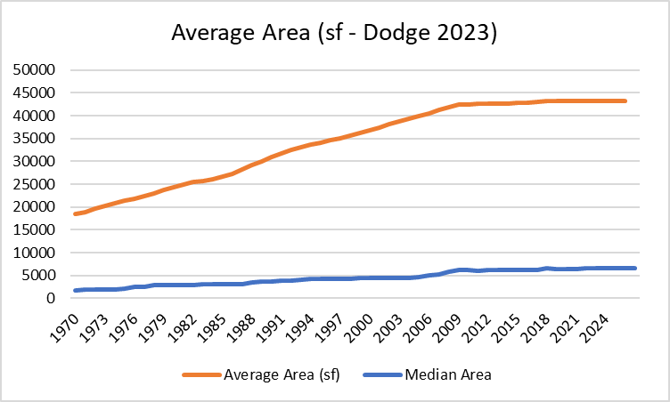
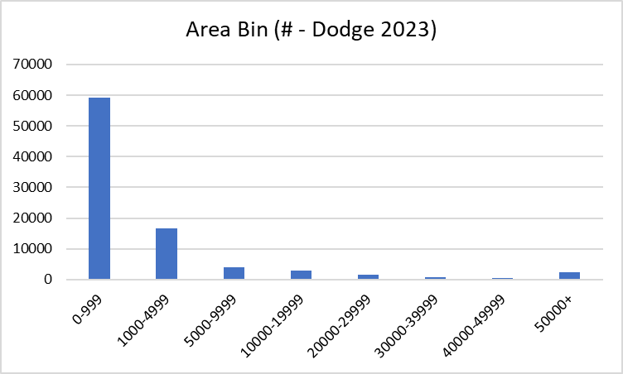

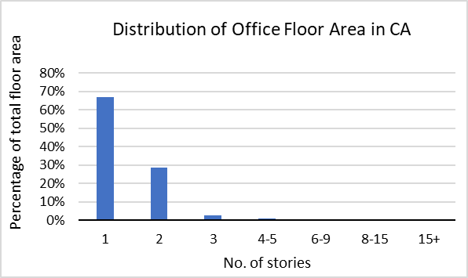
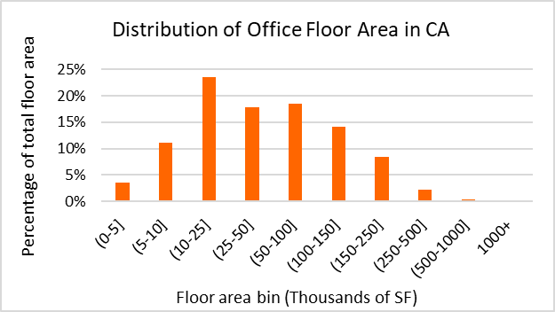

Source : Dodge 2023 CAS Data (Store building)

Prototype
NORESCO, Updated September 2026
RetailMedium
Characteristic | Value | Data Sources
Building Type | General Merchandise Retail
Building Category | Nonresidential
Version | v2-0
Vintages | 4 Vintages: Pre-1978 , 1978-1997 ,1998-2007 , 2008-2018 New Construction (2019+) | Based on the vintage bin analysis. A summary of the findings is presented in the following paper, with a link provided in the Notes tab: Yousefi, F., Athalye, R. (2025). “Determining Vintage Bins for Prototype Development: An Analysis of California Commercial Buildings.” ASHRAE Annual Conference.
Shape | 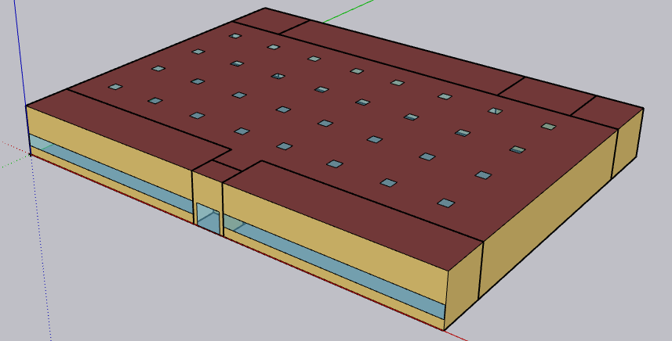 | Typical medium-sized box retail shop
Total Floor Area (ft²) | 24,692 (178 ft x 139 ft) | Assumption: same as the CBECC RetailMedium prototypes. According to Dodge 2023 construction data, the average floor area of stores between 10,000 ft² and 50,000 ft² in California is approximately 20,414 ft²
Aspect Ratio | 1.28 | Assumption; same as PNNL Retail_Standalone and CBECC RetailMedium prototypes
Number of Floors | 1 | Typical medium-sized box retail shop
Roof type | Flat | Typical medium-sized box retail shop
WWR_Whole Building | 7.10% | Close to the General Merchandise 50% Energy Savings Technical Support Document (PNNL, 2009) which reports a 6.2% whole‑building WWR and 22% front‑façade WWR based on analysis of the 2003 CBECS retail dataset
WWR_South Facade | 25.38%
Shading Geometry | None | Assumption; same as PNNL Retail_Standalone and CBECC RetailMedium prototypes
Floor to floor height (feet) | N/A
Floor to ceiling height (feet) | 20 | Assumption; same as PNNL Retail_Standalone and CBECC RetailMedium prototypes
Glazing sill height (feet) | 5 ft (top of the window is 8.73 ft high with 3.74 ft high glass) | Assumption; same as PNNL Retail_Standalone and CBECC RetailMedium prototypes
Skylight-to-Roof-Ratio (SRR) | 2.07% | Assumption; same as PNNL Retail_Standalone and CBECC RetailMedium prototypes

Existing Retail Prototypes

Large size prototype | CEC: Retail_Large | CPUC: Retail_Multistory Large (Rt3) | CPUC: Retail_Single-Story Large (RtL)
Geometry |  | 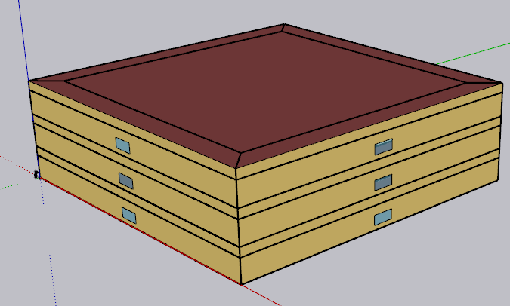 | 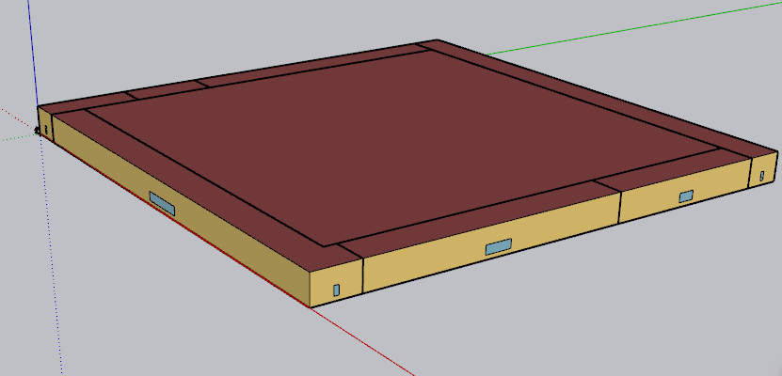
Total floor area (ft²) | 240,000 | 120,000 | 130,502

Medium size prototype | CEC: Retail_Medium | PNNL : Retail_Standalone | PNNL: Retail_Stripmall | CPUC: Retail_Grocery
Geometry | 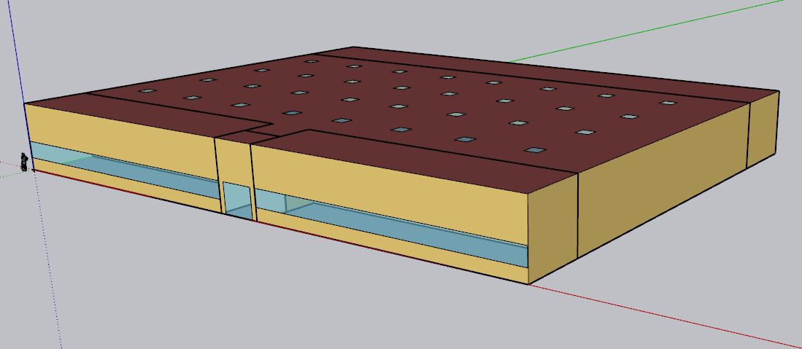 zoning same as PNNL Stand alone with more skylight | 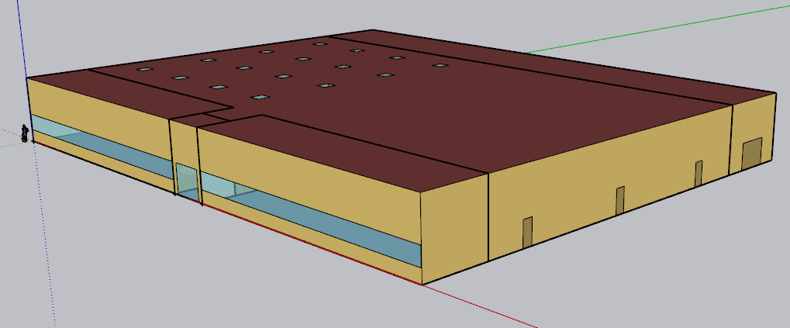 | 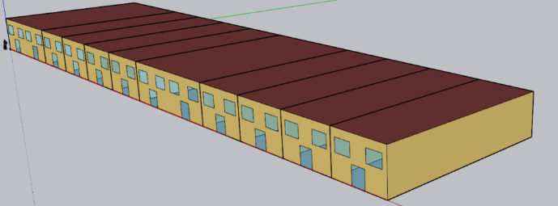 | 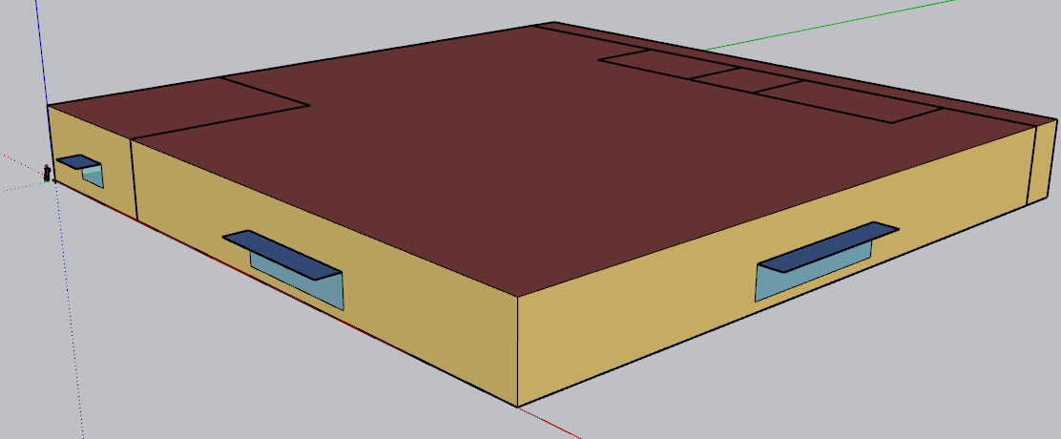
Total floor area (ft²) | 24,692 | 24,692 | 22,500 | 49,997

Small size prototype | CEC: Retail_Stripmall (Mixed use) | CPUC: Retail_Small (RtS)
Geometry | 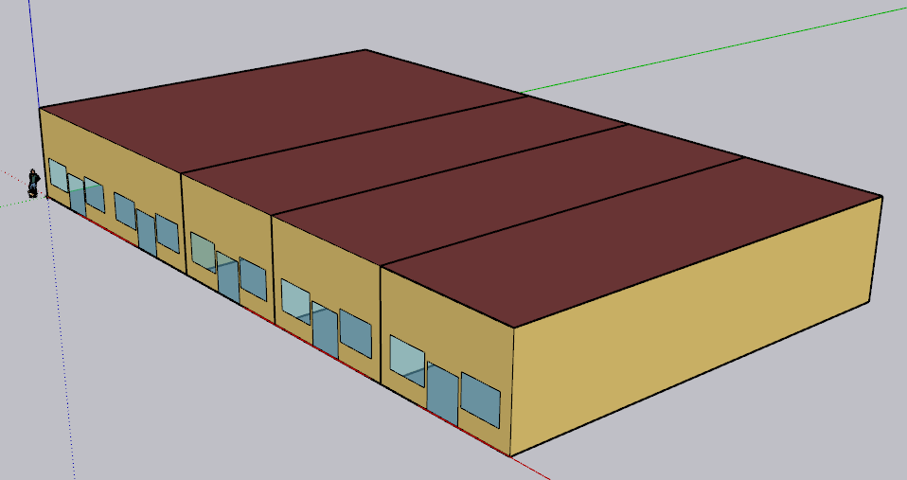 | 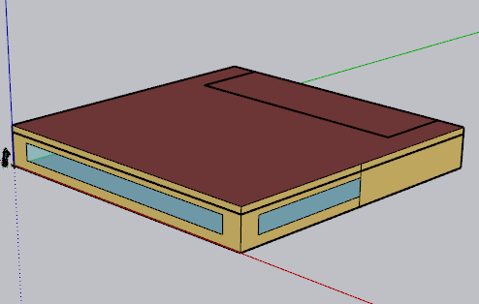
Total floor area (ft²) | 9,375 | 8,001

Zones
N
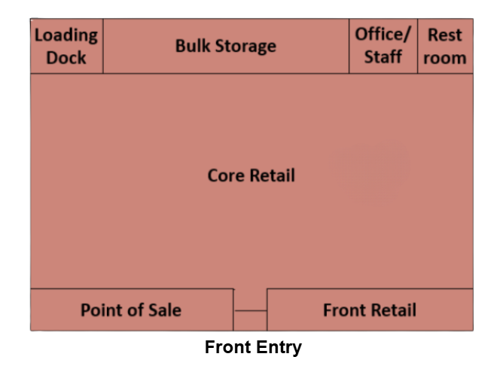
Proposed Layout - RetailMedium |  |  |  |  |  |  |  |  |  |  |  |  |  |  | Spaces and Zoning layout
Building | Space/Thermal Zone | Space Type [Primarily from: T24, 2022 Appendix 5.4A] - See Notes column | HVAC System Name (NC) | HVAC System Name (Existing) | Schedule Category | Conditioned (Y/N) | Area Fraction* | Area (ft²) | Volume (ft³) | Multipliers | Number of People | People (Persons/1,000 ft²) [T24, 2025,Table 120.1-A] | Notes
RetailMedium | Core_Retail | Retail Sales Area (Retail Merchandise Sales) | PSZAC_Core1, PSZAC_Core2, PSZAC_Core3, PSZAC_Core4 | SZVAVHP_Core1, SZVAVHP_Core2, SZVAVHP_Core3, SZVAVHP_Core4 | Retail | Y | 69.8% | 17,235 | 344,700 | 1 | 293 | 17
RetailMedium | Point_of_Sale | Retail Sales Area (Retail Merchandise Sales) | PSZAC_Point_Of_Sale | PSZVAVHP_Point_Of_Sale | Retail | Y | 6.6% | 1,630 | 32,593 | 1 | 28 | 17
RetailMedium | Front_Retail | Retail Sales Area (Retail Merchandise Sales) | PSZAC_Front_Retail | SZVAVHP_Front_Retail | Retail | Y | 6.6% | 1,630 | 32,593 | 1 | 28 | 17
RetailMedium | Front_Entry | Corridor Area |  |  | Retail | N | 0.5% | 123 | 2,469 | 1 | 1 | 5
RetailMedium | Loading_Dock | Storage, Commercial/Industrial (Shipping & Handling) | PSZAC_Storage | SZVAVHP_Storage | Ancillary | Y | 2.4% | 593 | 11,852 | 1 | 1 | 2
RetailMedium | Bulk_Storage | Storage (General) | PSZAC_Storage | SZVAVHP_Storage | Ancillary | Y | 9.7% | 2,395 | 47,902 | 1 | 0 | 0
RetailMedium | Office/Stuff | Office Area (>250 square feet) | PSZAC_Office | SZVAVHP_Office | Retail | Y | 2.7% | 667 | 13,334 | 1 | 3 | 5
RetailMedium | Restroom | Restrooms |  |  | Retail | Y | 1.7% | 420 | 8,395 | 1 | 0 | 0 | Restroom: Indirectly conditioned: Transfer air + Exhaust room ( No dedicated HVAC)
Total (1 Building) | Total (8 Spaces) | Total (6 Space types) | Total (8 HVAC Systems) | Total (8 HVAC Systems) |  | Total (8 Conditioned zones) | 100% | 24,692 | 493,840 |  | 354 |  |  |  |  |  | `

 | *Note. The area fractions in this prototype align closely with the space distribution shown in the Advanced Energy Design Guide for Medium to Big Box Retail Buildings (ASHRAE),
 | which indicates approximately 85% sales area and 15% non-sales area. The CalBEM RetailMedium prototype reflects a similar distribution, with 83% allocated to sales area and 17% to non-sales functions. |  |  |  |  |  |  |  |  |  |  |  |  | Area Distribution By Space Type
 |  |  |  |  |  |  |  |  |  |  |  |  |  | Space Type |  | % Area
 |  |  |  |  |  |  |  |  |  |  |  |  |  | Retail Sales Area (Retail Merchandise Sales) |  | 83.00%
 |  |  |  |  |  |  |  |  |  |  |  |  |  | Corridor Area |  | 0.50%
 |  |  |  |  |  |  |  |  |  |  |  |  |  | Storage, Commercial/Industrial (Shipping & Handling) |  | 2.40%
 |  |  |  |  |  |  |  |  |  |  |  |  |  | Storage (General) |  | 9.70%
 |  |  |  |  |  |  |  |  |  |  |  |  |  | Office Area (>250 square feet) |  | 2.70%
 |  |  |  |  |  |  |  |  |  |  |  |  |  | Restrooms |  | 1.70%
 |  |  |  |  |  |  |  |  |  |  |  |  |  | Total |  | 100.00%

 |  | Advanced Energy Design Guide for Medium to Big Box Retail Buildings
 |  | Space Type | Medium Box Area (ft²) | Percentage of Total Area
 |  | Main sales | 31500 | 77.78%
 |  | Perimeter sales | 3076 | 7.60%
 |  | Enclosed office | 300 | 0.74%
 |  | Meeting room | 500 | 1.23%
 |  | Break room | 500 | 1.23%
 |  | Restroom | 625 | 1.54%
 |  | Mechanical room | 200 | 0.49%
 |  | Corridor | 450 | 1.11%
 |  | Vestibule | 300 | 0.74%
 |  | Active storage | 3050 | 7.53%
 |  | Total | 40500 | 100.00%

 |  | Sales |  | 85.38%
 |  | Non-Sell |  | 14.61%

HVAC System
HVAC system - RetailMedium
Vintage | Heating | Cooling | Air Distribution | Other systems | Source | Note
Existing | PSZAC (furnace) | PSZAC (DX cooling) | CAV | OA mixing Economizer for Vintage 3 and 4 | CEUS 2022 | 4 RTUs for Core zone (each with a max of 20 tons)
New Construction | SZVAVHP | SZVAVHP | VAV | OA mixing Economizer | Title 24, 2025, Engineering judgement | 4 systems for Core zone (each with a max of 20 tons)

Efficiency of HVAC system (Efficiency is capacity-dependent. The following table provides a general estimate of system efficiency based on preliminary simulations in one climate zone)
Vintage | Upgrade/Installed year | Heating | Cooling | Source
Pre 1978 | 2008 | Thermal Efficiency of 80% | SEER=13.0 for <65 kBtu/h EER 10.1 for 65-135 kBtu/h EER 9.5 for 135-240 kBtu/h EER 9.3 for 240-760 kBtu/h | T24, Table 112-A (2008) 10 CFR § 431.97, Table 1 (2008) California Title 20 Appliance Efficiency Regulations, Table E-4, Standards for Gas- and Oil-Fired Central Furnaces (2008)
1978-1997
1998-2007
2008-2018 | 2013 | Thermal Efficiency of 80%; | SEER 13 for <65 kBtu/h EER 11.0 for 65-135 kBtu/h EER 10.8 for 135-240 kBtu/h EER 9.8 for 240-760 kBtu/h | T24, 2013 Table 110.2-J & Table 110.2-A (2013) 10 CFR § 431.97(b) Table 1 (2013)
New Construction | 2025 | HSPF 8.0 for <65 kBtu/h COP 3.4 for 65-135 kBtu/h COP 3.3 for 135-240 kBtu/h COP 3.2 for >240 kBtu/h | SEER 14 for <65 kBtu/h EER 10.8, IEER 13.9 for 65-135 kBtu/h EER 10.4, IEER = 13.3 135-240 kBtu/h EER 9.3, IEER=12.3 for >240 kBtu/h | 10 CFR § 431.97(b) Table 1 (2025) Title 20 Appliance Efficiency Regulations, Section 1605.1, Table C-5 (2025) T24, Table 110.2-B (2025)

 | cfm | 5000 12.5 tons _ 8000 cfm
Fan Power
Vintage | Approach | System | Total Static Pressure (TSP) (in w.c.) | Fan Efficiency [ACM 2025] | Motor Efficiency | Fan Power Index (W/cfm) | Data Source | Note
Existing | PNNL 90.1-2011, TSP | CAV < 7,437 cfm | 2.5 | 0.65 | ASHRAE 90.1, 2004, Table 10.8 * |  | Fan power formula: PNNL 20405, 2010, section 5.2.2.5 TSP and fan efficiency: PNNL 20405, 2010, Table 5.11, 90.1-04ac values Motor and drive efficiency: ASHRAE 90.1, 2004, Table 10.8
 |  | CAV >= 7,437 cfm | 4.09
Brake horsepower (bhp) = (Supply cfm × TSP in w.c.) / (6356 × fan efficiency)
Fan power (w/cfm) = (bhp × 746) / ( supply cfm × motor efficiency )
New Construction | ACM 2025 | SZVAVHP (System 7b), >5,000 and ≤10,000 cfm | TSP = fan power × motor efficiency × fan efficiency × 6356 / 746 | 0.65 | 2025 ACM Table 12 ** | 0.72 | Fan power index: [ACM 2025, Table 13] Motor efficiency: [ACM 2025, Table 12]
 |  | SZVAVHP (System 7b), >10,000 cfm | TSP = fan power × motor efficiency × fan efficiency × 6356 / 746 |  |  | 0.676
 |  | SZVAVHP (System 7b), <=5,000 cfm | TSP = fan power x motor efficiency x fan efficiency x 6356 / 746 |  |  | 0.744
* According to PNNL 20405 section 5.2.2.5, the full-load efficiency of the motor serving the fan is taken from ASHRAE 90.1, 2004, Table 10.8, based on motor nameplate and assuming enclosed motors operating at 1,800 rotations per minute (rpm) Motor nameplate size (bhp) = brake horsepower (bhp) × 1.1 ( using a 10% oversizing factor)
** The full‑load efficiency of the motor serving the fan is taken from ACM 2025 Table 12 based on the cfm of the fan. Brake horsepower (bhp) = (Supply cfm from sizing run × fan power in W/cfm) / 746. Note: HVAC: 4 core systems, each max 20 tons (about 8,000 cfm). ACM System 7b mid bin. Note: Only if a unit exceeds 10,000 cfm. Design note is max 20 tons, which is the row above.

$$bhp=\frac{cfm∗{TSP}_{in w.c.}}{{6356∗μ}_{fan}}$$

$${Fan power}_{w/cfm}=\frac{bhp∗746}{cfm∗μ_{motor}}$$

$$bhp=\frac{{Fan power}_{w/cfm}∗cfm∗μ_{motor}}{746}$$

$${Fan power}_{w/cfm}=\frac{{TSP}_{in w.c}∗746}{6356∗μ_{fan}∗μ_{motor}}$$

Water Heater
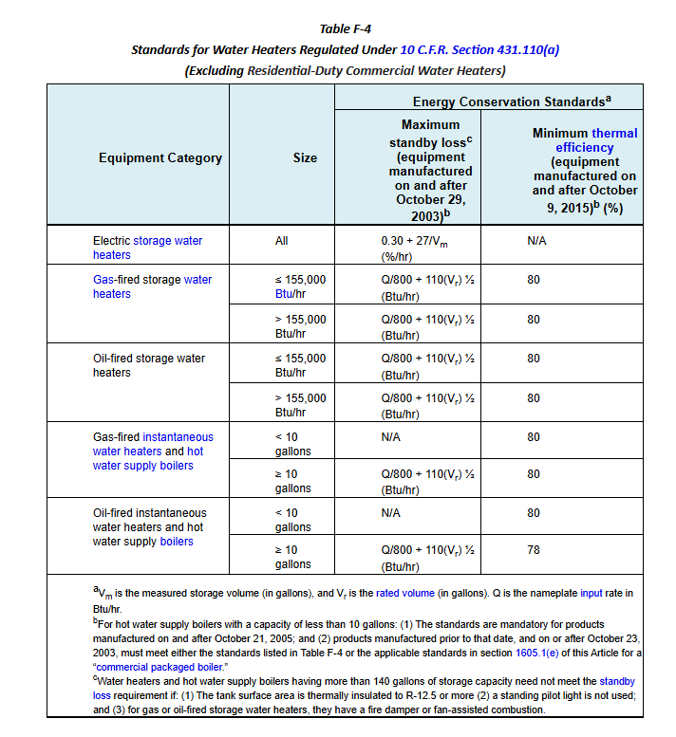
Water Heater - RetailMedium
Vintage | WH Type | Efficiency | Number of WH | Tank Volume (gal) | Tank Loss | Source
Existing | Electric | 1.00 | 1 | 30 See table below for CZ-specific values: Climate Zone Water Heater Sizing and Loss Coefficients, Storage Volume column (col F) | 1.2 %/hr See table below: Climate Zone Water Heater Sizing and Loss Coefficients, Standby Loss column (col G) | See table below for sources: Climate Zone Water Heater Sizing and Loss Coefficients
New Construction | Electric | 1.00 | 1 | 30 See table below for CZ-specific values: Climate Zone Water Heater Sizing and Loss Coefficients, Storage Volume column (col F) | 1.2 %/hr See table below: Climate Zone Water Heater Sizing and Loss Coefficients, Standby Loss column (col G) | See table below for sources: Climate Zone Water Heater Sizing and Loss Coefficients

Peak Hot Water Consumption
Space Name | Baseline WH Type [CEUS 2022] | Total Area (ft²) | Number of People | Hot Water Usage Specification (gal/hr per person) [T24, 2022, Appendix 5.4A , sheet: "2022 SpaceFuncData-Input"] | Peak Hot Water Usage (gal/hr) | Peak Hot Water Usage (gal/min) | Note
Core_Retail | Electric | 17235 | 293 | 0.18 | 52.74 | 0.879 | For space types marked with an asterisk (the ‘*’ symbol), the water‑heater type is listed as electric in Appendix 5.4A, sheet ‘2022 SpaceFuncData‑Input.’ However, we modified the value based on CEUS data, which indicates that gas is the primary fuel type.
Point_of_Sale | Electric | 1630 | 28 | 0.18 | 4.99 | 0.083
Front_Retail | Electric | 1630 | 28 | 0.18 | 4.99 | 0.083
Front_Entry | Electric | 123 | 1 | 0.00 | - | -
Loading_Dock | Electric | 593 | 1 | 0.18 | 0.21 | 0.004
Bulk_Storage | Electric | 2395 | 0 | 0.00 | - | -
Office/Stuff | Electric | 667 | 3 | 0.18 | 0.60 | 0.010
Restroom | Electric | 420 | 0 | 0.00 | - | -
Total | Gas storage |  |  |  | 0.00 |  | Minimum peak hot water usage is 75 gal according to ACM 2025
Total | Electric resistance |  |  |  | 75.00

Design supply temperature (°F) | 135.0 | CEC-400-2022-009-CMF-REV2-AP5.4B
WH system factor | 0.600 | 2025 ACM §5.9.2 Rated Capacity
Water mass conversion (lb/gal) | 8.2877 | 2025 ACM §5.9.2 Rated Capacity
Reheat multiplier | 0.4 | 2025 ACM §5.9.2 Storage Volume
Climate Zone Water Heater Sizing and Loss Coefficients (Individual WH)
Water Heater Name | Climate Zone | Minimum Monthly Mains Temp (°F) [T24 2022 - Appendix 5.4B] | Heat Output (Btu/hr) [ACM, 2025, 5.9.2: Rated capacity section] | WH Capacity (Btu/hr) [ACM, 2025, 5.9.2: Rated capacity section] | Required Energy Input (Btu/hr) | Storage Volume (gal) | Standby Loss [Title 20, §1605.1 Table F-4; Appendix B: Water Heating Calculation Method] |  | Off/On Cycle Loss Coefficient to Ambient Temp |  | Source/Note
WH_RetailMedium | CZ01 | 47.9 | 54,139 | 32,484 | 34,121 | 30 | 1.20 | %/hr | 3.00 | Btu/h·°F | Required Energy Input: vendor/available catalog size (Market data table). Storage Volume: standard/available catalog tank size (Market data table).
WH_RetailMedium | CZ02 | 50.8 | 52,337 | 31,402 | 34,121 | 30 | 1.20 | %/hr | 3.00 | Btu/h·°F
WH_RetailMedium | CZ03 | 52.2 | 51,467 | 30,880 | 34,121 | 30 | 1.20 | %/hr | 3.00 | Btu/h·°F
WH_RetailMedium | CZ04 | 52.7 | 51,156 | 30,693 | 30,709 | 30 | 1.20 | %/hr | 3.00 | Btu/h·°F
WH_RetailMedium | CZ05 | 51.6 | 51,840 | 31,104 | 34,121 | 30 | 1.20 | %/hr | 3.00 | Btu/h·°F
WH_RetailMedium | CZ06 | 56.8 | 48,607 | 29,164 | 30,709 | 30 | 1.20 | %/hr | 3.00 | Btu/h·°F
WH_RetailMedium | CZ07 | 58.4 | 47,613 | 28,568 | 30,709 | 30 | 1.20 | %/hr | 3.00 | Btu/h·°F
WH_RetailMedium | CZ08 | 58.4 | 47,613 | 28,568 | 30,709 | 30 | 1.20 | %/hr | 3.00 | Btu/h·°F
WH_RetailMedium | CZ09 | 57.6 | 48,110 | 28,866 | 30,709 | 30 | 1.20 | %/hr | 3.00 | Btu/h·°F
WH_RetailMedium | CZ10 | 57.1 | 48,421 | 29,053 | 30,709 | 30 | 1.20 | %/hr | 3.00 | Btu/h·°F
WH_RetailMedium | CZ11 | 50.5 | 52,523 | 31,514 | 34,121 | 30 | 1.20 | %/hr | 3.00 | Btu/h·°F
WH_RetailMedium | CZ12 | 51.4 | 51,964 | 31,178 | 34,121 | 30 | 1.20 | %/hr | 3.00 | Btu/h·°F
WH_RetailMedium | CZ13 | 51.7 | 51,777 | 31,066 | 34,121 | 30 | 1.20 | %/hr | 3.00 | Btu/h·°F
WH_RetailMedium | CZ14 | 50.1 | 52,772 | 31,663 | 34,121 | 30 | 1.20 | %/hr | 3.00 | Btu/h·°F
WH_RetailMedium | CZ15 | 63.2 | 44,629 | 26,778 | 27,297 | 30 | 1.20 | %/hr | 3.00 | Btu/h·°F
WH_RetailMedium | CZ16 | 41.4 | 58,180 | 34,908 | 40,946 | 30 | 1.20 | %/hr | 3.00 | Btu/h·°F

Market data
Catalog gas input (Btu/h) | Input source | Elec resistance tank (kW) | Elec resistance (Btu/h) | Catalog gas tank (gal) | Tank source | Elec tank (gal) | Elec tank source | Sources and links → Note tab
60,000 | Grainger | 1.5 | 5,118 | 34 | ENERGY STAR | 6 | Grainger
75,100 | Grainger | 2 | 6,824 | 35 | Grainger | 10 | Grainger
76,000 | Both | 3 | 10,236 | 48 | Grainger | 15 | Grainger
80,000 | Grainger | 4.5 | 15,355 | 50 | Both | 20 | Grainger
99,900 | ENERGY STAR | 6 | 20,473 | 55 | ENERGY STAR | 28 | Grainger
100,000 | Both | 8 | 27,297 | 60 | ENERGY STAR | 30 | Grainger
120,000 | ENERGY STAR | 9 | 30,709 | 65 | Both | 36 | Grainger
125,000 | Both | 10 | 34,121 | 72 | Grainger | 40 | Grainger
130,000 | Both | 12 | 40,946 | 75 | Both | 47
145,000 | ENERGY STAR | 12.1 | 41,287 | 76 | Grainger | 50
150,000 | ENERGY STAR | 18 | 61,419 | 80 | Both | 65
156,000 | Grainger | 24 | 81,891 | 82 | Grainger | 80
160,000 | Both | 27 | 92,128 | 85 | Grainger | 85
175,000 | ENERGY STAR | 36 | 122,837 | 90 | Both | 105
180,000 | Grainger | 54 | 184,256 | 91 | Grainger | 120
199,000 | ENERGY STAR |  |  | 100 | Both
199,900 | Both |  |  | 110 | ENERGY STAR
200,000 | ENERGY STAR |  |  | 119 | Both
250,000 | Both |  |  | 125 | ENERGY STAR
251,000 | ENERGY STAR
270,000 | Grainger
285,000 | ENERGY STAR
300,000 | Both
320,000 | ENERGY STAR
360,000 | Grainger
398,000 | ENERGY STAR
399,000 | ENERGY STAR
399,900 | Both
499,900 | Grainger
550,000 | Grainger
715,000 | Grainger

Schedules
Occupancy
Schedules - RetailMedium
Zone | Schedule Category | Schedule | Source | Type | Hour
 |  |  |  |  | 1 | 2 | 3 | 4 | 5 | 6 | 7 | 8 | 9 | 10 | 11 | 12 | 13 | 14 | 15 | 16 | 17 | 18 | 19 | 20 | 21 | 22 | 23 | 24
All Zones | Retail | Occupancy | NLR Study "Final Optimization Report: Empowering Energy Efficiency in Existing Big-Box Retail/Grocery Stores", (2020) & Adjusted based on Google Popular Time | Weekday | 0 | 0 | 0 | 0 | 0 | 0 | 0 | 0 | 0.2 | 0.4 | 0.5 | 0.6 | 0.6 | 0.6 | 0.6 | 0.6 | 0.7 | 0.8 | 0.8 | 0.6 | 0.3 | 0 | 0 | 0
 |  |  |  | Saturday | 0 | 0 | 0 | 0 | 0 | 0 | 0 | 0 | 0.3 | 0.6 | 0.8 | 0.9 | 0.9 | 0.9 | 0.9 | 0.8 | 0.8 | 0.7 | 0.6 | 0.5 | 0.3 | 0 | 0 | 0
 |  |  |  | Sunday | 0 | 0 | 0 | 0 | 0 | 0 | 0 | 0 | 0.2 | 0.5 | 0.7 | 0.8 | 0.8 | 0.8 | 0.8 | 0.7 | 0.7 | 0.6 | 0.5 | 0.4 | 0.2 | 0 | 0 | 0
Lights
All Zones | Retail | Lights | T24 2022 - Appendix 5.4B, [Retail] | Weekday | 0.05 | 0.05 | 0.05 | 0.05 | 0.05 | 0.05 | 0.05 | 0.70 | 1.00 | 1.00 | 1.00 | 1.00 | 1.00 | 1.00 | 1.00 | 1.00 | 1.00 | 1.00 | 1.00 | 1.00 | 1.00 | 0.70 | 0.05 | 0.05
 |  |  |  | Saturday | 0.05 | 0.05 | 0.05 | 0.05 | 0.05 | 0.05 | 0.05 | 0.70 | 1.00 | 1.00 | 1.00 | 1.00 | 1.00 | 1.00 | 1.00 | 1.00 | 1.00 | 1.00 | 1.00 | 1.00 | 1.00 | 0.70 | 0.05 | 0.05
 |  |  |  | Sunday | 0.05 | 0.05 | 0.05 | 0.05 | 0.05 | 0.05 | 0.05 | 0.70 | 1.00 | 1.00 | 1.00 | 1.00 | 1.00 | 1.00 | 1.00 | 1.00 | 1.00 | 1.00 | 1.00 | 1.00 | 1.00 | 0.70 | 0.05 | 0.05
ElecEquipment
All Zones | Retail | ElecEquipment | Plug load and schedules project with CEC, 2025 | Weekday | 0.40 | 0.40 | 0.40 | 0.40 | 0.40 | 0.40 | 0.40 | 0.40 | 0.90 | 0.90 | 0.90 | 0.90 | 0.90 | 0.90 | 0.90 | 0.90 | 0.90 | 0.90 | 0.90 | 0.90 | 0.90 | 0.40 | 0.40 | 0.40
 |  |  |  | Saturday | 0.40 | 0.40 | 0.40 | 0.40 | 0.40 | 0.40 | 0.40 | 0.40 | 0.90 | 0.90 | 0.90 | 0.90 | 0.90 | 0.90 | 0.90 | 0.90 | 0.90 | 0.90 | 0.90 | 0.90 | 0.90 | 0.40 | 0.40 | 0.40
 |  |  |  | Sunday | 0.40 | 0.40 | 0.40 | 0.40 | 0.40 | 0.40 | 0.40 | 0.40 | 0.90 | 0.90 | 0.90 | 0.90 | 0.90 | 0.90 | 0.90 | 0.90 | 0.90 | 0.90 | 0.90 | 0.90 | 0.90 | 0.40 | 0.40 | 0.40
All Zones | Retail | HVACAvail | T24 2022 - Appendix 5.4B, [Retail] | Weekday | 0.00 | 0.00 | 0.00 | 0.00 | 0.00 | 0.00 | 1.00 | 1.00 | 1.00 | 1.00 | 1.00 | 1.00 | 1.00 | 1.00 | 1.00 | 1.00 | 1.00 | 1.00 | 1.00 | 1.00 | 1.00 | 0.00 | 0.00 | 0.00
 |  |  |  | Saturday | 0.00 | 0.00 | 0.00 | 0.00 | 0.00 | 0.00 | 1.00 | 1.00 | 1.00 | 1.00 | 1.00 | 1.00 | 1.00 | 1.00 | 1.00 | 1.00 | 1.00 | 1.00 | 1.00 | 1.00 | 1.00 | 1.00 | 0.00 | 0.00
 |  |  |  | Sunday | 0.00 | 0.00 | 0.00 | 0.00 | 0.00 | 0.00 | 0.00 | 0.00 | 1.00 | 1.00 | 1.00 | 1.00 | 1.00 | 1.00 | 1.00 | 1.00 | 1.00 | 1.00 | 1.00 | 0.00 | 0.00 | 0.00 | 0.00 | 0.00
All Zones | Retail | ServiceHotWater | T24 2022 - Appendix 5.4B, [Retail] | Weekday | 0.04 | 0.05 | 0.05 | 0.04 | 0.04 | 0.04 | 0.04 | 0.15 | 0.23 | 0.32 | 0.41 | 0.57 | 0.62 | 0.61 | 0.50 | 0.45 | 0.46 | 0.47 | 0.42 | 0.34 | 0.33 | 0.23 | 0.13 | 0.08
 |  |  |  | Saturday | 0.11 | 0.10 | 0.08 | 0.06 | 0.06 | 0.06 | 0.07 | 0.20 | 0.24 | 0.27 | 0.42 | 0.54 | 0.59 | 0.60 | 0.49 | 0.48 | 0.47 | 0.46 | 0.44 | 0.36 | 0.29 | 0.22 | 0.16 | 0.13
 |  |  |  | Sunday | 0.07 | 0.07 | 0.07 | 0.06 | 0.06 | 0.06 | 0.07 | 0.10 | 0.12 | 0.14 | 0.29 | 0.31 | 0.36 | 0.36 | 0.34 | 0.35 | 0.37 | 0.34 | 0.25 | 0.27 | 0.21 | 0.16 | 0.10 | 0.06
All Zones | Retail | Infiltration | T24 2022 - Appendix 5.4B, [Retail] | Weekday | 1.00 | 1.00 | 1.00 | 1.00 | 1.00 | 1.00 | 0.25 | 0.25 | 0.25 | 0.25 | 0.25 | 0.25 | 0.25 | 0.25 | 0.25 | 0.25 | 0.25 | 0.25 | 0.25 | 0.25 | 0.25 | 1.00 | 1.00 | 1.00
 |  |  |  | Saturday | 1.00 | 1.00 | 1.00 | 1.00 | 1.00 | 1.00 | 0.25 | 0.25 | 0.25 | 0.25 | 0.25 | 0.25 | 0.25 | 0.25 | 0.25 | 0.25 | 0.25 | 0.25 | 0.25 | 0.25 | 0.25 | 0.25 | 1.00 | 1.00
 |  |  |  | Sunday | 1.00 | 1.00 | 1.00 | 1.00 | 1.00 | 1.00 | 1.00 | 1.00 | 0.25 | 0.25 | 0.25 | 0.25 | 0.25 | 0.25 | 0.25 | 0.25 | 0.25 | 0.25 | 0.25 | 1.00 | 1.00 | 1.00 | 1.00 | 1.00
All Zones | Retail | HtgSetpt | T24 2022 - Appendix 5.4B, [Retail] | Weekday | 60 | 60 | 60 | 60 | 60 | 60 | 70 | 70 | 70 | 70 | 70 | 70 | 70 | 70 | 70 | 70 | 70 | 70 | 70 | 70 | 70 | 60 | 60 | 60
 |  |  |  | Saturday | 60 | 60 | 60 | 60 | 60 | 60 | 70 | 70 | 70 | 70 | 70 | 70 | 70 | 70 | 70 | 70 | 70 | 70 | 70 | 70 | 70 | 70 | 60 | 60
 |  |  |  | Sunday | 60 | 60 | 60 | 60 | 60 | 60 | 60 | 60 | 70 | 70 | 70 | 70 | 70 | 70 | 70 | 70 | 70 | 70 | 70 | 60 | 60 | 60 | 60 | 60
All Zones | Retail | ClgSetpt | T24 2022 - Appendix 5.4B, [Retail] | Weekday | 85 | 85 | 85 | 85 | 85 | 85 | 75 | 75 | 75 | 75 | 75 | 75 | 75 | 75 | 75 | 75 | 75 | 75 | 75 | 75 | 75 | 85 | 85 | 85
 |  |  |  | Saturday | 85 | 85 | 85 | 85 | 85 | 85 | 75 | 75 | 75 | 75 | 75 | 75 | 75 | 75 | 75 | 75 | 75 | 75 | 75 | 75 | 75 | 75 | 85 | 85
 |  |  |  | Sunday | 85 | 85 | 85 | 85 | 85 | 85 | 85 | 85 | 75 | 75 | 75 | 75 | 75 | 75 | 75 | 75 | 75 | 75 | 75 | 85 | 85 | 85 | 85 | 85
Storage & Loading Dock
Storage & Loading Dock | Ancillary | Occupancy | T24 2022 - Appendix 5.4B | Weekday | 0 | 0 | 0 | 0 | 0 | 0 | 0 | 0 | 0.2 | 0.4 | 0.5 | 0.6 | 0.6 | 0.6 | 0.6 | 0.6 | 0.7 | 0.8 | 0.8 | 0.6 | 0.3 | 0 | 0 | 0
 |  |  |  | Saturday | 0 | 0 | 0 | 0 | 0 | 0 | 0 | 0 | 0.3 | 0.6 | 0.8 | 0.9 | 0.9 | 0.9 | 0.9 | 0.8 | 0.8 | 0.7 | 0.6 | 0.5 | 0.3 | 0 | 0 | 0
 |  |  |  | Sunday | 0 | 0 | 0 | 0 | 0 | 0 | 0 | 0 | 0.2 | 0.5 | 0.7 | 0.8 | 0.8 | 0.8 | 0.8 | 0.7 | 0.7 | 0.6 | 0.5 | 0.4 | 0.2 | 0 | 0 | 0
Storage & Loading Dock | Ancillary | Lights | T24 2022 - Appendix 5.4B | Weekday | 0.05 | 0.05 | 0.05 | 0.05 | 0.05 | 0.05 | 0.05 | 0.70 | 1.00 | 1.00 | 1.00 | 1.00 | 1.00 | 1.00 | 1.00 | 1.00 | 1.00 | 1.00 | 1.00 | 1.00 | 1.00 | 0.70 | 0.05 | 0.05
 |  |  |  | Saturday | 0.05 | 0.05 | 0.05 | 0.05 | 0.05 | 0.05 | 0.05 | 0.70 | 1.00 | 1.00 | 1.00 | 1.00 | 1.00 | 1.00 | 1.00 | 1.00 | 1.00 | 1.00 | 1.00 | 1.00 | 1.00 | 0.70 | 0.05 | 0.05
 |  |  |  | Sunday | 0.05 | 0.05 | 0.05 | 0.05 | 0.05 | 0.05 | 0.05 | 0.70 | 1.00 | 1.00 | 1.00 | 1.00 | 1.00 | 1.00 | 1.00 | 1.00 | 1.00 | 1.00 | 1.00 | 1.00 | 1.00 | 0.70 | 0.05 | 0.05
Storage & Loading Dock | Ancillary | ElecEquipment | Plug load and schedules project with CEC, 2025 | Weekday | 0.40 | 0.40 | 0.40 | 0.40 | 0.40 | 0.40 | 0.40 | 0.40 | 0.90 | 0.90 | 0.90 | 0.90 | 0.90 | 0.90 | 0.90 | 0.90 | 0.90 | 0.90 | 0.90 | 0.90 | 0.90 | 0.40 | 0.40 | 0.40
 |  |  |  | Saturday | 0.40 | 0.40 | 0.40 | 0.40 | 0.40 | 0.40 | 0.40 | 0.40 | 0.90 | 0.90 | 0.90 | 0.90 | 0.90 | 0.90 | 0.90 | 0.90 | 0.90 | 0.90 | 0.90 | 0.90 | 0.90 | 0.40 | 0.40 | 0.40
 |  |  |  | Sunday | 0.40 | 0.40 | 0.40 | 0.40 | 0.40 | 0.40 | 0.40 | 0.40 | 0.90 | 0.90 | 0.90 | 0.90 | 0.90 | 0.90 | 0.90 | 0.90 | 0.90 | 0.90 | 0.90 | 0.90 | 0.90 | 0.40 | 0.40 | 0.40
Storage & Loading Dock | Ancillary | HVACAvail | T24 2022 - Appendix 5.4B | Weekday | 0.00 | 0.00 | 0.00 | 0.00 | 0.00 | 0.00 | 1.00 | 1.00 | 1.00 | 1.00 | 1.00 | 1.00 | 1.00 | 1.00 | 1.00 | 1.00 | 1.00 | 1.00 | 1.00 | 1.00 | 1.00 | 0.00 | 0.00 | 0.00
 |  |  |  | Saturday | 0.00 | 0.00 | 0.00 | 0.00 | 0.00 | 0.00 | 1.00 | 1.00 | 1.00 | 1.00 | 1.00 | 1.00 | 1.00 | 1.00 | 1.00 | 1.00 | 1.00 | 1.00 | 1.00 | 1.00 | 1.00 | 1.00 | 0.00 | 0.00
 |  |  |  | Sunday | 0.00 | 0.00 | 0.00 | 0.00 | 0.00 | 0.00 | 0.00 | 0.00 | 1.00 | 1.00 | 1.00 | 1.00 | 1.00 | 1.00 | 1.00 | 1.00 | 1.00 | 1.00 | 1.00 | 0.00 | 0.00 | 0.00 | 0.00 | 0.00
Storage & Loading Dock | Ancillary | ServiceHotWater | T24 2022 - Appendix 5.4B | Weekday | 0.00 | 0.00 | 0.00 | 0.00 | 0.00 | 0.00 | 0.00 | 0.00 | 0.00 | 0.00 | 0.00 | 0.00 | 0.00 | 0.00 | 0.00 | 0.00 | 0.00 | 0.00 | 0.00 | 0.00 | 0.00 | 0.00 | 0.00 | 0.00
 |  |  |  | Saturday | 0.00 | 0.00 | 0.00 | 0.00 | 0.00 | 0.00 | 0.00 | 0.00 | 0.00 | 0.00 | 0.00 | 0.00 | 0.00 | 0.00 | 0.00 | 0.00 | 0.00 | 0.00 | 0.00 | 0.00 | 0.00 | 0.00 | 0.00 | 0.00
 |  |  |  | Sunday | 0.00 | 0.00 | 0.00 | 0.00 | 0.00 | 0.00 | 0.00 | 0.00 | 0.00 | 0.00 | 0.00 | 0.00 | 0.00 | 0.00 | 0.00 | 0.00 | 0.00 | 0.00 | 0.00 | 0.00 | 0.00 | 0.00 | 0.00 | 0.00
Storage & Loading Dock | Ancillary | Infiltration | T24 2022 - Appendix 5.4B | Weekday | 1.00 | 1.00 | 1.00 | 1.00 | 1.00 | 1.00 | 0.25 | 0.25 | 0.25 | 0.25 | 0.25 | 0.25 | 0.25 | 0.25 | 0.25 | 0.25 | 0.25 | 0.25 | 0.25 | 0.25 | 0.25 | 1.00 | 1.00 | 1.00
 |  |  |  | Saturday | 1.00 | 1.00 | 1.00 | 1.00 | 1.00 | 1.00 | 0.25 | 0.25 | 0.25 | 0.25 | 0.25 | 0.25 | 0.25 | 0.25 | 0.25 | 0.25 | 0.25 | 0.25 | 0.25 | 0.25 | 0.25 | 0.25 | 1.00 | 1.00
 |  |  |  | Sunday | 1.00 | 1.00 | 1.00 | 1.00 | 1.00 | 1.00 | 1.00 | 1.00 | 0.25 | 0.25 | 0.25 | 0.25 | 0.25 | 0.25 | 0.25 | 0.25 | 0.25 | 0.25 | 0.25 | 1.00 | 1.00 | 1.00 | 1.00 | 1.00
Storage & Loading Dock | Ancillary | HtgSetpt | Engineering Judgement | Weekday | 50 | 50 | 50 | 60 | 60 | 60 | 60 | 60 | 60 | 60 | 60 | 60 | 60 | 60 | 60 | 60 | 50 | 50 | 50 | 50 | 50 | 50 | 50 | 50
 |  |  |  | Saturday | 50 | 50 | 50 | 60 | 60 | 60 | 60 | 60 | 60 | 60 | 60 | 60 | 60 | 60 | 60 | 60 | 50 | 50 | 50 | 50 | 50 | 50 | 50 | 50
 |  |  |  | Sunday | 50 | 50 | 50 | 60 | 60 | 60 | 60 | 60 | 60 | 60 | 60 | 60 | 60 | 60 | 60 | 60 | 50 | 50 | 50 | 50 | 50 | 50 | 50 | 50
Storage & Loading Dock | Ancillary | ClgSetpt | Engineering Judgement | Weekday | 85 | 85 | 85 | 75 | 75 | 75 | 75 | 75 | 75 | 75 | 75 | 75 | 75 | 75 | 75 | 75 | 85 | 85 | 85 | 85 | 85 | 85 | 85 | 85
 |  |  |  | Saturday | 85 | 85 | 85 | 75 | 75 | 75 | 75 | 75 | 75 | 75 | 75 | 75 | 75 | 75 | 75 | 75 | 85 | 85 | 85 | 85 | 85 | 85 | 85 | 85
 |  |  |  | Sunday | 85 | 85 | 85 | 75 | 75 | 75 | 75 | 75 | 75 | 75 | 75 | 75 | 75 | 75 | 75 | 75 | 85 | 85 | 85 | 85 | 85 | 85 | 85 | 85
Loading Dock EL1 | Ancillary | Loading Dock Door Infiltration | CASE Report - Dock Seals (2017) Truck Trip Generation by Grocery Stores (2010) | Weekday | 0.00 | 0.00 | 0.00 | 0.00 | 0.00 | 0.00 | 0.00 | 0.50 | 0.50 | 0.50 | 0.00 | 0.00 | 0.00 | 0.00 | 0.00 | 0.00 | 0.00 | 0.00 | 0.00 | 0.00 | 0.00 | 0.00 | 0.00 | 0.00
 |  |  |  | Saturday | 0.00 | 0.00 | 0.00 | 0.00 | 0.00 | 0.00 | 0.00 | 0.50 | 0.50 | 0.50 | 0.00 | 0.00 | 0.00 | 0.00 | 0.00 | 0.00 | 0.00 | 0.00 | 0.00 | 0.00 | 0.00 | 0.00 | 0.00 | 0.00
 |  |  |  | Sunday | 0.00 | 0.00 | 0.00 | 0.00 | 0.00 | 0.00 | 0.00 | 0.50 | 0.50 | 0.50 | 0.00 | 0.00 | 0.00 | 0.00 | 0.00 | 0.00 | 0.00 | 0.00 | 0.00 | 0.00 | 0.00 | 0.00 | 0.00 | 0.00
Other
 | Building | ExtLightingNonMotionCtrl |  | Weekday | 1 | 1 | 1 | 1 | 1 | 1 | 1 | 1 | 1 | 1 | 1 | 1 | 1 | 1 | 1 | 1 | 1 | 1 | 1 | 1 | 1 | 1 | 1 | 1
 |  |  |  | Saturday | 1 | 1 | 1 | 1 | 1 | 1 | 1 | 1 | 1 | 1 | 1 | 1 | 1 | 1 | 1 | 1 | 1 | 1 | 1 | 1 | 1 | 1 | 1 | 1
 |  |  |  | Sunday | 1 | 1 | 1 | 1 | 1 | 1 | 1 | 1 | 1 | 1 | 1 | 1 | 1 | 1 | 1 | 1 | 1 | 1 | 1 | 1 | 1 | 1 | 1 | 1
 | Building | ExtLightingMotionCtrl |  | Weekday | 0 | 0 | 0 | 0 | 0 | 1 | 1 | 1 | 1 | 1 | 1 | 1 | 1 | 1 | 1 | 1 | 1 | 1 | 1 | 1 | 1 | 1 | 0 | 0
 |  |  |  | Saturday | 0 | 0 | 0 | 0 | 0 | 1 | 1 | 1 | 1 | 1 | 1 | 1 | 1 | 1 | 1 | 1 | 1 | 1 | 1 | 1 | 1 | 1 | 1 | 1
 |  |  |  | Sunday | 0 | 0 | 0 | 0 | 0 | 1 | 1 | 1 | 1 | 1 | 1 | 1 | 1 | 1 | 1 | 1 | 1 | 1 | 1 | 1 | 1 | 1 | 1 | 1
Retails | Building | RetailSalePeopleActivityLevel | Based on Activity level schedules in CEC Prototypes | Weekday | 132 | 132 | 132 | 132 | 132 | 132 | 132 | 132 | 132 | 132 | 132 | 132 | 132 | 132 | 132 | 132 | 132 | 132 | 132 | 132 | 132 | 132 | 132 | 132
 |  |  |  | Saturday | 132 | 132 | 132 | 132 | 132 | 132 | 132 | 132 | 132 | 132 | 132 | 132 | 132 | 132 | 132 | 132 | 132 | 132 | 132 | 132 | 132 | 132 | 132 | 132
 |  |  |  | Sunday | 132 | 132 | 132 | 132 | 132 | 132 | 132 | 132 | 132 | 132 | 132 | 132 | 132 | 132 | 132 | 132 | 132 | 132 | 132 | 132 | 132 | 132 | 132 | 132
Retails | Building | CommonAreaPeopleActivityLevel | Based on Activity level schedules in CEC Prototypes | Weekday | 147 | 147 | 147 | 147 | 147 | 147 | 147 | 147 | 147 | 147 | 147 | 147 | 147 | 147 | 147 | 147 | 147 | 147 | 147 | 147 | 147 | 147 | 147 | 147
 |  |  |  | Saturday | 147 | 147 | 147 | 147 | 147 | 147 | 147 | 147 | 147 | 147 | 147 | 147 | 147 | 147 | 147 | 147 | 147 | 147 | 147 | 147 | 147 | 147 | 147 | 147
 |  |  |  | Sunday | 147 | 147 | 147 | 147 | 147 | 147 | 147 | 147 | 147 | 147 | 147 | 147 | 147 | 147 | 147 | 147 | 147 | 147 | 147 | 147 | 147 | 147 | 147 | 147
Retails | Building | RetailStoragePeopleActivityLevel | Based on Activity level schedules in CEC Prototypes | Weekday | 220 | 220 | 220 | 220 | 220 | 220 | 220 | 220 | 220 | 220 | 220 | 220 | 220 | 220 | 220 | 220 | 220 | 220 | 220 | 220 | 220 | 220 | 220 | 220
 |  |  |  | Saturday | 220 | 220 | 220 | 220 | 220 | 220 | 220 | 220 | 220 | 220 | 220 | 220 | 220 | 220 | 220 | 220 | 220 | 220 | 220 | 220 | 220 | 220 | 220 | 220
 |  |  |  | Sunday | 220 | 220 | 220 | 220 | 220 | 220 | 220 | 220 | 220 | 220 | 220 | 220 | 220 | 220 | 220 | 220 | 220 | 220 | 220 | 220 | 220 | 220 | 220 | 220

Energy Usage
RetailMedium CalBEM Prototype vs. CEUS 2022
 | Acceptable Range (25% Lower) | CEUS 2022 Acceptable EUI Range | CalBEM Total EUI (KBTU/ft²) | New Construction Total EUI (KBTU/ft²)
 | 36.2 | 24.2
 | 31.1 | 20.7
 | 35.0 | 23.3
 | 35.3 | 23.5
 | 34.8 | 23.2
 | 25.5 | 17.0
 | 28.7 | 19.2
 | 25.1 | 16.7
 | 27.6 | 18.4
 | 27.7 | 18.5
 | 34.1 | 22.7
 | 35.5 | 23.7
 | 38.4 | 25.6
 | 25.3 | 16.9
 | 31.8 | 21.2
 | 28.6 | 19.0
CalBEM Energy Consumption - RetailMedium |  |  |  |  |  |  |  | National Average (EnergyStar Portfoli Manager) |  |  |  | CEUS Energy Consumption : Retail |  |  |  |  |  |  |  |  | PNNL RetailStandAlone 2007 (with floor area of 24,700 ft2) for San Diego shows 55.6 KBTU/ft2 (92% Electricity) |  |  | Elec GJ | Gas GJ
Prototype | CZ | CalBEM Electricity EUI (KBTU/ft²) | CalBEM Gas EUI (KBTU/ft²) | CalBEM Total EUI (KBTU/ft²) | New Construction Electricity EUI (KBTU/ft²) | New Construction Gas EUI (KBTU/ft²) | New Construction Total EUI (KBTU/ft²) | National Average | Acceptable Range (25% Higher) | Acceptable Range (25% Lower) | National Average Acceptable EUI Range | Prototype | CZ | Total Floorspace (Thousand of ft²) | CEUS 2023 Electricity EUI (kBtu/ft²) | CEUS 2023 Gas EUI (kBtu/ft²) | CEUS 2023 Total EUI (kBtu/ft²) | Acceptable Range (25% Higher) | Acceptable Range (25% Lower) | CEUS 2022 Acceptable EUI Range | PNNL RetailStandAlone 2022 (with floor area of 22,500 ft2) for San Diego shows 25.8 KBTU/ft2 (85% Electricity) | Electricty consumption in PNNL 2022 is almost 57% lower than PNNL 2007 rate and Gas is only 16% lower | PNNL 2007 | 1330 | 119
RetailMedium | 1 |  |  |  |  |  |  | 46.8 | 58.5 | 35.1 | 23.4 | Retail | 1 | 13,814 | 37.9 | 10.4 | 48.3 | 60.4 | 36.2 | 24.2 |  |  | PNNL 2022 | 573 | 100
 | 2 |  |  |  |  |  |  | 58.4 | 73.0 | 43.8 | 29.2 |  | 2 | 25,239 | 26.6 | 14.8 | 41.5 | 51.8 | 31.1 | 20.7 |  |  |  | 57% | 16%
 | 3 |  |  |  |  |  |  | 52.3 | 65.4 | 39.2 | 26.2 |  | 3 | 88,648 | 34.8 | 11.9 | 46.7 | 58.3 | 35.0 | 23.3
 | 4 |  |  |  |  |  |  | 60.9 | 76.1 | 45.7 | 30.5 |  | 4 | 44,551 | 35.5 | 11.5 | 47.0 | 58.8 | 35.3 | 23.5
 | 5 |  |  |  |  |  |  | 50.4 | 63.0 | 37.8 | 25.2 |  | 5 | 9,847 | 31.7 | 14.6 | 46.3 | 57.9 | 34.8 | 23.2
 | 6 |  |  |  |  |  |  | 57.8 | 72.3 | 43.3 | 28.9 |  | 6 | 92,562 | 29.3 | 4.6 | 33.9 | 42.4 | 25.5 | 17.0
 | 7 |  |  |  |  |  |  | 57.8 | 72.3 | 43.3 | 28.9 |  | 7 | 63,471 | 35.1 | 3.2 | 38.3 | 47.9 | 28.7 | 19.2
 | 8 |  |  |  |  |  |  | 58.9 | 73.6 | 44.2 | 29.5 |  | 8 | 147,354 | 29.0 | 4.5 | 33.5 | 41.8 | 25.1 | 16.7
 | 9 |  |  |  |  |  |  | 59.6 | 74.5 | 44.7 | 29.8 |  | 9 | 212,697 | 32.1 | 4.8 | 36.8 | 46.1 | 27.6 | 18.4
 | 10 |  |  |  |  |  |  | 60.2 | 75.3 | 45.2 | 30.1 |  | 10 | 149,832 | 31.7 | 5.3 | 37.0 | 46.2 | 27.7 | 18.5
 | 11 |  |  |  |  |  |  | 62.3 | 77.9 | 46.7 | 31.2 |  | 11 | 45,934 | 36.2 | 9.3 | 45.4 | 56.8 | 34.1 | 22.7
 | 12 |  |  |  |  |  |  | 61.3 | 76.6 | 46.0 | 30.7 |  | 12 | 195,816 | 37.5 | 9.8 | 47.3 | 59.2 | 35.5 | 23.7
 | 13 |  |  |  |  |  |  | 62.3 | 77.9 | 46.7 | 31.2 |  | 13 | 67,122 | 42.3 | 8.9 | 51.2 | 64.0 | 38.4 | 25.6
 | 14 |  |  |  |  |  |  | 62.6 | 78.3 | 47.0 | 31.3 |  | 14 | 39,049 | 29.3 | 4.4 | 33.7 | 42.1 | 25.3 | 16.9
 | 15 |  |  |  |  |  |  | 60.1 | 75.1 | 45.1 | 30.0 |  | 15 | 73,160 | 34.1 | 8.3 | 42.4 | 53.0 | 31.8 | 21.2
 | 16 |  |  |  |  |  |  | 61.2 | 76.5 | 45.9 | 30.6 |  | 16 | 149,464 | 32.8 | 5.3 | 38.1 | 47.6 | 28.6 | 19.0

 |  |  |  |  |  |  |  |  |  |  |  | Ref: CEUS 2022 Report
 |  |  |  |  |  |  |  |  |  |  |  | And converted FZ level data to CZ level
 |  |  |  |  |  |  |  |  |  |  |  | CEUS has only one category for all the retails

RetailMedium CalBEM Prototype vs. National Average
 | Acceptable Range (25% Lower) | National Average Acceptable EUI Range | CalBEM Total EUI (KBTU/ft²) | New Construction Total EUI (KBTU/ft²)
 | 35.1 | 23.4
 | 43.8 | 29.2
 | 39.2 | 26.2
 | 45.7 | 30.5
 | 37.8 | 25.2
 | 43.3 | 28.9
 | 43.3 | 28.9
 | 44.2 | 29.5
 | 44.7 | 29.8
 | 45.2 | 30.1
 | 46.7 | 31.2
 | 46.0 | 30.7
 | 46.7 | 31.2
 | 47.0 | 31.3
 | 45.1 | 30.0
 | 45.9 | 30.6

