Notes
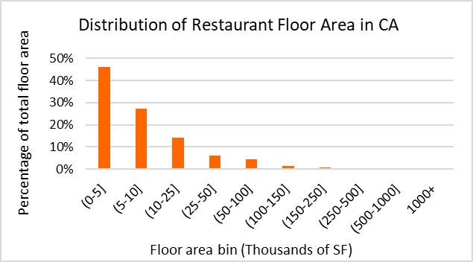
Data Sources
Dataset | Dodge 2023
 | CEUS 2022
 | CBECS 2018
 | ComStock 2023
Prototype | CEC prototype (CBECC 2022.3.1) | https://bees.noresco.com/software2022.html
 | PNNL prototype (90.1-2022) | https://www.energycodes.gov/prototype-building-models#Commercial
 | DEER prototype (June 2023) | https://github.com/sound-data/DEER-Prototypes-EnergyPlus

Codes | Title 24, part 6, referred to as T24 (1986, 1992, 2001, 2007, 2013, 2016, 2019, 2022, 2025)
 | ASHRAE 90.1 (2022)
 | CFR Title 10 (2009) | https://www.govinfo.gov/content/pkg/FR-2009-03-23/pdf/FR-2009-03-23.pdf
 | CFR Title 10 ( 2013) | https://www.govinfo.gov/content/pkg/CFR-2013-title10-vol3/pdf/CFR-2013-title10-vol3-part431.pdf
 | CFR Title 10 ( 2024) | https://www.govinfo.gov/content/pkg/CFR-2024-title10-vol3/pdf/CFR-2024-title10-vol3-part431-subpartF.pdf

Others | ACM (2013, 2019, 2022, 2025)
 | Title 24, 2022 - Appendix 5.4A and Appendix 5.4B | https://www.energy.ca.gov/publications/2022/2022-nonresidential-and-multifamily-alternative-calculation-method-reference
 | 2022 Reduced infiltration CASE report | https://title24stakeholders.com/wp-content/uploads/2020/10/2022-T24-Final-CASE-Report_Reduce-Infiltration.pdf
 | 2019 Outdoor Lighting CASE Report | https://title24stakeholders.com/wp-content/uploads/2016/10/T24-2019-CASE-Study-Results-Report-Outdoor-Sources_Final_with-Attachments.pdf
 | PNNL 20405, 2010 | https://www.pnnl.gov/main/publications/external/technical_reports/PNNL-20405.pdf
 | Air leakage Memo, NORESCO, 2025 | https://2050partners.sharepoint.com/:w:/r/sites/CalBEMCollaborativeEfforts/_layouts/15/Doc.aspx?sourcedoc=%7B3BEF8F74-7FAC-44F2-A70C-D76617660066%7D&file=Infiltration_rate_report_14May2025-Short-Version.docx&action=default&mobileredirect=true
 | Design Guide: Advanced Water Heating for Foodservice (2022) (by GTI and Frontier funded by SoCalGas and Pacific Gas and Electric Company | https://caenergywise.com/design-guides/Advanced-Water-Heating-Design-Guide.pdf
 | Design Guide 1 : Improving Commercial Kitchen Ventilation System Performance : Selecting & Sizing Exhaust Hoods referred as CKV (2004) (by SCE) | https://www.streivor.com/wp-content/uploads/2020/11/CKV-Design-Guide-1-Selecting-and-Sizing-Exhaust-Hoods.pdf
 | Proposed Updates to Equipment Power Densities and Building Schedules for the 2028 Energy Code, referred to as "Plug load and schedules project with CEC, 2025" (Docket Number =25-BSTD-03 & TN=265693) | https://efiling.energy.ca.gov/GetDocument.aspx?tn=265693&DocumentContentId=102545

Construction Rate

Notes
RestaurantFastFood | Is a subcategory of food service building used for prepared-food sales. These places are often quick-service operations (e.g., drive-throughs, counter-service eateries,...).

EIS, 2018: | U.S. Energy Information Administration - EIA - Independent Statistics and Analysis

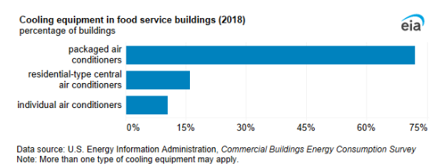
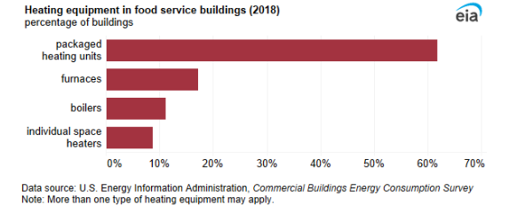

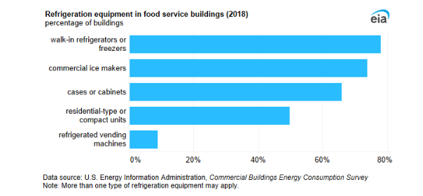

Dodge Construction data , 2023

Prototype
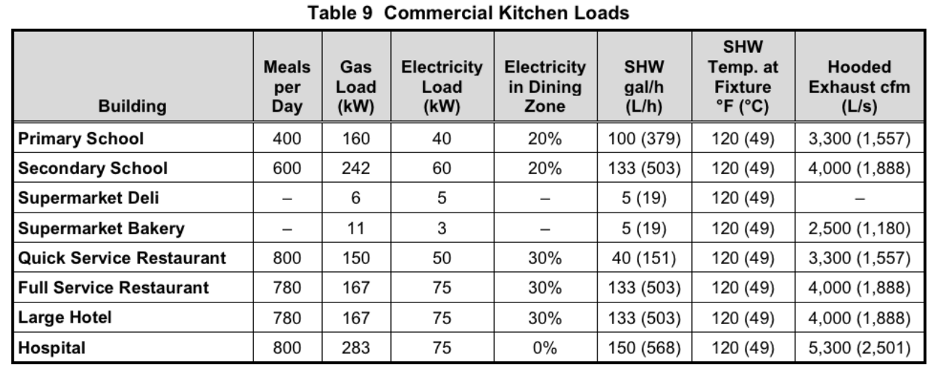
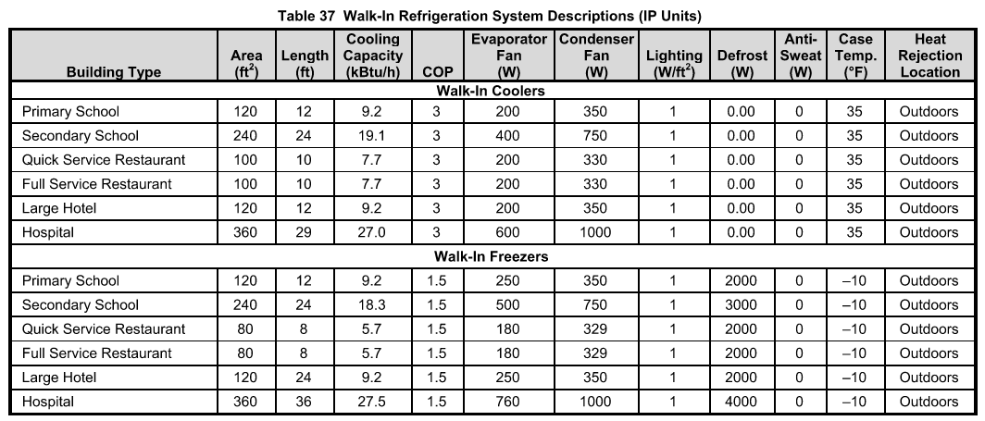
NORESCO, Updated August 2025
RestaurantFastFood
Characteristic | Value | Data Sources
Building Type | Fast Food Restaurant
Building Category | Nonresidential
Vintages | 4 Vintages: Pre-1978 , 1978-1997 ,1998-2007 , 2008-2018 New Construction (2019+) | Based on the vintage bin analysis | NonRes-Vintage bins-Draft Report-30Nov2023-Final.docx
Shape |  | CEC Prototype 2022
Total Floor Area (ft²) | 2502 (50 ft * 50 ft) | CEC Prototype 2022
Aspect Ratio | 1.0 | CEC Prototype 2022
Number of Floors | 1 | CEC Prototype 2022
Roof type | Attic (17°) | CEC Prototype 2022
WWR | Average 14% (South: 28% , East: 14% ,North: 0% ,West: 14% | CEC Prototype 2022
Shading Geometry | No shades
Floor to floor height (ft) | N/A | CEC Prototype 2022
Floor to ceiling height (ft) | 10 | CEC Prototype 2022
Glazing sill height (ft) | 3.5 (top of the window is 6.5 ft high with 3 ft high glass) | CEC Prototype 2022

Background Data [To be deleted prior to publication]

According to CBECS 2018, small restaurants mostly have flat or shallow pitch roofs.

Existing public prototypes
 |  | PNNL (Fast Food) | CEC (Small Restaurant) | CPUC (Fast Food)
Geometry | Whole building | 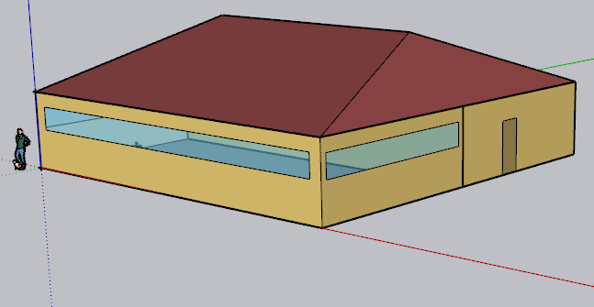 | 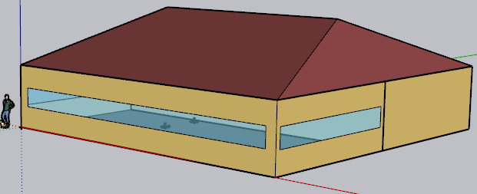 | 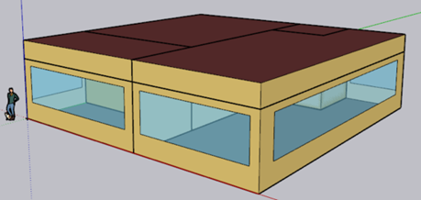
Floor area (ft²) | Total | 2,500 | 2,500 | 1,998
Height (ft) | All | 10 | 10 | 10
Zones |  | Dining 50%, Kitchen 50%, Attic (NOT conditioned) | Dining 50% , Kitchen 50%, Attic (NOT conditioned) | Dining 40% , Kitchen 40% , Waiting Area 15% , Restroom 5% (100 sf)
Internal Load
People (person/ft²) | Dining | 0.07 | 0.033 | 0.033
 | Kitchen | 0.005 (6.3 people) | 0.0025 | 0.0025
 | Other zones (if any) | - | - | 0.033 Lobby & 0.005 Restroom
Lights (W/ft²) | Dining | 0.38 | 0.45 | 0.45
 | Kitchen | 0.89 | 0.95 | 0.95
 | Other zones (if any) |  |  | 0.7 Lobby, 0.65 Restroom
Ext lights (W) | Whole building | 952 (209 and 743) | - | -
Gas Equipment (Btu/h-ft2) | Kitchen | 237.4 (296,748 Btu/h) | 32.4 | 17.5
Electric Equipment (W/ft²) | Dining | 10.3 (12,835 W) | 0.75 (0.5 receptacle & 0.25 refrigerator ) | 0.75 (0.5 & 0.25)
 | Kitchen | 24.29 (29,769 W receptacle & 313 W ReachIn Refrigerator & 277 W ReachInFreezer) | 2.62 (1.5 receptacle & 1.12 refrigerator) | 2.62 (1.5 & 1.12)
 | Other zones (if any) | - | - | 0.5 Lobby
Refrigerator | Kitchen | In addition to the Reachin freezer and refrigerator load defined as electric load, it has : 2 Case refrigerator : 716 and 763 Btu/hr-ft for 8 and 10 ft cases 2.5 COP for design compressor rack 1126 Btu/h for fan power of design compressor | Two refrigerator loads is defined as electric equipment load for dining and kitchen | expected to simulate the Refrigerator loads as electric equipment load ( like CEC)
HVAC System
Heating Sizing Factor | All | H&C: 1.2 | H&C:1 | H: 2.5 , C: 2.3
HVAC | Dining | PSZ AC: CAV no reheat, DX cooling coil: multi speed, Gas heating coil | (BAseAirSys 13): VAV no Reheat +DX cooling coil:two speed, Gas Heating coil | Single Zone VAV no Reheat , DX cooling coil:multi speed, Gas heating coil
 | Kitchen | PSZ AC : CAV no reheat, DX cooling coil: multi speed, Gas heating coil | (sys7or3a): CAV no Reheat+DX cooling coil: single speed+ Gas Heating coil | Single Zone VAV no Reheat , DX cooling coil:single speed, Gas heating coil
 | Other zones (if any) | - | - | For each Lobby and Restroom: Single Zone VAV no Reheat, DX cooling coil:multi speed , Gas heating coil
Exhaust Fan | Dining | 881 cfm with efficiency of 1
 | Kitchen | 3300 cfm with efficiency of 0.385 | 2400 cfm with efficiency of 0.43
Thermostat Setpoint (F) | Dining Heating | 70 (setback: 60) | 70 (setback: 60) | 70 (setback: 60)
 | Dining Cooling | 75 (setback: 86) | 75 (setback: 85) | 75 (setback: 85)
 | Kitchen Heating | 66 (setback: 60) | 70 (setback: 60) | 70 (setback: 60)
 | Kitchen Cooling | 79 (setback: 86) | 75 (setback: 85) | 75 (setback: 85)
Water Heater
Tank Volume (gal |  | 100 | 30 | Autosize (Nominal tank volume for autosizing: 39.6) Output file :69 gal
Peak Flow Rate (gpm) | Dining | - | 0.4 | 0.51
 | Kitchen | 1.52 | 0.03 | 0.04
 | Other zones (if any) |  |  | 0.03 Lobby
Loop Max and Min Temperature (F) |  | 140, 50 | 212, 32 | 212 , 50
Tank Max Temperature (F) |  | 180 | 180 | 212

Yealy Water Usage (gal) from the output files |  | 204,732 | 71,224 | 95,968

ASHRAE DOE
Kitchen loads are included in the EnergyPlus Electric Equipment and Gas Equipment objects

Zones
N
Proposed Layout - RestaurantFastFood
Space Type | Space/Thermal Zone | HVAC zone | Schedule Category | Conditioned (Y/N) | Area Fraction | Area (ft²) | Volume (ft³) | Multipliers | Number of People | People (Persons/1,000 ft²) [T24, 2025,Table 120.1-A] |  Kitchen (North) , Dining (south)
Dining Area (Cafeteria/Fast Food) | Dining | AHU 1 | Restaurant | Y | 50.0% | 1,250 | 12,500 | 1 | 41 | 33
Kitchen/Food Preparation Area | Kitchen | AHU 2 | Kitchen | Y | 50.0% | 1,250 | 12,500 | 1 | 4 | 3
Attic | Attic | n/a |  | N |  | 2,500 | 25,000 | 1 | 0
Total (3 space type) | Total (3 Space) | Total ( 2 HVAC Zones) | Total (2 category) | Total (2 Conditioned zones) | 1 | 2,500 | 25,000

HVAC System
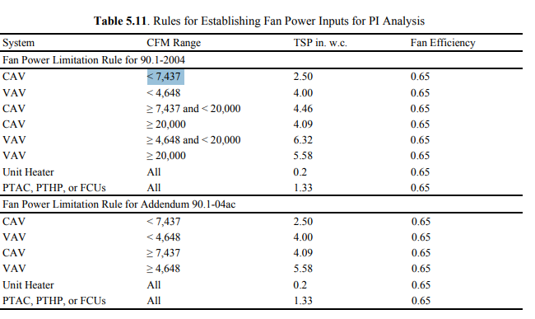
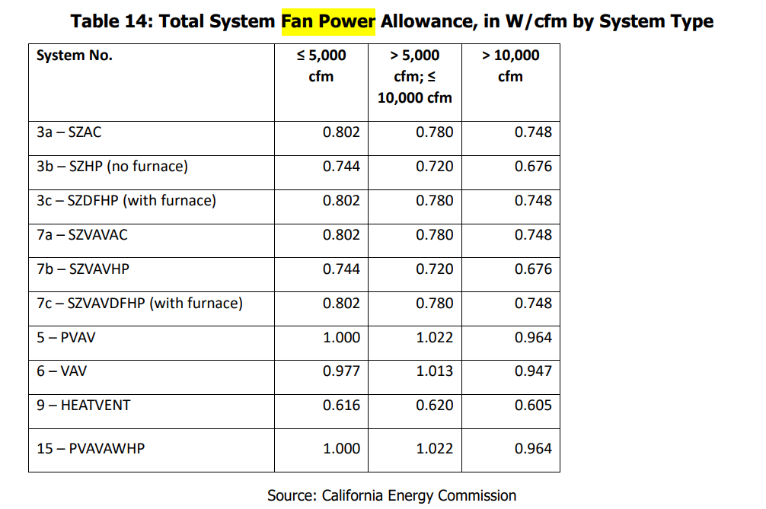
HVAC system - RestaurantFastFood
Vintage | Space/Thermal Zone | Heating | Cooling | Air Distribution | Other Systems | Source
Existing | Dining | Gas Furnace (PSZAC) | DX Coil (PSZAC) | CAV (PSZAC) | Economizer for after 2008 | CEUS 2022 + Engineering Judgement
 | Kitchen | Gas Furnace (PSZAC) | DX Coil (PSZAC) | CAV (PSZAC) | Makeup Air Unit (Combo with RTU) to supply make-up air exceeding transfer air from dining space (can be included in system13b)
New Construction | Dining | Gas Furnace (PSZAC) | DX Coil (PSZAC) | CAV (PSZAC) | Economizer | T24, 2025 | Deman control ventilation
 | Kitchen | Gas Furnace (PSZAC) | DX Coil (PSZAC) | CAV (PSZAC) | HR-Makeup Air Unit (systems that integrate make-up air and heat recovery functions) (can be included in system13b)

Efficiency of HVAC system (Efficiency is capacity-dependent. The following Table provides a general estimate of system efficiency based on what we saw in the existing prototype runs, or assuming cooling load based on rule of thumb)
Vintage | Upgrade/Installed year | Gas Furnace | Dining DX cooling (<65,000 Btu/h) | Kitchen DX cooling (>=65,000 and < 135,000 Btu/h ) | Source | Note
Pre 1978 | 2008 | Efficiency 80% | SEER 13 | EER 10.3 | System <65,000: 10 CFR, 2009 (Vol. 74, No. 54 , page 12074) system >65,000: T24, 2008, Table 112-A | Econ Max Position=0.9. *Econ Max Position is set to below 1 to approximate effects of not having fault detection and diagnostics (FDD) requirements, which began in 2013. it can be modeled in E+ either by: - Reducing Maximum Outdoor Air Flow Rate in Controller:OutdoorAir. - Or using FaultModel objects to simulate pre-2013 “no FDD” conditions
1978-1997
1998-2007
2008-2018 | 2013 | Efficiency 80% | SEER 13 | EER 11.2 | System <65,000: 10 CFR, 2013, Table 1 TO § 431.97 System >65,000: T24, 2013, Table 110.2-A | Econ Max Position=0.9
New Construction | 2025 | Efficiency 80% | SEER2 13.4 | EER 11.2 | System <65,000: 10 CFR, 2024 ,Table 19 TO § 431.97(h) System >65,000: T24, 2025, Table 110.2-A | - Econ Max Position=1 - Deduct 0.2 from the required EERs and IEERs for units with a heating section other than electric resistance heat.

Fan Power
Vintage | Approach | System | Total Static Pressure (TSP) (in w.c.) [PNNL 20405, 2010, Table 5.11] | Fan Efficiency [ACM 2025] | Fan Motor and Drive Efficiency [ACM 2025, Table 13] | W/cfm [ACM 2025, Table 14 and 15] | Data Source
Existing | PNNL TSP | CAV Kitchen (system <7,437 cfm) | 2.5 | 0.65 | ~0.9 (The full-load efficiency of the motor serving the fan- will be determined based on ACM 2025, Table 13) |  | ACM 2025, PNNL 20405, 2010
 |  | CAV Dining (system <7,437 cfm) | 2.5 | 0.65
Brake horse power (bhp)=(Supply cfm*TSP in w.c.)/(6356*Fan efficiency)
Fan power (w/cfm) = bhp/motor and drive efficiency *746
New Construction | ACM 2025 | CAV Kitchen (system <5000 cfm) | 4.00 | 0.65 | 0.9 | 0.802 (SZAC system <5,000 cfm ) | ACM 2025
 |  | CAV Dining (system <5000 cfm) | 4.00 |  |  | 0.802 (SZAC system <5,000 cfm )
 |  |  |  |  | * 0.9 is an average fan efficiency according to ACM 2025, Table 13
Fan total eff (E+ input) = 0.65 x Motor_eff
TSP (E+ input) in w.c. = Motor_eff/746 x (6356 x Fan_eff) x W/cfm
Fan_eff=0.65

Background Data [To be deleted prior to publication]

CEUS 2022:
 | Heating |  |  | Cooling |  | Air Distribution | Water Heater
 | Floorspace Heated | Primary Heating The default is the floorspace method unless otherwise specified | Fuel Type | Floorspace Cooled | Primary Cooling The default is the floorspace method unless otherwise specified | Primary Air Dis The default is the floorspace method unless otherwise specified | Fuel Type

RestaurantFastFood | 90% | Package System / Heat Pump (83.0%) | (65 % Gas, 34% Elec) | 91% | Package System / Heat Pump (83.1%) | Single Duct CAV (95.0%) | (Gas 78%, 18% Elec)

System13b
ACM 2025, Section: 5.1.3 : System 13b – PKITCHMAU serving the restaurant commercial kitchen zone

ACM 2025, |  | PNNL 20405, 2010 |  |  | T24 2019, same as 90.1:

Occupnacy
HVAC Operating Hour
Period | Hour | Weekdays Multiplier |  | Saturday | Sunday
12:00 am - 6:00 am | 6 |  | 0
6:00 am -7:00 am | 1 | 20% capcaity | 0.2
7:00 am - 8:00 am | 1 | 70% Capacity | 0.7
8:00 am - 17:00 pm | 9 | Full capacity | 1
17:00 pm - 18:00 pm | 1 | 70% Capacity | 0.7
18:00 pm - 19:00 pm | 1 | 50% capacity | 0.5
19:00 pm - 20:00 pm | 1 | 20% capcaity | 0.3
20:00 pm - 22:00 pm | 2 | 20% capcaity | 0.2
22:00 pm - 12:00 am | 2 |  | 0
 |  |  | 11.8 | 3 | 0

Background Data [To be deleted prior to publication]

CEUS 2022 data

Total Weighted Average Annual Operating Hours |  |  | Office, Small | 3,286 |  | Working day | 249
Weighted Average Operating Hours Per Day |  |  | Office, Small | 9.0
Weighted average operating hours per working day (assuming zeo load for weekends) |  |  | Office, Small | 13.2

Operating Hours Per Day (in 4-hrs bin) By Planning Area & Forecast Zone
Calculation Method | Statewide/ Utility/ FCZ | Building Type | 0< X <=4 | 4< X <=8 | 8< X <=12 | 12< X <=16 | 16< X <=20 | 20<= X <24 | 24 Hrs/Day | Not Available | Total | ← Operating Hours Per Day
Floorspace-Based | Statewide | Office, Small | 0.9% | 37.0% | 52.8% | 5.0% | 1.2% | 0.6% | 0.7% | 1.8% | 100.0%

Annual Operating Hours By Planning Area & Forecast Zone
Calculation Method | Statewide/ Utility/ FCZ | Building Type | <=500 Hrs | 500 < Hrs <=1000 | 1000 < Hrs <=1500 | 1500 < Hrs <=2000 | 2000 < Hrs <=2500 | 2500 < Hrs <=3000 | 3000 < Hrs <=3500 | 3500 < Hrs <=4000 | 4000 < Hrs <=4500 | 4500 < Hrs <=5000 | 5000 < Hrs <=5500 | 5500 < Hrs <=6000 | 6500 < Hrs <=7000 | 7000 < Hrs <=7000 | 7500 < Hrs <=8000 | 8000< Hrs <=8500 | 8001 < Hrs <=8500 | 8500 < Hrs <8760 | 8760 Hours | Total | ← Annual Operating Hours
Floorspace-Based | Statewide | Office, Small | 0.1% | 0.3% | 1.6% | 7.2% | 53.6% | 19.3% | 8.7% | 2.5% | 2.0% | 0.6% | 0.6% | 0.5% | 0.2% | 0.3% | 0.0% | 0.0% | 0.0% | 0.3% | 2.1% | 100.0%

Occupnacy Schedules (existing prototypes extracted from the idf files (presented below)
PNNL: Occpancy Schedule- Small office
DEER: Occpancy Schedule- Small office
CEC: Occpancy Schedule- Small office

 | PNNL |  |  | DEER |  |  |  |  | CEC
Hour | m2/person | 18.580626 |  |  | Person/m2: 0.0538195521 | 18.5874 |  |  | Person/m2 :0.0538195521 |  | 18.580607994
 | PNNL (Core+ 3 Perimeter) | PNNL( 1 Perimeter) |  | DEER Normal day | DEER Saturday | DEER (Other day) |  |  | CEC Weekday | CEC Saturday | CEC Sunday
1 | 0 | 0 |  | 0 | 0 | 0 |  |  | 0 | 0 | 0
2 | 0 | 0 |  | 0 | 0 | 0 |  |  | 0 | 0 | 0
3 | 0 | 0 |  | 0 | 0 | 0 |  |  | 0 | 0 | 0
4 | 0 | 0 |  | 0 | 0 | 0 |  |  | 0 | 0 | 0
5 | 0 | 0 |  | 0 | 0 | 0 |  |  | 0 | 0 | 0
6 | 0 | 0 |  | 0 | 0 | 0 |  |  | 0 | 0 | 0
7 | 0.11 | 0.11 |  | 0.1 | 0.1 | 0.05 |  |  | 0.1 | 0.1 | 0.05
8 | 0.21 | 0.21 |  | 0.2 | 0.1 | 0.05 |  |  | 0.2 | 0.1 | 0.05
9 | 1 | 1 |  | 0.95 | 0.3 | 0.05 |  |  | 0.95 | 0.3 | 0.05
10 | 1 | 1 |  | 0.95 | 0.3 | 0.05 |  |  | 0.95 | 0.3 | 0.05
11 | 1 | 0 |  | 0.95 | 0.3 | 0.05 |  |  | 0.95 | 0.3 | 0.05
12 | 1 | 1 |  | 0.95 | 0.3 | 0.05 |  |  | 0.95 | 0.3 | 0.05
13 | 1 | 0 |  | 0.5 | 0.1 | 0.05 |  |  | 0.5 | 0.1 | 0.05
14 | 0.61 | 1 |  | 0.95 | 0.1 | 0.05 |  |  | 0.95 | 0.1 | 0.05
15 | 1 | 0 |  | 0.95 | 0.1 | 0.05 |  |  | 0.95 | 0.1 | 0.05
16 | 1 | 1 |  | 0.95 | 0.1 | 0.05 |  |  | 0.95 | 0.1 | 0.05
17 | 1 | 1 |  | 0.95 | 0.1 | 0.05 |  |  | 0.95 | 0.1 | 0.05
18 | 1 | 0.32 |  | 0.3 | 0.05 | 0.05 |  |  | 0.3 | 0.05 | 0.05
19 | 0.32 | 0.11 |  | 0.1 | 0.05 | 0 |  |  | 0.1 | 0.05 | 0
20 | 0.11 | 0.11 |  | 0.1 | 0 | 0 |  |  | 0.1 | 0 | 0
21 | 0.11 | 0.11 |  | 0.1 | 0 | 0 |  |  | 0.1 | 0 | 0
22 | 0.11 | 0.11 |  | 0.1 | 0 | 0 |  |  | 0.1 | 0 | 0
23 | 0.05 | 0.05 |  | 0.05 | 0 | 0 |  |  | 0.05 | 0 | 0
24 | 0 | 0 |  | 0.05 | 0 | 0 |  |  | 0 | 0 | 0
 | 10.63 | 7.13 |  | 9.2 | 2 | 0.6 |  |  | 9.15 | 2 | 0.6
 | 10 h entirely occupied | 17 |  | 9 h entirely occupied | 13 | 9 h entirely occupied

DEER 2024 (Old model rebuilt in E+)

 | DEERSmall Office idf: 07-2024
 | Schedule:Compact, |  |  | Schedule:Compact, |  |  |  |  |  | Schedule:Compact, |  |  |  |  |  | Schedule:Compact, |  |  |  |  |  | Schedule:Compact, |  | Schedule:Compact, | Schedule:Compact, | Schedule:Compact, | Schedule:Compact, | Schedule:Compact,
 | Hall EL1 Core Spc (G.C5) Occupant Sch, !- Name |  |  | OfficeSmall EL1 North Perim Spc (G.N3) Occupant Sch, !- Name |  |  |  |  |  | OfficeSmall EL1 East Perim Spc (G.E2) Occupant Sch, !- Name |  |  |  |  |  | OfficeSmall EL1 South Perim Spc (G.S1) Occupant Sch, !- Name |  |  |  |  |  | OfficeSmall EL1 West Perim Spc (G.W4) Occupant Sch, !- Name |  | Hall EL1 Core Spc (T.C15) Occupant Sch, !- Name | OfficeSmall EL1 East Perim Spc (T.E12) Occupant Sch, !- Name | OfficeSmall EL1 North Perim Spc (T.N13) Occupant Sch, !- Name | OfficeSmall EL1 South Perim Spc (T.S11) Occupant Sch, !- Name | OfficeSmall EL1 West Perim Spc (T.W14) Occupant Sch, !- Name
 | Unit Interval, !- Schedule Type Limits Name |  |  | Unit Interval, !- Schedule Type Limits Name |  |  |  |  |  | Unit Interval, !- Schedule Type Limits Name |  |  |  |  |  | Unit Interval, !- Schedule Type Limits Name |  |  |  |  |  | Unit Interval, !- Schedule Type Limits Name |  | Unit Interval, !- Schedule Type Limits Name | Unit Interval, !- Schedule Type Limits Name | Unit Interval, !- Schedule Type Limits Name | Unit Interval, !- Schedule Type Limits Name | Unit Interval, !- Schedule Type Limits Name
 | Through: 12/31, !- Field 1 |  |  | Through: 12/31, !- Field 1 |  |  |  |  |  | Through: 12/31, !- Field 1 |  |  |  |  |  | Through: 12/31, !- Field 1 |  |  |  |  |  | Through: 12/31, !- Field 1 |  | Through: 12/31, !- Field 1 | Through: 12/31, !- Field 1 | Through: 12/31, !- Field 1 | Through: 12/31, !- Field 1 | Through: 12/31, !- Field 1
 | For: SummerDesignDay, !- Field 2 |  |  | For: SummerDesignDay, !- Field 2 |  |  |  |  |  | For: SummerDesignDay, !- Field 2 |  |  |  |  |  | For: SummerDesignDay, !- Field 2 |  |  |  |  |  | For: SummerDesignDay, !- Field 2 |  | For: SummerDesignDay, !- Field 2 | For: SummerDesignDay, !- Field 2 | For: SummerDesignDay, !- Field 2 | For: SummerDesignDay, !- Field 2 | For: SummerDesignDay, !- Field 2
 | Until: 24:00,1.0, !- Field 3 |  |  | Until: 24:00,1.0, !- Field 3 |  |  |  |  |  | Until: 24:00,1.0, !- Field 3 |  |  | 0 | 0 |  | Until: 24:00,1.0, !- Field 3 |  |  |  |  |  | Until: 24:00,1.0, !- Field 3 |  | Until: 24:00,1.0, !- Field 3 | Until: 24:00,1.0, !- Field 3 | Until: 24:00,1.0, !- Field 3 | Until: 24:00,1.0, !- Field 3 | Until: 24:00,1.0, !- Field 3
 | For: WinterDesignDay, !- Field 5 |  |  | For: WinterDesignDay, !- Field 5 |  |  |  |  |  | For: WinterDesignDay, !- Field 5 |  |  | 0 | 0 |  | For: WinterDesignDay, !- Field 5 |  |  |  |  |  | For: WinterDesignDay, !- Field 5 |  | For: WinterDesignDay, !- Field 5 | For: WinterDesignDay, !- Field 5 | For: WinterDesignDay, !- Field 5 | For: WinterDesignDay, !- Field 5 | For: WinterDesignDay, !- Field 5
 | Until: 24:00,0.0, !- Field 6 |  |  | Until: 24:00,0.0, !- Field 6 |  |  |  |  |  | Until: 24:00,0.0, !- Field 6 |  |  | 0 | 0 |  | Until: 24:00,0.0, !- Field 6 |  |  |  |  |  | Until: 24:00,0.0, !- Field 6 |  | Until: 24:00,0.0, !- Field 6 | Until: 24:00,0.0, !- Field 6 | Until: 24:00,0.0, !- Field 6 | Until: 24:00,0.0, !- Field 6 | Until: 24:00,0.0, !- Field 6
 | For: Weekdays, !- Field 8 |  |  | For: Weekdays, !- Field 8 |  |  |  |  |  | For: Weekdays, !- Field 8 |  |  | 0 | 0 |  | For: Weekdays, !- Field 8 |  |  |  |  |  | For: Weekdays, !- Field 8 |  | For: Weekdays, !- Field 8 | For: Weekdays, !- Field 8 | For: Weekdays, !- Field 8 | For: Weekdays, !- Field 8 | For: Weekdays, !- Field 8
 | Until: 06:00,0.0, !- Field 9 |  |  | Until: 06:00,0.0, !- Field 9 |  |  |  |  |  | Until: 06:00,0.0, !- Field 9 |  |  | 0 | 0 |  | Until: 06:00,0.0, !- Field 9 |  |  |  |  |  | Until: 06:00,0.0, !- Field 9 |  | Until: 06:00,0.0, !- Field 9 | Until: 06:00,0.0, !- Field 9 | Until: 06:00,0.0, !- Field 9 | Until: 06:00,0.0, !- Field 9 | Until: 06:00,0.0, !- Field 9
 | Until: 07:00,0.10, !- Field 11 |  |  | Until: 07:00,0.10, !- Field 11 |  |  |  |  |  | Until: 07:00,0.10, !- Field 11 |  |  | 0 | 0 |  | Until: 07:00,0.10, !- Field 11 |  |  |  |  |  | Until: 07:00,0.10, !- Field 11 |  | Until: 07:00,0.10, !- Field 11 | Until: 07:00,0.10, !- Field 11 | Until: 07:00,0.10, !- Field 11 | Until: 07:00,0.10, !- Field 11 | Until: 07:00,0.10, !- Field 11
 | Until: 08:00,0.20, !- Field 13 |  |  | Until: 08:00,0.20, !- Field 13 |  |  |  |  |  | Until: 08:00,0.20, !- Field 13 |  |  | 0.1 | 0.1 |  | Until: 08:00,0.20, !- Field 13 |  |  |  |  |  | Until: 08:00,0.20, !- Field 13 |  | Until: 08:00,0.20, !- Field 13 | Until: 08:00,0.20, !- Field 13 | Until: 08:00,0.20, !- Field 13 | Until: 08:00,0.20, !- Field 13 | Until: 08:00,0.20, !- Field 13
 | Until: 12:00,0.95, !- Field 15 |  |  | Until: 12:00,0.95, !- Field 15 |  |  |  |  |  | Until: 12:00,0.95, !- Field 15 |  |  | 0.2 | 0.1 |  | Until: 12:00,0.95, !- Field 15 |  |  |  |  |  | Until: 12:00,0.95, !- Field 15 |  | Until: 12:00,0.95, !- Field 15 | Until: 12:00,0.95, !- Field 15 | Until: 12:00,0.95, !- Field 15 | Until: 12:00,0.95, !- Field 15 | Until: 12:00,0.95, !- Field 15
 | Until: 13:00,0.50, !- Field 17 |  |  | Until: 13:00,0.50, !- Field 17 |  |  |  |  |  | Until: 13:00,0.50, !- Field 17 |  |  | 0.95 | 0.3 |  | Until: 13:00,0.50, !- Field 17 |  |  |  |  |  | Until: 13:00,0.50, !- Field 17 |  | Until: 13:00,0.50, !- Field 17 | Until: 13:00,0.50, !- Field 17 | Until: 13:00,0.50, !- Field 17 | Until: 13:00,0.50, !- Field 17 | Until: 13:00,0.50, !- Field 17
 | Until: 17:00,0.95, !- Field 19 |  |  | Until: 17:00,0.95, !- Field 19 |  |  |  |  |  | Until: 17:00,0.95, !- Field 19 |  |  | 0.95 | 0.3 |  | Until: 17:00,0.95, !- Field 19 |  |  |  |  |  | Until: 17:00,0.95, !- Field 19 |  | Until: 17:00,0.95, !- Field 19 | Until: 17:00,0.95, !- Field 19 | Until: 17:00,0.95, !- Field 19 | Until: 17:00,0.95, !- Field 19 | Until: 17:00,0.95, !- Field 19
 | Until: 18:00,0.30, !- Field 21 |  |  | Until: 18:00,0.30, !- Field 21 |  |  |  |  |  | Until: 18:00,0.30, !- Field 21 |  |  | 0.95 | 0.3 |  | Until: 18:00,0.30, !- Field 21 |  |  |  |  |  | Until: 18:00,0.30, !- Field 21 |  | Until: 18:00,0.30, !- Field 21 | Until: 18:00,0.30, !- Field 21 | Until: 18:00,0.30, !- Field 21 | Until: 18:00,0.30, !- Field 21 | Until: 18:00,0.30, !- Field 21
 | Until: 22:00,0.10, !- Field 23 |  |  | Until: 22:00,0.10, !- Field 23 |  |  |  |  |  | Until: 22:00,0.10, !- Field 23 |  |  | 0.95 | 0.3 |  | Until: 22:00,0.10, !- Field 23 |  |  |  |  |  | Until: 22:00,0.10, !- Field 23 |  | Until: 22:00,0.10, !- Field 23 | Until: 22:00,0.10, !- Field 23 | Until: 22:00,0.10, !- Field 23 | Until: 22:00,0.10, !- Field 23 | Until: 22:00,0.10, !- Field 23
 | Until: 24:00,0.05, !- Field 25 |  |  | Until: 24:00,0.05, !- Field 25 |  |  |  |  |  | Until: 24:00,0.05, !- Field 25 |  |  | 0.5 | 0.1 |  | Until: 24:00,0.05, !- Field 25 |  |  |  |  |  | Until: 24:00,0.05, !- Field 25 |  | Until: 24:00,0.05, !- Field 25 | Until: 24:00,0.05, !- Field 25 | Until: 24:00,0.05, !- Field 25 | Until: 24:00,0.05, !- Field 25 | Until: 24:00,0.05, !- Field 25
 | For: Saturday, !- Field 27 |  |  | For: Saturday, !- Field 27 |  |  |  |  |  | For: Saturday, !- Field 27 |  |  | 0.95 | 0.1 |  | For: Saturday, !- Field 27 |  |  |  |  |  | For: Saturday, !- Field 27 |  | For: Saturday, !- Field 27 | For: Saturday, !- Field 27 | For: Saturday, !- Field 27 | For: Saturday, !- Field 27 | For: Saturday, !- Field 27
 | Until: 06:00,0.0, !- Field 28 |  |  | Until: 06:00,0.0, !- Field 28 |  |  |  |  |  | Until: 06:00,0.0, !- Field 28 |  |  | 0.95 | 0.1 |  | Until: 06:00,0.0, !- Field 28 |  |  |  |  |  | Until: 06:00,0.0, !- Field 28 |  | Until: 06:00,0.0, !- Field 28 | Until: 06:00,0.0, !- Field 28 | Until: 06:00,0.0, !- Field 28 | Until: 06:00,0.0, !- Field 28 | Until: 06:00,0.0, !- Field 28
 | Until: 08:00,0.10, !- Field 30 |  |  | Until: 08:00,0.10, !- Field 30 |  |  |  |  |  | Until: 08:00,0.10, !- Field 30 |  |  | 0.95 | 0.1 |  | Until: 08:00,0.10, !- Field 30 |  |  |  |  |  | Until: 08:00,0.10, !- Field 30 |  | Until: 08:00,0.10, !- Field 30 | Until: 08:00,0.10, !- Field 30 | Until: 08:00,0.10, !- Field 30 | Until: 08:00,0.10, !- Field 30 | Until: 08:00,0.10, !- Field 30
 | Until: 12:00,0.30, !- Field 32 |  |  | Until: 12:00,0.30, !- Field 32 |  |  |  |  |  | Until: 12:00,0.30, !- Field 32 |  |  | 0.95 | 0.1 |  | Until: 12:00,0.30, !- Field 32 |  |  |  |  |  | Until: 12:00,0.30, !- Field 32 |  | Until: 12:00,0.30, !- Field 32 | Until: 12:00,0.30, !- Field 32 | Until: 12:00,0.30, !- Field 32 | Until: 12:00,0.30, !- Field 32 | Until: 12:00,0.30, !- Field 32
 | Until: 17:00,0.10, !- Field 34 |  |  | Until: 17:00,0.10, !- Field 34 |  |  |  |  |  | Until: 17:00,0.10, !- Field 34 |  |  | 0.3 | 0.5 |  | Until: 17:00,0.10, !- Field 34 |  |  |  |  |  | Until: 17:00,0.10, !- Field 34 |  | Until: 17:00,0.10, !- Field 34 | Until: 17:00,0.10, !- Field 34 | Until: 17:00,0.10, !- Field 34 | Until: 17:00,0.10, !- Field 34 | Until: 17:00,0.10, !- Field 34
 | Until: 19:00,0.05, !- Field 36 |  |  | Until: 19:00,0.05, !- Field 36 |  |  |  |  |  | Until: 19:00,0.05, !- Field 36 |  |  | 0.1 | 0.5 |  | Until: 19:00,0.05, !- Field 36 |  |  |  |  |  | Until: 19:00,0.05, !- Field 36 |  | Until: 19:00,0.05, !- Field 36 | Until: 19:00,0.05, !- Field 36 | Until: 19:00,0.05, !- Field 36 | Until: 19:00,0.05, !- Field 36 | Until: 19:00,0.05, !- Field 36
 | Until: 24:00,0.0, !- Field 38 |  |  | Until: 24:00,0.0, !- Field 38 |  |  |  |  |  | Until: 24:00,0.0, !- Field 38 |  |  | 0.1 | 0 |  | Until: 24:00,0.0, !- Field 38 |  |  |  |  |  | Until: 24:00,0.0, !- Field 38 |  | Until: 24:00,0.0, !- Field 38 | Until: 24:00,0.0, !- Field 38 | Until: 24:00,0.0, !- Field 38 | Until: 24:00,0.0, !- Field 38 | Until: 24:00,0.0, !- Field 38
 | For: AllOtherDays, !- Field 40 |  |  | For: AllOtherDays, !- Field 40 |  |  |  |  |  | For: AllOtherDays, !- Field 40 |  |  | 0.1 | 0 |  | For: AllOtherDays, !- Field 40 |  |  |  |  |  | For: AllOtherDays, !- Field 40 |  | For: AllOtherDays, !- Field 40 | For: AllOtherDays, !- Field 40 | For: AllOtherDays, !- Field 40 | For: AllOtherDays, !- Field 40 | For: AllOtherDays, !- Field 40
 | Until: 06:00,0.0, !- Field 41 |  |  | Until: 06:00,0.0, !- Field 41 |  |  |  |  |  | Until: 06:00,0.0, !- Field 41 |  |  | 0.1 | 0 |  | Until: 06:00,0.0, !- Field 41 |  |  |  |  |  | Until: 06:00,0.0, !- Field 41 |  | Until: 06:00,0.0, !- Field 41 | Until: 06:00,0.0, !- Field 41 | Until: 06:00,0.0, !- Field 41 | Until: 06:00,0.0, !- Field 41 | Until: 06:00,0.0, !- Field 41
 | Until: 18:00,0.05, !- Field 43 |  |  | Until: 18:00,0.05, !- Field 43 |  |  |  |  |  | Until: 18:00,0.05, !- Field 43 |  |  | 0.05 | 0 |  | Until: 18:00,0.05, !- Field 43 |  |  |  |  |  | Until: 18:00,0.05, !- Field 43 |  | Until: 18:00,0.05, !- Field 43 | Until: 18:00,0.05, !- Field 43 | Until: 18:00,0.05, !- Field 43 | Until: 18:00,0.05, !- Field 43 | Until: 18:00,0.05, !- Field 43
 | Until: 24:00,0.0; !- Field 45 |  |  | Until: 24:00,0.0; !- Field 45 |  |  |  |  |  | Until: 24:00,0.0; !- Field 45 |  |  | 0.05 | 0 |  | Until: 24:00,0.0; !- Field 45 |  |  |  |  |  | Until: 24:00,0.0; !- Field 45 |  | Until: 24:00,0.0; !- Field 45 | Until: 24:00,0.0; !- Field 45 | Until: 24:00,0.0; !- Field 45 | Until: 24:00,0.0; !- Field 45 | Until: 24:00,0.0; !- Field 45

PNNL 2022

 | PNNL Small Office |  |  | Schedule:Compact, |  | For only 1 perimeter zone
 | Schedule:Compact, |  |  | BLDG_OCC_SCH_w_SB, !- Name
 | BLDG_OCC_SCH_wo_SB, !- Name |  |  | Fraction, !- Schedule Type Limits Name
 | Fraction, !- Schedule Type Limits Name |  |  | Through: 12/31, !- Field 1
 | Through: 12/31, !- Field 1 |  |  | For: Weekdays, !- Field 2
 | For: Weekdays, !- Field 2 |  |  | Until: 01:00,0, !- Field 3
 | Until: 01:00,0, !- Field 3 |  |  | Until: 02:00,0, !- Field 5
 | Until: 02:00,0, !- Field 5 |  |  | Until: 03:00,0, !- Field 7
 | Until: 03:00,0, !- Field 7 |  |  | Until: 04:00,0, !- Field 9
 | Until: 04:00,0, !- Field 9 |  |  | Until: 05:00,0, !- Field 11
 | Until: 05:00,0, !- Field 11 |  |  | Until: 06:00,0, !- Field 13
 | Until: 06:00,0, !- Field 13 |  |  | Until: 07:00,0.11, !- Field 15
 | Until: 07:00,0.11, !- Field 15 |  |  | Until: 08:00,0.21, !- Field 17
 | Until: 08:00,0.21, !- Field 17 |  |  | Until: 09:00,1, !- Field 19
 | Until: 09:00,1, !- Field 19 |  |  | Until: 10:00,1, !- Field 21
 | Until: 10:00,1, !- Field 21 |  |  | Until: 11:00,0, !- Field 23
 | Until: 11:00,1, !- Field 23 |  |  | Until: 12:00,1, !- Field 25
 | Until: 12:00,1, !- Field 25 |  |  | Until: 13:00,0, !- Field 27
 | Until: 13:00,0.610394505402463, !- Field 27 |  |  | Until: 14:00,1, !- Field 29
 | Until: 14:00,1, !- Field 29 |  |  | Until: 15:00,0, !- Field 31
 | Until: 15:00,1, !- Field 31 |  |  | Until: 16:00,1, !- Field 33
 | Until: 16:00,1, !- Field 33 |  |  | Until: 17:00,1, !- Field 35
 | Until: 17:00,1, !- Field 35 |  |  | Until: 18:00,0.32, !- Field 37
 | Until: 18:00,0.32, !- Field 37 |  |  | Until: 19:00,0.11, !- Field 39
 | Until: 19:00,0.11, !- Field 39 |  |  | Until: 20:00,0.11, !- Field 41
 | Until: 20:00,0.11, !- Field 41 |  |  | Until: 21:00,0.11, !- Field 43
 | Until: 21:00,0.11, !- Field 43 |  |  | Until: 22:00,0.11, !- Field 45
 | Until: 22:00,0.11, !- Field 45 |  |  | Until: 23:00,0.05, !- Field 47
 | Until: 23:00,0.05, !- Field 47 |  |  | Until: 24:00,0, !- Field 49
 | Until: 24:00,0, !- Field 49 |  |  | For: Weekends, !- Field 51
 | For: Weekends, !- Field 51 |  |  | Until: 01:00,0, !- Field 52
 | Until: 01:00,0, !- Field 52 |  |  | Until: 02:00,0, !- Field 54
 | Until: 02:00,0, !- Field 54 |  |  | Until: 03:00,0, !- Field 56
 | Until: 03:00,0, !- Field 56 |  |  | Until: 04:00,0, !- Field 58
 | Until: 04:00,0, !- Field 58 |  |  | Until: 05:00,0, !- Field 60
 | Until: 05:00,0, !- Field 60 |  |  | Until: 06:00,0, !- Field 62
 | Until: 06:00,0, !- Field 62 |  |  | Until: 07:00,0, !- Field 64
 | Until: 07:00,0, !- Field 64 |  |  | Until: 08:00,0, !- Field 66
 | Until: 08:00,0, !- Field 66 |  |  | Until: 09:00,0, !- Field 68
 | Until: 09:00,0, !- Field 68 |  |  | Until: 10:00,0, !- Field 70
 | Until: 10:00,0, !- Field 70 |  |  | Until: 11:00,0, !- Field 72
 | Until: 11:00,0, !- Field 72 |  |  | Until: 12:00,0, !- Field 74
 | Until: 12:00,0, !- Field 74 |  |  | Until: 13:00,0, !- Field 76
 | Until: 13:00,0, !- Field 76 |  |  | Until: 14:00,0, !- Field 78
 | Until: 14:00,0, !- Field 78 |  |  | Until: 15:00,0, !- Field 80
 | Until: 15:00,0, !- Field 80 |  |  | Until: 16:00,0, !- Field 82
 | Until: 16:00,0, !- Field 82 |  |  | Until: 17:00,0, !- Field 84
 | Until: 17:00,0, !- Field 84 |  |  | Until: 18:00,0, !- Field 86
 | Until: 18:00,0, !- Field 86 |  |  | Until: 19:00,0, !- Field 88
 | Until: 19:00,0, !- Field 88 |  |  | Until: 20:00,0, !- Field 90
 | Until: 20:00,0, !- Field 90 |  |  | Until: 21:00,0, !- Field 92
 | Until: 21:00,0, !- Field 92 |  |  | Until: 22:00,0, !- Field 94 |  |  |  |  |  |  | Weekday | Saturday | Sunday
 | Until: 22:00,0, !- Field 94 |  |  | Until: 23:00,0, !- Field 96 |  |  |  |  |  | Occupancy Load | 13 hours | 2 | 0.6
 | Until: 23:00,0, !- Field 96 |  |  | Until: 24:00,0, !- Field 98
 | Until: 24:00,0, !- Field 98 |  |  | For: Holiday, !- Field 100
 | For: Holiday, !- Field 100 |  |  | Until: 24:00,0.0, !- Field 101
 | Until: 24:00,0.0, !- Field 101 |  |  | For: WinterDesignDay, !- Field 103 |  |  |  |  |  |  |  |  | CEUS |  |  |  |  |  |  |  | Entirely occupied
 | For: WinterDesignDay, !- Field 103 |  |  | Until: 24:00,0.0, !- Field 104 |  |  |  |  |  |  |  |  | Total Weighted Average Annual Operating Hours |  |  |  | Office, Small | 3,286 |  | DEER | 10
 | Until: 24:00,0.0, !- Field 104 |  |  | For: SummerDesignDay, !- Field 106 |  |  |  |  |  |  |  |  | Weighted Average Operating Hours Per Day |  |  |  | Office, Small | 9.0 |  | CEC | 9
 | For: SummerDesignDay, !- Field 106 |  |  | Until: 24:00,1.0, !- Field 107 |  |  |  |  |  |  |  |  | Weighted average operating hours per working day |  |  |  | Office, Small | 13.2 |  | PNNL | 9
 | Until: 24:00,1.0, !- Field 107 |  |  | For: CustomDay1, !- Field 109
 | For: CustomDay1, !- Field 109 |  |  | Until: 24:00,0.0, !- Field 110
 | Until: 24:00,0.0, !- Field 110 |  |  | For: CustomDay2, !- Field 112
 | For: CustomDay2, !- Field 112 |  |  | Until: 24:00,0.0; !- Field 113
 | Until: 24:00,0.0; !- Field 113

CBECC 2023

 | CEC: CBEC 2023
 | Schedule:Day:Interval, |  | Schedule:Day:Interval, |  | Schedule:Day:Interval,
 | OfficeOccupancyWD, !- Name |  | OfficeOccupancySat, !- Name |  | OfficeOccupancySun, !- Name
 | Fraction, !- Schedule Type Limits Name |  | Fraction, !- Schedule Type Limits Name |  | Fraction, !- Schedule Type Limits Name |  |  |  |  | CEC
 | No, !- Interpolate to Timestep |  | No, !- Interpolate to Timestep |  | No, !- Interpolate to Timestep
 | 01:00, !- Time 1 |  | 01:00, !- Time 1 |  | 01:00, !- Time 1 |  |  |  | 1
 | 0, !- Value Until Time 1 |  | 0, !- Value Until Time 1 |  | 0, !- Value Until Time 1 |  |  |  | 2
 | 02:00, !- Time 2 |  | 02:00, !- Time 2 |  | 02:00, !- Time 2 |  |  |  | 3
 | 0, !- Value Until Time 2 |  | 0, !- Value Until Time 2 |  | 0, !- Value Until Time 2 |  |  |  | 4
 | 03:00, !- Time 3 |  | 03:00, !- Time 3 |  | 03:00, !- Time 3 |  |  |  | 5
 | 0, !- Value Until Time 3 |  | 0, !- Value Until Time 3 |  | 0, !- Value Until Time 3 |  |  |  | 6
 | 04:00, !- Time 4 |  | 04:00, !- Time 4 |  | 04:00, !- Time 4 |  |  |  | 7
 | 0, !- Value Until Time 4 |  | 0, !- Value Until Time 4 |  | 0, !- Value Until Time 4 |  |  |  | 8
 | 05:00, !- Time 5 |  | 05:00, !- Time 5 |  | 05:00, !- Time 5 |  |  |  | 9
 | 0, !- Value Until Time 5 |  | 0, !- Value Until Time 5 |  | 0, !- Value Until Time 5 |  |  |  | 10
 | 06:00, !- Time 6 |  | 06:00, !- Time 6 |  | 06:00, !- Time 6 |  |  |  | 11
 | 0, !- Value Until Time 6 |  | 0, !- Value Until Time 6 |  | 0, !- Value Until Time 6 |  |  |  | 12
 | 07:00, !- Time 7 |  | 07:00, !- Time 7 |  | 07:00, !- Time 7 |  |  |  | 13
 | 0.1, !- Value Until Time 7 |  | 0.1, !- Value Until Time 7 |  | 0.05, !- Value Until Time 7 |  |  |  | 14
 | 08:00, !- Time 8 |  | 08:00, !- Time 8 |  | 08:00, !- Time 8 |  |  |  | 15
 | 0.2, !- Value Until Time 8 |  | 0.1, !- Value Until Time 8 |  | 0.05, !- Value Until Time 8 |  |  |  | 16
 | 09:00, !- Time 9 |  | 09:00, !- Time 9 |  | 09:00, !- Time 9 |  |  |  | 17
 | 0.95, !- Value Until Time 9 |  | 0.3, !- Value Until Time 9 |  | 0.05, !- Value Until Time 9 |  |  |  | 18
 | 10:00, !- Time 10 |  | 10:00, !- Time 10 |  | 10:00, !- Time 10 |  |  |  | 19
 | 0.95, !- Value Until Time 10 |  | 0.3, !- Value Until Time 10 |  | 0.05, !- Value Until Time 10 |  |  |  | 20
 | 11:00, !- Time 11 |  | 11:00, !- Time 11 |  | 11:00, !- Time 11 |  |  |  | 21
 | 0.95, !- Value Until Time 11 |  | 0.3, !- Value Until Time 11 |  | 0.05, !- Value Until Time 11 |  |  |  | 22
 | 12:00, !- Time 12 |  | 12:00, !- Time 12 |  | 12:00, !- Time 12 |  |  |  | 23
 | 0.95, !- Value Until Time 12 |  | 0.3, !- Value Until Time 12 |  | 0.05, !- Value Until Time 12 |  |  |  | 24
 | 13:00, !- Time 13 |  | 13:00, !- Time 13 |  | 13:00, !- Time 13
 | 0.5, !- Value Until Time 13 |  | 0.1, !- Value Until Time 13 |  | 0.05, !- Value Until Time 13
 | 14:00, !- Time 14 |  | 14:00, !- Time 14 |  | 14:00, !- Time 14
 | 0.95, !- Value Until Time 14 |  | 0.1, !- Value Until Time 14 |  | 0.05, !- Value Until Time 14
 | 15:00, !- Time 15 |  | 15:00, !- Time 15 |  | 15:00, !- Time 15
 | 0.95, !- Value Until Time 15 |  | 0.1, !- Value Until Time 15 |  | 0.05, !- Value Until Time 15
 | 16:00, !- Time 16 |  | 16:00, !- Time 16 |  | 16:00, !- Time 16
 | 0.95, !- Value Until Time 16 |  | 0.1, !- Value Until Time 16 |  | 0.05, !- Value Until Time 16
 | 17:00, !- Time 17 |  | 17:00, !- Time 17 |  | 17:00, !- Time 17
 | 0.95, !- Value Until Time 17 |  | 0.1, !- Value Until Time 17 |  | 0.05, !- Value Until Time 17
 | 18:00, !- Time 18 |  | 18:00, !- Time 18 |  | 18:00, !- Time 18
 | 0.3, !- Value Until Time 18 |  | 0.05, !- Value Until Time 18 |  | 0.05, !- Value Until Time 18
 | 19:00, !- Time 19 |  | 19:00, !- Time 19 |  | 19:00, !- Time 19
 | 0.1, !- Value Until Time 19 |  | 0.05, !- Value Until Time 19 |  | 0, !- Value Until Time 19
 | 20:00, !- Time 20 |  | 20:00, !- Time 20 |  | 20:00, !- Time 20
 | 0.1, !- Value Until Time 20 |  | 0, !- Value Until Time 20 |  | 0, !- Value Until Time 20
 | 21:00, !- Time 21 |  | 21:00, !- Time 21 |  | 21:00, !- Time 21
 | 0.1, !- Value Until Time 21 |  | 0, !- Value Until Time 21 |  | 0, !- Value Until Time 21
 | 22:00, !- Time 22 |  | 22:00, !- Time 22 |  | 22:00, !- Time 22
 | 0.1, !- Value Until Time 22 |  | 0, !- Value Until Time 22 |  | 0, !- Value Until Time 22
 | 23:00, !- Time 23 |  | 23:00, !- Time 23 |  | 23:00, !- Time 23
 | 0.05, !- Value Until Time 23 |  | 0, !- Value Until Time 23 |  | 0, !- Value Until Time 23
 | 24:00, !- Time 24 |  | 24:00, !- Time 24 |  | 24:00, !- Time 24
 | 0.05; !- Value Until Time 24 |  | 0; !- Value Until Time 24 |  | 0; !- Value Until Time 24

Energy Usage
RestaurantFastFood CalBEM Prototype vs. CEUS 2022
CalBEM Energy Consumption - RestaurantFastFood |  |  |  |  |  |  |  | National Average (EnergyStar Portfolio Manager) |  |  |  | CEUS Energy Consumption - Restaurant
Prototype | CZ | CalBEM Electricity EUI (KBTU/ft²) | CalBEM Gas EUI (KBTU/ft²) | CalBEM Total EUI (KBTU/ft²) | New Construction Electricity EUI (KBTU/ft²) | New Construction Gas EUI (KBTU/ft²) | New Construction Total EUI (KBTU/ft²) | National Average | Acceptable Range (25% Higher) | Acceptable Range (25% Lower) | National Average Acceptable EUI Range | Prototype | CZ | Total Floorspace (Thousand of ft²) | CEUS 2022 Electricity EUI (kBtu/ft²) | CEUS 2022 Gas EUI (kBtu/ft²) | CEUS 2022 Total EUI (kBtu/ft²) | Acceptable Range (25% Higher) | Acceptable Range (25% Lower) | CEUS 2022 Acceptable EUI Range
RetailStripMall | 1 | 96.9 | 223.6 | 320.5 | 96.0 | 217.3 | 313.3 | 442.6 | 553.3 | 331.95 | 221.3 | Restaurant | 1 | 2,670 | 140.2 | 188.4 | 328.6 | 410.8 | 246.5 | 164.3
 | 2 | 127.5 | 201.9 | 329.4 | 119.5 | 190.7 | 310.2 | 442.6 | 553.3 | 331.95 | 221.3 |  | 2 | 4,963 | 115.4 | 178.6 | 294.0 | 367.5 | 220.5 | 147.0
 | 3 | 114.3 | 184.9 | 299.2 | 107.3 | 180.1 | 287.4 | 442.6 | 553.3 | 331.95 | 221.3 |  | 3 | 23,016 | 121.7 | 177.7 | 299.3 | 374.2 | 224.5 | 149.7
 | 4 | 144.9 | 193.9 | 338.8 | 133.9 | 181.8 | 315.7 | 442.6 | 553.3 | 331.95 | 221.3 |  | 4 | 11,907 | 121.7 | 177.2 | 298.9 | 373.6 | 224.2 | 149.5
 | 5 | 116.4 | 185.7 | 302.1 | 108.9 | 180.6 | 289.5 | 442.6 | 553.3 | 331.95 | 221.3 |  | 5 | 2,232 | 116.9 | 182.7 | 299.6 | 374.5 | 224.7 | 149.8
 | 6 | 128.0 | 158.0 | 286.1 | 118.4 | 156.2 | 274.6 | 442.6 | 553.3 | 331.95 | 221.3 |  | 6 | 19,265 | 114.3 | 210.9 | 325.2 | 406.5 | 243.9 | 162.6
 | 7 | 127.7 | 156.4 | 284.1 | 118.5 | 154.7 | 273.3 | 442.6 | 553.3 | 331.95 | 221.3 |  | 7 | 11,475 | 139.9 | 228.3 | 368.2 | 460.2 | 276.1 | 184.1
 | 8 | 149.3 | 159.7 | 309.0 | 137.7 | 155.8 | 293.5 | 442.6 | 553.3 | 331.95 | 221.3 |  | 8 | 29,166 | 124.1 | 226.0 | 350.1 | 437.6 | 262.6 | 175.1
 | 9 | 149.5 | 164.1 | 313.6 | 136.2 | 158.3 | 294.5 | 442.6 | 553.3 | 331.95 | 221.3 |  | 9 | 44,907 | 111.9 | 217.9 | 329.8 | 412.3 | 247.4 | 164.9
 | 10 | 155.2 | 165.1 | 320.3 | 142.7 | 158.7 | 301.4 | 442.6 | 553.3 | 331.95 | 221.3 |  | 10 | 24,026 | 129.1 | 231.9 | 361.0 | 451.3 | 270.8 | 180.5
 | 11 | 159.8 | 194.3 | 354.0 | 148.2 | 182.0 | 330.2 | 442.6 | 553.3 | 331.95 | 221.3 |  | 11 | 8,515 | 141.1 | 172.4 | 313.5 | 391.9 | 235.1 | 156.8
 | 12 | 143.4 | 193.1 | 336.5 | 133.3 | 182.7 | 316.0 | 442.6 | 553.3 | 331.95 | 221.3 |  | 12 | 37,639 | 145.5 | 191.7 | 337.3 | 421.6 | 252.9 | 168.6
 | 13 | 158.6 | 185.8 | 344.4 | 147.5 | 176.7 | 324.2 | 442.6 | 553.3 | 331.95 | 221.3 |  | 13 | 12,120 | 147.9 | 194.2 | 342.1 | 427.6 | 256.6 | 171.1
 | 14 | 156.2 | 194.8 | 351.0 | 144.9 | 183.8 | 328.8 | 442.6 | 553.3 | 331.95 | 221.3 |  | 14 | 6,252 | 119.8 | 215.3 | 335.1 | 418.9 | 251.3 | 167.5
 | 15 | 198.7 | 150.8 | 349.5 | 183.5 | 147.3 | 330.8 | 442.6 | 553.3 | 331.95 | 221.3 |  | 15 | 12,623 | 139.2 | 260.8 | 400.0 | 500.0 | 300.0 | 200.0
 | 16 | 108.7 | 237.4 | 346.2 | 104.0 | 224.7 | 328.7 | 442.6 | 553.3 | 331.95 | 221.3 |  | 16 | 23,693 | 127.5 | 198.8 | 326.3 | 407.9 | 244.7 | 163.2

RestaurantFastFood CalBEM Prototype vs. National Average
 |  |  |  |  |  |  |  |  |  |  |  | Ref: CEUS 2022 Report
 |  |  |  |  |  |  |  |  |  |  |  | And converted FZ level data to CZ level
 |  |  |  |  |  |  |  |  |  |  |  | Restaurants have only one category in CEUS data.

Schedules
Schedules - RestaurantFastFood
Zone | Schedule Category | Schedule | Source | Type | Hour
 |  |  |  |  | 1 | 2 | 3 | 4 | 5 | 6 | 7 | 8 | 9 | 10 | 11 | 12 | 13 | 14 | 15 | 16 | 17 | 18 | 19 | 20 | 21 | 22 | 23 | 24
Occupancy
Dining | Restaurant | Occupancy | PNNL,ASHRAE 90.1, 2022 Fast Food Restaurant prototype (It has higher occupancy rate during morning compared to T24 2022 - Appendix 5.4B) | Weekday | 0.05 | 0.00 | 0.00 | 0.00 | 0.00 | 0.05 | 0.10 | 0.40 | 0.40 | 0.40 | 0.20 | 0.50 | 0.80 | 0.70 | 0.40 | 0.20 | 0.25 | 0.50 | 0.80 | 0.80 | 0.80 | 0.50 | 0.35 | 0.20
 |  |  |  | Saturday | 0.05 | 0.00 | 0.00 | 0.00 | 0.00 | 0.00 | 0.05 | 0.50 | 0.50 | 0.40 | 0.20 | 0.45 | 0.50 | 0.50 | 0.35 | 0.30 | 0.30 | 0.30 | 0.70 | 0.90 | 0.70 | 0.65 | 0.55 | 0.35
 |  |  |  | Sunday | 0.05 | 0.00 | 0.00 | 0.00 | 0.00 | 0.00 | 0.05 | 0.50 | 0.50 | 0.20 | 0.20 | 0.30 | 0.50 | 0.50 | 0.30 | 0.20 | 0.25 | 0.35 | 0.55 | 0.65 | 0.70 | 0.35 | 0.20 | 0.20
Lights
Dining | Restaurant | Lights | T24 2022 - Appendix 5.4B, [Restaurant] Updated based on the equipment schedule from the plug load and schedule project with CEC | Weekday | 0.15 | 0.15 | 0.15 | 0.15 | 0.15 | 0.20 | 0.30 | 0.67 | 0.73 | 0.75 | 0.85 | 0.85 | 0.85 | 0.83 | 0.72 | 0.65 | 0.67 | 0.75 | 0.85 | 0.85 | 0.85 | 0.75 | 0.57 | 0.30
 |  |  |  | Saturday | 0.15 | 0.15 | 0.15 | 0.15 | 0.15 | 0.20 | 0.30 | 0.67 | 0.73 | 0.75 | 0.85 | 0.85 | 0.85 | 0.83 | 0.72 | 0.65 | 0.67 | 0.75 | 0.85 | 0.85 | 0.85 | 0.75 | 0.57 | 0.30
 |  |  |  | Sunday | 0.20 | 0.15 | 0.15 | 0.15 | 0.15 | 0.15 | 0.30 | 0.67 | 0.73 | 0.75 | 0.85 | 0.85 | 0.85 | 0.83 | 0.72 | 0.65 | 0.67 | 0.75 | 0.85 | 0.85 | 0.85 | 0.75 | 0.57 | 0.30
ElecEquipment
Dining | Restaurant | ElecEquipment | Plug load and schedules project with CEC, 2025 | Weekday | 0.15 | 0.15 | 0.15 | 0.15 | 0.15 | 0.20 | 0.30 | 0.72 | 0.78 | 0.80 | 0.90 | 0.90 | 0.90 | 0.88 | 0.77 | 0.70 | 0.72 | 0.80 | 0.90 | 0.90 | 0.90 | 0.80 | 0.62 | 0.30
 |  |  |  | Saturday | 0.15 | 0.15 | 0.15 | 0.15 | 0.15 | 0.20 | 0.30 | 0.72 | 0.78 | 0.80 | 0.90 | 0.90 | 0.90 | 0.88 | 0.77 | 0.70 | 0.72 | 0.80 | 0.90 | 0.90 | 0.90 | 0.80 | 0.62 | 0.30
 |  |  |  | Sunday | 0.20 | 0.15 | 0.15 | 0.15 | 0.15 | 0.15 | 0.30 | 0.72 | 0.78 | 0.80 | 0.90 | 0.90 | 0.90 | 0.88 | 0.77 | 0.70 | 0.72 | 0.80 | 0.90 | 0.90 | 0.90 | 0.80 | 0.62 | 0.30
HVACAvail
Dining | Restaurant | HVACAvail | T24 2022 - Appendix 5.4B , [Restaurant] Updated based on the adopted PNNL occupancy | Weekday | 1.00 | 0.00 | 0.00 | 0.00 | 1.00 | 1.00 | 1.00 | 1.00 | 1.00 | 1.00 | 1.00 | 1.00 | 1.00 | 1.00 | 1.00 | 1.00 | 1.00 | 1.00 | 1.00 | 1.00 | 1.00 | 1.00 | 1.00 | 1.00
 |  |  |  | Saturday | 1.00 | 0.00 | 0.00 | 0.00 | 0.00 | 1.00 | 1.00 | 1.00 | 1.00 | 1.00 | 1.00 | 1.00 | 1.00 | 1.00 | 1.00 | 1.00 | 1.00 | 1.00 | 1.00 | 1.00 | 1.00 | 1.00 | 1.00 | 1.00
 |  |  |  | Sunday | 1.00 | 0.00 | 0.00 | 0.00 | 0.00 | 1.00 | 1.00 | 1.00 | 1.00 | 1.00 | 1.00 | 1.00 | 1.00 | 1.00 | 1.00 | 1.00 | 1.00 | 1.00 | 1.00 | 1.00 | 1.00 | 1.00 | 1.00 | 1.00
ServiceHotWater
Dining | Restaurant | ServiceHotWater | T24 2022 - Appendix 5.4B, [Restaurant] Updated based on the adopted PNNL occupancy | Weekday | 0.20 | 0.00 | 0.00 | 0.00 | 0.00 | 0.60 | 0.60 | 0.60 | 0.55 | 0.45 | 0.40 | 0.45 | 0.40 | 0.35 | 0.30 | 0.30 | 0.30 | 0.40 | 0.55 | 0.60 | 0.50 | 0.55 | 0.45 | 0.25
 |  |  |  | Saturday | 0.20 | 0.00 | 0.00 | 0.00 | 0.00 | 0.00 | 0.50 | 0.50 | 0.50 | 0.50 | 0.45 | 0.50 | 0.50 | 0.45 | 0.40 | 0.40 | 0.35 | 0.40 | 0.55 | 0.55 | 0.50 | 0.55 | 0.40 | 0.30
Assembly Elevator
 | 1 | 1 | 1
 |  |  |  | Sunday | 0.25 | 0.00 | 0.00 | 0.00 | 0.00 | 0.00 | 0.50 | 0.50 | 0.50 | 0.50 | 0.50 | 0.50 | 0.40 | 0.40 | 0.30 | 0.30 | 0.30 | 0.40 | 0.50 | 0.50 | 0.40 | 0.50 | 0.40 | 0.20
Infiltration
Dining | Restaurant | Infiltration | T24 2022 - Appendix 5.4B, [Restaurant] Updated based on the adopted PNNL occupancy | Weekday | 0.25 | 0.00 | 0.00 | 1.00 | 0.25 | 0.25 | 0.25 | 0.25 | 0.25 | 0.25 | 0.25 | 0.25 | 0.25 | 0.25 | 0.25 | 0.25 | 0.25 | 0.25 | 0.25 | 0.25 | 0.25 | 0.25 | 0.25 | 0.25
 |  |  |  | Saturday | 0.25 | 0.00 | 0.00 | 1.00 | 1.00 | 0.25 | 0.25 | 0.25 | 0.25 | 0.25 | 0.25 | 0.25 | 0.25 | 0.25 | 0.25 | 0.25 | 0.25 | 0.25 | 0.25 | 0.25 | 0.25 | 0.25 | 0.25 | 0.25
 |  |  |  | Sunday | 0.25 | 0.00 | 0.00 | 1.00 | 1.00 | 0.25 | 0.25 | 0.25 | 0.25 | 0.25 | 0.25 | 0.25 | 0.25 | 0.25 | 0.25 | 0.25 | 0.25 | 0.25 | 0.25 | 0.25 | 0.25 | 0.25 | 0.25 | 0.25
Dining | Restaurant | Refrigeration | T24 2022 - Appendix 5.4B, [Restaurant] | Weekday | 0.90 | 0.90 | 0.90 | 0.90 | 0.90 | 0.90 | 0.90 | 0.90 | 0.90 | 0.90 | 0.90 | 0.90 | 0.90 | 0.90 | 0.90 | 0.90 | 0.90 | 0.90 | 0.90 | 0.90 | 0.90 | 0.90 | 0.90 | 0.90
 |  |  |  | Saturday | 0.90 | 0.90 | 0.90 | 0.90 | 0.90 | 0.90 | 0.90 | 0.90 | 0.90 | 0.90 | 0.90 | 0.90 | 0.90 | 0.90 | 0.90 | 0.90 | 0.90 | 0.90 | 0.90 | 0.90 | 0.90 | 0.90 | 0.90 | 0.90
 |  |  |  | Sunday | 0.90 | 0.90 | 0.90 | 0.90 | 0.90 | 0.90 | 0.90 | 0.90 | 0.90 | 0.90 | 0.90 | 0.90 | 0.90 | 0.90 | 0.90 | 0.90 | 0.90 | 0.90 | 0.90 | 0.90 | 0.90 | 0.90 | 0.90 | 0.90
Dining | Restaurant | HtgSetpt | T24 2022 - Appendix 5.4B, [Restaurant] | Weekday | 70 | 60 | 60 | 60 | 70 | 70 | 70 | 70 | 70 | 70 | 70 | 70 | 70 | 70 | 70 | 70 | 70 | 70 | 70 | 70 | 70 | 70 | 70 | 70
 |  |  |  | Saturday | 70 | 60 | 60 | 60 | 60 | 70 | 70 | 70 | 70 | 70 | 70 | 70 | 70 | 70 | 70 | 70 | 70 | 70 | 70 | 70 | 70 | 70 | 70 | 70
 |  |  |  | Sunday | 70 | 60 | 60 | 60 | 60 | 70 | 70 | 70 | 70 | 70 | 70 | 70 | 70 | 70 | 70 | 70 | 70 | 70 | 70 | 70 | 70 | 70 | 70 | 70
Dining | Restaurant | ClgSetpt | T24 2022 - Appendix 5.4B, [Restaurant] | Weekday | 75 | 85 | 85 | 85 | 75 | 75 | 75 | 75 | 75 | 75 | 75 | 75 | 75 | 75 | 75 | 75 | 75 | 75 | 75 | 75 | 75 | 75 | 75 | 75
 |  |  |  | Saturday | 75 | 85 | 85 | 85 | 85 | 75 | 75 | 75 | 75 | 75 | 75 | 75 | 75 | 75 | 75 | 75 | 75 | 75 | 75 | 75 | 75 | 75 | 75 | 75
 |  |  |  | Sunday | 75 | 85 | 85 | 85 | 85 | 75 | 75 | 75 | 75 | 75 | 75 | 75 | 75 | 75 | 75 | 75 | 75 | 75 | 75 | 75 | 75 | 75 | 75 | 75
Kitchen
occupancy
Kitchen | Kitchen | occupancy | PNNL,ASHRAE 90.1, 2022 Fast Food Restaurant prototype (It has higher occupancy rate during morning compared to T24 2022 - Appendix 5.4B) | Weekday | 0.05 | 0.00 | 0.00 | 0.00 | 0.00 | 0.05 | 0.10 | 0.40 | 0.40 | 0.40 | 0.20 | 0.50 | 0.80 | 0.70 | 0.40 | 0.20 | 0.25 | 0.50 | 0.80 | 0.80 | 0.80 | 0.50 | 0.35 | 0.20
 |  |  |  | Saturday | 0.05 | 0.00 | 0.00 | 0.00 | 0.00 | 0.00 | 0.05 | 0.50 | 0.50 | 0.40 | 0.20 | 0.45 | 0.50 | 0.50 | 0.35 | 0.30 | 0.30 | 0.30 | 0.70 | 0.90 | 0.70 | 0.65 | 0.55 | 0.35
 |  |  |  | Sunday | 0.05 | 0.00 | 0.00 | 0.00 | 0.00 | 0.00 | 0.05 | 0.50 | 0.50 | 0.20 | 0.20 | 0.30 | 0.50 | 0.50 | 0.30 | 0.20 | 0.25 | 0.35 | 0.55 | 0.65 | 0.70 | 0.35 | 0.20 | 0.20
Lights
Kitchen | Kitchen | Lights | T24 2022 - Appendix 5.4B, [Restaurant] Updated based on the equipment schedule from the plug load and schedule project with CEC | Weekday | 0.15 | 0.15 | 0.15 | 0.15 | 0.15 | 0.20 | 0.30 | 0.67 | 0.73 | 0.75 | 0.85 | 0.85 | 0.85 | 0.83 | 0.72 | 0.65 | 0.67 | 0.75 | 0.85 | 0.85 | 0.85 | 0.75 | 0.57 | 0.30
 |  |  |  | Saturday | 0.15 | 0.15 | 0.15 | 0.15 | 0.15 | 0.20 | 0.30 | 0.67 | 0.73 | 0.75 | 0.85 | 0.85 | 0.85 | 0.83 | 0.72 | 0.65 | 0.67 | 0.75 | 0.85 | 0.85 | 0.85 | 0.75 | 0.57 | 0.30
 |  |  |  | Sunday | 0.20 | 0.15 | 0.15 | 0.15 | 0.15 | 0.15 | 0.30 | 0.67 | 0.73 | 0.75 | 0.85 | 0.85 | 0.85 | 0.83 | 0.72 | 0.65 | 0.67 | 0.75 | 0.85 | 0.85 | 0.85 | 0.75 | 0.57 | 0.30
ElecEquipment
Kitchen | Kitchen | ElecEquipment | Plug load and schedules project with CEC, 2025 | Weekday | 0.15 | 0.15 | 0.15 | 0.15 | 0.15 | 0.20 | 0.30 | 0.72 | 0.78 | 0.80 | 0.90 | 0.90 | 0.90 | 0.88 | 0.77 | 0.70 | 0.72 | 0.80 | 0.90 | 0.90 | 0.90 | 0.80 | 0.62 | 0.30
 |  |  |  | Saturday | 0.15 | 0.15 | 0.15 | 0.15 | 0.15 | 0.20 | 0.30 | 0.72 | 0.78 | 0.80 | 0.90 | 0.90 | 0.90 | 0.88 | 0.77 | 0.70 | 0.72 | 0.80 | 0.90 | 0.90 | 0.90 | 0.80 | 0.62 | 0.30
 |  |  |  | Sunday | 0.20 | 0.15 | 0.15 | 0.15 | 0.15 | 0.15 | 0.30 | 0.72 | 0.78 | 0.80 | 0.90 | 0.90 | 0.90 | 0.88 | 0.77 | 0.70 | 0.72 | 0.80 | 0.90 | 0.90 | 0.90 | 0.80 | 0.62 | 0.30
HVACAvail
Kitchen | Kitchen | HVACAvail | T24 2022 - Appendix 5.4B , [Restaurant] Updated based on the adopted PNNL occupancy | Weekday | 1.00 | 0.00 | 0.00 | 0.00 | 1.00 | 1.00 | 1.00 | 1.00 | 1.00 | 1.00 | 1.00 | 1.00 | 1.00 | 1.00 | 1.00 | 1.00 | 1.00 | 1.00 | 1.00 | 1.00 | 1.00 | 1.00 | 1.00 | 1.00
 |  |  |  | Saturday | 1.00 | 0.00 | 0.00 | 0.00 | 0.00 | 1.00 | 1.00 | 1.00 | 1.00 | 1.00 | 1.00 | 1.00 | 1.00 | 1.00 | 1.00 | 1.00 | 1.00 | 1.00 | 1.00 | 1.00 | 1.00 | 1.00 | 1.00 | 1.00
ServiceHotWater
 |  |  |  | Sunday | 1.00 | 0.00 | 0.00 | 0.00 | 0.00 | 1.00 | 1.00 | 1.00 | 1.00 | 1.00 | 1.00 | 1.00 | 1.00 | 1.00 | 1.00 | 1.00 | 1.00 | 1.00 | 1.00 | 1.00 | 1.00 | 1.00 | 1.00 | 1.00
Kitchen | Kitchen | ServiceHotWater | T24 2022 - Appendix 5.4B, [Restaurant] Updated based on the adopted PNNL occupancy | Weekday | 0.20 | 0.00 | 0.00 | 0.00 | 0.00 | 0.20 | 0.20 | 0.30 | 0.30 | 0.30 | 0.40 | 0.45 | 0.40 | 0.35 | 0.30 | 0.30 | 0.30 | 0.40 | 0.55 | 0.60 | 0.50 | 0.55 | 0.45 | 0.20
 |  |  |  | Saturday | 0.20 | 0.00 | 0.00 | 0.00 | 0.00 | 0.00 | 0.20 | 0.20 | 0.30 | 0.30 | 0.45 | 0.50 | 0.50 | 0.45 | 0.40 | 0.40 | 0.35 | 0.40 | 0.55 | 0.55 | 0.50 | 0.55 | 0.40 | 0.20
 |  |  |  | Sunday | 0.25 | 0.00 | 0.00 | 0.00 | 0.00 | 0.00 | 0.20 | 0.20 | 0.30 | 0.30 | 0.30 | 0.50 | 0.40 | 0.40 | 0.30 | 0.30 | 0.30 | 0.40 | 0.50 | 0.50 | 0.40 | 0.50 | 0.40 | 0.20
Infiltration
Kitchen | Kitchen | Infiltration | T24 2022 - Appendix 5.4B, [Restaurant] Updated based on the adopted PNNL occupancy | Weekday | 0.25 | 0.00 | 0.00 | 1.00 | 0.25 | 0.25 | 0.25 | 0.25 | 0.25 | 0.25 | 0.25 | 0.25 | 0.25 | 0.25 | 0.25 | 0.25 | 0.25 | 0.25 | 0.25 | 0.25 | 0.25 | 0.25 | 0.25 | 0.25
 |  |  |  | Saturday | 0.25 | 0.00 | 0.00 | 1.00 | 1.00 | 0.25 | 0.25 | 0.25 | 0.25 | 0.25 | 0.25 | 0.25 | 0.25 | 0.25 | 0.25 | 0.25 | 0.25 | 0.25 | 0.25 | 0.25 | 0.25 | 0.25 | 0.25 | 0.25
ExhaustHoodEqualOrLessThan5000cfm
 |  |  |  | Sunday | 0.25 | 0.00 | 0.00 | 1.00 | 1.00 | 0.25 | 0.25 | 0.25 | 0.25 | 0.25 | 0.25 | 0.25 | 0.25 | 0.25 | 0.25 | 0.25 | 0.25 | 0.25 | 0.25 | 0.25 | 0.25 | 0.25 | 0.25 | 0.25
Kitchen | Kitchen | ExhaustHoodEqualOrLessThan5000cfm | T24 2022 - Appendix 5.4B, [Restaurant] Updated based on the adopted PNNL occupancy | Weekday | 0.00 | 0.00 | 0.00 | 0.00 | 0.00 | 1.00 | 1.00 | 1.00 | 1.00 | 1.00 | 1.00 | 1.00 | 1.00 | 1.00 | 1.00 | 1.00 | 1.00 | 1.00 | 1.00 | 0.00 | 0.00 | 0.00 | 0.00 | 0.00
 |  |  |  | Saturday | 0.00 | 0.00 | 0.00 | 0.00 | 0.00 | 0.00 | 1.00 | 1.00 | 1.00 | 1.00 | 1.00 | 1.00 | 1.00 | 1.00 | 1.00 | 1.00 | 1.00 | 1.00 | 1.00 | 0.00 | 0.00 | 0.00 | 0.00 | 0.00
 |  |  |  | Sunday | 0.00 | 0.00 | 0.00 | 0.00 | 0.00 | 0.00 | 1.00 | 1.00 | 1.00 | 1.00 | 1.00 | 1.00 | 1.00 | 1.00 | 1.00 | 1.00 | 1.00 | 1.00 | 1.00 | 0.00 | 0.00 | 0.00 | 0.00 | 0.00
ExhaustHoodGreaterThan 5000cfm
Kitchen | Kitchen | ExhaustHoodGreaterThan 5000cfm | T24 2022 - Appendix 5.4B, [Restaurant] Updated based on the adopted PNNL occupancy | Weekday | 0.00 | 0.00 | 0.00 | 0.00 | 0.00 | 1.00 | 0.50 | 1.00 | 0.50 | 1.00 | 0.50 | 1.00 | 0.50 | 1.00 | 0.50 | 1.00 | 0.50 | 1.00 | 0.50 | 0.00 | 0.00 | 0.00 | 0.00 | 0.00
 |  |  |  | Saturday | 0.00 | 0.00 | 0.00 | 0.00 | 0.00 | 0.00 | 0.50 | 1.00 | 0.50 | 1.00 | 0.50 | 1.00 | 0.50 | 1.00 | 0.50 | 1.00 | 0.50 | 1.00 | 0.50 | 0.00 | 0.00 | 0.00 | 0.00 | 0.00
 |  |  |  | Sunday | 0.00 | 0.00 | 0.00 | 0.00 | 0.00 | 0.00 | 0.50 | 1.00 | 0.50 | 1.00 | 0.50 | 1.00 | 0.50 | 1.00 | 0.50 | 1.00 | 0.50 | 1.00 | 0.50 | 0.00 | 0.00 | 0.00 | 0.00 | 0.00
Kitchen | Kitchen | Refrigeration | T24 2022 - Appendix 5.4B, [Restaurant] | Weekday | 0.90 | 0.90 | 0.90 | 0.90 | 0.90 | 0.90 | 0.90 | 0.90 | 0.90 | 0.90 | 0.90 | 0.90 | 0.90 | 0.90 | 0.90 | 0.90 | 0.90 | 0.90 | 0.90 | 0.90 | 0.90 | 0.90 | 0.90 | 0.90
 |  |  |  | Saturday | 0.90 | 0.90 | 0.90 | 0.90 | 0.90 | 0.90 | 0.90 | 0.90 | 0.90 | 0.90 | 0.90 | 0.90 | 0.90 | 0.90 | 0.90 | 0.90 | 0.90 | 0.90 | 0.90 | 0.90 | 0.90 | 0.90 | 0.90 | 0.90
 |  |  |  | Sunday | 0.90 | 0.90 | 0.90 | 0.90 | 0.90 | 0.90 | 0.90 | 0.90 | 0.90 | 0.90 | 0.90 | 0.90 | 0.90 | 0.90 | 0.90 | 0.90 | 0.90 | 0.90 | 0.90 | 0.90 | 0.90 | 0.90 | 0.90 | 0.90
Kitchen | Kitchen | GasEquipment | T24 2022 - Appendix 5.4B, [Restaurant] Updated based on the equipment schedule from the plug load and schedule project with CEC | Weekday | 0.50 | 0.00 | 0.00 | 0.00 | 0.00 | 0.00 | 0.50 | 0.90 | 0.90 | 0.90 | 0.90 | 0.90 | 0.90 | 0.90 | 0.75 | 0.75 | 0.75 | 0.90 | 0.90 | 0.90 | 0.90 | 0.75 | 0.50 | 0.50
 |  |  |  | Saturday | 0.50 | 0.00 | 0.00 | 0.00 | 0.00 | 0.00 | 0.50 | 0.90 | 0.90 | 0.90 | 0.90 | 0.90 | 0.90 | 0.90 | 0.75 | 0.75 | 0.75 | 0.90 | 0.90 | 0.90 | 0.90 | 0.75 | 0.75 | 0.50
 |  |  |  | Sunday | 0.50 | 0.00 | 0.00 | 0.00 | 0.00 | 0.00 | 0.50 | 0.90 | 0.90 | 0.90 | 0.90 | 0.90 | 0.90 | 0.90 | 0.75 | 0.75 | 0.75 | 0.90 | 0.90 | 0.90 | 0.90 | 0.75 | 0.50 | 0.50
Kitchen | Kitchen | HtgSetpt | Thermostat Setpoints of PNNL 09.1, 2022 Restaurant prototype and HVAC availability schedule of CEC Restaurant prototype | Weekday | 66 | 60 | 60 | 60 | 66 | 66 | 66 | 66 | 66 | 66 | 66 | 66 | 66 | 66 | 66 | 66 | 66 | 66 | 66 | 66 | 66 | 66 | 66 | 66
 |  |  |  | Saturday | 66 | 60 | 60 | 60 | 60 | 66 | 66 | 66 | 66 | 66 | 66 | 66 | 66 | 66 | 66 | 66 | 66 | 66 | 66 | 66 | 66 | 66 | 66 | 66
 |  |  |  | Sunday | 66 | 60 | 60 | 60 | 60 | 66 | 66 | 66 | 66 | 66 | 66 | 66 | 66 | 66 | 66 | 66 | 66 | 66 | 66 | 66 | 66 | 66 | 66 | 66
Kitchen | Kitchen | ClgSetpt | Thermostat Setpoints of PNNL 09.1, 2022 Restaurant prototype and HVAC availability schedule of CEC Restaurant prototype | Weekday | 79 | 86 | 86 | 86 | 79 | 79 | 79 | 79 | 79 | 79 | 79 | 79 | 79 | 79 | 79 | 79 | 79 | 79 | 79 | 79 | 79 | 79 | 79 | 79
 |  |  |  | Saturday | 79 | 86 | 86 | 86 | 86 | 79 | 79 | 79 | 79 | 79 | 79 | 79 | 79 | 79 | 79 | 79 | 79 | 79 | 79 | 79 | 79 | 79 | 79 | 79
 |  |  |  | Sunday | 79 | 86 | 86 | 86 | 86 | 79 | 79 | 79 | 79 | 79 | 79 | 79 | 79 | 79 | 79 | 79 | 79 | 79 | 79 | 79 | 79 | 79 | 79 | 79
Other
 | Building | ExtLightingNonMotionCtrl |  | Weekday | 1 | 1 | 1 | 1 | 1 | 1 | 1 | 1 | 1 | 1 | 1 | 1 | 1 | 1 | 1 | 1 | 1 | 1 | 1 | 1 | 1 | 1 | 1 | 1
 |  |  |  | Saturday | 1 | 1 | 1 | 1 | 1 | 1 | 1 | 1 | 1 | 1 | 1 | 1 | 1 | 1 | 1 | 1 | 1 | 1 | 1 | 1 | 1 | 1 | 1 | 1
 |  |  |  | Sunday | 1 | 1 | 1 | 1 | 1 | 1 | 1 | 1 | 1 | 1 | 1 | 1 | 1 | 1 | 1 | 1 | 1 | 1 | 1 | 1 | 1 | 1 | 1 | 1
 | Building | ExtLightingMotionCtrl |  | Weekday | 0 | 0 | 0 | 0 | 0 | 1 | 1 | 1 | 1 | 1 | 1 | 1 | 1 | 1 | 1 | 1 | 1 | 1 | 1 | 1 | 1 | 1 | 0 | 0
 |  |  |  | Saturday | 0 | 0 | 0 | 0 | 0 | 1 | 1 | 1 | 1 | 1 | 1 | 1 | 1 | 1 | 1 | 1 | 1 | 1 | 1 | 1 | 1 | 1 | 1 | 1
 |  |  |  | Sunday | 0 | 0 | 0 | 0 | 0 | 1 | 1 | 1 | 1 | 1 | 1 | 1 | 1 | 1 | 1 | 1 | 1 | 1 | 1 | 1 | 1 | 1 | 1 | 1
Dining | Building | DiningAreaPeopleActivityLevel | Based on Activity level schedules in CEC Prototypes and assumed spaces for Basement | Weekday | 161.2 | 161.2 | 161.2 | 161.2 | 161.2 | 161.2 | 161.2 | 161.2 | 161.2 | 161.2 | 161.2 | 161.2 | 161.2 | 161.2 | 161.2 | 161.2 | 161.2 | 161.2 | 161.2 | 161.2 | 161.2 | 161.2 | 161.2 | 161.2
 |  |  |  | Saturday | 161.2 | 161.2 | 161.2 | 161.2 | 161.2 | 161.2 | 161.2 | 161.2 | 161.2 | 161.2 | 161.2 | 161.2 | 161.2 | 161.2 | 161.2 | 161.2 | 161.2 | 161.2 | 161.2 | 161.2 | 161.2 | 161.2 | 161.2 | 161.2
 |  |  |  | Sunday | 161.2 | 161.2 | 161.2 | 161.2 | 161.2 | 161.2 | 161.2 | 161.2 | 161.2 | 161.2 | 161.2 | 161.2 | 161.2 | 161.2 | 161.2 | 161.2 | 161.2 | 161.2 | 161.2 | 161.2 | 161.2 | 161.2 | 161.2 | 161.2
Kitchen | Building | KitchenPeopleActivityLevel | Based on Activity level schedules in CEC Prototypes and assumed spaces for Basement | Weekday | 219.8 | 219.8 | 219.8 | 219.8 | 219.8 | 219.8 | 219.8 | 219.8 | 219.8 | 219.8 | 219.8 | 219.8 | 219.8 | 219.8 | 219.8 | 219.8 | 219.8 | 219.8 | 219.8 | 219.8 | 219.8 | 219.8 | 219.8 | 219.8
 |  |  |  | Saturday | 219.8 | 219.8 | 219.8 | 219.8 | 219.8 | 219.8 | 219.8 | 219.8 | 219.8 | 219.8 | 219.8 | 219.8 | 219.8 | 219.8 | 219.8 | 219.8 | 219.8 | 219.8 | 219.8 | 219.8 | 219.8 | 219.8 | 219.8 | 219.8
 |  |  |  | Sunday | 219.8 | 219.8 | 219.8 | 219.8 | 219.8 | 219.8 | 219.8 | 219.8 | 219.8 | 219.8 | 219.8 | 219.8 | 219.8 | 219.8 | 219.8 | 219.8 | 219.8 | 219.8 | 219.8 | 219.8 | 219.8 | 219.8 | 219.8 | 219.8

Background Data [To be deleted prior to publication]

 | Background Data [To be deleted prior to publication]

 | Occupancy | T24 2022 | Kitchen | Weekday | 0.15 | 0.15 | 0.05 | 0 | 0 | 0 | 0 | 0.05 | 0.05 | 0.05 | 0.2 | 0.5 | 0.8 | 0.7 | 0.4 | 0.2 | 0.25 | 0.5 | 0.8 | 0.8 | 0.8 | 0.5 | 0.35 | 0.2
 |  | ComNET |  |  | 0 | 0 | 0 | 0 | 0 | 0 | 0.25 | 0.75 | 0.9 | 0.9 | 0.9 | 0.9 | 0.9 | 0.9 | 0.75 | 0.25 | 0.25 | 0.75 | 0.9 | 0.9 | 0.9 | 0.9 | 0.75 | 0.25
 |  | Plug load and schedules project |  |  | No match
 |  | CPUC |  |  | 0.15 | 0.15 | 0.05 | 0 | 0 | 0 | 0 | 0.05 | 0.05 | 0.05 | 0.2 | 0.5 | 0.8 | 0.7 | 0.4 | 0.2 | 0.25 | 0.5 | 0.8 | 0.8 | 0.8 | 0.5 | 0.35 | 0.2
 |  | PNNL90.1 2022 |  |  | 0.05 | 0 | 0 | 0 | 0 | 0.05 | 0.1 | 0.4 | 0.4 | 0.4 | 0.2 | 0.5 | 0.8 | 0.7 | 0.4 | 0.2 | 0.25 | 0.5 | 0.8 | 0.8 | 0.8 | 0.5 | 0.35 | 0.2
 |  | Proposed |  |  | 0.05 | 0 | 0 | 0 | 0 | 0.05 | 0.1 | 0.4 | 0.4 | 0.4 | 0.2 | 0.5 | 0.8 | 0.7 | 0.4 | 0.2 | 0.25 | 0.5 | 0.8 | 0.8 | 0.8 | 0.5 | 0.35 | 0.2
Occupancy - Kitchen - Weekday
 | T24 2022 | ComNET | Plug load and schedules project | CPUC | Proposed | PNNL90.1 2022
 | 0.15 | 0 | 0 | 0.15 | 0.05 | 0.05
 | 0.15 | 0 |  | 0.15 | 0 | 0
 | 0.05 | 0 |  | 0.05 | 0 | 0
 | 0 | 0 |  | 0 | 0 | 0
 | 0 | 0 |  | 0 | 0 | 0
 | 0 | 0 |  | 0 | 0.05 | 0.05
 | 0 | 0.25 |  | 0 | 0.1 | 0.1
 | 0.05 | 0.75 |  | 0.05 | 0.4 | 0.4
 | 0.05 | 0.9 |  | 0.05 | 0.4 | 0.4
 | 0.05 | 0.9 |  | 0.05 | 0.4 | 0.4
 | 0.2 | 0.9 |  | 0.2 | 0.2 | 0.2
 | 0.5 | 0.9 |  | 0.5 | 0.5 | 0.5
 | 0.8 | 0.9 |  | 0.8 | 0.8 | 0.8
 | 0.7 | 0.9 |  | 0.7 | 0.7 | 0.7
 | 0.4 | 0.75 |  | 0.4 | 0.4 | 0.4
 | 0.2 | 0.25 |  | 0.2 | 0.2 | 0.2
 | 0.25 | 0.25 |  | 0.25 | 0.25 | 0.25
 | 0.5 | 0.75 |  | 0.5 | 0.5 | 0.5
 | 0.8 | 0.9 |  | 0.8 | 0.8 | 0.8
 | 0.8 | 0.9 |  | 0.8 | 0.8 | 0.8
 | 0.8 | 0.9 |  | 0.8 | 0.8 | 0.8
 | 0.5 | 0.9 |  | 0.5 | 0.5 | 0.5
 | 0.35 | 0.75 |  | 0.35 | 0.35 | 0.35
 | 0.2 | 0.25 |  | 0.2 | 0.2 | 0.2
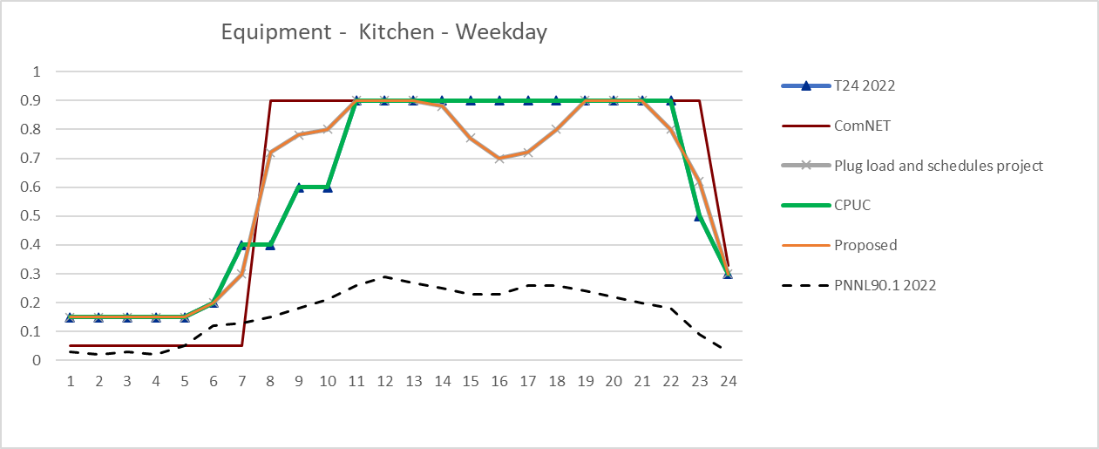
 | Occupancy - Kitchen - Weekday

 |  |  |  |  | ;

