Notes
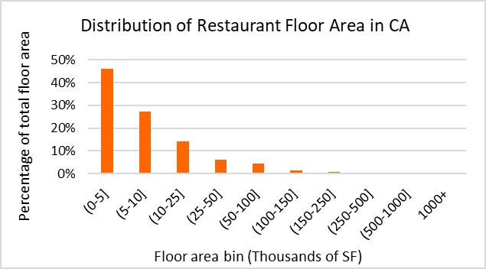
Data Sources
Dataset | Dodge 2023
 | CEUS 2022
 | CBECS 2018
 | ComStock 2023
Prototype | CEC prototype (CBECC 2022.3.1) | https://bees.noresco.com/software2022.html
 | PNNL prototype (90.1-2022) | https://www.energycodes.gov/prototype-building-models#Commercial
 | DEER prototype (June 2023) | https://github.com/sound-data/DEER-Prototypes-EnergyPlus

Codes | Title 24, part 6, referred to as T24 (1986, 1992, 2001, 2007, 2013, 2016, 2019, 2022, 2025)
 | ASHRAE 90.1 (2022)

Others | ACM (2013, 2019, 2022, 2025)
 | Title 24, 2022 - Appendix 5.4A and Appendix 5.4B | https://www.energy.ca.gov/publications/2022/2022-nonresidential-and-multifamily-alternative-calculation-method-reference
 | 2022 Reduced infiltration CASE report | https://title24stakeholders.com/wp-content/uploads/2020/10/2022-T24-Final-CASE-Report_Reduce-Infiltration.pdf
 | 2019 Outdoor Lighting CASE Report | https://title24stakeholders.com/wp-content/uploads/2016/10/T24-2019-CASE-Study-Results-Report-Outdoor-Sources_Final_with-Attachments.pdf
 | PNNL 20405, 2010 | https://www.pnnl.gov/main/publications/external/technical_reports/PNNL-20405.pdf
 | Air leakage Memo, NORESCO, 2025 | https://2050partners.sharepoint.com/:w:/r/sites/CalBEMCollaborativeEfforts/_layouts/15/Doc.aspx?sourcedoc=%7B3BEF8F74-7FAC-44F2-A70C-D76617660066%7D&file=Infiltration_rate_report_14May2025-Short-Version.docx&action=default&mobileredirect=true
 | Design Guide: Advanced Water Heating for Foodservice (2022) (by GTI and Frontier funded by SoCalGas and Pacific Gas and Electric Company | https://caenergywise.com/design-guides/Advanced-Water-Heating-Design-Guide.pdf
 | Design Guide 1: Improving Commercial Kitchen Ventilation System Performance : Selecting & Sizing Exhaust Hoods referred as CKV (2004) (by SCE) | https://www.streivor.com/wp-content/uploads/2020/11/CKV-Design-Guide-1-Selecting-and-Sizing-Exhaust-Hoods.pdf
 | Proposed Updates to Equipment Power Densities and Building Schedules for the 2028 Energy Code, referred to as "Plug load and schedules project with CEC, 2025" (Docket Number =25-BSTD-03 & TN=265693) | https://efiling.energy.ca.gov/GetDocument.aspx?tn=265693&DocumentContentId=102545

Construction Rate

Notes

EIS, 2018: | U.S. Energy Information Administration - EIA - Independent Statistics and Analysis

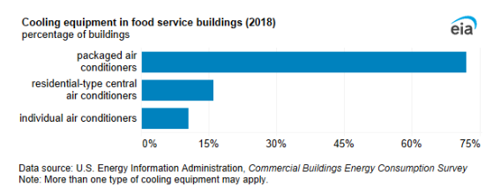
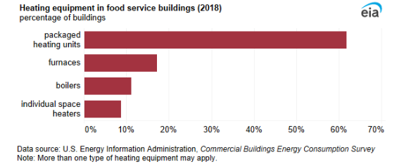

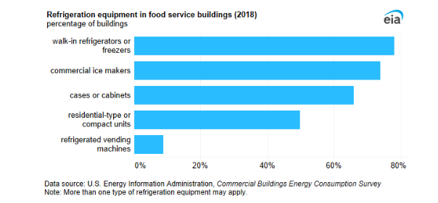

Dodge Construction data , 2023

Prototype
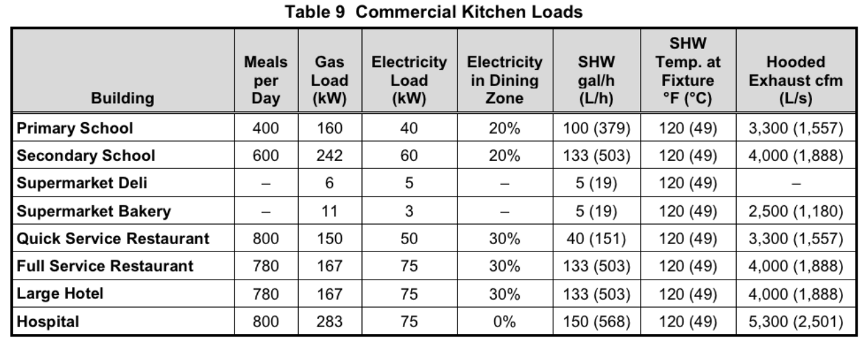
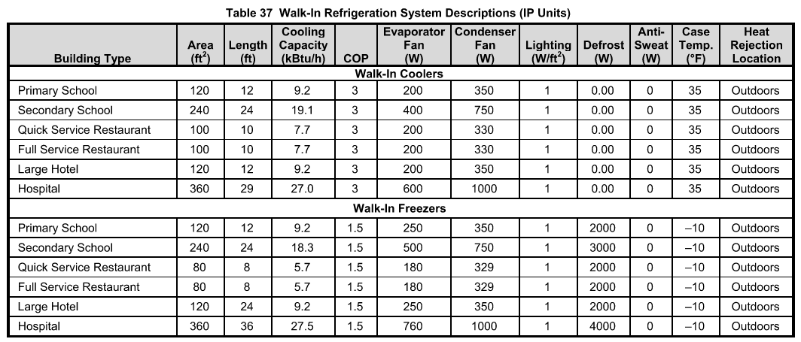
NORESCO, Updated August 2025
RestaurantSitDown
Characteristic | Value | Data Sources
Building Type | Sit Down Restaurant
Building Category | Nonresidential
Vintages | 4 Vintages: Pre-1978 , 1978-1997 ,1998-2007 , 2008-2018 New Construction (2019+) | Based on the vintage bin analysis | NonRes-Vintage bins-Draft Report-30Nov2023-Final.docx
Shape | 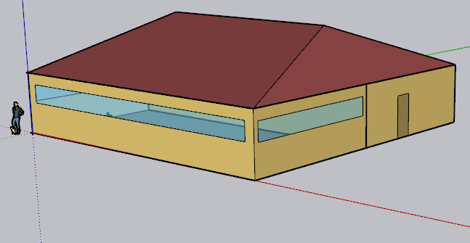 | PNNL prototype, 2022
Total Floor Area (ft²) | 5,502.1 (74.18 ft * 74.18 ft) | PNNL prototype, 2022
Aspect Ratio | 1.0 | PNNL prototype, 2022
Number of Floors | 1 | PNNL prototype, 2022
Roof type | Attic (17°) | PNNL prototype, 2022, suppoerted by CBECS 2018
WWR | Average 17.11% (South: 28% , East: 20.22% ,North: 0% ,West: 20.22% | PNNL prototype, 2022
Shading Geometry | No shades | PNNL prototype, 2021
Floor to floor height (ft) | N/A | PNNL prototype, 2022
Floor to ceiling height (ft) | 10 | PNNL prototype, 2022
Glazing sill height (ft) | 3.5 (top of the window is 6.5 ft high with 3 ft high glass) | PNNL prototype, 2022

Background Data [To be deleted prior to publication]

Kitchen height: 10 ft
https://www.naksinc.com/ceiling-height-and-cooking-equipment-specifications-for-hoods-an-in-depth-look/

Existing public prototypes
 |  | PNNL (Sit down) | CPUC (Sit down) | CEC (Small Restaurant)
Geometry | Whole building | 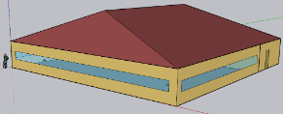 | 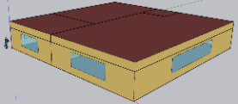 | 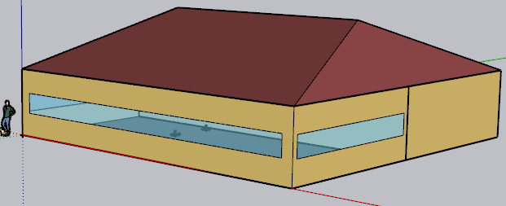
Floor area (ft²) | Total | 5,502 | 5,602 | 2,500
Height (ft) | All | 10 | 10 | 10
Zones |  | Dining 73% (4001.46 ft2), Kitchen 27% (1500.54 ft2), Attic (NOT conditioned) | Dining 54% , Kitchen 29% , Waiting Area 14% , Restroom 4% (200 sf) | Dining 50% , Kitchen 50%, Attic (NOT conditioned)
Internal Load
People (person/ft²) | Dining | 0.07 | 0.033 | 0.033
 | Kitchen | 0.005 (7.5 People) | 0.0025 | 0.0025
 | Other zones (if any) |  | 0.0033 Lobby & 0.005 Restroom | -
Lights (W/ft²) | Dining | 0.48 | 0.4 | 0.45
 | Kitchen | 0.78 | 0.95 | 0.95
 | Other zones (if any) |  | 0.7 Lobby & 0.65 Restroom
Ext lights (W) |  | 1509 (204 and 1305) |  | -
Gas Equipment (Btu/h-ft2) | Kitchen | 194.7 (292,164 Btu/h) | 17.5 | 32.4
Electric Equipment (W/ft²) | Dining | 5.7 (22833 W) | 0.5 | 0.75 (0.5 receptacle & 0.25 refrigerator )
 | Kitchen | 35.91 (53,277 W Receptacle & 313 W ReachIn Refrigerator & 277 W ReachInFreezer) | 2.62 (1.5 receptacle & 1.12 refrigerator) | 2.62 (1.5 receptacle & 1.12 refrigerator)
 | Other zones (if any) |  | 0.5 Lobby

Refrigerator | Kitchen | In addition to the Reachin freezer and refrigerator load defined as electric load, it has : 2 Case refrigerator : 716 and 763 Btu/hr-ft for 8 and 10 ft cases 2.5 COP for design compressor rack 1126 Btu/h for fan power of design compressor | Refrigerator loads is defined as electric equipment load for kitchen | Two Refrigerator loads is defined as electric equipment load for dining and kitchen

Heating Sizing Factor |  | H&C: 1.2 | H: 2.5 , C: 2.3 | H&C:1
HVAC | Dining | PSZ AC: CAV no reheat, DX cooling coil: multi speed, Gas heating coil | Single Zone VAV Reheat (Sys7)+ 1 DX cooling coil:multi speed + 1 water heating coil (+ 1 water heating coil for Reheat) Boiler (2 objects) | (BAseAirSys 13): VAV no Reheat +DX cooling coil:two speed, Gas Heating coil
 | Kitchen | PSZ AC : CAV no reheat, DX cooling coil: multi speed, Gas heating coil | Single Zone VAV no Reheat + 1 DX cooling coil:single speed + Gas heating coil | (sys7or3a): CAV no Reheat+DX cooling coil: single speed+ Gas Heating coil
 | Other zones (if any) |  | Lobby & Restroom: Single Zone VAV no Reheat + 2 DX cooling coil:multi speed + 2 Gas heating coil
Exhaust Fan (cfm) | Dining | 2821 cfm with efficiency of 1
 | Kitchen | 5400 cfm with efficiency of 0.385 |  | 2400 cfm with efficiency of 0.43)
Thermostat setpoint (F) | Dining Heating | 70 (setback: 60) | 70 (setback: 60) | 70 (setback: 60)
 | Dining Cooling | 75 (setback: 86) | 75 (setback: 85) | 75 (setback: 85)
 | Kitchen Heating | 66 (setback: 60) | 70 (setback: 60) | 70 (setback: 60)
 | Kitchen Cooling | 79 (setback: 86) | 75 (setback: 85) | 75 (setback: 85)
Water Heater
Tank Volume (gal |  | 200 (+ 6 gal electric booster water heater) | Autosize (Nominal tank volume for autosizing: 39.6) Output file :69 gal | 30
Peak Flow Rate (gpm) | Dining | - | 1.93 | 0.4
 | Kitchen | 2.2 | 0.077 | 0.03
 | Other zones (if any) |  | 0.08 Lobby
Loop Max and Min Temperature (F) |  | 140, 50 | 212 , 50 | 212, 32
Tank Max Temperature (F) |  | 180 | 212 | 180

Yealy Water Usage (gal) from the output files |  | 581,512 | 343,830 | 71,224
 |  | * almost 2.8 time water usage compared to fast food | * almost 3.5 time water usage compared to fast food

ASHRAE DOE
Kitchen loads are included in the EnergyPlus ElectricEquipment and GasEquipment objects

Zones
N
Proposed Layout - RestaurantSitDown
Space Type | Space/Thermal Zone | HVAC Zone | Schedule Category | Conditioned (Y/N) | Area Fraction | Area (ft²) | Volume (ft³) | Multipliers | Number of People | People (Persons/1,000 ft²) [T24, 2025,Table 120.1-A] |  |  Kitchen (North) , Dining (south)
Dining Area (Bar/Lounge and Fine Dining) | Dining | AHU 1 | Restaurant | Y | 72.7% | 4,001 | 40,015 | 1 | 132 | 33 | ASHRAE
Kitchen/Food Preparation Area | Kitchen | AHU 2 | Kitchen | Y | 27.3% | 1,501 | 15,006 | 1 | 5 | 3
Attic | Attic | n/a |  | N |  | 5,502 | 55,020 | 1 | 0
Total (3 space type) | Total (3 Space) | Total ( 2 HVAC Zones) | Total (2 category) | Total (2 Conditioned zones) | 1 | 5,502 | 55,020

Energy Usage
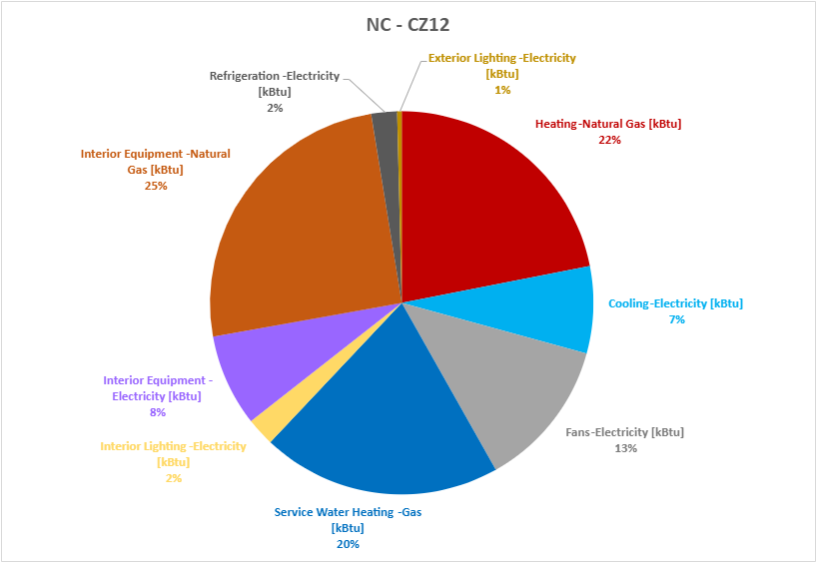
RestaurantSitDown CalBEM Prototype vs. CEUS 2022
CalBEM Energy Consumption - RestaurantSitDown |  |  |  |  |  |  |  | National Average (EnergyStar Portfolio Manager) |  |  |  | CEUS Energy Consumption - Restaurant
Prototype | CZ | CalBEM Electricity EUI (KBTU/ft²) | CalBEM Gas EUI (KBTU/ft²) | CalBEM Total EUI (KBTU/ft²) | New Construction Electricity EUI (KBTU/ft²) | New Construction Gas EUI (KBTU/ft²) | New Construction Total EUI (KBTU/ft²) | National Average | Acceptable Range (25% Higher) | Acceptable Range (25% Lower) | National Average Acceptable EUI Range | Prototype | CZ | Total Floorspace (Thousand of ft²) | CEUS 2022 Electricity EUI (kBtu/ft²) | CEUS 2022 Gas EUI (kBtu/ft²) | CEUS 2022 Total EUI (kBtu/ft²) | Acceptable Range (25% Higher) | Acceptable Range (25% Lower) | CEUS 2022 Acceptable EUI Range
RetailStripMall | 1 | 90.2 | 309.0 | 399.2 | 79.2 | 295.3 | 374.5 | 286.5 | 358.1 | 214.875 | 143.3 | Restaurant | 1 | 2,670 | 140.2 | 188.4 | 328.6 | 410.8 | 246.5 | 164.3
 | 2 | 117.7 | 267.8 | 385.5 | 101.9 | 257.1 | 359.0 | 286.5 | 358.1 | 214.875 | 143.3 |  | 2 | 4,963 | 115.4 | 178.6 | 294.0 | 367.5 | 220.5 | 147.0
 | 3 | 108.8 | 236.0 | 344.8 | 92.8 | 227.8 | 320.6 | 286.5 | 358.1 | 214.875 | 143.3 |  | 3 | 23,016 | 121.7 | 177.7 | 299.3 | 374.2 | 224.5 | 149.7
 | 4 | 131.3 | 251.9 | 383.2 | 113.6 | 242.2 | 355.8 | 286.5 | 358.1 | 214.875 | 143.3 |  | 4 | 11,907 | 121.7 | 177.2 | 298.9 | 373.6 | 224.2 | 149.5
 | 5 | 111.2 | 243.1 | 354.2 | 95.1 | 234.4 | 329.5 | 286.5 | 358.1 | 214.875 | 143.3 |  | 5 | 2,232 | 116.9 | 182.7 | 299.6 | 374.5 | 224.7 | 149.8
 | 6 | 125.5 | 185.0 | 310.6 | 108.3 | 180.8 | 289.1 | 286.5 | 358.1 | 214.875 | 143.3 |  | 6 | 19,265 | 114.3 | 210.9 | 325.2 | 406.5 | 243.9 | 162.6
 | 7 | 126.7 | 180.1 | 306.9 | 110.1 | 176.2 | 286.4 | 286.5 | 358.1 | 214.875 | 143.3 |  | 7 | 11,475 | 139.9 | 228.3 | 368.2 | 460.2 | 276.1 | 184.1
 | 8 | 141.3 | 188.4 | 329.7 | 122.5 | 184.5 | 307.0 | 286.5 | 358.1 | 214.875 | 143.3 |  | 8 | 29,166 | 124.1 | 226.0 | 350.1 | 437.6 | 262.6 | 175.1
 | 9 | 139.9 | 195.4 | 335.3 | 119.5 | 190.2 | 309.6 | 286.5 | 358.1 | 214.875 | 143.3 |  | 9 | 44,907 | 111.9 | 217.9 | 329.8 | 412.3 | 247.4 | 164.9
 | 10 | 143.3 | 197.2 | 340.5 | 125.2 | 192.6 | 317.8 | 286.5 | 358.1 | 214.875 | 143.3 |  | 10 | 24,026 | 129.1 | 231.9 | 361.0 | 451.3 | 270.8 | 180.5
 | 11 | 143.1 | 237.9 | 381.0 | 126.0 | 229.4 | 355.4 | 286.5 | 358.1 | 214.875 | 143.3 |  | 11 | 8,515 | 141.1 | 172.4 | 313.5 | 391.9 | 235.1 | 156.8
 | 12 | 130.4 | 243.1 | 373.5 | 113.9 | 235.0 | 348.9 | 286.5 | 358.1 | 214.875 | 143.3 |  | 12 | 37,639 | 145.5 | 191.7 | 337.3 | 421.6 | 252.9 | 168.6
 | 13 | 145.2 | 225.2 | 370.3 | 128.1 | 219.0 | 347.1 | 286.5 | 358.1 | 214.875 | 143.3 |  | 13 | 12,120 | 147.9 | 194.2 | 342.1 | 427.6 | 256.6 | 171.1
 | 14 | 141.5 | 238.6 | 380.1 | 124.2 | 230.2 | 354.5 | 286.5 | 358.1 | 214.875 | 143.3 |  | 14 | 6,252 | 119.8 | 215.3 | 335.1 | 418.9 | 251.3 | 167.5
 | 15 | 178.9 | 168.4 | 347.4 | 159.6 | 164.5 | 324.0 | 286.5 | 358.1 | 214.875 | 143.3 |  | 15 | 12,623 | 139.2 | 260.8 | 400.0 | 500.0 | 300.0 | 200.0
 | 16 | 102.8 | 300.6 | 403.4 | 89.7 | 287.2 | 376.9 | 286.5 | 358.1 | 214.875 | 143.3 |  | 16 | 23,693 | 127.5 | 198.8 | 326.3 | 407.9 | 244.7 | 163.2
 |  |  |  |  |  |  |  | Same for all ZIP code
RestaurantSitDown CalBEM Prototype vs. National Average
 |  |  |  |  |  |  |  |  |  |  |  | Ref: CEUS 2022 Report
 |  |  |  |  |  |  |  |  |  |  |  | And converted FZ level data to CZ level
 |  |  |  |  |  |  |  |  |  |  |  | Restaurants have only one category in CEUS data.

Schedules
Schedules - RestaurantSitDown
Zone | Schedule Category | Schedule | Source | Type | Hour
 |  |  |  |  | 1 | 2 | 3 | 4 | 5 | 6 | 7 | 8 | 9 | 10 | 11 | 12 | 13 | 14 | 15 | 16 | 17 | 18 | 19 | 20 | 21 | 22 | 23 | 24
Occupancy
Dining | Restaurant | Occupancy | PNNL,ASHRAE 90.1, 2022 RestaurantSitDown prototype (It has higher occupancy rate during morning compared to T24 2022 - Appendix 5.4B) | Weekday | 0.05 | 0.00 | 0.00 | 0.00 | 0.00 | 0.05 | 0.10 | 0.40 | 0.40 | 0.40 | 0.20 | 0.50 | 0.80 | 0.70 | 0.40 | 0.20 | 0.25 | 0.50 | 0.80 | 0.80 | 0.80 | 0.50 | 0.35 | 0.20
 |  |  |  | Saturday | 0.05 | 0.00 | 0.00 | 0.00 | 0.00 | 0.00 | 0.05 | 0.50 | 0.50 | 0.40 | 0.20 | 0.45 | 0.50 | 0.50 | 0.35 | 0.30 | 0.30 | 0.30 | 0.70 | 0.90 | 0.70 | 0.65 | 0.55 | 0.35
 |  |  |  | Sunday | 0.05 | 0.00 | 0.00 | 0.00 | 0.00 | 0.00 | 0.05 | 0.50 | 0.50 | 0.20 | 0.20 | 0.30 | 0.50 | 0.50 | 0.30 | 0.20 | 0.25 | 0.35 | 0.55 | 0.65 | 0.70 | 0.35 | 0.20 | 0.20
Lights
Dining | Restaurant | Lights | T24 2022 - Appendix 5.4B, [Restaurant] Updated based on the equipment schedule from the plug load and schedule project with CEC | Weekday | 0.15 | 0.15 | 0.15 | 0.15 | 0.15 | 0.20 | 0.30 | 0.67 | 0.73 | 0.75 | 0.85 | 0.85 | 0.85 | 0.83 | 0.72 | 0.65 | 0.67 | 0.75 | 0.85 | 0.85 | 0.85 | 0.75 | 0.57 | 0.30
 |  |  |  | Saturday | 0.15 | 0.15 | 0.15 | 0.15 | 0.15 | 0.20 | 0.30 | 0.67 | 0.73 | 0.75 | 0.85 | 0.85 | 0.85 | 0.83 | 0.72 | 0.65 | 0.67 | 0.75 | 0.85 | 0.85 | 0.85 | 0.75 | 0.57 | 0.30
 |  |  |  | Sunday | 0.20 | 0.15 | 0.15 | 0.15 | 0.15 | 0.15 | 0.30 | 0.67 | 0.73 | 0.75 | 0.85 | 0.85 | 0.85 | 0.83 | 0.72 | 0.65 | 0.67 | 0.75 | 0.85 | 0.85 | 0.85 | 0.75 | 0.57 | 0.30
ElecEquipment
Dining | Restaurant | ElecEquipment | Plug load and schedules project with CEC, 2025 | Weekday | 0.15 | 0.15 | 0.15 | 0.15 | 0.15 | 0.20 | 0.30 | 0.72 | 0.78 | 0.80 | 0.90 | 0.90 | 0.90 | 0.88 | 0.77 | 0.70 | 0.72 | 0.80 | 0.90 | 0.90 | 0.90 | 0.80 | 0.62 | 0.30
 |  |  |  | Saturday | 0.15 | 0.15 | 0.15 | 0.15 | 0.15 | 0.20 | 0.30 | 0.72 | 0.78 | 0.80 | 0.90 | 0.90 | 0.90 | 0.88 | 0.77 | 0.70 | 0.72 | 0.80 | 0.90 | 0.90 | 0.90 | 0.80 | 0.62 | 0.30
 |  |  |  | Sunday | 0.20 | 0.15 | 0.15 | 0.15 | 0.15 | 0.15 | 0.30 | 0.72 | 0.78 | 0.80 | 0.90 | 0.90 | 0.90 | 0.88 | 0.77 | 0.70 | 0.72 | 0.80 | 0.90 | 0.90 | 0.90 | 0.80 | 0.62 | 0.30
HVACAvail
Dining | Restaurant | HVACAvail | T24 2022 - Appendix 5.4B , [Restaurant] Updated based on the adopted PNNL occupancy | Weekday | 1.00 | 0.00 | 0.00 | 0.00 | 1.00 | 1.00 | 1.00 | 1.00 | 1.00 | 1.00 | 1.00 | 1.00 | 1.00 | 1.00 | 1.00 | 1.00 | 1.00 | 1.00 | 1.00 | 1.00 | 1.00 | 1.00 | 1.00 | 1.00
 |  |  |  | Saturday | 1.00 | 0.00 | 0.00 | 0.00 | 0.00 | 1.00 | 1.00 | 1.00 | 1.00 | 1.00 | 1.00 | 1.00 | 1.00 | 1.00 | 1.00 | 1.00 | 1.00 | 1.00 | 1.00 | 1.00 | 1.00 | 1.00 | 1.00 | 1.00
 |  |  |  | Sunday | 1.00 | 0.00 | 0.00 | 0.00 | 0.00 | 1.00 | 1.00 | 1.00 | 1.00 | 1.00 | 1.00 | 1.00 | 1.00 | 1.00 | 1.00 | 1.00 | 1.00 | 1.00 | 1.00 | 1.00 | 1.00 | 1.00 | 1.00 | 1.00
ServiceHotWater
Dining | Restaurant | ServiceHotWater | T24 2022 - Appendix 5.4B, [Restaurant] Updated based on the adopted PNNL occupancy | Weekday | 0.20 | 0.00 | 0.00 | 0.00 | 0.00 | 0.30 | 0.30 | 0.60 | 0.55 | 0.45 | 0.40 | 0.45 | 0.40 | 0.35 | 0.30 | 0.30 | 0.30 | 0.40 | 0.55 | 0.60 | 0.50 | 0.55 | 0.45 | 0.25
 |  |  |  | Saturday | 0.20 | 0.00 | 0.00 | 0.00 | 0.00 | 0.00 | 0.30 | 0.30 | 0.30 | 0.50 | 0.45 | 0.50 | 0.50 | 0.45 | 0.40 | 0.40 | 0.35 | 0.40 | 0.55 | 0.55 | 0.50 | 0.55 | 0.40 | 0.30
Assembly Elevator
 | 1 | 1 | 1
 |  |  |  | Sunday | 0.25 | 0.00 | 0.00 | 0.00 | 0.00 | 0.00 | 0.30 | 0.30 | 0.30 | 0.50 | 0.50 | 0.50 | 0.40 | 0.40 | 0.30 | 0.30 | 0.30 | 0.40 | 0.50 | 0.50 | 0.40 | 0.50 | 0.40 | 0.20
Infiltration
Dining | Restaurant | Infiltration | T24 2022 - Appendix 5.4B, [Restaurant] Updated based on the adopted PNNL occupancy | Weekday | 0.25 | 0.00 | 0.00 | 1.00 | 0.25 | 0.25 | 0.25 | 0.25 | 0.25 | 0.25 | 0.25 | 0.25 | 0.25 | 0.25 | 0.25 | 0.25 | 0.25 | 0.25 | 0.25 | 0.25 | 0.25 | 0.25 | 0.25 | 0.25
 |  |  |  | Saturday | 0.25 | 0.00 | 0.00 | 1.00 | 1.00 | 0.25 | 0.25 | 0.25 | 0.25 | 0.25 | 0.25 | 0.25 | 0.25 | 0.25 | 0.25 | 0.25 | 0.25 | 0.25 | 0.25 | 0.25 | 0.25 | 0.25 | 0.25 | 0.25
 |  |  |  | Sunday | 0.25 | 0.00 | 0.00 | 1.00 | 1.00 | 0.25 | 0.25 | 0.25 | 0.25 | 0.25 | 0.25 | 0.25 | 0.25 | 0.25 | 0.25 | 0.25 | 0.25 | 0.25 | 0.25 | 0.25 | 0.25 | 0.25 | 0.25 | 0.25
Kitchen | Restaurant | Refrigeration | T24 2022 - Appendix 5.4B, [Restaurant] | Weekday | 0.90 | 0.90 | 0.90 | 0.90 | 0.90 | 0.90 | 0.90 | 0.90 | 0.90 | 0.90 | 0.90 | 0.90 | 0.90 | 0.90 | 0.90 | 0.90 | 0.90 | 0.90 | 0.90 | 0.90 | 0.90 | 0.90 | 0.90 | 0.90
 |  |  |  | Saturday | 0.90 | 0.90 | 0.90 | 0.90 | 0.90 | 0.90 | 0.90 | 0.90 | 0.90 | 0.90 | 0.90 | 0.90 | 0.90 | 0.90 | 0.90 | 0.90 | 0.90 | 0.90 | 0.90 | 0.90 | 0.90 | 0.90 | 0.90 | 0.90
 |  |  |  | Sunday | 0.90 | 0.90 | 0.90 | 0.90 | 0.90 | 0.90 | 0.90 | 0.90 | 0.90 | 0.90 | 0.90 | 0.90 | 0.90 | 0.90 | 0.90 | 0.90 | 0.90 | 0.90 | 0.90 | 0.90 | 0.90 | 0.90 | 0.90 | 0.90
Dining | Restaurant | HtgSetpt | T24 2022 - Appendix 5.4B, [Restaurant] | Weekday | 70 | 60 | 60 | 60 | 70 | 70 | 70 | 70 | 70 | 70 | 70 | 70 | 70 | 70 | 70 | 70 | 70 | 70 | 70 | 70 | 70 | 70 | 70 | 70
 |  |  |  | Saturday | 70 | 60 | 60 | 60 | 60 | 70 | 70 | 70 | 70 | 70 | 70 | 70 | 70 | 70 | 70 | 70 | 70 | 70 | 70 | 70 | 70 | 70 | 70 | 70
 |  |  |  | Sunday | 70 | 60 | 60 | 60 | 60 | 70 | 70 | 70 | 70 | 70 | 70 | 70 | 70 | 70 | 70 | 70 | 70 | 70 | 70 | 70 | 70 | 70 | 70 | 70
Dining | Restaurant | ClgSetpt | T24 2022 - Appendix 5.4B, [Restaurant] | Weekday | 75 | 85 | 85 | 85 | 75 | 75 | 75 | 75 | 75 | 75 | 75 | 75 | 75 | 75 | 75 | 75 | 75 | 75 | 75 | 75 | 75 | 75 | 75 | 75
 |  |  |  | Saturday | 75 | 85 | 85 | 85 | 85 | 75 | 75 | 75 | 75 | 75 | 75 | 75 | 75 | 75 | 75 | 75 | 75 | 75 | 75 | 75 | 75 | 75 | 75 | 75
 |  |  |  | Sunday | 75 | 85 | 85 | 85 | 85 | 75 | 75 | 75 | 75 | 75 | 75 | 75 | 75 | 75 | 75 | 75 | 75 | 75 | 75 | 75 | 75 | 75 | 75 | 75
occupancy
Kitchen
Kitchen | Kitchen | occupancy | PNNL,ASHRAE 90.1, 2022 RestaurantSitDown prototype (It has higher occupancy rate during morning compared to T24 2022 - Appendix 5.4B) | Weekday | 0.05 | 0.00 | 0.00 | 0.00 | 0.00 | 0.05 | 0.10 | 0.40 | 0.40 | 0.40 | 0.20 | 0.50 | 0.80 | 0.70 | 0.40 | 0.20 | 0.25 | 0.50 | 0.80 | 0.80 | 0.80 | 0.50 | 0.35 | 0.20
 |  |  |  | Saturday | 0.05 | 0.00 | 0.00 | 0.00 | 0.00 | 0.00 | 0.05 | 0.50 | 0.50 | 0.40 | 0.20 | 0.45 | 0.50 | 0.50 | 0.35 | 0.30 | 0.30 | 0.30 | 0.70 | 0.90 | 0.70 | 0.65 | 0.55 | 0.35
 |  |  |  | Sunday | 0.05 | 0.00 | 0.00 | 0.00 | 0.00 | 0.00 | 0.05 | 0.50 | 0.50 | 0.20 | 0.20 | 0.30 | 0.50 | 0.50 | 0.30 | 0.20 | 0.25 | 0.35 | 0.55 | 0.65 | 0.70 | 0.35 | 0.20 | 0.20
Lights
Kitchen | Kitchen | Lights | T24 2022 - Appendix 5.4B, [Restaurant] Updated based on the equipment schedule from the plug load and schedule project with CEC | Weekday | 0.15 | 0.15 | 0.15 | 0.15 | 0.15 | 0.20 | 0.30 | 0.67 | 0.73 | 0.75 | 0.85 | 0.85 | 0.85 | 0.83 | 0.72 | 0.65 | 0.67 | 0.75 | 0.85 | 0.85 | 0.85 | 0.75 | 0.57 | 0.30
 |  |  |  | Saturday | 0.15 | 0.15 | 0.15 | 0.15 | 0.15 | 0.20 | 0.30 | 0.67 | 0.73 | 0.75 | 0.85 | 0.85 | 0.85 | 0.83 | 0.72 | 0.65 | 0.67 | 0.75 | 0.85 | 0.85 | 0.85 | 0.75 | 0.57 | 0.30
 |  |  |  | Sunday | 0.20 | 0.15 | 0.15 | 0.15 | 0.15 | 0.15 | 0.30 | 0.67 | 0.73 | 0.75 | 0.85 | 0.85 | 0.85 | 0.83 | 0.72 | 0.65 | 0.67 | 0.75 | 0.85 | 0.85 | 0.85 | 0.75 | 0.57 | 0.30
ElecEquipment
Kitchen | Kitchen | ElecEquipment | Plug load and schedules project with CEC, 2025 | Weekday | 0.15 | 0.15 | 0.15 | 0.15 | 0.15 | 0.20 | 0.30 | 0.72 | 0.78 | 0.80 | 0.90 | 0.90 | 0.90 | 0.88 | 0.77 | 0.70 | 0.72 | 0.80 | 0.90 | 0.90 | 0.90 | 0.80 | 0.62 | 0.30 |  |  | 5292.560
 |  |  |  | Saturday | 0.15 | 0.15 | 0.15 | 0.15 | 0.15 | 0.20 | 0.30 | 0.72 | 0.78 | 0.80 | 0.90 | 0.90 | 0.90 | 0.88 | 0.77 | 0.70 | 0.72 | 0.80 | 0.90 | 0.90 | 0.90 | 0.80 | 0.62 | 0.30
 |  |  |  | Sunday | 0.20 | 0.15 | 0.15 | 0.15 | 0.15 | 0.15 | 0.30 | 0.72 | 0.78 | 0.80 | 0.90 | 0.90 | 0.90 | 0.88 | 0.77 | 0.70 | 0.72 | 0.80 | 0.90 | 0.90 | 0.90 | 0.80 | 0.62 | 0.30
HVACAvail
Kitchen | Kitchen | HVACAvail | T24 2022 - Appendix 5.4B , [Restaurant] Updated based on the adopted PNNL occupancy | Weekday | 1.00 | 0.00 | 0.00 | 0.00 | 1.00 | 1.00 | 1.00 | 1.00 | 1.00 | 1.00 | 1.00 | 1.00 | 1.00 | 1.00 | 1.00 | 1.00 | 1.00 | 1.00 | 1.00 | 1.00 | 1.00 | 1.00 | 1.00 | 1.00
 |  |  |  | Saturday | 1.00 | 0.00 | 0.00 | 0.00 | 0.00 | 1.00 | 1.00 | 1.00 | 1.00 | 1.00 | 1.00 | 1.00 | 1.00 | 1.00 | 1.00 | 1.00 | 1.00 | 1.00 | 1.00 | 1.00 | 1.00 | 1.00 | 1.00 | 1.00
 |  |  |  | Sunday | 1.00 | 0.00 | 0.00 | 0.00 | 0.00 | 1.00 | 1.00 | 1.00 | 1.00 | 1.00 | 1.00 | 1.00 | 1.00 | 1.00 | 1.00 | 1.00 | 1.00 | 1.00 | 1.00 | 1.00 | 1.00 | 1.00 | 1.00 | 1.00
ServiceHotWater
Kitchen | Kitchen | ServiceHotWater | T24 2022 - Appendix 5.4B, [Restaurant] Updated based on the adopted PNNL occupancy | Weekday | 0.20 | 0.00 | 0.00 | 0.00 | 0.00 | 0.20 | 0.20 | 0.30 | 0.30 | 0.30 | 0.40 | 0.45 | 0.40 | 0.35 | 0.30 | 0.30 | 0.30 | 0.40 | 0.55 | 0.60 | 0.50 | 0.55 | 0.45 | 0.20
 |  |  |  | Saturday | 0.20 | 0.00 | 0.00 | 0.00 | 0.00 | 0.00 | 0.20 | 0.20 | 0.30 | 0.30 | 0.45 | 0.50 | 0.50 | 0.45 | 0.40 | 0.40 | 0.35 | 0.40 | 0.55 | 0.55 | 0.50 | 0.55 | 0.40 | 0.20
 |  |  |  | Sunday | 0.25 | 0.00 | 0.00 | 0.00 | 0.00 | 0.00 | 0.20 | 0.20 | 0.30 | 0.30 | 0.30 | 0.50 | 0.40 | 0.40 | 0.30 | 0.30 | 0.30 | 0.40 | 0.50 | 0.50 | 0.40 | 0.50 | 0.40 | 0.20
Infiltration
Kitchen | Kitchen | Infiltration | T24 2022 - Appendix 5.4B, [Restaurant] Updated based on the adopted PNNL occupancy | Weekday | 0.25 | 0.00 | 0.00 | 1.00 | 0.25 | 0.25 | 0.25 | 0.25 | 0.25 | 0.25 | 0.25 | 0.25 | 0.25 | 0.25 | 0.25 | 0.25 | 0.25 | 0.25 | 0.25 | 0.25 | 0.25 | 0.25 | 0.25 | 0.25
 |  |  |  | Saturday | 0.25 | 0.00 | 0.00 | 1.00 | 1.00 | 0.25 | 0.25 | 0.25 | 0.25 | 0.25 | 0.25 | 0.25 | 0.25 | 0.25 | 0.25 | 0.25 | 0.25 | 0.25 | 0.25 | 0.25 | 0.25 | 0.25 | 0.25 | 0.25
 |  |  |  | Sunday | 0.25 | 0.00 | 0.00 | 1.00 | 1.00 | 0.25 | 0.25 | 0.25 | 0.25 | 0.25 | 0.25 | 0.25 | 0.25 | 0.25 | 0.25 | 0.25 | 0.25 | 0.25 | 0.25 | 0.25 | 0.25 | 0.25 | 0.25 | 0.25
ExhaustHoodEqualOrLessThan5000cfm
Kitchen | Kitchen | ExhaustHoodEqualOrLessThan5000cfm | T24 2022 - Appendix 5.4B, [Restaurant] Updated based on the adopted PNNL occupancy | Weekday | 0.00 | 0.00 | 0.00 | 0.00 | 0.00 | 1.00 | 1.00 | 1.00 | 1.00 | 1.00 | 1.00 | 1.00 | 1.00 | 1.00 | 1.00 | 1.00 | 1.00 | 1.00 | 1.00 | 0.00 | 0.00 | 0.00 | 0.00 | 0.00
 |  |  |  | Saturday | 0.00 | 0.00 | 0.00 | 0.00 | 0.00 | 0.00 | 1.00 | 1.00 | 1.00 | 1.00 | 1.00 | 1.00 | 1.00 | 1.00 | 1.00 | 1.00 | 1.00 | 1.00 | 1.00 | 0.00 | 0.00 | 0.00 | 0.00 | 0.00
 |  |  |  | Sunday | 0.00 | 0.00 | 0.00 | 0.00 | 0.00 | 0.00 | 1.00 | 1.00 | 1.00 | 1.00 | 1.00 | 1.00 | 1.00 | 1.00 | 1.00 | 1.00 | 1.00 | 1.00 | 1.00 | 0.00 | 0.00 | 0.00 | 0.00 | 0.00
ExhaustHoodGreaterThan 5000cfm
Kitchen | Kitchen | ExhaustHoodGreaterThan 5000cfm | T24 2022 - Appendix 5.4B, [Restaurant] Updated based on the adopted PNNL occupancy | Weekday | 0.00 | 0.00 | 0.00 | 0.00 | 0.00 | 1.00 | 0.50 | 1.00 | 0.50 | 1.00 | 0.50 | 1.00 | 0.50 | 1.00 | 0.50 | 1.00 | 0.50 | 1.00 | 0.50 | 0.00 | 0.00 | 0.00 | 0.00 | 0.00
 |  |  |  | Saturday | 0.00 | 0.00 | 0.00 | 0.00 | 0.00 | 0.00 | 0.50 | 1.00 | 0.50 | 1.00 | 0.50 | 1.00 | 0.50 | 1.00 | 0.50 | 1.00 | 0.50 | 1.00 | 0.50 | 0.00 | 0.00 | 0.00 | 0.00 | 0.00
 |  |  |  | Sunday | 0.00 | 0.00 | 0.00 | 0.00 | 0.00 | 0.00 | 0.50 | 1.00 | 0.50 | 1.00 | 0.50 | 1.00 | 0.50 | 1.00 | 0.50 | 1.00 | 0.50 | 1.00 | 0.50 | 0.00 | 0.00 | 0.00 | 0.00 | 0.00
Kitchen | Kitchen | Refrigeration | T24 2022 - Appendix 5.4B, [Restaurant] | Weekday | 0.90 | 0.90 | 0.90 | 0.90 | 0.90 | 0.90 | 0.90 | 0.90 | 0.90 | 0.90 | 0.90 | 0.90 | 0.90 | 0.90 | 0.90 | 0.90 | 0.90 | 0.90 | 0.90 | 0.90 | 0.90 | 0.90 | 0.90 | 0.90
 |  |  |  | Saturday | 0.90 | 0.90 | 0.90 | 0.90 | 0.90 | 0.90 | 0.90 | 0.90 | 0.90 | 0.90 | 0.90 | 0.90 | 0.90 | 0.90 | 0.90 | 0.90 | 0.90 | 0.90 | 0.90 | 0.90 | 0.90 | 0.90 | 0.90 | 0.90
 |  |  |  | Sunday | 0.90 | 0.90 | 0.90 | 0.90 | 0.90 | 0.90 | 0.90 | 0.90 | 0.90 | 0.90 | 0.90 | 0.90 | 0.90 | 0.90 | 0.90 | 0.90 | 0.90 | 0.90 | 0.90 | 0.90 | 0.90 | 0.90 | 0.90 | 0.90
Kitchen | Kitchen | GasEquipment | T24 2022 - Appendix 5.4B, [Restaurant] Updated based on the equipment schedule from the plug load and schedule project with CEC | Weekday | 0.00 | 0.00 | 0.00 | 0.00 | 0.00 | 0.00 | 0.30 | 0.50 | 0.50 | 0.50 | 0.80 | 0.80 | 0.90 | 0.90 | 0.50 | 0.50 | 0.50 | 0.90 | 0.90 | 0.90 | 0.80 | 0.40 | 0.20 | 0.20 | 77 | 4004
 |  |  |  | Saturday | 0.00 | 0.00 | 0.00 | 0.00 | 0.00 | 0.00 | 0.30 | 0.50 | 0.50 | 0.50 | 0.80 | 0.80 | 0.90 | 0.90 | 0.50 | 0.50 | 0.50 | 0.90 | 0.90 | 0.90 | 0.80 | 0.40 | 0.20 | 0.20 |  | 5292.560
 |  |  |  | Sunday | 0.00 | 0.00 | 0.00 | 0.00 | 0.00 | 0.00 | 0.30 | 0.50 | 0.50 | 0.50 | 0.80 | 0.80 | 0.90 | 0.90 | 0.50 | 0.50 | 0.50 | 0.90 | 0.90 | 0.90 | 0.80 | 0.40 | 0.20 | 0.20
Kitchen | Kitchen | HtgSetpt | Thermostat Setpoints of PNNL 09.1, 2022 Restaurant prototype and HVAC availability schedule of CEC Restaurant prototype | Weekday | 66 | 60 | 60 | 60 | 66 | 66 | 66 | 66 | 66 | 66 | 66 | 66 | 66 | 66 | 66 | 66 | 66 | 66 | 66 | 66 | 66 | 66 | 66 | 66
 |  |  |  | Saturday | 66 | 60 | 60 | 60 | 60 | 66 | 66 | 66 | 66 | 66 | 66 | 66 | 66 | 66 | 66 | 66 | 66 | 66 | 66 | 66 | 66 | 66 | 66 | 66
 |  |  |  | Sunday | 66 | 60 | 60 | 60 | 60 | 66 | 66 | 66 | 66 | 66 | 66 | 66 | 66 | 66 | 66 | 66 | 66 | 66 | 66 | 66 | 66 | 66 | 66 | 66
Kitchen | Kitchen | ClgSetpt | Thermostat Setpoints of PNNL 09.1, 2022 Restaurant prototype and HVAC availability schedule of CEC Restaurant prototype | Weekday | 79 | 86 | 86 | 86 | 79 | 79 | 79 | 79 | 79 | 79 | 79 | 79 | 79 | 79 | 79 | 79 | 79 | 79 | 79 | 79 | 79 | 79 | 79 | 79
 |  |  |  | Saturday | 79 | 86 | 86 | 86 | 86 | 79 | 79 | 79 | 79 | 79 | 79 | 79 | 79 | 79 | 79 | 79 | 79 | 79 | 79 | 79 | 79 | 79 | 79 | 79
 |  |  |  | Sunday | 79 | 86 | 86 | 86 | 86 | 79 | 79 | 79 | 79 | 79 | 79 | 79 | 79 | 79 | 79 | 79 | 79 | 79 | 79 | 79 | 79 | 79 | 79 | 79
Other
 | Building | ExtLightingNonMotionCtrl |  | Weekday | 1 | 1 | 1 | 1 | 1 | 1 | 1 | 1 | 1 | 1 | 1 | 1 | 1 | 1 | 1 | 1 | 1 | 1 | 1 | 1 | 1 | 1 | 1 | 1
 |  |  |  | Saturday | 1 | 1 | 1 | 1 | 1 | 1 | 1 | 1 | 1 | 1 | 1 | 1 | 1 | 1 | 1 | 1 | 1 | 1 | 1 | 1 | 1 | 1 | 1 | 1
 |  |  |  | Sunday | 1 | 1 | 1 | 1 | 1 | 1 | 1 | 1 | 1 | 1 | 1 | 1 | 1 | 1 | 1 | 1 | 1 | 1 | 1 | 1 | 1 | 1 | 1 | 1
 | Building | ExtLightingMotionCtrl |  | Weekday | 0 | 0 | 0 | 0 | 0 | 1 | 1 | 1 | 1 | 1 | 1 | 1 | 1 | 1 | 1 | 1 | 1 | 1 | 1 | 1 | 1 | 1 | 0 | 0
 |  |  |  | Saturday | 0 | 0 | 0 | 0 | 0 | 1 | 1 | 1 | 1 | 1 | 1 | 1 | 1 | 1 | 1 | 1 | 1 | 1 | 1 | 1 | 1 | 1 | 1 | 1
 |  |  |  | Sunday | 0 | 0 | 0 | 0 | 0 | 1 | 1 | 1 | 1 | 1 | 1 | 1 | 1 | 1 | 1 | 1 | 1 | 1 | 1 | 1 | 1 | 1 | 1 | 1
Dining | Building | DiningAreaPeopleActivityLevel | Based on Activity level schedules in CEC Prototypes and assumed spaces for Basement | Weekday | 161.2 | 161.2 | 161.2 | 161.2 | 161.2 | 161.2 | 161.2 | 161.2 | 161.2 | 161.2 | 161.2 | 161.2 | 161.2 | 161.2 | 161.2 | 161.2 | 161.2 | 161.2 | 161.2 | 161.2 | 161.2 | 161.2 | 161.2 | 161.2
 |  |  |  | Saturday | 161.2 | 161.2 | 161.2 | 161.2 | 161.2 | 161.2 | 161.2 | 161.2 | 161.2 | 161.2 | 161.2 | 161.2 | 161.2 | 161.2 | 161.2 | 161.2 | 161.2 | 161.2 | 161.2 | 161.2 | 161.2 | 161.2 | 161.2 | 161.2
 |  |  |  | Sunday | 161.2 | 161.2 | 161.2 | 161.2 | 161.2 | 161.2 | 161.2 | 161.2 | 161.2 | 161.2 | 161.2 | 161.2 | 161.2 | 161.2 | 161.2 | 161.2 | 161.2 | 161.2 | 161.2 | 161.2 | 161.2 | 161.2 | 161.2 | 161.2
Kitchen | Building | KitchenPeopleActivityLevel | Based on Activity level schedules in CEC Prototypes and assumed spaces for Basement | Weekday | 219.8 | 219.8 | 219.8 | 219.8 | 219.8 | 219.8 | 219.8 | 219.8 | 219.8 | 219.8 | 219.8 | 219.8 | 219.8 | 219.8 | 219.8 | 219.8 | 219.8 | 219.8 | 219.8 | 219.8 | 219.8 | 219.8 | 219.8 | 219.8
 |  |  |  | Saturday | 219.8 | 219.8 | 219.8 | 219.8 | 219.8 | 219.8 | 219.8 | 219.8 | 219.8 | 219.8 | 219.8 | 219.8 | 219.8 | 219.8 | 219.8 | 219.8 | 219.8 | 219.8 | 219.8 | 219.8 | 219.8 | 219.8 | 219.8 | 219.8
 |  |  |  | Sunday | 219.8 | 219.8 | 219.8 | 219.8 | 219.8 | 219.8 | 219.8 | 219.8 | 219.8 | 219.8 | 219.8 | 219.8 | 219.8 | 219.8 | 219.8 | 219.8 | 219.8 | 219.8 | 219.8 | 219.8 | 219.8 | 219.8 | 219.8 | 219.8

 |  |  |  |  | ;

