Notes
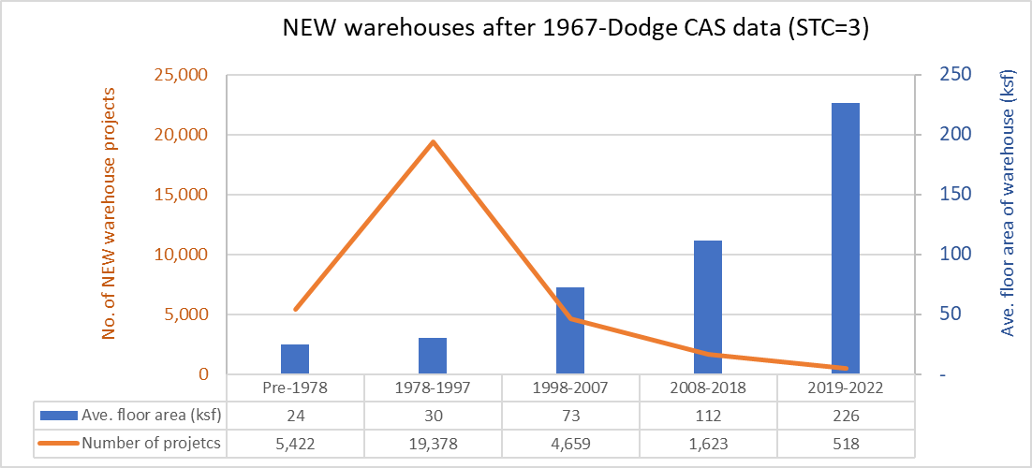
Data Sources
Dataset | Dodge 2023
 | CEUS 2022
 | CBECS 2018
 | ComStock 2023
Prototype | CEC prototype (CBECC 2022.3.1) | https://bees.noresco.com/software2022.html
 | PNNL prototype (90.1-2022) | https://www.energycodes.gov/prototype-building-models#Commercial
 | DEER prototype (June 2023) | https://github.com/sound-data/DEER-Prototypes-EnergyPlus

Codes | Title 24, part 6, referred to as T24 (1986, 1992, 2001, 2007, 2013, 2016, 2019, 2022, 2025)
 | ASHRAE 90.1 (2022)
 | CFR Title 10 (2009) | https://www.govinfo.gov/content/pkg/FR-2009-03-23/pdf/FR-2009-03-23.pdf
 | CFR Title 10 ( 2013) | https://www.govinfo.gov/content/pkg/CFR-2013-title10-vol3/pdf/CFR-2013-title10-vol3-part431.pdf
 | CFR Title 10 ( 2024) | https://www.govinfo.gov/content/pkg/CFR-2024-title10-vol3/pdf/CFR-2024-title10-vol3-part431-subpartF.pdf

Others | ACM (2013, 2019, 2022, 2025)
 | Title 24, 2022 - Appendix 5.4A and Appendix 5.4B | https://www.energy.ca.gov/publications/2022/2022-nonresidential-and-multifamily-alternative-calculation-method-reference
 | 2022 Reduced infiltration CASE report | https://title24stakeholders.com/wp-content/uploads/2020/10/2022-T24-Final-CASE-Report_Reduce-Infiltration.pdf
 | 2019 Outdoor Lighting CASE Report | https://title24stakeholders.com/wp-content/uploads/2016/10/T24-2019-CASE-Study-Results-Report-Outdoor-Sources_Final_with-Attachments.pdf
 | PNNL 20405, 2010 | https://www.pnnl.gov/main/publications/external/technical_reports/PNNL-20405.pdf
 | Air leakage Memo, NORESCO, 2025 | https://2050partners.sharepoint.com/:w:/r/sites/CalBEMCollaborativeEfforts/_layouts/15/Doc.aspx?sourcedoc=%7B3BEF8F74-7FAC-44F2-A70C-D76617660066%7D&file=Infiltration_rate_report_14May2025-Short-Version.docx&action=default&mobileredirect=true
 | Proposed Updates to Equipment Power Densities and Building Schedules for the 2028 Energy Code, referred to as "Plug load and schedules project with CEC, 2025" (Docket Number =25-BSTD-03 & TN=265693) | https://efiling.energy.ca.gov/GetDocument.aspx?tn=265693&DocumentContentId=102545
 | PNNL 17056, 2007: Technical Support Document: The Development of the Advanced Energy Design Guide for Small Warehouse and Self-Storage Buildings | https://www.pnnl.gov/main/publications/external/technical_reports/PNNL-17056.pdf

Construction Rate

Notes
Warehouse | A mixed use warehouse with conditioned fine storage for temperature sensitive goods and a bulk storage for general inventory that only needs freeze protection.

 | Construction rate based on Dodge 2023

Prototype
NORESCO, Updated August 2025
Warehouse
Characteristic | Value | Data Sources
Building Type | Warehouse
Building Category | Nonresidential
Vintages | 4 Vintages: Pre-1978 , 1978-1997 ,1998-2007 , 2008-2018 New Construction (2019+) | Based on the vintage bin analysis | NonRes-Vintage bins-Draft Report-30Nov2023-Final.docx
Shape | 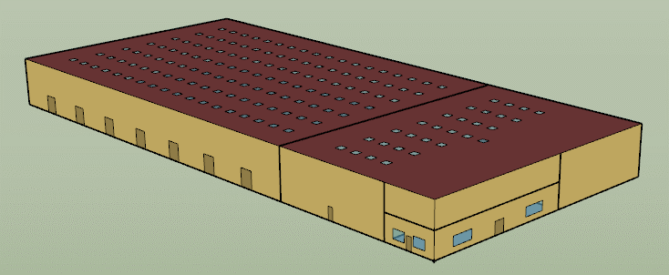 | Same as CBECC 2022
Total Floor Area (ft²) | 52,045 (330 ft * 150 ft plus 2,550 ft² floor , see Zones tab) The space above the office zone (lower-right zone, 2,550 ft²) is designated as storage and is part of the Fine Storage zone. | Same as CBECC 2022 (supported by Dodge 2023)
Aspect Ratio | 2.2 | Same as CBECC 2022
Number of Floors | 1
Roof type | Flat
WWR | 0.71% | Same as CBECC 2022
Shading Geometry | No shades
Floor to floor height (ft) | 28 | Same as CBECC 2022
Floor to ceiling height (ft) | 14 (office) | Same as CBECC 2022
Glazing sill height (ft) | 3 (Top of the window is 8 ft with 5 ft high glass) | Same as CBECC 2022

Background Data [To be deleted prior to publication]

Existing public prototypes
 | PNNL | CEC | CPUC Storage conditioned | CPUC Refrigerated Warehouse (not under warehouse)
Geometry | 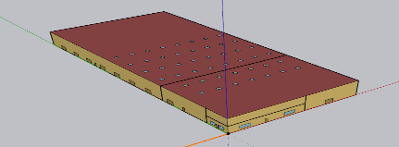 | 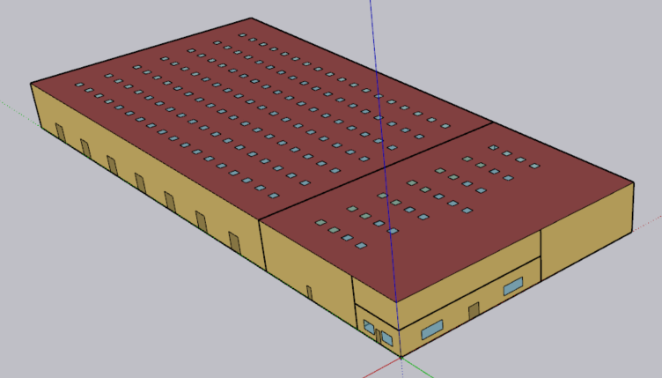 | 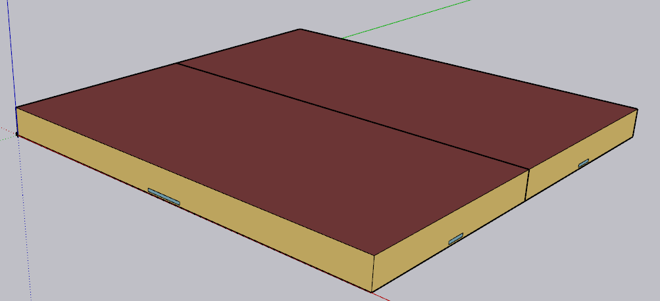
Roof area (ft²) | 49,495 | 49,495 | 499,990 | 499,990
Height (ft) | 28 | 28 | 48 | 48

People | 200 ft²/person Office | 0.005 person/ft² Office | 0.001 person/ft² North storage
 | 30 people Fine storage | 0.001 person/ft² Fine storage | 0.001 person/ft² Soth storage
 | 69 people Bulk storage | 0.001 person/ft² Bulk storage
Lights (W/ft²) | 0.57 Office | 0.6 Office | 0.4 North storage
 | 0.62 Fine storage | 0.4 Fine storage | 0.4 South storage
 | 0.30 Bulk storage | 0.4 Bulk storage
Ext lights (W) | 119 Office | - | -
 | 2,955 Fine storage
 | 694 Bulk storage
Electric Equipment | 1,912 W Office | 1.5 W/ft² Office | 0.2 W/ft² North storage
 |  | 0.2 W/ft² Fine storage | 0.2 W/ft² South storage
 | 8,200 Bulk W storage | 0.2 W/ft² Bulk storage

Heating Sizing Factor | H&C: 1.2 | H&C:1 | H: 2.5 , C: 2.3
HVAC | Office: CAV no reheat, DX cooling coil: multi speed, Gas heating coil | Office (sys7or3b): VAV+DX cooling coil+DX heating coil +Electric Heating coil | MZ VAV Reheat + 1 Water cooling coil +1 Water heating coil+ 2 water heating coil for Reheat at terminal units, serving 2 zones
 | Fine storage; CAV no reheat, DX cooling coil: multi speed, Gas heating coil | Fine storage (sys7or3a):VAV+DX cooling coil: Gas Heating coil | - Boiler
 | Bulk storage: CAV+ Unit heater (Gas heating coil) | Bulk storage (sys9): CAV+Gas Heating coil | -Chiller
 | + (DX coil:multi speed high temperature Radiant (Always Off))
Thermostat setpoint (F) | Office: 70H , 75C (setback: 60H , 85C) | Office: 70H , 75C (setback: 60H , 85C) | North: 70H, 75C (setback: 60H , 85C)
 | Fine Storage: 60H, 80C | Fine Storage:70H , 75C (setback: 60H , 85C) | North: 70H, 75C (setback: 60H , 85C)
 | Bulk storage: 50H | Bulk storage: 70H (setback: 60H)

ZoneVentilation:design flow rate | 80,000 cfm exhaust rate Bulk storage | - | -
 | 2,000 cfm natural ventilation rate Bulk storage (=0.06*34500 Bulk area)
Design specification: Outdoor Air (Cfm/ft²) | 0.085 Office | 0.15 Office | 0.15 North storage
 | 0.060 Fine storage | 0.15 Fine storage | 0.15 South storage
 | 0.060 Bulk storage (for sizing only) | 0.15 Bulk storage
Airloop:HVAC | 2 objects for Office and Fine storage | 3 object for 3 zones | 1 object serving 2 zones

Zones
N
Proposed Layout - Warehouse
Space/Thermal Zone | Space Type | HVAC Zone | Schedule Category | Conditioned (Y/N) | Area Fraction | Area (ft²) | Volume (ft³) | Multipliers | Number of People | People (Persons/1,000 ft²) [T24, 2025,Table 120.1-A] | Schedule Category | 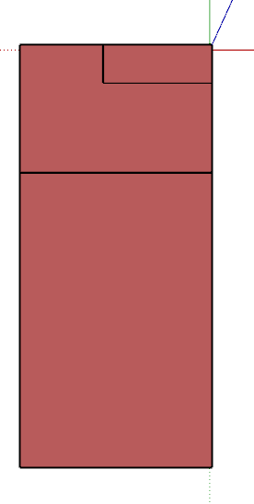
Office | Office Area (>250 square feet) | AHU_1 | Office | Y | 4.9% | 2,550 | 35,697 | 1 | 13 | 5 | Warehouse
FineStorage | Storage, Commercial/Industrial (Warehouse) | AHU_2 | FineStorage | Y | 28.8% | 14,999 | 384,263 | 1 | 15 | 1 | Warehouse
BulkStorage | Storage, Commercial/Industrial (Warehouse) | AHU_3 | BulkStorage | Y | 66.3% | 34,497 | 965,908 | 1 | 34 | 1 | Warehouse
Total (3 Space) | Total (2 space type) | Total (3 HVAC Zones) |  | Total (3 Conditioned zones) | 100.0% | 52,045 | 1,385,868 |  | 62

Envelope
Envelope - Warehouse
Element | Prototype | Assembly Type | Construction | Thermal properties | Vintage | Selected T24 | Note | CZ1 | CZ2 | CZ3 | CZ4 | CZ5 | CZ6 | CZ7 | CZ8 | CZ9 | CZ10 | CZ11 | CZ12 | CZ13 | CZ14 | CZ15 | CZ16
External Wall | Warehouse | Metal Building Wall | Metal surface + Continuous Insulation + Metal panel | U-factor IP | Pre 1978 | N/A | ASHRAE 90.1, 2022 Table A3.2.3, R-0 | 1.180 | 1.180 | 1.180 | 1.180 | 1.180 | 1.180 | 1.180 | 1.180 | 1.180 | 1.180 | 1.180 | 1.180 | 1.180 | 1.180 | 1.180 | 1.180
 |  |  |  |  | 1978-1997 | 1986 | No Insulation. The U values calculated from the code based on HDD and Degree North Latitude were more than the U values of the previous vintage, so the U values of the previous vintage have been used. | 1.180 | 1.180 | 1.180 | 1.180 | 1.180 | 1.180 | 1.180 | 1.180 | 1.180 | 1.180 | 1.180 | 1.180 | 1.180 | 1.180 | 1.180 | 1.180
 |  |  |  |  | 1998-2007 | 2001 | Table 1-H (Metal frame) | 0.182 | 0.182 | 0.189 | 0.189 | 0.189 | 0.189 | 0.189 | 0.189 | 0.189 | 0.182 | 0.182 | 0.182 | 0.182 | 0.182 | 0.182 | 0.182
 |  |  |  |  | 2008-2018 | 2013 | Table 140.3-B | 0.113 | 0.061 | 0.113 | 0.061 | 0.061 | 0.113 | 0.113 | 0.061 | 0.061 | 0.061 | 0.061 | 0.061 | 0.061 | 0.061 | 0.057 | 0.061
 |  |  |  |  | 2019+ | 2025 | Table 140.3-B | 0.098 | 0.053 | 0.098 | 0.053 | 0.053 | 0.098 | 0.098 | 0.053 | 0.053 | 0.053 | 0.053 | 0.053 | 0.053 | 0.053 | 0.053 | 0.053
Roof | Warehouse | Metal Decking Roof | Roof Membrane + Continuous Insulation + Metal Decking | U-factor IP | Pre 1978 | N/A | Considering 30 years for roof/ insulation replacement. | 0.057 | 0.057 | 0.057 | 0.057 | 0.057 | 0.078 | 0.078 | 0.078 | 0.078 | 0.078 | 0.057 | 0.057 | 0.057 | 0.057 | 0.057 | 0.057
 |  |  |  |  | 1978-1997 | 1992 |  | 0.057 | 0.057 | 0.057 | 0.057 | 0.057 | 0.078 | 0.078 | 0.078 | 0.078 | 0.078 | 0.057 | 0.057 | 0.057 | 0.057 | 0.057 | 0.057
 |  |  |  |  | 1998-2007 | 2001 | Table 1-H | 0.057 | 0.057 | 0.057 | 0.057 | 0.057 | 0.078 | 0.078 | 0.078 | 0.078 | 0.057 | 0.057 | 0.057 | 0.057 | 0.057 | 0.057 | 0.057
 |  |  |  |  | 2008-2018 | 2013 | Table 140.3-B | 0.065 | 0.065 | 0.065 | 0.065 | 0.065 | 0.065 | 0.065 | 0.065 | 0.065 | 0.065 | 0.065 | 0.065 | 0.065 | 0.065 | 0.065 | 0.065
 |  |  |  |  | 2019+ | 2025 | Table 140.3-B | 0.038 | 0.038 | 0.038 | 0.038 | 0.038 | 0.038 | 0.038 | 0.038 | 0.038 | 0.038 | 0.038 | 0.038 | 0.038 | 0.038 | 0.038 | 0.038
Windows | Warehouse | Fixed Window | Single Pane (CBECS 2018, ~ 50 % of warehouse that were built before 2000 are single pane) | U-factor IP | Pre 1978 | N/A | ASHRAE Handbook of Fundamentals for single pane & T24 2013 for double pane(50%-50%) | 0.74 | 0.74 | 0.74 | 0.74 | 0.74 | 0.74 | 0.74 | 0.74 | 0.74 | 0.74 | 0.74 | 0.74 | 0.74 | 0.74 | 0.74 | 0.74
 |  |  |  |  | 1978-1997 | N/A |  | 0.74 | 0.74 | 0.74 | 0.74 | 0.74 | 0.74 | 0.74 | 0.74 | 0.74 | 0.74 | 0.74 | 0.74 | 0.74 | 0.74 | 0.74 | 0.74
 |  |  | Double pane |  | 1998-2007 | 2001 | Table 1-H | 0.49 | 0.49 | 0.81 | 0.81 | 0.81 | 0.81 | 0.81 | 0.81 | 0.81 | 0.49 | 0.49 | 0.49 | 0.49 | 0.49 | 0.49 | 0.49
 |  |  |  |  | 2008-2018 | 2013 | Table 140.3-B | 0.36 | 0.36 | 0.36 | 0.36 | 0.36 | 0.36 | 0.36 | 0.36 | 0.36 | 0.36 | 0.36 | 0.36 | 0.36 | 0.36 | 0.36 | 0.36
 |  |  |  |  | 2019+ | 2025 | Table 140.3-B | 0.36 | 0.36 | 0.36 | 0.36 | 0.36 | 0.36 | 0.36 | 0.36 | 0.34 | 0.36 | 0.34 | 0.34 | 0.34 | 0.34 | 0.34 | 0.36
 |  |  | Single Pane (CBECS 2018, ~ 50 % of warehouse that were built before 2000 are single pane) | SHGC | Pre 1978 | N/A | ASHRAE Handbook of Fundamentals for single pane (Table 10-Ch15) & T24 2013 for double pane(50%-50%) | 0.52 | 0.52 | 0.52 | 0.52 | 0.52 | 0.52 | 0.52 | 0.52 | 0.52 | 0.52 | 0.52 | 0.52 | 0.52 | 0.52 | 0.52 | 0.52
 |  |  |  |  | 1978-1997 | N/A |  | 0.52 | 0.52 | 0.52 | 0.52 | 0.52 | 0.52 | 0.52 | 0.52 | 0.52 | 0.52 | 0.52 | 0.52 | 0.52 | 0.52 | 0.52 | 0.52
 |  |  | Double pane |  | 1998-2007 | 2001 | Table 1-H (Non north 0-10%) | 0.49 | 0.47 | 0.61 | 0.61 | 0.61 | 0.61 | 0.61 | 0.61 | 0.61 | 0.47 | 0.47 | 0.47 | 0.47 | 0.46 | 0.46 | 0.49
 |  |  |  |  | 2008-2018 | 2013 | Table 140.3-B | 0.25 | 0.25 | 0.25 | 0.25 | 0.25 | 0.25 | 0.25 | 0.25 | 0.25 | 0.25 | 0.25 | 0.25 | 0.25 | 0.25 | 0.25 | 0.25
 |  |  |  |  | 2019+ | 2025 | Table 140.3-B | 0.25 | 0.25 | 0.25 | 0.25 | 0.25 | 0.25 | 0.25 | 0.25 | 0.22 | 0.25 | 0.22 | 0.22 | 0.22 | 0.22 | 0.22 | 0.25
Skylight | Warehouse | Skylight | Translucent | U-factor IP | Pre 1978 | 1992 | Table 1-I | 0.85 | 1.31 | 1.31 | 1.31 | 1.31 | 1.31 | 1.31 | 1.31 | 1.31 | 1.31 | 0.85 | 0.85 | 0.85 | 0.85 | 0.85 | 0.85
 |  |  |  |  | 1978-1997 | 1992 |  | 0.85 | 1.31 | 1.31 | 1.31 | 1.31 | 1.31 | 1.31 | 1.31 | 1.31 | 1.31 | 0.85 | 0.85 | 0.85 | 0.85 | 0.85 | 0.85
 |  |  | Plastic curb mounted |  | 1998-2007 | 2001 | Table 1-H | 0.87 | 1.1 | 1.3 | 1.3 | 1.3 | 1.3 | 1.3 | 1.3 | 1.3 | 1.1 | 1.1 | 1.1 | 1.1 | 1.1 | 1.1 | 0.87
 |  |  |  |  | 2008-2018 | 2013 | Table 140.3-B | 0.88 | 0.88 | 0.88 | 0.88 | 0.88 | 0.88 | 0.88 | 0.88 | 0.88 | 0.88 | 0.88 | 0.88 | 0.88 | 0.88 | 0.88 | 0.88
 |  |  |  |  | 2019+ | 2025 | Table 140.3-B | 0.88 | 0.88 | 0.88 | 0.88 | 0.88 | 0.88 | 0.88 | 0.88 | 0.88 | 0.88 | 0.88 | 0.88 | 0.88 | 0.88 | 0.88 | 0.88
 |  |  | Translucent | SHGC | Pre 1978 | 1992 | Table 1-I | 0.81 | 0.86 | 0.86 | 0.86 | 0.86 | 0.86 | 0.86 | 0.86 | 0.86 | 0.86 | 0.81 | 0.81 | 0.81 | 0.81 | 0.81 | 0.81
 |  |  |  |  | 1978-1997 | 1992 |  | 0.81 | 0.86 | 0.86 | 0.86 | 0.86 | 0.86 | 0.86 | 0.86 | 0.86 | 0.86 | 0.81 | 0.81 | 0.81 | 0.81 | 0.81 | 0.81
 |  |  | Plastic curb mounted |  | 1998-2007 | 2001 | Table 1-H (For SSR 2.1-5%) | 0.58 | 0.62 | 0.65 | 0.65 | 0.65 | 0.62 | 0.62 | 0.62 | 0.62 | 0.62 | 0.62 | 0.62 | 0.62 | 0.58 | 0.58 | 0.58
 |  |  |  |  | 2008-2018 | 2013 | There is no requirement in the code (considered same as 2001) | 0.58 | 0.62 | 0.65 | 0.65 | 0.65 | 0.62 | 0.62 | 0.62 | 0.62 | 0.62 | 0.62 | 0.62 | 0.62 | 0.58 | 0.58 | 0.58
 |  |  |  |  | 2019+ | 2025 |  | 0.58 | 0.62 | 0.65 | 0.65 | 0.65 | 0.62 | 0.62 | 0.62 | 0.62 | 0.62 | 0.62 | 0.62 | 0.62 | 0.58 | 0.58 | 0.58

 |  |  |  | Infiltration |  |  |  |  |  |  |  |  |  |  |  |  |  |  |  |  |  |  |  | Door infiltration
 |  |  |  |  | Vintage | I_75 (cfm/ft2) 6-sided Infiltration rate @ 75 pa | Source | I-design (cfm/ft²) (4-sided Infiltration rate at normal pressure) (Design flow rate approach and Flow/Exterior Wall Area calculation method) |  |  |  |  |  |  |  |  |  |  |  |  |  |  |  | Zone | Infiltration Rate | Source | Note
 |  |  |  | Infiltration | Pre 1978 | 1.1 | 2022 CASE report (Table 38) | 0.5769 |  |  |  |  |  |  |  |  |  |  |  |  |  |  |  | Office | 374 cfm | PPNL, ASHRAE 90.1- 2022 Warehouse prototype | Office door Infiltration with maximum infiltration at 8 am, 13 pm, 18 pm.
 |  |  |  |  | 1978-1997 | 1.1 | 2022 CASE report (Table 38) | 0.5769 |  |  |  |  |  |  |  |  |  |  |  |  |  |  |  | BulkStorage | 616 cfm (32*7+0.5+783*0.5) | PNNL 17056, 2007 | Loading dock doors infiltration: Assumptions: 7 doors each 8 ft * 10 ft 783 cfm per door when dock doors open 32 cfm per door ( or 0.4 cfm/ sf of door area ) when dock doors close Loading time from 8 am -12 pm One truck per hour with a 30 minutes of unloading time | Technical Support Document: The Development of the Advanced Energy Design Guide for Small Warehouse and Self-Storage Buildings
 |  |  |  |  | 1998-2007 | 1.1 | 2022 CASE report (Table 38) | 0.5769 |  |  |  |  |  |  |  |  |  |  |  |  |  |  |  |  | 0.36
 |  |  |  |  | 2008-2018 | 1.0 | 2022 CASE report (Table 38) & T24, 2008-2016 (Table 140.3-B) | 0.5279
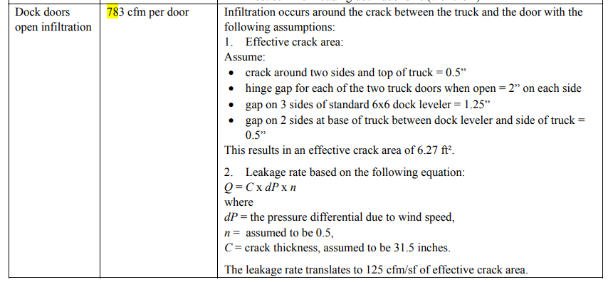
 |  |  |  |  | 2019+ | 0.6 | 2022 CASE report (Table 38) & T24, 2025 (Table 140.3-B) | 0.3147
 |  |  |  | Source: T24 air barrier requirements (all editions) , the standardized infiltration rate reported in the 2022 CASE report, and Dodge 2023 data
 |  |  |  | Infiltration_rate_report_14May2025-Short-Version.docx

Water Heater
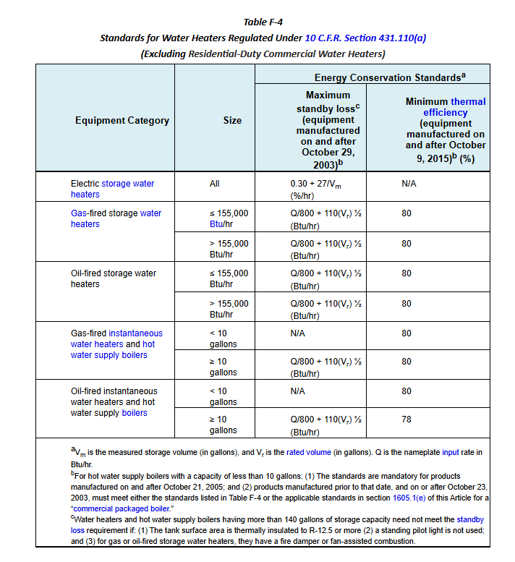
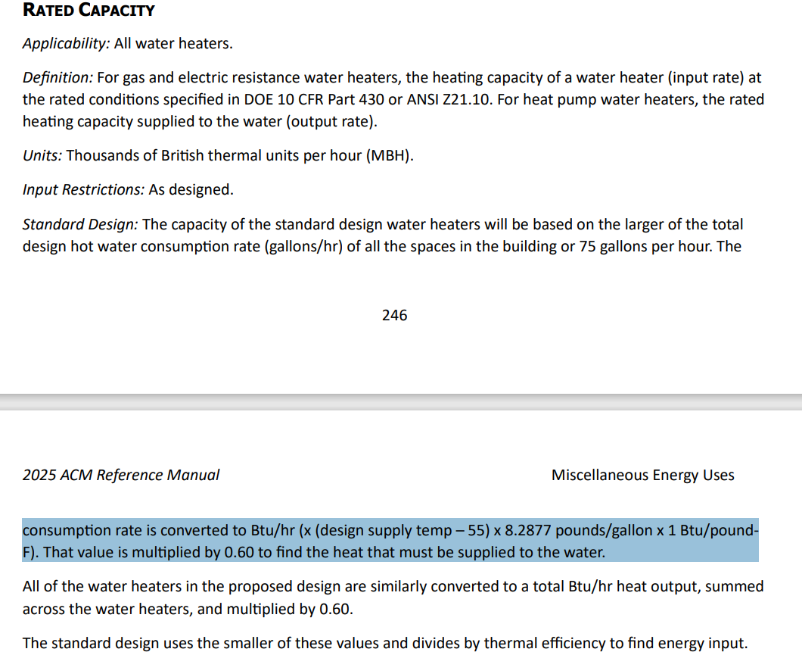
Water Heater - Warehouse
Vintage | WH Type | Efficiency | Tank Volume (gal) | Tank Loss | Unit | Source
Existing | Electric resistance WH | 1 | 50 | 0.84 | %/hr | Loss per hour, 10 CFR 431.110(a) Table F-4
New Construction | Electric resistance WH | 1 | 50 | 0.84 | %/hr

Peak Hot Water Consumption
Space Name | Baseline WH Type [T24, 2022, Appendix 5.4A , sheet: "2022 SpaceFuncData-Input"] | Total Area (ft²) | Number of People | Hot Water Usage Specification (gal/hr per person) [T24, 2022, Appendix 5.4A , sheet: "2022 SpaceFuncData-Input"] | Peak Hot Water Usage (gal/hr) | Peak Hot Water Usage (gal/min)
Office | Electric | 2,550 | 13 | 0.18 | 2.29 | 0.04
FineStorage | Electric | 14,999 | 15 | 0.18 | 2.70 | 0.04
BulkStorage | Electric | 34,497 | 34 | 0.18 | 6.21 | 0.10

Water Heater Capacity, Tank Capacity, and Tank Loss
WH Type | Peak Hot Water Usage (gal/hr) | Heat Output (Btu/hr) [ACM, 2025, 5.9.2: Rated capacity section] | WH Capacity (Btu/hr) [ACM, 2025, 5.9.2: Rated capacity section] | Required Energy Input (Btu/hr) | Storage Volume (gal) | Standby Loss |  | Off/On Cycle Loss Coefficient to Ambient Temp (Btu/h-F) | Source
Electric resistance WH | 125 | 82,877 | 49,726 | 49,726 | 50 | 0.84 | %/hr | 3.5 | Standby loss equation: Title 20, §1605.1 Table F-4 WH capacity equation: ACM, 2025, 5.9.2: Rated capacity section)
Total | 125 | 82,877 | 49,726 | 49,726 | 50

Design supply temperature (F) | 135 | Ref: T24 2022 - Appendix 5.4B |  |  | Standby Loss for Existing | 0.84 | %/hr | 3.5
Cold Water supply temperature (F) | 55 | Ref: ACM, 2025, 5.9.2: Rated capacity section
WH system factor | 0.6 | Ref: ACM, 2025, 5.9.2: Rated capacity section
Reheat multiplier | 0.40 | Ref: ACM, 2025, 5.9.2: Rated capacity section
* The 0.40 multiplier is a storage sizing factor used to account for the fact that the water heater doesn't need to store the full peak hour demand—it can reheat water during that time. This factor assumes that the heater will recover part of the hot water used during the peak hour, so only 40% of the peak hour demand needs to be stored at any given moment.
Minimum tank storage (gal) | 20
Since the building is not big so there is no need to consider probability of coincident consumption

Background Data [To be deleted prior to publication]

Schedules
Occupancy
Schedules - Warehouse
Zone | Schedule Category | Schedule | Source | Type | Hour
 |  |  |  |  | 1 | 2 | 3 | 4 | 5 | 6 | 7 | 8 | 9 | 10 | 11 | 12 | 13 | 14 | 15 | 16 | 17 | 18 | 19 | 20 | 21 | 22 | 23 | 24
Fine storage | FineStorage | Occupancy | T24 2022 - Appendix 5.4B, [Warehouse] (Start and end hours of weekday schedule has been shifted to stay align with the plug load project with CEC) with Saturday Occupied. | Weekday | 0.00 | 0.00 | 0.00 | 0.00 | 0.00 | 0.15 | 0.70 | 0.90 | 0.90 | 0.90 | 0.90 | 0.90 | 0.50 | 0.85 | 0.85 | 0.20 | 0.00 | 0.00 | 0.00 | 0.00 | 0.00 | 0.00 | 0.00 | 0.00
 |  |  |  | Saturday | 0.00 | 0.00 | 0.00 | 0.00 | 0.00 | 0.15 | 0.70 | 0.90 | 0.90 | 0.90 | 0.90 | 0.90 | 0.50 | 0.85 | 0.85 | 0.20 | 0.00 | 0.00 | 0.00 | 0.00 | 0.00 | 0.00 | 0.00 | 0.00
 |  |  |  | Sunday | 0.00 | 0.00 | 0.00 | 0.00 | 0.00 | 0.00 | 0.00 | 0.00 | 0.00 | 0.00 | 0.00 | 0.00 | 0.00 | 0.00 | 0.00 | 0.00 | 0.00 | 0.00 | 0.00 | 0.00 | 0.00 | 0.00 | 0.00 | 0.00
Lights
Fine storage | FineStorage | Lights | T24 2022 - Appendix 5.4B, [Warehouse] (Start and end hours of weekday schedule has been shifted to stay align with the plug load project with CEC) with Saturday Occupied. | Weekday | 0.05 | 0.05 | 0.05 | 0.05 | 0.05 | 0.45 | 0.55 | 0.55 | 0.55 | 0.55 | 0.55 | 0.55 | 0.55 | 0.55 | 0.55 | 0.55 | 0.30 | 0.05 | 0.05 | 0.05 | 0.05 | 0.05 | 0.05 | 0.05
 |  |  |  | Saturday | 0.05 | 0.05 | 0.05 | 0.05 | 0.05 | 0.45 | 0.55 | 0.55 | 0.55 | 0.55 | 0.55 | 0.55 | 0.55 | 0.55 | 0.55 | 0.55 | 0.30 | 0.05 | 0.05 | 0.05 | 0.05 | 0.05 | 0.05 | 0.05
 |  |  |  | Sunday | 0.05 | 0.05 | 0.05 | 0.05 | 0.05 | 0.05 | 0.05 | 0.05 | 0.05 | 0.05 | 0.05 | 0.05 | 0.05 | 0.05 | 0.05 | 0.05 | 0.05 | 0.05 | 0.05 | 0.05 | 0.05 | 0.05 | 0.05 | 0.05
ElecEquipment
Fine storage | FineStorage | ElecEquipment | Plug load and schedules project with CEC, 2025 (weekday) *New weekday schedule starts at 6 and ends at 17 instead of 8-18 in the Appendix 5.4B with Saturday Occupied. T24 2022 - Appendix 5.4B (weekend) | Weekday | 0.05 | 0.05 | 0.05 | 0.05 | 0.05 | 0.50 | 0.90 | 0.90 | 0.90 | 0.90 | 0.90 | 0.90 | 0.90 | 0.90 | 0.90 | 0.65 | 0.25 | 0.05 | 0.05 | 0.05 | 0.05 | 0.05 | 0.05 | 0.05
 |  |  |  | Saturday | 0.05 | 0.05 | 0.05 | 0.05 | 0.05 | 0.50 | 0.90 | 0.90 | 0.90 | 0.90 | 0.90 | 0.90 | 0.90 | 0.90 | 0.90 | 0.65 | 0.25 | 0.05 | 0.05 | 0.05 | 0.05 | 0.05 | 0.05 | 0.05
 |  |  |  | Sunday | 0.05 | 0.05 | 0.05 | 0.05 | 0.05 | 0.05 | 0.05 | 0.05 | 0.05 | 0.05 | 0.05 | 0.05 | 0.05 | 0.05 | 0.05 | 0.05 | 0.05 | 0.05 | 0.05 | 0.05 | 0.05 | 0.05 | 0.05 | 0.05
HVACAvail
Fine storage | FineStorage | HVACAvail | T24 2022 - Appendix 5.4B, [Warehouse] (Start and end hours of weekday schedule has been shifted to stay align with the plug load project with CEC) with Saturday Occupied. | Weekday | 0.00 | 0.00 | 0.00 | 0.00 | 1.00 | 1.00 | 1.00 | 1.00 | 1.00 | 1.00 | 1.00 | 1.00 | 1.00 | 1.00 | 1.00 | 1.00 | 0.00 | 0.00 | 0.00 | 0.00 | 0.00 | 0.00 | 0.00 | 0.00
 |  |  |  | Saturday | 0.00 | 0.00 | 0.00 | 0.00 | 1.00 | 1.00 | 1.00 | 1.00 | 1.00 | 1.00 | 1.00 | 1.00 | 1.00 | 1.00 | 1.00 | 1.00 | 0.00 | 0.00 | 0.00 | 0.00 | 0.00 | 0.00 | 0.00 | 0.00
 |  |  |  | Sunday | 0.00 | 0.00 | 0.00 | 0.00 | 0.00 | 0.00 | 0.00 | 0.00 | 0.00 | 0.00 | 0.00 | 0.00 | 0.00 | 0.00 | 0.00 | 0.00 | 0.00 | 0.00 | 0.00 | 0.00 | 0.00 | 0.00 | 0.00 | 0.00
ServiceHotWater
Fine storage | FineStorage | ServiceHotWater | T24 2022 - Appendix 5.4B, [Warehouse] (Start and end hours of weekday schedule has been shifted to stay align with the plug load project with CEC) with Saturday Occupied. | Weekday | 0.02 | 0.02 | 0.02 | 0.05 | 0.07 | 0.10 | 0.30 | 0.36 | 0.36 | 0.36 | 0.36 | 0.46 | 0.57 | 0.43 | 0.40 | 0.30 | 0.18 | 0.18 | 0.03 | 0.03 | 0.03 | 0.03 | 0.03 | 0.03
 |  |  |  | Saturday | 0.02 | 0.02 | 0.02 | 0.05 | 0.07 | 0.10 | 0.30 | 0.36 | 0.36 | 0.36 | 0.36 | 0.46 | 0.57 | 0.43 | 0.40 | 0.30 | 0.18 | 0.18 | 0.03 | 0.03 | 0.03 | 0.03 | 0.03 | 0.03
Assembly Elevator
 | 1 | 1 | 1
 |  |  |  | Sunday | 0.02 | 0.02 | 0.02 | 0.02 | 0.02 | 0.02 | 0.02 | 0.02 | 0.02 | 0.02 | 0.02 | 0.02 | 0.04 | 0.04 | 0.02 | 0.02 | 0.02 | 0.02 | 0.02 | 0.02 | 0.02 | 0.02 | 0.02 | 0.02
Infiltration
Fine storage | FineStorage | Infiltration |  | Weekday | 1.00 | 1.00 | 1.00 | 1.00 | 1.00 | 1.00 | 1.00 | 1.00 | 1.00 | 1.00 | 1.00 | 1.00 | 1.00 | 1.00 | 1.00 | 1.00 | 1.00 | 1.00 | 1.00 | 1.00 | 1.00 | 1.00 | 1.00 | 1.00
 |  |  |  | Saturday | 1.00 | 1.00 | 1.00 | 1.00 | 1.00 | 1.00 | 1.00 | 1.00 | 1.00 | 1.00 | 1.00 | 1.00 | 1.00 | 1.00 | 1.00 | 1.00 | 1.00 | 1.00 | 1.00 | 1.00 | 1.00 | 1.00 | 1.00 | 1.00
 |  |  |  | Sunday | 1.00 | 1.00 | 1.00 | 1.00 | 1.00 | 1.00 | 1.00 | 1.00 | 1.00 | 1.00 | 1.00 | 1.00 | 1.00 | 1.00 | 1.00 | 1.00 | 1.00 | 1.00 | 1.00 | 1.00 | 1.00 | 1.00 | 1.00 | 1.00
Fine storage | FineStorage | HtgSetpt | T24 2022 - Appendix 5.4B, [Warehouse] with Saturday Occupied. | Weekday | 60 | 60 | 60 | 60 | 70 | 70 | 70 | 70 | 70 | 70 | 70 | 70 | 70 | 70 | 70 | 70 | 60 | 60 | 60 | 60 | 60 | 60 | 60 | 60
 |  |  |  | Saturday | 60 | 60 | 60 | 60 | 70 | 70 | 70 | 70 | 70 | 70 | 70 | 70 | 70 | 70 | 70 | 70 | 60 | 60 | 60 | 60 | 60 | 60 | 60 | 60
 |  |  |  | Sunday | 60 | 60 | 60 | 60 | 60 | 60 | 60 | 60 | 60 | 60 | 60 | 60 | 60 | 60 | 60 | 60 | 60 | 60 | 60 | 60 | 60 | 60 | 60 | 60
Fine storage | FineStorage | ClgSetpt | T24 2022 - Appendix 5.4B, [Warehouse] with Saturday Occupied. | Weekday | 85 | 85 | 85 | 85 | 75 | 75 | 75 | 75 | 75 | 75 | 75 | 75 | 75 | 75 | 75 | 75 | 85 | 85 | 85 | 85 | 85 | 85 | 85 | 85
 |  |  |  | Saturday | 85 | 85 | 85 | 85 | 75 | 75 | 75 | 75 | 75 | 75 | 75 | 75 | 75 | 75 | 75 | 75 | 85 | 85 | 85 | 85 | 85 | 85 | 85 | 85
 |  |  |  | Sunday | 85 | 85 | 85 | 85 | 85 | 85 | 85 | 85 | 85 | 85 | 85 | 85 | 85 | 85 | 85 | 85 | 85 | 85 | 85 | 85 | 85 | 85 | 85 | 85
Occupancy
BulkStorage
Bulk storage | BulkStorage | Occupancy | T24 2022 - Appendix 5.4B, [Warehouse] (Start and end hours of weekday schedule has been shifted to stay align with the plug load project with CEC) with Saturday Occupied. | Weekday | 0.00 | 0.00 | 0.00 | 0.00 | 0.00 | 0.15 | 0.70 | 0.90 | 0.90 | 0.90 | 0.90 | 0.90 | 0.50 | 0.85 | 0.85 | 0.20 | 0.00 | 0.00 | 0.00 | 0.00 | 0.00 | 0.00 | 0.00 | 0.00
 |  |  |  | Saturday | 0.00 | 0.00 | 0.00 | 0.00 | 0.00 | 0.15 | 0.70 | 0.90 | 0.90 | 0.90 | 0.90 | 0.90 | 0.50 | 0.85 | 0.85 | 0.20 | 0.00 | 0.00 | 0.00 | 0.00 | 0.00 | 0.00 | 0.00 | 0.00
 |  |  |  | Sunday | 0.00 | 0.00 | 0.00 | 0.00 | 0.00 | 0.00 | 0.00 | 0.00 | 0.00 | 0.00 | 0.00 | 0.00 | 0.00 | 0.00 | 0.00 | 0.00 | 0.00 | 0.00 | 0.00 | 0.00 | 0.00 | 0.00 | 0.00 | 0.00
Lights
Bulk storage | BulkStorage | Lights | T24 2022 - Appendix 5.4B, [Warehouse] (Start and end hours of weekday schedule has been shifted to stay align with the plug load project with CEC) with Saturday Occupied. | Weekday | 0.05 | 0.05 | 0.05 | 0.05 | 0.05 | 0.45 | 0.55 | 0.55 | 0.55 | 0.55 | 0.55 | 0.55 | 0.55 | 0.55 | 0.55 | 0.55 | 0.30 | 0.05 | 0.05 | 0.05 | 0.05 | 0.05 | 0.05 | 0.05
 |  |  |  | Saturday | 0.05 | 0.05 | 0.05 | 0.05 | 0.05 | 0.45 | 0.55 | 0.55 | 0.55 | 0.55 | 0.55 | 0.55 | 0.55 | 0.55 | 0.55 | 0.55 | 0.30 | 0.05 | 0.05 | 0.05 | 0.05 | 0.05 | 0.05 | 0.05
 |  |  |  | Sunday | 0.05 | 0.05 | 0.05 | 0.05 | 0.05 | 0.05 | 0.05 | 0.05 | 0.05 | 0.05 | 0.05 | 0.05 | 0.05 | 0.05 | 0.05 | 0.05 | 0.05 | 0.05 | 0.05 | 0.05 | 0.05 | 0.05 | 0.05 | 0.05
ElecEquipment
Bulk storage | BulkStorage | ElecEquipment | Plug load and schedules project with CEC, 2025 (weekday) *New weekday schedule starts at 6 and ends at 17 instead of 8-18 in the Appendix 5.4B with Saturday Occupied. T24 2022 - Appendix 5.4B (Sunday) | Weekday | 0.05 | 0.05 | 0.05 | 0.05 | 0.05 | 0.50 | 0.90 | 0.90 | 0.90 | 0.90 | 0.90 | 0.90 | 0.90 | 0.90 | 0.90 | 0.65 | 0.25 | 0.05 | 0.05 | 0.05 | 0.05 | 0.05 | 0.05 | 0.05
 |  |  |  | Saturday | 0.05 | 0.05 | 0.05 | 0.05 | 0.05 | 0.50 | 0.90 | 0.90 | 0.90 | 0.90 | 0.90 | 0.90 | 0.90 | 0.90 | 0.90 | 0.65 | 0.25 | 0.05 | 0.05 | 0.05 | 0.05 | 0.05 | 0.05 | 0.05
 |  |  |  | Sunday | 0.05 | 0.05 | 0.05 | 0.05 | 0.05 | 0.05 | 0.05 | 0.05 | 0.05 | 0.05 | 0.05 | 0.05 | 0.05 | 0.05 | 0.05 | 0.05 | 0.05 | 0.05 | 0.05 | 0.05 | 0.05 | 0.05 | 0.05 | 0.05
HVACAvail
Bulk storage | BulkStorage | HVACAvail | Developed based on Unit Heater | Weekday | 1.00 | 1.00 | 1.00 | 1.00 | 1.00 | 1.00 | 1.00 | 1.00 | 1.00 | 1.00 | 1.00 | 1.00 | 1.00 | 1.00 | 1.00 | 1.00 | 1.00 | 1.00 | 1.00 | 1.00 | 1.00 | 1.00 | 1.00 | 1.00
 |  |  |  | Saturday | 1.00 | 1.00 | 1.00 | 1.00 | 1.00 | 1.00 | 1.00 | 1.00 | 1.00 | 1.00 | 1.00 | 1.00 | 1.00 | 1.00 | 1.00 | 1.00 | 1.00 | 1.00 | 1.00 | 1.00 | 1.00 | 1.00 | 1.00 | 1.00
 |  |  |  | Sunday | 1.00 | 1.00 | 1.00 | 1.00 | 1.00 | 1.00 | 1.00 | 1.00 | 1.00 | 1.00 | 1.00 | 1.00 | 1.00 | 1.00 | 1.00 | 1.00 | 1.00 | 1.00 | 1.00 | 1.00 | 1.00 | 1.00 | 1.00 | 1.00
ServiceHotWater
Bulk storage | BulkStorage | ServiceHotWater | T24 2022 - Appendix 5.4B, [Warehouse] (Start and end hours of weekday schedule has been shifted to stay align with the plug load project with CEC) with Saturday Occupied. | Weekday | 0.02 | 0.02 | 0.02 | 0.05 | 0.07 | 0.10 | 0.30 | 0.36 | 0.36 | 0.36 | 0.36 | 0.46 | 0.57 | 0.43 | 0.40 | 0.30 | 0.18 | 0.18 | 0.03 | 0.03 | 0.03 | 0.03 | 0.03 | 0.03
 |  |  |  | Saturday | 0.02 | 0.02 | 0.02 | 0.05 | 0.07 | 0.10 | 0.30 | 0.36 | 0.36 | 0.36 | 0.36 | 0.46 | 0.57 | 0.43 | 0.40 | 0.30 | 0.18 | 0.18 | 0.03 | 0.03 | 0.03 | 0.03 | 0.03 | 0.03
Assembly Elevator
 | 1 | 1 | 1
 |  |  |  | Sunday | 0.02 | 0.02 | 0.02 | 0.02 | 0.02 | 0.02 | 0.02 | 0.02 | 0.02 | 0.02 | 0.02 | 0.02 | 0.04 | 0.04 | 0.02 | 0.02 | 0.02 | 0.02 | 0.02 | 0.02 | 0.02 | 0.02 | 0.02 | 0.02
Infiltration
Bulk storage | BulkStorage | Infiltration |  | Weekday | 1.00 | 1.00 | 1.00 | 1.00 | 1.00 | 1.00 | 1.00 | 1.00 | 1.00 | 1.00 | 1.00 | 1.00 | 1.00 | 1.00 | 1.00 | 1.00 | 1.00 | 1.00 | 1.00 | 1.00 | 1.00 | 1.00 | 1.00 | 1.00
 |  |  |  | Saturday | 1.00 | 1.00 | 1.00 | 1.00 | 1.00 | 1.00 | 1.00 | 1.00 | 1.00 | 1.00 | 1.00 | 1.00 | 1.00 | 1.00 | 1.00 | 1.00 | 1.00 | 1.00 | 1.00 | 1.00 | 1.00 | 1.00 | 1.00 | 1.00
 |  |  |  | Sunday | 1.00 | 1.00 | 1.00 | 1.00 | 1.00 | 1.00 | 1.00 | 1.00 | 1.00 | 1.00 | 1.00 | 1.00 | 1.00 | 1.00 | 1.00 | 1.00 | 1.00 | 1.00 | 1.00 | 1.00 | 1.00 | 1.00 | 1.00 | 1.00
Bulk storage | BulkStorage | HtgSetpt | PNNL ASHRAE 90.1 2022, Warehouse prototype | Weekday | 50 | 50 | 50 | 50 | 50 | 50 | 50 | 50 | 50 | 50 | 50 | 50 | 50 | 50 | 50 | 50 | 50 | 50 | 50 | 50 | 50 | 50 | 50 | 50
 |  |  |  | Saturday | 50 | 50 | 50 | 50 | 50 | 50 | 50 | 50 | 50 | 50 | 50 | 50 | 50 | 50 | 50 | 50 | 50 | 50 | 50 | 50 | 50 | 50 | 50 | 50
 |  |  |  | Sunday | 50 | 50 | 50 | 50 | 50 | 50 | 50 | 50 | 50 | 50 | 50 | 50 | 50 | 50 | 50 | 50 | 50 | 50 | 50 | 50 | 50 | 50 | 50 | 50
Bulk storage | BulkStorage | ForkliftEquipment | with Saturday Occupied. | Weekday | 0.20 | 0.20 | 0.20 | 0.20 | 0.20 | 0.20 | 0.20 | 0.20 | 0.20 | 0.20 | 0.20 | 0.20 | 0.20 | 0.20 | 0.20 | 0.20 | 0.50 | 0.50 | 1.00 | 1.00 | 1.00 | 1.00 | 1.00 | 1.00
 |  |  |  | Saturday | 0.20 | 0.20 | 0.20 | 0.20 | 0.20 | 0.20 | 0.20 | 0.20 | 0.20 | 0.20 | 0.20 | 0.20 | 0.20 | 0.20 | 0.20 | 0.20 | 0.50 | 0.50 | 1.00 | 1.00 | 1.00 | 1.00 | 1.00 | 1.00
 |  |  |  | Sunday | 0.05 | 0.05 | 0.05 | 0.05 | 0.05 | 0.05 | 0.05 | 0.05 | 0.05 | 0.05 | 0.05 | 0.05 | 0.05 | 0.05 | 0.05 | 0.05 | 0.05 | 0.05 | 0.05 | 0.05 | 0.05 | 0.05 | 0.05 | 0.05
Bulk storage | BulkStorage | DoorInfiltration |  | Weekday | 0.36 | 0.36 | 0.36 | 0.36 | 0.36 | 0.36 | 0.36 | 1.00 | 1.00 | 1.00 | 1.00 | 1.00 | 0.36 | 0.36 | 0.36 | 0.36 | 0.36 | 0.36 | 0.36 | 0.36 | 0.36 | 0.36 | 0.36 | 0.36
 |  |  |  | Saturday | 0.36 | 0.36 | 0.36 | 0.36 | 0.36 | 0.36 | 0.36 | 1.00 | 1.00 | 1.00 | 1.00 | 1.00 | 0.36 | 0.36 | 0.36 | 0.36 | 0.36 | 0.36 | 0.36 | 0.36 | 0.36 | 0.36 | 0.36 | 0.36
 |  |  |  | Sunday | 0.36 | 0.36 | 0.36 | 0.36 | 0.36 | 0.36 | 0.36 | 0.36 | 0.36 | 0.36 | 0.36 | 0.36 | 0.36 | 0.36 | 0.36 | 0.36 | 0.36 | 0.36 | 0.36 | 0.36 | 0.36 | 0.36 | 0.36 | 0.36
Office
Occupancy
Office | Office | Occupancy | T24 2022 - Appendix 5.4B, [Office] Updated base on Plug load and schedules project with CEC, 2025 | Weekday | 0.00 | 0.00 | 0.00 | 0.00 | 0.00 | 0.00 | 0.10 | 0.20 | 0.95 | 0.95 | 0.95 | 0.95 | 0.50 | 0.95 | 0.95 | 0.95 | 0.95 | 0.30 | 0.10 | 0.10 | 0.10 | 0.10 | 0.05 | 0.05
 |  |  |  | Saturday | 0.00 | 0.00 | 0.00 | 0.00 | 0.00 | 0.00 | 0.05 | 0.05 | 0.05 | 0.05 | 0.05 | 0.05 | 0.05 | 0.05 | 0.05 | 0.05 | 0.05 | 0.05 | 0.00 | 0.00 | 0.00 | 0.00 | 0.00 | 0.00
 |  |  |  | Sunday | 0.00 | 0.00 | 0.00 | 0.00 | 0.00 | 0.00 | 0.05 | 0.05 | 0.05 | 0.05 | 0.05 | 0.05 | 0.05 | 0.05 | 0.05 | 0.05 | 0.05 | 0.05 | 0.00 | 0.00 | 0.00 | 0.00 | 0.00 | 0.00
Lights
Office | Office | Lights | T24 2022 - Appendix 5.4B, [Office] | Weekday | 0.05 | 0.05 | 0.05 | 0.05 | 0.05 | 0.10 | 0.10 | 0.30 | 0.65 | 0.65 | 0.65 | 0.65 | 0.65 | 0.65 | 0.65 | 0.65 | 0.65 | 0.35 | 0.30 | 0.30 | 0.20 | 0.20 | 0.10 | 0.05
 |  |  |  | Saturday | 0.05 | 0.05 | 0.05 | 0.05 | 0.05 | 0.05 | 0.05 | 0.05 | 0.05 | 0.05 | 0.05 | 0.05 | 0.05 | 0.05 | 0.05 | 0.05 | 0.05 | 0.05 | 0.05 | 0.05 | 0.05 | 0.05 | 0.05 | 0.05
 |  |  |  | Sunday | 0.05 | 0.05 | 0.05 | 0.05 | 0.05 | 0.05 | 0.05 | 0.05 | 0.05 | 0.05 | 0.05 | 0.05 | 0.05 | 0.05 | 0.05 | 0.05 | 0.05 | 0.05 | 0.05 | 0.05 | 0.05 | 0.05 | 0.05 | 0.05
ElecEquipment
Office | Office | ElecEquipment | Plug load and schedules project with CEC, 2025 | Weekday | 0.45 | 0.45 | 0.45 | 0.45 | 0.45 | 0.45 | 0.45 | 0.74 | 0.87 | 0.90 | 0.90 | 0.90 | 0.90 | 0.90 | 0.90 | 0.90 | 0.90 | 0.70 | 0.50 | 0.50 | 0.50 | 0.45 | 0.45 | 0.45
 |  |  |  | Saturday | 0.43 | 0.43 | 0.43 | 0.43 | 0.43 | 0.43 | 0.43 | 0.43 | 0.43 | 0.43 | 0.43 | 0.43 | 0.43 | 0.43 | 0.43 | 0.43 | 0.43 | 0.43 | 0.43 | 0.43 | 0.43 | 0.43 | 0.43 | 0.43
 |  |  |  | Sunday | 0.43 | 0.43 | 0.43 | 0.43 | 0.43 | 0.43 | 0.43 | 0.43 | 0.43 | 0.43 | 0.43 | 0.43 | 0.43 | 0.43 | 0.43 | 0.43 | 0.43 | 0.43 | 0.43 | 0.43 | 0.43 | 0.43 | 0.43 | 0.43
HVACAvail
Office | Office | HVACAvail | T24 2022 - Appendix 5.4B, [Office] Updated base on Plug load and schedules project with CEC, 202 | Weekday | 0.00 | 0.00 | 0.00 | 0.00 | 0.00 | 1.00 | 1.00 | 1.00 | 1.00 | 1.00 | 1.00 | 1.00 | 1.00 | 1.00 | 1.00 | 1.00 | 1.00 | 1.00 | 1.00 | 1.00 | 1.00 | 1.00 | 1.00 | 1.00
 |  |  |  | Saturday | 0.00 | 0.00 | 0.00 | 0.00 | 0.00 | 0.00 | 0.00 | 0.00 | 0.00 | 0.00 | 0.00 | 0.00 | 0.00 | 0.00 | 0.00 | 0.00 | 0.00 | 0.00 | 0.00 | 0.00 | 0.00 | 0.00 | 0.00 | 0.00
ServiceHotWater
 |  |  |  | Sunday | 0.00 | 0.00 | 0.00 | 0.00 | 0.00 | 0.00 | 0.00 | 0.00 | 0.00 | 0.00 | 0.00 | 0.00 | 0.00 | 0.00 | 0.00 | 0.00 | 0.00 | 0.00 | 0.00 | 0.00 | 0.00 | 0.00 | 0.00 | 0.00
Office | Office | ServiceHotWater | T24 2022 - Appendix 5.4B, [Office] | Weekday | 0.05 | 0.05 | 0.05 | 0.05 | 0.05 | 0.08 | 0.07 | 0.19 | 0.35 | 0.38 | 0.39 | 0.47 | 0.57 | 0.54 | 0.34 | 0.33 | 0.44 | 0.26 | 0.21 | 0.15 | 0.17 | 0.08 | 0.05 | 0.05
 |  |  |  | Saturday | 0.05 | 0.05 | 0.05 | 0.05 | 0.05 | 0.08 | 0.07 | 0.11 | 0.15 | 0.21 | 0.19 | 0.23 | 0.20 | 0.19 | 0.15 | 0.12 | 0.14 | 0.07 | 0.07 | 0.07 | 0.07 | 0.09 | 0.05 | 0.05
 |  |  |  | Sunday | 0.04 | 0.04 | 0.04 | 0.04 | 0.04 | 0.07 | 0.04 | 0.04 | 0.04 | 0.04 | 0.04 | 0.06 | 0.06 | 0.09 | 0.06 | 0.04 | 0.04 | 0.04 | 0.04 | 0.04 | 0.04 | 0.07 | 0.04 | 0.04
Infiltration
Office | Office | Infiltration |  | Weekday | 1.00 | 1.00 | 1.00 | 1.00 | 1.00 | 1.00 | 1.00 | 1.00 | 1.00 | 1.00 | 1.00 | 1.00 | 1.00 | 1.00 | 1.00 | 1.00 | 1.00 | 1.00 | 1.00 | 1.00 | 1.00 | 1.00 | 1.00 | 1.00
 |  |  |  | Saturday | 1.00 | 1.00 | 1.00 | 1.00 | 1.00 | 1.00 | 1.00 | 1.00 | 1.00 | 1.00 | 1.00 | 1.00 | 1.00 | 1.00 | 1.00 | 1.00 | 1.00 | 1.00 | 1.00 | 1.00 | 1.00 | 1.00 | 1.00 | 1.00
 |  |  |  | Sunday | 1.00 | 1.00 | 1.00 | 1.00 | 1.00 | 1.00 | 1.00 | 1.00 | 1.00 | 1.00 | 1.00 | 1.00 | 1.00 | 1.00 | 1.00 | 1.00 | 1.00 | 1.00 | 1.00 | 1.00 | 1.00 | 1.00 | 1.00 | 1.00
Office | Office | HtgSetpt | Developed based on HVACAvail and Thermostat setpoints | Weekday | 60 | 60 | 60 | 60 | 60 | 70 | 70 | 70 | 70 | 70 | 70 | 70 | 70 | 70 | 70 | 70 | 70 | 70 | 70 | 70 | 70 | 70 | 70 | 70
 |  |  |  | Saturday | 60 | 60 | 60 | 60 | 60 | 60 | 60 | 60 | 60 | 60 | 60 | 60 | 60 | 60 | 60 | 60 | 60 | 60 | 60 | 60 | 60 | 60 | 60 | 60
 |  |  |  | Sunday | 60 | 60 | 60 | 60 | 60 | 60 | 60 | 60 | 60 | 60 | 60 | 60 | 60 | 60 | 60 | 60 | 60 | 60 | 60 | 60 | 60 | 60 | 60 | 60
Office | Office | ClgSetpt | Developed based on HVACAvail and Thermostat setpoints | Weekday | 85 | 85 | 85 | 85 | 85 | 75 | 75 | 75 | 75 | 75 | 75 | 75 | 75 | 75 | 75 | 75 | 75 | 75 | 75 | 75 | 75 | 75 | 75 | 75
 |  |  |  | Saturday | 85 | 85 | 85 | 85 | 85 | 85 | 85 | 85 | 85 | 85 | 85 | 85 | 85 | 85 | 85 | 85 | 85 | 85 | 85 | 85 | 85 | 85 | 85 | 85
 |  |  |  | Sunday | 85 | 85 | 85 | 85 | 85 | 85 | 85 | 85 | 85 | 85 | 85 | 85 | 85 | 85 | 85 | 85 | 85 | 85 | 85 | 85 | 85 | 85 | 85 | 85
Office | Office | DoorInfiltration | PNNL ASHRAE 90.1 2022, Warehouse prototype | Weekday | 0 | 0 | 0 | 0 | 0 | 0 | 0.13 | 1.00 | 0.13 | 0.13 | 0.13 | 0.13 | 1.00 | 0.13 | 0.13 | 0.13 | 0.13 | 1.00 | 0.13 | 0 | 0 | 0 | 0 | 0
 |  |  |  | Saturday | 0 | 0 | 0 | 0 | 0 | 0 | 0 | 0 | 0 | 0 | 0 | 0 | 0 | 0 | 0 | 0 | 0 | 0 | 0 | 0 | 0 | 0 | 0 | 0
 |  |  |  | Sunday | 0 | 0 | 0 | 0 | 0 | 0 | 0 | 0 | 0 | 0 | 0 | 0 | 0 | 0 | 0 | 0 | 0 | 0 | 0 | 0 | 0 | 0 | 0 | 0
Other
 | Building | ExtLightingNonMotionCtrl |  | Weekday | 1 | 1 | 1 | 1 | 1 | 1 | 1 | 1 | 1 | 1 | 1 | 1 | 1 | 1 | 1 | 1 | 1 | 1 | 1 | 1 | 1 | 1 | 1 | 1
 |  |  |  | Saturday | 1 | 1 | 1 | 1 | 1 | 1 | 1 | 1 | 1 | 1 | 1 | 1 | 1 | 1 | 1 | 1 | 1 | 1 | 1 | 1 | 1 | 1 | 1 | 1
 |  |  |  | Sunday | 1 | 1 | 1 | 1 | 1 | 1 | 1 | 1 | 1 | 1 | 1 | 1 | 1 | 1 | 1 | 1 | 1 | 1 | 1 | 1 | 1 | 1 | 1 | 1
 | Building | ExtLightingMotionCtrl |  | Weekday | 0 | 0 | 0 | 0 | 0 | 1 | 1 | 1 | 1 | 1 | 1 | 1 | 1 | 1 | 1 | 1 | 1 | 1 | 1 | 1 | 1 | 1 | 0 | 0
 |  |  |  | Saturday | 0 | 0 | 0 | 0 | 0 | 1 | 1 | 1 | 1 | 1 | 1 | 1 | 1 | 1 | 1 | 1 | 1 | 1 | 1 | 1 | 1 | 1 | 1 | 1
 |  |  |  | Sunday | 0 | 0 | 0 | 0 | 0 | 1 | 1 | 1 | 1 | 1 | 1 | 1 | 1 | 1 | 1 | 1 | 1 | 1 | 1 | 1 | 1 | 1 | 1 | 1
Office | Building | FunctionalAreaPeopleActivityLevel | Based on Activity level schedules in CEC Prototypes | Weekday | 132 | 132 | 132 | 132 | 132 | 132 | 132 | 132 | 132 | 132 | 132 | 132 | 132 | 132 | 132 | 132 | 132 | 132 | 132 | 132 | 132 | 132 | 132 | 132
 |  |  |  | Saturday | 132 | 132 | 132 | 132 | 132 | 132 | 132 | 132 | 132 | 132 | 132 | 132 | 132 | 132 | 132 | 132 | 132 | 132 | 132 | 132 | 132 | 132 | 132 | 132
 |  |  |  | Sunday | 132 | 132 | 132 | 132 | 132 | 132 | 132 | 132 | 132 | 132 | 132 | 132 | 132 | 132 | 132 | 132 | 132 | 132 | 132 | 132 | 132 | 132 | 132 | 132
FineStorage and Bulk Storage | Building | SaleStoragePeopleActivityLevel | Based on Activity level schedules in CEC Prototypes | Weekday | 220 | 220 | 220 | 220 | 220 | 220 | 220 | 220 | 220 | 220 | 220 | 220 | 220 | 220 | 220 | 220 | 220 | 220 | 220 | 220 | 220 | 220 | 220 | 220
 |  |  |  | Saturday | 220 | 220 | 220 | 220 | 220 | 220 | 220 | 220 | 220 | 220 | 220 | 220 | 220 | 220 | 220 | 220 | 220 | 220 | 220 | 220 | 220 | 220 | 220 | 220
 |  |  |  | Sunday | 220 | 220 | 220 | 220 | 220 | 220 | 220 | 220 | 220 | 220 | 220 | 220 | 220 | 220 | 220 | 220 | 220 | 220 | 220 | 220 | 220 | 220 | 220 | 220

Background Data [To be deleted prior to publication]

Energy Usage
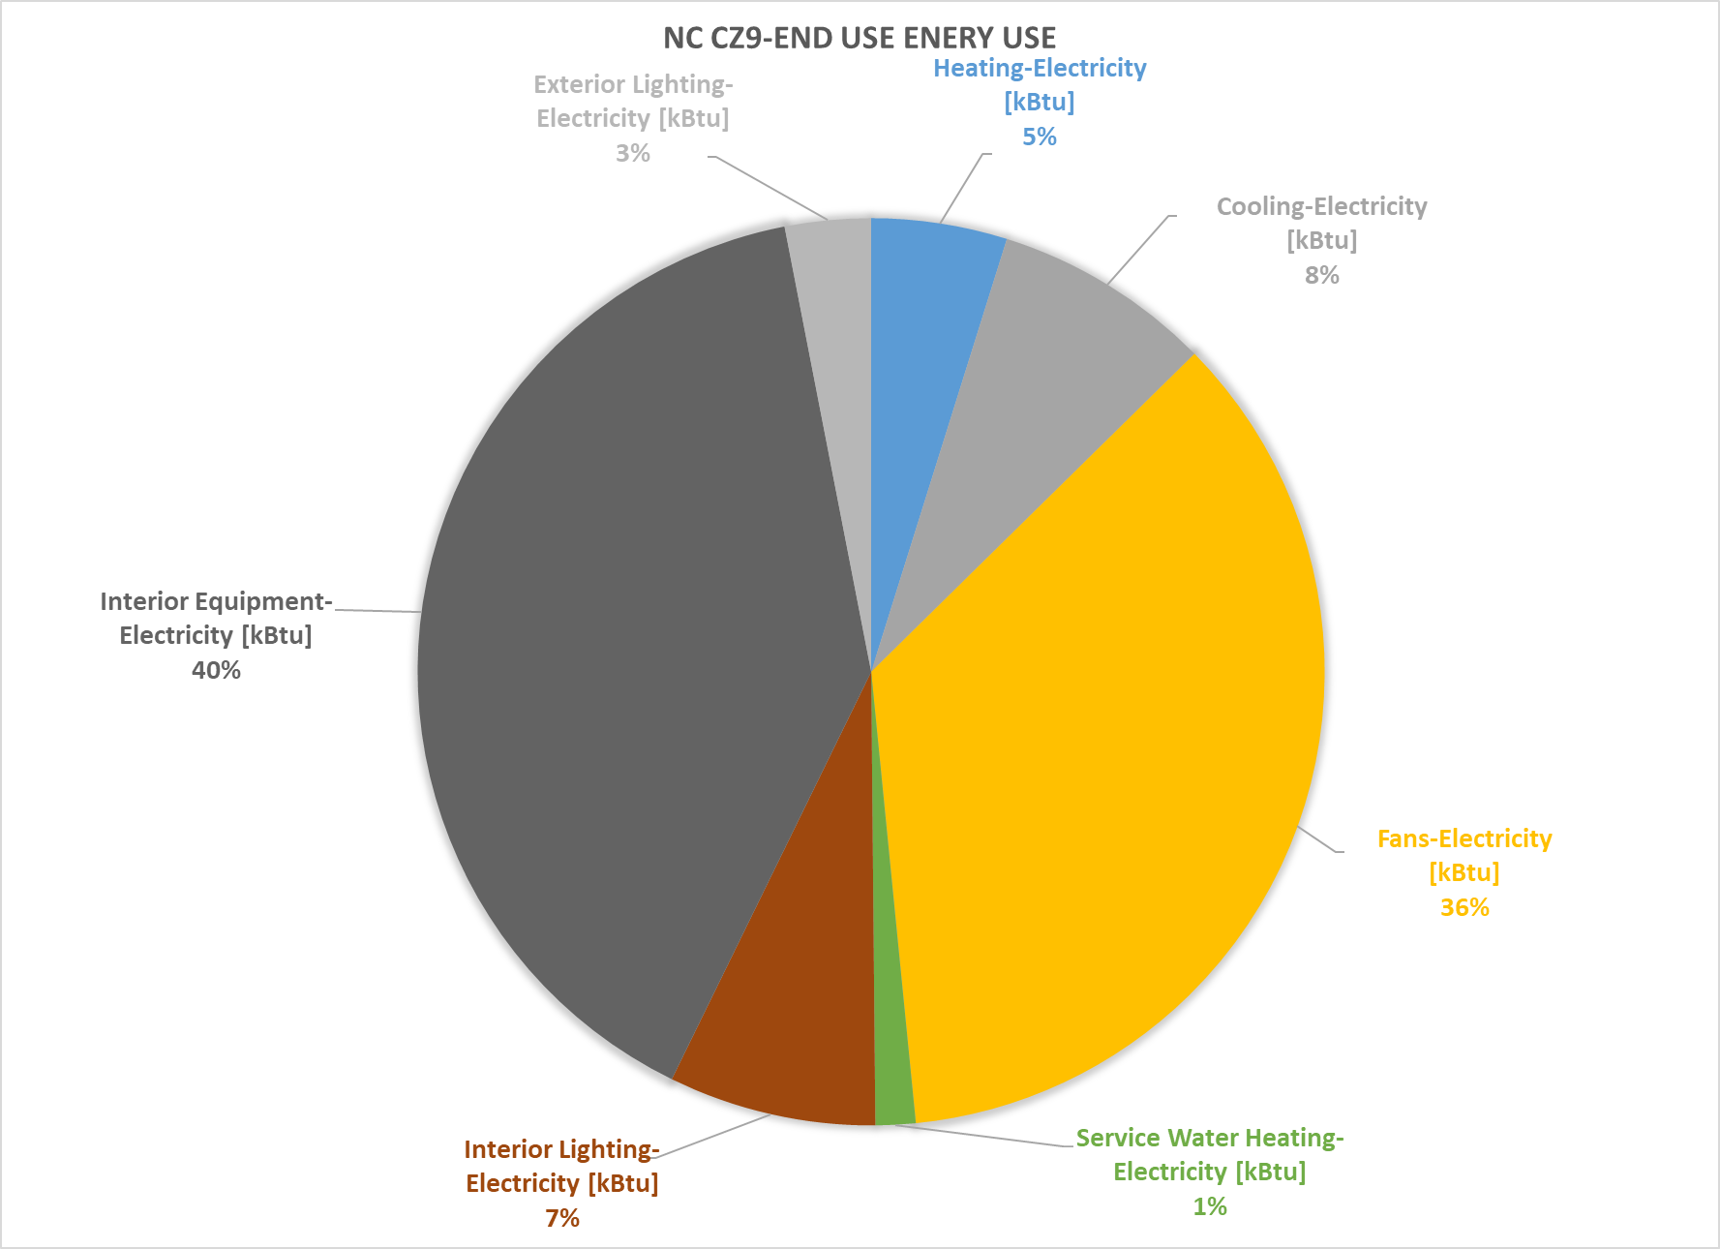
Warehouse CalBEM Prototype vs. CEUS 2022
CalBEM Energy Consumption - Warehouse |  |  |  |  |  |  |  |  |  |  |  | Energy Consumption - Warehouse
Prototype | CZ | CalBEM Electricity EUI (KBTU/ft²) | CalBEM Gas EUI (KBTU/ft²) | CalBEM Total EUI (KBTU/ft²) | New Construction Electricity EUI (KBTU/ft²) | New Construction Gas EUI (KBTU/ft²) | New Construction Total EUI (KBTU/ft²) | National Average | Acceptable Range (25% Higher) | Acceptable Range (25% Lower) | National Average Acceptable EUI Range | Prototype | CZ | Total Floorspace (Thousand of ft²) | Electric Energy Intensity (kWh/ft²) | Annual Gas Intensity (kWh/ft²) | CEUS 2023 Total EUI (kBtu/ft²) | Acceptable Range (25% Higher) | Acceptable Range (25% Lower) | CEUS 2022 Acceptable EUI Range
Warehouse | 1 | 17.2 | 27.2 | 44.4 | 18.1 | 0.66 | 18.76 | 35.5 | 44.375 | 26.625 | 17.75 | Warehouse | 1 | 10,688 | 28.6 | 3.4 | 32.1 | 40.1 | 24.1 | 16.0
 | 2 | 17.4 | 18.0 | 35.5 | 17.34 | 0.38 | 17.72 | 29.9 | 37.375 | 22.425 | 14.95 |  | 2 | 15,367 | 15.0 | 4.5 | 19.6 | 24.4 | 14.7 | 9.8
 | 3 | 16.1 | 14.9 | 31.0 | 15.72 | 0.03 | 15.75 | 28.1 | 35.125 | 21.075 | 14.05 |  | 3 | 68,713 | 25.3 | 7.6 | 32.9 | 41.1 | 24.7 | 16.4
 | 4 | 19.6 | 16.7 | 36.2 | 18.4 | 0.28 | 18.68 | 30.9 | 38.625 | 23.175 | 15.45 |  | 4 | 34,199 | 25.9 | 6.7 | 32.6 | 40.8 | 24.5 | 16.3
 | 5 | 16.6 | 13.6 | 30.1 | 15.91 | 0 | 15.91 | 27.1 | 33.875 | 20.325 | 13.55 |  | 5 | 5,266 | 22.4 | 23.7 | 46.1 | 57.7 | 34.6 | 23.1
 | 6 | 15.0 | 6.2 | 21.2 | 13.86 | 0 | 13.86 | 25.1 | 31.375 | 18.825 | 12.55 |  | 6 | 81,916 | 13.5 | 4.5 | 18.0 | 22.5 | 13.5 | 9.0
 | 7 | 14.8 | 5.3 | 20.1 | 13.47 | 0 | 13.47 | 24.9 | 31.125 | 18.675 | 12.45 |  | 7 | 21,820 | 21.7 | 3.5 | 25.2 | 31.5 | 18.9 | 12.6
 | 8 | 17.9 | 5.4 | 23.3 | 15.57 | 0 | 15.57 | 26.5 | 33.125 | 19.875 | 13.25 |  | 8 | 167,070 | 12.6 | 4.8 | 17.4 | 21.8 | 13.1 | 8.7
 | 9 | 18.7 | 6.8 | 25.4 | 16.22 | 0 | 16.22 | 27.3 | 34.125 | 20.475 | 13.65 |  | 9 | 170,729 | 13.6 | 4.4 | 18.0 | 22.5 | 13.5 | 9.0
 | 10 | 19.2 | 6.9 | 26.1 | 17.06 | 0 | 17.06 | 28.4 | 35.5 | 21.3 | 14.2 |  | 10 | 302,672 | 15.1 | 2.1 | 17.1 | 21.4 | 12.8 | 8.6
 | 11 | 22.0 | 17.6 | 39.5 | 20.8 | 0.83 | 21.63 | 32.8 | 41 | 24.6 | 16.4 |  | 11 | 52,236 | 29.1 | 5.1 | 34.2 | 42.7 | 25.6 | 17.1
 | 12 | 18.8 | 16.7 | 35.5 | 18.47 | 0.56 | 19.03 | 31 | 38.75 | 23.25 | 15.5 |  | 12 | 201,422 | 26.6 | 3.6 | 30.2 | 37.8 | 22.7 | 15.1
 | 13 | 20.8 | 13.2 | 34.0 | 19.69 | 0.38 | 20.07 | 32.5 | 40.625 | 24.375 | 16.25 |  | 13 | 58,241 | 29.1 | 2.9 | 32.0 | 40.0 | 24.0 | 16.0
 | 14 | 22.3 | 17.9 | 40.2 | 21.24 | 0.79 | 22.03 | 33.7 | 42.125 | 25.275 | 16.85 |  | 14 | 70,031 | 17.9 | 2.8 | 20.6 | 25.8 | 15.5 | 10.3
 | 15 | 26.5 | 3.3 | 29.8 | 23.07 | 0.02 | 23.09 | 33.7 | 42.125 | 25.275 | 16.85 |  | 15 | 189,094 | 10.0 | 2.0 | 12.0 | 15.0 | 9.0 | 6.0
 | 16 | 19.3 | 33.9 | 53.2 | 20.72 | 3.94 | 24.66 | 37.6 | 47 | 28.2 | 18.8 |  | 16 | 265,379 | 21.5 | 2.3 | 23.8 | 29.7 | 17.8 | 11.9
Warehouse CalBEM Prototype vs. National Average
 |  |  |  |  |  |  |  |  |  |  |  | Ref: CEUS 2022 Report
 |  |  |  |  |  |  |  |  |  |  |  | And converted FZ level data to CZ level

