Prototype
NORESCO, Updated September 2026
OfficeMedium
Characteristic | Value | Data Sources
Building Type | Medium Office
Building Category | Nonresidential
Version | v2-0
Vintages | 4 Vintages: Pre-1978 , 1978-1997 ,1998-2007 , 2008-2018 New Construction (2019+) | Based on the vintage bin analysis. A summary of the findings is presented in the following paper, with a link provided in the Notes tab: Yousefi, F., Athalye, R. (2025). “Determining Vintage Bins for Prototype Development: An Analysis of California Commercial Buildings.” ASHRAE Annual Conference.
Shape | 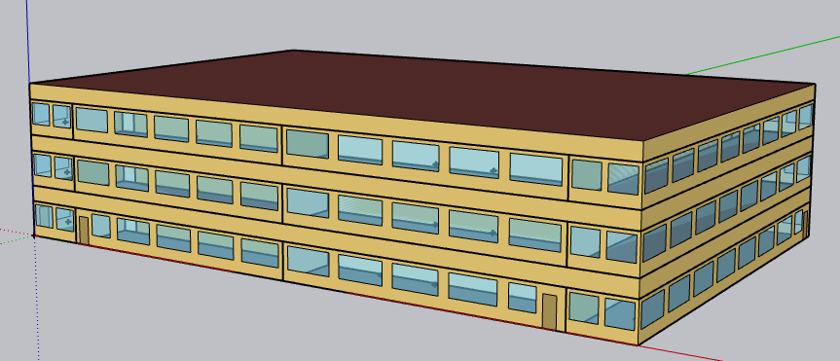 | Assume rectangular shape; supported by CBECS, CEC, and PNNL. The windows have been updated from ribbon style to punched openings. The logic behind the geometry of the CalBEM Office prototypes' shell is described in the following paper, with a link provided in the Notes tab: Yousefi, F., & Athalye, R. (2026). "Developing a New Set of Prototypical Models for Office Buildings in California", IBPSA-USA Conference.
Total Floor Area (ft2) | 53,628 (163.7 ft x 109.2 ft) | Supported by Dodge 2023 data (Same as CEC and PNNL)
Aspect Ratio | 1.5 | Assumption; same as CEC and PNNL Medium Office prototype
Number of Floors | 3 | Supported by Dodge 2023 data (Same as CEC and PNNL) DEER doesn't offer medium office prototype
Roof type | Flat | Supported by CBECS 2018 data (Same as CEC and PNNL)
Window dimensions | 33% | Assumed based on CBECS data; same as CEC and PNNL Medium Office prototype. CBECS: 26-50% Comstock: 26% CEC prototype: 33% same as PNNL DEER: 33% for Large Office prototype | 3 ft from ground, 6*3 feet, 1 ft from ceiling, 2ft from each other.
Shading Geometry | No Shades | Assumption; same as CEC and PNNL Medium Office prototype
Floor to floor height (feet) | 13 | Assumption, standard ceiling height in office buildings; same as CEC and PNNL Medium Office prototype.
Floor to ceiling height (feet) | 9 (4 ft above-ceiling plenum) | Assumption; same as CEC and PNNL Medium Office prototype
Glazing sill height (feet) | 3.35 ft (top of the window is 7.64 ft high with 4.29 ft high glass) | Assumption; same as CEC and PNNL Medium Office prototype

Zones
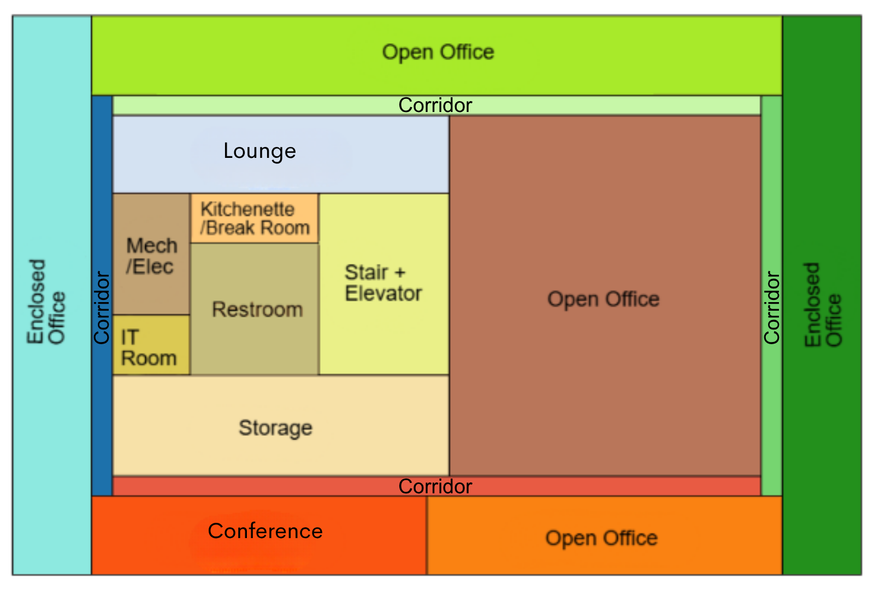
N
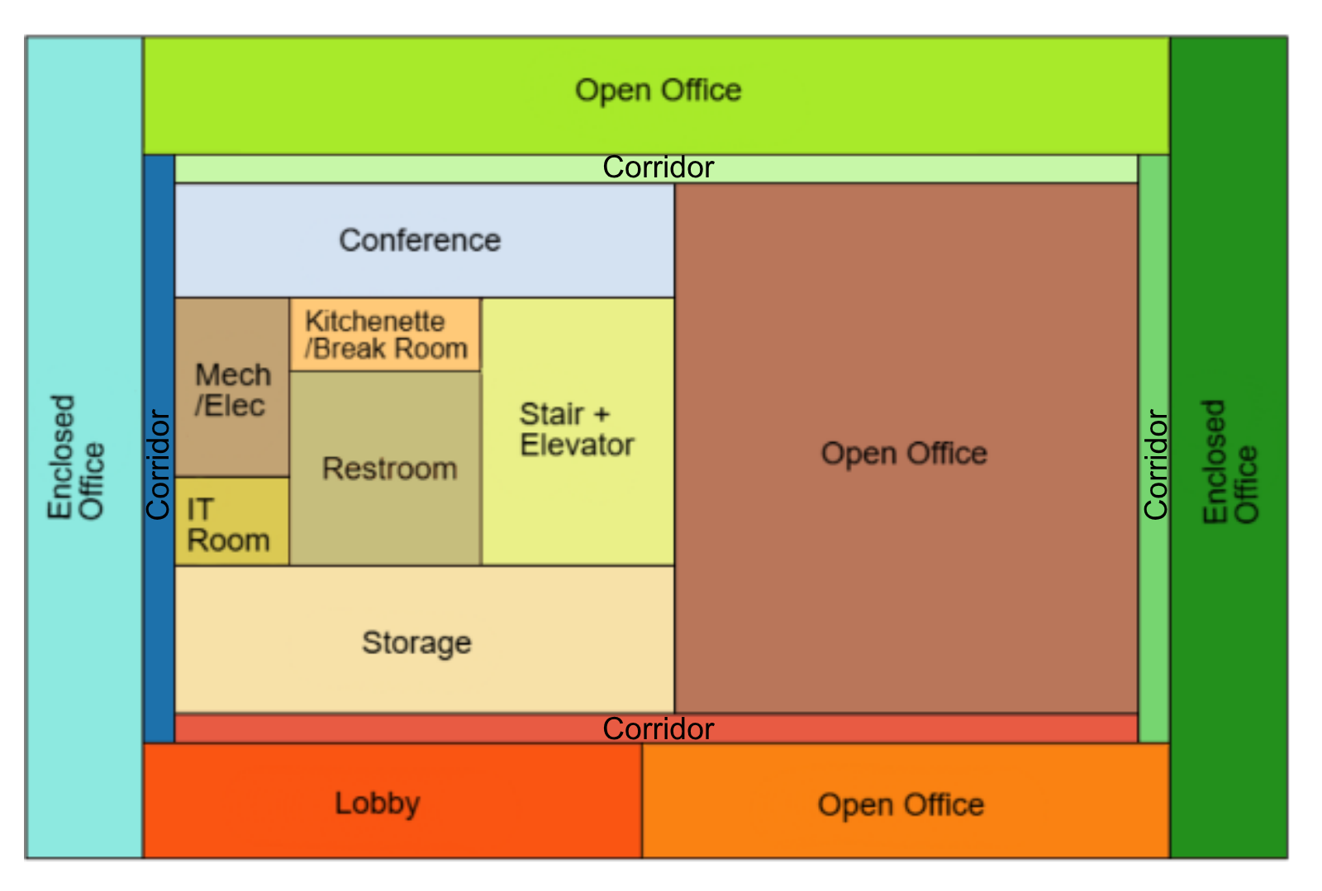
Proposed OfficeMedium |  |  |  |  |  |  |  |  |  |  |  |  |  |  | Layout of Spcase (each space has its own thermal zone)
Building | Space/Thermal Zone | Space Type Primarily from [T24, 2022 Appendix 5.4A] - See Notes column | HVAC System Name Vintage 1&2 | HVAC System Name Vintage 3&4 | HVAC System Name New Construction | Schedule Category | Conditioned (Y/N) | Area Fraction | Area (ft²) | Volume (ft³) | Multipliers | Number of People | People (Persons/1,000 ft²) [T24, 2025,Table 120.1-A] | Notes
OfficeMedium | Open_Office_Core_FloorG | Office Area (>250 square feet) | CAV with Reheat_Core | PVAV_FloorG | VRF System_FloorG + DOAS | Office | Yes | 8.0% | 4,283 | 38,547 | 1 | 21.4 | 5
OfficeMedium | Open_Office_N_FloorG | Office Area (>250 square feet) | CAV with Reheat_North | PVAV_FloorG | VRF System_FloorG + DOAS | Office | Yes | 4.3% | 2,298 | 20,682 | 1 | 11.5 | 5
OfficeMedium | Enclosed_Office_W_FloorG | Office Area (>250 square feet) | CAV with Reheat_West | PVAV_FloorG | VRF System_FloorG + DOAS | Office | Yes | 3.1% | 1,638 | 14,741 | 1 | 8.2 | 5
OfficeMedium | Enclosed_Office_E_FloorG | Office Area (>250 square feet) | CAV with Reheat_East | PVAV_FloorG | VRF System_FloorG + DOAS | Office | Yes | 3.1% | 1,638 | 14,741 | 1 | 8.2 | 5
OfficeMedium | Open_Office_S_FloorG | Office Area (>250 square feet) | CAV with Reheat_South | PVAV_FloorG | VRF System_FloorG + DOAS | Office | Yes | 2.2% | 1,186 | 10,676 | 1 | 5.9 | 5
OfficeMedium | Conference_FloorG | Convention, Conference, Multipurpose and Meeting Area | CAV with Reheat_South | PVAV_FloorG | VRF System_FloorG + DOAS | Office | Yes | 2.1% | 1,112 | 10,006 | 1 | 36.7 | 33 | Persons/1,000 ft²: ORNL: 54, T24:33
OfficeMedium | Lobby_FloorG | Lobby, Main Entry | CAV with Reheat_Core_Service | PVAV_FloorG | VRF System_FloorG + DOAS | Office | Yes | 2.0% | 1,059 | 9,533 | 1 | 10.6 | 10 | For entrance lobbies, assumed 10 persons/1000 ft² based on ASHRAE 62.1 Table 6-1 T24 assumed 33 persons/1,000 ft² for main Entry lobbies & 5 persons/1000 ft² for reception area
OfficeMedium | Storage_FloorG | Storage (General) | CAV with Reheat_Core_Service | PVAV_FloorG | VRF System_FloorG + DOAS | Office | Yes | 1.8% | 983 | 8,848 | 1 | 0.0 | - | Occupant load density for storage is based on T24, 2025, Appendix 5.4A. Conditioned but with higher cooling setpoint
OfficeMedium | Mechanical/Electrical_FloorG | Electrical, Mechanical, Telephone Rooms | CAV with Reheat_Core_Service | PVAV_FloorG | VRF System_FloorG + DOAS | Ancillary | Yes | 0.7% | 357 | 3,216 | 1 | 0.0 | - | Conditioned but with higher cooling setpoint
OfficeMedium | IT-Room_FloorG | IT Room (EPD 12) | CAV with Reheat_Core_Service | PVAV_FloorG | VRF System_FloorG + DOAS | Data | Yes | 0.3% | 179 | 1,610 | 1 | 0.3 | 1.5 | Nonres ACM 2025, Appendix 5.4A
OfficeMedium | Restroom_FloorG | Restrooms |  |  |  | Office | Yes | 1.2% | 644 | 5,792 | 1 | 0.0 | - | Indirectly conditioned
OfficeMedium | BreakRoom/Kitchenette_FloorG | Lounge, Breakroom, or Waiting Area | CAV with Reheat_Core_Service | PVAV_FloorG | VRF System_FloorG + DOAS | Office | Yes | 0.4% | 232 | 2,091 | 1 | 7.7 | 33 | Number of People: T24: 33 for Breakroom
OfficeMedium | Stairway_FloorG | Stairwell | CAV with Reheat_Core_Service | PVAV_FloorG | VRF System_FloorG + DOAS | Ancillary | Yes | 1.2% | 661 | 5,953 | 1 | 0.0 | - | Conditioned but with higher cooling setpoint
OfficeMedium | Corridor_W_FloorG | Corridor Area | CAV with Reheat_West | PVAV_FloorG | VRF System_FloorG + DOAS | Office | Yes | 0.6% | 300 | 2,700 | 1 | 1.5 | 5 |  |  | First Floor |  | Second and Third Floor
OfficeMedium | Corridor_N_FloorG | Corridor Area | CAV with Reheat_North | PVAV_FloorG | VRF System_FloorG + DOAS | Office | Yes | 0.9% | 503 | 4,527 | 1 | 2.5 | 5
OfficeMedium | Corridor_E_FloorG | Corridor Area | CAV with Reheat_East | PVAV_FloorG | VRF System_FloorG + DOAS | Office | Yes | 0.6% | 299 | 2,693 | 1 | 1.5 | 5
OfficeMedium | Corridor_S_FloorG | Corridor Area | CAV with Reheat_South | PVAV_FloorG | VRF System_FloorG + DOAS | Office | Yes | 0.9% | 503 | 4,527 | 1 | 2.5 | 5 |  |  | Area Distribution By Space Type
OfficeMedium | Plenum_FloorG | Plenum | - | - | - | Office | No |  | 17,876 | 71,504 | 1 | 0.0 | - |  |  | Space Type | % Area
OfficeMedium | Open_Office_Core_FloorM | Office Area (>250 square feet) | CAV with Reheat_Core | PVAV_FloorM | VRF System_FloorM + DOAS | Office | Yes | 8.0% | 4,283 | 38,547 | 1 | 21.4 | 5 |  |  | Office Area (>250 square feet) | 61.8%
OfficeMedium | Open_Office_N_FloorM | Office Area (>250 square feet) | CAV with Reheat_North | PVAV_FloorM | VRF System_FloorM + DOAS | Office | Yes | 4.3% | 2,298 | 20,682 | 1 | 11.5 | 5 |  |  | Convention, Conference, Multipurpose and Meeting Area | 6.2%
OfficeMedium | Enclosed_Office_W_FloorM | Office Area (>250 square feet) | CAV with Reheat_West | PVAV_FloorM | VRF System_FloorM + DOAS | Office | Yes | 3.1% | 1,638 | 14,741 | 1 | 8.2 | 5 |  |  | Lobby, Main Entry | 5.9%
OfficeMedium | Enclosed_Office_E_FloorM | Office Area (>250 square feet) | CAV with Reheat_East | PVAV_FloorM | VRF System_FloorM + DOAS | Office | Yes | 3.1% | 1,638 | 14,741 | 1 | 8.2 | 5 |  |  | Storage (General) | 5.5%
OfficeMedium | Open_Office_S_FloorM | Office Area (>250 square feet) | CAV with Reheat_South | PVAV_FloorM | VRF System_FloorM + DOAS | Office | Yes | 2.2% | 1,186 | 10,676 | 1 | 5.9 | 5 |  |  | Electrical, Mechanical, Telephone Rooms | 2.0%
OfficeMedium | Conference_FloorM | Convention, Conference, Multipurpose and Meeting Area | CAV with Reheat_South | PVAV_FloorM | VRF System_FloorM + DOAS | Office | Yes | 2.1% | 1,112 | 10,006 | 1 | 36.7 | 33 |  |  | IT Room (EPD 12) | 1.0%
OfficeMedium | Lounge_FloorM | Lounge, Breakroom, or Waiting Area | CAV with Reheat_Core_Service | PVAV_FloorM | VRF System_FloorM + DOAS | Office | Yes | 2.0% | 1,059 | 9,533 | 1 | 15.9 | 15 | NonRes ACM 2005, Appendix 5.4A assigns 2.5 occupants to kitchenette spaces, but because this room serves as a combined break/kitchenette area—and break rooms assume 33 occupants—we applied a midpoint value. The lounge overlaps functionally with the break area, so its occupant count (33) was reduced to 15 to keep overall loads balanced. |  | Restrooms | 3.6%
OfficeMedium | Storage_FloorM | Storage (General) | CAV with Reheat_Core_Service | PVAV_FloorM | VRF System_FloorM + DOAS | Office | Yes | 1.8% | 983 | 8,848 | 1 | 0.0 | - | Conditioned but with higher cooling setpoint |  | Lounge, Breakroom, or Waiting Area | 1.3%
OfficeMedium | Mechanical/Electrical_FloorM | Electrical, Mechanical, Telephone Rooms | CAV with Reheat_Core_Service | PVAV_FloorM | VRF System_FloorM + DOAS | Ancillary | Yes | 0.7% | 357 | 3,216 | 1 | 0.0 | - | Conditioned but with higher cooling setpoint |  | Stairwell | 3.7%
OfficeMedium | IT-Room_FloorM | IT Room (EPD 12) | CAV with Reheat_Core_Service | PVAV_FloorM | VRF System_FloorM + DOAS | Data | Yes | 0.3% | 179 | 1,610 | 1 | 0.3 | 1.5 | Nonres ACM 2025, Appendix 5.4A |  | Corridor Area | 9.0%
OfficeMedium | Restroom_FloorM | Restrooms |  |  |  | Office | Yes | 1.2% | 644 | 5,792 | 1 | 0.0 | - | Indirectly conditioned |  | Total | 0.0%
OfficeMedium | BreakRoom/Kitchenette_FloorM | Lounge, Breakroom, or Waiting Area | CAV with Reheat_Core_Service | PVAV_FloorM | VRF System_FloorM + DOAS | Office | Yes | 0.4% | 232 | 2,091 | 1 | 7.7 | 33 | Number of People: T24: 33 for Breakroom
OfficeMedium | Stairway_FloorM | Stairwell | CAV with Reheat_Core_Service | PVAV_FloorM | VRF System_FloorM + DOAS | Ancillary | Yes | 1.2% | 661 | 5,953 | 1 | 0.0 | -
OfficeMedium | Corridor_W_FloorM | Corridor Area | CAV with Reheat_West | PVAV_FloorM | VRF System_FloorM + DOAS | Office | Yes | 0.6% | 300 | 2,700 | 1 | 1.5 | 5
OfficeMedium | Corridor_N_FloorM | Corridor Area | CAV with Reheat_North | PVAV_FloorM | VRF System_FloorM + DOAS | Office | Yes | 0.9% | 503 | 4,527 | 1 | 2.5 | 5
OfficeMedium | Corridor_E_FloorM | Corridor Area | CAV with Reheat_East | PVAV_FloorM | VRF System_FloorM + DOAS | Office | Yes | 0.6% | 299 | 2,693 | 1 | 1.5 | 5
OfficeMedium | Corridor_S_FloorM | Corridor Area | CAV with Reheat_South | PVAV_FloorM | VRF System_FloorM + DOAS | Office | Yes | 0.9% | 503 | 4,527 | 1 | 2.5 | 5
OfficeMedium | Plenum_FloorM | Plenum | - | - | - | Office | No |  | 17,876 | 71,504 | 1 | 0.0 | -
OfficeMedium | Open_Office_Core_FloorT | Office Area (>250 square feet) | CAV with Reheat_Core | PVAV_FloorT | VRF System_FloorT + DOAS | Office | Yes | 8.0% | 4,283 | 38,547 | 1 | 21.4 | 5
OfficeMedium | Open_Office_N_FloorT | Office Area (>250 square feet) | CAV with Reheat_North | PVAV_FloorT | VRF System_FloorT + DOAS | Office | Yes | 4.3% | 2,298 | 20,682 | 1 | 11.5 | 5
OfficeMedium | Enclosed_Office_W_FloorT | Office Area (>250 square feet) | CAV with Reheat_West | PVAV_FloorT | VRF System_FloorT + DOAS | Office | Yes | 3.1% | 1,638 | 14,741 | 1 | 8.2 | 5
OfficeMedium | Enclosed_Office_E_FloorT | Office Area (>250 square feet) | CAV with Reheat_East | PVAV_FloorT | VRF System_FloorT + DOAS | Office | Yes | 3.1% | 1,638 | 14,741 | 1 | 8.2 | 5
OfficeMedium | Open_Office_S_FloorT | Office Area (>250 square feet) | CAV with Reheat_South | PVAV_FloorT | VRF System_FloorT + DOAS | Office | Yes | 2.2% | 1,186 | 10,676 | 1 | 5.9 | 5
OfficeMedium | Conference_FloorT | Convention, Conference, Multipurpose and Meeting Area | CAV with Reheat_South | PVAV_FloorT | VRF System_FloorT + DOAS | Office | Yes | 2.1% | 1,112 | 10,006 | 1 | 36.7 | 33
OfficeMedium | Lounge_FloorT | Lounge, Breakroom, or Waiting Area | CAV with Reheat_Core_Service | PVAV_FloorT | VRF System_FloorT + DOAS | Office | Yes | 2.0% | 1,059 | 9,533 | 1 | 15.9 | 15 | T24, 2025, Appendix 5.4A assigns 2.5 occupants to kitchenette spaces, but because this room serves as a combined break/kitchenette area—and break rooms assume 33 occupants—we applied a midpoint value. The lounge overlaps functionally with the break area, so its occupant count (33) was reduced to 15 to keep overall loads balanced.
OfficeMedium | Storage_FloorT | Storage (General) | CAV with Reheat_Core_Service | PVAV_FloorT | VRF System_FloorT + DOAS | Office | Yes | 1.8% | 983 | 8,848 | 1 | 0.0 | - | Conditioned but with higher cooling setpoint
OfficeMedium | Mechanical/Electrical_FloorT | Electrical, Mechanical, Telephone Rooms | CAV with Reheat_Core_Service | PVAV_FloorT | VRF System_FloorT + DOAS | Ancillary | Yes | 0.7% | 357 | 3,216 | 1 | 0.0 | - | Conditioned but with higher cooling setpoint
OfficeMedium | IT-Room_FloorT | IT Room (EPD 12) | CAV with Reheat_Core_Service | PVAV_FloorT | VRF System_FloorT + DOAS | Data | Yes | 0.3% | 179 | 1,610 | 1 | 0.3 | 1.5 | Nonres ACM 2025, Appendix 5.4A
OfficeMedium | Restroom_FloorT | Restrooms |  |  |  | Office | Yes | 1.2% | 644 | 5,792 | 1 | 0.0 | - | Indirectly conditioned
OfficeMedium | BreakRoom/Kitchenette_FloorT | Lounge, Breakroom, or Waiting Area | CAV with Reheat_Core_Service | PVAV_FloorT | VRF System_FloorT + DOAS | Office | Yes | 0.4% | 232 | 2,091 | 1 | 7.7 | 33 | Number of People: T24: 33 for Breakroom
OfficeMedium | Stairway_FloorT | Stairwell | CAV with Reheat_Core_Service | PVAV_FloorT | VRF System_FloorT + DOAS | Ancillary | Yes | 1.2% | 661 | 5,953 | 1 | 0.0 | - | Conditioned but with higher cooling setpoint
OfficeMedium | Corridor_W_FloorT | Corridor Area | CAV with Reheat_West | PVAV_FloorT | VRF System_FloorT + DOAS | Office | Yes | 0.6% | 300 | 2,700 | 1 | 1.5 | 5
OfficeMedium | Corridor_N_FloorT | Corridor Area | CAV with Reheat_North | PVAV_FloorT | VRF System_FloorT + DOAS | Office | Yes | 0.9% | 503 | 4,527 | 1 | 2.5 | 5
OfficeMedium | Corridor_E_FloorT | Corridor Area | CAV with Reheat_East | PVAV_FloorT | VRF System_FloorT + DOAS | Office | Yes | 0.6% | 300 | 2,693 | 1 | 1.5 | 5
OfficeMedium | Corridor_S_FloorT | Corridor Area | CAV with Reheat_South | PVAV_FloorT | VRF System_FloorT + DOAS | Office | Yes | 0.9% | 503 | 4,527 | 1 | 2.5 | 5
OfficeMedium | Plenum_FloorT | Plenum | - | - | - | Office | No |  | 17,876 | 71,504 | 1 | 0.0 | -
Total ( 1 Building) | Total (54 Space) | Total (11 Space Type) | Total (6 HVAC Systems/Airloops) | Total (3 HVAC Systems/Airloops) | Total (4 HVAC Systems/Airloops) | Total (1 category) | Total (51 Conditioned zones, 3 unconditioned zones) | 100.0% | 53,628 | 658,610

 | Ref: Geometry and zones: ORNL 2019 medium office prototype with modification. Note that to reduce simulation time, the floor areas of similar spaces in the middle section are combined, and the number of zones is minimized as much as possible.
 | https://web.eecs.utk.edu/~jnew1/publications/2019_IBPSA_OpenStudioOffice.pdf
 | https://web.eecs.utk.edu/~jnew1/presentations/2019_IBPSA_OpenStudioOffice.pdf

HVAC System
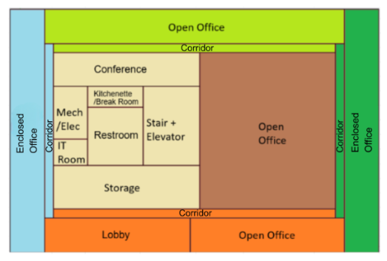
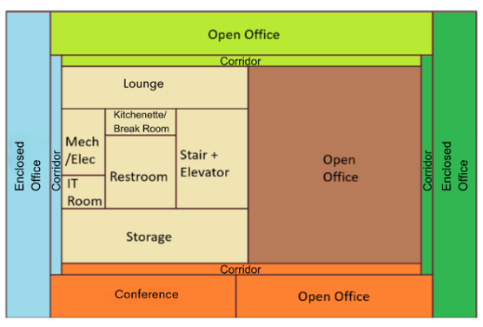
HVAC system - OfficeMedium |  |  |  |  |  |  |  | HVAC System Layout
Vintage | Space/Thermal Zone | Heating | Cooling | Air Distribution | Other systems | Source
Existing | All Except IT Rooms | Furnace (Gas) | Packaged (DX) | CAV with Reheat for the first two vintages VAV with Reheat for vintage 3 and 4 | OA mix through air handler Economizer for Vintage 3 and 4 DCV for Vintage 4 (for qualifying high density rooms) | CEUS 2022 + Engineering Judgement
 | IT Room | - | DX Computer Room Air Conditioner (CRAC) | CAV | _ | Engineering Judgement
New Construction | All Except IT Rooms | VRF | VRF | VRF | DOAS Economizer ERV DCV for qualifying high density rooms | T24, 2025
 | IT Room | - | DX Computer Room Air Conditioner (CRAC) | CAV | _ | T24 2025

 |  |  |  |  |  |  |  | First Floor |  | Second and Third Floor
Efficiency of HVAC System (Efficiency is capacity-dependent. The following table provides a general estimate of system efficiency based on preliminary simulations in one climate zone, or assuming cooling load based on rule of thumb)
Vintage | HVAC System Type | Upgrade/Installed year | DX Computer Room Air Conditioner (CRAC) | Heating | Cooling | Source
Pre 1978 | Packaged CAV - DX with Gas Furnace | 2008 | 11 EER for <65 kBtu/h 10.4 EER for 65-135 kBtu/h 10.2 EER for 135-240 kBtu/h | Thermal efficiency (Et) of 80% | 10.1 EER for 65-135 kBtu/h 9.5 EER for 135-240 kBtu/h 9.3 EER & 9.7 IPLV for >240 kBtu/h | T24, Table 112-A (2008) California Title 20 Appliance Efficiency Regulations, Table E-4, Standards for Gas- and Oil-Fired Central Furnaces (2008) CRAC: California Title 20 Appliance Efficiency Regulations, §1605.3(c)(2), Tables C-9 (2008)
1978-1997
1998-2007 | Packaged VAV - DX with Gas Furnace | 2008 | 11 EER for <65 kBtu/h 10.4 EER for 65-135 kBtu/h 10.2 EER for 135-240 kBtu/h | Thermal efficiency (Et) of 80% | 10.1 EER for 65-135 kBtu/h 9.5 EER for 135-240 kBtu/h 9.3 EER & 9.7 IPLV for >240 kBtu/h
2008-2018 | Packaged VAV - DX with Gas Furnace | 2013 | SCOP= 2.44 for <65 kBtu/h 2.34 for 65-240 kBtu/h 2.24 for >240 kBtu/h | Thermal efficiency (Et) of 80% or 78% AFUE | SEER 13 for <65 kBtu/h 11 EER & 11.2 IEER for 65-135 kBtu/h 10.8 EER & 11 IEER for 135-240 kBtu/h 9.8 EER & 9.9 IEER for >240 kBtu/h | T24, Table 110.2-J & Table 110.2-A (2013) CRAC: 10 CFR §431.97(f)(1), Table 7 (2013)
New Construction | VRF | 2025 | NSenCOP= 2.09 for <65 kBtu/h 1.99 for 65-240 kBtu/h 1,81 for >240 kBtu/h | 7.5 HSPF2 for <65 kBtu/h 3.3 COP for 65-135 kBtu/h 3.2 COP for 135-240 kBtu/h 3.2 COP for >240 kBtu/h | 10.1 EER & 14.4 IEER for 65-135 kBtu/h 9.7 EER & 13.7 IEER for 135-240 kBtu/h 8.9 EER & 12.5 IEER for >240 kBtu/h | T24, Table 110.2-G (2025) 10 CFR § 431.97 Table 16 (2025) CRAC: 10 CFR § 431.97, Table 13 (2025)

Fan power
Vintage | Approach | System | Total Static Pressure (TSP) (in w.c.) | Fan Efficiency [ACM 2025] | Motor Efficiency | Fan Power Index (W/cfm) | Data Source | Note
Existing | PNNL 90 1-2011, TSP | CAV System <7,437 cfm | 2.5 | 0.65 | According to PNNL 20405 section 5.2.2.5, the full-load efficiency of the motor serving the fan is taken from ASHRAE 90.1, 2004, Table 10.8, based on motor nameplate and assuming enclosed motors operating at 1,800 rotations per minute (rpm) Motor nameplate size in hp = brake horsepower (bhp) × 1.1 ( using a 10% oversizing factor) Brake horsepower (bhp) = (Supply cfm from sizing run × TSP in w.c.) / (6356 × fan efficiency) | Fan power in W/cfm = (TSP in w.c. × 746) / (6356 × fan efficiency × motor and drive efficiency | Fan power formula: PNNL 20405, 2010, section 5.2.2.5 TSP and fan efficiecncy: PNNL 20405, 2010, Table 5.11, 90.1-04ac values Motor and drive efficiency: ASHRAE 90.1, 2004, Table 10.8 |  | PNNL 20405, 2010, Table 5.11
 |  | CAV System >7,437 cfm | 4.09 | 0.65
 |  | VAV System > 4,648 cfm | 5.58 | 0.65
Brake horsepower (bhp) = (Supply cfm × TSP in w.c.) / (6356 × fan efficiency)
Fan power (w/cfm) = (bhp × 746) / ( supply cfm × motor efficiency )
New Construction | ACM 2025 | Small indoor fan at zone (for VRF) <1,600 cfm | 1.66 | 0.65 | The full‑load efficiency of the motor serving the fan is taken from ACM 2025 Table 12 based on the cfm of the fan. Motor horsepower in hp = (Supply cfm from sizing run × fan power in W/cfm) / 746. Considering a maximum airflow of 1,600 cfm for the VRF indoor fan (based on the sizing run), the resulting motor power is less than 1 hp. Therefore, motor efficiency is 85.5% according to ACM 2025 Table 12. In larger fan, motor effiiceny is higher. | 0.35 | Fan power index (0.35 w/cfm): [T24, 2025, Section 140.4(a)3 D] Motot efficiency: [ ACM 2025, Table 12] | 0.35 W/CFM is for the indoor unit fan. For main HVAC system fan (if applicable), the fan power must be determined using the 2025 ACM Table 13.
 |  |  | TSP (E+ input) in w.c. = fan power in W/cfm × motor effciency × fan efficiecny × 6356 / 746

$$bhp=\frac{cfm∗{TSP}_{in w.c.}}{{6356∗μ}_{fan}}$$

$${Fan power}_{w/cfm}=\frac{bhp∗746}{cfm∗μ_{motor}}$$

$$bhp=\frac{{Fan power}_{w/cfm}∗cfm∗μ_{motor}}{746}$$

 | 𝜇_𝑚𝑜𝑡𝑜𝑟 : Motor and drive efficiency |  |  | (〖Fna power〗_(w/cfm)∗cfm∗μ_motor)/746

$${Fan power}_{w/cfm}=\frac{{TSP}_{in w.c}∗746}{6356∗μ_{fan}∗μ_{motor}}$$

Schedules
Occupancy
Schedules - OfficeMedium
Zone | Schedule Category | Schedule | Source | Type | Hour
 |  |  |  |  | 1 | 2 | 3 | 4 | 5 | 6 | 7 | 8 | 9 | 10 | 11 | 12 | 13 | 14 | 15 | 16 | 17 | 18 | 19 | 20 | 21 | 22 | 23 | 24
All zones except for IT Rooms, Stairway, and Mechanical_Electrical | Office | Occupancy | T24 2022 - Appendix 5.4B, [Office] Updated base on Plug load and schedules project with CEC, 2025 | Weekday | 0.00 | 0.00 | 0.00 | 0.00 | 0.00 | 0.00 | 0.10 | 0.20 | 0.95 | 0.95 | 0.95 | 0.95 | 0.50 | 0.95 | 0.95 | 0.95 | 0.95 | 0.30 | 0.10 | 0.10 | 0.10 | 0.10 | 0.05 | 0.05
 |  |  |  | Saturday | 0.00 | 0.00 | 0.00 | 0.00 | 0.00 | 0.00 | 0.05 | 0.05 | 0.05 | 0.05 | 0.05 | 0.05 | 0.05 | 0.05 | 0.05 | 0.05 | 0.05 | 0.05 | 0.00 | 0.00 | 0.00 | 0.00 | 0.00 | 0.00
 |  |  |  | Sunday | 0.00 | 0.00 | 0.00 | 0.00 | 0.00 | 0.00 | 0.05 | 0.05 | 0.05 | 0.05 | 0.05 | 0.05 | 0.05 | 0.05 | 0.05 | 0.05 | 0.05 | 0.05 | 0.00 | 0.00 | 0.00 | 0.00 | 0.00 | 0.00
Lights
All zones except for IT Rooms, Stairway, and Mechanical_Electrical | Office | Lights | T24 2022 - Appendix 5.4B, [Office] | Weekday | 0.05 | 0.05 | 0.05 | 0.05 | 0.05 | 0.10 | 0.10 | 0.30 | 0.65 | 0.65 | 0.65 | 0.65 | 0.65 | 0.65 | 0.65 | 0.65 | 0.65 | 0.35 | 0.30 | 0.30 | 0.20 | 0.20 | 0.10 | 0.05
 |  |  |  | Saturday | 0.05 | 0.05 | 0.05 | 0.05 | 0.05 | 0.05 | 0.15 | 0.15 | 0.15 | 0.15 | 0.15 | 0.15 | 0.15 | 0.15 | 0.15 | 0.15 | 0.15 | 0.15 | 0.05 | 0.05 | 0.05 | 0.05 | 0.05 | 0.05
 |  |  |  | Sunday | 0.05 | 0.05 | 0.05 | 0.05 | 0.05 | 0.05 | 0.15 | 0.15 | 0.15 | 0.15 | 0.15 | 0.15 | 0.15 | 0.15 | 0.15 | 0.15 | 0.15 | 0.15 | 0.05 | 0.05 | 0.05 | 0.05 | 0.05 | 0.05
ElecEquipment
All zones except for IT Rooms, Stairway, and Mechanical_Electrical | Office | ElecEquipment | Plug load and schedules project with CEC, 2025 | Weekday | 0.45 | 0.45 | 0.45 | 0.45 | 0.45 | 0.45 | 0.45 | 0.74 | 0.87 | 0.90 | 0.90 | 0.90 | 0.90 | 0.90 | 0.90 | 0.90 | 0.90 | 0.70 | 0.50 | 0.50 | 0.50 | 0.45 | 0.45 | 0.45
 |  |  |  | Saturday | 0.43 | 0.43 | 0.43 | 0.43 | 0.43 | 0.43 | 0.43 | 0.43 | 0.43 | 0.43 | 0.43 | 0.43 | 0.43 | 0.43 | 0.43 | 0.43 | 0.43 | 0.43 | 0.43 | 0.43 | 0.43 | 0.43 | 0.43 | 0.43
 |  |  |  | Sunday | 0.43 | 0.43 | 0.43 | 0.43 | 0.43 | 0.43 | 0.43 | 0.43 | 0.43 | 0.43 | 0.43 | 0.43 | 0.43 | 0.43 | 0.43 | 0.43 | 0.43 | 0.43 | 0.43 | 0.43 | 0.43 | 0.43 | 0.43 | 0.43
HVACAvail
All zones except for IT Rooms, Stairway, and Mechanical_Electrical | Office | HVACAvail | T24 2022 - Appendix 5.4B, [Office] Updated base on Plug load and schedules project with CEC, 2025 | Weekday | 0.00 | 0.00 | 0.00 | 0.00 | 0.00 | 1.00 | 1.00 | 1.00 | 1.00 | 1.00 | 1.00 | 1.00 | 1.00 | 1.00 | 1.00 | 1.00 | 1.00 | 1.00 | 1.00 | 1.00 | 1.00 | 1.00 | 1.00 | 1.00
 |  |  |  | Saturday | 0.00 | 0.00 | 0.00 | 0.00 | 0.00 | 0.00 | 0.00 | 0.00 | 0.00 | 0.00 | 0.00 | 0.00 | 0.00 | 0.00 | 0.00 | 0.00 | 0.00 | 0.00 | 0.00 | 0.00 | 0.00 | 0.00 | 0.00 | 0.00
 |  |  |  | Sunday | 0.00 | 0.00 | 0.00 | 0.00 | 0.00 | 0.00 | 0.00 | 0.00 | 0.00 | 0.00 | 0.00 | 0.00 | 0.00 | 0.00 | 0.00 | 0.00 | 0.00 | 0.00 | 0.00 | 0.00 | 0.00 | 0.00 | 0.00 | 0.00
ServiceHotWater
All zones except for IT Rooms, Stairway, and Mechanical_Electrical | Office | ServiceHotWater | T24 2022 - Appendix 5.4B, [Office] | Weekday | 0.05 | 0.05 | 0.05 | 0.05 | 0.05 | 0.08 | 0.07 | 0.19 | 0.35 | 0.38 | 0.39 | 0.47 | 0.57 | 0.54 | 0.34 | 0.33 | 0.44 | 0.26 | 0.21 | 0.15 | 0.17 | 0.08 | 0.05 | 0.05
 |  |  |  | Saturday | 0.04 | 0.04 | 0.04 | 0.04 | 0.04 | 0.07 | 0.04 | 0.04 | 0.04 | 0.04 | 0.04 | 0.06 | 0.06 | 0.09 | 0.06 | 0.04 | 0.04 | 0.04 | 0.04 | 0.04 | 0.04 | 0.07 | 0.04 | 0.04
 |  |  |  | Sunday | 0.04 | 0.04 | 0.04 | 0.04 | 0.04 | 0.07 | 0.04 | 0.04 | 0.04 | 0.04 | 0.04 | 0.06 | 0.06 | 0.09 | 0.06 | 0.04 | 0.04 | 0.04 | 0.04 | 0.04 | 0.04 | 0.07 | 0.04 | 0.04
All zones except for IT Rooms, Stairway, and Mechanical_Electrical | Office | Infiltration | T24 2022 - Appendix 5.4B, [Office] Updated base on Plug load and schedules project with CEC, 202 | Weekday | 1.00 | 1.00 | 1.00 | 1.00 | 1.00 | 0.25 | 0.25 | 0.25 | 0.25 | 0.25 | 0.25 | 0.25 | 0.25 | 0.25 | 0.25 | 0.25 | 0.25 | 0.25 | 0.25 | 0.25 | 0.25 | 0.25 | 0.25 | 0.25
 |  |  |  | Saturday | 1.00 | 1.00 | 1.00 | 1.00 | 1.00 | 1.00 | 1.00 | 1.00 | 1.00 | 1.00 | 1.00 | 1.00 | 1.00 | 1.00 | 1.00 | 1.00 | 1.00 | 1.00 | 1.00 | 1.00 | 1.00 | 1.00 | 1.00 | 1.00
 |  |  |  | Sunday | 1.00 | 1.00 | 1.00 | 1.00 | 1.00 | 1.00 | 1.00 | 1.00 | 1.00 | 1.00 | 1.00 | 1.00 | 1.00 | 1.00 | 1.00 | 1.00 | 1.00 | 1.00 | 1.00 | 1.00 | 1.00 | 1.00 | 1.00 | 1.00
All zones except for IT Rooms, Stairway, and Mechanical_Electrical | Office | HtgSetpt |  | Weekday | 60 | 60 | 60 | 60 | 60 | 70 | 70 | 70 | 70 | 70 | 70 | 70 | 70 | 70 | 70 | 70 | 70 | 70 | 70 | 70 | 70 | 70 | 70 | 70
 |  |  |  | Saturday | 60 | 60 | 60 | 60 | 60 | 60 | 60 | 60 | 60 | 60 | 60 | 60 | 60 | 60 | 60 | 60 | 60 | 60 | 60 | 60 | 60 | 60 | 60 | 60
 |  |  |  | Sunday | 60 | 60 | 60 | 60 | 60 | 60 | 60 | 60 | 60 | 60 | 60 | 60 | 60 | 60 | 60 | 60 | 60 | 60 | 60 | 60 | 60 | 60 | 60 | 60
All zones except for IT Rooms, Stairway, and Mechanical_Electrical | Office | ClgSetpt |  | Weekday | 85 | 85 | 85 | 85 | 85 | 75 | 75 | 75 | 75 | 75 | 75 | 75 | 75 | 75 | 75 | 75 | 75 | 75 | 75 | 75 | 75 | 75 | 75 | 75
 |  |  |  | Saturday | 85 | 85 | 85 | 85 | 85 | 85 | 85 | 85 | 85 | 85 | 85 | 85 | 85 | 85 | 85 | 85 | 85 | 85 | 85 | 85 | 85 | 85 | 85 | 85
 |  |  |  | Sunday | 85 | 85 | 85 | 85 | 85 | 85 | 85 | 85 | 85 | 85 | 85 | 85 | 85 | 85 | 85 | 85 | 85 | 85 | 85 | 85 | 85 | 85 | 85 | 85
Data
IT room | Data | Occupancy | T24 2022 - Appendix 5.4B, [Data] Updated base on office schedule | Weekday | 0.00 | 0.00 | 0.00 | 0.00 | 0.05 | 0.10 | 0.25 | 0.65 | 0.65 | 0.65 | 0.65 | 0.60 | 0.60 | 0.65 | 0.65 | 0.65 | 0.65 | 0.40 | 0.25 | 0.10 | 0.05 | 0.05 | 0.05 | 0.00
 |  |  |  | Saturday | 0.00 | 0.00 | 0.00 | 0.00 | 0.00 | 0.00 | 0.00 | 0.05 | 0.05 | 0.05 | 0.05 | 0.05 | 0.05 | 0.05 | 0.05 | 0.05 | 0.05 | 0.05 | 0.05 | 0.05 | 0.00 | 0.00 | 0.00 | 0.00
 |  |  |  | Sunday | 0.00 | 0.00 | 0.00 | 0.00 | 0.00 | 0.00 | 0.00 | 0.05 | 0.05 | 0.05 | 0.05 | 0.05 | 0.05 | 0.05 | 0.05 | 0.05 | 0.05 | 0.05 | 0.05 | 0.05 | 0.00 | 0.00 | 0.00 | 0.00
IT room | Data | Lights | T24 2022 - Appendix 5.4B, [Data] Updated base on office schedule | Weekday | 0.05 | 0.05 | 0.05 | 0.05 | 0.10 | 0.20 | 0.40 | 0.70 | 0.80 | 0.85 | 0.85 | 0.85 | 0.85 | 0.85 | 0.85 | 0.85 | 0.85 | 0.80 | 0.35 | 0.10 | 0.10 | 0.10 | 0.10 | 0.10
 |  |  |  | Saturday | 0.05 | 0.05 | 0.05 | 0.05 | 0.05 | 0.10 | 0.10 | 0.15 | 0.15 | 0.15 | 0.15 | 0.15 | 0.15 | 0.15 | 0.15 | 0.15 | 0.15 | 0.10 | 0.10 | 0.10 | 0.05 | 0.05 | 0.05 | 0.05
 |  |  |  | Sunday | 0.05 | 0.05 | 0.05 | 0.05 | 0.05 | 0.10 | 0.10 | 0.15 | 0.15 | 0.15 | 0.15 | 0.15 | 0.15 | 0.15 | 0.15 | 0.15 | 0.15 | 0.10 | 0.10 | 0.10 | 0.05 | 0.05 | 0.05 | 0.05
IT room | Data | HVACAvail | T24 2022 - Appendix 5.4B, [Data] | Weekday | 1.00 | 1.00 | 1.00 | 1.00 | 1.00 | 1.00 | 1.00 | 1.00 | 1.00 | 1.00 | 1.00 | 1.00 | 1.00 | 1.00 | 1.00 | 1.00 | 1.00 | 1.00 | 1.00 | 1.00 | 1.00 | 1.00 | 1.00 | 1.00
 |  |  |  | Saturday | 1.00 | 1.00 | 1.00 | 1.00 | 1.00 | 1.00 | 1.00 | 1.00 | 1.00 | 1.00 | 1.00 | 1.00 | 1.00 | 1.00 | 1.00 | 1.00 | 1.00 | 1.00 | 1.00 | 1.00 | 1.00 | 1.00 | 1.00 | 1.00
 |  |  |  | Sunday | 1.00 | 1.00 | 1.00 | 1.00 | 1.00 | 1.00 | 1.00 | 1.00 | 1.00 | 1.00 | 1.00 | 1.00 | 1.00 | 1.00 | 1.00 | 1.00 | 1.00 | 1.00 | 1.00 | 1.00 | 1.00 | 1.00 | 1.00 | 1.00
IT room | Data | ServiceHotWater | T24 2022 - Appendix 5.4B, [Data] | Weekday | 0.00 | 0.00 | 0.00 | 0.00 | 0.10 | 0.10 | 0.50 | 0.50 | 0.50 | 0.50 | 0.70 | 0.90 | 0.90 | 0.50 | 0.50 | 0.70 | 0.50 | 0.50 | 0.50 | 0.10 | 0.10 | 0.10 | 0.10 | 0.00
 |  |  |  | Saturday | 0.00 | 0.00 | 0.00 | 0.00 | 0.00 | 0.00 | 0.00 | 0.00 | 0.00 | 0.00 | 0.00 | 0.00 | 0.00 | 0.00 | 0.00 | 0.00 | 0.00 | 0.00 | 0.00 | 0.00 | 0.00 | 0.00 | 0.00 | 0.00
 |  |  |  | Sunday | 0.00 | 0.00 | 0.00 | 0.00 | 0.00 | 0.00 | 0.00 | 0.00 | 0.00 | 0.00 | 0.00 | 0.00 | 0.00 | 0.00 | 0.00 | 0.00 | 0.00 | 0.00 | 0.00 | 0.00 | 0.00 | 0.00 | 0.00 | 0.00
IT room | Data | Infiltration | T24 2022 - Appendix 5.4B, [Data] | Weekday | 0.25 | 0.25 | 0.25 | 0.25 | 0.25 | 0.25 | 0.25 | 0.25 | 0.25 | 0.25 | 0.25 | 0.25 | 0.25 | 0.25 | 0.25 | 0.25 | 0.25 | 0.25 | 0.25 | 0.25 | 0.25 | 0.25 | 0.25 | 0.25
 |  |  |  | Saturday | 0.25 | 0.25 | 0.25 | 0.25 | 0.25 | 0.25 | 0.25 | 0.25 | 0.25 | 0.25 | 0.25 | 0.25 | 0.25 | 0.25 | 0.25 | 0.25 | 0.25 | 0.25 | 0.25 | 0.25 | 0.25 | 0.25 | 0.25 | 0.25
 |  |  |  | Sunday | 0.25 | 0.25 | 0.25 | 0.25 | 0.25 | 0.25 | 0.25 | 0.25 | 0.25 | 0.25 | 0.25 | 0.25 | 0.25 | 0.25 | 0.25 | 0.25 | 0.25 | 0.25 | 0.25 | 0.25 | 0.25 | 0.25 | 0.25 | 0.25
IT room | Data | ClgSetpt | Based on Activity level and thermostat setpoint | Weekday | 80 | 80 | 80 | 80 | 80 | 80 | 80 | 80 | 80 | 80 | 80 | 80 | 80 | 80 | 80 | 80 | 80 | 80 | 80 | 80 | 80 | 80 | 80 | 80
 |  |  |  | Saturday | 80 | 80 | 80 | 80 | 80 | 80 | 80 | 80 | 80 | 80 | 80 | 80 | 80 | 80 | 80 | 80 | 80 | 80 | 80 | 80 | 80 | 80 | 80 | 80
 |  |  |  | Sunday | 80 | 80 | 80 | 80 | 80 | 80 | 80 | 80 | 80 | 80 | 80 | 80 | 80 | 80 | 80 | 80 | 80 | 80 | 80 | 80 | 80 | 80 | 80 | 80
Stairway and Mechanical_Electrical
Stairway, and Mechanical_Electrical | Ancillary | Occupancy | T24 2022 - Appendix 5.4B, [Data] Updated base on office schedule | Weekday | 0.00 | 0.00 | 0.00 | 0.00 | 0.00 | 0.00 | 0.10 | 0.20 | 0.95 | 0.95 | 0.95 | 0.95 | 0.50 | 0.95 | 0.95 | 0.95 | 0.95 | 0.30 | 0.10 | 0.10 | 0.10 | 0.10 | 0.05 | 0.05
 |  |  |  | Saturday | 0.00 | 0.00 | 0.00 | 0.00 | 0.00 | 0.00 | 0.05 | 0.05 | 0.05 | 0.05 | 0.05 | 0.05 | 0.05 | 0.05 | 0.05 | 0.05 | 0.05 | 0.05 | 0.00 | 0.00 | 0.00 | 0.00 | 0.00 | 0.00
 |  |  |  | Sunday | 0.00 | 0.00 | 0.00 | 0.00 | 0.00 | 0.00 | 0.05 | 0.05 | 0.05 | 0.05 | 0.05 | 0.05 | 0.05 | 0.05 | 0.05 | 0.05 | 0.05 | 0.05 | 0.00 | 0.00 | 0.00 | 0.00 | 0.00 | 0.00
Stairway, and Mechanical_Electrical | Ancillary | Lights | T24 2022 - Appendix 5.4B, [Data] Updated base on office schedule | Weekday | 0.05 | 0.05 | 0.05 | 0.05 | 0.05 | 0.10 | 0.10 | 0.30 | 0.65 | 0.65 | 0.65 | 0.65 | 0.65 | 0.65 | 0.65 | 0.65 | 0.65 | 0.35 | 0.30 | 0.30 | 0.20 | 0.20 | 0.10 | 0.05
 |  |  |  | Saturday | 0.05 | 0.05 | 0.05 | 0.05 | 0.05 | 0.05 | 0.15 | 0.15 | 0.15 | 0.15 | 0.15 | 0.15 | 0.15 | 0.15 | 0.15 | 0.15 | 0.15 | 0.15 | 0.05 | 0.05 | 0.05 | 0.05 | 0.05 | 0.05
 |  |  |  | Sunday | 0.05 | 0.05 | 0.05 | 0.05 | 0.05 | 0.05 | 0.15 | 0.15 | 0.15 | 0.15 | 0.15 | 0.15 | 0.15 | 0.15 | 0.15 | 0.15 | 0.15 | 0.15 | 0.05 | 0.05 | 0.05 | 0.05 | 0.05 | 0.05
Stairway, and Mechanical_Electrical | Ancillary | HVACAvail | T24 2022 - Appendix 5.4B, [Data] | Weekday | 0.00 | 0.00 | 0.00 | 0.00 | 0.00 | 1.00 | 1.00 | 1.00 | 1.00 | 1.00 | 1.00 | 1.00 | 1.00 | 1.00 | 1.00 | 1.00 | 1.00 | 1.00 | 1.00 | 1.00 | 1.00 | 1.00 | 1.00 | 1.00
 |  |  |  | Saturday | 0.00 | 0.00 | 0.00 | 0.00 | 0.00 | 0.00 | 0.00 | 0.00 | 0.00 | 0.00 | 0.00 | 0.00 | 0.00 | 0.00 | 0.00 | 0.00 | 0.00 | 0.00 | 0.00 | 0.00 | 0.00 | 0.00 | 0.00 | 0.00
 |  |  |  | Sunday | 0.00 | 0.00 | 0.00 | 0.00 | 0.00 | 0.00 | 0.00 | 0.00 | 0.00 | 0.00 | 0.00 | 0.00 | 0.00 | 0.00 | 0.00 | 0.00 | 0.00 | 0.00 | 0.00 | 0.00 | 0.00 | 0.00 | 0.00 | 0.00
Stairway, and Mechanical_Electrical | Ancillary | ServiceHotWater | T24 2022 - Appendix 5.4B, [Data] | Weekday | 0.00 | 0.00 | 0.00 | 0.00 | 0.00 | 0.00 | 0.00 | 0.00 | 0.00 | 0.00 | 0.00 | 0.00 | 0.00 | 0.00 | 0.00 | 0.00 | 0.00 | 0.00 | 0.00 | 0.00 | 0.00 | 0.00 | 0.00 | 0.00
 |  |  |  | Saturday | 0.00 | 0.00 | 0.00 | 0.00 | 0.00 | 0.00 | 0.00 | 0.00 | 0.00 | 0.00 | 0.00 | 0.00 | 0.00 | 0.00 | 0.00 | 0.00 | 0.00 | 0.00 | 0.00 | 0.00 | 0.00 | 0.00 | 0.00 | 0.00
 |  |  |  | Sunday | 0.00 | 0.00 | 0.00 | 0.00 | 0.00 | 0.00 | 0.00 | 0.00 | 0.00 | 0.00 | 0.00 | 0.00 | 0.00 | 0.00 | 0.00 | 0.00 | 0.00 | 0.00 | 0.00 | 0.00 | 0.00 | 0.00 | 0.00 | 0.00
Stairway, and Mechanical_Electrical | Ancillary | Infiltration | T24 2022 - Appendix 5.4B, [Data] | Weekday | 1.00 | 1.00 | 1.00 | 1.00 | 1.00 | 0.25 | 0.25 | 0.25 | 0.25 | 0.25 | 0.25 | 0.25 | 0.25 | 0.25 | 0.25 | 0.25 | 0.25 | 0.25 | 0.25 | 0.25 | 0.25 | 0.25 | 0.25 | 0.25
 |  |  |  | Saturday | 1.00 | 1.00 | 1.00 | 1.00 | 1.00 | 1.00 | 1.00 | 1.00 | 1.00 | 1.00 | 1.00 | 1.00 | 1.00 | 1.00 | 1.00 | 1.00 | 1.00 | 1.00 | 1.00 | 1.00 | 1.00 | 1.00 | 1.00 | 1.00
 |  |  |  | Sunday | 1.00 | 1.00 | 1.00 | 1.00 | 1.00 | 1.00 | 1.00 | 1.00 | 1.00 | 1.00 | 1.00 | 1.00 | 1.00 | 1.00 | 1.00 | 1.00 | 1.00 | 1.00 | 1.00 | 1.00 | 1.00 | 1.00 | 1.00 | 1.00
Stairway, and Mechanical_Electrical | Ancillary | HtgSetpt | Engineering Judgement | Weekday | 60 | 60 | 60 | 60 | 60 | 60 | 60 | 60 | 60 | 60 | 60 | 60 | 60 | 60 | 60 | 60 | 60 | 60 | 60 | 60 | 60 | 60 | 60 | 60
 |  |  |  | Saturday | 60 | 60 | 60 | 60 | 60 | 60 | 60 | 60 | 60 | 60 | 60 | 60 | 60 | 60 | 60 | 60 | 60 | 60 | 60 | 60 | 60 | 60 | 60 | 60
 |  |  |  | Sunday | 60 | 60 | 60 | 60 | 60 | 60 | 60 | 60 | 60 | 60 | 60 | 60 | 60 | 60 | 60 | 60 | 60 | 60 | 60 | 60 | 60 | 60 | 60 | 60
Stairway, and Mechanical_Electrical | Ancillary | ClgSetpt | Engineering Judgement | Weekday | 85 | 85 | 85 | 85 | 85 | 85 | 85 | 85 | 85 | 85 | 85 | 85 | 85 | 85 | 85 | 85 | 85 | 85 | 85 | 85 | 85 | 85 | 85 | 85
 |  |  |  | Saturday | 85 | 85 | 85 | 85 | 85 | 85 | 85 | 85 | 85 | 85 | 85 | 85 | 85 | 85 | 85 | 85 | 85 | 85 | 85 | 85 | 85 | 85 | 85 | 85
 |  |  |  | Sunday | 85 | 85 | 85 | 85 | 85 | 85 | 85 | 85 | 85 | 85 | 85 | 85 | 85 | 85 | 85 | 85 | 85 | 85 | 85 | 85 | 85 | 85 | 85 | 85
Other |  |  |  |  |  |  |  |  |  |  |  |  |  |  |  |  |  |  |  |  |  |  |  |  |  |  |  |  | EFLH
Stairway | Building | Elevator | T24 2022 - Appendix 5.4B, [Office] Updated base on Plug load and schedules project with CEC, 202 | Weekday | 0 | 0 | 0 | 0 | 0 | 0 | 0 | 0 | 1 | 0 | 0 | 0 | 1 | 0 | 0 | 0 | 0 | 1 | 0 | 0 | 0 | 0 | 0 | 0 | 1448.6
 |  |  |  | Saturday | 0 | 0 | 0 | 0 | 0 | 0 | 0 | 0 | 0 | 0 | 0 | 0 | 0 | 0 | 0 | 0 | 0 | 0 | 0 | 0 | 0 | 0 | 0 | 0
 |  |  |  | Sunday | 0 | 0 | 0 | 0 | 0 | 0 | 0 | 0 | 0 | 0 | 0 | 0 | 0 | 0 | 0 | 0 | 0 | 0 | 0 | 0 | 0 | 0 | 0 | 0
 | Building | ExtLightingNonMotionCtrl |  | Weekday | 1 | 1 | 1 | 1 | 1 | 1 | 1 | 1 | 1 | 1 | 1 | 1 | 1 | 1 | 1 | 1 | 1 | 1 | 1 | 1 | 1 | 1 | 1 | 1
 |  |  |  | Saturday | 1 | 1 | 1 | 1 | 1 | 1 | 1 | 1 | 1 | 1 | 1 | 1 | 1 | 1 | 1 | 1 | 1 | 1 | 1 | 1 | 1 | 1 | 1 | 1
 |  |  |  | Sunday | 1 | 1 | 1 | 1 | 1 | 1 | 1 | 1 | 1 | 1 | 1 | 1 | 1 | 1 | 1 | 1 | 1 | 1 | 1 | 1 | 1 | 1 | 1 | 1
 | Building | ExtLightingMotionCtrl |  | Weekday | 0 | 0 | 0 | 0 | 0 | 1 | 1 | 1 | 1 | 1 | 1 | 1 | 1 | 1 | 1 | 1 | 1 | 1 | 1 | 1 | 1 | 1 | 0 | 0
 |  |  |  | Saturday | 0 | 0 | 0 | 0 | 0 | 1 | 1 | 1 | 1 | 1 | 1 | 1 | 1 | 1 | 1 | 1 | 1 | 1 | 1 | 1 | 1 | 1 | 1 | 1
 |  |  |  | Sunday | 0 | 0 | 0 | 0 | 0 | 1 | 1 | 1 | 1 | 1 | 1 | 1 | 1 | 1 | 1 | 1 | 1 | 1 | 1 | 1 | 1 | 1 | 1 | 1
Office | Building | FunctionalAreaPeopleActivityLevel | Based on Activity level schedules in CEC Prototypes | Weekday | 132 | 132 | 132 | 132 | 132 | 132 | 132 | 132 | 132 | 132 | 132 | 132 | 132 | 132 | 132 | 132 | 132 | 132 | 132 | 132 | 132 | 132 | 132 | 132
 |  |  |  | Saturday | 132 | 132 | 132 | 132 | 132 | 132 | 132 | 132 | 132 | 132 | 132 | 132 | 132 | 132 | 132 | 132 | 132 | 132 | 132 | 132 | 132 | 132 | 132 | 132
 |  |  |  | Sunday | 132 | 132 | 132 | 132 | 132 | 132 | 132 | 132 | 132 | 132 | 132 | 132 | 132 | 132 | 132 | 132 | 132 | 132 | 132 | 132 | 132 | 132 | 132 | 132
IT room | Building | ComputerRoomPeopleActivityLevel | Based on Activity level schedules in CEC Prototypes | Weekday | 120 | 120 | 120 | 120 | 120 | 120 | 120 | 120 | 120 | 120 | 120 | 120 | 120 | 120 | 120 | 120 | 120 | 120 | 120 | 120 | 120 | 120 | 120 | 120
 |  |  |  | Saturday | 120 | 120 | 120 | 120 | 120 | 120 | 120 | 120 | 120 | 120 | 120 | 120 | 120 | 120 | 120 | 120 | 120 | 120 | 120 | 120 | 120 | 120 | 120 | 120
 |  |  |  | Sunday | 120 | 120 | 120 | 120 | 120 | 120 | 120 | 120 | 120 | 120 | 120 | 120 | 120 | 120 | 120 | 120 | 120 | 120 | 120 | 120 | 120 | 120 | 120 | 120
Conference room | Building | MeetingAreaPeopleActivityLevel | Based on Activity level schedules in CEC Prototypes | Weekday | 117 | 117 | 117 | 117 | 117 | 117 | 117 | 117 | 117 | 117 | 117 | 117 | 117 | 117 | 117 | 117 | 117 | 117 | 117 | 117 | 117 | 117 | 117 | 117
 |  |  |  | Saturday | 117 | 117 | 117 | 117 | 117 | 117 | 117 | 117 | 117 | 117 | 117 | 117 | 117 | 117 | 117 | 117 | 117 | 117 | 117 | 117 | 117 | 117 | 117 | 117
 |  |  |  | Sunday | 117 | 117 | 117 | 117 | 117 | 117 | 117 | 117 | 117 | 117 | 117 | 117 | 117 | 117 | 117 | 117 | 117 | 117 | 117 | 117 | 117 | 117 | 117 | 117
Corridor, Stairway, Lobby, Restroom, Mech, Storage, Break | Building | CommonAreaPeopleActivityLevel | Based on Activity level schedules in CEC Prototypes | Weekday | 147 | 147 | 147 | 147 | 147 | 147 | 147 | 147 | 147 | 147 | 147 | 147 | 147 | 147 | 147 | 147 | 147 | 147 | 147 | 147 | 147 | 147 | 147 | 147
 |  |  |  | Saturday | 147 | 147 | 147 | 147 | 147 | 147 | 147 | 147 | 147 | 147 | 147 | 147 | 147 | 147 | 147 | 147 | 147 | 147 | 147 | 147 | 147 | 147 | 147 | 147
 |  |  |  | Sunday | 147 | 147 | 147 | 147 | 147 | 147 | 147 | 147 | 147 | 147 | 147 | 147 | 147 | 147 | 147 | 147 | 147 | 147 | 147 | 147 | 147 | 147 | 147 | 147

