Notes
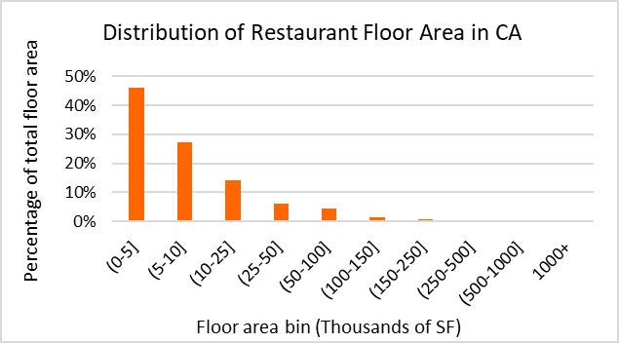
Data Sources
Dataset | Dodge 2023
 | CEUS 2022
 | CBECS 2018
 | ComStock 2023
Prototype | CEC prototype (CBECC 2022.3.1) | https://bees.noresco.com/software2022.html
 | PNNL prototype (90.1-2022) | https://www.energycodes.gov/prototype-building-models#Commercial
 | DEER prototype (June 2023) | https://github.com/sound-data/DEER-Prototypes-EnergyPlus

Codes | Title 24, part 6, referred to as T24 (1986, 1992, 2001, 2007, 2013, 2016, 2019, 2022, 2025)
 | ASHRAE 90.1 (2022)
 | CFR Title 10 (2009) | https://www.govinfo.gov/content/pkg/FR-2009-03-23/pdf/FR-2009-03-23.pdf
 | CFR Title 10 ( 2013) | https://www.govinfo.gov/content/pkg/CFR-2013-title10-vol3/pdf/CFR-2013-title10-vol3-part431.pdf
 | CFR Title 10 ( 2024) | https://www.govinfo.gov/content/pkg/CFR-2024-title10-vol3/pdf/CFR-2024-title10-vol3-part431-subpartF.pdf

Others | ACM (2013, 2019, 2022, 2025)
 | Title 24, 2022 - Appendix 5.4A and Appendix 5.4B | https://www.energy.ca.gov/publications/2022/2022-nonresidential-and-multifamily-alternative-calculation-method-reference
 | 2022 Reduced infiltration CASE report | https://title24stakeholders.com/wp-content/uploads/2020/10/2022-T24-Final-CASE-Report_Reduce-Infiltration.pdf
 | 2019 Outdoor Lighting CASE Report | https://title24stakeholders.com/wp-content/uploads/2016/10/T24-2019-CASE-Study-Results-Report-Outdoor-Sources_Final_with-Attachments.pdf
 | PNNL 20405, 2011 | https://www.pnnl.gov/main/publications/external/technical_reports/PNNL-20405.pdf
 | Air leakage Memo, NORESCO, 2025 | https://2050partners.sharepoint.com/:w:/r/sites/CalBEMCollaborativeEfforts/_layouts/15/Doc.aspx?sourcedoc=%7B3BEF8F74-7FAC-44F2-A70C-D76617660066%7D&file=Infiltration_rate_report_14May2025-Short-Version.docx&action=default&mobileredirect=true
 | Yousefi, F., Athalye, R., (2025), "Determining Vintage Bins for Prototype Development: An Analysis of California Commercial Buildings," ASHRAE Annual Conference | https://www.thefreelibrary.com/Determining+Vintage+Bins+for+Prototype+Development%3a+An+Analysis+of...-a0879271125
 | Design Guide: Advanced Water Heating for Foodservice (20232) (by GTI and Frontier funded by SoCalGas and Pacific Gas and Electric Company | https://caenergywise.com/design-guides/hot-water/Technical_Design_Guide.pdf
 | Design Guide 1 : Improving Commercial Kitchen Ventilation System Performance : Selecting & Sizing Exhaust Hoods referred as CKV (2004) (by SCE) | https://www.streivor.com/wp-content/uploads/2020/11/CKV-Design-Guide-1-Selecting-and-Sizing-Exhaust-Hoods.pdf
 | Proposed Updates to Equipment Power Densities and Building Schedules for the 2028 Energy Code, referred to as "Plug load and schedules project with CEC, 2025" (Docket Number =25-BSTD-03 & TN=265693) | https://efiling.energy.ca.gov/GetDocument.aspx?tn=265693&DocumentContentId=102545
 | ENERGY STAR certified commercial water heaters | https://www.energystar.gov/productfinder/product/certified-commercial-water-heaters/results?fuel_filter=Gas&markets_filter=United+States
 | Grainger gas tank water heaters (sizes below commercial, e.g. 30–75 kBtu/h) | https://www.grainger.com/category/plumbing/water-heaters/gas-tank-water-heaters
 | Grainger electric tank water heaters | https://www.grainger.com/category/plumbing/water-heaters/electric-tank-water-heaters

Notes
RestaurantFastFood | Is a subcategory of food service building used for prepared-food sales. These places are often quick-service operations (e.g., drive-throughs, counter-service eateries,...).

EIS, 2018: | U.S. Energy Information Administration - EIA - Independent Statistics and Analysis

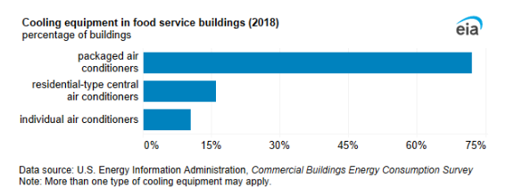
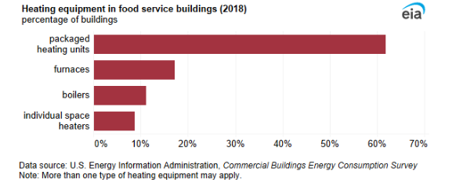

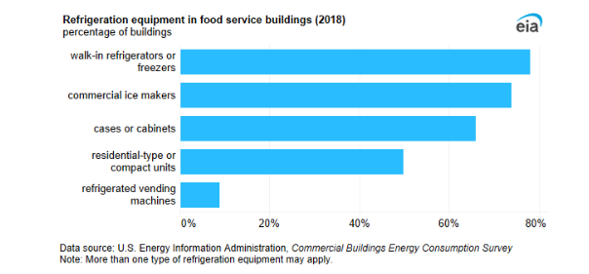

Dodge Construction data , 2023

Prototype
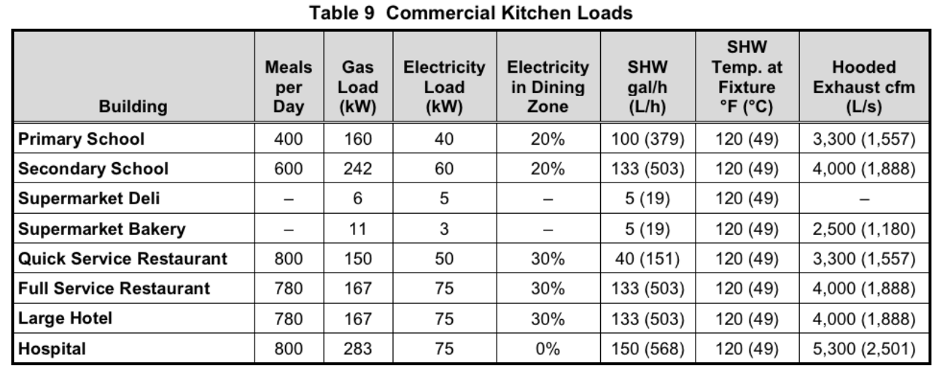
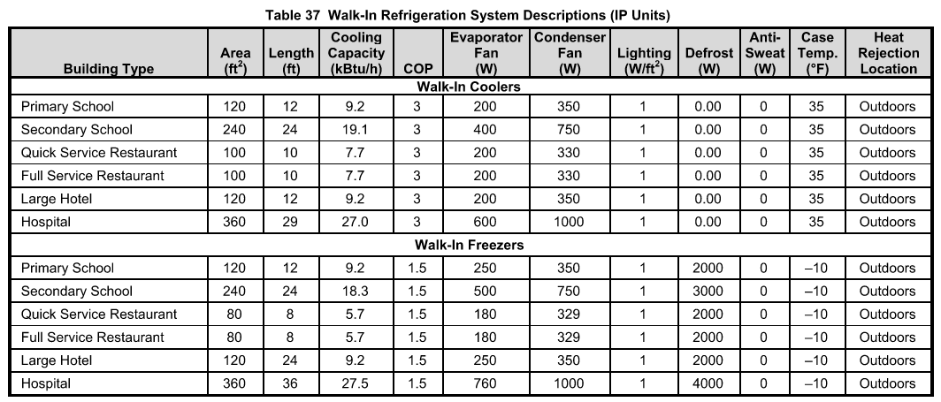
NORESCO, Updated September 2026
RestaurantFastFood
Characteristic | Value | Data Sources
Building Type | Fast Food Restaurant
Building Category | Nonresidential
Version | v2-0
Vintages | 4 Vintages: Pre-1978 , 1978-1997 ,1998-2007 , 2008-2018 New Construction (2019+) | Based on the vintage bin analysis. A summary of the findings is presented in the following paper: Yousefi, F., Athalye, R. (2025). “Determining Vintage Bins for Prototype Development: An Analysis of California Commercial Buildings.” ASHRAE Annual Conference. | https://www.thefreelibrary.com/Determining+Vintage+Bins+for+Prototype+Development%3a+An+Analysis+of...-a0879271125 | NonRes-Vintage bins-Draft Report-30Nov2023-Final.docx
Shape |  | Assumption; same as CEC Prototype 2022
Total Floor Area (ft²) | 2501 (50 ft * 50 ft) | Assumption; same as CEC Prototype 2022
Aspect Ratio | 1.0 | Assumption; same as CEC Prototype 2022
Number of Floors | 1 | Assumption; same as CEC Prototype 2022
Roof type | Attic (17°) | Assumption; same as CEC Prototype 2022
WWR | Average 14% (South: 28% , East: 14% ,North: 0% ,West: 14% | Assumption; same as CEC Prototype 2022
Shading Geometry | No shades | Assumption; same as CEC Prototype 2022
Floor to floor height (ft) | N/A | Assumption; same as CEC Prototype 2022
Floor to ceiling height (ft) | 10 | Assumption; same as CEC Prototype 2022
Glazing sill height (ft) | 3.5 (top of the window is 6.5 ft high with 3 ft high glass) | Assumption; same as CEC Prototype 2022

Existing public prototypes

 |  | PNNL (Fast Food) | CEC (Small Restaurant) | CPUC (Fast Food)
Geometry | Whole building | 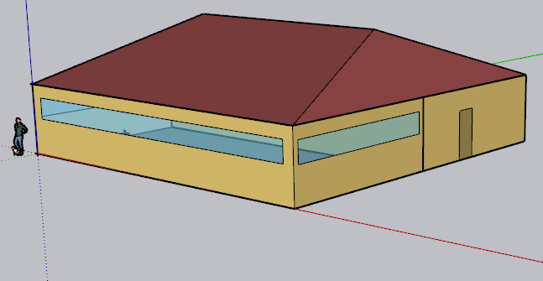 | 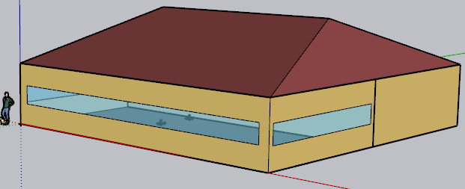 | 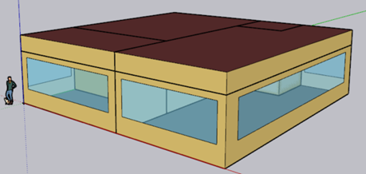
Floor area (ft²) | Total | 2,500 | 2,500 | 1,998
Height (ft) | All | 10 | 10 | 10
Zones |  | Dining 50%, Kitchen 50%, Attic (NOT conditioned) | Dining 50% , Kitchen 50%, Attic (NOT conditioned) | Dining 40% , Kitchen 40% , Waiting Area 15% , Restroom 5% (100 sf)
Internal Load
People (person/ft²) | Dining | 0.07 | 0.033 | 0.033
 | Kitchen | 0.005 (6.3 people) | 0.0025 | 0.0025
 | Other zones (if any) | - | - | 0.033 Lobby & 0.005 Restroom
Lights (W/ft²) | Dining | 0.38 | 0.45 | 0.45
 | Kitchen | 0.89 | 0.95 | 0.95
 | Other zones (if any) |  |  | 0.7 Lobby, 0.65 Restroom
Ext lights (W) | Whole building | 952 (209 and 743) | - | -
Gas Equipment (Btu/h-ft2) | Kitchen | 237.4 (296,748 Btu/h) | 32.4 | 17.5
Electric Equipment (W/ft²) | Dining | 10.3 (12,835 W) | 0.75 (0.5 receptacle & 0.25 refrigerator ) | 0.75 (0.5 & 0.25)
 | Kitchen | 24.29 (29,769 W receptacle & 313 W ReachIn Refrigerator & 277 W ReachInFreezer) | 2.62 (1.5 receptacle & 1.12 refrigerator) | 2.62 (1.5 & 1.12)
 | Other zones (if any) | - | - | 0.5 Lobby
Refrigerator | Kitchen | In addition to the Reachin freezer and refrigerator load defined as electric load, it has : 2 Case refrigerator : 716 and 763 Btu/hr-ft for 8 and 10 ft cases 2.5 COP for design compressor rack 1126 Btu/h for fan power of design compressor | Two refrigerator loads is defined as electric equipment load for dining and kitchen | expected to simulate the Refrigerator loads as electric equipment load ( like CEC)
HVAC System
Heating Sizing Factor | All | H&C: 1.2 | H&C:1 | H: 2.5 , C: 2.3
HVAC | Dining | PSZ AC: CAV no reheat, DX cooling coil: multi speed, Gas heating coil | (BAseAirSys 13): VAV no Reheat +DX cooling coil:two speed, Gas Heating coil | Single Zone VAV no Reheat , DX cooling coil:multi speed, Gas heating coil
 | Kitchen | PSZ AC : CAV no reheat, DX cooling coil: multi speed, Gas heating coil | (sys7or3a): CAV no Reheat+DX cooling coil: single speed+ Gas Heating coil | Single Zone VAV no Reheat , DX cooling coil:single speed, Gas heating coil
 | Other zones (if any) | - | - | For each Lobby and Restroom: Single Zone VAV no Reheat, DX cooling coil:multi speed , Gas heating coil
Exhaust Fan | Dining | 881 cfm with efficiency of 1
 | Kitchen | 3300 cfm with efficiency of 0.385 | 2400 cfm with efficiency of 0.43
Thermostat Setpoint (F) | Dining Heating | 70 (setback: 60) | 70 (setback: 60) | 70 (setback: 60)
 | Dining Cooling | 75 (setback: 86) | 75 (setback: 85) | 75 (setback: 85)
 | Kitchen Heating | 66 (setback: 60) | 70 (setback: 60) | 70 (setback: 60)
 | Kitchen Cooling | 79 (setback: 86) | 75 (setback: 85) | 75 (setback: 85)
Water Heater
Tank Volume (gal |  | 100 | 30 | Autosize (Nominal tank volume for autosizing: 39.6) Output file :69 gal
Peak Flow Rate (gpm) | Dining | - | 0.4 | 0.51
 | Kitchen | 1.52 | 0.03 | 0.04
 | Other zones (if any) |  |  | 0.03 Lobby
Loop Max and Min Temperature (F) |  | 140, 50 | 212, 32 | 212 , 50
Tank Max Temperature (F) |  | 180 | 180 | 212

Yealy Water Usage (gal) from the output files |  | 204,732 | 71,224 | 95,968

ASHRAE DOE
Kitchen loads are included in the EnergyPlus Electric Equipment and Gas Equipment objects

Zones
N

Kitchen
Kitchen
Proposed Layout - RestaurantFastFood
Building | Space/Thermal Zone | Space Type Primarily from [T24, 2022 Appendix 5.4A] - See Notes column | HVAC zone | Schedule Category | Conditioned (Y/N) | Area Fraction | Area (ft²) | Volume (ft³) | Multipliers | Number of People | People (Persons/1,000 ft²) [T24, 2025,Table 120.1-A] | Notes
RestaurantFastFood | Dining | Dining Area (Cafeteria/Fast Food) | AHU_1 | Restaurant | Y | 50.0% | 1,250 | 12,505 | 1 | 41 | 33
RestaurantFastFood | Kitchen | Kitchen/Food Preparation Area | AHU_2 | Kitchen | Y | 50.0% | 1,250 | 12,505 | 1 | 4 | 3
RestaurantFastFood | Attic | Attic | n/a |  | N |  | 2,500 | 25,000 | 1 | 0
Total (1 Building) | Total (3 Space) | Total (3 space type) | Total ( 2 HVAC Zones) | Total (2 category) | Total (2 Conditioned zones) | 1 | 2,501 | 25,009
Dining

HVAC System
HVAC system - RestaurantFastFood
Vintage | Space/Thermal Zone | Heating | Cooling | Air Distribution | Other Systems | Source
Existing | Dining | Gas Furnace (PSZAC) | DX Coil (PSZAC) | CAV (PSZAC) | Economizer for after 2008 | CEUS 2022 + Engineering Judgement
 | Kitchen | Gas Furnace (PSZAC) | DX Coil (PSZAC) | CAV (PSZAC) | Makeup Air Unit (Combo with RTU) to supply make-up air exceeding transfer air from dining space (can be included in system13b)
New Construction | Dining | Gas Furnace (PSZAC) | DX Coil (PSZAC) | CAV (PSZAC) | Economizer | T24, 2025 | Demand control ventilation
 | Kitchen | Gas Furnace (PSZAC) | DX Coil (PSZAC) | CAV (PSZAC) | HR-Makeup Air Unit (systems that integrate make-up air and heat recovery functions) (can be included in system13b)

Efficiency of HVAC System (Efficiency is capacity-dependent. The following table provides a general estimate of system efficiency based on preliminary simulations in one climate zone, or assuming cooling load based on rule of thumb)
Vintage | Upgrade/Installed year | Gas Furnace | Dining DX cooling (<65,000 Btu/h) | Kitchen DX cooling (>=65,000 and < 135,000 Btu/h ) | Source | Note
Pre 1978 | 2008 | Efficiency 80% | SEER 13 | EER 10.3 | System <65,000: 10 CFR, 2009 (Vol. 74, No. 54 , page 12074) system >65,000: T24, 2008, Table 112-A | Econ Max Position=0.9. *Econ Max Position is set to below 1 to approximate effects of not having fault detection and diagnostics (FDD) requirements, which began in 2013. it can be modeled in E+ either by: - Reducing Maximum Outdoor Air Flow Rate in Controller:OutdoorAir. - Or using FaultModel objects to simulate pre-2013 “no FDD” conditions
1978-1997
1998-2007
2008-2018 | 2013 | Efficiency 80% | SEER 13 | EER 11.2 | System <65,000: 10 CFR, 2013, Table 1 TO § 431.97 System >65,000: T24, 2013, Table 110.2-A | Econ Max Position=0.9
New Construction | 2025 | Efficiency 80% | SEER2 13.4 | EER 11.2 | System <65,000: 10 CFR, 2024 ,Table 19 TO § 431.97(h) System >65,000: T24, 2025, Table 110.2-A | - Econ Max Position=1 - Deduct 0.2 from the required EERs and IEERs for units with a heating section other than electric resistance heat.

Fan Power
Vintage | Approach | System | Total Static Pressure (TSP) (in w.c.) | Fan Efficiency [ACM 2025] | Motor Efficiency | Fan Power Index (W/cfm) | Data Source
Existing | PNNL 90.1-2011, TSP | CAV Kitchen (system <7,437 cfm) | 2.5 | 0.65 | ASHRAE 90.1, 2004, Table 10.8 * |  | Fan power formula: PNNL 20405, 2010, section 5.2.2.5 TSP and fan efficiecncy: PNNL 20405, 2010, Table 5.11, 90.1-04ac values Motor and drive efficiency: ASHRAE 90.1, 2004, Table 10.8
 |  | CAV Dining (system <7,437 cfm) | 2.5
Brake horsepower (bhp) = (Supply cfm × TSP in w.c.) / (6356 × fan efficiency)
Fan power (w/cfm) = (bhp × 746) / ( supply cfm × motor efficiency )
New Construction | ACM 2025 | PSZAC (System 3a), CAV kitchen, ≤5,000 cfm | TSP = fan power × motor efficiency × fan efficiency × 6356 / 746 | 0.65 | 2025 ACM Table 12 ** | 0.802 | Fan power index: [ACM 2025, Table 13] Motor efficiency: [ACM 2025, Table 12]
 |  | PSZAC (System 3a), CAV dining, ≤5,000 cfm | TSP = fan power × motor efficiency × fan efficiency × 6356 / 746 |  |  | 0.802

* According to PNNL 20405 section 5.2.2.5, the full-load efficiency of the motor serving the fan is taken from ASHRAE 90.1, 2004, Table 10.8, based on motor nameplate and assuming enclosed motors operating at 1,800 rotations per minute (rpm) Motor nameplate size (bhp) = brake horsepower (bhp) × 1.1 ( using a 10% oversizing factor)
** The full‑load efficiency of the motor serving the fan is taken from ACM 2025 Table 12 based on the cfm of the fan. Brake horsepower (bhp) = (Supply cfm from sizing run × fan power in W/cfm) / 746. Note: PSZAC with gas furnace (System 3a SZAC) ≤5,000 cfm. Same index as Restaurant Sit-Down kitchen. Note: PSZAC with gas furnace (System 3a SZAC) ≤5,000 cfm. Same index as Restaurant Sit-Down kitchen.

$$bhp=\frac{cfm∗{TSP}_{in w.c.}}{{6356∗μ}_{fan}}$$

$${Fan power}_{w/cfm}=\frac{bhp∗746}{cfm∗μ_{motor}}$$

$$bhp=\frac{{Fan power}_{w/cfm}∗cfm∗μ_{motor}}{746}$$

$${Fan power}_{w/cfm}=\frac{{TSP}_{in w.c}∗746}{6356∗μ_{fan}∗μ_{motor}}$$

Water Heater
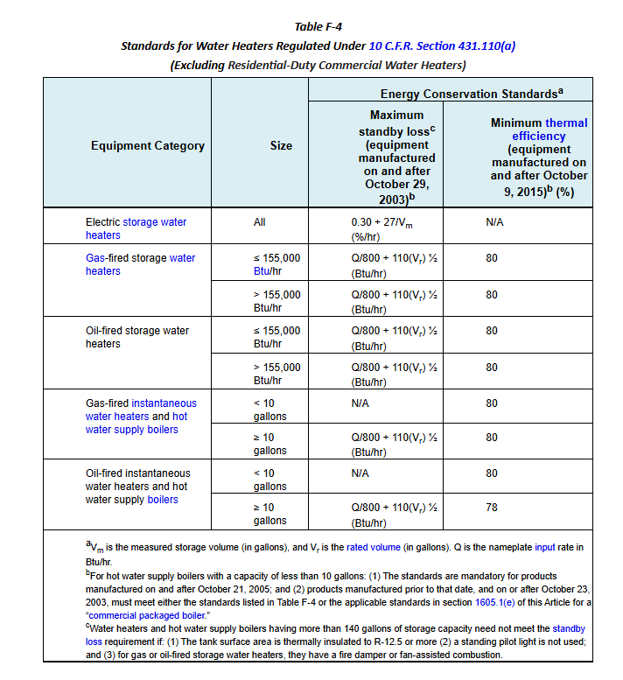
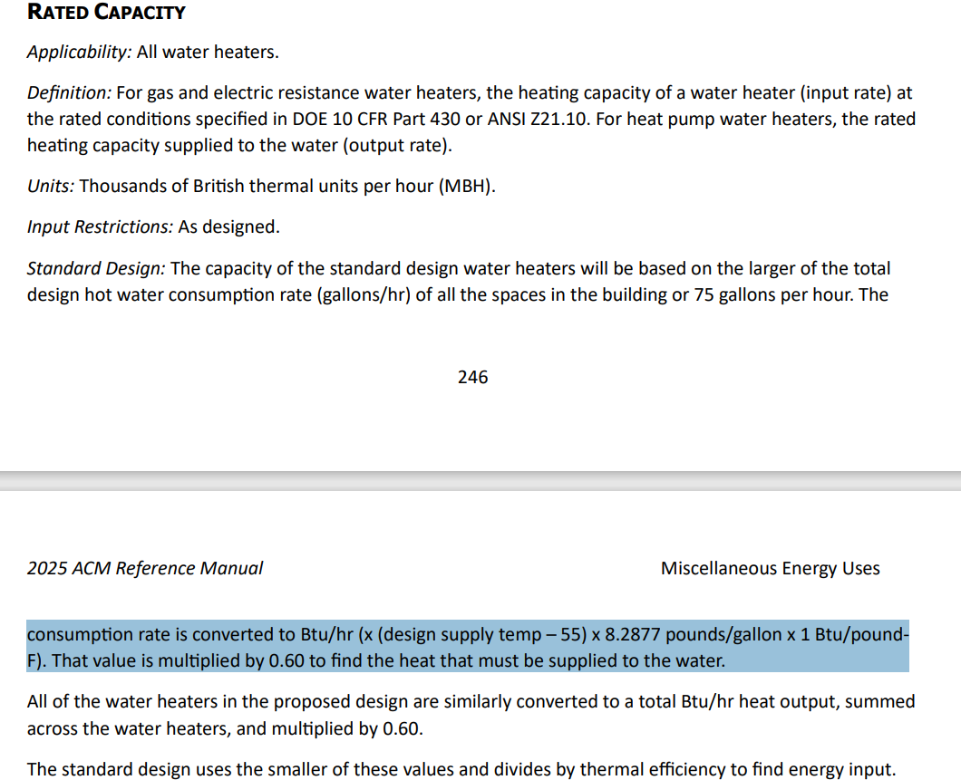
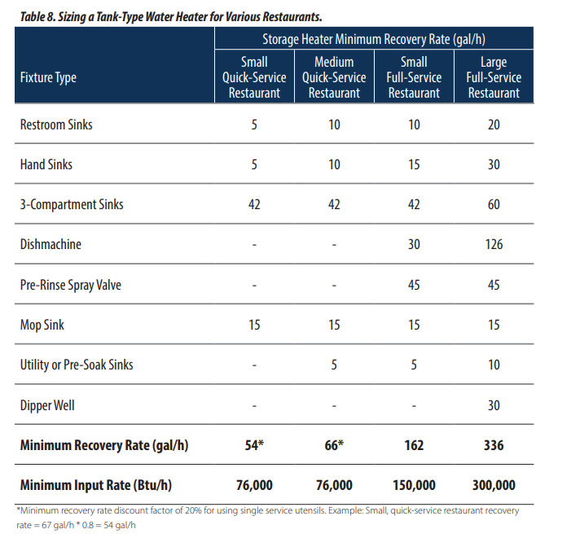
Water Heater Summary - RestaurantFastFood
Vintage | WH Type | Efficiency | Number of WH | Tank Volume (gal) | Tank Loss | Source
Existing | Gas | 0.80 | 1.00 | See table below for CZ-specific values: Climate Zone Water Heater Sizing and Loss Coefficients, Storage Volume column (col F) | See table below: Climate Zone Water Heater Sizing and Loss Coefficients, Standby Loss column (col G) | See table below for sources: Climate Zone Water Heater Sizing and Loss Coefficients
New Construction | Gas | 0.80 | 1.00 | See table below for CZ-specific values: Climate Zone Water Heater Sizing and Loss Coefficients, Storage Volume column (col F) | See table below: Climate Zone Water Heater Sizing and Loss Coefficients, Standby Loss column (col G) | See table below for sources: Climate Zone Water Heater Sizing and Loss Coefficients

Peak Hot Water Consumption
Space Name | Baseline WH Type [T24, 2022, Appendix 5.4A , sheet: "2022 SpaceFuncData-Input"] | Total Area (ft²) | Number of People | Hot Water Usage Specification (gal/hr per person) [T24, 2022, Appendix 5.4A , sheet: "2022 SpaceFuncData-Input"] | Peak Hot Water Usage (gal/hr) | Peak Hot Water Usage (gal/min) | Note
Dining | Gas | 1,250 | 41 | 0.12 | 4.8 | 0.08 | Assumption: HW usage rate for the restaurant dining space was calculated at 20% of the hot water usage rate specified in the 2025 Nonres ACM 2024, Appendix 5.4A (equivalent to applying the full rate to 20% of the dining floor area)
Kitchen | Gas | 1,250 | 4 | N/A | 53.6 | 0.89 | Peak HW Usage is based on the fixture calulcation from the table below.
Total | Gas storage |  |  |  | 75.00 |  | Minimum peak hot water usage is 75 gal according to ACM 2025
Total | Electric resistance |  |  |  | 0.00

 |  |  |  |  |  | Design Guide: Advanced Water Heating for Foodservice, 2022, Table 8] |  |  | Design Guide: Advanced Water Heating for Foodservice, 2023, Table 11]
 |  |  |  |  |  |  |  |  | Technical_Design_Guide.pdf
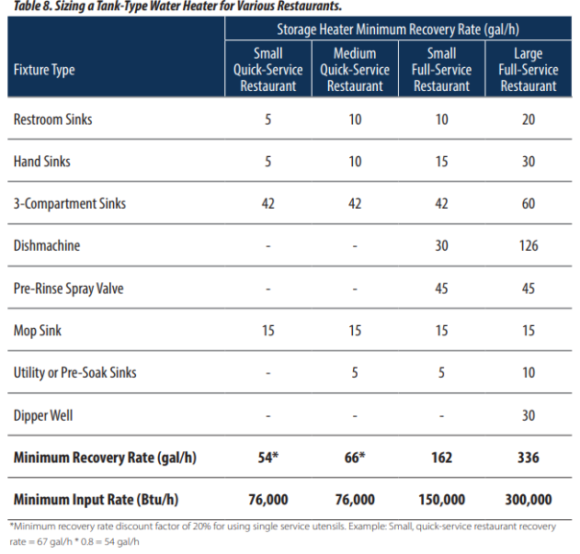
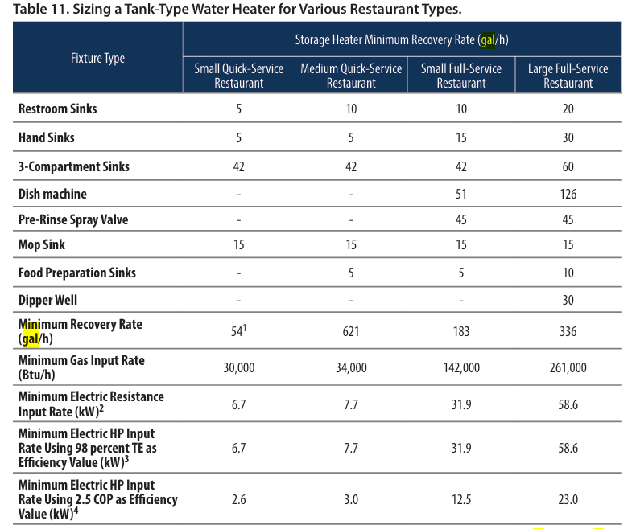
Peak Water Heater Capacity, Tank Capacity, and Tank Loss
Fixture | Tank Recovery Rate (gal/h) | Fixture Count | Storage Heater Min Recovery Rate (gal/hr) | Source
Room sinks | 5 | 1 | 5 | Design Guide: Advanced Water Heating for Foodservice (2022) , Table 6,7: Small Quick Restaurant Kitchen Design Guide: Advanced Water Heating for Foodservice (2023) , Table11: Small Quick Restaurant Kitchen
Hand sinks | 5 | 1 | 5
3-Compartment sinks | 42 | 1 | 42
Mop sink | 15 | 1 | 15
Utility or pre-soak sinks | 5
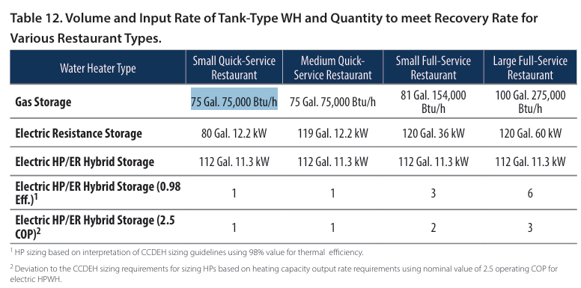
Minimum Recovery Rate (gal/h) |  |  | 53.6 | Design Guide: Advanced Water Heating for Foodservice, 2023, Table 11] *Minimum recovery rate discount factor of 20% for using single service utensils
Input Rate (Btu/h) |  |  | 56,000 | .Design Guide: Advanced Water Heating for Foodservice, 2023, Table 12]
Tank volume (gal) |  |  | 75 | .Design Guide: Advanced Water Heating for Foodservice, 2023, Table 12]
Standby Loss (Btu/hr) |  |  | 875 | Title 20, §1605.1 Table F-4 (Standby loss equation: )
Off/On Cycle Loss Coefficient to Ambient Temperature (Btu/h-F) |  |  | 12.50 | Title 20 / 10 CFR 431.102: UA = SL / 70 °F rating ΔT (same as climate-zone col I). Not ambient T.

For Gas Water Heater: UA (Btu/h-°F) = Q_SL (Btu/h) / 70 °F. 70 is the Title 20 / 10 CFR 431.102 rating ΔT (stored water minus ambient), not ambient T.
Rating ΔT (°F) | 70 | 10 CFR 431.102: gas standby loss is Btu/h based on a 70 °F temperature differential between stored water and ambient. Not ACM indoor temperature.

** For Electric Water Heater: UA(Btu/h-°F)​= 0.0834 *SL​ (%/hr)*V gal

Design supply temperature (°F) | 135.0 | CEC-400-2022-009-CMF-REV2-AP5.4B
WH system factor | 0.600 | 2025 ACM §5.9.2 Rated Capacity
Water mass conversion (lb/gal) | 8.2877 | 2025 ACM §5.9.2 Rated Capacity
Reheat multiplier | 0.4 | 2025 ACM §5.9.2 Storage Volume
Climate Zone Water Heater Sizing and Loss Coefficients
Climate Zone | Minimum Monthly Mains Temp (°F) [T24 2022 - Appendix 5.4B] | Heat Output (Btu/hr) [ACM, 2025, 5.9.2: Rated capacity section] | WH Capacity (Btu/hr) [ACM, 2025, 5.9.2: Rated capacity section] | Required Energy Input (Btu/hr) | Storage Volume (gal) | Standby Loss [Title 20, §1605.1 Table F-4; Appendix B: Water Heating Calculation Method] |  | Off/On Cycle Loss Coefficient to Ambient Temp |  | Source/Note
CZ01 | 47.9 | 54,139 | 32,484 | 60,000 | 34 | 716 | Btu/hr | 10.23 | Btu/h·°F | Required Energy Input: vendor/available catalog size (Market data table). Storage Volume: standard/available catalog tank size (Market data table). Off/On-cycle UA (col I): gas SL / 70 °F rating ΔT (10 CFR 431.102 / Title 20), not ambient T.
CZ02 | 50.8 | 52,337 | 31,402 | 60,000 | 34 | 716 | Btu/hr | 10.23 | Btu/h·°F
CZ03 | 52.2 | 51,467 | 30,880 | 60,000 | 34 | 716 | Btu/hr | 10.23 | Btu/h·°F
CZ04 | 52.7 | 51,156 | 30,693 | 60,000 | 34 | 716 | Btu/hr | 10.23 | Btu/h·°F
CZ05 | 51.6 | 51,840 | 31,104 | 60,000 | 34 | 716 | Btu/hr | 10.23 | Btu/h·°F
CZ06 | 56.8 | 48,607 | 29,164 | 60,000 | 34 | 716 | Btu/hr | 10.23 | Btu/h·°F
CZ07 | 58.4 | 47,613 | 28,568 | 60,000 | 34 | 716 | Btu/hr | 10.23 | Btu/h·°F
CZ08 | 58.4 | 47,613 | 28,568 | 60,000 | 34 | 716 | Btu/hr | 10.23 | Btu/h·°F
CZ09 | 57.6 | 48,110 | 28,866 | 60,000 | 34 | 716 | Btu/hr | 10.23 | Btu/h·°F
CZ10 | 57.1 | 48,421 | 29,053 | 60,000 | 34 | 716 | Btu/hr | 10.23 | Btu/h·°F
CZ11 | 50.5 | 52,523 | 31,514 | 60,000 | 34 | 716 | Btu/hr | 10.23 | Btu/h·°F
CZ12 | 51.4 | 51,964 | 31,178 | 60,000 | 34 | 716 | Btu/hr | 10.23 | Btu/h·°F
CZ13 | 51.7 | 51,777 | 31,066 | 60,000 | 34 | 716 | Btu/hr | 10.23 | Btu/h·°F
CZ14 | 50.1 | 52,772 | 31,663 | 60,000 | 34 | 716 | Btu/hr | 10.23 | Btu/h·°F
CZ15 | 63.2 | 44,629 | 26,778 | 60,000 | 34 | 716 | Btu/hr | 10.23 | Btu/h·°F
CZ16 | 41.4 | 58,180 | 34,908 | 60,000 | 34 | 716 | Btu/hr | 10.23 | Btu/h·°F

Market data
Catalog gas input (Btu/h) | Input source | Elec resistance tank (kW) | Elec resistance (Btu/h) | Catalog gas tank (gal) | Tank source | Elec tank (gal) | Elec tank source | Sources and links → Note tab
60000 | Grainger | 1.5 | 5,118 | 34 | ENERGY STAR | 6 | Grainger
75100 | Grainger | 2 | 6,824 | 35 | Grainger | 10 | Grainger
76000 | Both | 3 | 10,236 | 48 | Grainger | 15 | Grainger
80000 | Grainger | 4.5 | 15,355 | 50 | Both | 20 | Grainger
99900 | ENERGY STAR | 6 | 20,473 | 55 | ENERGY STAR | 28 | Grainger
100000 | Both | 8 | 27,297 | 60 | ENERGY STAR | 30 | Grainger
120000 | ENERGY STAR | 9 | 30,709 | 65 | Both | 36 | Grainger
125000 | Both | 10 | 34,121 | 72 | Grainger | 40 | Grainger
130000 | Both | 12 | 40,946 | 75 | Both | 47
145000 | ENERGY STAR | 12.1 | 41,287 | 76 | Grainger | 50
150000 | ENERGY STAR | 18 | 61,419 | 80 | Both | 65
156000 | Grainger | 24 | 81,891 | 82 | Grainger | 80
160000 | Both | 27 | 92128 | 85 | Grainger | 85
175000 | ENERGY STAR | 36 | 122837 | 90 | Both | 105
180000 | Grainger | 54 | 184256 | 91 | Grainger | 120
199000 | ENERGY STAR |  |  | 100 | Both
199900 | Both |  |  | 110 | ENERGY STAR
200000 | ENERGY STAR |  |  | 119 | Both
250000 | Both |  |  | 125 | ENERGY STAR
251000 | ENERGY STAR
270000 | Grainger
285000 | ENERGY STAR
300000 | Both
320000 | ENERGY STAR
360000 | Grainger
398000 | ENERGY STAR
399000 | ENERGY STAR
399900 | Both
499900 | Grainger
550000 | Grainger
715000 | Grainger

Schedules
Schedules - RestaurantFastFood
Zone | Schedule Category | Schedule | Source | Type | Hour
 |  |  |  |  | 1 | 2 | 3 | 4 | 5 | 6 | 7 | 8 | 9 | 10 | 11 | 12 | 13 | 14 | 15 | 16 | 17 | 18 | 19 | 20 | 21 | 22 | 23 | 24
Occupancy
Dining | Restaurant | Occupancy | PNNL,ASHRAE 90.1, 2022 Fast Food Restaurant prototype (It has higher occupancy rate during morning compared to T24 2022 - Appendix 5.4B) | Weekday | 0.05 | 0.00 | 0.00 | 0.00 | 0.00 | 0.05 | 0.10 | 0.40 | 0.40 | 0.40 | 0.20 | 0.50 | 0.80 | 0.70 | 0.40 | 0.20 | 0.25 | 0.50 | 0.80 | 0.80 | 0.80 | 0.50 | 0.35 | 0.20
 |  |  |  | Saturday | 0.05 | 0.00 | 0.00 | 0.00 | 0.00 | 0.00 | 0.05 | 0.50 | 0.50 | 0.40 | 0.20 | 0.45 | 0.50 | 0.50 | 0.35 | 0.30 | 0.30 | 0.30 | 0.70 | 0.90 | 0.70 | 0.65 | 0.55 | 0.35
 |  |  |  | Sunday | 0.05 | 0.00 | 0.00 | 0.00 | 0.00 | 0.00 | 0.05 | 0.50 | 0.50 | 0.20 | 0.20 | 0.30 | 0.50 | 0.50 | 0.30 | 0.20 | 0.25 | 0.35 | 0.55 | 0.65 | 0.70 | 0.35 | 0.20 | 0.20
Lights
Dining | Restaurant | Lights | T24 2022 - Appendix 5.4B, [Restaurant] Updated based on the equipment schedule from the plug load and schedule project with CEC | Weekday | 0.15 | 0.15 | 0.15 | 0.15 | 0.15 | 0.20 | 0.30 | 0.67 | 0.73 | 0.75 | 0.85 | 0.85 | 0.85 | 0.83 | 0.72 | 0.65 | 0.67 | 0.75 | 0.85 | 0.85 | 0.85 | 0.75 | 0.57 | 0.30
 |  |  |  | Saturday | 0.15 | 0.15 | 0.15 | 0.15 | 0.15 | 0.20 | 0.30 | 0.67 | 0.73 | 0.75 | 0.85 | 0.85 | 0.85 | 0.83 | 0.72 | 0.65 | 0.67 | 0.75 | 0.85 | 0.85 | 0.85 | 0.75 | 0.57 | 0.30
 |  |  |  | Sunday | 0.20 | 0.15 | 0.15 | 0.15 | 0.15 | 0.15 | 0.30 | 0.67 | 0.73 | 0.75 | 0.85 | 0.85 | 0.85 | 0.83 | 0.72 | 0.65 | 0.67 | 0.75 | 0.85 | 0.85 | 0.85 | 0.75 | 0.57 | 0.30
ElecEquipment
Dining | Restaurant | ElecEquipment | Plug load and schedules project with CEC, 2025 | Weekday | 0.15 | 0.15 | 0.15 | 0.15 | 0.15 | 0.20 | 0.30 | 0.72 | 0.78 | 0.80 | 0.90 | 0.90 | 0.90 | 0.88 | 0.77 | 0.70 | 0.72 | 0.80 | 0.90 | 0.90 | 0.90 | 0.80 | 0.62 | 0.30
 |  |  |  | Saturday | 0.15 | 0.15 | 0.15 | 0.15 | 0.15 | 0.20 | 0.30 | 0.72 | 0.78 | 0.80 | 0.90 | 0.90 | 0.90 | 0.88 | 0.77 | 0.70 | 0.72 | 0.80 | 0.90 | 0.90 | 0.90 | 0.80 | 0.62 | 0.30
 |  |  |  | Sunday | 0.20 | 0.15 | 0.15 | 0.15 | 0.15 | 0.15 | 0.30 | 0.72 | 0.78 | 0.80 | 0.90 | 0.90 | 0.90 | 0.88 | 0.77 | 0.70 | 0.72 | 0.80 | 0.90 | 0.90 | 0.90 | 0.80 | 0.62 | 0.30
HVACAvail
Dining | Restaurant | HVACAvail | T24 2022 - Appendix 5.4B , [Restaurant] Updated based on the adopted PNNL occupancy | Weekday | 1.00 | 0.00 | 0.00 | 0.00 | 1.00 | 1.00 | 1.00 | 1.00 | 1.00 | 1.00 | 1.00 | 1.00 | 1.00 | 1.00 | 1.00 | 1.00 | 1.00 | 1.00 | 1.00 | 1.00 | 1.00 | 1.00 | 1.00 | 1.00
 |  |  |  | Saturday | 1.00 | 0.00 | 0.00 | 0.00 | 0.00 | 1.00 | 1.00 | 1.00 | 1.00 | 1.00 | 1.00 | 1.00 | 1.00 | 1.00 | 1.00 | 1.00 | 1.00 | 1.00 | 1.00 | 1.00 | 1.00 | 1.00 | 1.00 | 1.00
 |  |  |  | Sunday | 1.00 | 0.00 | 0.00 | 0.00 | 0.00 | 1.00 | 1.00 | 1.00 | 1.00 | 1.00 | 1.00 | 1.00 | 1.00 | 1.00 | 1.00 | 1.00 | 1.00 | 1.00 | 1.00 | 1.00 | 1.00 | 1.00 | 1.00 | 1.00
ServiceHotWater
Dining | Restaurant | ServiceHotWater | T24 2022 - Appendix 5.4B, [Restaurant] Updated based on the adopted PNNL occupancy | Weekday | 0.20 | 0.00 | 0.00 | 0.00 | 0.00 | 0.60 | 0.60 | 0.60 | 0.55 | 0.45 | 0.40 | 0.45 | 0.40 | 0.35 | 0.30 | 0.30 | 0.30 | 0.40 | 0.55 | 0.60 | 0.50 | 0.55 | 0.45 | 0.25
 |  |  |  | Saturday | 0.20 | 0.00 | 0.00 | 0.00 | 0.00 | 0.00 | 0.50 | 0.50 | 0.50 | 0.50 | 0.45 | 0.50 | 0.50 | 0.45 | 0.40 | 0.40 | 0.35 | 0.40 | 0.55 | 0.55 | 0.50 | 0.55 | 0.40 | 0.30
Assembly Elevator
 | 1 | 1 | 1
 |  |  |  | Sunday | 0.25 | 0.00 | 0.00 | 0.00 | 0.00 | 0.00 | 0.50 | 0.50 | 0.50 | 0.50 | 0.50 | 0.50 | 0.40 | 0.40 | 0.30 | 0.30 | 0.30 | 0.40 | 0.50 | 0.50 | 0.40 | 0.50 | 0.40 | 0.20
Infiltration
Dining | Restaurant | Infiltration | T24 2022 - Appendix 5.4B, [Restaurant] Updated based on the adopted PNNL occupancy | Weekday | 0.25 | 0.00 | 0.00 | 1.00 | 0.25 | 0.25 | 0.25 | 0.25 | 0.25 | 0.25 | 0.25 | 0.25 | 0.25 | 0.25 | 0.25 | 0.25 | 0.25 | 0.25 | 0.25 | 0.25 | 0.25 | 0.25 | 0.25 | 0.25
 |  |  |  | Saturday | 0.25 | 0.00 | 0.00 | 1.00 | 1.00 | 0.25 | 0.25 | 0.25 | 0.25 | 0.25 | 0.25 | 0.25 | 0.25 | 0.25 | 0.25 | 0.25 | 0.25 | 0.25 | 0.25 | 0.25 | 0.25 | 0.25 | 0.25 | 0.25
 |  |  |  | Sunday | 0.25 | 0.00 | 0.00 | 1.00 | 1.00 | 0.25 | 0.25 | 0.25 | 0.25 | 0.25 | 0.25 | 0.25 | 0.25 | 0.25 | 0.25 | 0.25 | 0.25 | 0.25 | 0.25 | 0.25 | 0.25 | 0.25 | 0.25 | 0.25
Dining | Restaurant | Refrigeration | T24 2022 - Appendix 5.4B, [Restaurant] | Weekday | 0.90 | 0.90 | 0.90 | 0.90 | 0.90 | 0.90 | 0.90 | 0.90 | 0.90 | 0.90 | 0.90 | 0.90 | 0.90 | 0.90 | 0.90 | 0.90 | 0.90 | 0.90 | 0.90 | 0.90 | 0.90 | 0.90 | 0.90 | 0.90
 |  |  |  | Saturday | 0.90 | 0.90 | 0.90 | 0.90 | 0.90 | 0.90 | 0.90 | 0.90 | 0.90 | 0.90 | 0.90 | 0.90 | 0.90 | 0.90 | 0.90 | 0.90 | 0.90 | 0.90 | 0.90 | 0.90 | 0.90 | 0.90 | 0.90 | 0.90
 |  |  |  | Sunday | 0.90 | 0.90 | 0.90 | 0.90 | 0.90 | 0.90 | 0.90 | 0.90 | 0.90 | 0.90 | 0.90 | 0.90 | 0.90 | 0.90 | 0.90 | 0.90 | 0.90 | 0.90 | 0.90 | 0.90 | 0.90 | 0.90 | 0.90 | 0.90
Dining | Restaurant | HtgSetpt | T24 2022 - Appendix 5.4B, [Restaurant] | Weekday | 70 | 60 | 60 | 60 | 70 | 70 | 70 | 70 | 70 | 70 | 70 | 70 | 70 | 70 | 70 | 70 | 70 | 70 | 70 | 70 | 70 | 70 | 70 | 70
 |  |  |  | Saturday | 70 | 60 | 60 | 60 | 60 | 70 | 70 | 70 | 70 | 70 | 70 | 70 | 70 | 70 | 70 | 70 | 70 | 70 | 70 | 70 | 70 | 70 | 70 | 70
 |  |  |  | Sunday | 70 | 60 | 60 | 60 | 60 | 70 | 70 | 70 | 70 | 70 | 70 | 70 | 70 | 70 | 70 | 70 | 70 | 70 | 70 | 70 | 70 | 70 | 70 | 70
Dining | Restaurant | ClgSetpt | T24 2022 - Appendix 5.4B, [Restaurant] | Weekday | 75 | 85 | 85 | 85 | 75 | 75 | 75 | 75 | 75 | 75 | 75 | 75 | 75 | 75 | 75 | 75 | 75 | 75 | 75 | 75 | 75 | 75 | 75 | 75
 |  |  |  | Saturday | 75 | 85 | 85 | 85 | 85 | 75 | 75 | 75 | 75 | 75 | 75 | 75 | 75 | 75 | 75 | 75 | 75 | 75 | 75 | 75 | 75 | 75 | 75 | 75
 |  |  |  | Sunday | 75 | 85 | 85 | 85 | 85 | 75 | 75 | 75 | 75 | 75 | 75 | 75 | 75 | 75 | 75 | 75 | 75 | 75 | 75 | 75 | 75 | 75 | 75 | 75
Kitchen
occupancy
Kitchen | Kitchen | occupancy | PNNL,ASHRAE 90.1, 2022 Fast Food Restaurant prototype (It has higher occupancy rate during morning compared to T24 2022 - Appendix 5.4B) | Weekday | 0.05 | 0.00 | 0.00 | 0.00 | 0.00 | 0.05 | 0.10 | 0.40 | 0.40 | 0.40 | 0.20 | 0.50 | 0.80 | 0.70 | 0.40 | 0.20 | 0.25 | 0.50 | 0.80 | 0.80 | 0.80 | 0.50 | 0.35 | 0.20
 |  |  |  | Saturday | 0.05 | 0.00 | 0.00 | 0.00 | 0.00 | 0.00 | 0.05 | 0.50 | 0.50 | 0.40 | 0.20 | 0.45 | 0.50 | 0.50 | 0.35 | 0.30 | 0.30 | 0.30 | 0.70 | 0.90 | 0.70 | 0.65 | 0.55 | 0.35
 |  |  |  | Sunday | 0.05 | 0.00 | 0.00 | 0.00 | 0.00 | 0.00 | 0.05 | 0.50 | 0.50 | 0.20 | 0.20 | 0.30 | 0.50 | 0.50 | 0.30 | 0.20 | 0.25 | 0.35 | 0.55 | 0.65 | 0.70 | 0.35 | 0.20 | 0.20
Lights
Kitchen | Kitchen | Lights | T24 2022 - Appendix 5.4B, [Restaurant] Updated based on the equipment schedule from the plug load and schedule project with CEC | Weekday | 0.15 | 0.15 | 0.15 | 0.15 | 0.15 | 0.20 | 0.30 | 0.67 | 0.73 | 0.75 | 0.85 | 0.85 | 0.85 | 0.83 | 0.72 | 0.65 | 0.67 | 0.75 | 0.85 | 0.85 | 0.85 | 0.75 | 0.57 | 0.30
 |  |  |  | Saturday | 0.15 | 0.15 | 0.15 | 0.15 | 0.15 | 0.20 | 0.30 | 0.67 | 0.73 | 0.75 | 0.85 | 0.85 | 0.85 | 0.83 | 0.72 | 0.65 | 0.67 | 0.75 | 0.85 | 0.85 | 0.85 | 0.75 | 0.57 | 0.30
 |  |  |  | Sunday | 0.20 | 0.15 | 0.15 | 0.15 | 0.15 | 0.15 | 0.30 | 0.67 | 0.73 | 0.75 | 0.85 | 0.85 | 0.85 | 0.83 | 0.72 | 0.65 | 0.67 | 0.75 | 0.85 | 0.85 | 0.85 | 0.75 | 0.57 | 0.30
ElecEquipment
Kitchen | Kitchen | ElecEquipment | Plug load and schedules project with CEC, 2025 | Weekday | 0.15 | 0.15 | 0.15 | 0.15 | 0.15 | 0.20 | 0.30 | 0.72 | 0.78 | 0.80 | 0.90 | 0.90 | 0.90 | 0.88 | 0.77 | 0.70 | 0.72 | 0.80 | 0.90 | 0.90 | 0.90 | 0.80 | 0.62 | 0.30
 |  |  |  | Saturday | 0.15 | 0.15 | 0.15 | 0.15 | 0.15 | 0.20 | 0.30 | 0.72 | 0.78 | 0.80 | 0.90 | 0.90 | 0.90 | 0.88 | 0.77 | 0.70 | 0.72 | 0.80 | 0.90 | 0.90 | 0.90 | 0.80 | 0.62 | 0.30
 |  |  |  | Sunday | 0.20 | 0.15 | 0.15 | 0.15 | 0.15 | 0.15 | 0.30 | 0.72 | 0.78 | 0.80 | 0.90 | 0.90 | 0.90 | 0.88 | 0.77 | 0.70 | 0.72 | 0.80 | 0.90 | 0.90 | 0.90 | 0.80 | 0.62 | 0.30
HVACAvail
Kitchen | Kitchen | HVACAvail | T24 2022 - Appendix 5.4B , [Restaurant] Updated based on the adopted PNNL occupancy | Weekday | 1.00 | 0.00 | 0.00 | 0.00 | 1.00 | 1.00 | 1.00 | 1.00 | 1.00 | 1.00 | 1.00 | 1.00 | 1.00 | 1.00 | 1.00 | 1.00 | 1.00 | 1.00 | 1.00 | 1.00 | 1.00 | 1.00 | 1.00 | 1.00
 |  |  |  | Saturday | 1.00 | 0.00 | 0.00 | 0.00 | 0.00 | 1.00 | 1.00 | 1.00 | 1.00 | 1.00 | 1.00 | 1.00 | 1.00 | 1.00 | 1.00 | 1.00 | 1.00 | 1.00 | 1.00 | 1.00 | 1.00 | 1.00 | 1.00 | 1.00
ServiceHotWater
 |  |  |  | Sunday | 1.00 | 0.00 | 0.00 | 0.00 | 0.00 | 1.00 | 1.00 | 1.00 | 1.00 | 1.00 | 1.00 | 1.00 | 1.00 | 1.00 | 1.00 | 1.00 | 1.00 | 1.00 | 1.00 | 1.00 | 1.00 | 1.00 | 1.00 | 1.00
Kitchen | Kitchen | ServiceHotWater | T24 2022 - Appendix 5.4B, [Restaurant] Updated based on the adopted PNNL occupancy | Weekday | 0.20 | 0.00 | 0.00 | 0.00 | 0.00 | 0.20 | 0.20 | 0.30 | 0.30 | 0.30 | 0.40 | 0.45 | 0.40 | 0.35 | 0.30 | 0.30 | 0.30 | 0.40 | 0.55 | 0.60 | 0.50 | 0.55 | 0.45 | 0.20
 |  |  |  | Saturday | 0.20 | 0.00 | 0.00 | 0.00 | 0.00 | 0.00 | 0.20 | 0.20 | 0.30 | 0.30 | 0.45 | 0.50 | 0.50 | 0.45 | 0.40 | 0.40 | 0.35 | 0.40 | 0.55 | 0.55 | 0.50 | 0.55 | 0.40 | 0.20
 |  |  |  | Sunday | 0.25 | 0.00 | 0.00 | 0.00 | 0.00 | 0.00 | 0.20 | 0.20 | 0.30 | 0.30 | 0.30 | 0.50 | 0.40 | 0.40 | 0.30 | 0.30 | 0.30 | 0.40 | 0.50 | 0.50 | 0.40 | 0.50 | 0.40 | 0.20
Infiltration
Kitchen | Kitchen | Infiltration | T24 2022 - Appendix 5.4B, [Restaurant] Updated based on the adopted PNNL occupancy | Weekday | 0.25 | 0.00 | 0.00 | 1.00 | 0.25 | 0.25 | 0.25 | 0.25 | 0.25 | 0.25 | 0.25 | 0.25 | 0.25 | 0.25 | 0.25 | 0.25 | 0.25 | 0.25 | 0.25 | 0.25 | 0.25 | 0.25 | 0.25 | 0.25
 |  |  |  | Saturday | 0.25 | 0.00 | 0.00 | 1.00 | 1.00 | 0.25 | 0.25 | 0.25 | 0.25 | 0.25 | 0.25 | 0.25 | 0.25 | 0.25 | 0.25 | 0.25 | 0.25 | 0.25 | 0.25 | 0.25 | 0.25 | 0.25 | 0.25 | 0.25
ExhaustHoodEqualOrLessThan5000cfm
 |  |  |  | Sunday | 0.25 | 0.00 | 0.00 | 1.00 | 1.00 | 0.25 | 0.25 | 0.25 | 0.25 | 0.25 | 0.25 | 0.25 | 0.25 | 0.25 | 0.25 | 0.25 | 0.25 | 0.25 | 0.25 | 0.25 | 0.25 | 0.25 | 0.25 | 0.25
Kitchen | Kitchen | ExhaustHoodEqualOrLessThan5000cfm | T24 2022 - Appendix 5.4B, [Restaurant] Updated based on the adopted PNNL occupancy | Weekday | 0.00 | 0.00 | 0.00 | 0.00 | 0.00 | 1.00 | 1.00 | 1.00 | 1.00 | 1.00 | 1.00 | 1.00 | 1.00 | 1.00 | 1.00 | 1.00 | 1.00 | 1.00 | 1.00 | 0.00 | 0.00 | 0.00 | 0.00 | 0.00
 |  |  |  | Saturday | 0.00 | 0.00 | 0.00 | 0.00 | 0.00 | 0.00 | 1.00 | 1.00 | 1.00 | 1.00 | 1.00 | 1.00 | 1.00 | 1.00 | 1.00 | 1.00 | 1.00 | 1.00 | 1.00 | 0.00 | 0.00 | 0.00 | 0.00 | 0.00
 |  |  |  | Sunday | 0.00 | 0.00 | 0.00 | 0.00 | 0.00 | 0.00 | 1.00 | 1.00 | 1.00 | 1.00 | 1.00 | 1.00 | 1.00 | 1.00 | 1.00 | 1.00 | 1.00 | 1.00 | 1.00 | 0.00 | 0.00 | 0.00 | 0.00 | 0.00
ExhaustHoodGreaterThan 5000cfm
Kitchen | Kitchen | ExhaustHoodGreaterThan 5000cfm | T24 2022 - Appendix 5.4B, [Restaurant] Updated based on the adopted PNNL occupancy | Weekday | 0.00 | 0.00 | 0.00 | 0.00 | 0.00 | 1.00 | 0.50 | 1.00 | 0.50 | 1.00 | 0.50 | 1.00 | 0.50 | 1.00 | 0.50 | 1.00 | 0.50 | 1.00 | 0.50 | 0.00 | 0.00 | 0.00 | 0.00 | 0.00
 |  |  |  | Saturday | 0.00 | 0.00 | 0.00 | 0.00 | 0.00 | 0.00 | 0.50 | 1.00 | 0.50 | 1.00 | 0.50 | 1.00 | 0.50 | 1.00 | 0.50 | 1.00 | 0.50 | 1.00 | 0.50 | 0.00 | 0.00 | 0.00 | 0.00 | 0.00
 |  |  |  | Sunday | 0.00 | 0.00 | 0.00 | 0.00 | 0.00 | 0.00 | 0.50 | 1.00 | 0.50 | 1.00 | 0.50 | 1.00 | 0.50 | 1.00 | 0.50 | 1.00 | 0.50 | 1.00 | 0.50 | 0.00 | 0.00 | 0.00 | 0.00 | 0.00
Kitchen | Kitchen | Refrigeration | T24 2022 - Appendix 5.4B, [Restaurant] | Weekday | 0.90 | 0.90 | 0.90 | 0.90 | 0.90 | 0.90 | 0.90 | 0.90 | 0.90 | 0.90 | 0.90 | 0.90 | 0.90 | 0.90 | 0.90 | 0.90 | 0.90 | 0.90 | 0.90 | 0.90 | 0.90 | 0.90 | 0.90 | 0.90
 |  |  |  | Saturday | 0.90 | 0.90 | 0.90 | 0.90 | 0.90 | 0.90 | 0.90 | 0.90 | 0.90 | 0.90 | 0.90 | 0.90 | 0.90 | 0.90 | 0.90 | 0.90 | 0.90 | 0.90 | 0.90 | 0.90 | 0.90 | 0.90 | 0.90 | 0.90
 |  |  |  | Sunday | 0.90 | 0.90 | 0.90 | 0.90 | 0.90 | 0.90 | 0.90 | 0.90 | 0.90 | 0.90 | 0.90 | 0.90 | 0.90 | 0.90 | 0.90 | 0.90 | 0.90 | 0.90 | 0.90 | 0.90 | 0.90 | 0.90 | 0.90 | 0.90
Kitchen | Kitchen | GasEquipment | T24 2022 - Appendix 5.4B, [Restaurant] Updated based on the equipment schedule from the plug load and schedule project with CEC | Weekday | 0.50 | 0.00 | 0.00 | 0.00 | 0.00 | 0.00 | 0.50 | 0.90 | 0.90 | 0.90 | 0.90 | 0.90 | 0.90 | 0.90 | 0.75 | 0.75 | 0.75 | 0.90 | 0.90 | 0.90 | 0.90 | 0.75 | 0.50 | 0.50
 |  |  |  | Saturday | 0.50 | 0.00 | 0.00 | 0.00 | 0.00 | 0.00 | 0.50 | 0.90 | 0.90 | 0.90 | 0.90 | 0.90 | 0.90 | 0.90 | 0.75 | 0.75 | 0.75 | 0.90 | 0.90 | 0.90 | 0.90 | 0.75 | 0.75 | 0.50
 |  |  |  | Sunday | 0.50 | 0.00 | 0.00 | 0.00 | 0.00 | 0.00 | 0.50 | 0.90 | 0.90 | 0.90 | 0.90 | 0.90 | 0.90 | 0.90 | 0.75 | 0.75 | 0.75 | 0.90 | 0.90 | 0.90 | 0.90 | 0.75 | 0.50 | 0.50
Kitchen | Kitchen | HtgSetpt | Thermostat Setpoints of PNNL 09.1, 2022 Restaurant prototype and HVAC availability schedule of CEC Restaurant prototype | Weekday | 66 | 60 | 60 | 60 | 66 | 66 | 66 | 66 | 66 | 66 | 66 | 66 | 66 | 66 | 66 | 66 | 66 | 66 | 66 | 66 | 66 | 66 | 66 | 66
 |  |  |  | Saturday | 66 | 60 | 60 | 60 | 60 | 66 | 66 | 66 | 66 | 66 | 66 | 66 | 66 | 66 | 66 | 66 | 66 | 66 | 66 | 66 | 66 | 66 | 66 | 66
 |  |  |  | Sunday | 66 | 60 | 60 | 60 | 60 | 66 | 66 | 66 | 66 | 66 | 66 | 66 | 66 | 66 | 66 | 66 | 66 | 66 | 66 | 66 | 66 | 66 | 66 | 66
Kitchen | Kitchen | ClgSetpt | Thermostat Setpoints of PNNL 09.1, 2022 Restaurant prototype and HVAC availability schedule of CEC Restaurant prototype | Weekday | 79 | 86 | 86 | 86 | 79 | 79 | 79 | 79 | 79 | 79 | 79 | 79 | 79 | 79 | 79 | 79 | 79 | 79 | 79 | 79 | 79 | 79 | 79 | 79
 |  |  |  | Saturday | 79 | 86 | 86 | 86 | 86 | 79 | 79 | 79 | 79 | 79 | 79 | 79 | 79 | 79 | 79 | 79 | 79 | 79 | 79 | 79 | 79 | 79 | 79 | 79
 |  |  |  | Sunday | 79 | 86 | 86 | 86 | 86 | 79 | 79 | 79 | 79 | 79 | 79 | 79 | 79 | 79 | 79 | 79 | 79 | 79 | 79 | 79 | 79 | 79 | 79 | 79
Other
 | Building | ExtLightingNonMotionCtrl |  | Weekday | 1 | 1 | 1 | 1 | 1 | 1 | 1 | 1 | 1 | 1 | 1 | 1 | 1 | 1 | 1 | 1 | 1 | 1 | 1 | 1 | 1 | 1 | 1 | 1
 |  |  |  | Saturday | 1 | 1 | 1 | 1 | 1 | 1 | 1 | 1 | 1 | 1 | 1 | 1 | 1 | 1 | 1 | 1 | 1 | 1 | 1 | 1 | 1 | 1 | 1 | 1
 |  |  |  | Sunday | 1 | 1 | 1 | 1 | 1 | 1 | 1 | 1 | 1 | 1 | 1 | 1 | 1 | 1 | 1 | 1 | 1 | 1 | 1 | 1 | 1 | 1 | 1 | 1
 | Building | ExtLightingMotionCtrl |  | Weekday | 0 | 0 | 0 | 0 | 0 | 1 | 1 | 1 | 1 | 1 | 1 | 1 | 1 | 1 | 1 | 1 | 1 | 1 | 1 | 1 | 1 | 1 | 0 | 0
 |  |  |  | Saturday | 0 | 0 | 0 | 0 | 0 | 1 | 1 | 1 | 1 | 1 | 1 | 1 | 1 | 1 | 1 | 1 | 1 | 1 | 1 | 1 | 1 | 1 | 1 | 1
 |  |  |  | Sunday | 0 | 0 | 0 | 0 | 0 | 1 | 1 | 1 | 1 | 1 | 1 | 1 | 1 | 1 | 1 | 1 | 1 | 1 | 1 | 1 | 1 | 1 | 1 | 1
Dining | Building | DiningAreaPeopleActivityLevel | Based on Activity level schedules in CEC Prototypes and assumed spaces for Basement | Weekday | 161.2 | 161.2 | 161.2 | 161.2 | 161.2 | 161.2 | 161.2 | 161.2 | 161.2 | 161.2 | 161.2 | 161.2 | 161.2 | 161.2 | 161.2 | 161.2 | 161.2 | 161.2 | 161.2 | 161.2 | 161.2 | 161.2 | 161.2 | 161.2
 |  |  |  | Saturday | 161.2 | 161.2 | 161.2 | 161.2 | 161.2 | 161.2 | 161.2 | 161.2 | 161.2 | 161.2 | 161.2 | 161.2 | 161.2 | 161.2 | 161.2 | 161.2 | 161.2 | 161.2 | 161.2 | 161.2 | 161.2 | 161.2 | 161.2 | 161.2
 |  |  |  | Sunday | 161.2 | 161.2 | 161.2 | 161.2 | 161.2 | 161.2 | 161.2 | 161.2 | 161.2 | 161.2 | 161.2 | 161.2 | 161.2 | 161.2 | 161.2 | 161.2 | 161.2 | 161.2 | 161.2 | 161.2 | 161.2 | 161.2 | 161.2 | 161.2
Kitchen | Building | KitchenPeopleActivityLevel | Based on Activity level schedules in CEC Prototypes and assumed spaces for Basement | Weekday | 219.8 | 219.8 | 219.8 | 219.8 | 219.8 | 219.8 | 219.8 | 219.8 | 219.8 | 219.8 | 219.8 | 219.8 | 219.8 | 219.8 | 219.8 | 219.8 | 219.8 | 219.8 | 219.8 | 219.8 | 219.8 | 219.8 | 219.8 | 219.8
 |  |  |  | Saturday | 219.8 | 219.8 | 219.8 | 219.8 | 219.8 | 219.8 | 219.8 | 219.8 | 219.8 | 219.8 | 219.8 | 219.8 | 219.8 | 219.8 | 219.8 | 219.8 | 219.8 | 219.8 | 219.8 | 219.8 | 219.8 | 219.8 | 219.8 | 219.8
 |  |  |  | Sunday | 219.8 | 219.8 | 219.8 | 219.8 | 219.8 | 219.8 | 219.8 | 219.8 | 219.8 | 219.8 | 219.8 | 219.8 | 219.8 | 219.8 | 219.8 | 219.8 | 219.8 | 219.8 | 219.8 | 219.8 | 219.8 | 219.8 | 219.8 | 219.8

 |  |  |  |  | ;

