Notes
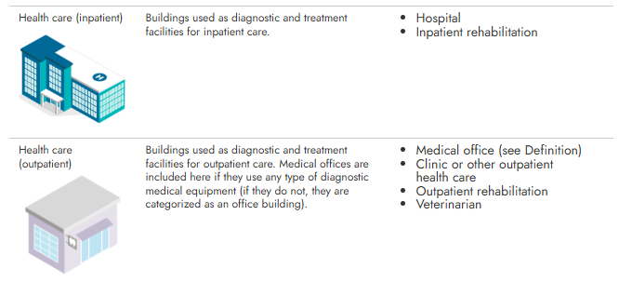
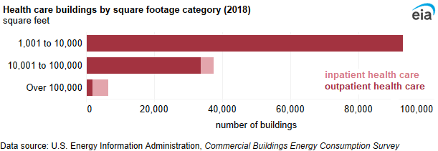
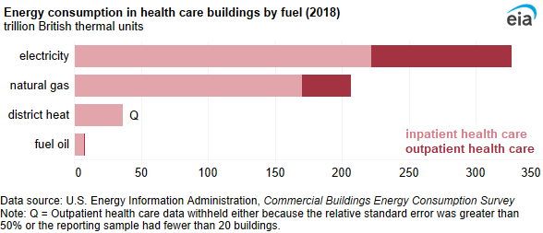
Data Sources
Dataset | Dodge 2023
 | Commercial End-Use Survey (CEUS) 2022 | https://www.energy.ca.gov/publications/2023/2022-california-commercial-end-use-survey-ceus-final-report
 | Commercial Buildings Energy Consumption Survey (CBECS) 2018 | https://www.eia.gov/consumption/commercial/data/2018/
 | ComStock 2023 | https://comstock.nlr.gov/page/datasets

Prototype | California Energy Commission (CEC) Hospital prototype (CBECC 2022.3.1) | https://bees.noresco.com/software2022.html
 | Pacific Northwest National Laboratory (PNNL) Hospital prototype (90.1-2022, 2019, 2013) | https://www.energycodes.gov/prototype-building-models#Commercial
 | Database for Energy Efficient Resources (DEER) Hospital prototype (June 2023) | https://github.com/sound-data/DEER-Prototypes-EnergyPlus

Codes | Title 24, part 6, referred to as T24 (1984, 1992,1998, 2001, 2005, 2008, 2013, 2016,2019, 2022, 2025) | https://www.energy.ca.gov/publications/2025/2025-building-energy-efficiency-standards-residential-and-nonresidential | 2025
 |  | https://codes.iccsafe.org/codes/united-states/california | 2010+
 | American Society of Heating, Refrigerating and Air-Conditioning Engineers (ASHRAE) 90.1 (2022) | https://www.ashrae.org/technical-resources/standards-and-guidelines/read-only-versions-of-ashrae-standards
 | ASHRAE 62.1 (2022) | https://codes.iccsafe.org/content/ASHRAE6212022P1
 | Code of Federal Regulations (CFR) Title 10 ( 2010) | https://www.govinfo.gov/content/pkg/FR-2009-03-23/pdf/FR-2009-03-23.pdf
 | 10 CFR Part 431 (2025) | https://www.ecfr.gov/current/title-10/chapter-II/subchapter-D/part-431/subpart E/subject-group-ECFR0f6eefb37f6d425/section-431.87
 | ASHRAE 170/OSHPD | https://www.ashrae.org/technical-resources/bookstore/health-care-facilities-resources
 | California Department of Health Care Access and Information (OSHPD) | https://hcai.ca.gov/
 | 2022 California Mechanical Code (Title 24, Part 4) | https://up.codes/viewer/california/ca-mechanical-code-2022

Others | Alternative Calculation Method (ACM) (2022) | https://www.energy.ca.gov/publications/2022/2022-nonresidential-and-multifamily-alternative-calculation-method-reference
 | Nonres ACM 2022, Appendix 5.4A and Appendix 5.4B | https://www.energy.ca.gov/publications/2022/2022-nonresidential-and-multifamily-alternative-calculation-method-reference
 | 2022 Reduced infiltration CASE report | https://title24stakeholders.com/wp-content/uploads/2020/10/2022-T24-Final-CASE-Report_Reduce-Infiltration.pdf
 | 2019 Outdoor Lighting CASE Report | https://title24stakeholders.com/wp-content/uploads/2016/10/T24-2019-CASE-Study-Results-Report-Outdoor-Sources_Final_with-Attachments.pdf
 | PNNL 20405, 2011 | https://www.pnnl.gov/main/publications/external/technical_reports/PNNL-20405.pdf
 | Air leakage Memo, NORESCO, 2025 | https://2050partners.sharepoint.com/:w:/r/sites/CalBEMCollaborativeEfforts/Shared%20Documents/Working%20Group%201%20-%20Streamlined%20Process/D%20-%20Complexity%20of%20Compliance/Prototype%20Unification/Project%20Development/Phase%202%20(Collect%20Inputs)%20Development/NR/Air%20Leakage%20Memo/Infiltration_rate_report_14May2025-Short-Version.docx?d=w3bef8f747fac44f2a70cd76617660066&csf=1&web=1&e=wh5Dm4
 | 2019 High Efficiency Fume Hoods in Laboratory Spaces CASE Report | https://title24stakeholders.com/wp-content/uploads/2017/09/2019-T24-CASE-Report_Fume-Hoods_Final_September-2017.pdf?
 | Targeting 100! Envisioning the High Performance Hospital: Implications for a New, Low Energy, High Performance Prototype | https://idl.be.uw.edu/wp-content/uploads/sites/32/2017/08/Targeting100_FullReport_063010.pdf
 | ASHRAE's Advanced Energy Design Guide for Large Hospitals-50% (AEDG) | https://www.ashrae.org/technical-resources/aedgs/50-percent-aedg-free-download
 | American Hospital Association (AHA) Statistics data for Hospital | https://www.ahadata.com/aha-hospital-statistics
 | Yousefi, F., Athalye, R., (2025), "Determining Vintage Bins for Prototype Development: An Analysis of California Commercial Buildings," ASHRAE Annual Conference | https://www.thefreelibrary.com/Determining+Vintage+Bins+for+Prototype+Development%3a+An+Analysis+of...-a0879271125
 | ENERGY STAR certified commercial water heaters | https://www.energystar.gov/productfinder/product/certified-commercial-water-heaters/results?fuel_filter=Gas&markets_filter=United+States
 | Grainger gas tank water heaters (sizes below commercial, e.g. 30–75 kBtu/h) | https://www.grainger.com/category/plumbing/water-heaters/gas-tank-water-heaters
 | Grainger electric tank water heaters | https://www.grainger.com/category/plumbing/water-heaters/electric-tank-water-heaters

Construction Rate

 | Source:Dodge Construction Data, 2023 ( NEW medium office built after 1967) (STC refers to building types in Dodge terminology).
Notes
Hospital | A hospital, as defined across CEC, PNNL, and CPUC prototypes, is a large, full-service inpatient healthcare facility that operates 24/7, providing acute medical care, surgical services, and diagnostic treatment. It includes patient rooms, operating suites, labs, and support areas, and is typically served by 100% outdoor air HVAC systems with strict ventilation and pressurization controls.
EIA, 2018 CBECS | On average, hospitals were 264,800 square feet per building, but outpatient health care buildings averaged 13,700 square feet.
Source | https://www.eia.gov/consumption/commercial/

Prototype
NORESCO, Updated September 2026
Hospital
Characteristic | Value | Data Sources
Building Type | Hospital
Building Category | Nonresidential
Version | v2-0
Vintages | 4 Vintages: Pre-1978 , 1978-1997 ,1998-2007 , 2008-2018 New Construction (2019+) | Based on the vintage bin analysis. A summary of the findings is presented in the following paper, with a link provided in the Notes tab: Yousefi, F., Athalye, R. (2025). “Determining Vintage Bins for Prototype Development: An Analysis of California Commercial Buildings.” ASHRAE Annual Conference.
Shape | 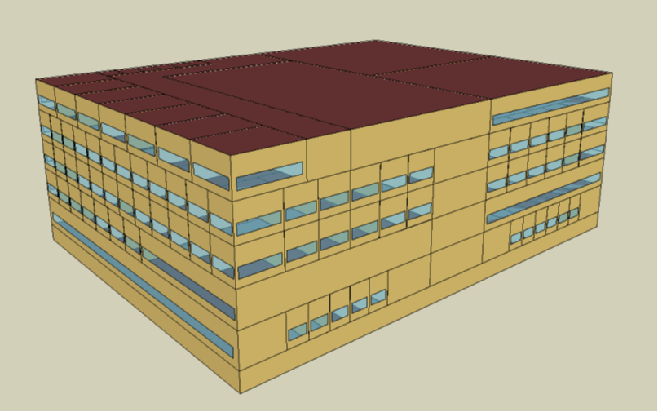 | The analysis uses prototype geometry originally developed by PNNL. The CEC prototypes also adopt this geometry as a foundation.
Total Floor Area (ft²) | 241,521 (230 ft x 175 ft for each floor) | Assumption: same as CEC and PNNL
Number of Beds | 100 | Assumption: 2,400 ft² per bed ( typical in CA)
Aspect Ratio | 1.3 | Assumption: same as CEC and PNNL
Number of Floors | 6 (5 floors + basement) | Assumption: same as CEC and PNNL
Roof type | Flat roof | Typical for hospitals
WWR | North: 23%, East: 24%, South: 28%, West: 48%. Average Total: 30%. | Assumption: same as CEC and PNNL
Shading Geometry | Fixed entrance/ER canopies (12 ft) + S/E/W window overhangs PF=0.5 (~60% of window area). North unshaded. | Assumption
Floor to floor height (feet) | Basement floor: 8 ft Upper floors: 14 ft | Assumption; typical floor height of hospital buildings.
Floor to ceiling height (feet) | No ceiling; plenum is not modeled
Glazing sill height (feet) | 3 ft (4 ft high windows) | Assumption; typical sill height for windows.

Above grade wall area (ft²) | 56,720
Gross wall area (ft²) | 63,203
Roof area (ft²) | 40,254
Underground Gross Wall Area (ft²) | 6,482

Zones
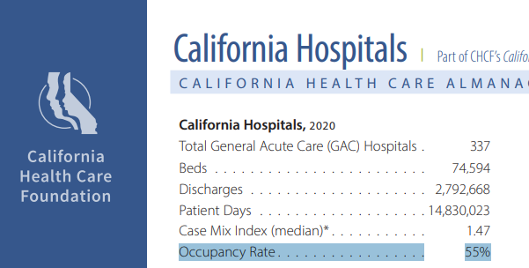
N
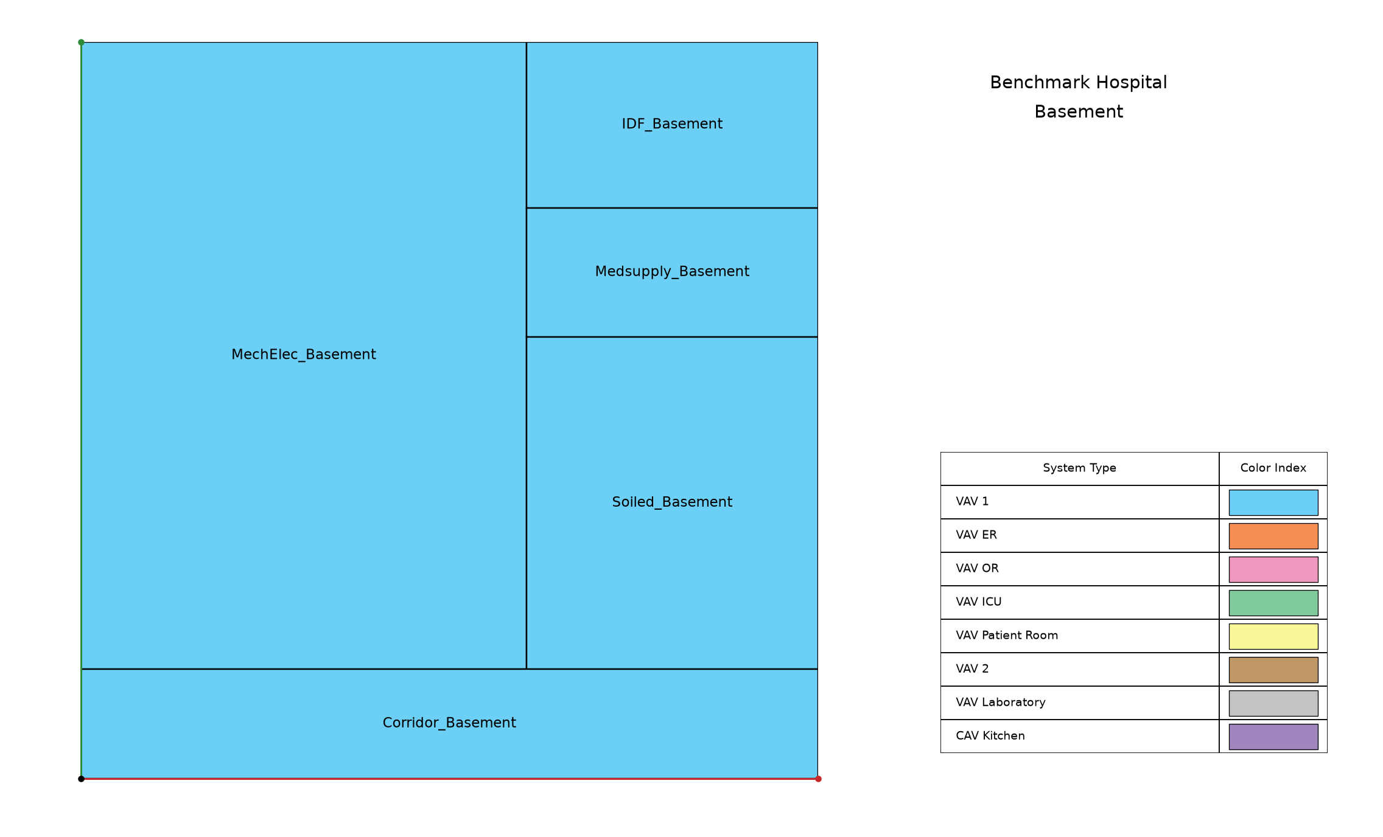
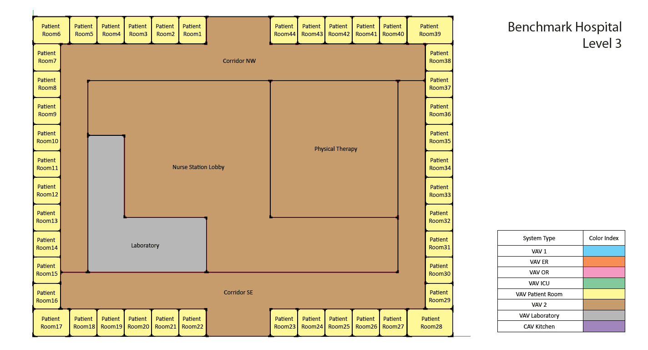
Proposed Layout - Hospital
Building | Space/Thermal Zone | Space Type [Primarily from: T24, 2022 Appendix 5.4A] - See Notes column | HVAC System Name / AHU Name | Schedule Category | Conditioned (Y/N) | Area Fraction | Area (ft²) | Volume (ft³) | Multipliers | Total Area (ft²) | Number of People | People (Persons/1,000 ft²) [T24, 2025,Table 120.1-A] | Notes
Hospital | MechElec_Basement | Electrical, Mechanical, Telephone Rooms | VAV Basement | Ancillary | Yes | 8.7% | 20,930 | 167,489 | 1 | 20,930 | 0.0 | 0.0
Hospital | SoiledUtil_Basement | Laundry Area | VAV Basement | Office | Yes | 3.0% | 7,245 | 57,977 | 1 | 7,245 | 36.0 | 5
Hospital | Corridor_Basement | Corridor Area | VAV Basement | Health | Yes | 2.5% | 6,038 | 48,318 | 1 | 6,038 | 0.0 | 0 | (transient traffic only)
Hospital | IDF_Basement | Computer Room (EPD 20) | VAV Basement | Office | Yes | 1.3% | 3,220 | 25,768 | 1 | 3,220 | 16.0 | 5
Hospital | MedSupply_Basement | Healthcare Facility and Hospitals (Medical Supply Room) | VAV Basement | Health | Yes | 1.2% | 2,818 | 22,551 | 1 | 2,818 | 14.0 | 5
Hospital | Corridor_flr_1 | Corridor Area | VAV Clinical | Health | Yes | 2.5% | 6,126 | 85,785 | 1 | 6,126 | 0.0 | 0 | (transient traffic only)
Hospital | Corridor_flr_2 | Corridor Area | VAV Clinical | Health | Yes | 2.5% | 6,126 | 85,785 | 1 | 6,126 | 0.0 | 0 | (transient traffic only)
Hospital | Corridor_flr_5 | Corridor Area | VAV Clinical | Health | Yes | 2.2% | 5,401 | 75,631 | 1 | 5,401 | 0.0 | 0 | (transient traffic only)
Hospital | Corridor_nw_flr_3 | Corridor Area | VAV Clinical | Health | Yes | 2.5% | 6,101 | 85,434 | 1 | 6,101 | 0.0 | 0 | (transient traffic only)
Hospital | Corridor_nw_flr_4 | Corridor Area | VAV Clinical | Health | Yes | 2.5% | 6,101 | 85,434 | 1 | 6,101 | 0.0 | 0 | (transient traffic only)
Hospital | Corridor_se_flr_3 | Corridor Area | VAV Clinical | Health | Yes | 2.5% | 6,101 | 85,434 | 1 | 6,101 | 0.0 | 0 | (transient traffic only)
Hospital | Corridor_se_flr_4 | Corridor Area | VAV Clinical | Health | Yes | 2.5% | 6,101 | 85,434 | 1 | 6,101 | 0.0 | 0 | (transient traffic only)
Hospital | Dining_flr_5 | Dining Area (Cafeteria/Fast Food) | VAV Dining | Restaurant | Yes | 3.1% | 7,501 | 105,042 | 1 | 7,501 | 248.0 | 33
Hospital | Er_exam1_mult4_flr_1 | Healthcare Facility and Hospitals (Exam/Treatment Room) | VAV ER | Health24/7 | Yes | 0.5% | 300 | 4,202 | 4 | 1,200 | 2.0 | 5 | Table 120.1-A- 2025 T24-Misc-All Other
Hospital | Er_exam3_mult4_flr_1 | Healthcare Facility and Hospitals (Exam/Treatment Room) | VAV ER | Health24/7 | Yes | 0.5% | 300 | 4,202 | 4 | 1,200 | 2.0 | 5
Hospital | Er_nursestn_lobby_flr_1 | Healthcare Facility and Hospitals (Nurse's Station) | VAV Clinical | Health24/7 | Yes | 5.5% | 13,301 | 186,275 | 1 | 13,301 | 20.0 | 2 | 1 nurse per bed
Hospital | Er_trauma1_flr_1 | Healthcare Facility and Hospitals (Exam/Treatment Room) | VAV ER | Health24/7 | Yes | 0.1% | 300 | 4,202 | 1 | 300 | 2.0 | 5
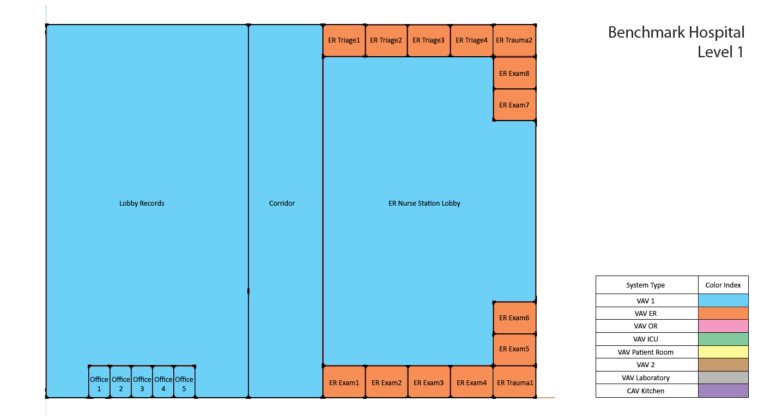

Hospital | Er_trauma2_flr_1 | Healthcare Facility and Hospitals (Exam/Treatment Room) | VAV ER | Health24/7 | Yes | 0.1% | 300 | 4,202 | 1 | 300 | 2.0 | 5
Hospital | Er_triage_mult4_flr_1 | Healthcare Facility and Hospitals (Exam/Treatment Room) | VAV ER | Health24/7 | Yes | 0.5% | 300 | 4,202 | 4 | 1,200 | 2.0 | 5
Hospital | Icu_flr_2 | Healthcare Facility and Hospitals (Recovery Room) | VAV ICU | Health24/7 | Yes | 2.8% | 6,652 | 93,162 | 1 | 6,652 | 33.0 | 5 | Intensive Care Unit, for lighting we can go with the general lighting for the patient room but for other EPD and ventilation refer to the CA mechanical code
Hospital | Icu_nursestn_lobby_flr_2 | Healthcare Facility and Hospitals (Nurse's Station) | VAV Clinical | Health24/7 | Yes | 3.0% | 7,199 | 100,821 | 1 | 7,199 | 11.0 | 2 | 1 nurse per bed
Hospital | Ic_patroom1_mult5_flr_2 | Healthcare Facility and Hospitals (Recovery Room) | VAV ICU | Health24/7 | Yes | 0.5% | 225 | 3,151 | 5 | 1,125 | 1.0 | 5
Hospital | Ic_patroom2_flr_2 | Healthcare Facility and Hospitals (Recovery Room) | VAV ICU | Health24/7 | Yes | 0.1% | 300 | 4,202 | 1 | 300 | 2.0 | 5
Hospital | Ic_patroom3_mult6_flr_2 | Healthcare Facility and Hospitals (Recovery Room) | VAV ICU | Health24/7 | Yes | 0.6% | 225 | 3,151 | 6 | 1,350 | 1.0 | 5
Hospital | Kitchen_flr_5 | Kitchen/Food Preparation Area | CAV Kitchen | Kitchen | Yes | 4.1% | 10,001 | 140,057 | 1 | 10,001 | 30.0 | 3
Hospital | Lab_flr_3 | Laboratory, Scientific | VAV Laboratory | Health | Yes | 1.2% | 2,850 | 39,916 | 1 | 2,850 | 14.0 | 5 | Change it back to 5 same as CEC and PNNL
Hospital | Lab_flr_4 | Laboratory, Scientific | VAV Laboratory | Health | Yes | 1.2% | 2,850 | 39,916 | 1 | 2,850 | 14.0 | 5
Hospital | Lobby_records_flr_1 | Lobby, Main Entry | VAV Admin | Health | Yes | 6.6% | 15,876 | 222,336 | 1 | 15,876 | 79.0 | 5 | For the hospital lobby,5 persons per 1,000 ft² was used considering the size of the lobby, consistent with T24 assumption for reception areas. ASHRAE 62.1 (Table 6‑1) and T24, specify 10 and 33 persons per 1,000 ft²for main entry lobbies, respectively.
Hospital | Nursestn_lobby_flr_3 | Healthcare Facility and Hospitals (Nurse's Station) | VAV Clinical | Health24/7 | Yes | 4.0% | 9,751 | 136,555 | 1 | 9,751 | 15.0 | 2 | 1 nurse per bed
Hospital | Nursestn_lobby_flr_4 | Healthcare Facility and Hospitals (Nurse's Station) | VAV Clinical | Health24/7 | Yes | 4.0% | 9,751 | 136,555 | 1 | 9,751 | 15.0 | 2 | 1 nurse per bed
Hospital | Nursestn_lobby_flr_5 | Healthcare Facility and Hospitals (Nurse's Station) | VAV Clinical | Health24/7 | Yes | 4.6% | 11,201 | 156,863 | 1 | 11,201 | 17.0 | 2 | 1 nurse per bed
Hospital | Office1_flr_5 | Office Area (>250 square feet) | VAV Admin | Office | Yes | 0.3% | 750 | 10,507 | 1 | 750 | 4.0 | 5
Hospital | Office1_mult5_flr_1 | Office Area (<250 square feet) | VAV Admin | Office | Yes | 0.3% | 150 | 2,101 | 5 | 750 | 1.0 | 5
Hospital | Office2_mult5_flr_5 | Office Area (>250 square feet) | VAV Admin | Office | Yes | 1.6% | 750 | 10,502 | 5 | 3,750 | 4.0 | 5
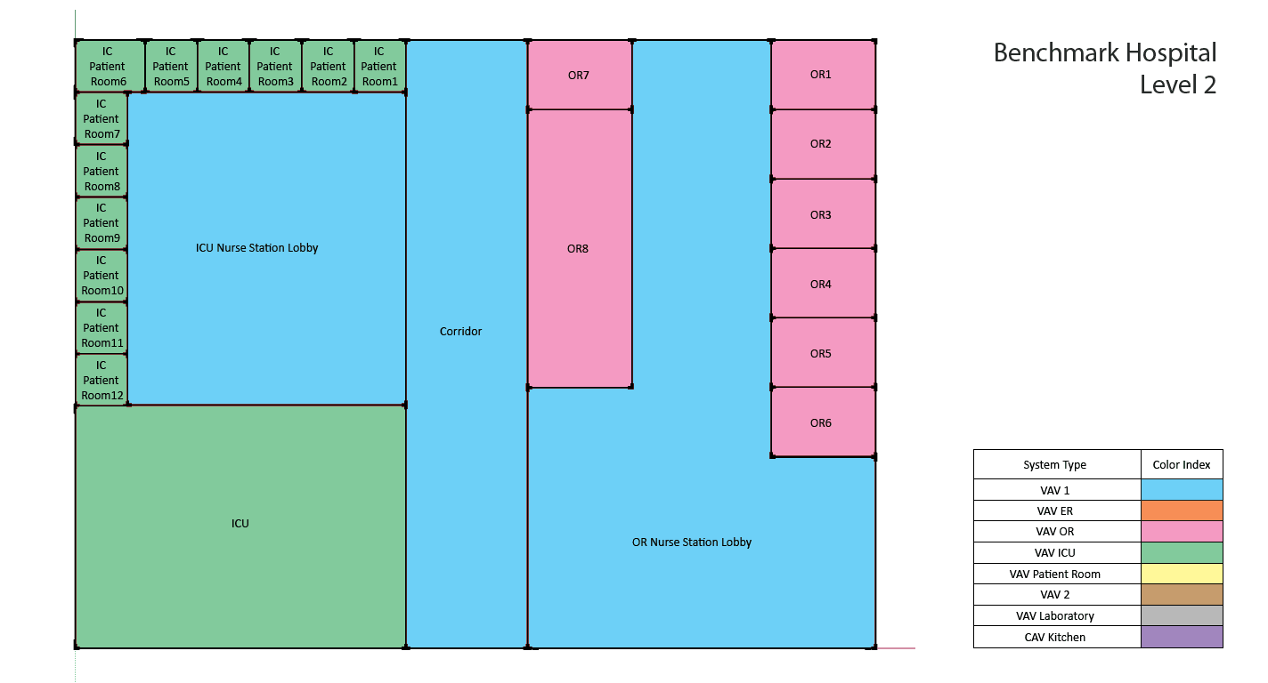
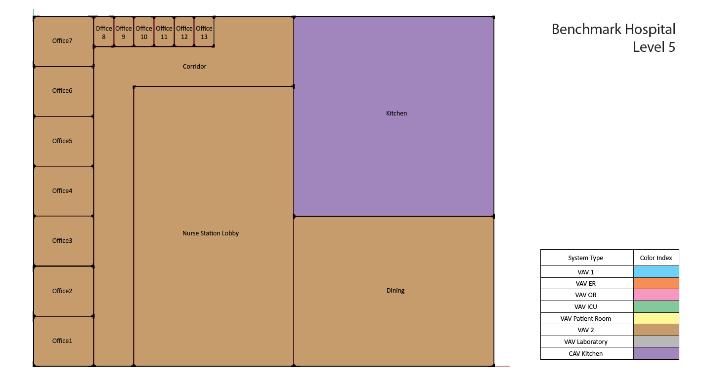
Hospital | Office3_flr_5 | Office Area (>250 square feet) | VAV Admin | Office | Yes | 0.3% | 750 | 10,504 | 1 | 750 | 4.0 | 5
Hospital | Office4_mult6_flr_5 | Office Area (<250 square feet) | VAV Admin | Office | Yes | 0.4% | 150 | 2,101 | 6 | 900 | 1.0 | 5
Hospital | Or1_flr_2 | Healthcare Facility and Hospitals (Operating Room) | VAV OR | Health OR | Yes | 0.2% | 600 | 8,403 | 1 | 600 | 3.0 | 5
Hospital | Or2_mult5_flr_2 | Healthcare Facility and Hospitals (Operating Room) | VAV OR | Health OR | Yes | 1.2% | 600 | 8,403 | 5 | 3,000 | 3.0 | 5
Hospital | Or3_flr_2 | Healthcare Facility and Hospitals (Operating Room) | VAV OR | Health OR | Yes | 0.2% | 600 | 8,403 | 1 | 600 | 3.0 | 5
Hospital | Or4_flr_2 | Healthcare Facility and Hospitals (Operating Room) | VAV OR | Health OR | Yes | 1.0% | 2,400 | 33,614 | 1 | 2,400 | 12.0 | 5
Hospital | Or_nursestn_lobby_flr_2 | Healthcare Facility and Hospitals (Nurse's Station) | VAV Clinical | Health24/7 | Yes | 4.5% | 10,901 | 152,662 | 1 | 10,901 | 16.0 | 2 | 1 nurse per bed
Hospital | Patroom1_mult10_flr_3 | Healthcare Facility and Hospitals (Patient Room) | VAV Patient Room | Patient24/7 | Yes | 0.9% | 225 | 3,151 | 10 | 2,250 | 2.0 | 10 | Raised Zones peak people from ~1/bed to 2/bed (or ~10 people/1,000 ft²) to account for the visitors at the peak time.
Hospital | Patroom1_mult10_flr_4 | Healthcare Facility and Hospitals (Patient Room) | VAV Patient Room | Patient24/7 | Yes | 0.9% | 225 | 3,151 | 10 | 2,250 | 2.0 | 10
Hospital | Patroom2_flr_3 | Healthcare Facility and Hospitals (Patient Room) | VAV Patient Room | Patient24/7 | Yes | 0.2% | 375 | 5,252 | 1 | 375 | 2.0 | 10
Hospital | Patroom2_flr_4 | Healthcare Facility and Hospitals (Patient Room) | VAV Patient Room | Patient24/7 | Yes | 0.2% | 375 | 5,252 | 1 | 375 | 2.0 | 10
Hospital | Patroom3_mult10_flr_3 | Healthcare Facility and Hospitals (Patient Room) | VAV Patient Room | Patient24/7 | Yes | 0.9% | 218 | 3,047 | 10 | 2,175 | 2.0 | 10
Hospital | Patroom3_mult10_flr_4 | Healthcare Facility and Hospitals (Patient Room) | VAV Patient Room | Patient24/7 | Yes | 0.9% | 218 | 3,047 | 10 | 2,175 | 2.0 | 10
Hospital | Patroom4_flr_3 | Healthcare Facility and Hospitals (Patient Room) | VAV Patient Room | Patient24/7 | Yes | 0.2% | 375 | 5,252 | 1 | 375 | 2.0 | 10
Hospital | Patroom4_flr_4 | Healthcare Facility and Hospitals (Patient Room) | VAV Patient Room | Patient24/7 | Yes | 0.2% | 375 | 5,252 | 1 | 375 | 2.0 | 10
Hospital | Patroom5_mult10_flr_3 | Healthcare Facility and Hospitals (Patient Room) | VAV Patient Room | Patient24/7 | Yes | 0.9% | 225 | 3,151 | 10 | 2,250 | 2.0 | 10
Hospital | Patroom5_mult10_flr_4 | Healthcare Facility and Hospitals (Patient Room) | VAV Patient Room | Patient24/7 | Yes | 0.9% | 225 | 3,151 | 10 | 2,250 | 2.0 | 10
Hospital | Patroom6_flr_3 | Healthcare Facility and Hospitals (Patient Room) | VAV Patient Room | Patient24/7 | Yes | 0.1% | 300 | 4,202 | 1 | 300 | 2.0 | 10
Hospital | Patroom6_flr_4 | Healthcare Facility and Hospitals (Patient Room) | VAV Patient Room | Patient24/7 | Yes | 0.1% | 300 | 4,202 | 1 | 300 | 2.0 | 10
Hospital | Patroom7_mult10_flr_3 | Healthcare Facility and Hospitals (Patient Room) | VAV Patient Room | Patient24/7 | Yes | 0.9% | 218 | 3,047 | 10 | 2,175 | 2.0 | 10
Hospital | Patroom7_mult10_flr_4 | Healthcare Facility and Hospitals (Patient Room) | VAV Patient Room | Patient24/7 | Yes | 0.9% | 218 | 3,047 | 10 | 2,175 | 2.0 | 10
Hospital | Patroom8_flr_3 | Healthcare Facility and Hospitals (Patient Room) | VAV Patient Room | Patient24/7 | Yes | 0.1% | 300 | 4,202 | 1 | 300 | 2.0 | 10
Hospital | Patroom8_flr_4 | Healthcare Facility and Hospitals (Patient Room) | VAV Patient Room | Patient24/7 | Yes | 0.1% | 300 | 4,202 | 1 | 300 | 2.0 | 10
Hospital | Phystherapy_flr_3 | Healthcare Facility and Hospitals (Physical Therapy Room) | VAV Clinical | Health | Yes | 2.2% | 5,251 | 73,530 | 1 | 5,251 | 26.0 | 5
Hospital | Radiology_flr_4 | Healthcare Facility and Hospitals (Imaging Room) | VAV Imaging | Health | Yes | 2.2% | 5,251 | 73,530 | 1 | 5,251 | 26.0 | 5
Total (1 Building) | Total ( 162 spaces) | Total (18 Space types) | Total ( 11 Thermal Zones) |  | Total ( 162 Conditioned zones) |  |  |  |  | 241,521 | 711

Occupancy rate of the patient rooms: | 55%
Source: A report published by California Health Care Foundation, 2022
https://www.chcf.org/wp-content/uploads/2022/07/CAHospitalsAlmanac2022QRG.pdf?utm_source=chatgpt.com

Ventilation
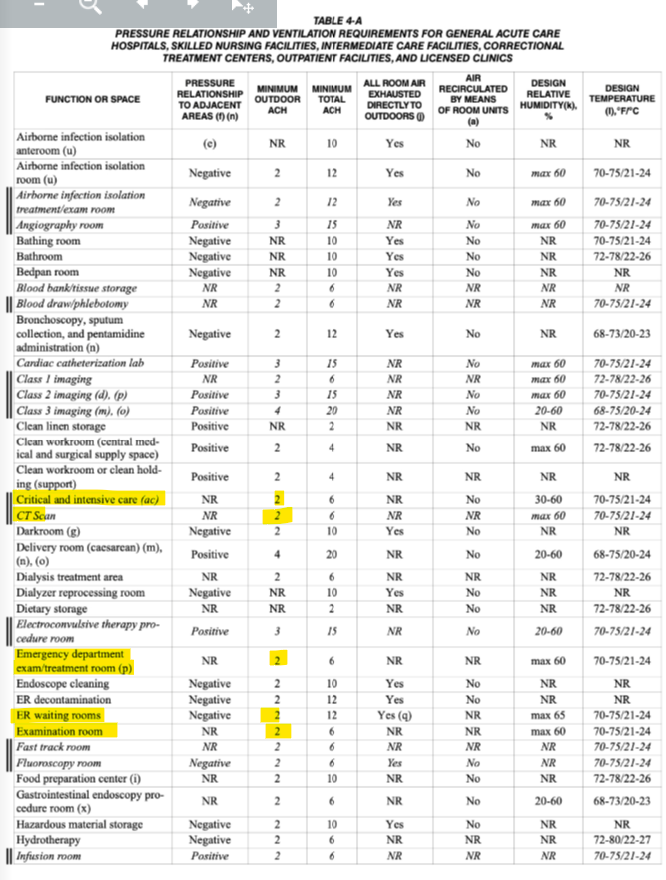
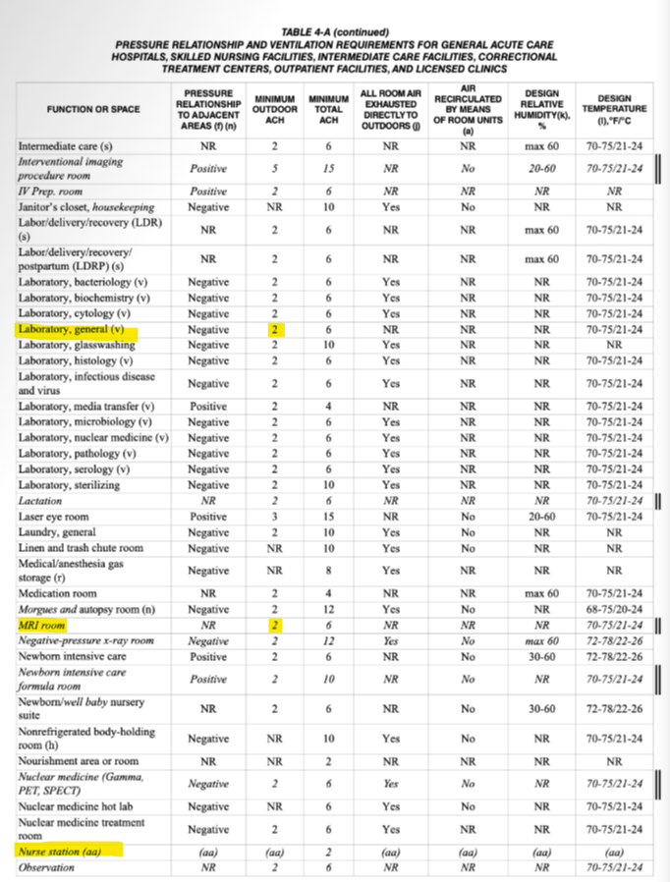
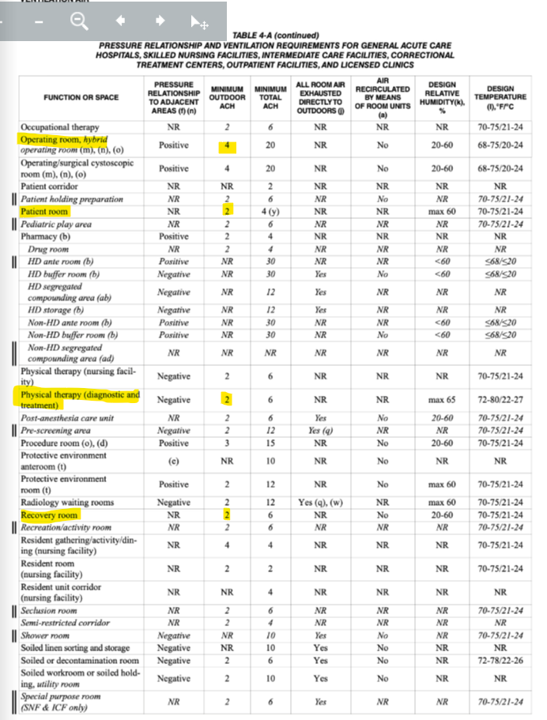
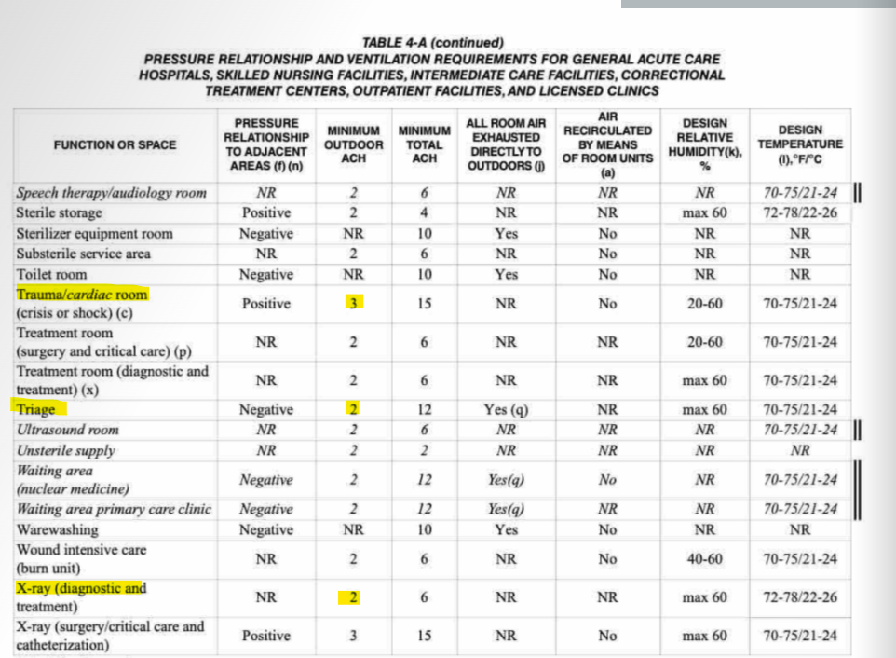
Outdoor Airflow Rate - Hospital |  |  |  |  |  |  |  |  |  |  |  |  |  | Outdoor Airflow Rate - Hospital
Space Type | Space/Thermal Zone | Number of People | Floor Area (ft²) | cfm/person [T24, 2025, Equation 120.1-F and Table 120.1-A] | cfm/ft² [T24, 2025, Equation 120.1-F and Table 120.1-A] | Required exhaust rate (cfm/ft) [T24, 2025, Table 120.1-B – minimum exhaust rates] | Min OA Ventilation Requirement (cfm/ft) [Table 4-A, 2022 California Mechanical Code] | Total cfm driven by people | Total cfm driven by area | Total cfm driven by exhaust | Total cfm | Note | ACH | Space Type | Total Area (ft²) | Min. occupancy load (persons/1000 ft²) | Total Number of Occupants | cfm/ft² (Table 120.1-A – Minimum Ventilation Rates) | Required Exhaust Rate-cfm/ft² (Table 120.1-B – Minimum Exhaust Rates) | Min OA Ventilation Requirement-ACH-(Table 4-A, 2022 California Mechanical Code) | Min OA Ventilation Requirement-cfm/ft²-(Table 4-A, 2022 California Mechanical Code) | cfm
Electrical, Mechanical, Telephone Rooms | MechElec_Basement | 0 | 20,930 | 15 | 0.15 |  | - | - | 3,140 | - | 3,140 |  |  | Electrical, Mechanical, Telephone Rooms | 5,251 | 0 | 0 | 0.15 | - |  |  | 788
Laundry Area | SoiledUtil_Basement | 36 | 7,245 | 15 | 0.15 | 1 | - | 540 | 1,087 | 7,245 | 7,245 |  |  | Laundry Area | 7,245 | 5 | 36 | 0.15 | 1.00 |  |  | 7,245
Corridor Area | Corridor_Basement | 0 | 6,038 | 15 | 0.15 |  | - | - | 906 | - | 906 |  |  | Computer Room (EPD 20) | 3,220 | 5 | 16 | 0.15 | - |  |  | 483
Computer Room (EPD 20) | IDF_Basement | 16 | 3,220 | 15 | 0.15 |  | - | 240 | 483 | - | 483 |  |  | Healthcare Facility and Hospitals (Medical Supply Room) | 2,818 | 5 | 14 | 0.15 | - |  |  | 423
Healthcare Facility and Hospitals (Medical Supply Room) | MedSupply_Basement | 14 | 2,818 | 15 | 0.15 |  | - | 210 | 423 | - | 423 |  |  | Office Area (>250 square feet) | 5,251 | 5 | 26 | 0.15 |  |  |  | 788 | *Negative pressure
Corridor Area | Corridor_flr_1 | 0 | 6,126 | 15 | 0.15 |  | - | - | 919 | - | 919 |  |  | Office Area (<250 square feet) | 1,650 | 5 | 8 | 0.15 | - |  |  | 248 | *Positive, No recirculation
Corridor Area | Corridor_flr_2 | 0 | 6,126 | 15 | 0.15 |  | - | - | 919 | - | 919 |  |  | Corridor Area | 48,092 | 0 | 0 | 0.15 | - |  |  | 7,214 | *Negative pressure
Corridor Area | Corridor_flr_5 | 0 | 5,401 | 15 | 0.15 |  | - | - | 810 | - | 810 |  |  | Dining Area (Cafeteria/Fast Food) | 7,501 | 33 | 248 | 0.15 | - |  |  | 3,713
Corridor Area | Corridor_nw_flr_3 | 0 | 6,101 | 15 | 0.15 |  | - | - | 915 | - | 915 |  |  | Healthcare Facility and Hospitals (Exam/Treatment Room) | 4,200 | 5 | 21 |  | - | 2 | 0.47 | 1,960
Corridor Area | Corridor_nw_flr_4 | 0 | 6,101 | 15 | 0.15 |  | - | - | 915 | - | 915 |  |  | Healthcare Facility and Hospitals (Nurse's Station) | 62,105 | 2 | 93 |  | - | 2 | 0.47 | 32,119
Corridor Area | Corridor_se_flr_3 | 0 | 6,101 | 15 | 0.15 |  | - | - | 915 | - | 915 |  |  | Healthcare Facility and Hospitals (Recovery Room) | 9,428 | 5 | 47 |  | - | 2 | 0.47 | 4,400
Corridor Area | Corridor_se_flr_4 | 0 | 6,101 | 15 | 0.15 |  | - | - | 915 | - | 915 |  |  | Laboratory, Scientific | 5,701 | 5 | 29 |  | 1.00 | 2 | 0.47 | 8,701
Dining Area (Cafeteria/Fast Food) | Dining_flr_5 | 248 | 7,501 | 15 | 0.15 |  | - | 3,720 | 1,125 | - | 3,720 |  |  | Healthcare Facility and Hospitals (Operating Room) | 6,601 | 5 | 33 |  |  | 4 | 0.93 | 6,161
Healthcare Facility and Hospitals (Exam/Treatment Room) | Er_exam1_mult4_flr_1 | 2 | 1,200 | 15 | 0 |  | 0.47 | 30 | 560 | - | 560 |  |  | Healthcare Facility and Hospitals (Physical Therapy Room) | 5,251 | 5 | 26 |  |  | 2 | 0.47 | 2,450
Healthcare Facility and Hospitals (Exam/Treatment Room) | Er_exam3_mult4_flr_1 | 2 | 1,200 | 15 | 0 |  | 0.47 | 30 | 560 | - | 560 |  |  | Healthcare Facility and Hospitals (Imaging Room) | 5,251 | 5 | 26 |  |  | 2 | 0.47 | 2,450
Healthcare Facility and Hospitals (Nurse's Station) | Er_nursestn_lobby_flr_1 | 20 | 13,301 | 15 | 0 |  | 0.47 | 300 | 6,207 | - | 6,207 |  |  | Healthcare Facility and Hospitals (Patient Room) | 20,403 | 5 | 102 |  |  | 2 | 0.47 | 9,521
Healthcare Facility and Hospitals (Exam/Treatment Room) | Er_trauma1_flr_1 | 2 | 300 | 15 | 0 |  | 0.70 | 30 | 210 | - | 210 |  |  | Lobby, Main Entry | 15,876 | 5 | 79 | 0.15 |  |  |  | 2,381
Healthcare Facility and Hospitals (Exam/Treatment Room) | Er_trauma2_flr_1 | 2 | 300 | 15 | 0 |  | 0.70 | 30 | 210 | - | 210 |  |  | Kitchen/Food Preparation Area | 10,001 | 3 | 30 | 0.15 | 0.7 |  |  | 7,001
Healthcare Facility and Hospitals (Exam/Treatment Room) | Er_triage_mult4_flr_1 | 2 | 1,200 | 15 | 0 | 3 | 0.47 | 30 | 560 | 3,697 | 3,697 | According to CEC model, exhaust required |  | Total | 225,842 |  | 835 |  |  |  |  | 98,044
Healthcare Facility and Hospitals (Recovery Room) | Icu_flr_2 | 33 | 6,652 | 15 | 0 |  | 0.47 | 495 | 3,104 |  | 3,104
Healthcare Facility and Hospitals (Nurse's Station) | Icu_nursestn_lobby_flr_2 | 11 | 7,199 | 15 | 0 |  | 0.47 | 165 | 3,360 |  | 3,360
Healthcare Facility and Hospitals (Recovery Room) | Ic_patroom1_mult5_flr_2 | 1 | 1,125 | 15 | 0 |  | 0.47 | 15 | 525 |  | 525
Healthcare Facility and Hospitals (Recovery Room) | Ic_patroom2_flr_2 | 2 | 300 | 15 | 0 |  | 0.47 | 30 | 140 |  | 140
Healthcare Facility and Hospitals (Recovery Room) | Ic_patroom3_mult6_flr_2 | 1 | 1,350 | 15 | 0 |  | 0.47 | 15 | 630 |  | 630
Kitchen/Food Preparation Area | Kitchen_flr_5 | 30 | 10,001 | 15 | 0.15 | 0.70 |  | 450 | 1,500 | 7,001 | 7,001 | Exhaust required according to Code
Laboratory, Scientific | Lab_flr_3 | 14 | 2,850 | 15 | 0 | 1.00 | 0.47 | 210 | 1,330 | 2,850 | 4,350 | Exhaust required according to Code Per ASHRAE 62.1: Table 6.5-General Lab Exhaust
Laboratory, Scientific | Lab_flr_4 | 14 | 2,850 | 15 | 0 | 1.00 | 0.47 | 210 | 1,330 | 2,850 | 4,350 | Exhaust required according to Code Per ASHRAE 62.1: Table 6.5-General Lab Exhaust
Lobby, Main Entry | Lobby_records_flr_1 | 79 | 15,876 | 15 | 0.15 |  | - | 1,185 | 2,381 | - | 2,381
Healthcare Facility and Hospitals (Nurse's Station) | Nursestn_lobby_flr_3 | 15 | 9,751 | 15 | 0 | 0.47 | 0.47 | 225 | 4,550 | 4,551 | 4,551 | According to CEC Model
Healthcare Facility and Hospitals (Nurse's Station) | Nursestn_lobby_flr_4 | 15 | 9,751 | 15 | 0 | 0.47 | 0.47 | 225 | 4,550 | 4,551 | 4,551 | According to CEC Model
Healthcare Facility and Hospitals (Nurse's Station) | Nursestn_lobby_flr_5 | 17 | 11,201 | 15 | 0 |  | 0.47 | 255 | 5,227 | - | 5,227
Office Area (>250 square feet) | Office1_flr_5 | 4 | 750 | 15 | 0.15 |  | - | 60 | 113 | - | 113
Office Area (<250 square feet) | Office1_mult5_flr_1 | 1 | 750 | 15 | 0.15 |  | - | 15 | 113 | - | 113
Office Area (>250 square feet) | Office2_mult5_flr_5 | 4 | 3,750 | 15 | 0.15 |  | - | 60 | 563 | - | 563
Office Area (>250 square feet) | Office3_flr_5 | 4 | 750 | 15 | 0.15 |  | - | 60 | 113 | - | 113
Office Area (<250 square feet) | Office4_mult6_flr_5 | 1 | 900 | 15 | 0.15 |  | - | 15 | 135 | - | 135
Healthcare Facility and Hospitals (Operating Room) | Or1_flr_2 | 3 | 600 | 15 | 0 |  | 0.93 | 45 | 560 | - | 560
Healthcare Facility and Hospitals (Operating Room) | Or2_mult5_flr_2 | 3 | 3,000 | 15 | 0 |  | 0.93 | 45 | 2,800 | - | 2,800
Healthcare Facility and Hospitals (Operating Room) | Or3_flr_2 | 3 | 600 | 15 | 0 |  | 0.93 | 45 | 560 | - | 560
Healthcare Facility and Hospitals (Operating Room) | Or4_flr_2 | 12 | 2,400 | 15 | 0 |  | 0.93 | 180 | 2,240 | - | 2,240
Healthcare Facility and Hospitals (Nurse's Station) | Or_nursestn_lobby_flr_2 | 16 | 10,901 | 15 | 0 |  | 0.47 | 240 | 5,087 | - | 5,087
Healthcare Facility and Hospitals (Patient Room) | Patroom1_mult10_flr_3 | 2 | 2,250 | 15 | 0 |  | 0.47 | 30 | 1,050 | - | 1,050
Healthcare Facility and Hospitals (Patient Room) | Patroom1_mult10_flr_4 | 2 | 2,250 | 15 | 0 |  | 0.47 | 30 | 1,050 | - | 1,050
Healthcare Facility and Hospitals (Patient Room) | Patroom2_flr_3 | 2 | 375 | 15 | 0 |  | 0.47 | 30 | 175 | - | 175
Healthcare Facility and Hospitals (Patient Room) | Patroom2_flr_4 | 2 | 375 | 15 | 0 |  | 0.47 | 30 | 175 | - | 175
Healthcare Facility and Hospitals (Patient Room) | Patroom3_mult10_flr_3 | 2 | 2,175 | 15 | 0 |  | 0.47 | 30 | 1,015 | - | 1,015
Healthcare Facility and Hospitals (Patient Room) | Patroom3_mult10_flr_4 | 2 | 2,175 | 15 | 0 |  | 0.47 | 30 | 1,015 | - | 1,015
Healthcare Facility and Hospitals (Patient Room) | Patroom4_flr_3 | 2 | 375 | 15 | 0 |  | 0.47 | 30 | 175 | - | 175
Healthcare Facility and Hospitals (Patient Room) | Patroom4_flr_4 | 2 | 375 | 15 | 0 |  | 0.47 | 30 | 175 | - | 175
Healthcare Facility and Hospitals (Patient Room) | Patroom5_mult10_flr_3 | 2 | 2,250 | 15 | 0 |  | 0.47 | 30 | 1,050 | - | 1,050
Healthcare Facility and Hospitals (Patient Room) | Patroom5_mult10_flr_4 | 2 | 2,250 | 15 | 0 |  | 0.47 | 30 | 1,050 | - | 1,050
Healthcare Facility and Hospitals (Patient Room) | Patroom6_flr_3 | 2 | 300 | 15 | 0 |  | 0.47 | 30 | 140 | - | 140
Healthcare Facility and Hospitals (Patient Room) | Patroom6_flr_4 | 2 | 300 | 15 | 0 |  | 0.47 | 30 | 140 | - | 140
Healthcare Facility and Hospitals (Patient Room) | Patroom7_mult10_flr_3 | 2 | 2,175 | 15 | 0 |  | 0.47 | 30 | 1,015 | - | 1,015
Healthcare Facility and Hospitals (Patient Room) | Patroom7_mult10_flr_4 | 2 | 2,175 | 15 | 0 |  | 0.47 | 30 | 1,015 | - | 1,015
Healthcare Facility and Hospitals (Patient Room) | Patroom8_flr_3 | 2 | 300 | 15 | 0 |  | 0.47 | 30 | 140 | - | 140
Healthcare Facility and Hospitals (Patient Room) | Patroom8_flr_4 | 2 | 300 | 15 | 0 |  | 0.47 | 30 | 140 | - | 140
Healthcare Facility and Hospitals (Physical Therapy Room) | Phystherapy_flr_3 | 26 | 5,251 | 15 | 0 | 0.140 | 0.47 | 390 | 2,450 | 735 | 2,450 | According to CEC Model
Healthcare Facility and Hospitals (Imaging Room) | Radiology_flr_4 | 26 | 5,251 | 15 | 0 |  | 0.47 | 390 | 2,450 | - | 2,450
Total (18 Space types) | Total ( 162 spaces) | 711 | 241,521 |  |  |  |  |  |  |  | 100,544

**The CPUC Hospital prototype does not include any exhaust fans modeled in any of the spaces.

Exhaust Hood
Type of hood | Space | Max Exhaust Flow Rate (cfm/ft) [T24, 2025, Table 140.9-C] | Hood length (ft) | Hood Exhaust Rate (cfm) | Note | Source
Type I , wall-mounted canopy hoods | Kitchen/Food Preparation Area | 210 | 33 | 7,001 |  | T 24 2025, Table 140.9-C
Fume Hood | Laboratory, Scientific | 250 | 6 | 1,500 | ~1 fume hood per 2,500–3,000 ft² for hospital/clinical-type labs | 2019 High Efficiency Fume Hoods in Laboratory Spaces CASE Report
Fume Hood | Laboratory, Scientific | 250 | 6 | 1,500

*Efficiency of exhaust fan is 50% (according to ACM, 2025,section 5.7.3)

Schedules
Occupancy
Schedules - Hospital
Zone | Schedule Category | Schedule | Source | Type | Hour
 |  |  |  |  | 1 | 2 | 3 | 4 | 5 | 6 | 7 | 8 | 9 | 10 | 11 | 12 | 13 | 14 | 15 | 16 | 17 | 18 | 19 | 20 | 21 | 22 | 23 | 24 |  | PNNL
Occupancy
All the zones | Health | Occupancy | T24 2022 - Appendix 5.4B, [Health] | Weekday | 0 | 0 | 0 | 0 | 0 | 0 | 0 | 0.1 | 0.5 | 0.8 | 0.8 | 0.8 | 0.8 | 0.8 | 0.8 | 0.8 | 0.8 | 0.5 | 0.3 | 0.3 | 0.2 | 0.2 | 0 | 0 |  |  | 0.349 | 0.349 | 0.349 | 0.349 | 0.349 | 0.349 | 0.349 | 0.682 | 0.877 | 0.877 | 0.877 | 0.877 | 0.877 | 0.877 | 0.877 | 0.877 | 0.584 | 0.584 | 0.584 | 0.584 | 0.584 | 0.584 | 0.524 | 0.349
 |  |  |  | Saturday | 0 | 0 | 0 | 0 | 0 | 0 | 0 | 0.1 | 0.3 | 0.4 | 0.4 | 0.4 | 0.4 | 0.4 | 0.4 | 0.4 | 0.4 | 0.1 | 0.1 | 0 | 0 | 0 | 0 | 0 |  |  | 0.349 | 0.349 | 0.349 | 0.349 | 0.349 | 0.349 | 0.349 | 0.487 | 0.633 | 0.633 | 0.633 | 0.633 | 0.633 | 0.633 | 0.633 | 0.633 | 0.633 | 0.633 | 0.349 | 0.349 | 0.349 | 0.349 | 0.349 | 0.349
 |  |  |  | Sunday | 0 | 0 | 0 | 0 | 0 | 0 | 0 | 0 | 0.05 | 0.05 | 0.05 | 0.05 | 0.05 | 0.05 | 0.05 | 0.05 | 0 | 0 | 0 | 0 | 0 | 0 | 0 | 0 |  |  | 0.262 | 0.262 | 0.262 | 0.262 | 0.262 | 0.262 | 0.262 | 0.262 | 0.349 | 0.349 | 0.349 | 0.349 | 0.349 | 0.349 | 0.349 | 0.349 | 0.262 | 0.262 | 0.262 | 0.262 | 0.262 | 0.262 | 0.262 | 0.262
Lights
All the zones | Health | Lights | T24 2022 - Appendix 5.4B, [Health] | Weekday | 0.1 | 0.1 | 0.1 | 0.1 | 0.1 | 0.1 | 0.1 | 0.45 | 0.8 | 0.8 | 0.8 | 0.8 | 0.8 | 0.8 | 0.8 | 0.8 | 0.3 | 0.3 | 0.3 | 0.3 | 0.3 | 0.3 | 0.3 | 0.1
 |  |  |  | Saturday | 0.1 | 0.1 | 0.1 | 0.1 | 0.1 | 0.1 | 0.1 | 0.2 | 0.35 | 0.35 | 0.35 | 0.35 | 0.35 | 0.35 | 0.35 | 0.35 | 0.35 | 0.35 | 0.1 | 0.1 | 0.1 | 0.1 | 0.1 | 0.1
 |  |  |  | Sunday | 0.05 | 0.05 | 0.05 | 0.05 | 0.05 | 0.05 | 0.05 | 0.05 | 0.1 | 0.1 | 0.1 | 0.1 | 0.1 | 0.1 | 0.1 | 0.1 | 0.05 | 0.05 | 0.05 | 0.05 | 0.05 | 0.05 | 0.05 | 0.05
ElecEquipment
All the zones | Health | ElecEquipment | T24 2022 - Appendix 5.4B, [Health] | Weekday | 0.10 | 0.10 | 0.10 | 0.10 | 0.10 | 0.10 | 0.10 | 0.50 | 0.90 | 0.90 | 0.90 | 0.90 | 0.90 | 0.90 | 0.90 | 0.90 | 0.30 | 0.30 | 0.30 | 0.30 | 0.30 | 0.30 | 0.30 | 0.10 |  |  | 0.349 | 0.349 | 0.349 | 0.349 | 0.349 | 0.349 | 0.349 | 0.682 | 0.877 | 0.877 | 0.877 | 0.877 | 0.877 | 0.877 | 0.877 | 0.877 | 0.584 | 0.584 | 0.584 | 0.584 | 0.584 | 0.584 | 0.524 | 0.349
ElecEquipment
 |  |  |  | Saturday | 0.10 | 0.10 | 0.10 | 0.10 | 0.10 | 0.10 | 0.10 | 0.20 | 0.40 | 0.40 | 0.40 | 0.40 | 0.40 | 0.40 | 0.40 | 0.40 | 0.40 | 0.40 | 0.10 | 0.10 | 0.10 | 0.10 | 0.10 | 0.10 |  |  | 0.349 | 0.349 | 0.349 | 0.349 | 0.349 | 0.349 | 0.349 | 0.487 | 0.633 | 0.633 | 0.633 | 0.633 | 0.633 | 0.633 | 0.633 | 0.633 | 0.633 | 0.633 | 0.349 | 0.349 | 0.349 | 0.349 | 0.349 | 0.349
ServiceHotWater
 |  |  |  | Sunday | 0.05 | 0.05 | 0.05 | 0.05 | 0.05 | 0.05 | 0.05 | 0.05 | 0.10 | 0.10 | 0.10 | 0.10 | 0.10 | 0.10 | 0.10 | 0.10 | 0.05 | 0.05 | 0.05 | 0.05 | 0.05 | 0.05 | 0.05 | 0.05 |  |  | 0.262 | 0.262 | 0.262 | 0.262 | 0.262 | 0.262 | 0.262 | 0.262 | 0.349 | 0.349 | 0.349 | 0.349 | 0.349 | 0.349 | 0.349 | 0.349 | 0.262 | 0.262 | 0.262 | 0.262 | 0.262 | 0.262 | 0.262 | 0.262
All the zones | Health | ServiceHotWater | T24 2022 - Appendix 5.4B, [Health] | Weekday | 0.01 | 0.01 | 0.01 | 0.01 | 0.01 | 0.01 | 0.01 | 0.17 | 0.58 | 0.66 | 0.78 | 0.82 | 0.71 | 0.82 | 0.78 | 0.74 | 0.63 | 0.41 | 0.18 | 0.18 | 0.18 | 0.1 | 0.01 | 0.01
 |  |  |  | Saturday | 0.01 | 0.01 | 0.01 | 0.01 | 0.01 | 0.01 | 0.01 | 0.01 | 0.2 | 0.28 | 0.3 | 0.3 | 0.24 | 0.24 | 0.23 | 0.23 | 0.23 | 0.1 | 0.01 | 0.01 | 0.01 | 0.01 | 0.01 | 0.01
 |  |  |  | Sunday | 0.01 | 0.01 | 0.01 | 0.01 | 0.01 | 0.01 | 0.01 | 0.01 | 0.01 | 0.01 | 0.01 | 0.01 | 0.01 | 0.01 | 0.01 | 0.01 | 0.01 | 0.01 | 0.01 | 0.01 | 0.01 | 0.01 | 0.01 | 0.01
GasEquipment
All the zones | Health | GasEquipment | T24 2022 - Appendix 5.4B, [Health] | Weekday | 0.00 | 0.00 | 0.00 | 0.00 | 0.00 | 0.00 | 0.00 | 0.75 | 0.90 | 0.90 | 0.90 | 0.90 | 0.90 | 0.90 | 0.90 | 0.90 | 0.90 | 0.75 | 0.20 | 0.10 | 0.00 | 0.00 | 0.00 | 0.00
 |  |  |  | Saturday | 0.00 | 0.00 | 0.00 | 0.00 | 0.00 | 0.00 | 0.00 | 0.30 | 0.50 | 0.50 | 0.50 | 0.50 | 0.50 | 0.50 | 0.50 | 0.50 | 0.50 | 0.30 | 0.00 | 0.00 | 0.00 | 0.00 | 0.00 | 0.00
 |  |  |  | Sunday | 0.00 | 0.00 | 0.00 | 0.00 | 0.00 | 0.00 | 0.00 | 0.00 | 0.00 | 0.00 | 0.00 | 0.00 | 0.00 | 0.00 | 0.00 | 0.00 | 0.00 | 0.00 | 0.00 | 0.00 | 0.00 | 0.00 | 0.00 | 0.00
Refrigeration
All the zones | Health | Refrigeration | T24 2022 - Appendix 5.4B, [Health] | Weekday | 0.90 | 0.90 | 0.90 | 0.90 | 0.90 | 0.90 | 0.90 | 0.90 | 0.90 | 0.90 | 0.90 | 0.90 | 0.90 | 0.90 | 0.90 | 0.90 | 0.90 | 0.90 | 0.90 | 0.90 | 0.90 | 0.90 | 0.90 | 0.90
 |  |  |  | Saturday | 0.90 | 0.90 | 0.90 | 0.90 | 0.90 | 0.90 | 0.90 | 0.90 | 0.90 | 0.90 | 0.90 | 0.90 | 0.90 | 0.90 | 0.90 | 0.90 | 0.90 | 0.90 | 0.90 | 0.90 | 0.90 | 0.90 | 0.90 | 0.90
 |  |  |  | Sunday | 0.90 | 0.90 | 0.90 | 0.90 | 0.90 | 0.90 | 0.90 | 0.90 | 0.90 | 0.90 | 0.90 | 0.90 | 0.90 | 0.90 | 0.90 | 0.90 | 0.90 | 0.90 | 0.90 | 0.90 | 0.90 | 0.90 | 0.90 | 0.90
Perimeter zones under Health category | Health | Infiltration | T24 2022 - Appendix 5.4B, [Health] | Weekday | 1.00 | 1.00 | 1.00 | 1.00 | 1.00 | 1.00 | 1.00 | 0.25 | 0.25 | 0.25 | 0.25 | 0.25 | 0.25 | 0.25 | 0.25 | 0.25 | 0.25 | 0.25 | 0.25 | 0.25 | 0.25 | 0.25 | 1.00 | 1.00
 |  |  |  | Saturday | 1.00 | 1.00 | 1.00 | 1.00 | 1.00 | 1.00 | 1.00 | 0.25 | 0.25 | 0.25 | 0.25 | 0.25 | 0.25 | 0.25 | 0.25 | 0.25 | 0.25 | 0.25 | 0.25 | 1.00 | 1.00 | 1.00 | 1.00 | 1.00
 |  |  |  | Sunday | 1.00 | 1.00 | 1.00 | 1.00 | 1.00 | 1.00 | 1.00 | 1.00 | 0.25 | 0.25 | 0.25 | 0.25 | 0.25 | 0.25 | 0.25 | 0.25 | 1.00 | 1.00 | 1.00 | 1.00 | 1.00 | 1.00 | 1.00 | 1.00
All the zones | Health | HVACAvail | T24 2022 - Appendix 5.4B, [Health] | Weekday | 0 | 0 | 0 | 0 | 0 | 0 | 1 | 1 | 1 | 1 | 1 | 1 | 1 | 1 | 1 | 1 | 1 | 1 | 1 | 1 | 1 | 1 | 0 | 0
 |  |  |  | Saturday | 0 | 0 | 0 | 0 | 0 | 0 | 1 | 1 | 1 | 1 | 1 | 1 | 1 | 1 | 1 | 1 | 1 | 1 | 1 | 0 | 0 | 0 | 0 | 0
 |  |  |  | Sunday | 0 | 0 | 0 | 0 | 0 | 0 | 0 | 1 | 1 | 1 | 1 | 1 | 1 | 1 | 1 | 1 | 0 | 0 | 0 | 0 | 0 | 0 | 0 | 0
All the zones | Health | HtgSetpt |  | Weekday | 70 | 70 | 70 | 70 | 70 | 70 | 70 | 70 | 70 | 70 | 70 | 70 | 70 | 70 | 70 | 70 | 70 | 70 | 70 | 70 | 70 | 70 | 70 | 70
 |  |  |  | Saturday | 70 | 70 | 70 | 70 | 70 | 70 | 70 | 70 | 70 | 70 | 70 | 70 | 70 | 70 | 70 | 70 | 70 | 70 | 70 | 70 | 70 | 70 | 70 | 70
 |  |  |  | Sunday | 70 | 70 | 70 | 70 | 70 | 70 | 70 | 70 | 70 | 70 | 70 | 70 | 70 | 70 | 70 | 70 | 70 | 70 | 70 | 70 | 70 | 70 | 70 | 70
All the zones | Health | ClgSetpt |  | Weekday | 75 | 75 | 75 | 75 | 75 | 75 | 75 | 75 | 75 | 75 | 75 | 75 | 75 | 75 | 75 | 75 | 75 | 75 | 75 | 75 | 75 | 75 | 75 | 75
 |  |  |  | Saturday | 75 | 75 | 75 | 75 | 75 | 75 | 75 | 75 | 75 | 75 | 75 | 75 | 75 | 75 | 75 | 75 | 75 | 75 | 75 | 75 | 75 | 75 | 75 | 75
 |  |  |  | Sunday | 75 | 75 | 75 | 75 | 75 | 75 | 75 | 75 | 75 | 75 | 75 | 75 | 75 | 75 | 75 | 75 | 75 | 75 | 75 | 75 | 75 | 75 | 75 | 75
Health24/7
Occupancy
All the zones | Health24/7 | Occupancy | PNNL 2022 Hospital prototype | Weekday | 0.4 | 0.4 | 0.4 | 0.4 | 0.4 | 0.4 | 0.4 | 0.5 | 0.6 | 0.8 | 0.8 | 0.8 | 0.8 | 0.8 | 0.8 | 0.8 | 0.8 | 0.6 | 0.5 | 0.5 | 0.4 | 0.4 | 0.4 | 0.4
 |  |  |  | Saturday | 0.4 | 0.4 | 0.4 | 0.4 | 0.4 | 0.4 | 0.4 | 0.5 | 0.6 | 0.6 | 0.6 | 0.6 | 0.6 | 0.6 | 0.6 | 0.6 | 0.6 | 0.5 | 0.5 | 0.4 | 0.4 | 0.4 | 0.4 | 0.4
 |  |  |  | Sunday | 0.4 | 0.4 | 0.4 | 0.4 | 0.4 | 0.4 | 0.4 | 0.4 | 0.6 | 0.6 | 0.6 | 0.6 | 0.6 | 0.6 | 0.6 | 0.6 | 0.4 | 0.4 | 0.4 | 0.4 | 0.4 | 0.4 | 0.4 | 0.4
Lights
All the zones | Health24/7 | Lights | PNNL 2022 Hospital prototype | Weekday | 0.45 | 0.45 | 0.45 | 0.45 | 0.45 | 0.45 | 0.45 | 0.45 | 0.81 | 0.81 | 0.81 | 0.81 | 0.81 | 0.81 | 0.81 | 0.81 | 0.45 | 0.45 | 0.45 | 0.45 | 0.45 | 0.45 | 0.45 | 0.45
 |  |  |  | Saturday | 0.45 | 0.45 | 0.45 | 0.45 | 0.45 | 0.45 | 0.45 | 0.45 | 0.72 | 0.72 | 0.72 | 0.72 | 0.72 | 0.72 | 0.72 | 0.72 | 0.72 | 0.72 | 0.45 | 0.45 | 0.45 | 0.45 | 0.45 | 0.45
 |  |  |  | Sunday | 0.45 | 0.45 | 0.45 | 0.45 | 0.45 | 0.45 | 0.45 | 0.45 | 0.63 | 0.63 | 0.63 | 0.63 | 0.63 | 0.63 | 0.63 | 0.63 | 0.45 | 0.45 | 0.45 | 0.45 | 0.45 | 0.45 | 0.45 | 0.45
ElecEquipment
All the zones | Health24/7 | ElecEquipment | PNNL 2022 Hospital prototype | Weekday | 0.40 | 0.40 | 0.40 | 0.40 | 0.40 | 0.40 | 0.40 | 0.70 | 0.90 | 0.90 | 0.90 | 0.90 | 0.90 | 0.90 | 0.90 | 0.90 | 0.60 | 0.60 | 0.60 | 0.60 | 0.60 | 0.60 | 0.60 | 0.40
 |  |  |  | Saturday | 0.40 | 0.40 | 0.40 | 0.40 | 0.40 | 0.40 | 0.40 | 0.80 | 0.65 | 0.65 | 0.65 | 0.65 | 0.65 | 0.65 | 0.65 | 0.65 | 0.65 | 0.65 | 0.40 | 0.40 | 0.40 | 0.40 | 0.40 | 0.40
ServiceHotWater
GasEquipment
 |  |  |  | Sunday | 0.40 | 0.40 | 0.40 | 0.40 | 0.40 | 0.40 | 0.40 | 0.40 | 0.60 | 0.60 | 0.60 | 0.60 | 0.60 | 0.60 | 0.60 | 0.60 | 0.40 | 0.40 | 0.40 | 0.40 | 0.40 | 0.40 | 0.40 | 0.40
All the zones | Health24/7 | ServiceHotWater | PNNL 2022 Hospital prototype | Weekday | 0.3 | 0.3 | 0.3 | 0.3 | 0.3 | 0.3 | 0.5 | 0.58 | 0.66 | 0.78 | 0.82 | 0.71 | 0.82 | 0.78 | 0.74 | 0.63 | 0.41 | 0.35 | 0.35 | 0.35 | 0.3 | 0.3 | 0.3 | 0.3
 |  |  |  | Saturday | 0.3 | 0.3 | 0.3 | 0.3 | 0.3 | 0.3 | 0.3 | 0.4 | 0.5 | 0.6 | 0.6 | 0.6 | 0.6 | 0.6 | 0.6 | 0.6 | 0.5 | 0.3 | 0.3 | 0.3 | 0.3 | 0.3 | 0.3 | 0.3
 |  |  |  | Sunday | 0.3 | 0.3 | 0.3 | 0.3 | 0.3 | 0.3 | 0.3 | 0.4 | 0.5 | 0.6 | 0.6 | 0.6 | 0.6 | 0.6 | 0.6 | 0.6 | 0.5 | 0.3 | 0.3 | 0.3 | 0.3 | 0.3 | 0.3 | 0.3
GasEquipment
All the zones | Health24/7 | GasEquipment | CEC Hospital Update with changing 0 to 0.1 Or PNNL Gas Equip that is similar Elec? | Weekday | 0.10 | 0.10 | 0.10 | 0.10 | 0.10 | 0.10 | 0.10 | 0.75 | 0.90 | 0.90 | 0.90 | 0.90 | 0.90 | 0.90 | 0.90 | 0.90 | 0.90 | 0.75 | 0.20 | 0.10 | 0.10 | 0.10 | 0.10 | 0.10 |  |  | 0.40 | 0.40 | 0.40 | 0.40 | 0.40 | 0.40 | 0.40 | 0.70 | 0.90 | 0.90 | 0.90 | 0.90 | 0.90 | 0.90 | 0.90 | 0.90 | 0.60 | 0.60 | 0.60 | 0.60 | 0.60 | 0.60 | 0.60 | 0.40
 |  |  |  | Saturday | 0.10 | 0.10 | 0.10 | 0.10 | 0.10 | 0.10 | 0.10 | 0.30 | 0.50 | 0.50 | 0.50 | 0.50 | 0.50 | 0.50 | 0.50 | 0.50 | 0.50 | 0.30 | 0.10 | 0.10 | 0.10 | 0.10 | 0.10 | 0.10 |  |  | 0.40 | 0.40 | 0.40 | 0.40 | 0.40 | 0.40 | 0.40 | 0.80 | 0.65 | 0.65 | 0.65 | 0.65 | 0.65 | 0.65 | 0.65 | 0.65 | 0.65 | 0.65 | 0.40 | 0.40 | 0.40 | 0.40 | 0.40 | 0.40
 |  |  |  | Sunday | 0.10 | 0.10 | 0.10 | 0.10 | 0.10 | 0.10 | 0.10 | 0.30 | 0.50 | 0.50 | 0.50 | 0.50 | 0.50 | 0.50 | 0.50 | 0.50 | 0.50 | 0.30 | 0.10 | 0.10 | 0.10 | 0.10 | 0.10 | 0.10 |  |  | 0.40 | 0.40 | 0.40 | 0.40 | 0.40 | 0.40 | 0.40 | 0.40 | 0.60 | 0.60 | 0.60 | 0.60 | 0.60 | 0.60 | 0.60 | 0.60 | 0.40 | 0.40 | 0.40 | 0.40 | 0.40 | 0.40 | 0.40 | 0.40
All the zones | Health24/7 | Infiltration | Based on occupancy | Weekday | 0.25 | 0.25 | 0.25 | 0.25 | 0.25 | 0.25 | 0.25 | 0.25 | 0.25 | 0.25 | 0.25 | 0.25 | 0.25 | 0.25 | 0.25 | 0.25 | 0.25 | 0.25 | 0.25 | 0.25 | 0.25 | 0.25 | 0.25 | 0.25
 |  |  |  | Saturday | 0.25 | 0.25 | 0.25 | 0.25 | 0.25 | 0.25 | 0.25 | 0.25 | 0.25 | 0.25 | 0.25 | 0.25 | 0.25 | 0.25 | 0.25 | 0.25 | 0.25 | 0.25 | 0.25 | 0.25 | 0.25 | 0.25 | 0.25 | 0.25
 |  |  |  | Sunday | 0.25 | 0.25 | 0.25 | 0.25 | 0.25 | 0.25 | 0.25 | 0.25 | 0.25 | 0.25 | 0.25 | 0.25 | 0.25 | 0.25 | 0.25 | 0.25 | 0.25 | 0.25 | 0.25 | 0.25 | 0.25 | 0.25 | 0.25 | 0.25
All the zones | Health24/7 | HVACAvail | PNNL 2022 Hospital prototype | Weekday | 1 | 1 | 1 | 1 | 1 | 1 | 1 | 1 | 1 | 1 | 1 | 1 | 1 | 1 | 1 | 1 | 1 | 1 | 1 | 1 | 1 | 1 | 1 | 1
 |  |  |  | Saturday | 1 | 1 | 1 | 1 | 1 | 1 | 1 | 1 | 1 | 1 | 1 | 1 | 1 | 1 | 1 | 1 | 1 | 1 | 1 | 1 | 1 | 1 | 1 | 1
 |  |  |  | Sunday | 1 | 1 | 1 | 1 | 1 | 1 | 1 | 1 | 1 | 1 | 1 | 1 | 1 | 1 | 1 | 1 | 1 | 1 | 1 | 1 | 1 | 1 | 1 | 1
All the zones | Health24/7 | HtgSetpt |  | Weekday | 70 | 70 | 70 | 70 | 70 | 70 | 70 | 70 | 70 | 70 | 70 | 70 | 70 | 70 | 70 | 70 | 70 | 70 | 70 | 70 | 70 | 70 | 70 | 70
 |  |  |  | Saturday | 70 | 70 | 70 | 70 | 70 | 70 | 70 | 70 | 70 | 70 | 70 | 70 | 70 | 70 | 70 | 70 | 70 | 70 | 70 | 70 | 70 | 70 | 70 | 70
 |  |  |  | Sunday | 70 | 70 | 70 | 70 | 70 | 70 | 70 | 70 | 70 | 70 | 70 | 70 | 70 | 70 | 70 | 70 | 70 | 70 | 70 | 70 | 70 | 70 | 70 | 70
All the zones | Health24/7 | ClgSetpt |  | Weekday | 75 | 75 | 75 | 75 | 75 | 75 | 75 | 75 | 75 | 75 | 75 | 75 | 75 | 75 | 75 | 75 | 75 | 75 | 75 | 75 | 75 | 75 | 75 | 75
 |  |  |  | Saturday | 75 | 75 | 75 | 75 | 75 | 75 | 75 | 75 | 75 | 75 | 75 | 75 | 75 | 75 | 75 | 75 | 75 | 75 | 75 | 75 | 75 | 75 | 75 | 75
 |  |  |  | Sunday | 75 | 75 | 75 | 75 | 75 | 75 | 75 | 75 | 75 | 75 | 75 | 75 | 75 | 75 | 75 | 75 | 75 | 75 | 75 | 75 | 75 | 75 | 75 | 75
Patient24/7 (Differ only at lights from Health24/7)
Occupancy
All the zones | Patient24/7 | Occupancy | PNNL 2022 Hospital prototype | Weekday | 0.3 | 0.3 | 0.3 | 0.3 | 0.3 | 0.3 | 0.43 | 0.48 | 0.48 | 0.48 | 0.65 | 0.65 | 0.65 | 0.65 | 0.65 | 0.65 | 0.78 | 0.78 | 0.78 | 0.78 | 0.53 | 0.4 | 0.33 | 0.33
 |  |  |  | Saturday | 0.3 | 0.3 | 0.3 | 0.3 | 0.3 | 0.3 | 0.43 | 0.48 | 0.48 | 0.48 | 0.65 | 0.65 | 0.65 | 0.65 | 0.65 | 0.65 | 0.78 | 0.78 | 0.78 | 0.78 | 0.53 | 0.4 | 0.33 | 0.33
 |  |  |  | Sunday | 0.3 | 0.3 | 0.3 | 0.3 | 0.3 | 0.3 | 0.43 | 0.48 | 0.48 | 0.48 | 0.65 | 0.65 | 0.65 | 0.65 | 0.65 | 0.65 | 0.78 | 0.78 | 0.78 | 0.78 | 0.53 | 0.4 | 0.33 | 0.33
Lights
All the zones | Patient24/7 | Lights | PNNL 2022 Hospital prototype Modified by changing night load from 0.45 to 0.05 (almost off) | Weekday | 0.05 | 0.05 | 0.05 | 0.05 | 0.05 | 0.05 | 0.45 | 0.45 | 0.81 | 0.81 | 0.81 | 0.81 | 0.81 | 0.81 | 0.81 | 0.81 | 0.45 | 0.45 | 0.45 | 0.45 | 0.45 | 0.3 | 0.05 | 0.05 |  | Weekday | 0.45 | 0.45 | 0.45 | 0.45 | 0.45 | 0.45 | 0.45 | 0.45 | 0.81 | 0.81 | 0.81 | 0.81 | 0.81 | 0.81 | 0.81 | 0.81 | 0.45 | 0.45 | 0.45 | 0.45 | 0.45 | 0.45 | 0.45 | 0.45
 |  |  |  | Saturday | 0.05 | 0.05 | 0.05 | 0.05 | 0.05 | 0.05 | 0.45 | 0.45 | 0.72 | 0.72 | 0.72 | 0.72 | 0.72 | 0.72 | 0.72 | 0.72 | 0.72 | 0.72 | 0.45 | 0.45 | 0.45 | 0.3 | 0.05 | 0.05 |  | Saturday | 0.45 | 0.45 | 0.45 | 0.45 | 0.45 | 0.45 | 0.45 | 0.45 | 0.72 | 0.72 | 0.72 | 0.72 | 0.72 | 0.72 | 0.72 | 0.72 | 0.72 | 0.72 | 0.45 | 0.45 | 0.45 | 0.45 | 0.45 | 0.45
 |  |  |  | Sunday | 0.05 | 0.05 | 0.05 | 0.05 | 0.05 | 0.05 | 0.45 | 0.45 | 0.63 | 0.63 | 0.63 | 0.63 | 0.63 | 0.63 | 0.63 | 0.63 | 0.45 | 0.45 | 0.45 | 0.45 | 0.45 | 0.3 | 0.05 | 0.05 |  | AllOtherDays (incl. Sunday & Holidays) | 0.45 | 0.45 | 0.45 | 0.45 | 0.45 | 0.45 | 0.45 | 0.45 | 0.63 | 0.63 | 0.63 | 0.63 | 0.63 | 0.63 | 0.63 | 0.63 | 0.45 | 0.45 | 0.45 | 0.45 | 0.45 | 0.45 | 0.45 | 0.45
ElecEquipment
All the zones | Patient24/7 | ElecEquipment | PNNL 2022 Hospital prototype | Weekday | 0.40 | 0.40 | 0.40 | 0.40 | 0.40 | 0.40 | 0.40 | 0.70 | 0.90 | 0.90 | 0.90 | 0.90 | 0.90 | 0.90 | 0.90 | 0.90 | 0.60 | 0.60 | 0.60 | 0.60 | 0.60 | 0.60 | 0.60 | 0.40
 |  |  |  | Saturday | 0.40 | 0.40 | 0.40 | 0.40 | 0.40 | 0.40 | 0.40 | 0.80 | 0.65 | 0.65 | 0.65 | 0.65 | 0.65 | 0.65 | 0.65 | 0.65 | 0.65 | 0.65 | 0.40 | 0.40 | 0.40 | 0.40 | 0.40 | 0.40
ServiceHotWater
GasEquipment
 |  |  |  | Sunday | 0.40 | 0.40 | 0.40 | 0.40 | 0.40 | 0.40 | 0.40 | 0.40 | 0.60 | 0.60 | 0.60 | 0.60 | 0.60 | 0.60 | 0.60 | 0.60 | 0.40 | 0.40 | 0.40 | 0.40 | 0.40 | 0.40 | 0.40 | 0.40
All the zones | Patient24/7 | ServiceHotWater | PNNL 2022 Hospital prototype | Weekday | 0.3 | 0.3 | 0.3 | 0.3 | 0.3 | 0.3 | 0.5 | 0.58 | 0.66 | 0.78 | 0.82 | 0.71 | 0.82 | 0.78 | 0.74 | 0.63 | 0.41 | 0.35 | 0.35 | 0.35 | 0.3 | 0.3 | 0.3 | 0.3
 |  |  |  | Saturday | 0.3 | 0.3 | 0.3 | 0.3 | 0.3 | 0.3 | 0.3 | 0.4 | 0.5 | 0.6 | 0.6 | 0.6 | 0.6 | 0.6 | 0.6 | 0.6 | 0.5 | 0.3 | 0.3 | 0.3 | 0.3 | 0.3 | 0.3 | 0.3
 |  |  |  | Sunday | 0.3 | 0.3 | 0.3 | 0.3 | 0.3 | 0.3 | 0.3 | 0.4 | 0.5 | 0.6 | 0.6 | 0.6 | 0.6 | 0.6 | 0.6 | 0.6 | 0.5 | 0.3 | 0.3 | 0.3 | 0.3 | 0.3 | 0.3 | 0.3
All the zones | Patient24/7 | Infiltration | Based on occupancy | Weekday | 0.25 | 0.25 | 0.25 | 0.25 | 0.25 | 0.25 | 0.25 | 0.25 | 0.25 | 0.25 | 0.25 | 0.25 | 0.25 | 0.25 | 0.25 | 0.25 | 0.25 | 0.25 | 0.25 | 0.25 | 0.25 | 0.25 | 0.25 | 0.25
 |  |  |  | Saturday | 0.25 | 0.25 | 0.25 | 0.25 | 0.25 | 0.25 | 0.25 | 0.25 | 0.25 | 0.25 | 0.25 | 0.25 | 0.25 | 0.25 | 0.25 | 0.25 | 0.25 | 0.25 | 0.25 | 0.25 | 0.25 | 0.25 | 0.25 | 0.25
 |  |  |  | Sunday | 0.25 | 0.25 | 0.25 | 0.25 | 0.25 | 0.25 | 0.25 | 0.25 | 0.25 | 0.25 | 0.25 | 0.25 | 0.25 | 0.25 | 0.25 | 0.25 | 0.25 | 0.25 | 0.25 | 0.25 | 0.25 | 0.25 | 0.25 | 0.25
All the zones | Patient24/7 | HVACAvail | PNNL 2022 Hospital prototype | Weekday | 1 | 1 | 1 | 1 | 1 | 1 | 1 | 1 | 1 | 1 | 1 | 1 | 1 | 1 | 1 | 1 | 1 | 1 | 1 | 1 | 1 | 1 | 1 | 1
 |  |  |  | Saturday | 1 | 1 | 1 | 1 | 1 | 1 | 1 | 1 | 1 | 1 | 1 | 1 | 1 | 1 | 1 | 1 | 1 | 1 | 1 | 1 | 1 | 1 | 1 | 1
 |  |  |  | Sunday | 1 | 1 | 1 | 1 | 1 | 1 | 1 | 1 | 1 | 1 | 1 | 1 | 1 | 1 | 1 | 1 | 1 | 1 | 1 | 1 | 1 | 1 | 1 | 1
All the zones | Patient24/7 | HtgSetpt |  | Weekday | 70 | 70 | 70 | 70 | 70 | 70 | 70 | 70 | 70 | 70 | 70 | 70 | 70 | 70 | 70 | 70 | 70 | 70 | 70 | 70 | 70 | 70 | 70 | 70
 |  |  |  | Saturday | 70 | 70 | 70 | 70 | 70 | 70 | 70 | 70 | 70 | 70 | 70 | 70 | 70 | 70 | 70 | 70 | 70 | 70 | 70 | 70 | 70 | 70 | 70 | 70
 |  |  |  | Sunday | 70 | 70 | 70 | 70 | 70 | 70 | 70 | 70 | 70 | 70 | 70 | 70 | 70 | 70 | 70 | 70 | 70 | 70 | 70 | 70 | 70 | 70 | 70 | 70
All the zones | Patient24/7 | ClgSetpt |  | Weekday | 75 | 75 | 75 | 75 | 75 | 75 | 75 | 75 | 75 | 75 | 75 | 75 | 75 | 75 | 75 | 75 | 75 | 75 | 75 | 75 | 75 | 75 | 75 | 75
 |  |  |  | Saturday | 75 | 75 | 75 | 75 | 75 | 75 | 75 | 75 | 75 | 75 | 75 | 75 | 75 | 75 | 75 | 75 | 75 | 75 | 75 | 75 | 75 | 75 | 75 | 75
 |  |  |  | Sunday | 75 | 75 | 75 | 75 | 75 | 75 | 75 | 75 | 75 | 75 | 75 | 75 | 75 | 75 | 75 | 75 | 75 | 75 | 75 | 75 | 75 | 75 | 75 | 75
Unoccupied
Occupancy
All the zones | Unoccupied | Occupancy |  | Weekday | 0 | 0 | 0 | 0 | 0 | 0 | 0 | 0 | 0 | 0 | 0 | 0 | 0 | 0 | 0 | 0 | 0 | 0 | 0 | 0 | 0 | 0 | 0 | 0
 |  |  |  | Saturday | 0 | 0 | 0 | 0 | 0 | 0 | 0 | 0 | 0 | 0 | 0 | 0 | 0 | 0 | 0 | 0 | 0 | 0 | 0 | 0 | 0 | 0 | 0 | 0
 |  |  |  | Sunday | 0 | 0 | 0 | 0 | 0 | 0 | 0 | 0 | 0 | 0 | 0 | 0 | 0 | 0 | 0 | 0 | 0 | 0 | 0 | 0 | 0 | 0 | 0 | 0
Lights
All the zones | Unoccupied | Lights |  | Weekday | 0 | 0 | 0 | 0 | 0 | 0 | 0 | 0 | 0 | 0 | 0 | 0 | 0 | 0 | 0 | 0 | 0 | 0 | 0 | 0 | 0 | 0 | 0 | 0 |  | Weekday | 0.45 | 0.45 | 0.45 | 0.45 | 0.45 | 0.45 | 0.45 | 0.45 | 0.81 | 0.81 | 0.81 | 0.81 | 0.81 | 0.81 | 0.81 | 0.81 | 0.45 | 0.45 | 0.45 | 0.45 | 0.45 | 0.45 | 0.45 | 0.45
 |  |  |  | Saturday | 0 | 0 | 0 | 0 | 0 | 0 | 0 | 0 | 0 | 0 | 0 | 0 | 0 | 0 | 0 | 0 | 0 | 0 | 0 | 0 | 0 | 0 | 0 | 0 |  | Saturday | 0.45 | 0.45 | 0.45 | 0.45 | 0.45 | 0.45 | 0.45 | 0.45 | 0.72 | 0.72 | 0.72 | 0.72 | 0.72 | 0.72 | 0.72 | 0.72 | 0.72 | 0.72 | 0.45 | 0.45 | 0.45 | 0.45 | 0.45 | 0.45
 |  |  |  | Sunday | 0 | 0 | 0 | 0 | 0 | 0 | 0 | 0 | 0 | 0 | 0 | 0 | 0 | 0 | 0 | 0 | 0 | 0 | 0 | 0 | 0 | 0 | 0 | 0 |  | AllOtherDays (incl. Sunday & Holidays) | 0.45 | 0.45 | 0.45 | 0.45 | 0.45 | 0.45 | 0.45 | 0.45 | 0.63 | 0.63 | 0.63 | 0.63 | 0.63 | 0.63 | 0.63 | 0.63 | 0.45 | 0.45 | 0.45 | 0.45 | 0.45 | 0.45 | 0.45 | 0.45
ElecEquipment
All the zones | Unoccupied | ElecEquipment |  | Weekday | 0.20 | 0.20 | 0.20 | 0.20 | 0.20 | 0.20 | 0.20 | 0.20 | 0.20 | 0.20 | 0.20 | 0.20 | 0.20 | 0.20 | 0.20 | 0.20 | 0.20 | 0.20 | 0.20 | 0.20 | 0.20 | 0.20 | 0.20 | 0.20
 |  |  |  | Saturday | 0.20 | 0.20 | 0.20 | 0.20 | 0.20 | 0.20 | 0.20 | 0.20 | 0.20 | 0.20 | 0.20 | 0.20 | 0.20 | 0.20 | 0.20 | 0.20 | 0.20 | 0.20 | 0.20 | 0.20 | 0.20 | 0.20 | 0.20 | 0.20
ServiceHotWater
GasEquipment
 |  |  |  | Sunday | 0.20 | 0.20 | 0.20 | 0.20 | 0.20 | 0.20 | 0.20 | 0.20 | 0.20 | 0.20 | 0.20 | 0.20 | 0.20 | 0.20 | 0.20 | 0.20 | 0.20 | 0.20 | 0.20 | 0.20 | 0.20 | 0.20 | 0.20 | 0.20
All the zones | Unoccupied | ServiceHotWater |  | Weekday | 0 | 0 | 0 | 0 | 0 | 0 | 0 | 0 | 0 | 0 | 0 | 0 | 0 | 0 | 0 | 0 | 0 | 0 | 0 | 0 | 0 | 0 | 0 | 0
 |  |  |  | Saturday | 0 | 0 | 0 | 0 | 0 | 0 | 0 | 0 | 0 | 0 | 0 | 0 | 0 | 0 | 0 | 0 | 0 | 0 | 0 | 0 | 0 | 0 | 0 | 0
 |  |  |  | Sunday | 0 | 0 | 0 | 0 | 0 | 0 | 0 | 0 | 0 | 0 | 0 | 0 | 0 | 0 | 0 | 0 | 0 | 0 | 0 | 0 | 0 | 0 | 0 | 0
All the zones | Unoccupied | Infiltration | Based on occupancy | Weekday | 0.25 | 0.25 | 0.25 | 0.25 | 0.25 | 0.25 | 0.25 | 0.25 | 0.25 | 0.25 | 0.25 | 0.25 | 0.25 | 0.25 | 0.25 | 0.25 | 0.25 | 0.25 | 0.25 | 0.25 | 0.25 | 0.25 | 0.25 | 0.25
 |  |  |  | Saturday | 0.25 | 0.25 | 0.25 | 0.25 | 0.25 | 0.25 | 0.25 | 0.25 | 0.25 | 0.25 | 0.25 | 0.25 | 0.25 | 0.25 | 0.25 | 0.25 | 0.25 | 0.25 | 0.25 | 0.25 | 0.25 | 0.25 | 0.25 | 0.25
 |  |  |  | Sunday | 0.25 | 0.25 | 0.25 | 0.25 | 0.25 | 0.25 | 0.25 | 0.25 | 0.25 | 0.25 | 0.25 | 0.25 | 0.25 | 0.25 | 0.25 | 0.25 | 0.25 | 0.25 | 0.25 | 0.25 | 0.25 | 0.25 | 0.25 | 0.25
All the zones | Unoccupied | HVACAvail |  | Weekday | 1 | 1 | 1 | 1 | 1 | 1 | 1 | 1 | 1 | 1 | 1 | 1 | 1 | 1 | 1 | 1 | 1 | 1 | 1 | 1 | 1 | 1 | 1 | 1
 |  |  |  | Saturday | 1 | 1 | 1 | 1 | 1 | 1 | 1 | 1 | 1 | 1 | 1 | 1 | 1 | 1 | 1 | 1 | 1 | 1 | 1 | 1 | 1 | 1 | 1 | 1
 |  |  |  | Sunday | 1 | 1 | 1 | 1 | 1 | 1 | 1 | 1 | 1 | 1 | 1 | 1 | 1 | 1 | 1 | 1 | 1 | 1 | 1 | 1 | 1 | 1 | 1 | 1
All the zones | Unoccupied | HtgSetpt |  | Weekday | 66 | 66 | 66 | 66 | 66 | 66 | 66 | 66 | 66 | 66 | 66 | 66 | 66 | 66 | 66 | 66 | 66 | 66 | 66 | 66 | 66 | 66 | 66 | 66
 |  |  |  | Saturday | 66 | 66 | 66 | 66 | 66 | 66 | 66 | 66 | 66 | 66 | 66 | 66 | 66 | 66 | 66 | 66 | 66 | 66 | 66 | 66 | 66 | 66 | 66 | 66
 |  |  |  | Sunday | 66 | 66 | 66 | 66 | 66 | 66 | 66 | 66 | 66 | 66 | 66 | 66 | 66 | 66 | 66 | 66 | 66 | 66 | 66 | 66 | 66 | 66 | 66 | 66
All the zones | Unoccupied | ClgSetpt |  | Weekday | 79 | 79 | 79 | 79 | 79 | 79 | 79 | 79 | 79 | 79 | 79 | 79 | 79 | 79 | 79 | 79 | 79 | 79 | 79 | 79 | 79 | 79 | 79 | 79
 |  |  |  | Saturday | 79 | 79 | 79 | 79 | 79 | 79 | 79 | 79 | 79 | 79 | 79 | 79 | 79 | 79 | 79 | 79 | 79 | 79 | 79 | 79 | 79 | 79 | 79 | 79
 |  |  |  | Sunday | 79 | 79 | 79 | 79 | 79 | 79 | 79 | 79 | 79 | 79 | 79 | 79 | 79 | 79 | 79 | 79 | 79 | 79 | 79 | 79 | 79 | 79 | 79 | 79
Occupancy
Office
Office | Office | Occupancy | T24 2022 - Appendix 5.4B, [Office] Updated base on Plug load and schedules project with CEC, 2025 | Weekday | 0.00 | 0.00 | 0.00 | 0.00 | 0.00 | 0.00 | 0.10 | 0.20 | 0.95 | 0.95 | 0.95 | 0.95 | 0.50 | 0.95 | 0.95 | 0.95 | 0.95 | 0.30 | 0.10 | 0.10 | 0.10 | 0.10 | 0.05 | 0.05
 |  |  |  | Saturday | 0.00 | 0.00 | 0.00 | 0.00 | 0.00 | 0.00 | 0.05 | 0.05 | 0.05 | 0.05 | 0.05 | 0.05 | 0.05 | 0.05 | 0.05 | 0.05 | 0.05 | 0.05 | 0.00 | 0.00 | 0.00 | 0.00 | 0.00 | 0.00
 |  |  |  | Sunday | 0.00 | 0.00 | 0.00 | 0.00 | 0.00 | 0.00 | 0.05 | 0.05 | 0.05 | 0.05 | 0.05 | 0.05 | 0.05 | 0.05 | 0.05 | 0.05 | 0.05 | 0.05 | 0.00 | 0.00 | 0.00 | 0.00 | 0.00 | 0.00
Lights
Office | Office | Lights | T24 2022 - Appendix 5.4B, [Office] | Weekday | 0.05 | 0.05 | 0.05 | 0.05 | 0.05 | 0.10 | 0.10 | 0.30 | 0.65 | 0.65 | 0.65 | 0.65 | 0.65 | 0.65 | 0.65 | 0.65 | 0.65 | 0.35 | 0.30 | 0.30 | 0.20 | 0.20 | 0.10 | 0.05
 |  |  |  | Saturday | 0.05 | 0.05 | 0.05 | 0.05 | 0.05 | 0.05 | 0.05 | 0.05 | 0.05 | 0.05 | 0.05 | 0.05 | 0.05 | 0.05 | 0.05 | 0.05 | 0.05 | 0.05 | 0.05 | 0.05 | 0.05 | 0.05 | 0.05 | 0.05
ElecEquipment
 |  |  |  | Sunday | 0.05 | 0.05 | 0.05 | 0.05 | 0.05 | 0.05 | 0.05 | 0.05 | 0.05 | 0.05 | 0.05 | 0.05 | 0.05 | 0.05 | 0.05 | 0.05 | 0.05 | 0.05 | 0.05 | 0.05 | 0.05 | 0.05 | 0.05 | 0.05
Office | Office | ElecEquipment | Plug load and schedules project with CEC, 2025 | Weekday | 0.45 | 0.45 | 0.45 | 0.45 | 0.45 | 0.45 | 0.45 | 0.74 | 0.87 | 0.90 | 0.90 | 0.90 | 0.90 | 0.90 | 0.90 | 0.90 | 0.90 | 0.70 | 0.50 | 0.50 | 0.50 | 0.45 | 0.45 | 0.45
 |  |  |  | Saturday | 0.43 | 0.43 | 0.43 | 0.43 | 0.43 | 0.43 | 0.43 | 0.43 | 0.43 | 0.43 | 0.43 | 0.43 | 0.43 | 0.43 | 0.43 | 0.43 | 0.43 | 0.43 | 0.43 | 0.43 | 0.43 | 0.43 | 0.43 | 0.43
 |  |  |  | Sunday | 0.43 | 0.43 | 0.43 | 0.43 | 0.43 | 0.43 | 0.43 | 0.43 | 0.43 | 0.43 | 0.43 | 0.43 | 0.43 | 0.43 | 0.43 | 0.43 | 0.43 | 0.43 | 0.43 | 0.43 | 0.43 | 0.43 | 0.43 | 0.43
Office | Office | HVACAvail | T24 2022 - Appendix 5.4B, [Office] Updated base on Plug load and schedules project with CEC, 202 | Weekday | 0.00 | 0.00 | 0.00 | 0.00 | 0.00 | 1.00 | 1.00 | 1.00 | 1.00 | 1.00 | 1.00 | 1.00 | 1.00 | 1.00 | 1.00 | 1.00 | 1.00 | 1.00 | 1.00 | 1.00 | 1.00 | 1.00 | 1.00 | 1.00
 |  |  |  | Saturday | 0.00 | 0.00 | 0.00 | 0.00 | 0.00 | 0.00 | 0.00 | 0.00 | 0.00 | 0.00 | 0.00 | 0.00 | 0.00 | 0.00 | 0.00 | 0.00 | 0.00 | 0.00 | 0.00 | 0.00 | 0.00 | 0.00 | 0.00 | 0.00
 |  |  |  | Sunday | 0.00 | 0.00 | 0.00 | 0.00 | 0.00 | 0.00 | 0.00 | 0.00 | 0.00 | 0.00 | 0.00 | 0.00 | 0.00 | 0.00 | 0.00 | 0.00 | 0.00 | 0.00 | 0.00 | 0.00 | 0.00 | 0.00 | 0.00 | 0.00
Office | Office | ServiceHotWater | T24 2022 - Appendix 5.4B, [Office] | Weekday | 0.05 | 0.05 | 0.05 | 0.05 | 0.05 | 0.08 | 0.07 | 0.19 | 0.35 | 0.38 | 0.39 | 0.47 | 0.57 | 0.54 | 0.34 | 0.33 | 0.44 | 0.26 | 0.21 | 0.15 | 0.17 | 0.08 | 0.05 | 0.05
 |  |  |  | Saturday | 0.05 | 0.05 | 0.05 | 0.05 | 0.05 | 0.08 | 0.07 | 0.11 | 0.15 | 0.21 | 0.19 | 0.23 | 0.20 | 0.19 | 0.15 | 0.12 | 0.14 | 0.07 | 0.07 | 0.07 | 0.07 | 0.09 | 0.05 | 0.05
 |  |  |  | Sunday | 0.04 | 0.04 | 0.04 | 0.04 | 0.04 | 0.07 | 0.04 | 0.04 | 0.04 | 0.04 | 0.04 | 0.06 | 0.06 | 0.09 | 0.06 | 0.04 | 0.04 | 0.04 | 0.04 | 0.04 | 0.04 | 0.07 | 0.04 | 0.04
Office | Office | Infiltration | T24 2022 - Appendix 5.4B, [Office] Updated base on Plug load and schedules project with CEC, 202 | Weekday | 1.00 | 1.00 | 1.00 | 1.00 | 1.00 | 0.25 | 0.25 | 0.25 | 0.25 | 0.25 | 0.25 | 0.25 | 0.25 | 0.25 | 0.25 | 0.25 | 0.25 | 0.25 | 0.25 | 0.25 | 0.25 | 0.25 | 0.25 | 0.25
 |  |  |  | Saturday | 1.00 | 1.00 | 1.00 | 1.00 | 1.00 | 1.00 | 1.00 | 1.00 | 1.00 | 1.00 | 1.00 | 1.00 | 1.00 | 1.00 | 1.00 | 1.00 | 1.00 | 1.00 | 1.00 | 1.00 | 1.00 | 1.00 | 1.00 | 1.00
 |  |  |  | Sunday | 1.00 | 1.00 | 1.00 | 1.00 | 1.00 | 1.00 | 1.00 | 1.00 | 1.00 | 1.00 | 1.00 | 1.00 | 1.00 | 1.00 | 1.00 | 1.00 | 1.00 | 1.00 | 1.00 | 1.00 | 1.00 | 1.00 | 1.00 | 1.00
Office | Office | HtgSetpt | T24 2022 - Appendix 5.4B, [Office] | Weekday | 60 | 60 | 60 | 60 | 60 | 70 | 70 | 70 | 70 | 70 | 70 | 70 | 70 | 70 | 70 | 70 | 70 | 70 | 70 | 70 | 70 | 70 | 70 | 70
 |  |  |  | Saturday | 60 | 60 | 60 | 60 | 60 | 60 | 60 | 60 | 60 | 60 | 60 | 60 | 60 | 60 | 60 | 60 | 60 | 60 | 60 | 60 | 60 | 60 | 60 | 60
 |  |  |  | Sunday | 60 | 60 | 60 | 60 | 60 | 60 | 60 | 60 | 60 | 60 | 60 | 60 | 60 | 60 | 60 | 60 | 60 | 60 | 60 | 60 | 60 | 60 | 60 | 60
Office | Office | ClgSetpt | T24 2022 - Appendix 5.4B, [Office] | Weekday | 85 | 85 | 85 | 85 | 85 | 75 | 75 | 75 | 75 | 75 | 75 | 75 | 75 | 75 | 75 | 75 | 75 | 75 | 75 | 75 | 75 | 75 | 75 | 75
 |  |  |  | Saturday | 85 | 85 | 85 | 85 | 85 | 85 | 85 | 85 | 85 | 85 | 85 | 85 | 85 | 85 | 85 | 85 | 85 | 85 | 85 | 85 | 85 | 85 | 85 | 85
 |  |  |  | Sunday | 85 | 85 | 85 | 85 | 85 | 85 | 85 | 85 | 85 | 85 | 85 | 85 | 85 | 85 | 85 | 85 | 85 | 85 | 85 | 85 | 85 | 85 | 85 | 85
Restaurant
Dining and Café | Restaurant | Occupancy | PNNL,ASHRAE 90.1, 2022 Fast Food Restaurant prototype (It has higher occupancy rate during morning compared to T24 2022 - Appendix 5.4B) | Weekday | 0.05 | 0.00 | 0.00 | 0.00 | 0.00 | 0.05 | 0.10 | 0.40 | 0.40 | 0.40 | 0.20 | 0.50 | 0.80 | 0.70 | 0.40 | 0.20 | 0.25 | 0.50 | 0.80 | 0.80 | 0.80 | 0.50 | 0.35 | 0.20
 |  |  |  | Saturday | 0.05 | 0.00 | 0.00 | 0.00 | 0.00 | 0.00 | 0.05 | 0.50 | 0.50 | 0.40 | 0.20 | 0.45 | 0.50 | 0.50 | 0.35 | 0.30 | 0.30 | 0.30 | 0.70 | 0.90 | 0.70 | 0.65 | 0.55 | 0.35
 |  |  |  | Sunday | 0.05 | 0.00 | 0.00 | 0.00 | 0.00 | 0.00 | 0.05 | 0.50 | 0.50 | 0.20 | 0.20 | 0.30 | 0.50 | 0.50 | 0.30 | 0.20 | 0.25 | 0.35 | 0.55 | 0.65 | 0.70 | 0.35 | 0.20 | 0.20
Dining and Café | Restaurant | Lights | T24 2022 - Appendix 5.4B, [Restaurant] Updated based on the equipment schedule from the plug load and schedule project with CEC | Weekday | 0.15 | 0.15 | 0.15 | 0.15 | 0.15 | 0.20 | 0.30 | 0.67 | 0.73 | 0.75 | 0.85 | 0.85 | 0.85 | 0.83 | 0.72 | 0.65 | 0.67 | 0.75 | 0.85 | 0.85 | 0.85 | 0.75 | 0.57 | 0.30
 |  |  |  | Saturday | 0.15 | 0.15 | 0.15 | 0.15 | 0.15 | 0.20 | 0.30 | 0.67 | 0.73 | 0.75 | 0.85 | 0.85 | 0.85 | 0.83 | 0.72 | 0.65 | 0.67 | 0.75 | 0.85 | 0.85 | 0.85 | 0.75 | 0.57 | 0.30
 |  |  |  | Sunday | 0.20 | 0.15 | 0.15 | 0.15 | 0.15 | 0.15 | 0.30 | 0.67 | 0.73 | 0.75 | 0.85 | 0.85 | 0.85 | 0.83 | 0.72 | 0.65 | 0.67 | 0.75 | 0.85 | 0.85 | 0.85 | 0.75 | 0.57 | 0.30
Dining and Café | Restaurant | ElecEquipment | Plug load and schedules project with CEC, 2025 | Weekday | 0.15 | 0.15 | 0.15 | 0.15 | 0.15 | 0.20 | 0.30 | 0.72 | 0.78 | 0.80 | 0.90 | 0.90 | 0.90 | 0.88 | 0.77 | 0.70 | 0.72 | 0.80 | 0.90 | 0.90 | 0.90 | 0.80 | 0.62 | 0.30
 |  |  |  | Saturday | 0.15 | 0.15 | 0.15 | 0.15 | 0.15 | 0.20 | 0.30 | 0.72 | 0.78 | 0.80 | 0.90 | 0.90 | 0.90 | 0.88 | 0.77 | 0.70 | 0.72 | 0.80 | 0.90 | 0.90 | 0.90 | 0.80 | 0.62 | 0.30
 |  |  |  | Sunday | 0.20 | 0.15 | 0.15 | 0.15 | 0.15 | 0.15 | 0.30 | 0.72 | 0.78 | 0.80 | 0.90 | 0.90 | 0.90 | 0.88 | 0.77 | 0.70 | 0.72 | 0.80 | 0.90 | 0.90 | 0.90 | 0.80 | 0.62 | 0.30
Dining and Café | Restaurant | Refrigeration | T24 2022 - Appendix 5.4B, [Restaurant] | Weekday | 0.90 | 0.90 | 0.90 | 0.90 | 0.90 | 0.90 | 0.90 | 0.90 | 0.90 | 0.90 | 0.90 | 0.90 | 0.90 | 0.90 | 0.90 | 0.90 | 0.90 | 0.90 | 0.90 | 0.90 | 0.90 | 0.90 | 0.90 | 0.90
 |  |  |  | Saturday | 0.90 | 0.90 | 0.90 | 0.90 | 0.90 | 0.90 | 0.90 | 0.90 | 0.90 | 0.90 | 0.90 | 0.90 | 0.90 | 0.90 | 0.90 | 0.90 | 0.90 | 0.90 | 0.90 | 0.90 | 0.90 | 0.90 | 0.90 | 0.90
 |  |  |  | Sunday | 0.90 | 0.90 | 0.90 | 0.90 | 0.90 | 0.90 | 0.90 | 0.90 | 0.90 | 0.90 | 0.90 | 0.90 | 0.90 | 0.90 | 0.90 | 0.90 | 0.90 | 0.90 | 0.90 | 0.90 | 0.90 | 0.90 | 0.90 | 0.90
Dining and Café | Restaurant | HVACAvail | T24 2022 - Appendix 5.4B, [Restaurant] Updated based on the adopted PNNL occupancy | Weekday | 1.00 | 0.00 | 0.00 | 0.00 | 1.00 | 1.00 | 1.00 | 1.00 | 1.00 | 1.00 | 1.00 | 1.00 | 1.00 | 1.00 | 1.00 | 1.00 | 1.00 | 1.00 | 1.00 | 1.00 | 1.00 | 1.00 | 1.00 | 1.00
 |  |  |  | Saturday | 1.00 | 0.00 | 0.00 | 0.00 | 0.00 | 1.00 | 1.00 | 1.00 | 1.00 | 1.00 | 1.00 | 1.00 | 1.00 | 1.00 | 1.00 | 1.00 | 1.00 | 1.00 | 1.00 | 1.00 | 1.00 | 1.00 | 1.00 | 1.00
 |  |  |  | Sunday | 1.00 | 0.00 | 0.00 | 0.00 | 0.00 | 1.00 | 1.00 | 1.00 | 1.00 | 1.00 | 1.00 | 1.00 | 1.00 | 1.00 | 1.00 | 1.00 | 1.00 | 1.00 | 1.00 | 1.00 | 1.00 | 1.00 | 1.00 | 1.00
Dining and Café | Restaurant | ServiceHotWater | T24 2022 - Appendix 5.4B, [Restaurant] Updated based on the adopted PNNL occupancy | Weekday | 0.20 | 0.00 | 0.00 | 0.00 | 0.00 | 0.60 | 0.60 | 0.60 | 0.55 | 0.45 | 0.40 | 0.45 | 0.40 | 0.35 | 0.30 | 0.30 | 0.30 | 0.40 | 0.55 | 0.60 | 0.50 | 0.55 | 0.45 | 0.25
 |  |  |  | Saturday | 0.20 | 0.00 | 0.00 | 0.00 | 0.00 | 0.00 | 0.50 | 0.50 | 0.50 | 0.50 | 0.45 | 0.50 | 0.50 | 0.45 | 0.40 | 0.40 | 0.35 | 0.40 | 0.55 | 0.55 | 0.50 | 0.55 | 0.40 | 0.30
 |  |  |  | Sunday | 0.25 | 0.00 | 0.00 | 0.00 | 0.00 | 0.00 | 0.50 | 0.50 | 0.50 | 0.50 | 0.50 | 0.50 | 0.40 | 0.40 | 0.30 | 0.30 | 0.30 | 0.40 | 0.50 | 0.50 | 0.40 | 0.50 | 0.40 | 0.20
Dining and Café | Restaurant | Infiltration | T24 2022 - Appendix 5.4B, [Restaurant] Updated based on the adopted PNNL occupancy | Weekday | 0.25 | 0.00 | 0.00 | 1.00 | 0.25 | 0.25 | 0.25 | 0.25 | 0.25 | 0.25 | 0.25 | 0.25 | 0.25 | 0.25 | 0.25 | 0.25 | 0.25 | 0.25 | 0.25 | 0.25 | 0.25 | 0.25 | 0.25 | 0.25
 |  |  |  | Saturday | 0.25 | 0.00 | 0.00 | 1.00 | 1.00 | 0.25 | 0.25 | 0.25 | 0.25 | 0.25 | 0.25 | 0.25 | 0.25 | 0.25 | 0.25 | 0.25 | 0.25 | 0.25 | 0.25 | 0.25 | 0.25 | 0.25 | 0.25 | 0.25
 |  |  |  | Sunday | 0.25 | 0.00 | 0.00 | 1.00 | 1.00 | 0.25 | 0.25 | 0.25 | 0.25 | 0.25 | 0.25 | 0.25 | 0.25 | 0.25 | 0.25 | 0.25 | 0.25 | 0.25 | 0.25 | 0.25 | 0.25 | 0.25 | 0.25 | 0.25
Dining and Café | Restaurant | HtgSetpt | T24 2022 - Appendix 5.4B, [Restaurant] | Weekday | 70 | 60 | 60 | 60 | 70 | 70 | 70 | 70 | 70 | 70 | 70 | 70 | 70 | 70 | 70 | 70 | 70 | 70 | 70 | 70 | 70 | 70 | 70 | 70
 |  |  |  | Saturday | 70 | 60 | 60 | 60 | 60 | 70 | 70 | 70 | 70 | 70 | 70 | 70 | 70 | 70 | 70 | 70 | 70 | 70 | 70 | 70 | 70 | 70 | 70 | 70
 |  |  |  | Sunday | 70 | 60 | 60 | 60 | 60 | 70 | 70 | 70 | 70 | 70 | 70 | 70 | 70 | 70 | 70 | 70 | 70 | 70 | 70 | 70 | 70 | 70 | 70 | 70
Dining and Café | Restaurant | ClgSetpt | T24 2022 - Appendix 5.4B, [Restaurant] | Weekday | 75 | 85 | 85 | 85 | 75 | 75 | 75 | 75 | 75 | 75 | 75 | 75 | 75 | 75 | 75 | 75 | 75 | 75 | 75 | 75 | 75 | 75 | 75 | 75
 |  |  |  | Saturday | 75 | 85 | 85 | 85 | 85 | 75 | 75 | 75 | 75 | 75 | 75 | 75 | 75 | 75 | 75 | 75 | 75 | 75 | 75 | 75 | 75 | 75 | 75 | 75
 |  |  |  | Sunday | 75 | 85 | 85 | 85 | 85 | 75 | 75 | 75 | 75 | 75 | 75 | 75 | 75 | 75 | 75 | 75 | 75 | 75 | 75 | 75 | 75 | 75 | 75 | 75
Kitchen
Kitchen | Kitchen | occupancy | PNNL,ASHRAE 90.1, 2022 Fast Food Restaurant prototype (It has higher occupancy rate during morning compared to T24 2022 - Appendix 5.4B) | Weekday | 0.05 | 0.00 | 0.00 | 0.00 | 0.00 | 0.05 | 0.10 | 0.40 | 0.40 | 0.40 | 0.20 | 0.50 | 0.80 | 0.70 | 0.40 | 0.20 | 0.25 | 0.50 | 0.80 | 0.80 | 0.80 | 0.50 | 0.35 | 0.20
 |  |  |  | Saturday | 0.05 | 0.00 | 0.00 | 0.00 | 0.00 | 0.00 | 0.05 | 0.50 | 0.50 | 0.40 | 0.20 | 0.45 | 0.50 | 0.50 | 0.35 | 0.30 | 0.30 | 0.30 | 0.70 | 0.90 | 0.70 | 0.65 | 0.55 | 0.35
 |  |  |  | Sunday | 0.05 | 0.00 | 0.00 | 0.00 | 0.00 | 0.00 | 0.05 | 0.50 | 0.50 | 0.20 | 0.20 | 0.30 | 0.50 | 0.50 | 0.30 | 0.20 | 0.25 | 0.35 | 0.55 | 0.65 | 0.70 | 0.35 | 0.20 | 0.20
Kitchen | Kitchen | Lights | T24 2022 - Appendix 5.4B, [Restaurant] Updated based on the equipment schedule from the plug load and schedule project with CEC | Weekday | 0.15 | 0.15 | 0.15 | 0.15 | 0.15 | 0.20 | 0.30 | 0.67 | 0.73 | 0.75 | 0.85 | 0.85 | 0.85 | 0.83 | 0.72 | 0.65 | 0.67 | 0.75 | 0.85 | 0.85 | 0.85 | 0.75 | 0.57 | 0.30
 |  |  |  | Saturday | 0.15 | 0.15 | 0.15 | 0.15 | 0.15 | 0.20 | 0.30 | 0.67 | 0.73 | 0.75 | 0.85 | 0.85 | 0.85 | 0.83 | 0.72 | 0.65 | 0.67 | 0.75 | 0.85 | 0.85 | 0.85 | 0.75 | 0.57 | 0.30
 |  |  |  | Sunday | 0.20 | 0.15 | 0.15 | 0.15 | 0.15 | 0.15 | 0.30 | 0.67 | 0.73 | 0.75 | 0.85 | 0.85 | 0.85 | 0.83 | 0.72 | 0.65 | 0.67 | 0.75 | 0.85 | 0.85 | 0.85 | 0.75 | 0.57 | 0.30
Kitchen | Kitchen | ElecEquipment | Plug load and schedules project with CEC, 2025 | Weekday | 0.15 | 0.15 | 0.15 | 0.15 | 0.15 | 0.20 | 0.30 | 0.72 | 0.78 | 0.80 | 0.90 | 0.90 | 0.90 | 0.88 | 0.77 | 0.70 | 0.72 | 0.80 | 0.90 | 0.90 | 0.90 | 0.80 | 0.62 | 0.30
 |  |  |  | Saturday | 0.15 | 0.15 | 0.15 | 0.15 | 0.15 | 0.20 | 0.30 | 0.72 | 0.78 | 0.80 | 0.90 | 0.90 | 0.90 | 0.88 | 0.77 | 0.70 | 0.72 | 0.80 | 0.90 | 0.90 | 0.90 | 0.80 | 0.62 | 0.30
 |  |  |  | Sunday | 0.20 | 0.15 | 0.15 | 0.15 | 0.15 | 0.15 | 0.30 | 0.72 | 0.78 | 0.80 | 0.90 | 0.90 | 0.90 | 0.88 | 0.77 | 0.70 | 0.72 | 0.80 | 0.90 | 0.90 | 0.90 | 0.80 | 0.62 | 0.30
Kitchen | Kitchen | HVACAvail | T24 2022 - Appendix 5.4B , [Restaurant] Updated based on the adopted PNNL occupancy | Weekday | 1.00 | 0.00 | 0.00 | 0.00 | 1.00 | 1.00 | 1.00 | 1.00 | 1.00 | 1.00 | 1.00 | 1.00 | 1.00 | 1.00 | 1.00 | 1.00 | 1.00 | 1.00 | 1.00 | 1.00 | 1.00 | 1.00 | 1.00 | 1.00
 |  |  |  | Saturday | 1.00 | 0.00 | 0.00 | 0.00 | 0.00 | 1.00 | 1.00 | 1.00 | 1.00 | 1.00 | 1.00 | 1.00 | 1.00 | 1.00 | 1.00 | 1.00 | 1.00 | 1.00 | 1.00 | 1.00 | 1.00 | 1.00 | 1.00 | 1.00
 |  |  |  | Sunday | 1.00 | 0.00 | 0.00 | 0.00 | 0.00 | 1.00 | 1.00 | 1.00 | 1.00 | 1.00 | 1.00 | 1.00 | 1.00 | 1.00 | 1.00 | 1.00 | 1.00 | 1.00 | 1.00 | 1.00 | 1.00 | 1.00 | 1.00 | 1.00
Kitchen | Kitchen | ServiceHotWater | T24 2022 - Appendix 5.4B, [Restaurant] Updated based on the adopted PNNL occupancy | Weekday | 0.20 | 0.00 | 0.00 | 0.00 | 0.00 | 0.60 | 0.60 | 0.60 | 0.55 | 0.45 | 0.40 | 0.45 | 0.40 | 0.35 | 0.30 | 0.30 | 0.30 | 0.40 | 0.55 | 0.60 | 0.50 | 0.55 | 0.45 | 0.25
 |  |  |  | Saturday | 0.20 | 0.00 | 0.00 | 0.00 | 0.00 | 0.00 | 0.50 | 0.50 | 0.50 | 0.50 | 0.45 | 0.50 | 0.50 | 0.45 | 0.40 | 0.40 | 0.35 | 0.40 | 0.55 | 0.55 | 0.50 | 0.55 | 0.40 | 0.30
 |  |  |  | Sunday | 0.25 | 0.00 | 0.00 | 0.00 | 0.00 | 0.00 | 0.50 | 0.50 | 0.50 | 0.50 | 0.50 | 0.50 | 0.40 | 0.40 | 0.30 | 0.30 | 0.30 | 0.40 | 0.50 | 0.50 | 0.40 | 0.50 | 0.40 | 0.20
Kitchen | Kitchen | Infiltration | T24 2022 - Appendix 5.4B, [Restaurant] Updated based on the adopted PNNL occupancy | Weekday | 0.25 | 0.00 | 0.00 | 1.00 | 0.25 | 0.25 | 0.25 | 0.25 | 0.25 | 0.25 | 0.25 | 0.25 | 0.25 | 0.25 | 0.25 | 0.25 | 0.25 | 0.25 | 0.25 | 0.25 | 0.25 | 0.25 | 0.25 | 0.25
 |  |  |  | Saturday | 0.25 | 0.00 | 0.00 | 1.00 | 1.00 | 0.25 | 0.25 | 0.25 | 0.25 | 0.25 | 0.25 | 0.25 | 0.25 | 0.25 | 0.25 | 0.25 | 0.25 | 0.25 | 0.25 | 0.25 | 0.25 | 0.25 | 0.25 | 0.25
 |  |  |  | Sunday | 0.25 | 0.00 | 0.00 | 1.00 | 1.00 | 0.25 | 0.25 | 0.25 | 0.25 | 0.25 | 0.25 | 0.25 | 0.25 | 0.25 | 0.25 | 0.25 | 0.25 | 0.25 | 0.25 | 0.25 | 0.25 | 0.25 | 0.25 | 0.25
Kitchen | Kitchen | ExhaustHoodEqualOrLessThan5000cfm | T24 2022 - Appendix 5.4B, [Restaurant] Updated based on the adopted PNNL occupancy | Weekday | 0.00 | 0.00 | 0.00 | 0.00 | 0.00 | 1.00 | 1.00 | 1.00 | 1.00 | 1.00 | 1.00 | 1.00 | 1.00 | 1.00 | 1.00 | 1.00 | 1.00 | 1.00 | 1.00 | 0.00 | 0.00 | 0.00 | 0.00 | 0.00
 |  |  |  | Saturday | 0.00 | 0.00 | 0.00 | 0.00 | 0.00 | 0.00 | 1.00 | 1.00 | 1.00 | 1.00 | 1.00 | 1.00 | 1.00 | 1.00 | 1.00 | 1.00 | 1.00 | 1.00 | 1.00 | 0.00 | 0.00 | 0.00 | 0.00 | 0.00
 |  |  |  | Sunday | 0.00 | 0.00 | 0.00 | 0.00 | 0.00 | 0.00 | 1.00 | 1.00 | 1.00 | 1.00 | 1.00 | 1.00 | 1.00 | 1.00 | 1.00 | 1.00 | 1.00 | 1.00 | 1.00 | 0.00 | 0.00 | 0.00 | 0.00 | 0.00
Kitchen | Kitchen | ExhaustHoodGreaterThan 5000cfm | T24 2022 - Appendix 5.4B, [Restaurant] Updated based on the adopted PNNL occupancy | Weekday | 0.00 | 0.00 | 0.00 | 0.00 | 0.00 | 1.00 | 0.50 | 1.00 | 0.50 | 1.00 | 0.50 | 1.00 | 0.50 | 1.00 | 0.50 | 1.00 | 0.50 | 1.00 | 0.50 | 0.00 | 0.00 | 0.00 | 0.00 | 0.00
 |  |  |  | Saturday | 0.00 | 0.00 | 0.00 | 0.00 | 0.00 | 0.00 | 0.50 | 1.00 | 0.50 | 1.00 | 0.50 | 1.00 | 0.50 | 1.00 | 0.50 | 1.00 | 0.50 | 1.00 | 0.50 | 0.00 | 0.00 | 0.00 | 0.00 | 0.00
 |  |  |  | Sunday | 0.00 | 0.00 | 0.00 | 0.00 | 0.00 | 0.00 | 0.50 | 1.00 | 0.50 | 1.00 | 0.50 | 1.00 | 0.50 | 1.00 | 0.50 | 1.00 | 0.50 | 1.00 | 0.50 | 0.00 | 0.00 | 0.00 | 0.00 | 0.00
Kitchen | Kitchen | Refrigeration | T24 2022 - Appendix 5.4B, [Restaurant] | Weekday | 0.90 | 0.90 | 0.90 | 0.90 | 0.90 | 0.90 | 0.90 | 0.90 | 0.90 | 0.90 | 0.90 | 0.90 | 0.90 | 0.90 | 0.90 | 0.90 | 0.90 | 0.90 | 0.90 | 0.90 | 0.90 | 0.90 | 0.90 | 0.90
 |  |  |  | Saturday | 0.90 | 0.90 | 0.90 | 0.90 | 0.90 | 0.90 | 0.90 | 0.90 | 0.90 | 0.90 | 0.90 | 0.90 | 0.90 | 0.90 | 0.90 | 0.90 | 0.90 | 0.90 | 0.90 | 0.90 | 0.90 | 0.90 | 0.90 | 0.90
 |  |  |  | Sunday | 0.90 | 0.90 | 0.90 | 0.90 | 0.90 | 0.90 | 0.90 | 0.90 | 0.90 | 0.90 | 0.90 | 0.90 | 0.90 | 0.90 | 0.90 | 0.90 | 0.90 | 0.90 | 0.90 | 0.90 | 0.90 | 0.90 | 0.90 | 0.90
Kitchen | Kitchen | GasEquipment | T24 2022 - Appendix 5.4B, [Restaurant] Updated based on the equipment schedule from the plug load and schedule project with CEC | Weekday | 0.50 | 0.00 | 0.00 | 0.00 | 0.00 | 0.00 | 0.50 | 0.90 | 0.90 | 0.90 | 0.90 | 0.90 | 0.90 | 0.90 | 0.75 | 0.75 | 0.75 | 0.90 | 0.90 | 0.90 | 0.90 | 0.75 | 0.50 | 0.50
 |  |  |  | Saturday | 0.50 | 0.00 | 0.00 | 0.00 | 0.00 | 0.00 | 0.50 | 0.90 | 0.90 | 0.90 | 0.90 | 0.90 | 0.90 | 0.90 | 0.75 | 0.75 | 0.75 | 0.90 | 0.90 | 0.90 | 0.90 | 0.75 | 0.75 | 0.50
 |  |  |  | Sunday | 0.50 | 0.00 | 0.00 | 0.00 | 0.00 | 0.00 | 0.50 | 0.90 | 0.90 | 0.90 | 0.90 | 0.90 | 0.90 | 0.90 | 0.75 | 0.75 | 0.75 | 0.90 | 0.90 | 0.90 | 0.90 | 0.75 | 0.50 | 0.50
Kitchen | Kitchen | HtgSetpt | Thermostat Setpoints of PNNL 09.1, 2022 Restaurant prototype and HVAC availability schedule of CEC Restaurant prototype | Weekday | 60 | 60 | 60 | 60 | 60 | 66 | 60 | 66 | 60 | 66 | 60 | 66 | 60 | 66 | 60 | 66 | 60 | 66 | 60 | 60 | 60 | 60 | 60 | 60
 |  |  |  | Saturday | 60 | 60 | 60 | 60 | 60 | 60 | 60 | 66 | 60 | 66 | 60 | 66 | 60 | 66 | 60 | 66 | 60 | 66 | 60 | 60 | 60 | 60 | 60 | 60
 |  |  |  | Sunday | 60 | 60 | 60 | 60 | 60 | 60 | 60 | 66 | 60 | 66 | 60 | 66 | 60 | 66 | 60 | 66 | 60 | 66 | 60 | 60 | 60 | 60 | 60 | 60
Kitchen | Kitchen | ClgSetpt | Thermostat Setpoints of PNNL 09.1, 2022 Restaurant prototype and HVAC availability schedule of CEC Restaurant prototype | Weekday | 86 | 86 | 86 | 86 | 86 | 79 | 86 | 79 | 86 | 79 | 86 | 79 | 86 | 79 | 86 | 79 | 86 | 79 | 86 | 86 | 86 | 86 | 86 | 86
 |  |  |  | Saturday | 86 | 86 | 86 | 86 | 86 | 86 | 86 | 79 | 86 | 79 | 86 | 79 | 86 | 79 | 86 | 79 | 86 | 79 | 86 | 86 | 86 | 86 | 86 | 86
 |  |  |  | Sunday | 86 | 86 | 86 | 86 | 86 | 86 | 86 | 79 | 86 | 79 | 86 | 79 | 86 | 79 | 86 | 79 | 86 | 79 | 86 | 86 | 86 | 86 | 86 | 86
Other |  |  |  |  |  |  |  |  |  |  |  |  |  |  |  |  |  |  |  |  |  |  |  |  |  |  |  |  | EFLH
Elevator
 | Building | Elevator | T24 2022 - Appendix 5.4B, [Health] Modified ( 0to 0.02 ) | Weekday | 0.02 | 0.02 | 0.02 | 0.02 | 0.02 | 0.02 | 0.02 | 0.02 | 0.75 | 1 | 1 | 1 | 0.75 | 1 | 1 | 1 | 1 | 1 | 0.52 | 0.52 | 0.52 | 0.28 | 0.02 | 0.02 | 3330
 |  |  |  | Saturday | 0.02 | 0.02 | 0.02 | 0.02 | 0.02 | 0.02 | 0.02 | 0.02 | 0.46 | 0.7 | 0.7 | 0.7 | 0.51 | 0.51 | 0.51 | 0.51 | 0.51 | 0.25 | 0.02 | 0.02 | 0.02 | 0.02 | 0.02 | 0.02
 |  |  |  | Sunday | 0.02 | 0.02 | 0.02 | 0.02 | 0.02 | 0.02 | 0.02 | 0.02 | 0.02 | 0.02 | 0.02 | 0.02 | 0.02 | 0.02 | 0.02 | 0.02 | 0.02 | 0.02 | 0.02 | 0.02 | 0.02 | 0.02 | 0.02 | 0.02
 | Building | ExtLightingNonMotionCtrl | PNNL Hospital Prototype (2022) | Weekday | 1 | 1 | 1 | 1 | 1 | 1 | 1 | 1 | 1 | 1 | 1 | 1 | 1 | 1 | 1 | 1 | 1 | 1 | 1 | 1 | 1 | 1 | 1 | 1
 |  |  |  | Saturday | 1 | 1 | 1 | 1 | 1 | 1 | 1 | 1 | 1 | 1 | 1 | 1 | 1 | 1 | 1 | 1 | 1 | 1 | 1 | 1 | 1 | 1 | 1 | 1
 |  |  |  | Sunday | 1 | 1 | 1 | 1 | 1 | 1 | 1 | 1 | 1 | 1 | 1 | 1 | 1 | 1 | 1 | 1 | 1 | 1 | 1 | 1 | 1 | 1 | 1 | 1
 | Building | ExtLightingMotionCtrl | PNNL Hospital Prototype (2022) Modified to 0 for 11 pm to 5 am during weekday and 12 am to 5 am during weekend | Weekday | 0 | 0 | 0 | 0 | 0 | 1 | 1 | 1 | 1 | 1 | 1 | 1 | 1 | 1 | 1 | 1 | 1 | 1 | 1 | 1 | 1 | 1 | 0 | 0
 |  |  |  | Saturday | 0 | 0 | 0 | 0 | 0 | 1 | 1 | 1 | 1 | 1 | 1 | 1 | 1 | 1 | 1 | 1 | 1 | 1 | 1 | 1 | 1 | 1 | 1 | 1
 |  |  |  | Sunday | 0 | 0 | 0 | 0 | 0 | 1 | 1 | 1 | 1 | 1 | 1 | 1 | 1 | 1 | 1 | 1 | 1 | 1 | 1 | 1 | 1 | 1 | 1 | 1
Office, Exam Room,Nurse Station, Recovery Room,Operating Room. Patient Room,Physical Therapy, Imaging Room, Lab | Building | FunctionalAreaPeopleActivityLevel | CEC Hospital Prototype | Weekday | 132 | 132 | 132 | 132 | 132 | 132 | 132 | 132 | 132 | 132 | 132 | 132 | 132 | 132 | 132 | 132 | 132 | 132 | 132 | 132 | 132 | 132 | 132 | 132
 |  |  |  | Saturday | 132 | 132 | 132 | 132 | 132 | 132 | 132 | 132 | 132 | 132 | 132 | 132 | 132 | 132 | 132 | 132 | 132 | 132 | 132 | 132 | 132 | 132 | 132 | 132
 |  |  |  | Sunday | 132 | 132 | 132 | 132 | 132 | 132 | 132 | 132 | 132 | 132 | 132 | 132 | 132 | 132 | 132 | 132 | 132 | 132 | 132 | 132 | 132 | 132 | 132 | 132
Corridor, Lobby | Building | CommonAreaPeopleActivityLevel | CEC Hospital Prototype | Weekday | 147 | 147 | 147 | 147 | 147 | 147 | 147 | 147 | 147 | 147 | 147 | 147 | 147 | 147 | 147 | 147 | 147 | 147 | 147 | 147 | 147 | 147 | 147 | 147
 |  |  |  | Saturday | 147 | 147 | 147 | 147 | 147 | 147 | 147 | 147 | 147 | 147 | 147 | 147 | 147 | 147 | 147 | 147 | 147 | 147 | 147 | 147 | 147 | 147 | 147 | 147
 |  |  |  | Sunday | 147 | 147 | 147 | 147 | 147 | 147 | 147 | 147 | 147 | 147 | 147 | 147 | 147 | 147 | 147 | 147 | 147 | 147 | 147 | 147 | 147 | 147 | 147 | 147
Dining | Building | DiningAreaPeopleActivityLevel | CEC Hospital Prototype | Weekday | 161 | 161 | 161 | 161 | 161 | 161 | 161 | 161 | 161 | 161 | 161 | 161 | 161 | 161 | 161 | 161 | 161 | 161 | 161 | 161 | 161 | 161 | 161 | 161
 |  |  |  | Saturday | 161 | 161 | 161 | 161 | 161 | 161 | 161 | 161 | 161 | 161 | 161 | 161 | 161 | 161 | 161 | 161 | 161 | 161 | 161 | 161 | 161 | 161 | 161 | 161
 |  |  |  | Sunday | 161 | 161 | 161 | 161 | 161 | 161 | 161 | 161 | 161 | 161 | 161 | 161 | 161 | 161 | 161 | 161 | 161 | 161 | 161 | 161 | 161 | 161 | 161 | 161
Kitchen | Building | KitchenPeopleActivityLevel | CEC Hospital Prototype | Weekday | 220 | 220 | 220 | 220 | 220 | 220 | 220 | 220 | 220 | 220 | 220 | 220 | 220 | 220 | 220 | 220 | 220 | 220 | 220 | 220 | 220 | 220 | 220 | 220
 |  |  |  | Saturday | 220 | 220 | 220 | 220 | 220 | 220 | 220 | 220 | 220 | 220 | 220 | 220 | 220 | 220 | 220 | 220 | 220 | 220 | 220 | 220 | 220 | 220 | 220 | 220
 |  |  |  | Sunday | 220 | 220 | 220 | 220 | 220 | 220 | 220 | 220 | 220 | 220 | 220 | 220 | 220 | 220 | 220 | 220 | 220 | 220 | 220 | 220 | 220 | 220 | 220 | 220
Health OR
All the zones | Health | Occupancy | T24 2022 - Appendix 5.4B, [Health] | Weekday | 0 | 0 | 0 | 0 | 0 | 0 | 0 | 0.1 | 0.5 | 0.8 | 0.8 | 0.8 | 0.8 | 0.8 | 0.8 | 0.8 | 0.8 | 0.5 | 0.3 | 0.3 | 0.2 | 0.2 | 0 | 0
 |  |  |  | Saturday | 0 | 0 | 0 | 0 | 0 | 0 | 0 | 0.1 | 0.3 | 0.4 | 0.4 | 0.4 | 0.4 | 0.4 | 0.4 | 0.4 | 0.4 | 0.1 | 0.1 | 0 | 0 | 0 | 0 | 0
 |  |  |  | Sunday | 0 | 0 | 0 | 0 | 0 | 0 | 0 | 0 | 0.05 | 0.05 | 0.05 | 0.05 | 0.05 | 0.05 | 0.05 | 0.05 | 0 | 0 | 0 | 0 | 0 | 0 | 0 | 0
All the zones | Health | Lights | T24 2022 - Appendix 5.4B, [Health] | Weekday | 0.1 | 0.1 | 0.1 | 0.1 | 0.1 | 0.1 | 0.1 | 0.45 | 0.8 | 0.8 | 0.8 | 0.8 | 0.8 | 0.8 | 0.8 | 0.8 | 0.3 | 0.3 | 0.3 | 0.3 | 0.3 | 0.3 | 0.3 | 0.1
 |  |  |  | Saturday | 0.1 | 0.1 | 0.1 | 0.1 | 0.1 | 0.1 | 0.1 | 0.2 | 0.35 | 0.35 | 0.35 | 0.35 | 0.35 | 0.35 | 0.35 | 0.35 | 0.35 | 0.35 | 0.1 | 0.1 | 0.1 | 0.1 | 0.1 | 0.1
 |  |  |  | Sunday | 0.05 | 0.05 | 0.05 | 0.05 | 0.05 | 0.05 | 0.05 | 0.05 | 0.1 | 0.1 | 0.1 | 0.1 | 0.1 | 0.1 | 0.1 | 0.1 | 0.05 | 0.05 | 0.05 | 0.05 | 0.05 | 0.05 | 0.05 | 0.05
All the zones | Health | ElecEquipment | T24 2022 - Appendix 5.4B, [Health] | Weekday | 0.10 | 0.10 | 0.10 | 0.10 | 0.10 | 0.10 | 0.10 | 0.50 | 0.90 | 0.90 | 0.90 | 0.90 | 0.90 | 0.90 | 0.90 | 0.90 | 0.30 | 0.30 | 0.30 | 0.30 | 0.30 | 0.30 | 0.30 | 0.10
 |  |  |  | Saturday | 0.10 | 0.10 | 0.10 | 0.10 | 0.10 | 0.10 | 0.10 | 0.20 | 0.40 | 0.40 | 0.40 | 0.40 | 0.40 | 0.40 | 0.40 | 0.40 | 0.40 | 0.40 | 0.10 | 0.10 | 0.10 | 0.10 | 0.10 | 0.10
 |  |  |  | Sunday | 0.05 | 0.05 | 0.05 | 0.05 | 0.05 | 0.05 | 0.05 | 0.05 | 0.10 | 0.10 | 0.10 | 0.10 | 0.10 | 0.10 | 0.10 | 0.10 | 0.05 | 0.05 | 0.05 | 0.05 | 0.05 | 0.05 | 0.05 | 0.05
All the zones | Health | ServiceHotWater | T24 2022 - Appendix 5.4B, [Health] | Weekday | 0.01 | 0.01 | 0.01 | 0.01 | 0.01 | 0.01 | 0.01 | 0.17 | 0.58 | 0.66 | 0.78 | 0.82 | 0.71 | 0.82 | 0.78 | 0.74 | 0.63 | 0.41 | 0.18 | 0.18 | 0.18 | 0.1 | 0.01 | 0.01
 |  |  |  | Saturday | 0.01 | 0.01 | 0.01 | 0.01 | 0.01 | 0.01 | 0.01 | 0.01 | 0.2 | 0.28 | 0.3 | 0.3 | 0.24 | 0.24 | 0.23 | 0.23 | 0.23 | 0.1 | 0.01 | 0.01 | 0.01 | 0.01 | 0.01 | 0.01
 |  |  |  | Sunday | 0.01 | 0.01 | 0.01 | 0.01 | 0.01 | 0.01 | 0.01 | 0.01 | 0.01 | 0.01 | 0.01 | 0.01 | 0.01 | 0.01 | 0.01 | 0.01 | 0.01 | 0.01 | 0.01 | 0.01 | 0.01 | 0.01 | 0.01 | 0.01
All the zones | Health | GasEquipment | T24 2022 - Appendix 5.4B, [Health] | Weekday | 0.00 | 0.00 | 0.00 | 0.00 | 0.00 | 0.00 | 0.00 | 0.75 | 0.90 | 0.90 | 0.90 | 0.90 | 0.90 | 0.90 | 0.90 | 0.90 | 0.90 | 0.75 | 0.20 | 0.10 | 0.00 | 0.00 | 0.00 | 0.00
 |  |  |  | Saturday | 0.00 | 0.00 | 0.00 | 0.00 | 0.00 | 0.00 | 0.00 | 0.30 | 0.50 | 0.50 | 0.50 | 0.50 | 0.50 | 0.50 | 0.50 | 0.50 | 0.50 | 0.30 | 0.00 | 0.00 | 0.00 | 0.00 | 0.00 | 0.00
 |  |  |  | Sunday | 0.00 | 0.00 | 0.00 | 0.00 | 0.00 | 0.00 | 0.00 | 0.00 | 0.00 | 0.00 | 0.00 | 0.00 | 0.00 | 0.00 | 0.00 | 0.00 | 0.00 | 0.00 | 0.00 | 0.00 | 0.00 | 0.00 | 0.00 | 0.00
All the zones | Health | Refrigeration | T24 2022 - Appendix 5.4B, [Health] | Weekday | 0.90 | 0.90 | 0.90 | 0.90 | 0.90 | 0.90 | 0.90 | 0.90 | 0.90 | 0.90 | 0.90 | 0.90 | 0.90 | 0.90 | 0.90 | 0.90 | 0.90 | 0.90 | 0.90 | 0.90 | 0.90 | 0.90 | 0.90 | 0.90
 |  |  |  | Saturday | 0.90 | 0.90 | 0.90 | 0.90 | 0.90 | 0.90 | 0.90 | 0.90 | 0.90 | 0.90 | 0.90 | 0.90 | 0.90 | 0.90 | 0.90 | 0.90 | 0.90 | 0.90 | 0.90 | 0.90 | 0.90 | 0.90 | 0.90 | 0.90
 |  |  |  | Sunday | 0.90 | 0.90 | 0.90 | 0.90 | 0.90 | 0.90 | 0.90 | 0.90 | 0.90 | 0.90 | 0.90 | 0.90 | 0.90 | 0.90 | 0.90 | 0.90 | 0.90 | 0.90 | 0.90 | 0.90 | 0.90 | 0.90 | 0.90 | 0.90
Perimeter zones under Health category | Health | Infiltration | T24 2022 - Appendix 5.4B, [Health] | Weekday | 1.00 | 1.00 | 1.00 | 1.00 | 1.00 | 1.00 | 1.00 | 0.25 | 0.25 | 0.25 | 0.25 | 0.25 | 0.25 | 0.25 | 0.25 | 0.25 | 0.25 | 0.25 | 0.25 | 0.25 | 0.25 | 0.25 | 1.00 | 1.00
 |  |  |  | Saturday | 1.00 | 1.00 | 1.00 | 1.00 | 1.00 | 1.00 | 1.00 | 0.25 | 0.25 | 0.25 | 0.25 | 0.25 | 0.25 | 0.25 | 0.25 | 0.25 | 0.25 | 0.25 | 0.25 | 1.00 | 1.00 | 1.00 | 1.00 | 1.00
 |  |  |  | Sunday | 1.00 | 1.00 | 1.00 | 1.00 | 1.00 | 1.00 | 1.00 | 1.00 | 0.25 | 0.25 | 0.25 | 0.25 | 0.25 | 0.25 | 0.25 | 0.25 | 1.00 | 1.00 | 1.00 | 1.00 | 1.00 | 1.00 | 1.00 | 1.00
All the zones | Health | HVACAvail | T24 2022 - Appendix 5.4B, [Health] | Weekday | 0 | 0 | 0 | 0 | 0 | 0 | 1 | 1 | 1 | 1 | 1 | 1 | 1 | 1 | 1 | 1 | 1 | 1 | 1 | 1 | 1 | 1 | 0 | 0
 |  |  |  | Saturday | 0 | 0 | 0 | 0 | 0 | 0 | 1 | 1 | 1 | 1 | 1 | 1 | 1 | 1 | 1 | 1 | 1 | 1 | 1 | 0 | 0 | 0 | 0 | 0
 |  |  |  | Sunday | 0 | 0 | 0 | 0 | 0 | 0 | 0 | 1 | 1 | 1 | 1 | 1 | 1 | 1 | 1 | 1 | 0 | 0 | 0 | 0 | 0 | 0 | 0 | 0
All the zones | Health | HtgSetpt |  | Weekday | 68 | 68 | 68 | 68 | 68 | 68 | 68 | 68 | 68 | 68 | 68 | 68 | 68 | 68 | 68 | 68 | 68 | 68 | 68 | 68 | 68 | 68 | 68 | 68
 |  |  |  | Saturday | 68 | 68 | 68 | 68 | 68 | 68 | 68 | 68 | 68 | 68 | 68 | 68 | 68 | 68 | 68 | 68 | 68 | 68 | 68 | 68 | 68 | 68 | 68 | 68
 |  |  |  | Sunday | 68 | 68 | 68 | 68 | 68 | 68 | 68 | 68 | 68 | 68 | 68 | 68 | 68 | 68 | 68 | 68 | 68 | 68 | 68 | 68 | 68 | 68 | 68 | 68
All the zones | Health | ClgSetpt |  | Weekday | 68 | 68 | 68 | 68 | 68 | 68 | 68 | 68 | 68 | 68 | 68 | 68 | 68 | 68 | 68 | 68 | 68 | 68 | 68 | 68 | 68 | 68 | 68 | 68
 |  |  |  | Saturday | 68 | 68 | 68 | 68 | 68 | 68 | 68 | 68 | 68 | 68 | 68 | 68 | 68 | 68 | 68 | 68 | 68 | 68 | 68 | 68 | 68 | 68 | 68 | 68
 |  |  |  | Sunday | 68 | 68 | 68 | 68 | 68 | 68 | 68 | 68 | 68 | 68 | 68 | 68 | 68 | 68 | 68 | 68 | 68 | 68 | 68 | 68 | 68 | 68 | 68 | 68

