Prototype
NORESCO, Updated September 2026
RetailGrocery
Characteristic | Value | Data Sources
Building Type | Grocery
Building Category | Nonresidential
Version | v2-0
Vintages | 4 Vintages: Pre-1978 , 1978-1997 ,1998-2007 , 2008-2018 New Construction (2019+) | Based on the vintage bin analysis. A summary of the findings is presented in the following paper, with a link provided in the Notes tab: Yousefi, F., Athalye, R. (2025). “Determining Vintage Bins for Prototype Development: An Analysis of California Commercial Buildings.” ASHRAE Annual Conference.
Shape | 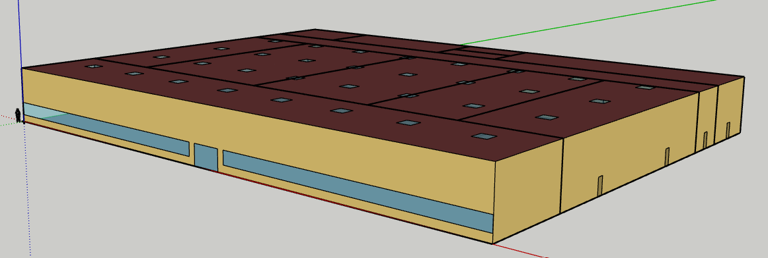 | Proposed Plan Based on Typical Grocery Store
Total Floor Area (ft²) | 50,000 (250 ft x 200 ft) | Proposed Plan Based on Typical Grocery Store
Aspect Ratio | 1.25 | Proposed Plan Based on Typical Grocery Store
Number of Floors | 1 | Proposed Plan Based on Typical Grocery Store
Roof type | Flat | Proposed Plan Based on Typical Grocery Store
WWR | 7.75% | Proposed Plan Based on Typical Grocery Store
Shading Geometry | N/A | Proposed Plan Based on Typical Grocery Store
Floor to floor height (feet) | N/A | Proposed Plan Based on Typical Grocery Store
Floor to ceiling height (feet) | 25 | Proposed Plan Based on Typical Grocery Store
Glazing sill height (feet) | 3 ft (top of the window is 10 ft high with 7 ft high glass) | CPUC (DEER 2023) Grocery prototype
Skylight-to-Roof-Ratio (SRR) | 2.30% | Title 24 Skylight Requirement

Existing Grocery Prototypes

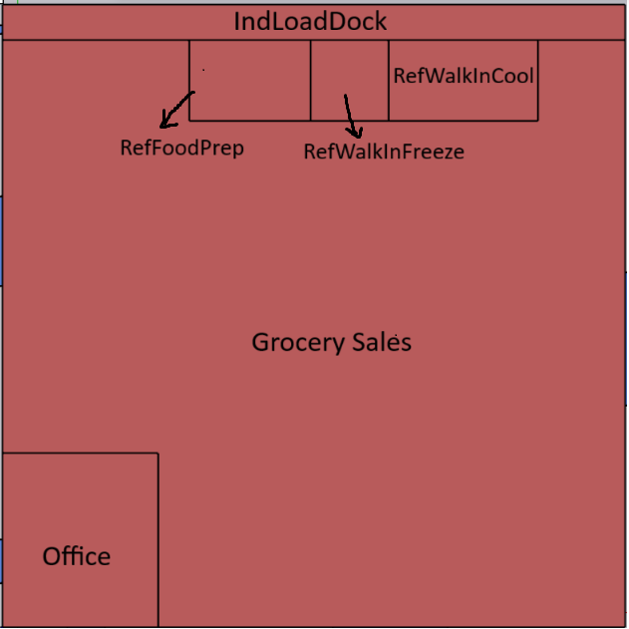
 | CPUC: Retail_Grocery
Geometry/ Floor plan | 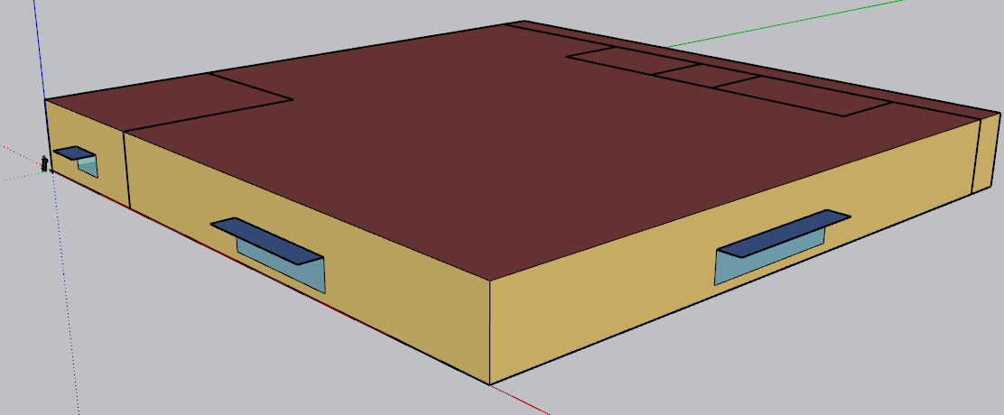 |  | Zones of DEER prototype | Floor area | Share
Total floor area (ft²) | 49,997 |  | IndLoadDock | 2850.9 | 6%
 |  |  | RefWalkInCool | 1559.65 | 3%
 |  |  | RefWalkInFreeze | 812.23 | 2%
 |  |  | RefFoodPrep | 1267.01 | 3%
 |  |  | Grocery Sale | 40007.28 | 80%
 |  |  | Office | 3499.89 | 7%
 |  |  |  | 49996.96

Other Existing Retail Prototypes

Large size prototype
 | CEC: Retail_Large | CPUC: Retail_Multistory Large (Rt3) | CPUC: Retail_Single-Story Large (RtL)
Geometry |  | 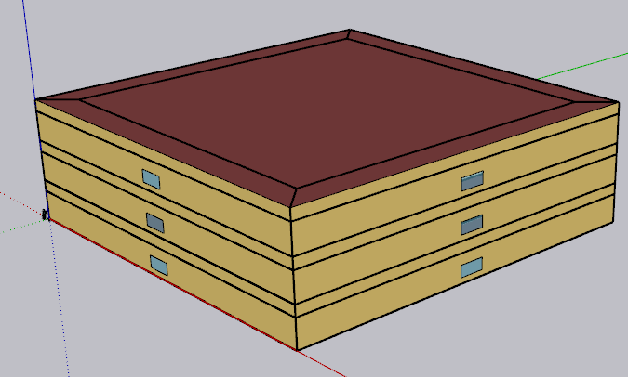 | 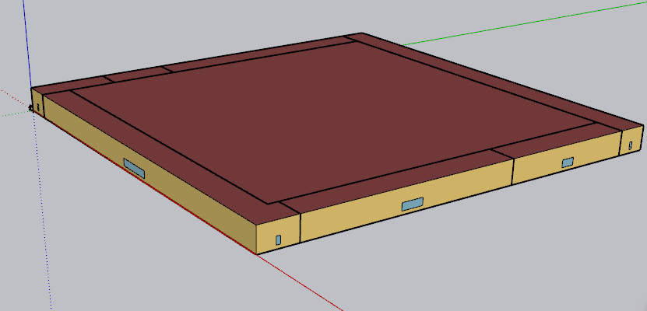
Total floor area (ft²) | 240,000 | 120,000 | 130,502

Medium size prototype
 | CEC: Retail_Medium |  |  | PNNL : Retail_Standalone | PNNL: Retail_Stripmall
Geometry | 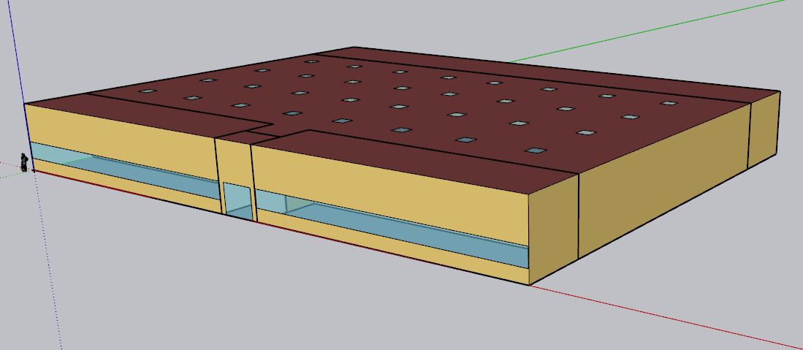 zoning same as PNNL Stand alone with more skylight |  |  | 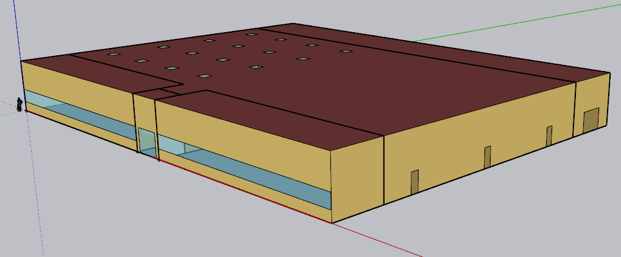 | 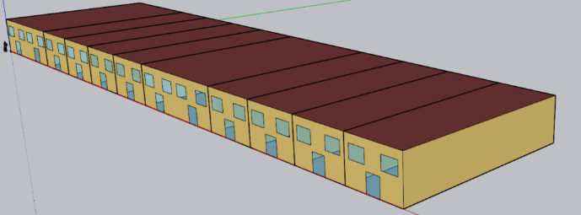
Total floor area (ft²) | 24,692 |  |  | 24,692 | 22,500

Small size prototype
 | CEC: Retail_Stripmall (Mixed use) | CPUC: Retail_Small (RtS)
Geometry | 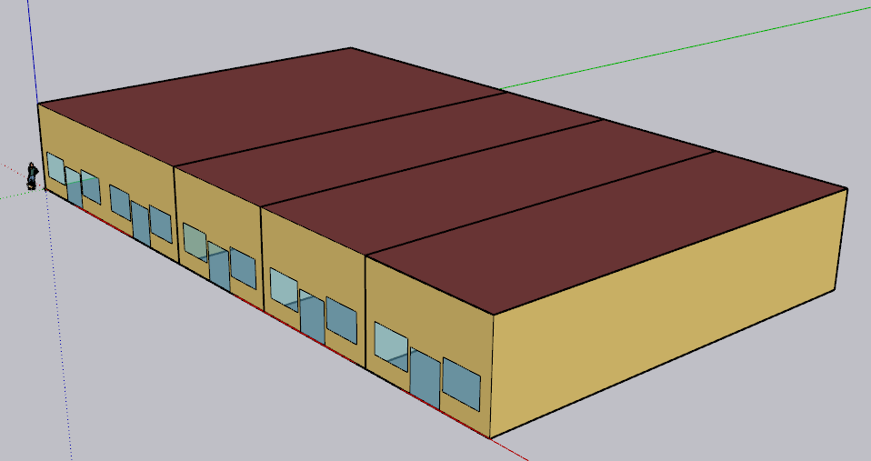 | 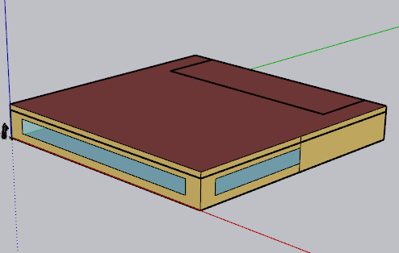
Total floor area (ft²) | 9,375 | 8,001

Zones
N
Proposed Layout - RetailGrocery |  |  |  |  |  |  |  |  |  |  |  |  |  |  |  | Spaces and Zoning layout - "Rn" indicates which refrigerated cases are in each zone.
Building | Space/Thermal Zone | Space Type [Primarily from: T24, 2022 Appendix 5.4A] - See Notes column | HVAC System Name (NC) | HVAC System Name (Existing) | Schedule Category | Conditioned (Y/N) | Area Fraction | Area (ft²) | Volume (ft³) | Multipliers | Number of People | People (Persons/1,000 ft²) [T24, 2025,Table 120.1-A] | Notes | --- 40 ft --- | --- 70ft --- | N --- 34 ft --- | 250' North Façade | --- 106 ft ---
RetailGrocery | Checkout Area | Retail Sales Area (Grocery Sales) | SZVAVHP_Checkout Area_NC | PSZAC_Checkout Area_Existing | Grocery Sales & Office | Y | 20.0% | 10,000 | 250,000 | 1 | 170 | 17 |  | Back Office | Refr Food Prep | Walk-in Freezers | Loading Dock - Semi-Conditioned |  | 30 ft
RetailGrocery | Produce | Retail Sales Area (Grocery Sales) | SZVAVHP_Produce_NC | PSZAC_Produce_Existing | Grocery Sales & Office | Y | 8.8% | 4,400 | 110,000 | 1 | 75 | 17 |  | (1200 sf) | 2100 sf) | Walk-in Coolers | (stock area) | 3200 sf
RetailGrocery | General Merch | Retail Sales Area (Grocery Sales) | SZVAVHP_General Merch_NC | PSZAC_General Merch_Existing | Grocery Sales & Office | Y | 15.4% | 7,700 | 192,500 | 1 | 131 | 17 |  |  | 5000 sf (250'x20') | Meat and Dairy |  | R1, R2 | 20'
RetailGrocery | Frozen | Retail Sales Area (Grocery Sales) | SZVAVHP_Frozen_NC | SPSZAC_Frozen_Existing | Grocery Sales & Office | Y | 13.2% | 6,600 | 165,000 | 1 | 112 | 17
RetailGrocery | Beverage | Retail Sales Area (Grocery Sales) | SZVAVHP_Beverage_NC | PSZAC_Beverage_Existing | Grocery Sales & Office | Y | 8.8% | 4,400 | 110,000 | 1 | 75 | 17 |  | Produce | Grocery - General | Grocery - Frozen | Beverage | Bakery and Deli
RetailGrocery | Bakery and Deli | Retail Sales Area (Grocery Sales) | SZVAVHP_Bakery and Deli | PSZAC_Bakery and Deli_Existing | Grocery Sales & Office | Y | 8.8% | 4,400 | 110,000 | 1 | 75 | 17
RetailGrocery | Meat and Dairy | Retail Sales Area (Grocery Sales) | SZVAVHP_Meat and Dairy | PSZAC_Meat and Dairy_Existing | Grocery Sales & Office | Y | 10.0% | 5,000 | 125,000 | 1 | 85 | 17 |  |  |  |  |  |  | 200' totalEastFacade
RetailGrocery | Back Office | Lounge, Breakroom, or Waiting Area | SZVAVHP_Back Office | PSZAC_Back Office_Existing | Grocery Sales & Office | Y | 2.4% | 1,200 | 30,000 | 1 | 6 | 5 |  | R4, R7 |  | R5 | R6, R9 | R3,R10
RetailGrocery | Loading Dock EL1 | Storage, Commercial/Industrial (Shipping & Handling) | SZVAVHP_Loading Dock EL1 | PSZAC_Loading Dock EL1_Existing | Ancillary | Y | 6.4% | 3,200 | 80,000 | 1 | 6 | 2 |  | 4400 sf | 7700 sf | 6600 sf | 4400 sf | 4400 sf | 110'
RetailGrocery | Food Prep | Storage, Commercial/Industrial (Refrigerated) | SZVAVHP_RefFoodPRep Core | PSZAC_RefFoodPRep Core_Existing | Refrigeration | Y | 4.2% | 2,100 | 52,500 | 1 | 0 | 0 |  | (40'x110') | (70'x110') | (60'x110') | (40'x110') | (40'x110')
RetailGrocery | RefWalkInCool Core | Storage, Commercial/Industrial (Refrigerated) | - | - | Refrigeration | Y | 1.0% | 500 | 12,500 | 1 | 0 | 0
RetailGrocery | Ref WalkInFreezer Core | Storage, Commercial/Industrial (Refrigerated) | - | - | Refrigeration | Y | 1.0% | 500 | 12,500 | 1 | 0 | 0
Total (1 Building) | Total (12 Thermal zones) | Total (4 Space Types) |  |  |  | Total (12 Conditioned zones) | 100.0% | 50,000 | 1,250,000 |  | 735

 |  |  | Retail Sales Area (Grocery Sales)
 |  |  | Lounge, Breakroom, or Waiting Area
 |  |  | Storage, Commercial/Industrial (Shipping & Handling)
 |  |  | Storage, Commercial/Industrial (Refrigerated)
 |  |  |  |  |  |  |  |  |  |  |  |  |  |  |  | Cashier area and front of the store |  |  | 40'
 |  |  |  |  |  |  |  |  |  |  |  |  |  |  |  | 10,000 sf (250'*40')

HVAC System
HVAC system - RetailGrocery
Vintage | Heating | Cooling | Air Distribution | Other systems | Source
Existing | PSZAC (furnace) | PSZAC (DX cooling) | PSZAC | OA mixing Economizer for Vintage 3 and 4 | CEUS 2022
New Construction | SZVAVHP | SZVAVHP | PSZVAVHP | OA mixing Economizer | Title 24, 2025, Engineering judgement

Efficiency of HVAC System (Efficiency is capacity-dependent. The following table provides a general estimate of system efficiency based on preliminary simulations in one climate zone, or assuming cooling load based on rule of thumb)
Vintage | Upgrade/Installed year | Heating | Cooling | Source
Pre 1978 | 2008 | Thermal Efficiency of 80% | SEER=13.0 for <65 kBtu/h EER 10.1 for 65-135 kBtu/h EER 9.5 for 135-240 kBtu/h EER 9.3 for 240-760 kBtu/h | T24, Table 112-A (2008) 10 CFR § 431.97, Table 1 (2008) California Title 20 Appliance Efficiency Regulations, Table E-4, Standards for Gas- and Oil-Fired Central Furnaces (2008)
1978-1997
1998-2007
2008-2018 | 2013 | Thermal Efficiency of 80%; | SEER 13 for <65 kBtu/h EER 11.0 for 65-135 kBtu/h EER 10.8 for 135-240 kBtu/h EER 9.8 for 240-760 kBtu/h | T24, 2013 Table 110.2-J & Table 110.2-A (2013) 10 CFR § 431.97(b) Table 1 (2013)
New Construction | 2025 | HSPF 8.0 for <65 kBtu/h COP 3.4 for 65-135 kBtu/h COP 3.3 for 135-240 kBtu/h COP 3.2 for >240 kBtu/h | SEER 14 for <65 kBtu/h EER 10.8, IEER 13.9 for 65-135 kBtu/h EER 10.4, IEER = 13.3 135-240 kBtu/h EER 9.3, IEER=12.3 for >240 kBtu/h | 10 CFR § 431.97(b) Table 1 (2025) Title 20 Appliance Efficiency Regulations, Section 1605.1, Table C-5 (2025) T24, Table 110.2-B (2025)

Fan Power
Vintage | Approach | System | Total Static Pressure (TSP) (in w.c.) | Fan Efficiency [ACM 2025] | Motor Efficiency | Fan Power Index (W/cfm) | Data Source
Existing | PNNL 90.1-2011, TSP | CAV < 7,437 cfm | 2.5 | 0.65 | ASHRAE 90.1, 2004, Table 10.8 * |  | Fan power formula: PNNL 20405, 2010, section 5.2.2.5 TSP and fan efficiecncy: PNNL 20405, 2010, Table 5.11, 90.1-04ac values Motor and drive efficiency: ASHRAE 90.1, 2004, Table 10.8
 |  | CAV >= 7,437 cfm | 4.09
Brake horsepower (bhp) = (Supply cfm × TSP in w.c.) / (6356 × fan efficiency)
Fan power (w/cfm) = (bhp × 746) / ( supply cfm × motor efficiency )
New Construction | ACM 2025 | SZVAVHP (System 7b), ≤5,000 cfm | TSP = fan power × motor efficiency × fan efficiency × 6356 / 746 | 0.65 | 2025 ACM Table 12 ** | 0.744 | Fan power index: [ACM 2025, Table 13] Motor efficiency: [ACM 2025, Table 12]
 |  | SZVAVHP (System 7b), >5,000 and ≤10,000 cfm | TSP = fan power × motor efficiency × fan efficiency × 6356 / 746 |  |  | 0.720

* According to PNNL 20405 section 5.2.2.5, the full-load efficiency of the motor serving the fan is taken from ASHRAE 90.1, 2004, Table 10.8, based on motor nameplate and assuming enclosed motors operating at 1,800 rotations per minute (rpm) Motor nameplate size (bhp) = brake horsepower (bhp) × 1.1 ( using a 10% oversizing factor)
** The full‑load efficiency of the motor serving the fan is taken from ACM 2025 Table 12 based on the cfm of the fan. Brake horsepower (bhp) = (Supply cfm from sizing run × fan power in W/cfm) / 746. Note: HVAC New Construction is SZVAVHP, not multi-zone VAV. ACM System 7b ≤5,000 cfm. Note: ACM System 7b mid bin. Existing PSZAC CAV rows above stay on PNNL.

$$bhp=\frac{cfm∗{TSP}_{in w.c.}}{{6356∗μ}_{fan}}$$

$${Fan power}_{w/cfm}=\frac{bhp∗746}{cfm∗μ_{motor}}$$

$$bhp=\frac{{Fan power}_{w/cfm}∗cfm∗μ_{motor}}{746}$$

$${Fan power}_{w/cfm}=\frac{{TSP}_{in w.c}∗746}{6356∗μ_{fan}∗μ_{motor}}$$

Schedules
Occupancy
Schedules - RetailGrocery
Zone | Schedule Category | Schedule | Source | Type | Hour
 |  |  |  |  | 1 | 2 | 3 | 4 | 5 | 6 | 7 | 8 | 9 | 10 | 11 | 12 | 13 | 14 | 15 | 16 | 17 | 18 | 19 | 20 | 21 | 22 | 23 | 24
All | Grocery Sales & Office | Occupancy | NLR Study "Final Optimization Report: Empowering Energy Efficiency in Existing Big-Box Retail/Grocery Stores", (2020) & Adjusted based on Google Popular Time | Weekday | 0 | 0 | 0 | 0 | 0 | 0.05 | 0.1 | 0.15 | 0.2 | 0.3 | 0.4 | 0.5 | 0.6 | 0.6 | 0.6 | 0.6 | 0.7 | 0.8 | 0.8 | 0.8 | 0.6 | 0.3 | 0.1 | 0.05
 |  |  |  | Saturday | 0 | 0 | 0 | 0 | 0 | 0.05 | 0.1 | 0.2 | 0.3 | 0.5 | 0.7 | 0.8 | 0.9 | 0.9 | 0.9 | 0.9 | 0.9 | 0.9 | 0.8 | 0.7 | 0.6 | 0.5 | 0.3 | 0.1
Lighting
 |  |  |  | Sunday | 0 | 0 | 0 | 0 | 0 | 0.05 | 0.1 | 0.2 | 0.3 | 0.5 | 0.7 | 0.8 | 0.9 | 0.9 | 0.9 | 0.9 | 0.9 | 0.9 | 0.8 | 0.7 | 0.6 | 0.5 | 0.3 | 0.1
All | Grocery Sales & Office | Lights | T24 2022 - Appendix 5.4B | Weekday | 0.05 | 0.05 | 0.05 | 0.05 | 0.70 | 1.00 | 1.00 | 1.00 | 1.00 | 1.00 | 1.00 | 1.00 | 1.00 | 1.00 | 1.00 | 1.00 | 1.00 | 1.00 | 1.00 | 1.00 | 1.00 | 1.00 | 1.00 | 1.00
 |  |  |  | Saturday | 0.05 | 0.05 | 0.05 | 0.05 | 0.70 | 1.00 | 1.00 | 1.00 | 1.00 | 1.00 | 1.00 | 1.00 | 1.00 | 1.00 | 1.00 | 1.00 | 1.00 | 1.00 | 1.00 | 1.00 | 1.00 | 1.00 | 1.00 | 1.00
 |  |  |  | Sunday | 0.05 | 0.05 | 0.05 | 0.05 | 0.70 | 1.00 | 1.00 | 1.00 | 1.00 | 1.00 | 1.00 | 1.00 | 1.00 | 1.00 | 1.00 | 1.00 | 1.00 | 1.00 | 1.00 | 1.00 | 1.00 | 1.00 | 1.00 | 1.00
Equipment
All | Grocery Sales & Office | ElecEquipment | Plug load and schedules project with CEC, 2025 | Weekday | 0.40 | 0.40 | 0.40 | 0.40 | 0.40 | 0.90 | 0.90 | 0.90 | 0.90 | 0.90 | 0.90 | 0.90 | 0.90 | 0.90 | 0.90 | 0.90 | 0.90 | 0.90 | 0.90 | 0.90 | 0.90 | 0.90 | 0.90 | 0.90
 |  |  |  | Saturday | 0.40 | 0.40 | 0.40 | 0.40 | 0.40 | 0.90 | 0.90 | 0.90 | 0.90 | 0.90 | 0.90 | 0.90 | 0.90 | 0.90 | 0.90 | 0.90 | 0.90 | 0.90 | 0.90 | 0.90 | 0.90 | 0.90 | 0.90 | 0.90
 |  |  |  | Sunday | 0.40 | 0.40 | 0.40 | 0.40 | 0.40 | 0.90 | 0.90 | 0.90 | 0.90 | 0.90 | 0.90 | 0.90 | 0.90 | 0.90 | 0.90 | 0.90 | 0.90 | 0.90 | 0.90 | 0.90 | 0.90 | 0.90 | 0.90 | 0.90
All | Grocery Sales & Office | HVACAvail | T24 2022 - Appendix 5.4B, [Retail] | Weekday | 0.00 | 0.00 | 0.00 | 0.00 | 1.00 | 1.00 | 1.00 | 1.00 | 1.00 | 1.00 | 1.00 | 1.00 | 1.00 | 1.00 | 1.00 | 1.00 | 1.00 | 1.00 | 1.00 | 1.00 | 1.00 | 1.00 | 1.00 | 1.00
 |  |  |  | Saturday | 0.00 | 0.00 | 0.00 | 0.00 | 1.00 | 1.00 | 1.00 | 1.00 | 1.00 | 1.00 | 1.00 | 1.00 | 1.00 | 1.00 | 1.00 | 1.00 | 1.00 | 1.00 | 1.00 | 1.00 | 1.00 | 1.00 | 1.00 | 1.00
 |  |  |  | Sunday | 0.00 | 0.00 | 0.00 | 0.00 | 1.00 | 1.00 | 1.00 | 1.00 | 1.00 | 1.00 | 1.00 | 1.00 | 1.00 | 1.00 | 1.00 | 1.00 | 1.00 | 1.00 | 1.00 | 1.00 | 1.00 | 1.00 | 1.00 | 1.00
All | Grocery Sales & Office | ServiceHotWater | T24 2022 - Appendix 5.4B, [Retail] | Weekday | 0.04 | 0.05 | 0.05 | 0.04 | 0.04 | 0.04 | 0.04 | 0.15 | 0.23 | 0.32 | 0.41 | 0.57 | 0.62 | 0.61 | 0.50 | 0.45 | 0.46 | 0.47 | 0.42 | 0.34 | 0.33 | 0.23 | 0.13 | 0.08
 |  |  |  | Saturday | 0.11 | 0.10 | 0.08 | 0.06 | 0.06 | 0.06 | 0.07 | 0.20 | 0.24 | 0.27 | 0.42 | 0.54 | 0.59 | 0.60 | 0.49 | 0.48 | 0.47 | 0.46 | 0.44 | 0.36 | 0.29 | 0.22 | 0.16 | 0.13
 |  |  |  | Sunday | 0.07 | 0.07 | 0.07 | 0.06 | 0.06 | 0.06 | 0.07 | 0.10 | 0.12 | 0.14 | 0.29 | 0.31 | 0.36 | 0.36 | 0.34 | 0.35 | 0.37 | 0.34 | 0.25 | 0.27 | 0.21 | 0.16 | 0.10 | 0.06
All | Grocery Sales & Office | Infiltration | T24 2022 - Appendix 5.4B, [Retail] | Weekday | 1.00 | 1.00 | 1.00 | 1.00 | 0.25 | 0.25 | 0.25 | 0.25 | 0.25 | 0.25 | 0.25 | 0.25 | 0.25 | 0.25 | 0.25 | 0.25 | 0.25 | 0.25 | 0.25 | 0.25 | 0.25 | 0.25 | 0.25 | 0.25
 |  |  |  | Saturday | 1.00 | 1.00 | 1.00 | 1.00 | 0.25 | 0.25 | 0.25 | 0.25 | 0.25 | 0.25 | 0.25 | 0.25 | 0.25 | 0.25 | 0.25 | 0.25 | 0.25 | 0.25 | 0.25 | 0.25 | 0.25 | 0.25 | 0.25 | 0.25
 |  |  |  | Sunday | 1.00 | 1.00 | 1.00 | 1.00 | 0.25 | 0.25 | 0.25 | 0.25 | 0.25 | 0.25 | 0.25 | 0.25 | 0.25 | 0.25 | 0.25 | 0.25 | 0.25 | 0.25 | 0.25 | 0.25 | 0.25 | 0.25 | 0.25 | 0.25
All | Grocery Sales & Office | HtgSetpt | T24 2022 - Appendix 5.4B, [Retail] | Weekday | 60 | 60 | 60 | 60 | 60 | 70 | 70 | 70 | 70 | 70 | 70 | 70 | 70 | 70 | 70 | 70 | 70 | 70 | 70 | 70 | 70 | 70 | 70 | 70
 |  |  |  | Saturday | 60 | 60 | 60 | 60 | 60 | 70 | 70 | 70 | 70 | 70 | 70 | 70 | 70 | 70 | 70 | 70 | 70 | 70 | 70 | 70 | 70 | 70 | 70 | 70
 |  |  |  | Sunday | 60 | 60 | 60 | 60 | 60 | 70 | 70 | 70 | 70 | 70 | 70 | 70 | 70 | 70 | 70 | 70 | 70 | 70 | 70 | 70 | 70 | 70 | 70 | 70
All | Grocery Sales & Office | ClgSetpt | T24 2022 - Appendix 5.4B, [Retail] | Weekday | 85 | 85 | 85 | 85 | 85 | 75 | 75 | 75 | 75 | 75 | 75 | 75 | 75 | 75 | 75 | 75 | 75 | 75 | 75 | 75 | 75 | 75 | 75 | 75
 |  |  |  | Saturday | 85 | 85 | 85 | 85 | 85 | 75 | 75 | 75 | 75 | 75 | 75 | 75 | 75 | 75 | 75 | 75 | 75 | 75 | 75 | 75 | 75 | 75 | 75 | 75
 |  |  |  | Sunday | 85 | 85 | 85 | 85 | 85 | 75 | 75 | 75 | 75 | 75 | 75 | 75 | 75 | 75 | 75 | 75 | 75 | 75 | 75 | 75 | 75 | 75 | 75 | 75
Refrigeration Case Schedules
Retail Sales Area (Grocery Sales) | Refrigeration | CaseOperatingSched | EnergyPlus example files _ Detailed_Supermarket | Weekday | 1 | 1 | 1 | 1 | 1 | 1 | 1 | 1 | 1 | 1 | 1 | 1 | 1 | 1 | 1 | 1 | 1 | 1 | 1 | 1 | 1 | 1 | 1 | 1
 |  |  |  | Saturday | 1 | 1 | 1 | 1 | 1 | 1 | 1 | 1 | 1 | 1 | 1 | 1 | 1 | 1 | 1 | 1 | 1 | 1 | 1 | 1 | 1 | 1 | 1 | 1
 |  |  |  | Sunday | 1 | 1 | 1 | 1 | 1 | 1 | 1 | 1 | 1 | 1 | 1 | 1 | 1 | 1 | 1 | 1 | 1 | 1 | 1 | 1 | 1 | 1 | 1 | 1
Retail Sales Area (Grocery Sales) | Refrigeration | CaseCleanedOnMonday | EnergyPlus example files _ Detailed_Supermarket | Weekday | 1 | 1 | 1 | 1 | 0 | 0 | 1 | 1 | 1 | 1 | 1 | 1 | 1 | 1 | 1 | 1 | 1 | 1 | 1 | 1 | 1 | 1 | 1 | 1 | Operating Schedule for Meat and Ice Cream Cases
 |  |  |  | Saturday | 1 | 1 | 1 | 1 | 1 | 1 | 1 | 1 | 1 | 1 | 1 | 1 | 1 | 1 | 1 | 1 | 1 | 1 | 1 | 1 | 1 | 1 | 1 | 1
 |  |  |  | Sunday | 1 | 1 | 1 | 1 | 1 | 1 | 1 | 1 | 1 | 1 | 1 | 1 | 1 | 1 | 1 | 1 | 1 | 1 | 1 | 1 | 1 | 1 | 1 | 1
Retail Sales Area (Grocery Sales) | Refrigeration | LightingSched_AllCases | EnergyPlus example files _ Detailed_Supermarket | Weekday | 0 | 0 | 0 | 0 | 0 | 1 | 1 | 1 | 1 | 1 | 1 | 1 | 1 | 1 | 1 | 1 | 1 | 1 | 1 | 1 | 1 | 1 | 1 | 1
 |  |  |  | Saturday | 0 | 0 | 0 | 0 | 0 | 1 | 1 | 1 | 1 | 1 | 1 | 1 | 1 | 1 | 1 | 1 | 1 | 1 | 1 | 1 | 1 | 1 | 1 | 1
 |  |  |  | Sunday | 0 | 0 | 0 | 0 | 0 | 1 | 1 | 1 | 1 | 1 | 1 | 1 | 1 | 1 | 1 | 1 | 1 | 1 | 1 | 1 | 1 | 1 | 1 | 1
Retail Sales Area (Grocery Sales) | Refrigeration | LightingSched_WalkIn | EnergyPlus example files _ Detailed_Supermarket | Weekday | 0 | 0 | 0 | 0 | 0 | 0 | 1 | 0 | 0 | 0 | 0 | 0.5 | 0.5 | 0 | 0 | 0 | 0 | 0 | 0 | 1 | 0 | 0 | 0 | 0
 |  |  |  | Saturday | 0 | 0 | 0 | 0 | 0 | 0 | 1 | 0 | 0 | 0 | 0 | 0.5 | 0.5 | 0 | 0 | 0 | 0 | 0 | 0 | 1 | 0 | 0 | 0 | 0
 |  |  |  | Sunday | 0 | 0 | 0 | 0 | 0 | 0 | 1 | 0 | 0 | 0 | 0 | 0.5 | 0.5 | 0 | 0 | 0 | 0 | 0 | 0 | 1 | 0 | 0 | 0 | 0
Retail Sales Area (Grocery Sales) | Refrigeration | RestockSched_AllCases | EnergyPlus example files _ Detailed_Supermarket | Weekday | 0 | 0 | 0 | 0 | 0 | 0 | 0 | 0 | 0 | 0 | 0 | 0 | 0 | 50 | 35 | 0 | 0 | 0 | 0 | 0 | 0 | 0 | 0 | 0
 |  |  |  | Saturday | 0 | 0 | 0 | 0 | 0 | 0 | 0 | 0 | 0 | 0 | 0 | 0 | 0 | 50 | 35 | 0 | 0 | 0 | 0 | 0 | 0 | 0 | 0 | 0
 |  |  |  | Sunday | 0 | 0 | 0 | 0 | 0 | 0 | 0 | 0 | 0 | 0 | 0 | 0 | 0 | 50 | 35 | 0 | 0 | 0 | 0 | 0 | 0 | 0 | 0 | 0
Retail Sales Area (Grocery Sales) | Refrigeration | RestockSched_WalkIn | EnergyPlus example files _ Detailed_Supermarket | Weekday | 0 | 0 | 0 | 0 | 125 | 117 | 90 | 0 | 0 | 0 | 0 | 0 | 0 | 0 | 0 | 0 | 0 | 0 | 0 | 125 | 117 | 90 | 0 | 0
 |  |  |  | Saturday | 0 | 0 | 0 | 0 | 125 | 117 | 90 | 0 | 0 | 0 | 0 | 0 | 0 | 0 | 0 | 0 | 0 | 0 | 0 | 125 | 117 | 90 | 0 | 0
 |  |  |  | Sunday | 0 | 0 | 0 | 0 | 125 | 117 | 90 | 0 | 0 | 0 | 0 | 0 | 0 | 0 | 0 | 0 | 0 | 0 | 0 | 125 | 117 | 90 | 0 | 0
 |  |  |  | Tue/Fri | 0 | 0 | 0 | 0 | 725 | 417 | 290 | 0 | 0 | 0 | 0 | 0 | 0 | 0 | 0 | 0 | 0 | 0 | 0 | 0 | 0 | 0 | 0 | 0
Retail Sales Area (Grocery Sales) | Refrigeration | Defrost_MTCases | EnergyPlus example files _ Detailed_Supermarket | Weekday | 0 | 0 | 0 | 0 | 0.333 | 0 | 0 | 0 | 0 | 0 | 0 | 0 | 0 | 0 | 0 | 0 | 0.333 | 0 | 0 | 0 | 0 | 0 | 0 | 0 | 20 min defrost / 30 min drip
 |  |  |  | Saturday | 0 | 0 | 0 | 0 | 0.333 | 0 | 0 | 0 | 0 | 0 | 0 | 0 | 0 | 0 | 0 | 0 | 0.333 | 0 | 0 | 0 | 0 | 0 | 0 | 0
 |  |  |  | Sunday | 0 | 0 | 0 | 0 | 0.333 | 0 | 0 | 0 | 0 | 0 | 0 | 0 | 0 | 0 | 0 | 0 | 0.333 | 0 | 0 | 0 | 0 | 0 | 0 | 0
Retail Sales Area (Grocery Sales) | Refrigeration | DripDown_MTCases | `EnergyPlus example files _ Detailed_Supermarket | Weekday | 0 | 0 | 0 | 0 | 0.5 | 0 | 0 | 0 | 0 | 0 | 0 | 0 | 0 | 0 | 0 | 0 | 0.5 | 0 | 0 | 0 | 0 | 0 | 0 | 0
 |  |  |  | Saturday | 0 | 0 | 0 | 0 | 0.5 | 0 | 0 | 0 | 0 | 0 | 0 | 0 | 0 | 0 | 0 | 0 | 0.5 | 0 | 0 | 0 | 0 | 0 | 0 | 0
 |  |  |  | Sunday | 0 | 0 | 0 | 0 | 0.5 | 0 | 0 | 0 | 0 | 0 | 0 | 0 | 0 | 0 | 0 | 0 | 0.5 | 0 | 0 | 0 | 0 | 0 | 0 | 0
Retail Sales Area (Grocery Sales) | Refrigeration | Defrost_LTCases | EnergyPlus example files _ Detailed_Supermarket | Weekday | 0 | 0 | 0 | 0.333 | 0 | 0 | 0 | 0 | 0 | 0 | 0 | 0 | 0 | 0 | 0 | 0.333 | 0 | 0 | 0 | 0 | 0 | 0 | 0 | 0
 |  |  |  | Saturday | 0 | 0 | 0 | 0.333 | 0 | 0 | 0 | 0 | 0 | 0 | 0 | 0 | 0 | 0 | 0 | 0.333 | 0 | 0 | 0 | 0 | 0 | 0 | 0 | 0
 |  |  |  | Sunday | 0 | 0 | 0 | 0.333 | 0 | 0 | 0 | 0 | 0 | 0 | 0 | 0 | 0 | 0 | 0 | 0.333 | 0 | 0 | 0 | 0 | 0 | 0 | 0 | 0
Retail Sales Area (Grocery Sales) | Refrigeration | DripDown_LTCases | `EnergyPlus example files _ Detailed_Supermarket | Weekday | 0 | 0 | 0 | 0.5 | 0 | 0 | 0 | 0 | 0 | 0 | 0 | 0 | 0 | 0 | 0 | 0.5 | 0 | 0 | 0 | 0 | 0 | 0 | 0 | 0
 |  |  |  | Saturday | 0 | 0 | 0 | 0.5 | 0 | 0 | 0 | 0 | 0 | 0 | 0 | 0 | 0 | 0 | 0 | 0.5 | 0 | 0 | 0 | 0 | 0 | 0 | 0 | 0
 |  |  |  | Sunday | 0 | 0 | 0 | 0.5 | 0 | 0 | 0 | 0 | 0 | 0 | 0 | 0 | 0 | 0 | 0 | 0.5 | 0 | 0 | 0 | 0 | 0 | 0 | 0 | 0
Retail Sales Area (Grocery Sales) | Refrigeration | CaseCredit_LT | EnergyPlus example files _ Detailed_Supermarket | Weekday | 0.2 | 0.2 | 0.2 | 0.2 | 0.2 | 1.0 | 1.0 | 1.0 | 1.0 | 1.0 | 1.0 | 1.0 | 1.0 | 1.0 | 1.0 | 1.0 | 1.0 | 1.0 | 1.0 | 1.0 | 1.0 | 0.2 | 0.2 | 0.2 | Credit Schedule for Ice Cream and Frozen Food cases
 |  |  |  | Saturday | 0.2 | 0.2 | 0.2 | 0.2 | 0.2 | 1.0 | 1.0 | 1.0 | 1.0 | 1.0 | 1.0 | 1.0 | 1.0 | 1.0 | 1.0 | 1.0 | 1.0 | 1.0 | 1.0 | 1.0 | 1.0 | 0.2 | 0.2 | 0.2
 |  |  |  | Sunday | 0.2 | 0.2 | 0.2 | 0.2 | 0.2 | 1.0 | 1.0 | 1.0 | 1.0 | 1.0 | 1.0 | 1.0 | 1.0 | 1.0 | 1.0 | 1.0 | 1.0 | 1.0 | 1.0 | 1.0 | 1.0 | 0.2 | 0.2 | 0.2
Retail Sales Area (Grocery Sales) | Refrigeration | CaseCredit_MT | EnergyPlus example files _ Detailed_Supermarket | Weekday | 0.2 | 0.2 | 0.2 | 0.2 | 0.2 | 0.6 | 0.6 | 0.6 | 0.6 | 0.6 | 0.6 | 0.6 | 0.6 | 0.6 | 0.6 | 0.6 | 0.6 | 0.6 | 0.6 | 0.6 | 0.6 | 0.2 | 0.2 | 0.2
 |  |  |  | Saturday | 0.2 | 0.2 | 0.2 | 0.2 | 0.2 | 0.6 | 0.6 | 0.6 | 0.6 | 0.6 | 0.6 | 0.6 | 0.6 | 0.6 | 0.6 | 0.6 | 0.6 | 0.6 | 0.6 | 0.6 | 0.6 | 0.2 | 0.2 | 0.2
 |  |  |  | Sunday | 0.2 | 0.2 | 0.2 | 0.2 | 0.2 | 0.6 | 0.6 | 0.6 | 0.6 | 0.6 | 0.6 | 0.6 | 0.6 | 0.6 | 0.6 | 0.6 | 0.6 | 0.6 | 0.6 | 0.6 | 0.6 | 0.2 | 0.2 | 0.2
Retail Sales Area (Grocery Sales) | Refrigeration | WalkInDoorOpenSched | EnergyPlus example files _ Detailed_Supermarket | Weekday | 0.02 | 0.02 | 0.02 | 0.02 | 0.02 | 0.02 | 0.02 | 0.2 | 0.2 | 0.2 | 0.2 | 0.2 | 0.2 | 0.2 | 0.2 | 0.2 | 0.2 | 0.2 | 0.2 | 0.2 | 0.2 | 0.02 | 0.02 | 0.02
 |  |  |  | Saturday | 0.02 | 0.02 | 0.02 | 0.02 | 0.02 | 0.02 | 0.02 | 0.2 | 0.2 | 0.2 | 0.2 | 0.2 | 0.2 | 0.2 | 0.2 | 0.2 | 0.2 | 0.2 | 0.2 | 0.2 | 0.2 | 0.02 | 0.02 | 0.02
 |  |  |  | Sunday | 0.02 | 0.02 | 0.02 | 0.02 | 0.02 | 0.02 | 0.02 | 0.2 | 0.2 | 0.2 | 0.2 | 0.2 | 0.2 | 0.2 | 0.2 | 0.2 | 0.2 | 0.2 | 0.2 | 0.2 | 0.2 | 0.02 | 0.02 | 0.02
Food Prep | Refrigeration | ClgSetpt | Engineering Judement | Weekday | 38 | 38 | 38 | 38 | 38 | 38 | 38 | 38 | 38 | 38 | 38 | 38 | 38 | 38 | 38 | 38 | 38 | 38 | 38 | 38 | 38 | 38 | 38 | 38
 |  |  |  | Saturday | 38 | 38 | 38 | 38 | 38 | 38 | 38 | 38 | 38 | 38 | 38 | 38 | 38 | 38 | 38 | 38 | 38 | 38 | 38 | 38 | 38 | 38 | 38 | 38
 |  |  |  | Sunday | 38 | 38 | 38 | 38 | 38 | 38 | 38 | 38 | 38 | 38 | 38 | 38 | 38 | 38 | 38 | 38 | 38 | 38 | 38 | 38 | 38 | 38 | 38 | 38
Storage & Loading Dock
Storage & Loading Dock | Ancillary | Occupancy | T24 2022 - Appendix 5.4B | Weekday | 0 | 0 | 0 | 0 | 0 | 0.05 | 0.1 | 0.15 | 0.2 | 0.3 | 0.4 | 0.5 | 0.6 | 0.6 | 0.6 | 0.6 | 0.7 | 0.8 | 0.8 | 0.8 | 0.6 | 0.3 | 0.1 | 0.05
 |  |  |  | Saturday | 0 | 0 | 0 | 0 | 0 | 0.05 | 0.1 | 0.2 | 0.3 | 0.5 | 0.7 | 0.8 | 0.9 | 0.9 | 0.9 | 0.9 | 0.9 | 0.9 | 0.8 | 0.7 | 0.6 | 0.5 | 0.3 | 0.1
 |  |  |  | Sunday | 0 | 0 | 0 | 0 | 0 | 0.05 | 0.1 | 0.2 | 0.3 | 0.5 | 0.7 | 0.8 | 0.9 | 0.9 | 0.9 | 0.9 | 0.9 | 0.9 | 0.8 | 0.7 | 0.6 | 0.5 | 0.3 | 0.1
Storage & Loading Dock | Ancillary | Lights | T24 2022 - Appendix 5.4B | Weekday | 0.05 | 0.05 | 0.05 | 0.05 | 0.70 | 1.00 | 1.00 | 1.00 | 1.00 | 1.00 | 1.00 | 1.00 | 1.00 | 1.00 | 1.00 | 1.00 | 1.00 | 1.00 | 1.00 | 1.00 | 1.00 | 1.00 | 1.00 | 1.00
 |  |  |  | Saturday | 0.05 | 0.05 | 0.05 | 0.05 | 0.70 | 1.00 | 1.00 | 1.00 | 1.00 | 1.00 | 1.00 | 1.00 | 1.00 | 1.00 | 1.00 | 1.00 | 1.00 | 1.00 | 1.00 | 1.00 | 1.00 | 1.00 | 1.00 | 1.00
 |  |  |  | Sunday | 0.05 | 0.05 | 0.05 | 0.05 | 0.70 | 1.00 | 1.00 | 1.00 | 1.00 | 1.00 | 1.00 | 1.00 | 1.00 | 1.00 | 1.00 | 1.00 | 1.00 | 1.00 | 1.00 | 1.00 | 1.00 | 1.00 | 1.00 | 1.00
Storage & Loading Dock | Ancillary | ElecEquipment | Plug load and schedules project with CEC, 2025 | Weekday | 0.40 | 0.40 | 0.40 | 0.40 | 0.40 | 0.90 | 0.90 | 0.90 | 0.90 | 0.90 | 0.90 | 0.90 | 0.90 | 0.90 | 0.90 | 0.90 | 0.90 | 0.90 | 0.90 | 0.90 | 0.90 | 0.90 | 0.90 | 0.90
 |  |  |  | Saturday | 0.40 | 0.40 | 0.40 | 0.40 | 0.40 | 0.90 | 0.90 | 0.90 | 0.90 | 0.90 | 0.90 | 0.90 | 0.90 | 0.90 | 0.90 | 0.90 | 0.90 | 0.90 | 0.90 | 0.90 | 0.90 | 0.90 | 0.90 | 0.90
 |  |  |  | Sunday | 0.40 | 0.40 | 0.40 | 0.40 | 0.40 | 0.90 | 0.90 | 0.90 | 0.90 | 0.90 | 0.90 | 0.90 | 0.90 | 0.90 | 0.90 | 0.90 | 0.90 | 0.90 | 0.90 | 0.90 | 0.90 | 0.90 | 0.90 | 0.90
Storage & Loading Dock | Ancillary | HVACAvail | T24 2022 - Appendix 5.4B | Weekday | 0.00 | 0.00 | 0.00 | 0.00 | 1.00 | 1.00 | 1.00 | 1.00 | 1.00 | 1.00 | 1.00 | 1.00 | 1.00 | 1.00 | 1.00 | 1.00 | 1.00 | 1.00 | 1.00 | 1.00 | 1.00 | 1.00 | 1.00 | 1.00
 |  |  |  | Saturday | 0.00 | 0.00 | 0.00 | 0.00 | 1.00 | 1.00 | 1.00 | 1.00 | 1.00 | 1.00 | 1.00 | 1.00 | 1.00 | 1.00 | 1.00 | 1.00 | 1.00 | 1.00 | 1.00 | 1.00 | 1.00 | 1.00 | 1.00 | 1.00
 |  |  |  | Sunday | 0.00 | 0.00 | 0.00 | 0.00 | 1.00 | 1.00 | 1.00 | 1.00 | 1.00 | 1.00 | 1.00 | 1.00 | 1.00 | 1.00 | 1.00 | 1.00 | 1.00 | 1.00 | 1.00 | 1.00 | 1.00 | 1.00 | 1.00 | 1.00
Storage & Loading Dock | Ancillary | ServiceHotWater | T24 2022 - Appendix 5.4B | Weekday | 0.00 | 0.00 | 0.00 | 0.00 | 0.00 | 0.00 | 0.00 | 0.00 | 0.00 | 0.00 | 0.00 | 0.00 | 0.00 | 0.00 | 0.00 | 0.00 | 0.00 | 0.00 | 0.00 | 0.00 | 0.00 | 0.00 | 0.00 | 0.00
 |  |  |  | Saturday | 0.00 | 0.00 | 0.00 | 0.00 | 0.00 | 0.00 | 0.00 | 0.00 | 0.00 | 0.00 | 0.00 | 0.00 | 0.00 | 0.00 | 0.00 | 0.00 | 0.00 | 0.00 | 0.00 | 0.00 | 0.00 | 0.00 | 0.00 | 0.00
 |  |  |  | Sunday | 0.00 | 0.00 | 0.00 | 0.00 | 0.00 | 0.00 | 0.00 | 0.00 | 0.00 | 0.00 | 0.00 | 0.00 | 0.00 | 0.00 | 0.00 | 0.00 | 0.00 | 0.00 | 0.00 | 0.00 | 0.00 | 0.00 | 0.00 | 0.00
Storage & Loading Dock | Ancillary | Infiltration | T24 2022 - Appendix 5.4B | Weekday | 1.00 | 1.00 | 1.00 | 1.00 | 0.25 | 0.25 | 0.25 | 0.25 | 0.25 | 0.25 | 0.25 | 0.25 | 0.25 | 0.25 | 0.25 | 0.25 | 0.25 | 0.25 | 0.25 | 0.25 | 0.25 | 0.25 | 0.25 | 0.25
 |  |  |  | Saturday | 1.00 | 1.00 | 1.00 | 1.00 | 0.25 | 0.25 | 0.25 | 0.25 | 0.25 | 0.25 | 0.25 | 0.25 | 0.25 | 0.25 | 0.25 | 0.25 | 0.25 | 0.25 | 0.25 | 0.25 | 0.25 | 0.25 | 0.25 | 0.25
 |  |  |  | Sunday | 1.00 | 1.00 | 1.00 | 1.00 | 0.25 | 0.25 | 0.25 | 0.25 | 0.25 | 0.25 | 0.25 | 0.25 | 0.25 | 0.25 | 0.25 | 0.25 | 0.25 | 0.25 | 0.25 | 0.25 | 0.25 | 0.25 | 0.25 | 0.25
Storage & Loading Dock | Ancillary | HtgSetpt | Engineering Judgement | Weekday | 60 | 60 | 60 | 60 | 60 | 60 | 60 | 60 | 60 | 60 | 60 | 60 | 60 | 60 | 60 | 60 | 60 | 60 | 60 | 60 | 60 | 60 | 60 | 60
 |  |  |  | Saturday | 60 | 60 | 60 | 60 | 60 | 60 | 60 | 60 | 60 | 60 | 60 | 60 | 60 | 60 | 60 | 60 | 60 | 60 | 60 | 60 | 60 | 60 | 60 | 60
 |  |  |  | Sunday | 60 | 60 | 60 | 60 | 60 | 60 | 60 | 60 | 60 | 60 | 60 | 60 | 60 | 60 | 60 | 60 | 60 | 60 | 60 | 60 | 60 | 60 | 60 | 60
Storage & Loading Dock | Ancillary | ClgSetpt | Engineering Judgement | Weekday | 85 | 85 | 85 | 85 | 85 | 85 | 85 | 85 | 85 | 85 | 85 | 85 | 85 | 85 | 85 | 85 | 85 | 85 | 85 | 85 | 85 | 85 | 85 | 85
 |  |  |  | Saturday | 85 | 85 | 85 | 85 | 85 | 85 | 85 | 85 | 85 | 85 | 85 | 85 | 85 | 85 | 85 | 85 | 85 | 85 | 85 | 85 | 85 | 85 | 85 | 85
 |  |  |  | Sunday | 85 | 85 | 85 | 85 | 85 | 85 | 85 | 85 | 85 | 85 | 85 | 85 | 85 | 85 | 85 | 85 | 85 | 85 | 85 | 85 | 85 | 85 | 85 | 85
Loading Dock EL1 | Ancillary | Loading Dock Door Infiltration | CASE Report - Dock Seals (2017) Truck Trip Generation by Grocery Stores (2010) | Weekday | 0.0 | 0.0 | 0.0 | 0.0 | 0.5 | 0.5 | 0.5 | 0.5 | 0.5 | 0.5 | 0.0 | 0.0 | 0.0 | 0.0 | 0.0 | 0.0 | 0.0 | 0.0 | 0.0 | 0.0 | 0.0 | 0.0 | 0.0 | 0.0
 |  |  |  | Saturday | 0.0 | 0.0 | 0.0 | 0.0 | 0.5 | 0.5 | 0.5 | 0.5 | 0.5 | 0.5 | 0.0 | 0.0 | 0.0 | 0.0 | 0.0 | 0.0 | 0.0 | 0.0 | 0.0 | 0.0 | 0.0 | 0.0 | 0.0 | 0.0
 |  |  |  | Sunday | 0.0 | 0.0 | 0.0 | 0.0 | 0.5 | 0.5 | 0.5 | 0.5 | 0.5 | 0.5 | 0.0 | 0.0 | 0.0 | 0.0 | 0.0 | 0.0 | 0.0 | 0.0 | 0.0 | 0.0 | 0.0 | 0.0 | 0.0 | 0.0
Other
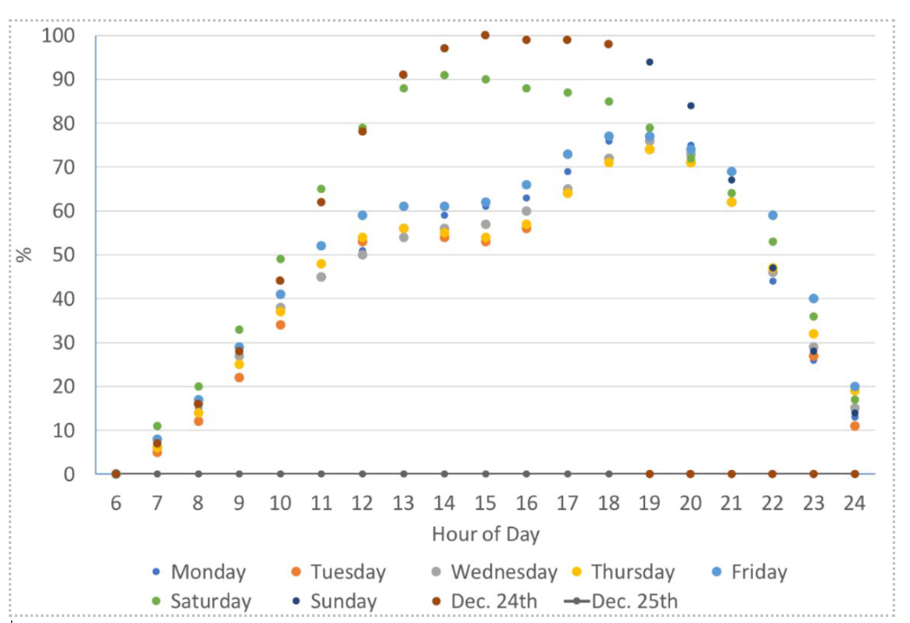
 | Building | ExtLightingNonMotionCtrl |  | Weekday | 1 | 1 | 1 | 1 | 1 | 1 | 1 | 1 | 1 | 1 | 1 | 1 | 1 | 1 | 1 | 1 | 1 | 1 | 1 | 1 | 1 | 1 | 1 | 1
 |  |  |  | Saturday | 1 | 1 | 1 | 1 | 1 | 1 | 1 | 1 | 1 | 1 | 1 | 1 | 1 | 1 | 1 | 1 | 1 | 1 | 1 | 1 | 1 | 1 | 1 | 1
 |  |  |  | Sunday | 1 | 1 | 1 | 1 | 1 | 1 | 1 | 1 | 1 | 1 | 1 | 1 | 1 | 1 | 1 | 1 | 1 | 1 | 1 | 1 | 1 | 1 | 1 | 1
 | Building | ExtLightingMotionCtrl |  | Weekday | 0 | 0 | 0 | 0 | 0 | 1 | 1 | 1 | 1 | 1 | 1 | 1 | 1 | 1 | 1 | 1 | 1 | 1 | 1 | 1 | 1 | 1 | 0 | 0
 |  |  |  | Saturday | 0 | 0 | 0 | 0 | 0 | 1 | 1 | 1 | 1 | 1 | 1 | 1 | 1 | 1 | 1 | 1 | 1 | 1 | 1 | 1 | 1 | 1 | 1 | 1
 |  |  |  | Sunday | 0 | 0 | 0 | 0 | 0 | 1 | 1 | 1 | 1 | 1 | 1 | 1 | 1 | 1 | 1 | 1 | 1 | 1 | 1 | 1 | 1 | 1 | 1 | 1
Retails | Building | RetailSalePeopleActivityLevel | Based on Activilty level schedules in CEC Prototypes | Weekday | 132 | 132 | 132 | 132 | 132 | 132 | 132 | 132 | 132 | 132 | 132 | 132 | 132 | 132 | 132 | 132 | 132 | 132 | 132 | 132 | 132 | 132 | 132 | 132
 |  |  |  | Saturday | 132 | 132 | 132 | 132 | 132 | 132 | 132 | 132 | 132 | 132 | 132 | 132 | 132 | 132 | 132 | 132 | 132 | 132 | 132 | 132 | 132 | 132 | 132 | 132
 |  |  |  | Sunday | 132 | 132 | 132 | 132 | 132 | 132 | 132 | 132 | 132 | 132 | 132 | 132 | 132 | 132 | 132 | 132 | 132 | 132 | 132 | 132 | 132 | 132 | 132 | 132
Back Office | Building | CommonAreaPeopleActivityLevel | Based on Activilty level schedules in CEC Prototypes | Weekday | 147 | 147 | 147 | 147 | 147 | 147 | 147 | 147 | 147 | 147 | 147 | 147 | 147 | 147 | 147 | 147 | 147 | 147 | 147 | 147 | 147 | 147 | 147 | 147
 |  |  |  | Saturday | 147 | 147 | 147 | 147 | 147 | 147 | 147 | 147 | 147 | 147 | 147 | 147 | 147 | 147 | 147 | 147 | 147 | 147 | 147 | 147 | 147 | 147 | 147 | 147
 |  |  |  | Sunday | 147 | 147 | 147 | 147 | 147 | 147 | 147 | 147 | 147 | 147 | 147 | 147 | 147 | 147 | 147 | 147 | 147 | 147 | 147 | 147 | 147 | 147 | 147 | 147
RefFoodPRep Core, RefWalkInCool Core, Ref WalkInFreezer Core | Building | RefStoragePeopleActivityLevel | Based on Activilty level schedules in CEC Prototypes | Weekday | 220 | 220 | 220 | 220 | 220 | 220 | 220 | 220 | 220 | 220 | 220 | 220 | 220 | 220 | 220 | 220 | 220 | 220 | 220 | 220 | 220 | 220 | 220 | 220
 |  |  |  | Saturday | 220 | 220 | 220 | 220 | 220 | 220 | 220 | 220 | 220 | 220 | 220 | 220 | 220 | 220 | 220 | 220 | 220 | 220 | 220 | 220 | 220 | 220 | 220 | 220
 |  |  |  | Sunday | 220 | 220 | 220 | 220 | 220 | 220 | 220 | 220 | 220 | 220 | 220 | 220 | 220 | 220 | 220 | 220 | 220 | 220 | 220 | 220 | 220 | 220 | 220 | 220
Loading Dock EL1 | Building | SaleStoragePeopleActivityLevel | Based on Activilty level schedules in CEC Prototypes | Weekday | 220 | 220 | 220 | 220 | 220 | 220 | 220 | 220 | 220 | 220 | 220 | 220 | 220 | 220 | 220 | 220 | 220 | 220 | 220 | 220 | 220 | 220 | 220 | 220
 |  |  |  | Saturday | 220 | 220 | 220 | 220 | 220 | 220 | 220 | 220 | 220 | 220 | 220 | 220 | 220 | 220 | 220 | 220 | 220 | 220 | 220 | 220 | 220 | 220 | 220 | 220
 |  |  |  | Sunday | 220 | 220 | 220 | 220 | 220 | 220 | 220 | 220 | 220 | 220 | 220 | 220 | 220 | 220 | 220 | 220 | 220 | 220 | 220 | 220 | 220 | 220 | 220 | 220

