Notes
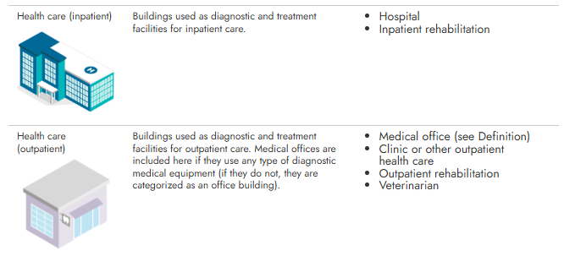
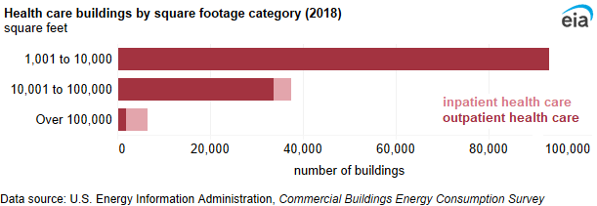
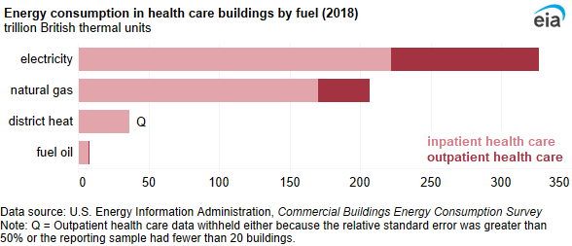
Data Sources
Dataset | Dodge 2023
 | Commercial End-Use Survey (CEUS) 2022 | https://www.energy.ca.gov/publications/2023/2022-california-commercial-end-use-survey-ceus-final-report
 | Commercial Buildings Energy Consumption Survey (CBECS) 2018 | https://www.eia.gov/consumption/commercial/data/2018/index.php
 | ComStock 2023 | https://www.nrel.gov/buildings/comstock

Prototype | Pacific Northwest National Laboratory (PNNL) Outpatient prototype (90.1-2022) | https://www.energycodes.gov/prototype-building-models#Commercial

Codes | Title 24, part 6, referred to as T24 (1984, 1992,1998, 2001, 2005, 2008, 2013, 2016,2019, 2022, 2025) | https://www.energy.ca.gov/publications/2025/2025-building-energy-efficiency-standards-residential-and-nonresidential | 2025
 |  | https://codes.iccsafe.org/codes/united-states/california | 2010+
 | American Society of Heating, Refrigerating and Air-Conditioning Engineers (ASHRAE) 90.1 (2022) | https://www.ashrae.org/technical-resources/standards-and-guidelines/read-only-versions-of-ashrae-standards
 | Code of Federal Regulations (CFR) Title 10 (2008, 2010) | https://www.govinfo.gov/content/pkg/FR-2009-03-23/pdf/FR-2009-03-23.pdf
 | ASHRAE 170/OSHPD | https://www.ashrae.org/technical-resources/bookstore/health-care-facilities-resources
 | 2022 California Mechanical Code (Title 24, Part 4) | https://up.codes/viewer/california/ca-mechanical-code-2022
 | Facility Guidelines Institute Codes (FGI) 2022 Guidelines for Design and Construction of Outpatient Facilities | https://onesource.fgicodes.org/products/2022-guidelines-for-design-and-construction-of-outpatient-facilities
Other | Alternative Calculation Method (ACM) (2022) | https://www.energy.ca.gov/publications/2022/2022-nonresidential-and-multifamily-alternative-calculation-method-reference
 | Nonres ACM 2022, Appendix 5.4A and Appendix 5.4B | https://www.energy.ca.gov/publications/2022/2022-nonresidential-and-multifamily-alternative-calculation-method-reference
 | 2022 Reduced infiltration CASE report | https://title24stakeholders.com/wp-content/uploads/2020/10/2022-T24-Final-CASE-Report_Reduce-Infiltration.pdf
 | 2019 Outdoor Lighting CASE Report | https://title24stakeholders.com/wp-content/uploads/2016/10/T24-2019-CASE-Study-Results-Report-Outdoor-Sources_Final_with-Attachments.pdf
 | PNNL 20405, 2011 | https://www.pnnl.gov/main/publications/external/technical_reports/PNNL-20405.pdf
 | PNNL-26949 | https://www.pnnl.gov/main/publications/external/technical_reports/PNNL-26949.pdf
 | Air leakage Memo, NORESCO, 2025 | https://2050partners.sharepoint.com/:w:/r/sites/CalBEMCollaborativeEfforts/_layouts/15/Doc.aspx?sourcedoc=%7B3BEF8F74-7FAC-44F2-A70C-D76617660066%7D&file=Infiltration_rate_report_14May2025-Short-Version.docx&wdLOR=c494C5A60-5F8A-438B-874B-578DCB850072&action=default&mobileredirect=true
 | 2019 High Efficiency Fume Hoods in Laboratory Spaces CASE Report | https://title24stakeholders.com/wp-content/uploads/2017/09/2019-T24-CASE-Report_Fume-Hoods_Final_September-2017.pdf?
 | Targeting 100! Envisioning the High Performance Hospital: Implications for a New, Low Energy, High Performance Prototype | https://idl.be.uw.edu/wp-content/uploads/sites/32/2017/08/Targeting100_FullReport_063010.pdf
 | ASHRAE's Advanced Energy Design Guide for Large Hospitals-50% (AEDG) | https://www.ashrae.org/technical-resources/aedgs/50-percent-aedg-free-download
 | American Hospital Association (AHA) Statistics data for Hospital | https://www.ahadata.com/aha-hospital-statistics
 | AEDG TSD: Bonnema, E., Doebber, I., Pless, S., Torcellini, P. (2010). NREL/TP-550-46314. | https://docs.nlr.gov/docs/fy10osti/46314.pdf
 | Yousefi, F., Athalye, R., (2025), "Determining Vintage Bins for Prototype Development: An Analysis of California Commercial Buildings," ASHRAE Annual Conference | https://www.thefreelibrary.com/Determining+Vintage+Bins+for+Prototype+Development%3a+An+Analysis+of...-a0879271125
 | ENERGY STAR certified commercial water heaters | https://www.energystar.gov/productfinder/product/certified-commercial-water-heaters/results?fuel_filter=Gas&markets_filter=United+States
 | Grainger gas tank water heaters (sizes below commercial, e.g. 30–75 kBtu/h) | https://www.grainger.com/category/plumbing/water-heaters/gas-tank-water-heaters
 | Grainger electric tank water heaters | https://www.grainger.com/category/plumbing/water-heaters/electric-tank-water-heaters

Construction Rate

* the general healthcare trends which apply to the broader Healthcare category, not outpatient.

Notes
Outpatient | An outpatient healthcare facility (also called an ambulatory care facility, outpatient clinic, or clinic) provides diagnostic, treatment, or surgical services to patients who go home the same day. There is no overnight inpatient stay. The building may be freestanding or attached to a hospital. It typically operates about 8–10 hours per day, not 24/7. FGI Guidelines for Design and Construction of Outpatient Facilities (2022), Part 2, splits this building family by program (surgery, imaging, urgent care, primary care, and others). Those programs do not share the same layout or HVAC, so they are not all represented by one energy model. This CalBEM prototype is a ~41,000 ft², three-story outpatient surgical/diagnostic building (PNNL/NREL geometry). Floor 1 is surgery and recovery; floors 2–3 are exam, office, and physical therapy. It represents FGI 2.7 Outpatient Surgery, with 2.3 Imaging, 2.2 General and Specialty Medical Services, and 2.12 Rehabilitation Therapy as they appear on that floor plan. HVAC follows healthcare ventilation (ASHRAE 170 / FGI / CMC Table 4-A) for procedure, imaging, and operating rooms. This prototype is not: a hospital (overnight / 24-hour inpatient care; CBECS inpatient mean 264,800 ft²); a medical office without diagnostic equipment (Office prototype); a typical small diagnostic medical office (CBECS mean 9,900 ft²); an urgent care, only, birth center, infusion, freestanding ED, endoscopy-only, dialysis, behavioral health, mobile unit, or dental facility (FGI 2.4–2.6, 2.8–2.11, 2.13–2.14). Those types would need a different layout and model.
EIA, 2018 CBECS | On average, hospitals were 264,800 square feet per building, but outpatient health care buildings averaged 13,700 square feet.
Source | https://www.eia.gov/consumption/commercial/

Prototype
NORESCO, Updated September 2026
Outpatient
Characteristic | Value | Data Sources
Building Type | Outpatient
Building Category | Nonresidential
Version | v2-0
Vintages | 4 Vintages: Pre-1978 , 1978-1997 ,1998-2007 , 2008-2018 New Construction (2019+) | Based on the vintage bin analysis. A summary of the findings is presented in the following paper, with a link provided in the Notes tab: Yousefi, F., Athalye, R. (2025). “Determining Vintage Bins for Prototype Development: An Analysis of California Commercial Buildings.” ASHRAE Annual Conference.
Shape | 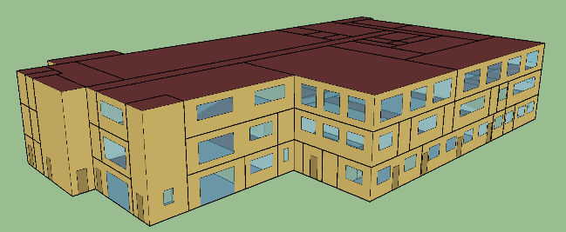 | The analysis uses prototype geometry originally developed by PNNL.
Total Floor Area (ft²) | 40,950 | Assumption; based on AEDG TSD (Table ES-1 / Table 4-2 (41,000 ft²); Appendix D (40,946 ft²). Rounded.)
Aspect Ratio | n/a | Assumption; based on AEDG TSD §4.2, Figures 4-5–4-7 (non-rectangular plates)
Number of Floors | 3 | Assumption; based on AEDG TSD (Table ES-1 / Table 4-2
Roof type | Flat roof | Assumption; based on AEDG TSD (Table ES-1 / Table 4-2 (insulation entirely above deck); §5.3
WWR | North: 20.5%, East:19.1%, South: 24.1%, West: 12.9% Average Total: 20% | Assumption; based on AEDG TSD (Average: Table 4-2 / Table 5-1. By façade: Appendix D)
Shading Geometry | Fixed entrance canopy (12 ft) | Assumption; based on review feedback
Floor to floor height (feet) | 10 ft | Assumption; based on AEDG Table TSD (5-1 ceiling 10 ft; no plenums, §5.2.1)
Floor to ceiling height (feet) | 10 ft | Assumption; based on AEDG Table TSD (5-1 ceiling 10 ft; no plenums, §5.2.1)
Glazing sill height (feet) | 3 ft (4 ft high windows) | Typical window sill height-PNNL

Above grade wall area (ft²) | 16,716
Gross wall area (ft²) | 16,716
Roof area (ft²) | 14,779
Underground Gross Wall Area (ft²) | 0

Zones
N
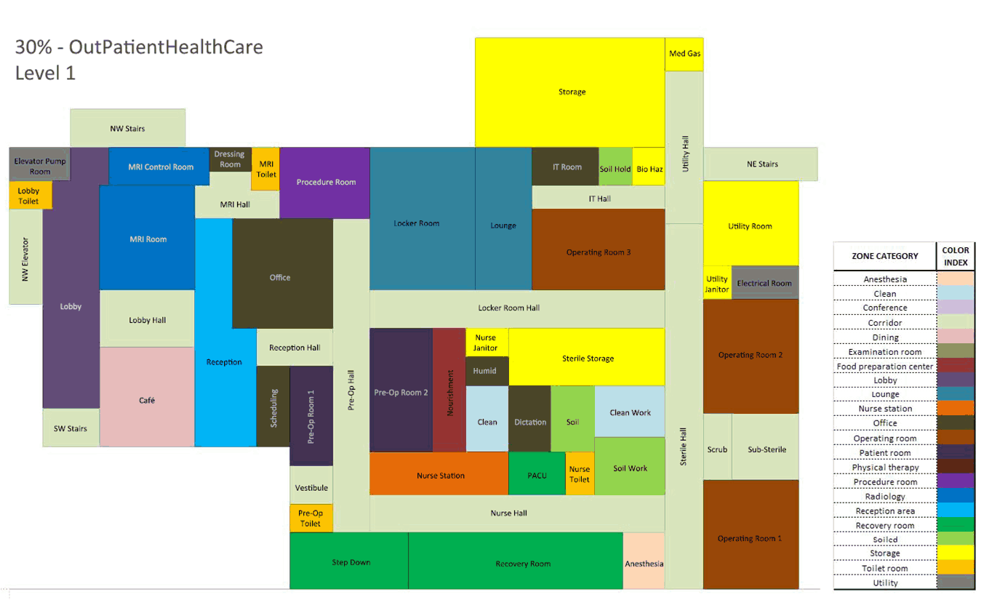
Proposed Layout - Outpatient
Building | Space/ Thermal Zone | Space Type Primarily from [T24, 2022 Appendix 5.4A] - See Notes column | HVAC System Name | Schedule Category | Conditioned (Y/N) | Area Fraction | Area (ft²) | Volume (ft³) | Multipliers | Number of People | People (Persons/1,000 ft²) [T24, 2025,Table 120.1-A and NACM Appendix 5.4A] | Notes
Outpatient | Floor 1 Anesthesia | Healthcare Facility and Hospitals (Exam/Treatment Room) | AHU-4 | Health | Yes | 0.3% | 108 | 1,080 | 1 | 1.0 | 5.0
Outpatient | Floor 1 Bio Haz | Healthcare Facility and Hospitals (Medical Supply Room) | AHU-1 | Health | Yes | 0.1% | 56 | 560 | 1 | 0.0 | 5.0
Outpatient | Floor 1 Café | Dining Area (Cafeteria/Fast Food) | AHU-1 | Health | Yes | 1.0% | 420 | 4,200 | 1 | 14.0 | 33.0
Outpatient | Floor 1 Clean | Healthcare Facility and Hospitals (Medical Supply Room) | AHU-4 | Health | Yes | 0.3% | 126 | 1,260 | 1 | 1.0 | 5.0
Outpatient | Floor 1 Clean Work | Healthcare Facility and Hospitals (Medical Supply Room) | AHU-4 | Health | Yes | 0.4% | 165 | 1,650 | 1 | 1.0 | 5.0
Outpatient | Floor 1 Dictation | Office Area (<250 square feet) | AHU-1 | Office | Yes | 0.3% | 126 | 1,260 | 1 | 0.6 | 5.0
Outpatient | Floor 1 Dressing Room | Office Area (<250 square feet) | AHU-1 | Office | Yes | 0.1% | 45 | 450 | 1 | 0.2 | 5.0
Outpatient | Floor 1 Electrical Room | Electrical, Mechanical, Telephone Rooms | AHU-1 | Ancillary | Yes | 0.2% | 98 | 980 | 1 | 0.0 | 1.5
Outpatient | Floor 1 Elevator Pump Room | Electrical, Mechanical, Telephone Rooms | AHU-1 | Ancillary | Yes | 0.2% | 91 | 910 | 1 | 0.0 | 1.5
Outpatient | Floor 1 Humid | Office Area (<250 square feet) | AHU-1 | Office | Yes | 0.1% | 54 | 540 | 1 | 0.3 | 5.0
Outpatient | Floor 1 IT Hall | Corridor Area | AHU-1 | Health | Yes | 0.3% | 140 | 1,400 | 1 | 1.0 | 5.0
Outpatient | Floor 1 IT Room | Office Area (<250 square feet) | AHU-1 | Office | Yes | 0.3% | 112 | 1,120 | 1 | 0.6 | 5.0
Outpatient | Floor 1 Lobby | Lobby, Main Entry | AHU-1 | Health | Yes | 1.5% | 622 | 6,220 | 1 | 21.0 | 33.0
Outpatient | Floor 1 Lobby Hall | Corridor Area | AHU-1 | Health | Yes | 0.6% | 240 | 2,400 | 1 | 1.0 | 5.0
Outpatient | Floor 1 Lobby Toilet | Restrooms | AHU-1 | Health | Yes | 0.1% | 54 | 540 | 1 | 0.0 | 5.0
Outpatient | Floor 1 Locker Room | Locker Room | AHU-1 | Health | Yes | 1.6% | 660 | 6,600 | 1 | 7.0 | 10.0
Outpatient | Floor 1 Locker Room Hall | Corridor Area | AHU-1 | Health | Yes | 1.2% | 496 | 4,960 | 1 | 2.0 | 5.0
Outpatient | Floor 1 Lounge | Lounge, Breakroom, or Waiting Area | AHU-1 | Health | Yes | 0.9% | 360 | 3,600 | 1 | 12.0 | 33.0
Outpatient | Floor 1 Med Gas | Healthcare Facility and Hospitals (Medical Supply Room) | AHU-1 | Health | Yes | 0.1% | 56 | 560 | 1 | 0.0 | 5.0
Outpatient | Floor 1 MRI Control Room | Healthcare Facility and Hospitals (Imaging Room) | AHU-1 | Health | Yes | 0.4% | 168 | 1,680 | 1 | 1.0 | 5.0
Outpatient | Floor 1 MRI Hall | Corridor Area | AHU-1 | Health | Yes | 0.4% | 147 | 1,470 | 1 | 1.0 | 5.0
Outpatient | Floor 1 MRI Room | Healthcare Facility and Hospitals (Imaging Room) | AHU-1 | Health | Yes | 1.1% | 440 | 4,400 | 1 | 2.0 | 5.0
Outpatient | Floor 1 MRI Toilet | Restrooms | AHU-1 | Health | Yes | 0.1% | 54 | 540 | 1 | 0.0 | 5.0
Outpatient | Floor 1 Nourishment | Kitchen/Food Preparation Area | AHU-1 | Health | Yes | 0.4% | 182 | 1,820 | 1 | 1.0 | 3.0
Outpatient | Floor 1 Nurse Hall | Corridor Area | AHU-1 | Health | Yes | 1.2% | 496 | 4,960 | 1 | 2.0 | 5.0
Outpatient | Floor 1 Nurse Janitor | Storage (General) | AHU-1 | Health | Yes | 0.1% | 54 | 540 | 1 | 0.0 | 2.0
Outpatient | Floor 1 Nurse Station | Healthcare Facility and Hospitals (Nurse's Station) | AHU-1 | Health | Yes | 0.6% | 261 | 2,610 | 1 | 1.0 | 5.0
Outpatient | Floor 1 Nurse Toilet | Restrooms | AHU-1 | Health | Yes | 0.1% | 54 | 540 | 1 | 0.0 | 5.0
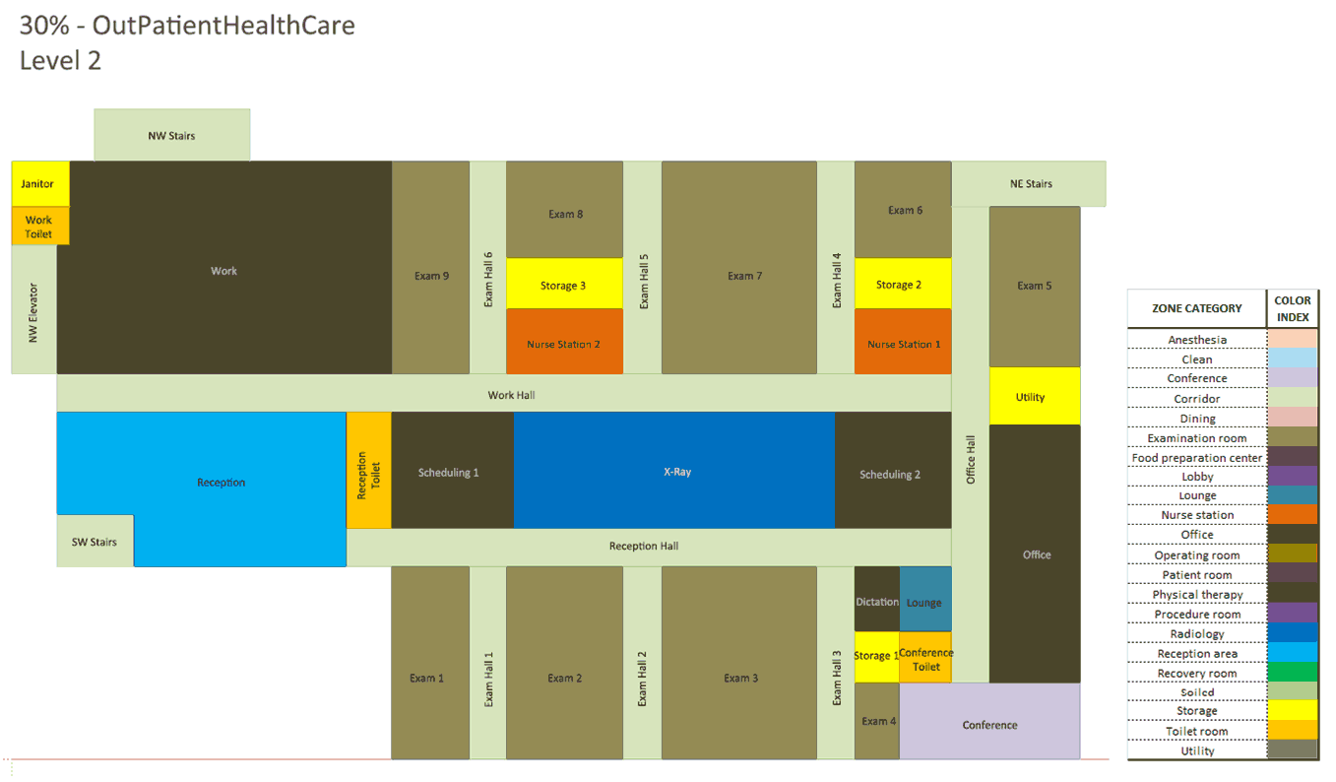
Outpatient | Floor 1 Office | Office Area (>250 square feet) | AHU-1 | Office | Yes | 1.2% | 483 | 4,830 | 1 | 2.4 | 5.0
Outpatient | Floor 1 Operating Room 1 | Healthcare Facility and Hospitals (Operating Room) | AHU-4 | Health | Yes | 1.1% | 460 | 4,600 | 1 | 2.0 | 5.0
Outpatient | Floor 1 Operating Room 2 | Healthcare Facility and Hospitals (Operating Room) | AHU-4 | Health | Yes | 1.2% | 480 | 4,800 | 1 | 2.0 | 5.0
Outpatient | Floor 1 Operating Room 3 | Healthcare Facility and Hospitals (Operating Room) | AHU-4 | Health | Yes | 1.2% | 476 | 4,760 | 1 | 2.0 | 5.0
Outpatient | Floor 1 PACU | Healthcare Facility and Hospitals (Recovery Room) | AHU-4 | Health | Yes | 0.3% | 108 | 1,080 | 1 | 1.0 | 5.0
Outpatient | Floor 1 Pre-Op Hall | Corridor Area | AHU-4 | Health | Yes | 1.3% | 528 | 5,280 | 1 | 3.0 | 5.0
Outpatient | Floor 1 Pre-Op Room 1 | Healthcare Facility and Hospitals (Patient Room) | AHU-4 | Health | Yes | 0.5% | 189 | 1,890 | 1 | 1.0 | 5.0
Outpatient | Floor 1 Pre-Op Room 2 | Healthcare Facility and Hospitals (Patient Room) | AHU-4 | Health | Yes | 0.8% | 338 | 3,380 | 1 | 2.0 | 5.0
Outpatient | Floor 1 Pre-Op Toilet | Restrooms | AHU-4 | Health | Yes | 0.1% | 54 | 540 | 1 | 0.0 | 5.0
Outpatient | Floor 1 Procedure Room | Healthcare Facility and Hospitals (Exam/Treatment Room) | AHU-4 | Health | Yes | 0.7% | 285 | 2,850 | 1 | 1.0 | 5.0
Outpatient | Floor 1 Reception | Reception area | AHU-1 | Office | Yes | 1.2% | 509 | 5,090 | 1 | 2.5 | 5.0
Outpatient | Floor 1 Reception Hall | Corridor Area | AHU-1 | Health | Yes | 0.3% | 128 | 1,280 | 1 | 1.0 | 5.0
Outpatient | Floor 1 Recovery Room | Healthcare Facility and Hospitals (Recovery Room) | AHU-4 | Health | Yes | 1.3% | 540 | 5,400 | 1 | 3.0 | 5.0
Outpatient | Floor 1 Scheduling | Office Area (<250 square feet) | AHU-1 | Office | Yes | 0.3% | 119 | 1,190 | 1 | 0.6 | 5.0
Outpatient | Floor 1 Scrub | Corridor Area | AHU-4 | Health | Yes | 0.2% | 84 | 840 | 1 | 0.0 | 5.0
Outpatient | Floor 1 Soil | Healthcare Facility and Hospitals (Medical Supply Room) | AHU-1 | Health | Yes | 0.3% | 126 | 1,260 | 1 | 1.0 | 5.0
Outpatient | Floor 1 Soil Hold | Healthcare Facility and Hospitals (Medical Supply Room) | AHU-1 | Health | Yes | 0.1% | 56 | 560 | 1 | 0.0 | 5.0
Outpatient | Floor 1 Soil Work | Healthcare Facility and Hospitals (Medical Supply Room) | AHU-1 | Health | Yes | 0.4% | 180 | 1,800 | 1 | 1.0 | 5.0
Outpatient | Floor 1 Step Down | Healthcare Facility and Hospitals (Recovery Room) | AHU-4 | Health | Yes | 0.7% | 300 | 3,000 | 1 | 2.0 | 5.0
Outpatient | Floor 1 Sterile Hall | Corridor Area | AHU-4 | Health | Yes | 1.5% | 616 | 6,160 | 1 | 3.0 | 5.0
Outpatient | Floor 1 Sterile Storage | Storage (General) | AHU-4 | Health | Yes | 1.0% | 396 | 3,960 | 1 | 1.0 | 2.0
Outpatient | Floor 1 Storage | Storage (General) | AHU-1 | Health | Yes | 2.2% | 920 | 9,200 | 1 | 2.0 | 2.0
Outpatient | Floor 1 Sub-Sterile | Corridor Area | AHU-4 | Health | Yes | 0.5% | 196 | 1,960 | 1 | 1.0 | 5.0
Outpatient | Floor 1 Utility Hall | Corridor Area | AHU-1 | Health | Yes | 0.6% | 256 | 2,560 | 1 | 1.0 | 5.0
Outpatient | Floor 1 Utility Janitor | Storage (General) | AHU-1 | Health | Yes | 0.1% | 42 | 420 | 1 | 0.0 | 2.0
Outpatient | Floor 1 Utility Room | Storage (General) | AHU-1 | Health | Yes | 0.9% | 360 | 3,600 | 1 | 1.0 | 2.0
Outpatient | Floor 1 Vestibule | Corridor Area | AHU-1 | Health | Yes | 0.2% | 72 | 720 | 1 | 0.0 | 5.0
Outpatient | Floor 2 Conference | Convention, Conference, Multipurpose and Meeting Area | AHU-2 | Office | Yes | 0.8% | 336 | 3,360 | 1 | 11.1 | 33.0
Outpatient | Floor 2 Conference Toilet | Restrooms | AHU-2 | Health | Yes | 0.2% | 64 | 640 | 1 | 0.0 | 5.0
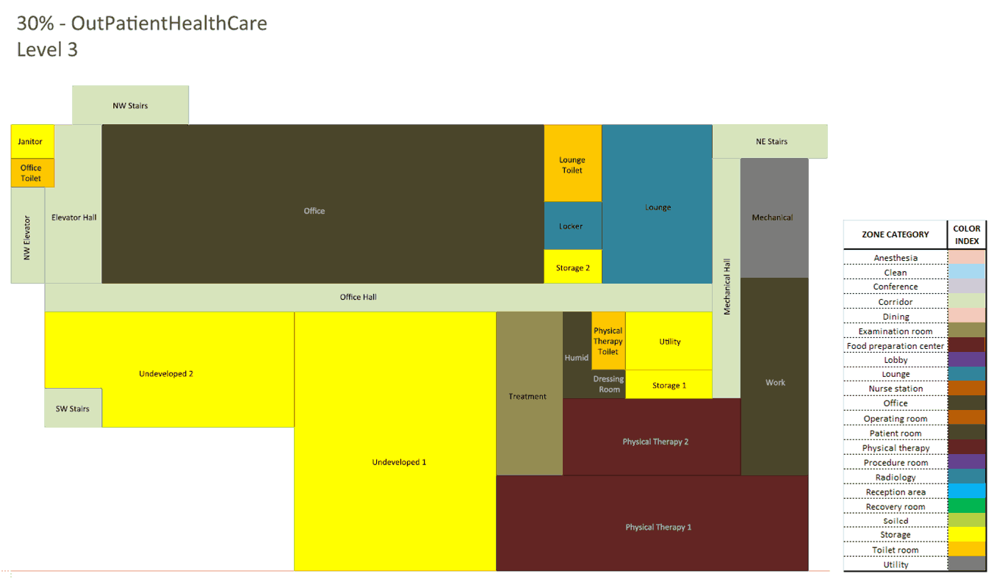
Outpatient | Floor 2 Dictation | Office Area (<250 square feet) | AHU-2 | Office | Yes | 0.2% | 70 | 700 | 1 | 0.4 | 5.0
Outpatient | Floor 2 Exam 1 | Healthcare Facility and Hospitals (Exam/Treatment Room) | AHU-2 | Health | Yes | 0.9% | 360 | 3,600 | 1 | 2.0 | 5.0
Outpatient | Floor 2 Exam 2 | Healthcare Facility and Hospitals (Exam/Treatment Room) | AHU-2 | Health | Yes | 1.3% | 540 | 5,400 | 1 | 3.0 | 5.0
Outpatient | Floor 2 Exam 3 | Healthcare Facility and Hospitals (Exam/Treatment Room) | AHU-2 | Health | Yes | 1.8% | 720 | 7,200 | 1 | 4.0 | 5.0
Outpatient | Floor 2 Exam 4 | Healthcare Facility and Hospitals (Exam/Treatment Room) | AHU-2 | Health | Yes | 0.2% | 84 | 840 | 1 | 0.0 | 5.0
Outpatient | Floor 2 Exam 5 | Healthcare Facility and Hospitals (Exam/Treatment Room) | AHU-2 | Health | Yes | 0.9% | 350 | 3,500 | 1 | 2.0 | 5.0
Outpatient | Floor 2 Exam 6 | Healthcare Facility and Hospitals (Exam/Treatment Room) | AHU-2 | Health | Yes | 0.5% | 225 | 2,250 | 1 | 1.0 | 5.0
Outpatient | Floor 2 Exam 7 | Healthcare Facility and Hospitals (Exam/Treatment Room) | AHU-2 | Health | Yes | 1.9% | 792 | 7,920 | 1 | 4.0 | 5.0
Outpatient | Floor 2 Exam 8 | Healthcare Facility and Hospitals (Exam/Treatment Room) | AHU-2 | Health | Yes | 0.7% | 270 | 2,700 | 1 | 1.0 | 5.0
Outpatient | Floor 2 Exam 9 | Healthcare Facility and Hospitals (Exam/Treatment Room) | AHU-2 | Health | Yes | 1.0% | 396 | 3,960 | 1 | 2.0 | 5.0
Outpatient | Floor 2 Exam Hall 1 | Corridor Area | AHU-2 | Health | Yes | 0.4% | 180 | 1,800 | 1 | 1.0 | 5.0
Outpatient | Floor 2 Exam Hall 2 | Corridor Area | AHU-2 | Health | Yes | 0.4% | 180 | 1,800 | 1 | 1.0 | 5.0
Outpatient | Floor 2 Exam Hall 3 | Corridor Area | AHU-2 | Health | Yes | 0.4% | 180 | 1,800 | 1 | 1.0 | 5.0
Outpatient | Floor 2 Exam Hall 4 | Corridor Area | AHU-2 | Health | Yes | 0.5% | 198 | 1,980 | 1 | 1.0 | 5.0
Outpatient | Floor 2 Exam Hall 5 | Corridor Area | AHU-2 | Health | Yes | 0.5% | 198 | 1,980 | 1 | 1.0 | 5.0
Outpatient | Floor 2 Exam Hall 6 | Corridor Area | AHU-2 | Health | Yes | 0.5% | 198 | 1,980 | 1 | 1.0 | 5.0
Outpatient | Floor 2 Janitor | Storage (General) | AHU-2 | Health | Yes | 0.2% | 63 | 630 | 1 | 0.0 | 2.0
Outpatient | Floor 2 Lounge | Lounge, Breakroom, or Waiting Area | AHU-2 | Health | Yes | 0.2% | 80 | 800 | 1 | 3.0 | 33.0
Outpatient | Floor 2 Nurse Station 1 | Healthcare Facility and Hospitals (Nurse's Station) | AHU-2 | Health | Yes | 0.4% | 150 | 1,500 | 1 | 1.0 | 5.0
Outpatient | Floor 2 Nurse Station 2 | Healthcare Facility and Hospitals (Nurse's Station) | AHU-2 | Health | Yes | 0.4% | 180 | 1,800 | 1 | 1.0 | 5.0
Outpatient | Floor 2 Office | Office Area (>250 square feet) | AHU-2 | Office | Yes | 1.4% | 560 | 5,600 | 1 | 2.8 | 5.0
Outpatient | Floor 2 Office Hall | Corridor Area | AHU-2 | Health | Yes | 1.1% | 444 | 4,440 | 1 | 2.0 | 5.0
Outpatient | Floor 2 Reception | Reception area | AHU-2 | Office | Yes | 2.4% | 984 | 9,840 | 1 | 4.9 | 5.0
Outpatient | Floor 2 Reception Hall | Corridor Area | AHU-2 | Health | Yes | 1.4% | 564 | 5,640 | 1 | 3.0 | 5.0
Outpatient | Floor 2 Reception Toilet | Restrooms | AHU-2 | Health | Yes | 0.3% | 126 | 1,260 | 1 | 1.0 | 5.0
Outpatient | Floor 2 Scheduling 1 | Office Area (>250 square feet) | AHU-2 | Office | Yes | 0.8% | 324 | 3,240 | 1 | 1.6 | 5.0
Outpatient | Floor 2 Scheduling 2 | Office Area (>250 square feet) | AHU-2 | Office | Yes | 0.8% | 342 | 3,420 | 1 | 1.7 | 5.0
Outpatient | Floor 2 Storage 1 | Storage (General) | AHU-2 | Health | Yes | 0.1% | 56 | 560 | 1 | 0.0 | 2.0
Outpatient | Floor 2 Storage 2 | Storage (General) | AHU-2 | Health | Yes | 0.3% | 120 | 1,200 | 1 | 0.0 | 2.0
Outpatient | Floor 2 Storage 3 | Storage (General) | AHU-2 | Health | Yes | 0.4% | 144 | 1,440 | 1 | 0.0 | 2.0
Outpatient | Floor 2 Utility | Storage (General) | AHU-2 | Health | Yes | 0.3% | 126 | 1,260 | 1 | 0.0 | 2.0
Outpatient | Floor 2 Work | Office Area (>250 square feet) | AHU-2 | Office | Yes | 4.1% | 1,690 | 16,900 | 1 | 8.5 | 5.0
Outpatient | Floor 2 Work Hall | Corridor Area | AHU-2 | Health | Yes | 2.0% | 834 | 8,340 | 1 | 4.0 | 5.0
Outpatient | Floor 2 Work Toilet | Restrooms | AHU-2 | Health | Yes | 0.1% | 54 | 540 | 1 | 0.0 | 5.0
Outpatient | Floor 2 X-Ray | Healthcare Facility and Hospitals (Imaging Room) | AHU-2 | Health | Yes | 2.2% | 900 | 9,000 | 1 | 5.0 | 5.0
Outpatient | Floor 3 Dressing Room | Office Area (<250 square feet) | AHU-3 | Office | Yes | 0.1% | 42 | 420 | 1 | 0.2 | 5.0
Outpatient | Floor 3 Elevator Hall | Corridor Area | AHU-3 | Health | Yes | 0.9% | 370 | 3,700 | 1 | 2.0 | 5.0
Outpatient | Floor 3 Humid | Office Area (<250 square feet) | AHU-3 | Office | Yes | 0.3% | 108 | 1,080 | 1 | 0.5 | 5.0
Outpatient | Floor 3 Janitor | Storage (General) | AHU-3 | Health | Yes | 0.2% | 63 | 630 | 1 | 0.0 | 2.0
Outpatient | Floor 3 Locker | Locker Room | AHU-3 | Health | Yes | 0.3% | 120 | 1,200 | 1 | 1.0 | 10.0
Outpatient | Floor 3 Lounge | Lounge, Breakroom, or Waiting Area | AHU-3 | Health | Yes | 1.9% | 759 | 7,590 | 1 | 25.0 | 33.0
Outpatient | Floor 3 Lounge Toilet | Restrooms | AHU-3 | Health | Yes | 0.5% | 192 | 1,920 | 1 | 1.0 | 5.0
Outpatient | Floor 3 Mechanical | Electrical, Mechanical, Telephone Rooms | AHU-3 | Ancillary | Yes | 0.9% | 350 | 3,500 | 1 | 1.0 | 1.5
Outpatient | Floor 3 Mechanical Hall | Corridor Area | AHU-3 | Ancillary | Yes | 0.7% | 300 | 3,000 | 1 | 2.0 | 5.0
Outpatient | Floor 3 Office | Office Area (>250 square feet) | AHU-3 | Office | Yes | 7.4% | 3,036 | 30,360 | 1 | 15.2 | 5.0
Outpatient | Floor 3 Office Hall | Corridor Area | AHU-3 | Health | Yes | 2.0% | 834 | 8,340 | 1 | 4.0 | 5.0
Outpatient | Floor 3 Office Toilet | Restrooms | AHU-3 | Health | Yes | 0.1% | 54 | 540 | 1 | 0.0 | 5.0
Outpatient | Floor 3 Physical Therapy 1 | Healthcare Facility and Hospitals (Physical Therapy Room) | AHU-3 | Health | Yes | 3.2% | 1,300 | 13,000 | 1 | 7.0 | 5.0
Outpatient | Floor 3 Physical Therapy 2 | Healthcare Facility and Hospitals (Physical Therapy Room) | AHU-3 | Health | Yes | 1.4% | 592 | 5,920 | 1 | 3.0 | 5.0
Outpatient | Floor 3 Physical Therapy Toilet | Restrooms | AHU-3 | Health | Yes | 0.2% | 84 | 840 | 1 | 0.0 | 5.0
Outpatient | Floor 3 Storage 1 | Storage (General) | AHU-3 | Health | Yes | 0.3% | 108 | 1,080 | 1 | 0.0 | 2.0
Outpatient | Floor 3 Storage 2 | Storage (General) | AHU-3 | Health | Yes | 0.2% | 84 | 840 | 1 | 0.0 | 2.0
Outpatient | Floor 3 Treatment | Healthcare Facility and Hospitals (Exam/Treatment Room) | AHU-3 | Health | Yes | 1.2% | 476 | 4,760 | 1 | 2.0 | 5.0
Outpatient | Floor 3 Undeveloped 1 | Storage (General) | AHU-3 | Health | Yes | 5.5% | 2,268 | 22,680 | 1 | 5.0 | 2.0
Outpatient | Floor 3 Undeveloped 2 | Storage (General) | AHU-3 | Health | Yes | 2.8% | 1,152 | 11,520 | 1 | 2.0 | 2.0
Outpatient | Floor 3 Utility | Storage (General) | AHU-3 | Health | Yes | 0.5% | 216 | 2,160 | 1 | 0.0 | 2.0
Outpatient | Floor 3 Work | Office Area (>250 square feet) | AHU-3 | Office | Yes | 1.4% | 574 | 5,740 | 1 | 2.9 | 5.0
Outpatient | NE Stair | Stairwell | AHU-3 | Health | Yes | 0.4% | 168 | 5,040 | 1 | 1.0 | 5.0
Outpatient | NW Elevator | Elevator | Unconditioned | Health | Yes | 0.3% | 140 | 4,200 | 1 | 0.0 | 0.0
Outpatient | NW Stair | Stairwell | AHU-3 | Health | Yes | 0.5% | 192 | 5,760 | 1 | 1.0 | 5.0
Outpatient | SW Stair | Stairwell | AHU-3 | Health | Yes | 0.2% | 96 | 2,880 | 1 | 0.0 | 5.0
Total (1 Building) | Total ( 118 spaces) | Total (23 Space types) | Total ( Thermal Zones) |  | Total ( 118 Conditioned zones) |  | 40,946 |  | 118 | 259.0

Ventilation
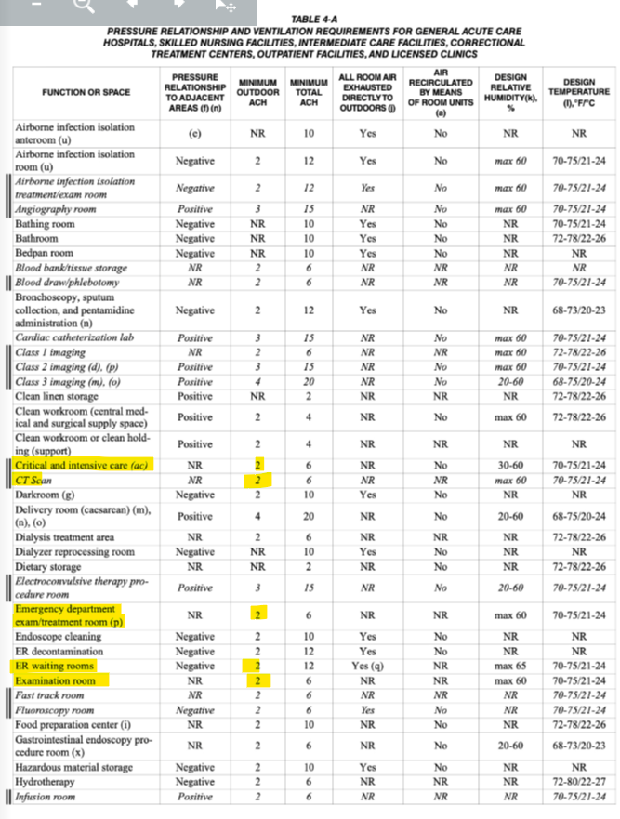
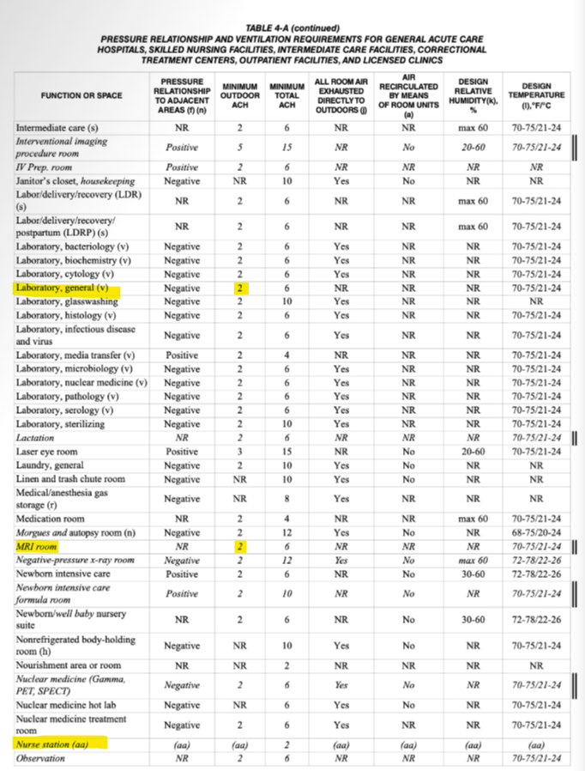
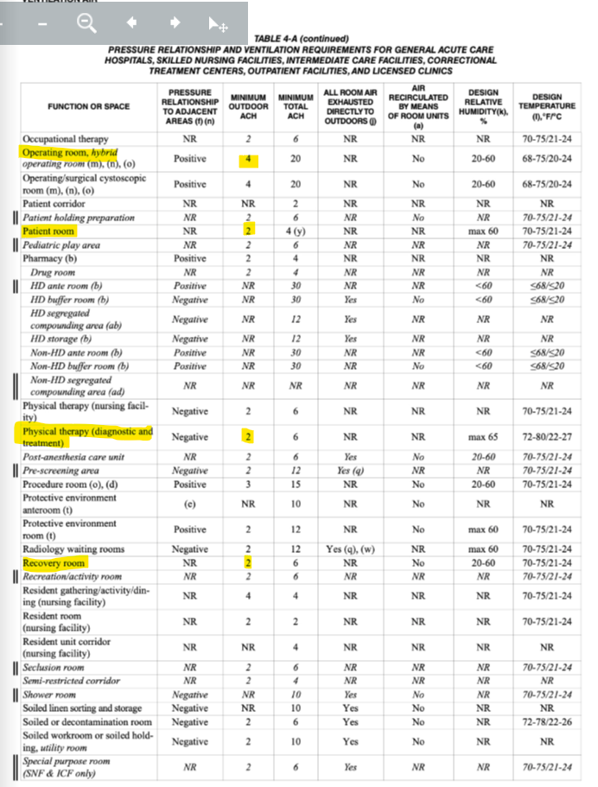
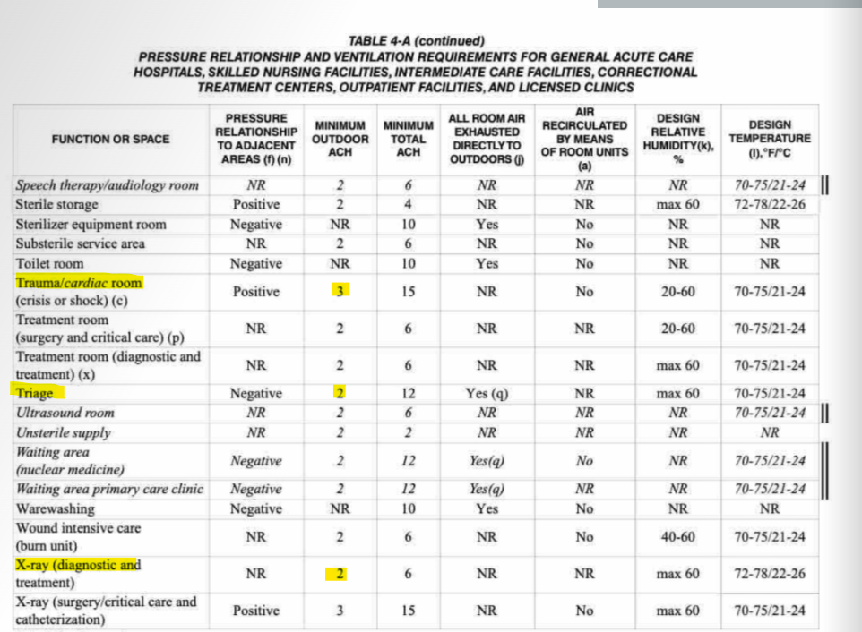
Outdoor Airflow Rate - Outpatient
Space Type | Space/Thermal Zone | Number of People | Floor Area (ft²) | cfm/person [T24, 2025, Equation 120.1-F and Table 120.1-A] | cfm/ft² [T24, 2025, Equation 120.1-F and Table 120.1-A] | Required Exhaust Rate (cfm/ft²) [T24, 2025, Table 120.1-B – minimum exhaust rates OR CMC Table 4-A for Healthcare] | Required Exhaust Rate (cfm) [T24, 2025, Table 120.1-B – minimum exhaust rates] | Min OA Ventilation Requirement (cfm/ft²) [Table 4-A, 2022 California Mechanical Code]* | Total cfm Driven by People | Total cfm Driven by Area | Total cfm Driven by Exhaust | Total cfm | Note
Healthcare Facility and Hospitals (Exam/Treatment Room) | Floor 1 Anesthesia | 1 | 108 | 15 | n/a | 1.33 |  | 0.33 | 15 | 36 | 144 | 144 | All Room air exhausted directly to the outdoor, according to Table 4-A, 2022 California Mechanical Code).
Healthcare Facility and Hospitals (Medical Supply Room) | Floor 1 Bio Haz | 0 | 56 | 15 | n/a |  |  | 0.33 | - | 19 | - | 19
Dining Area (Cafeteria/Fast Food) | Floor 1 Café | 14 | 420 | 15 | 0.15 |  |  | - | 210 | 63 | - | 210
Healthcare Facility and Hospitals (Medical Supply Room) | Floor 1 Clean | 1 | 126 | 15 | n/a |  |  | 0.33 | 15 | 42 | - | 42
Healthcare Facility and Hospitals (Medical Supply Room) | Floor 1 Clean Work | 1 | 165 | 15 | n/a |  |  | 0.33 | 15 | 55 | - | 55
Office Area (<250 square feet) | Floor 1 Dictation | 1 | 126 | 15 | 0.15 |  |  | - | 9 | 19 | - | 19
Office Area (<250 square feet) | Floor 1 Dressing Room | 0 | 45 | 15 | 0.15 |  |  | - | 3 | 7 | - | 7
Electrical, Mechanical, Telephone Rooms | Floor 1 Electrical Room | 0 | 98 | 15 | n/a |  |  | - | - | - | - | -
Electrical, Mechanical, Telephone Rooms | Floor 1 Elevator Pump Room | 0 | 91 | 15 | n/a |  |  | - | - | - | - | -
Office Area (<250 square feet) | Floor 1 Humid | 0 | 54 | 15 | 0.15 |  |  | - | 4 | 8 | - | 8
Corridor Area | Floor 1 IT Hall | 1 | 140 | 15 | 0.15 |  |  | - | 15 | 21 | - | 21
Office Area (<250 square feet) | Floor 1 IT Room | 1 | 112 | 15 | 0.15 |  |  | - | 8 | 17 | - | 17
Lobby, Main Entry | Floor 1 Lobby | 21 | 622 | 15 | 0.15 |  |  | - | 315 | 93 | - | 315
Corridor Area | Floor 1 Lobby Hall | 1 | 240 | 15 | 0.15 |  |  | - | 15 | 36 | - | 36
Restrooms | Floor 1 Lobby Toilet | 0 | 54 | 15 | n/a |  | 50 | - | - | - | 50 | - | *Restrooms in California per 2025 T24 and CALGreen (Part 11) require mechanical exhaust ventilation, but they do not require additional dedicated outdoor air (OA) beyond that local exhaust. Bathroom exhaust and exhaust fan energy will be captured in the models. We will assume make-up air is drawn from adjacent spaces.
Locker Room | Floor 1 Locker Room | 7 | 660 | 15 | n/a | 0.25 |  | - | 105 | - | 165 | 165
Corridor Area | Floor 1 Locker Room Hall | 2 | 496 | 15 | 0.15 |  |  | - | 30 | 74 | - | 74
Lounge, Breakroom, or Waiting Area | Floor 1 Lounge | 12 | 360 | 15 | 0.15 |  |  | - | 180 | 54 | - | 180
Healthcare Facility and Hospitals (Medical Supply Room) | Floor 1 Med Gas | 0 | 56 | 15 | n/a |  |  | 0.33 | - | 19 | - | 19
Healthcare Facility and Hospitals (Imaging Room) | Floor 1 MRI Control Room | 1 | 168 | 15 | n/a | 2.02 |  | 0.33 | 15 | 56 | 339 | 339 | Exhaust Rate assumed according to PNNL outpatient model.The PNNL outpatient model used ASHRAE 170 / CMC Table 4-A (Negative Pressure Soiled utility/workroom or soiled holding , exhaust Required))
Corridor Area | Floor 1 MRI Hall | 1 | 147 | 15 | 0.15 |  |  | - | 15 | 22 | - | 22
Healthcare Facility and Hospitals (Imaging Room) | Floor 1 MRI Room | 2 | 440 | 15 | n/a | 2.02 |  | 0.33 | 30 | 147 | 889 | 889 | Exhaust Rate assumed according to PNNL outpatient model.The PNNL outpatient model used ASHRAE 170 / CMC Table 4-A (Negative Pressure X-ray room , exhaust Required))
Restrooms | Floor 1 MRI Toilet | 0 | 54 | 15 | n/a |  | 50 | - | - | - | 50 | 50 | Toilet rooms, intermittent exhaust 50 cfm per toilet
Kitchen/Food Preparation Area | Floor 1 Nourishment | 1 | 182 | 15 | 0.15 | 0.30 |  | - | 15 | 27 | 55 | 55
Corridor Area | Floor 1 Nurse Hall | 2 | 496 | 15 | 0.15 |  |  | - | 30 | 74 | - | 74
Storage (General) | Floor 1 Nurse Janitor | 0 | 54 | 15 | 0.15 |  |  | - | - | 8 | - | 8
Healthcare Facility and Hospitals (Nurse's Station) | Floor 1 Nurse Station | 1 | 261 | 15 | n/a |  |  | 0.33 | 15 | 87 | - | 87
Restrooms | Floor 1 Nurse Toilet | 0 | 54 | 15 | n/a |  | 50 | - | - | - | 50 | 50 | Toilet rooms, intermittent exhaust 50 cfm per toilet
Office Area (>250 square feet) | Floor 1 Office | 2 | 483 | 15 | 0.15 |  |  | - | 36 | 72 | - | 72
Healthcare Facility and Hospitals (Operating Room) | Floor 1 Operating Room 1 | 2 | 460 | 15 | n/a |  |  | 0.67 | 30 | 307 | - | 307
Healthcare Facility and Hospitals (Operating Room) | Floor 1 Operating Room 2 | 2 | 480 | 15 | n/a |  |  | 0.67 | 30 | 320 | - | 320
Healthcare Facility and Hospitals (Operating Room) | Floor 1 Operating Room 3 | 2 | 476 | 15 | n/a |  |  | 0.67 | 30 | 317 | - | 317
Healthcare Facility and Hospitals (Recovery Room) | Floor 1 PACU | 1 | 108 | 15 | n/a |  |  | 0.33 | 15 | 36 | - | 36
Corridor Area | Floor 1 Pre-Op Hall | 3 | 528 | 15 | 0.15 |  |  | - | 45 | 79 | - | 79
Healthcare Facility and Hospitals (Patient Room) | Floor 1 Pre-Op Room 1 | 1 | 189 | 15 | n/a |  |  | 0.33 | 15 | 63 | - | 63
Healthcare Facility and Hospitals (Patient Room) | Floor 1 Pre-Op Room 2 | 2 | 338 | 15 | n/a |  |  | 0.33 | 30 | 113 | - | 113
Restrooms | Floor 1 Pre-Op Toilet | 0 | 54 | 15 | n/a |  | 50 | - | - | - | 50 | 50 | Toilet rooms, intermittent exhaust 50 cfm per toilet
Healthcare Facility and Hospitals (Exam/Treatment Room) | Floor 1 Procedure Room | 1 | 285 | 15 | n/a |  |  | 0.33 | 15 | 95 | - | 95
Reception area | Floor 1 Reception | 3 | 509 | 15 | 0.15 |  |  | - | 38 | 76 | - | 76
Corridor Area | Floor 1 Reception Hall | 1 | 128 | 15 | 0.15 |  |  | - | 15 | 19 | - | 19
Healthcare Facility and Hospitals (Recovery Room) | Floor 1 Recovery Room | 3 | 540 | 15 | n/a |  |  | 0.33 | 45 | 180 | - | 180
Office Area (<250 square feet) | Floor 1 Scheduling | 1 | 119 | 15 | 0.15 |  |  | - | 9 | 18 | - | 18
Corridor Area | Floor 1 Scrub | 0 | 84 | 15 | 0.15 |  |  | - | - | 13 | - | 13
Healthcare Facility and Hospitals (Medical Supply Room) | Floor 1 Soil | 1 | 126 | 15 | n/a | 1.67 |  | 0.33 | 15 | 42 | 210 | 210 | Exhaust Rate assumed according to PNNL outpatient model.The PNNL outpatient model used ASHRAE 170 / CMC Table 4-A (Negative Pressure X-ray room , exhaust Required))
Healthcare Facility and Hospitals (Medical Supply Room) | Floor 1 Soil Hold | 0 | 56 | 15 | n/a | 1.67 |  | 0.33 | - | 19 | 94 | 94 | Exhaust Rate assumed according to PNNL outpatient model.The PNNL outpatient model used ASHRAE 170 / CMC Table 4-A (Negative Pressure X-ray room , exhaust Required))
Healthcare Facility and Hospitals (Medical Supply Room) | Floor 1 Soil Work | 1 | 180 | 15 | n/a | 1.67 |  | 0.33 | 15 | 60 | 301 | 301 | Exhaust Rate assumed according to PNNL outpatient model.The PNNL outpatient model used ASHRAE 170 / CMC Table 4-A (Negative Pressure X-ray room , exhaust Required))
Healthcare Facility and Hospitals (Recovery Room) | Floor 1 Step Down | 2 | 300 | 15 | n/a |  |  | 0.33 | 30 | 100 | - | 100
Corridor Area | Floor 1 Sterile Hall | 3 | 616 | 15 | 0.15 |  |  | - | 45 | 92 | - | 92
Storage (General) | Floor 1 Sterile Storage | 1 | 396 | 15 | 0.15 |  |  | - | 15 | 59 | - | 59
Storage (General) | Floor 1 Storage | 2 | 920 | 15 | 0.15 |  |  | - | 30 | 138 | - | 138
Corridor Area | Floor 1 Sub-Sterile | 1 | 196 | 15 | 0.15 |  |  | - | 15 | 29 | - | 29
Corridor Area | Floor 1 Utility Hall | 1 | 256 | 15 | 0.15 |  |  | - | 15 | 38 | - | 38
Storage (General) | Floor 1 Utility Janitor | 0 | 42 | 15 | 0.15 |  |  | - | - | 6 | - | 6
Storage (General) | Floor 1 Utility Room | 1 | 360 | 15 | 0.15 |  |  | - | 15 | 54 | - | 54
Corridor Area | Floor 1 Vestibule | 0 | 72 | 15 | 0.15 |  |  | - | - | 11 | - | 11
Convention, Conference, Multipurpose and Meeting Area | Floor 2 Conference | 11 | 336 | 15 | 0.15 |  |  | - | 166 | 50 | - | 166
Restrooms | Floor 2 Conference Toilet | 0 | 64 | 15 | n/a |  | 50 | - | - | - | 50 | 50 | Toilet rooms, intermittent exhaust 50 cfm per toilet
Office Area (<250 square feet) | Floor 2 Dictation | 0 | 70 | 15 | 0.15 |  |  | - | 5 | 11 | - | 11
Healthcare Facility and Hospitals (Exam/Treatment Room) | Floor 2 Exam 1 | 2 | 360 | 15 | n/a |  |  | 0.33 | 30 | 120 | - | 120
Healthcare Facility and Hospitals (Exam/Treatment Room) | Floor 2 Exam 2 | 3 | 540 | 15 | n/a |  |  | 0.33 | 45 | 180 | - | 180
Healthcare Facility and Hospitals (Exam/Treatment Room) | Floor 2 Exam 3 | 4 | 720 | 15 | n/a |  |  | 0.33 | 60 | 240 | - | 240
Healthcare Facility and Hospitals (Exam/Treatment Room) | Floor 2 Exam 4 | 0 | 84 | 15 | n/a |  |  | 0.33 | - | 28 | - | 28
Healthcare Facility and Hospitals (Exam/Treatment Room) | Floor 2 Exam 5 | 2 | 350 | 15 | n/a |  |  | 0.33 | 30 | 117 | - | 117
Healthcare Facility and Hospitals (Exam/Treatment Room) | Floor 2 Exam 6 | 1 | 225 | 15 | n/a |  |  | 0.33 | 15 | 75 | - | 75
Healthcare Facility and Hospitals (Exam/Treatment Room) | Floor 2 Exam 7 | 4 | 792 | 15 | n/a |  |  | 0.33 | 60 | 264 | - | 264
Healthcare Facility and Hospitals (Exam/Treatment Room) | Floor 2 Exam 8 | 1 | 270 | 15 | n/a |  |  | 0.33 | 15 | 90 | - | 90
Healthcare Facility and Hospitals (Exam/Treatment Room) | Floor 2 Exam 9 | 2 | 396 | 15 | n/a |  |  | 0.33 | 30 | 132 | - | 132
Corridor Area | Floor 2 Exam Hall 1 | 1 | 180 | 15 | 0.15 |  |  | - | 15 | 27 | - | 27
Corridor Area | Floor 2 Exam Hall 2 | 1 | 180 | 15 | 0.15 |  |  | - | 15 | 27 | - | 27
Corridor Area | Floor 2 Exam Hall 3 | 1 | 180 | 15 | 0.15 |  |  | - | 15 | 27 | - | 27
Corridor Area | Floor 2 Exam Hall 4 | 1 | 198 | 15 | 0.15 |  |  | - | 15 | 30 | - | 30
Corridor Area | Floor 2 Exam Hall 5 | 1 | 198 | 15 | 0.15 |  |  | - | 15 | 30 | - | 30
Corridor Area | Floor 2 Exam Hall 6 | 1 | 198 | 15 | 0.15 |  |  | - | 15 | 30 | - | 30
Storage (General) | Floor 2 Janitor | 0 | 63 | 15 | 0.15 |  |  | - | - | 9 | - | 9
Lounge, Breakroom, or Waiting Area | Floor 2 Lounge | 3 | 80 | 15 | 0.15 |  |  | - | 45 | 12 | - | 45
Healthcare Facility and Hospitals (Nurse's Station) | Floor 2 Nurse Station 1 | 1 | 150 | 15 | n/a |  |  | 0.33 | 15 | 50 | - | 50
Healthcare Facility and Hospitals (Nurse's Station) | Floor 2 Nurse Station 2 | 1 | 180 | 15 | n/a |  |  | 0.33 | 15 | 60 | - | 60
Office Area (>250 square feet) | Floor 2 Office | 3 | 560 | 15 | 0.15 |  |  | - | 42 | 84 | - | 84
Corridor Area | Floor 2 Office Hall | 2 | 444 | 15 | 0.15 |  |  | - | 30 | 67 | - | 67
Reception area | Floor 2 Reception | 5 | 984 | 15 | 0.15 |  |  | - | 74 | 148 | - | 148
Corridor Area | Floor 2 Reception Hall | 3 | 564 | 15 | 0.15 |  |  | - | 45 | 85 | - | 85
Restrooms | Floor 2 Reception Toilet | 1 | 126 | 15 | n/a |  | 150 | - | 15 | - | 150 | 150 | Toilet rooms, intermittent exhaust 50 cfm per toilet
Office Area (>250 square feet) | Floor 2 Scheduling 1 | 2 | 324 | 15 | 0.15 |  |  | - | 24 | 49 | - | 49
Office Area (>250 square feet) | Floor 2 Scheduling 2 | 2 | 342 | 15 | 0.15 |  |  | - | 26 | 51 | - | 51
Storage (General) | Floor 2 Storage 1 | 0 | 56 | 15 | 0.15 |  |  | - | - | 8 | - | 8
Storage (General) | Floor 2 Storage 2 | 0 | 120 | 15 | 0.15 |  |  | - | - | 18 | - | 18
Storage (General) | Floor 2 Storage 3 | 0 | 144 | 15 | 0.15 |  |  | - | - | 22 | - | 22
Storage (General) | Floor 2 Utility | 0 | 126 | 15 | 0.15 |  |  | - | - | 19 | - | 19
Office Area (>250 square feet) | Floor 2 Work | 8 | 1,690 | 15 | 0.15 |  |  | - | 127 | 254 | - | 254
Corridor Area | Floor 2 Work Hall | 4 | 834 | 15 | 0.15 |  |  | - | 60 | 125 | - | 125
Restrooms | Floor 2 Work Toilet | 0 | 54 | 15 | n/a |  | 50 | - | - | - | 50 | 50 | Toilet rooms, intermittent exhaust 50 cfm per toilet
Healthcare Facility and Hospitals (Imaging Room) | Floor 2 X-Ray | 5 | 900 | 15 | n/a | 2.02 |  | 0.33 | 75 | 300 | 1,818 | 1,818 | Exhaust Rate assumed according to PNNL outpatient model.The PNNL outpatient model used ASHRAE 170 / CMC Table 4-A (Negative Pressure X-ray room , exhaust Required))
Office Area (<250 square feet) | Floor 3 Dressing Room | 0 | 42 | 15 | 0.15 |  |  | - | 3 | 6 | - | 6
Corridor Area | Floor 3 Elevator Hall | 2 | 370 | 15 | 0.15 |  |  | - | 30 | 56 | - | 56
Office Area (<250 square feet) | Floor 3 Humid | 1 | 108 | 15 | 0.15 |  |  | - | 8 | 16 | - | 16
Storage (General) | Floor 3 Janitor | 0 | 63 | 15 | 0.15 |  |  | - | - | 9 | - | 9
Locker Room | Floor 3 Locker | 1 | 120 | 15 | n/a | 0.25 |  | - | 15 | - | 30 | 30
Lounge, Breakroom, or Waiting Area | Floor 3 Lounge | 25 | 759 | 15 | 0.15 |  |  | - | 375 | 114 | - | 375
Restrooms | Floor 3 Lounge Toilet | 1 | 192 | 15 | n/a |  | 200 | - | 15 | - | 200 | 200 | Toilet rooms, intermittent exhaust 50 cfm per toilet
Electrical, Mechanical, Telephone Rooms | Floor 3 Mechanical | 1 | 350 | 15 | n/a |  |  | - | 15 | - | - | 15
Corridor Area | Floor 3 Mechanical Hall | 2 | 300 | 15 | 0.15 |  |  | - | 30 | 45 | - | 45
Office Area (>250 square feet) | Floor 3 Office | 15 | 3,036 | 15 | 0.15 |  |  | - | 228 | 455 | - | 455
Corridor Area | Floor 3 Office Hall | 4 | 834 | 15 | 0.15 |  |  | - | 60 | 125 | - | 125
Restrooms | Floor 3 Office Toilet | 0 | 54 | 15 | n/a |  | 50 | - | - | - | 50 | 50 | Toilet rooms, intermittent exhaust 50 cfm per toilet
Healthcare Facility and Hospitals (Physical Therapy Room) | Floor 3 Physical Therapy 1 | 7 | 1,300 | 15 | n/a |  |  | 0.33 | 105 | 433 | - | 433
Healthcare Facility and Hospitals (Physical Therapy Room) | Floor 3 Physical Therapy 2 | 3 | 592 | 15 | n/a |  |  | 0.33 | 45 | 197 | - | 197
Restrooms | Floor 3 Physical Therapy Toilet | 0 | 84 | 15 | n/a |  | 100 | - | - | - | 100 | 100 | Toilet rooms, intermittent exhaust 50 cfm per toilet
Storage (General) | Floor 3 Storage 1 | 0 | 108 | 15 | 0.15 |  |  | - | - | 16 | - | 16
Storage (General) | Floor 3 Storage 2 | 0 | 84 | 15 | 0.15 |  |  | - | - | 13 | - | 13
Healthcare Facility and Hospitals (Exam/Treatment Room) | Floor 3 Treatment | 2 | 476 | 15 | n/a |  |  | 0.33 | 30 | 159 | - | 159
Storage (General) | Floor 3 Undeveloped 1 | 5 | 2,268 | 15 | 0.15 |  |  | - | 75 | 340 | - | 340
Storage (General) | Floor 3 Undeveloped 2 | 2 | 1,152 | 15 | 0.15 |  |  | - | 30 | 173 | - | 173
Storage (General) | Floor 3 Utility | 0 | 216 | 15 | 0.15 |  |  | - | - | 32 | - | 32
Office Area (>250 square feet) | Floor 3 Work | 3 | 574 | 15 | 0.15 |  |  | - | 43 | 86 | - | 86
Stairwell | NE Stair | 1 | 168 | 15 | 0.15 |  |  | - | 15 | 25 | - | 25
Elevator | NW Elevator | 0 | 140 | 0 | 0 |  |  |  | - | - | - | -
Stairwell | NW Stair | 1 | 192 | 17 | 0.15 |  |  | - | 17 | 29 | - | 29
Stairwell | SW Stair | 0 | 96 | 18 | 0.15 |  |  | - | - | 14 | - | 14
Total (23 Space types) | Total ( 118 spaces) | 259 | 40,946 | 19 |  |  |  |  | 4,921 | - | - | 4,921
* calculated from CMC Table 4-A minimum outdoor ACH; cfm/ft² = ACH × 10 ft ceiling / 60. Table 4-A does not list cfm/ft².

Schedules
Occupancy
Schedules - Outpatient
Zone | Schedule Category | Schedule | Source | Type | Hour
 |  |  |  |  | 1 | 2 | 3 | 4 | 5 | 6 | 7 | 8 | 9 | 10 | 11 | 12 | 13 | 14 | 15 | 16 | 17 | 18 | 19 | 20 | 21 | 22 | 23 | 24
All the zones except those with space type of office or conference | Health | Occupancy | T24 2022 - Appendix 5.4B, [Health] | Weekday | 0 | 0 | 0 | 0 | 0 | 0 | 0 | 0.1 | 0.5 | 0.8 | 0.8 | 0.8 | 0.8 | 0.8 | 0.8 | 0.8 | 0.8 | 0.5 | 0.3 | 0.3 | 0.2 | 0.2 | 0 | 0
 |  |  |  | Saturday | 0 | 0 | 0 | 0 | 0 | 0 | 0 | 0.1 | 0.3 | 0.4 | 0.4 | 0.4 | 0.4 | 0.4 | 0.4 | 0.4 | 0.4 | 0.1 | 0.1 | 0 | 0 | 0 | 0 | 0
 |  |  |  | Sunday | 0 | 0 | 0 | 0 | 0 | 0 | 0 | 0 | 0.05 | 0.05 | 0.05 | 0.05 | 0.05 | 0.05 | 0.05 | 0.05 | 0 | 0 | 0 | 0 | 0 | 0 | 0 | 0
Lights
All the zones except those with space type of office or conference | Health | Lights | T24 2022 - Appendix 5.4B, [Health] | Weekday | 0.1 | 0.1 | 0.1 | 0.1 | 0.1 | 0.1 | 0.1 | 0.45 | 0.8 | 0.8 | 0.8 | 0.8 | 0.8 | 0.8 | 0.8 | 0.8 | 0.3 | 0.3 | 0.3 | 0.3 | 0.3 | 0.3 | 0.3 | 0.1
 |  |  |  | Saturday | 0.1 | 0.1 | 0.1 | 0.1 | 0.1 | 0.1 | 0.1 | 0.2 | 0.35 | 0.35 | 0.35 | 0.35 | 0.35 | 0.35 | 0.35 | 0.35 | 0.35 | 0.35 | 0.1 | 0.1 | 0.1 | 0.1 | 0.1 | 0.1
 |  |  |  | Sunday | 0.05 | 0.05 | 0.05 | 0.05 | 0.05 | 0.05 | 0.05 | 0.05 | 0.1 | 0.1 | 0.1 | 0.1 | 0.1 | 0.1 | 0.1 | 0.1 | 0.05 | 0.05 | 0.05 | 0.05 | 0.05 | 0.05 | 0.05 | 0.05
ElecEquipment
All the zones except those with space type of office or conference | Health | ElecEquipment | T24 2022 - Appendix 5.4B, [Health] | Weekday | 0.10 | 0.10 | 0.10 | 0.10 | 0.10 | 0.10 | 0.10 | 0.50 | 0.90 | 0.90 | 0.90 | 0.90 | 0.90 | 0.90 | 0.90 | 0.90 | 0.30 | 0.30 | 0.30 | 0.30 | 0.30 | 0.30 | 0.30 | 0.10
 |  |  |  | Saturday | 0.10 | 0.10 | 0.10 | 0.10 | 0.10 | 0.10 | 0.10 | 0.20 | 0.40 | 0.40 | 0.40 | 0.40 | 0.40 | 0.40 | 0.40 | 0.40 | 0.40 | 0.40 | 0.10 | 0.10 | 0.10 | 0.10 | 0.10 | 0.10
ServiceHotWater
 |  |  |  | Sunday | 0.05 | 0.05 | 0.05 | 0.05 | 0.05 | 0.05 | 0.05 | 0.05 | 0.10 | 0.10 | 0.10 | 0.10 | 0.10 | 0.10 | 0.10 | 0.10 | 0.05 | 0.05 | 0.05 | 0.05 | 0.05 | 0.05 | 0.05 | 0.05
All the zones except those with space type of office or conference | Health | ServiceHotWater | T24 2022 - Appendix 5.4B, [Health] | Weekday | 0.01 | 0.01 | 0.01 | 0.01 | 0.01 | 0.01 | 0.01 | 0.17 | 0.58 | 0.66 | 0.78 | 0.82 | 0.71 | 0.82 | 0.78 | 0.74 | 0.63 | 0.41 | 0.18 | 0.18 | 0.18 | 0.1 | 0.01 | 0.01
 |  |  |  | Saturday | 0.01 | 0.01 | 0.01 | 0.01 | 0.01 | 0.01 | 0.01 | 0.01 | 0.2 | 0.28 | 0.3 | 0.3 | 0.24 | 0.24 | 0.23 | 0.23 | 0.23 | 0.1 | 0.01 | 0.01 | 0.01 | 0.01 | 0.01 | 0.01
 |  |  |  | Sunday | 0.01 | 0.01 | 0.01 | 0.01 | 0.01 | 0.01 | 0.01 | 0.01 | 0.01 | 0.01 | 0.01 | 0.01 | 0.01 | 0.01 | 0.01 | 0.01 | 0.01 | 0.01 | 0.01 | 0.01 | 0.01 | 0.01 | 0.01 | 0.01
GasEquipment
All the zones except those with space type of office or conference | Health | GasEquipment | T24 2022 - Appendix 5.4B, [Health] | Weekday | 0.00 | 0.00 | 0.00 | 0.00 | 0.00 | 0.00 | 0.00 | 0.75 | 0.90 | 0.90 | 0.90 | 0.90 | 0.90 | 0.90 | 0.90 | 0.90 | 0.90 | 0.75 | 0.20 | 0.10 | 0.00 | 0.00 | 0.00 | 0.00
 |  |  |  | Saturday | 0.00 | 0.00 | 0.00 | 0.00 | 0.00 | 0.00 | 0.00 | 0.30 | 0.50 | 0.50 | 0.50 | 0.50 | 0.50 | 0.50 | 0.50 | 0.50 | 0.50 | 0.30 | 0.00 | 0.00 | 0.00 | 0.00 | 0.00 | 0.00
 |  |  |  | Sunday | 0.00 | 0.00 | 0.00 | 0.00 | 0.00 | 0.00 | 0.00 | 0.00 | 0.00 | 0.00 | 0.00 | 0.00 | 0.00 | 0.00 | 0.00 | 0.00 | 0.00 | 0.00 | 0.00 | 0.00 | 0.00 | 0.00 | 0.00 | 0.00
Refrigeration
All the zones except those with space type of office or conference | Health | Refrigeration | T24 2022 - Appendix 5.4B, [Health] | Weekday | 0.90 | 0.90 | 0.90 | 0.90 | 0.90 | 0.90 | 0.90 | 0.90 | 0.90 | 0.90 | 0.90 | 0.90 | 0.90 | 0.90 | 0.90 | 0.90 | 0.90 | 0.90 | 0.90 | 0.90 | 0.90 | 0.90 | 0.90 | 0.90
 |  |  |  | Saturday | 0.90 | 0.90 | 0.90 | 0.90 | 0.90 | 0.90 | 0.90 | 0.90 | 0.90 | 0.90 | 0.90 | 0.90 | 0.90 | 0.90 | 0.90 | 0.90 | 0.90 | 0.90 | 0.90 | 0.90 | 0.90 | 0.90 | 0.90 | 0.90
 |  |  |  | Sunday | 0.90 | 0.90 | 0.90 | 0.90 | 0.90 | 0.90 | 0.90 | 0.90 | 0.90 | 0.90 | 0.90 | 0.90 | 0.90 | 0.90 | 0.90 | 0.90 | 0.90 | 0.90 | 0.90 | 0.90 | 0.90 | 0.90 | 0.90 | 0.90
All the zones except those with space type of office or conference | Health | Infiltration | T24 2022 - Appendix 5.4B, [Health] | Weekday | 1.00 | 1.00 | 1.00 | 1.00 | 1.00 | 1.00 | 0.25 | 0.25 | 0.25 | 0.25 | 0.25 | 0.25 | 0.25 | 0.25 | 0.25 | 0.25 | 0.25 | 0.25 | 0.25 | 0.25 | 0.25 | 0.25 | 1.00 | 1.00
 |  |  |  | Saturday | 1.00 | 1.00 | 1.00 | 1.00 | 1.00 | 1.00 | 0.25 | 0.25 | 0.25 | 0.25 | 0.25 | 0.25 | 0.25 | 0.25 | 0.25 | 0.25 | 0.25 | 0.25 | 0.25 | 1.00 | 1.00 | 1.00 | 1.00 | 1.00
 |  |  |  | Sunday | 1.00 | 1.00 | 1.00 | 1.00 | 1.00 | 1.00 | 1.00 | 0.25 | 0.25 | 0.25 | 0.25 | 0.25 | 0.25 | 0.25 | 0.25 | 0.25 | 1.00 | 1.00 | 1.00 | 1.00 | 1.00 | 1.00 | 1.00 | 1.00
HVACAvail
All the zones except those with space type of office or conference | Health | HVACAvail | T24 2022 - Appendix 5.4B, [Health] | Weekday | 0.00 | 0.00 | 0.00 | 0.00 | 0.00 | 0.00 | 1.00 | 1.00 | 1.00 | 1.00 | 1.00 | 1.00 | 1.00 | 1.00 | 1.00 | 1.00 | 1.00 | 1.00 | 1.00 | 1.00 | 1.00 | 1.00 | 0.00 | 0.00
 |  |  |  | Saturday | 0.00 | 0.00 | 0.00 | 0.00 | 0.00 | 0.00 | 1.00 | 1.00 | 1.00 | 1.00 | 1.00 | 1.00 | 1.00 | 1.00 | 1.00 | 1.00 | 1.00 | 1.00 | 1.00 | 0.00 | 0.00 | 0.00 | 0.00 | 0.00
 |  |  |  | Sunday | 0.00 | 0.00 | 0.00 | 0.00 | 0.00 | 0.00 | 0.00 | 1.00 | 1.00 | 1.00 | 1.00 | 1.00 | 1.00 | 1.00 | 1.00 | 1.00 | 0.00 | 0.00 | 0.00 | 0.00 | 0.00 | 0.00 | 0.00 | 0.00
All the zones except those with space type of office or conference | Health | HtgSetpt |  | Weekday | 70 | 70 | 70 | 70 | 70 | 70 | 70 | 70 | 70 | 70 | 70 | 70 | 70 | 70 | 70 | 70 | 70 | 70 | 70 | 70 | 70 | 70 | 70 | 70
 |  |  |  | Saturday | 70 | 70 | 70 | 70 | 70 | 70 | 70 | 70 | 70 | 70 | 70 | 70 | 70 | 70 | 70 | 70 | 70 | 70 | 70 | 70 | 70 | 70 | 70 | 70
 |  |  |  | Sunday | 70 | 70 | 70 | 70 | 70 | 70 | 70 | 70 | 70 | 70 | 70 | 70 | 70 | 70 | 70 | 70 | 70 | 70 | 70 | 70 | 70 | 70 | 70 | 70
All the zones except those with space type of office or conference | Health | ClgSetpt |  | Weekday | 75 | 75 | 75 | 75 | 75 | 75 | 75 | 75 | 75 | 75 | 75 | 75 | 75 | 75 | 75 | 75 | 75 | 75 | 75 | 75 | 75 | 75 | 75 | 75
 |  |  |  | Saturday | 75 | 75 | 75 | 75 | 75 | 75 | 75 | 75 | 75 | 75 | 75 | 75 | 75 | 75 | 75 | 75 | 75 | 75 | 75 | 75 | 75 | 75 | 75 | 75
 |  |  |  | Sunday | 75 | 75 | 75 | 75 | 75 | 75 | 75 | 75 | 75 | 75 | 75 | 75 | 75 | 75 | 75 | 75 | 75 | 75 | 75 | 75 | 75 | 75 | 75 | 75
Occupancy
 |  | Other
Zones with space type of Office or conference | Office | Occupancy | T24 2022 - Appendix 5.4B, [Office] Updated base on Plug load and schedules project with CEC, 2025 | Weekday | 0.00 | 0.00 | 0.00 | 0.00 | 0.00 | 0.00 | 0.10 | 0.20 | 0.95 | 0.95 | 0.95 | 0.95 | 0.50 | 0.95 | 0.95 | 0.95 | 0.95 | 0.30 | 0.10 | 0.10 | 0.10 | 0.10 | 0.05 | 0.05
 |  |  |  | Saturday | 0.00 | 0.00 | 0.00 | 0.00 | 0.00 | 0.00 | 0.05 | 0.05 | 0.05 | 0.05 | 0.05 | 0.05 | 0.05 | 0.05 | 0.05 | 0.05 | 0.05 | 0.05 | 0.00 | 0.00 | 0.00 | 0.00 | 0.00 | 0.00
 |  |  |  | Sunday | 0.00 | 0.00 | 0.00 | 0.00 | 0.00 | 0.00 | 0.05 | 0.05 | 0.05 | 0.05 | 0.05 | 0.05 | 0.05 | 0.05 | 0.05 | 0.05 | 0.05 | 0.05 | 0.00 | 0.00 | 0.00 | 0.00 | 0.00 | 0.00
Lights
Zones with space type of Office or conference | Office | Lights | T24 2022 - Appendix 5.4B, [Office] | Weekday | 0.05 | 0.05 | 0.05 | 0.05 | 0.05 | 0.10 | 0.10 | 0.30 | 0.65 | 0.65 | 0.65 | 0.65 | 0.65 | 0.65 | 0.65 | 0.65 | 0.65 | 0.35 | 0.30 | 0.30 | 0.20 | 0.20 | 0.10 | 0.05
 |  |  |  | Saturday | 0.05 | 0.05 | 0.05 | 0.05 | 0.05 | 0.05 | 0.05 | 0.05 | 0.05 | 0.05 | 0.05 | 0.05 | 0.05 | 0.05 | 0.05 | 0.05 | 0.05 | 0.05 | 0.05 | 0.05 | 0.05 | 0.05 | 0.05 | 0.05
ElecEquipment
 |  |  |  | Sunday | 0.05 | 0.05 | 0.05 | 0.05 | 0.05 | 0.05 | 0.05 | 0.05 | 0.05 | 0.05 | 0.05 | 0.05 | 0.05 | 0.05 | 0.05 | 0.05 | 0.05 | 0.05 | 0.05 | 0.05 | 0.05 | 0.05 | 0.05 | 0.05
Zones with space type of Office or conference | Office | ElecEquipment | Plug load and schedules project with CEC, 2025 | Weekday | 0.45 | 0.45 | 0.45 | 0.45 | 0.45 | 0.45 | 0.45 | 0.74 | 0.87 | 0.90 | 0.90 | 0.90 | 0.90 | 0.90 | 0.90 | 0.90 | 0.90 | 0.70 | 0.50 | 0.50 | 0.50 | 0.45 | 0.45 | 0.45
 |  |  |  | Saturday | 0.43 | 0.43 | 0.43 | 0.43 | 0.43 | 0.43 | 0.43 | 0.43 | 0.43 | 0.43 | 0.43 | 0.43 | 0.43 | 0.43 | 0.43 | 0.43 | 0.43 | 0.43 | 0.43 | 0.43 | 0.43 | 0.43 | 0.43 | 0.43
 |  |  |  | Sunday | 0.43 | 0.43 | 0.43 | 0.43 | 0.43 | 0.43 | 0.43 | 0.43 | 0.43 | 0.43 | 0.43 | 0.43 | 0.43 | 0.43 | 0.43 | 0.43 | 0.43 | 0.43 | 0.43 | 0.43 | 0.43 | 0.43 | 0.43 | 0.43
Zones with space type of Office or conference | Office | HVACAvail | T24 2022 - Appendix 5.4B, [Office] Updated base on Plug load and schedules project with CEC, 202 | Weekday | 0.00 | 0.00 | 0.00 | 0.00 | 0.00 | 1.00 | 1.00 | 1.00 | 1.00 | 1.00 | 1.00 | 1.00 | 1.00 | 1.00 | 1.00 | 1.00 | 1.00 | 1.00 | 1.00 | 1.00 | 1.00 | 1.00 | 1.00 | 1.00
 |  |  |  | Saturday | 0.00 | 0.00 | 0.00 | 0.00 | 0.00 | 0.00 | 0.00 | 0.00 | 0.00 | 0.00 | 0.00 | 0.00 | 0.00 | 0.00 | 0.00 | 0.00 | 0.00 | 0.00 | 0.00 | 0.00 | 0.00 | 0.00 | 0.00 | 0.00
 |  |  |  | Sunday | 0.00 | 0.00 | 0.00 | 0.00 | 0.00 | 0.00 | 0.00 | 0.00 | 0.00 | 0.00 | 0.00 | 0.00 | 0.00 | 0.00 | 0.00 | 0.00 | 0.00 | 0.00 | 0.00 | 0.00 | 0.00 | 0.00 | 0.00 | 0.00
Zones with space type of Office or conference | Office | ServiceHotWater | T24 2022 - Appendix 5.4B, [Office] | Weekday | 0.05 | 0.05 | 0.05 | 0.05 | 0.05 | 0.08 | 0.07 | 0.19 | 0.35 | 0.38 | 0.39 | 0.47 | 0.57 | 0.54 | 0.34 | 0.33 | 0.44 | 0.26 | 0.21 | 0.15 | 0.17 | 0.08 | 0.05 | 0.05
 |  |  |  | Saturday | 0.05 | 0.05 | 0.05 | 0.05 | 0.05 | 0.08 | 0.07 | 0.11 | 0.15 | 0.21 | 0.19 | 0.23 | 0.20 | 0.19 | 0.15 | 0.12 | 0.14 | 0.07 | 0.07 | 0.07 | 0.07 | 0.09 | 0.05 | 0.05
 |  |  |  | Sunday | 0.04 | 0.04 | 0.04 | 0.04 | 0.04 | 0.07 | 0.04 | 0.04 | 0.04 | 0.04 | 0.04 | 0.06 | 0.06 | 0.09 | 0.06 | 0.04 | 0.04 | 0.04 | 0.04 | 0.04 | 0.04 | 0.07 | 0.04 | 0.04
Zones with space type of Office or conference | Office | Infiltration | T24 2022 - Appendix 5.4B, [Office] Updated base on Plug load and schedules project with CEC, 202 | Weekday | 1.00 | 1.00 | 1.00 | 1.00 | 1.00 | 0.25 | 0.25 | 0.25 | 0.25 | 0.25 | 0.25 | 0.25 | 0.25 | 0.25 | 0.25 | 0.25 | 0.25 | 0.25 | 0.25 | 0.25 | 0.25 | 0.25 | 0.25 | 0.25
 |  |  |  | Saturday | 1.00 | 1.00 | 1.00 | 1.00 | 1.00 | 1.00 | 1.00 | 1.00 | 1.00 | 1.00 | 1.00 | 1.00 | 1.00 | 1.00 | 1.00 | 1.00 | 1.00 | 1.00 | 1.00 | 1.00 | 1.00 | 1.00 | 1.00 | 1.00
 |  |  |  | Sunday | 1.00 | 1.00 | 1.00 | 1.00 | 1.00 | 1.00 | 1.00 | 1.00 | 1.00 | 1.00 | 1.00 | 1.00 | 1.00 | 1.00 | 1.00 | 1.00 | 1.00 | 1.00 | 1.00 | 1.00 | 1.00 | 1.00 | 1.00 | 1.00
Zones with space type of Office or conference | Office | HtgSetpt | Honeywell-INNCOM e7 Thermostat User Guide & Engineering Judgement | Weekday | 70 | 70 | 70 | 70 | 70 | 70 | 70 | 70 | 70 | 70 | 70 | 70 | 70 | 70 | 70 | 70 | 70 | 70 | 70 | 70 | 70 | 70 | 70 | 70
 |  |  |  | Saturday | 70 | 70 | 70 | 70 | 70 | 70 | 70 | 70 | 70 | 70 | 70 | 70 | 70 | 70 | 70 | 70 | 70 | 70 | 70 | 70 | 70 | 70 | 70 | 70
 |  |  |  | Sunday | 70 | 70 | 70 | 70 | 70 | 70 | 70 | 70 | 70 | 70 | 70 | 70 | 70 | 70 | 70 | 70 | 70 | 70 | 70 | 70 | 70 | 70 | 70 | 70
Zones with space type of Office or conference | Office | ClgSetpt | Honeywell-INNCOM e7 Thermostat User Guide & Engineering Judgement | Weekday | 75 | 75 | 75 | 75 | 75 | 75 | 75 | 75 | 75 | 75 | 75 | 75 | 75 | 75 | 75 | 75 | 75 | 75 | 75 | 75 | 75 | 75 | 75 | 75
 |  |  |  | Saturday | 75 | 75 | 75 | 75 | 75 | 75 | 75 | 75 | 75 | 75 | 75 | 75 | 75 | 75 | 75 | 75 | 75 | 75 | 75 | 75 | 75 | 75 | 75 | 75
 |  |  |  | Sunday | 75 | 75 | 75 | 75 | 75 | 75 | 75 | 75 | 75 | 75 | 75 | 75 | 75 | 75 | 75 | 75 | 75 | 75 | 75 | 75 | 75 | 75 | 75 | 75
 |  | Other |  |  |  |  |  |  |  |  |  |  |  |  |  |  |  |  |  |  |  |  |  |  |  |  |  |  | EFLH
Elevator
 | Building | Elevator | T24 2022 - Appendix 5.4B, [Health] | Weekday | 0 | 0 | 0 | 0 | 0 | 0 | 0 | 0.02 | 0.75 | 1 | 1 | 1 | 0.75 | 1 | 1 | 1 | 1 | 1 | 0.52 | 0.52 | 0.52 | 0.28 | 0 | 0 | 3254
 |  |  |  | Saturday | 0 | 0 | 0 | 0 | 0 | 0 | 0 | 0.02 | 0.46 | 0.7 | 0.7 | 0.7 | 0.51 | 0.51 | 0.51 | 0.51 | 0.51 | 0.25 | 0.02 | 0 | 0 | 0 | 0 | 0
 |  |  |  | Sunday | 0 | 0 | 0 | 0 | 0 | 0 | 0 | 0 | 0.02 | 0.02 | 0.02 | 0.02 | 0.02 | 0.02 | 0.02 | 0.02 | 0 | 0 | 0 | 0 | 0 | 0 | 0 | 0
 | Building | ExtLightingNonMotionCtrl | PNNL Hospital Prototype (2022) | Weekday | 1 | 1 | 1 | 1 | 1 | 1 | 1 | 1 | 1 | 1 | 1 | 1 | 1 | 1 | 1 | 1 | 1 | 1 | 1 | 1 | 1 | 1 | 1 | 1
 |  |  |  | Saturday | 1 | 1 | 1 | 1 | 1 | 1 | 1 | 1 | 1 | 1 | 1 | 1 | 1 | 1 | 1 | 1 | 1 | 1 | 1 | 1 | 1 | 1 | 1 | 1
 |  |  |  | Sunday | 1 | 1 | 1 | 1 | 1 | 1 | 1 | 1 | 1 | 1 | 1 | 1 | 1 | 1 | 1 | 1 | 1 | 1 | 1 | 1 | 1 | 1 | 1 | 1
 | Building | ExtLightingMotionCtrl | PNNL Hospital Prototype (2022) Modified to 0 for 11 pm to 5 am during weekday and 12 am to 5 am during weekend | Weekday | 0 | 0 | 0 | 0 | 0 | 1 | 1 | 1 | 1 | 1 | 1 | 1 | 1 | 1 | 1 | 1 | 1 | 1 | 1 | 1 | 1 | 1 | 0 | 0
 |  |  |  | Saturday | 0 | 0 | 0 | 0 | 0 | 1 | 1 | 1 | 1 | 1 | 1 | 1 | 1 | 1 | 1 | 1 | 1 | 1 | 1 | 1 | 1 | 1 | 1 | 1
 |  |  |  | Sunday | 0 | 0 | 0 | 0 | 0 | 1 | 1 | 1 | 1 | 1 | 1 | 1 | 1 | 1 | 1 | 1 | 1 | 1 | 1 | 1 | 1 | 1 | 1 | 1
Office, Exam Room,Nurse Station, Recovery Room,Operating Room. Patient Room,Physical Therapy, Imaging Room, Medical Supply Room | Building | FunctionalAreaPeopleActivityLevel | CEC Hospital Prototype | Weekday | 132 | 132 | 132 | 132 | 132 | 132 | 132 | 132 | 132 | 132 | 132 | 132 | 132 | 132 | 132 | 132 | 132 | 132 | 132 | 132 | 132 | 132 | 132 | 132
 |  |  |  | Saturday | 132 | 132 | 132 | 132 | 132 | 132 | 132 | 132 | 132 | 132 | 132 | 132 | 132 | 132 | 132 | 132 | 132 | 132 | 132 | 132 | 132 | 132 | 132 | 132
 |  |  |  | Sunday | 132 | 132 | 132 | 132 | 132 | 132 | 132 | 132 | 132 | 132 | 132 | 132 | 132 | 132 | 132 | 132 | 132 | 132 | 132 | 132 | 132 | 132 | 132 | 132
Corridor, Lobby, Restroom, Mechanical Room, Elevator, Stairwell, Reception rea, Lounge and Breakroom | Building | CommonAreaPeopleActivityLevel | CEC Hospital Prototype | Weekday | 147 | 147 | 147 | 147 | 147 | 147 | 147 | 147 | 147 | 147 | 147 | 147 | 147 | 147 | 147 | 147 | 147 | 147 | 147 | 147 | 147 | 147 | 147 | 147
 |  |  |  | Saturday | 147 | 147 | 147 | 147 | 147 | 147 | 147 | 147 | 147 | 147 | 147 | 147 | 147 | 147 | 147 | 147 | 147 | 147 | 147 | 147 | 147 | 147 | 147 | 147
 |  |  |  | Sunday | 147 | 147 | 147 | 147 | 147 | 147 | 147 | 147 | 147 | 147 | 147 | 147 | 147 | 147 | 147 | 147 | 147 | 147 | 147 | 147 | 147 | 147 | 147 | 147
Dining | Building | DiningAreaPeopleActivityLevel | CEC Hospital Prototype | Weekday | 161 | 161 | 161 | 161 | 161 | 161 | 161 | 161 | 161 | 161 | 161 | 161 | 161 | 161 | 161 | 161 | 161 | 161 | 161 | 161 | 161 | 161 | 161 | 161
 |  |  |  | Saturday | 161 | 161 | 161 | 161 | 161 | 161 | 161 | 161 | 161 | 161 | 161 | 161 | 161 | 161 | 161 | 161 | 161 | 161 | 161 | 161 | 161 | 161 | 161 | 161
 |  |  |  | Sunday | 161 | 161 | 161 | 161 | 161 | 161 | 161 | 161 | 161 | 161 | 161 | 161 | 161 | 161 | 161 | 161 | 161 | 161 | 161 | 161 | 161 | 161 | 161 | 161
Kitchen | Building | KitchenPeopleActivityLevel | CEC Hospital Prototype | Weekday | 220 | 220 | 220 | 220 | 220 | 220 | 220 | 220 | 220 | 220 | 220 | 220 | 220 | 220 | 220 | 220 | 220 | 220 | 220 | 220 | 220 | 220 | 220 | 220
 |  |  |  | Saturday | 220 | 220 | 220 | 220 | 220 | 220 | 220 | 220 | 220 | 220 | 220 | 220 | 220 | 220 | 220 | 220 | 220 | 220 | 220 | 220 | 220 | 220 | 220 | 220
 |  |  |  | Sunday | 220 | 220 | 220 | 220 | 220 | 220 | 220 | 220 | 220 | 220 | 220 | 220 | 220 | 220 | 220 | 220 | 220 | 220 | 220 | 220 | 220 | 220 | 220 | 220
Locker room | Building | LockerRoomPeopleActivityLevel | CEC Hospital Prototype | Weekday | 214 | 214 | 214 | 214 | 214 | 214 | 214 | 214 | 214 | 214 | 214 | 214 | 214 | 214 | 214 | 214 | 214 | 214 | 214 | 214 | 214 | 214 | 214 | 214
 |  |  |  | Saturday | 214 | 214 | 214 | 214 | 214 | 214 | 214 | 214 | 214 | 214 | 214 | 214 | 214 | 214 | 214 | 214 | 214 | 214 | 214 | 214 | 214 | 214 | 214 | 214
 |  |  |  | Sunday | 214 | 214 | 214 | 214 | 214 | 214 | 214 | 214 | 214 | 214 | 214 | 214 | 214 | 214 | 214 | 214 | 214 | 214 | 214 | 214 | 214 | 214 | 214 | 214
Health OR
All the zones | Health | Occupancy | T24 2022 - Appendix 5.4B, [Health] | Weekday | 0 | 0 | 0 | 0 | 0 | 0 | 0 | 0.1 | 0.5 | 0.8 | 0.8 | 0.8 | 0.8 | 0.8 | 0.8 | 0.8 | 0.8 | 0.5 | 0.3 | 0.3 | 0.2 | 0.2 | 0 | 0
 |  |  |  | Saturday | 0 | 0 | 0 | 0 | 0 | 0 | 0 | 0.1 | 0.3 | 0.4 | 0.4 | 0.4 | 0.4 | 0.4 | 0.4 | 0.4 | 0.4 | 0.1 | 0.1 | 0 | 0 | 0 | 0 | 0
 |  |  |  | Sunday | 0 | 0 | 0 | 0 | 0 | 0 | 0 | 0 | 0.05 | 0.05 | 0.05 | 0.05 | 0.05 | 0.05 | 0.05 | 0.05 | 0 | 0 | 0 | 0 | 0 | 0 | 0 | 0
All the zones | Health | Lights | T24 2022 - Appendix 5.4B, [Health] | Weekday | 0.1 | 0.1 | 0.1 | 0.1 | 0.1 | 0.1 | 0.1 | 0.45 | 0.8 | 0.8 | 0.8 | 0.8 | 0.8 | 0.8 | 0.8 | 0.8 | 0.3 | 0.3 | 0.3 | 0.3 | 0.3 | 0.3 | 0.3 | 0.1
 |  |  |  | Saturday | 0.1 | 0.1 | 0.1 | 0.1 | 0.1 | 0.1 | 0.1 | 0.2 | 0.35 | 0.35 | 0.35 | 0.35 | 0.35 | 0.35 | 0.35 | 0.35 | 0.35 | 0.35 | 0.1 | 0.1 | 0.1 | 0.1 | 0.1 | 0.1
 |  |  |  | Sunday | 0.05 | 0.05 | 0.05 | 0.05 | 0.05 | 0.05 | 0.05 | 0.05 | 0.1 | 0.1 | 0.1 | 0.1 | 0.1 | 0.1 | 0.1 | 0.1 | 0.05 | 0.05 | 0.05 | 0.05 | 0.05 | 0.05 | 0.05 | 0.05
All the zones | Health | ElecEquipment | T24 2022 - Appendix 5.4B, [Health] | Weekday | 0.10 | 0.10 | 0.10 | 0.10 | 0.10 | 0.10 | 0.10 | 0.50 | 0.90 | 0.90 | 0.90 | 0.90 | 0.90 | 0.90 | 0.90 | 0.90 | 0.30 | 0.30 | 0.30 | 0.30 | 0.30 | 0.30 | 0.30 | 0.10
 |  |  |  | Saturday | 0.10 | 0.10 | 0.10 | 0.10 | 0.10 | 0.10 | 0.10 | 0.20 | 0.40 | 0.40 | 0.40 | 0.40 | 0.40 | 0.40 | 0.40 | 0.40 | 0.40 | 0.40 | 0.10 | 0.10 | 0.10 | 0.10 | 0.10 | 0.10
 |  |  |  | Sunday | 0.05 | 0.05 | 0.05 | 0.05 | 0.05 | 0.05 | 0.05 | 0.05 | 0.10 | 0.10 | 0.10 | 0.10 | 0.10 | 0.10 | 0.10 | 0.10 | 0.05 | 0.05 | 0.05 | 0.05 | 0.05 | 0.05 | 0.05 | 0.05
All the zones | Health | ServiceHotWater | T24 2022 - Appendix 5.4B, [Health] | Weekday | 0.01 | 0.01 | 0.01 | 0.01 | 0.01 | 0.01 | 0.01 | 0.17 | 0.58 | 0.66 | 0.78 | 0.82 | 0.71 | 0.82 | 0.78 | 0.74 | 0.63 | 0.41 | 0.18 | 0.18 | 0.18 | 0.1 | 0.01 | 0.01
 |  |  |  | Saturday | 0.01 | 0.01 | 0.01 | 0.01 | 0.01 | 0.01 | 0.01 | 0.01 | 0.2 | 0.28 | 0.3 | 0.3 | 0.24 | 0.24 | 0.23 | 0.23 | 0.23 | 0.1 | 0.01 | 0.01 | 0.01 | 0.01 | 0.01 | 0.01
 |  |  |  | Sunday | 0.01 | 0.01 | 0.01 | 0.01 | 0.01 | 0.01 | 0.01 | 0.01 | 0.01 | 0.01 | 0.01 | 0.01 | 0.01 | 0.01 | 0.01 | 0.01 | 0.01 | 0.01 | 0.01 | 0.01 | 0.01 | 0.01 | 0.01 | 0.01
All the zones | Health | GasEquipment | T24 2022 - Appendix 5.4B, [Health] | Weekday | 0.00 | 0.00 | 0.00 | 0.00 | 0.00 | 0.00 | 0.00 | 0.75 | 0.90 | 0.90 | 0.90 | 0.90 | 0.90 | 0.90 | 0.90 | 0.90 | 0.90 | 0.75 | 0.20 | 0.10 | 0.00 | 0.00 | 0.00 | 0.00
 |  |  |  | Saturday | 0.00 | 0.00 | 0.00 | 0.00 | 0.00 | 0.00 | 0.00 | 0.30 | 0.50 | 0.50 | 0.50 | 0.50 | 0.50 | 0.50 | 0.50 | 0.50 | 0.50 | 0.30 | 0.00 | 0.00 | 0.00 | 0.00 | 0.00 | 0.00
 |  |  |  | Sunday | 0.00 | 0.00 | 0.00 | 0.00 | 0.00 | 0.00 | 0.00 | 0.00 | 0.00 | 0.00 | 0.00 | 0.00 | 0.00 | 0.00 | 0.00 | 0.00 | 0.00 | 0.00 | 0.00 | 0.00 | 0.00 | 0.00 | 0.00 | 0.00
All the zones | Health | Refrigeration | T24 2022 - Appendix 5.4B, [Health] | Weekday | 0.90 | 0.90 | 0.90 | 0.90 | 0.90 | 0.90 | 0.90 | 0.90 | 0.90 | 0.90 | 0.90 | 0.90 | 0.90 | 0.90 | 0.90 | 0.90 | 0.90 | 0.90 | 0.90 | 0.90 | 0.90 | 0.90 | 0.90 | 0.90
 |  |  |  | Saturday | 0.90 | 0.90 | 0.90 | 0.90 | 0.90 | 0.90 | 0.90 | 0.90 | 0.90 | 0.90 | 0.90 | 0.90 | 0.90 | 0.90 | 0.90 | 0.90 | 0.90 | 0.90 | 0.90 | 0.90 | 0.90 | 0.90 | 0.90 | 0.90
 |  |  |  | Sunday | 0.90 | 0.90 | 0.90 | 0.90 | 0.90 | 0.90 | 0.90 | 0.90 | 0.90 | 0.90 | 0.90 | 0.90 | 0.90 | 0.90 | 0.90 | 0.90 | 0.90 | 0.90 | 0.90 | 0.90 | 0.90 | 0.90 | 0.90 | 0.90
Perimeter zones under Health category | Health | Infiltration | T24 2022 - Appendix 5.4B, [Health] | Weekday | 1.00 | 1.00 | 1.00 | 1.00 | 1.00 | 1.00 | 1.00 | 0.25 | 0.25 | 0.25 | 0.25 | 0.25 | 0.25 | 0.25 | 0.25 | 0.25 | 0.25 | 0.25 | 0.25 | 0.25 | 0.25 | 0.25 | 1.00 | 1.00
 |  |  |  | Saturday | 1.00 | 1.00 | 1.00 | 1.00 | 1.00 | 1.00 | 1.00 | 0.25 | 0.25 | 0.25 | 0.25 | 0.25 | 0.25 | 0.25 | 0.25 | 0.25 | 0.25 | 0.25 | 0.25 | 1.00 | 1.00 | 1.00 | 1.00 | 1.00
 |  |  |  | Sunday | 1.00 | 1.00 | 1.00 | 1.00 | 1.00 | 1.00 | 1.00 | 1.00 | 0.25 | 0.25 | 0.25 | 0.25 | 0.25 | 0.25 | 0.25 | 0.25 | 1.00 | 1.00 | 1.00 | 1.00 | 1.00 | 1.00 | 1.00 | 1.00
All the zones | Health | HVACAvail | T24 2022 - Appendix 5.4B, [Health] | Weekday | 0 | 0 | 0 | 0 | 0 | 0 | 1 | 1 | 1 | 1 | 1 | 1 | 1 | 1 | 1 | 1 | 1 | 1 | 1 | 1 | 1 | 1 | 0 | 0
 |  |  |  | Saturday | 0 | 0 | 0 | 0 | 0 | 0 | 1 | 1 | 1 | 1 | 1 | 1 | 1 | 1 | 1 | 1 | 1 | 1 | 1 | 0 | 0 | 0 | 0 | 0
 |  |  |  | Sunday | 0 | 0 | 0 | 0 | 0 | 0 | 0 | 1 | 1 | 1 | 1 | 1 | 1 | 1 | 1 | 1 | 0 | 0 | 0 | 0 | 0 | 0 | 0 | 0
All the zones | Health | HtgSetpt |  | Weekday | 68 | 68 | 68 | 68 | 68 | 68 | 68 | 68 | 68 | 68 | 68 | 68 | 68 | 68 | 68 | 68 | 68 | 68 | 68 | 68 | 68 | 68 | 68 | 68
 |  |  |  | Saturday | 68 | 68 | 68 | 68 | 68 | 68 | 68 | 68 | 68 | 68 | 68 | 68 | 68 | 68 | 68 | 68 | 68 | 68 | 68 | 68 | 68 | 68 | 68 | 68
 |  |  |  | Sunday | 68 | 68 | 68 | 68 | 68 | 68 | 68 | 68 | 68 | 68 | 68 | 68 | 68 | 68 | 68 | 68 | 68 | 68 | 68 | 68 | 68 | 68 | 68 | 68
All the zones | Health | ClgSetpt |  | Weekday | 68 | 68 | 68 | 68 | 68 | 68 | 68 | 68 | 68 | 68 | 68 | 68 | 68 | 68 | 68 | 68 | 68 | 68 | 68 | 68 | 68 | 68 | 68 | 68
 |  |  |  | Saturday | 68 | 68 | 68 | 68 | 68 | 68 | 68 | 68 | 68 | 68 | 68 | 68 | 68 | 68 | 68 | 68 | 68 | 68 | 68 | 68 | 68 | 68 | 68 | 68
 |  |  |  | Sunday | 68 | 68 | 68 | 68 | 68 | 68 | 68 | 68 | 68 | 68 | 68 | 68 | 68 | 68 | 68 | 68 | 68 | 68 | 68 | 68 | 68 | 68 | 68 | 68

