Example_ALL
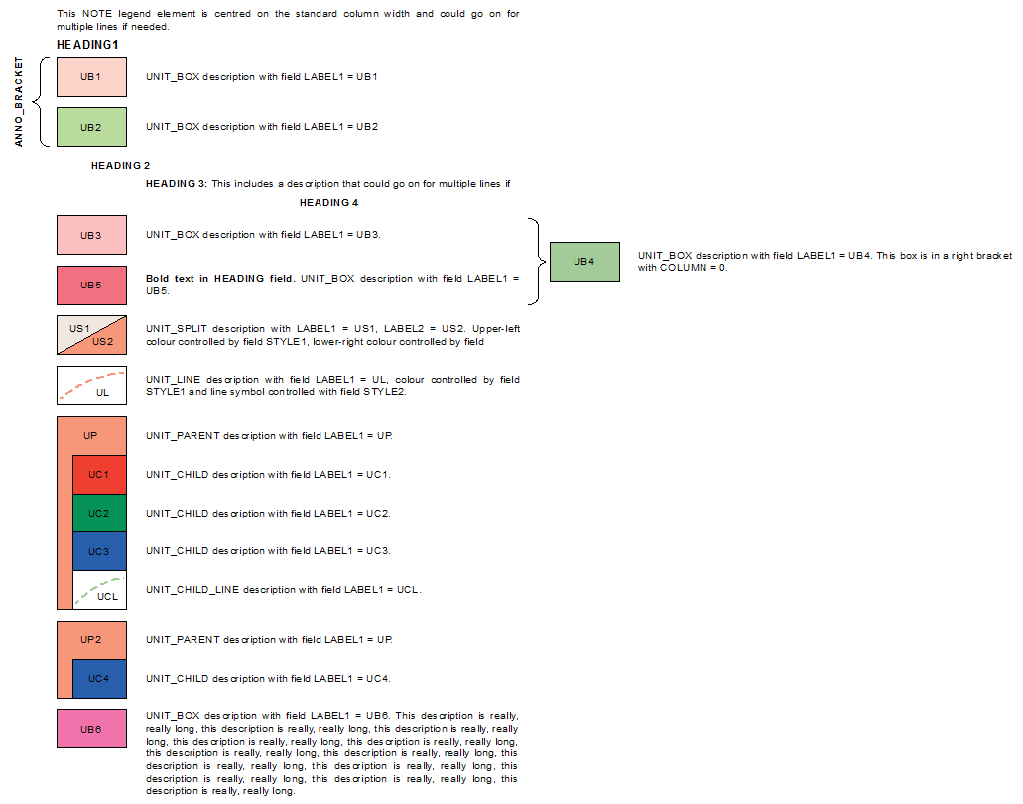
ELEMENT | STYLE1 | STYLE2 | LABEL1 | LABEL1STYLE | LABEL2 | LABEL2STYLE | HEADING | ELEMENT_ORDER | ELEMENT_COLUMN | DESCRIPTION
NOTE |  |  |  |  |  |  |  | 1 | 1 | This NOTE legend element is centred on the standard column width and could go on for multiple lines if needed.
HEADING1 |  |  |  |  |  |  | HEADING1 | 2 | 1
L_BRACKET_U |  |  |  |  |  |  |  | 3 | 1
ANNO_BRACKET |  |  | ANNO_BRACKET |  |  |  |  | 4 | 1
UNIT_BOX | 3.01.13.192 |  | UB1 |  |  |  |  | 5 | 1 | UNIT_BOX description with field LABEL1 = UB1
UNIT_BOX | 3.01.10.355 |  | UB2 |  |  |  |  | 6 | 1 | UNIT_BOX description with field LABEL1 = UB2
L_BRACKET_L |  |  |  |  |  |  |  | 7 | 1
HEADING2 |  |  |  |  |  |  | HEADING 2 | 8 | 1
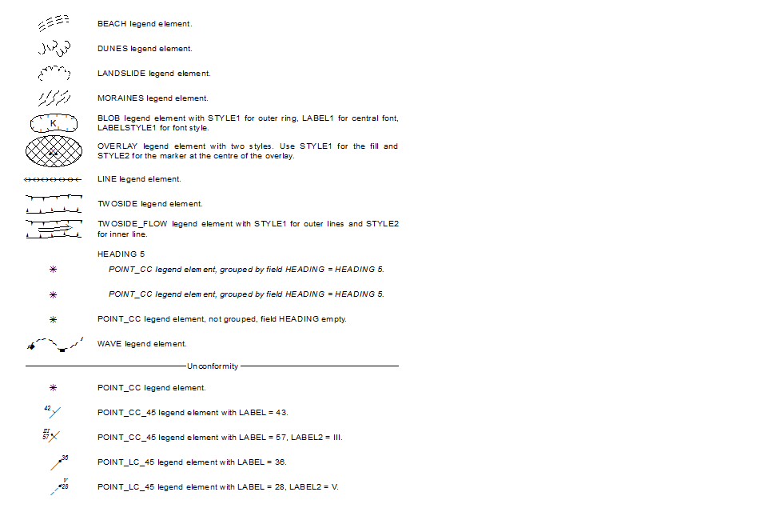
HEADING3 |  |  |  |  |  |  | HEADING 3: | 9 | 1 | This includes a description that could go on for multiple lines if needed. Heading 3 is left justified with the description portion of the column.
HEADING4 |  |  |  |  |  |  | HEADING 4 | 10 | 1
R_BRACKET_U |  |  |  |  |  |  |  | 11.1 | 1
UNIT_BOX | 3.01.13.183 |  | UB3 |  |  |  |  | 11.2 | 1 | UNIT_BOX description with field LABEL1 = UB3.
UNIT_BOX | 3.01.10.375 |  | UB4 |  |  |  |  | 12.1 | 0 | UNIT_BOX description with field LABEL1 = UB4. This box is in a right bracket with COLUMN = 0.
UNIT_BOX | 3.01.13.187 |  | UB5 |  |  |  |  | 12.2 | 1 | <BOL>Bold text in HEADING field.</BOL> UNIT_BOX description with field LABEL1 = UB5.
R_BRACKET_L |  |  |  |  |  |  |  | 13 | 1
UNIT_SPLIT | 2.04.01.101 | 2.04.01.205 | US1 |  | US2 |  |  | 14 | 1 | UNIT_SPLIT description with LABEL1 = US1, LABEL2 = US2. Upper-left colour controlled by field STYLE1, lower-right colour controlled by field STYLE2.
UNIT_LINE | 2.04.01.205 | 4.05.01.003 | UL |  |  |  |  | 15 | 1 | UNIT_LINE description with field LABEL1 = UL, colour controlled by field STYLE1 and line symbol controlled with field STYLE2.
UNIT_PARENT | 2.04.01.205 |  | UP |  |  |  |  | 16 | 1 | UNIT_PARENT description with field LABEL1 = UP.
UNIT_CHILD | 2.04.01.209 |  | UC1 |  |  |  |  | 17 | 1 | UNIT_CHILD description with field LABEL1 = UC1.
UNIT_CHILD | 2.04.01.409 |  | UC2 |  |  |  |  | 18 | 1 | UNIT_CHILD description with field LABEL1 = UC2.
UNIT_CHILD | 2.04.01.579 |  | UC3 |  |  |  |  | 19 | 1 | UNIT_CHILD description with field LABEL1 = UC3.
UNIT_CHILD_LINE | 2.04.01.375 | 4.05.01.003 | UCL |  |  |  |  | 20 | 1 | UNIT_CHILD_LINE description with field LABEL1 = UCL.
UNIT_PARENT | 2.04.01.205 |  | UP2 |  |  |  |  | 21 | 1 | UNIT_PARENT description with field LABEL1 = UP.
UNIT_CHILD | 2.04.01.579 |  | UC4 |  |  |  |  | 22 | 1 | UNIT_CHILD description with field LABEL1 = UC4.
UNIT_BOX | 2.04.01.677 |  | UB6 |  |  |  |  | 23 | 1 | UNIT_BOX description with field LABEL1 = UB6. This description is really, really long, this description is really, really long, this description is really, really long, this description is really, really long, this description is really, really long, this description is really, really long, this description is really, really long, this description is really, really long, this description is really, really long, this description is really, really long, this description is really, really long, this description is really, really long.
BEACH | 3.13.01.002 |  |  |  |  |  |  | 24 | 1 | BEACH legend element.
DUNES | 3.05.01.003 |  |  |  |  |  |  | 25 | 1 | DUNES legend element.
LANDSLIDE | 3.09.01.007 |  |  |  |  |  |  | 26 | 1 | LANDSLIDE legend element.
MORAINES | 3.06.01.012 |  |  |  |  |  |  | 27 | 1 | MORAINES legend element.
BLOB | 3.12.01.020 |  | 87 | 2.03.01.026 |  |  |  | 28 | 1 | BLOB legend element with STYLE1 for outer ring, LABEL1 for central font, LABELSTYLE1 for font style.
OVERLAY | 3.03.01.006 | 3.03.01.002 |  |  |  |  |  | 29 | 1 | OVERLAY legend element with two styles. Use STYLE1 for the fill and STYLE2 for the marker at the centre of the overlay.
LINE | 3.07.01.004 |  |  |  |  |  |  | 30 | 1 | LINE legend element.
TWOSIDE | 3.10.01.005 |  |  |  |  |  |  | 31 | 1 | TWOSIDE legend element.
TWOSIDE_FLOW | 3.10.01.005 | 3.10.01.010 |  |  |  |  |  | 32 | 1 | TWOSIDE_FLOW legend element with STYLE1 for outer lines and STYLE2 for inner line.
HEADING5 | 2.02.01.005 |  |  |  |  |  | HEADING 5 | 33 | 1
POINT_CC | 3.07.01.002 |  |  |  |  |  | HEADING 5 | 34 | 1 | POINT_CC legend element, grouped by field HEADING = HEADING 5.
POINT_CC | 3.07.01.002 |  |  |  |  |  | HEADING 5 | 35 | 1 | POINT_CC legend element, grouped by field HEADING = HEADING 5.
POINT_CC | 3.07.01.002 |  |  |  |  |  |  | 36 | 1 | POINT_CC legend element, not grouped, field HEADING empty.
WAVE | 4.03.02.003 |  |  |  |  |  |  | 37 | 1 | WAVE legend element.
BREAK |  |  | Label |  |  |  |  | 38 | 1 | BREAK legend element.
ANNO_BREAK |  |  | Unconformity |  |  |  |  | 39 | 1 | ANNO_BREAK legend element.
POINT_CC | 3.07.01.002 |  |  |  |  |  |  | 40 | 1 | POINT_CC legend element.
POINT_CC_45 | 4.14.01.002 |  | 42 | 2.03.01.004 |  |  |  | 41 | 1 | POINT_CC_45 legend element with LABEL = 43.
POINT_CC_45 | 4.14.01.009 |  | 57 | 2.03.01.004 | III | 2.03.01.023 |  | 42 | 1 | POINT_CC_45 legend element with LABEL = 57, LABEL2 = III.
POINT_LC_45 | 4.13.03.003 |  | 36 | 2.03.01.004 |  |  |  | 43 | 1 | POINT_LC_45 legend element with LABEL = 36.
POINT_LC_45 | 4.13.03.004 |  | 28 | 2.03.01.004 | V | 2.03.01.023 |  | 44 | 1 | POINT_LC_45 legend element with LABEL = 28, LABEL2 = V.

