REE Refining
Refining of REE |  | https://doi.org/10.1016/j.jclepro.2021.129932
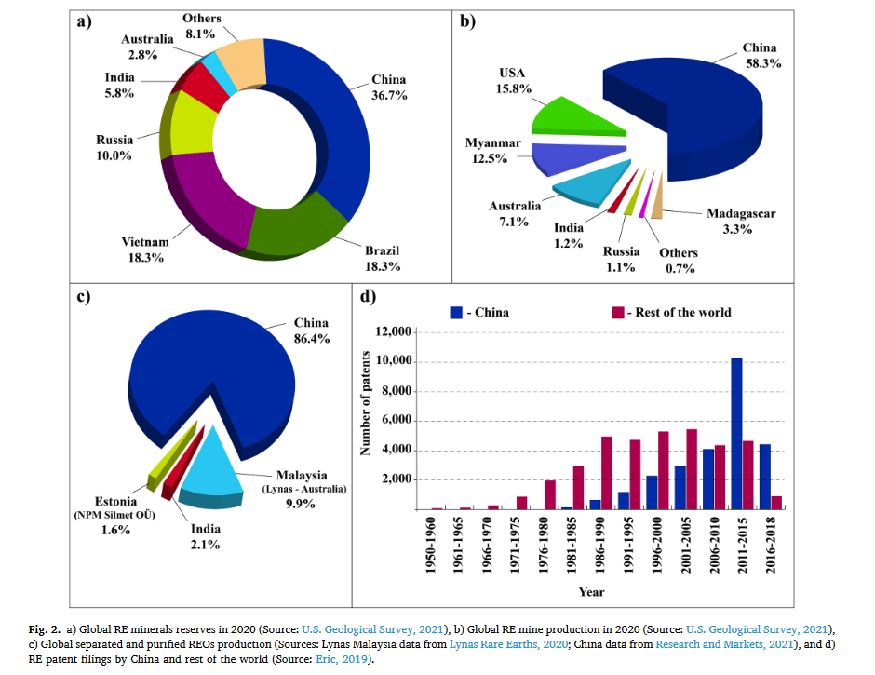
China | 0.864
Malaysia | 0.099
Estonia | 0.016
India | 0.021

