CdTe Capacity from eia
CdTe New Installs Capacity (MW) | Cummulative Capacity (MW) | Operating Year
3.7 | 3.7 | 2001
1.0 | 4.7 | 2008
10.0 | 14.7 | 2008
1.6 | 16.3 | 2009
21.0 | 37.3 | 2009
0.5 | 37.8 | 2009
0.5 | 38.3 | 2009
1.0 | 39.3 | 2009
2.0 | 41.3 | 2009
0.4 | 41.7 | 2009
1.5 | 43.2 | 2009
0.1 | 43.3 | 2009
13.9 | 57.2 | 2010
12.6 | 69.8 | 2010
10.0 | 79.8 | 2010
8.0 | 87.8 | 2010
10.0 | 97.8 | 2010
10.0 | 107.8 | 2010
10.0 | 117.8 | 2010
10.0 | 127.8 | 2010
30.6 | 158.4 | 2010
2.7 | 161.1 | 2010
0.5 | 161.6 | 2011
0.5 | 162.1 | 2011
20.2 | 182.3 | 2011
17.6 | 199.9 | 2011
2.0 | 201.9 | 2011
5.0 | 206.9 | 2011
5.0 | 211.9 | 2011
5.0 | 216.9 | 2011
5.0 | 221.9 | 2011
17.0 | 238.9 | 2011
2.9 | 241.8 | 2011
2.9 | 244.7 | 2011
1.0 | 245.7 | 2011
90.7 | 336.4 | 2012
136.0 | 472.4 | 2012
52.0 | 524.4 | 2012
110.0 | 634.4 | 2012
13.7 | 648.1 | 2012
30.0 | 678.1 | 2012
30.0 | 708.1 | 2012
34.0 | 742.1 | 2012
2.1 | 744.2 | 2012
101.0 | 845.2 | 2013
64.6 | 909.8 | 2013
0.5 | 910.3 | 2013
0.5 | 910.8 | 2013
0.5 | 911.3 | 2013
0.5 | 911.8 | 2013
66.0 | 977.8 | 2013
128.9 | 1,106.7 | 2013
2.0 | 1,108.7 | 2013
4.0 | 1,112.7 | 2013
25.0 | 1,137.7 | 2013
129.8 | 1,267.5 | 2013
151.2 | 1,418.7 | 2013
40.3 | 1,459.0 | 2013
30.2 | 1,489.2 | 2013
20.2 | 1,509.4 | 2013
40.3 | 1,549.7 | 2013
40.3 | 1,590.0 | 2013
30.2 | 1,620.2 | 2013
27.0 | 1,647.2 | 2013
147.4 | 1,794.6 | 2013
8.0 | 1,802.6 | 2013
8.4 | 1,811.0 | 2013
39.1 | 1,850.1 | 2013
22.7 | 1,872.8 | 2013
29.0 | 1,901.8 | 2013
25.2 | 1,927.0 | 2013
34.3 | 1,961.3 | 2014
121.0 | 2,082.3 | 2014
253.0 | 2,335.3 | 2014
102.1 | 2,437.4 | 2014
90.3 | 2,527.7 | 2014
112.5 | 2,640.2 | 2014
25.2 | 2,665.4 | 2014
25.2 | 2,690.6 | 2014
20.2 | 2,710.8 | 2014
18.9 | 2,729.7 | 2014
22.7 | 2,752.4 | 2014
39.1 | 2,791.5 | 2014
26.5 | 2,818.0 | 2014
13.9 | 2,831.9 | 2014
29.0 | 2,860.9 | 2014
25.2 | 2,886.1 | 2014
54.4 | 2,940.5 | 2014
54.4 | 2,994.9 | 2014
54.4 | 3,049.3 | 2014
19.0 | 3,068.3 | 2014
20.0 | 3,088.3 | 2014
20.0 | 3,108.3 | 2014
20.0 | 3,128.3 | 2014
55.0 | 3,183.3 | 2014
5.0 | 3,188.3 | 2014
5.0 | 3,193.3 | 2014
1.9 | 3,195.2 | 2014
5.0 | 3,200.2 | 2014
5.0 | 3,205.2 | 2014
5.0 | 3,210.2 | 2014
5.0 | 3,215.2 | 2014
5.0 | 3,220.2 | 2014
5.0 | 3,225.2 | 2014
5.0 | 3,230.2 | 2014
20.0 | 3,250.2 | 2014
5.0 | 3,255.2 | 2014
1.7 | 3,256.9 | 2014
6.1 | 3,263.0 | 2014
5.0 | 3,268.0 | 2014
5.0 | 3,273.0 | 2014
5.0 | 3,278.0 | 2014
30.0 | 3,308.0 | 2015
30.0 | 3,338.0 | 2015
31.4 | 3,369.4 | 2015
31.4 | 3,400.8 | 2015
26.9 | 3,427.7 | 2015
36.5 | 3,464.2 | 2015
20.0 | 3,484.2 | 2015
26.4 | 3,510.6 | 2015
27.9 | 3,538.5 | 2015
37.2 | 3,575.7 | 2015
75.9 | 3,651.6 | 2015
34.1 | 3,685.7 | 2015
30.2 | 3,715.9 | 2015
12.0 | 3,727.9 | 2015
20.0 | 3,747.9 | 2015
61.6 | 3,809.5 | 2015
16.6 | 3,826.1 | 2015
65.0 | 3,891.1 | 2015
15.0 | 3,906.1 | 2015
27.0 | 3,933.1 | 2015
12.0 | 3,945.1 | 2015
12.0 | 3,957.1 | 2015
5.0 | 3,962.1 | 2015
20.0 | 3,982.1 | 2015
5.0 | 3,987.1 | 2015
4.0 | 3,991.1 | 2015
9.1 | 4,000.2 | 2015
7.6 | 4,007.8 | 2015
45.0 | 4,052.8 | 2015
20.0 | 4,072.8 | 2015
30.0 | 4,102.8 | 2015
12.0 | 4,114.8 | 2015
3.0 | 4,117.8 | 2015
2.0 | 4,119.8 | 2015
4.9 | 4,124.7 | 2015
4.0 | 4,128.7 | 2015
4.0 | 4,132.7 | 2015
4.9 | 4,137.6 | 2015
5.0 | 4,142.6 | 2015
5.0 | 4,147.6 | 2015
5.0 | 4,152.6 | 2015
5.0 | 4,157.6 | 2015
5.0 | 4,162.6 | 2015
5.0 | 4,167.6 | 2015
5.0 | 4,172.6 | 2015
5.0 | 4,177.6 | 2015
5.0 | 4,182.6 | 2015
2.0 | 4,184.6 | 2015
1.6 | 4,186.2 | 2015
148.7 | 4,334.9 | 2016
250.0 | 4,584.9 | 2016
41.9 | 4,626.8 | 2016
21.0 | 4,647.8 | 2016
39.6 | 4,687.4 | 2016
41.9 | 4,729.3 | 2016
10.0 | 4,739.3 | 2016
35.7 | 4,775.0 | 2016
35.0 | 4,810.0 | 2016
36.6 | 4,846.6 | 2016
35.0 | 4,881.6 | 2016
26.3 | 4,907.9 | 2016
37.9 | 4,945.8 | 2016
37.9 | 4,983.7 | 2016
37.9 | 5,021.6 | 2016
37.9 | 5,059.5 | 2016
37.9 | 5,097.4 | 2016
20.0 | 5,117.4 | 2016
40.0 | 5,157.4 | 2016
20.0 | 5,177.4 | 2016
4.6 | 5,182.0 | 2016
5.0 | 5,187.0 | 2016
2.6 | 5,189.6 | 2016
20.0 | 5,209.6 | 2016
22.0 | 5,231.6 | 2016
104.0 | 5,335.6 | 2016
148.0 | 5,483.6 | 2016
4.9 | 5,488.5 | 2016
13.0 | 5,501.5 | 2016
20.0 | 5,521.5 | 2016
10.8 | 5,532.3 | 2016
7.8 | 5,540.1 | 2016
3.4 | 5,543.5 | 2016
1.0 | 5,544.5 | 2016
2.0 | 5,546.5 | 2016
52.5 | 5,599.0 | 2016
16.0 | 5,615.0 | 2016
8.0 | 5,623.0 | 2016
5.0 | 5,628.0 | 2016
5.0 | 5,633.0 | 2016
5.0 | 5,638.0 | 2016
1.0 | 5,639.0 | 2016
1.0 | 5,640.0 | 2016
1.0 | 5,641.0 | 2016
1.0 | 5,642.0 | 2016
1.0 | 5,643.0 | 2016
1.0 | 5,644.0 | 2016
1.0 | 5,645.0 | 2016
1.0 | 5,646.0 | 2016
1.0 | 5,647.0 | 2016
1.0 | 5,648.0 | 2016
1.0 | 5,649.0 | 2016
1.0 | 5,650.0 | 2016
1.0 | 5,651.0 | 2016
1.0 | 5,652.0 | 2016
1.0 | 5,653.0 | 2016
1.0 | 5,654.0 | 2016
1.0 | 5,655.0 | 2016
1.0 | 5,656.0 | 2016
1.0 | 5,657.0 | 2016
2.0 | 5,659.0 | 2016
5.0 | 5,664.0 | 2016
5.0 | 5,669.0 | 2016
5.0 | 5,674.0 | 2016
5.0 | 5,679.0 | 2016
5.0 | 5,684.0 | 2016
10.9 | 5,694.9 | 2016
19.8 | 5,714.7 | 2017
4.1 | 5,718.8 | 2017
5.0 | 5,723.8 | 2017
20.0 | 5,743.8 | 2017
30.0 | 5,773.8 | 2017
40.0 | 5,813.8 | 2017
50.0 | 5,863.8 | 2017
79.0 | 5,942.8 | 2017
130.0 | 6,072.8 | 2017
100.0 | 6,172.8 | 2017
3.0 | 6,175.8 | 2017
16.0 | 6,191.8 | 2017
54.6 | 6,246.4 | 2017
118.5 | 6,364.9 | 2017
20.0 | 6,384.9 | 2017
17.6 | 6,402.5 | 2017
10.6 | 6,413.1 | 2017
7.4 | 6,420.5 | 2017
1.0 | 6,421.5 | 2017
1.0 | 6,422.5 | 2017
1.0 | 6,423.5 | 2017
1.0 | 6,424.5 | 2017
1.0 | 6,425.5 | 2017
1.0 | 6,426.5 | 2017
1.0 | 6,427.5 | 2017
1.0 | 6,428.5 | 2017
1.0 | 6,429.5 | 2017
1.0 | 6,430.5 | 2017
1.0 | 6,431.5 | 2017
1.0 | 6,432.5 | 2017
1.0 | 6,433.5 | 2017
1.0 | 6,434.5 | 2017
1.0 | 6,435.5 | 2017
1.0 | 6,436.5 | 2017
1.0 | 6,437.5 | 2017
1.0 | 6,438.5 | 2017
1.0 | 6,439.5 | 2017
1.0 | 6,440.5 | 2017
1.0 | 6,441.5 | 2017
1.0 | 6,442.5 | 2017
1.0 | 6,443.5 | 2017
1.0 | 6,444.5 | 2017
1.0 | 6,445.5 | 2017
1.0 | 6,446.5 | 2017
1.0 | 6,447.5 | 2017
1.0 | 6,448.5 | 2017
1.0 | 6,449.5 | 2017
1.0 | 6,450.5 | 2017
1.0 | 6,451.5 | 2017
1.0 | 6,452.5 | 2017
1.0 | 6,453.5 | 2017
1.0 | 6,454.5 | 2017
1.0 | 6,455.5 | 2017
1.0 | 6,456.5 | 2017
1.0 | 6,457.5 | 2017
1.0 | 6,458.5 | 2017
1.0 | 6,459.5 | 2017
1.0 | 6,460.5 | 2017
1.0 | 6,461.5 | 2017
1.0 | 6,462.5 | 2017
1.0 | 6,463.5 | 2017
1.0 | 6,464.5 | 2017
1.0 | 6,465.5 | 2017
1.0 | 6,466.5 | 2017
1.0 | 6,467.5 | 2017
5.0 | 6,472.5 | 2017
3.5 | 6,476.0 | 2017
1.0 | 6,477.0 | 2017
1.0 | 6,478.0 | 2017
1.0 | 6,479.0 | 2017
5.0 | 6,484.0 | 2017
5.0 | 6,489.0 | 2017
16.0 | 6,505.0 | 2017
3.0 | 6,508.0 | 2017
5.0 | 6,513.0 | 2017
5.0 | 6,518.0 | 2017
6.9 | 6,524.9 | 2018
74.9 | 6,599.8 | 2018
154.0 | 6,753.8 | 2018
5.0 | 6,758.8 | 2018
53.0 | 6,811.8 | 2018
5.0 | 6,816.8 | 2018
19.8 | 6,836.6 | 2018
1.0 | 6,837.6 | 2018
1.0 | 6,838.6 | 2018
1.0 | 6,839.6 | 2018
1.0 | 6,840.6 | 2018
1.0 | 6,841.6 | 2018
1.0 | 6,842.6 | 2018
1.0 | 6,843.6 | 2018
1.0 | 6,844.6 | 2018
1.0 | 6,845.6 | 2018
1.0 | 6,846.6 | 2018
1.0 | 6,847.6 | 2018
1.0 | 6,848.6 | 2018
1.0 | 6,849.6 | 2018
1.0 | 6,850.6 | 2018
1.0 | 6,851.6 | 2018
1.0 | 6,852.6 | 2018
1.0 | 6,853.6 | 2018
1.0 | 6,854.6 | 2018
1.0 | 6,855.6 | 2018
1.0 | 6,856.6 | 2018
1.0 | 6,857.6 | 2018
1.0 | 6,858.6 | 2018
1.0 | 6,859.6 | 2018
1.0 | 6,860.6 | 2018
1.0 | 6,861.6 | 2018
1.0 | 6,862.6 | 2018
1.0 | 6,863.6 | 2018
252.3 | 7,115.9 | 2018
1.0 | 7,116.9 | 2018
1.0 | 7,117.9 | 2018
1.0 | 7,118.9 | 2018
1.0 | 7,119.9 | 2018
1.0 | 7,120.9 | 2018
15.0 | 7,135.9 | 2018
8.0 | 7,143.9 | 2018
6.1 | 7,150.0 | 2018
74.4 | 7,224.4 | 2018
70.3 | 7,294.7 | 2018
1.0 | 7,295.7 | 2018
1.0 | 7,296.7 | 2018
1.0 | 7,297.7 | 2018
1.0 | 7,298.7 | 2018
1.0 | 7,299.7 | 2018
14.7 | 7,314.4 | 2018
52.0 | 7,366.4 | 2018
3.7 | 7,370.1 | 2018
5.0 | 7,375.1 | 2018
4.4 | 7,379.5 | 2018
1.6 | 7,381.1 | 2018
0.1 | 7,381.2 | 2018
5.0 | 7,386.2 | 2018
4.8 | 7,391.0 | 2018
5.0 | 7,396.0 | 2018
14.7 | 7,410.7 | 2019
103.5 | 7,514.2 | 2019
20.0 | 7,534.2 | 2019
151.1 | 7,685.3 | 2019
45.9 | 7,731.2 | 2019
150.0 | 7,881.2 | 2019
49.0 | 7,930.2 | 2019
5.0 | 7,935.2 | 2019
5.0 | 7,940.2 | 2019
5.0 | 7,945.2 | 2019
90.0 | 8,035.2 | 2019
1.5 | 8,036.7 | 2019
5.0 | 8,041.7 | 2019
2.0 | 8,043.7 | 2019
1.0 | 8,044.7 | 2019
1.0 | 8,045.7 | 2019
37.5 | 8,083.2 | 2019
61.1 | 8,144.3 | 2019
49.5 | 8,193.8 | 2019
74.5 | 8,268.3 | 2019
55.4 | 8,323.7 | 2019
72.5 | 8,396.2 | 2019
1.0 | 8,397.2 | 2019
1.0 | 8,398.2 | 2019
1.0 | 8,399.2 | 2019
1.0 | 8,400.2 | 2019
1.0 | 8,401.2 | 2019
1.0 | 8,402.2 | 2019
1.0 | 8,403.2 | 2019
250.0 | 8,653.2 | 2019
5.0 | 8,658.2 | 2019
5.0 | 8,663.2 | 2019
111.2 | 8,774.4 | 2019
5.0 | 8,779.4 | 2019
5.0 | 8,784.4 | 2019
57.6 | 8,842.0 | 2019
5.0 | 8,847.0 | 2019
5.0 | 8,852.0 | 2019
3.0 | 8,855.0 | 2019
5.0 | 8,860.0 | 2019
1.6 | 8,861.6 | 2019
70.1 | 8,931.7 | 2019
75.0 | 9,006.7 | 2019
1.0 | 9,007.7 | 2019
1.0 | 9,008.7 | 2019
10.0 | 9,018.7 | 2019
2.0 | 9,020.7 | 2019
10.0 | 9,030.7 | 2019
79.9 | 9,110.6 | 2019
42.0 | 9,152.6 | 2019
1.0 | 9,153.6 | 2019
1.0 | 9,154.6 | 2019
1.0 | 9,155.6 | 2019
1.0 | 9,156.6 | 2019
2.0 | 9,158.6 | 2019
40.0 | 9,198.6 | 2020
4.0 | 9,202.6 | 2020
5.0 | 9,207.6 | 2020
5.0 | 9,212.6 | 2020
160.0 | 9,372.6 | 2020
74.8 | 9,447.4 | 2020
204.0 | 9,651.4 | 2020
74.9 | 9,726.3 | 2020
74.0 | 9,800.3 | 2020
86.0 | 9,886.3 | 2020
80.0 | 9,966.3 | 2020
74.5 | 10,040.8 | 2020
20.0 | 10,060.8 | 2020
50.0 | 10,110.8 | 2020
50.0 | 10,160.8 | 2020
58.0 | 10,218.8 | 2020
122.0 | 10,340.8 | 2020
74.5 | 10,415.3 | 2020
74.5 | 10,489.8 | 2020
300.0 | 10,789.8 | 2020
99.0 | 10,888.8 | 2020
100.0 | 10,988.8 | 2020
15.7 | 11,004.5 | 2020
20.0 | 11,024.5 | 2020
12.0 | 11,036.5 | 2020
19.7 | 11,056.2 | 2020
75.0 | 11,131.2 | 2020
120.0 | 11,251.2 | 2020
1.0 | 11,252.2 | 2020
1.0 | 11,253.2 | 2020
1.0 | 11,254.2 | 2020
1.0 | 11,255.2 | 2020
1.0 | 11,256.2 | 2020
1.0 | 11,257.2 | 2020
1.0 | 11,258.2 | 2020
2.0 | 11,260.2 | 2020
32.5 | 11,292.7 | 2020
57.5 | 11,350.2 | 2020
115.0 | 11,465.2 | 2020
16.8 | 11,482.0 | 2020
1.0 | 11,483.0 | 2020
2.8 | 11,485.8 | 2020
5.0 | 11,490.8 | 2020
5.0 | 11,495.8 | 2020
1.3 | 11,497.1 | 2020
1.0 | 11,498.1 | 2020
20.0 | 11,518.1 | 2020
4.9 | 11,523.0 | 2020
4.9 | 11,527.9 | 2020
12.0 | 11,539.9 | 2020
1.0 | 11,540.9 | 2020
5.0 | 11,545.9 | 2020
1.6 | 11,547.5 | 2020
1.6 | 11,549.1 | 2020
10.0 | 11,559.1 | 2020
70.0 | 11,629.1 | 2020
6.0 | 11,635.1 | 2020
5.0 | 11,640.1 | 2020
5.0 | 11,645.1 | 2020
3.0 | 11,648.1 | 2020
180.0 | 11,828.1 | 2021
15.7 | 11,843.8 | 2021
200.0 | 12,043.8 | 2021
20.0 | 12,063.8 | 2021
227.0 | 12,290.8 | 2021
83.0 | 12,373.8 | 2021
200.0 | 12,573.8 | 2021
80.0 | 12,653.8 | 2021
1.0 | 12,654.8 | 2021
1.0 | 12,655.8 | 2021
1.0 | 12,656.8 | 2021
1.0 | 12,657.8 | 2021
1.0 | 12,658.8 | 2021
1.0 | 12,659.8 | 2021
260.0 | 12,919.8 | 2021
141.0 | 13,060.8 | 2021
159.0 | 13,219.8 | 2021
180.0 | 13,399.8 | 2021
5.0 | 13,404.8 | 2021
150.0 | 13,554.8 | 2021
60.0 | 13,614.8 | 2021
74.9 | 13,689.7 | 2021
134.7 | 13,824.4 | 2021
127.0 | 13,951.4 | 2021
240.0 | 14,191.4 | 2021
20.0 | 14,211.4 | 2021
50.4 | 14,261.8 | 2021
70.1 | 14,331.9 | 2021
13.0 | 14,344.9 | 2021
20.0 | 14,364.9 | 2021
80.0 | 14,444.9 | 2021
68.0 | 14,512.9 | 2021
100.0 | 14,612.9 | 2021
1.6 | 14,614.5 | 2021
200.0 | 14,814.5 | 2021
250.0 | 15,064.5 | 2021
4.9 | 15,069.4 | 2021
2.4 | 15,071.8 | 2021
4.9 | 15,076.7 | 2021
74.5 | 15,151.2 | 2021
20.0 | 15,171.2 | 2021
27.4 | 15,198.6 | 2021
140.6 | 15,339.2 | 2021
107.0 | 15,446.2 | 2021
2.9 | 15,449.1 | 2021

CdTe timeline and data
Assumptions and sources:
US capacty (MW) and World capacity: from baselines/SupportingMaterial/output-RegionInstalls-alltech.csv
This data was collected from First Solar annual reports collection: https://investor.firstsolar.com/financials/annual-reports/default.aspx
I got the thickness of CdTe based on Matt Reese's comment, he told me it has been 3 um for commercial modules and still is. Moreover, the wafer thickness of Silicon in 2006 was 200 um (according to Wafer_thickness file from SupportingMaterial in PV ICE), 1% of that is 2 um, adding a micron of margin of error is 3 um. Checks out?
Notes from 2006 report:
From FS AR 2006: Relative to the entire solar energy industry, which had a worldwide installed capacity of 5GW, or 5,000MW, --> actual number with PV ICE baseline is 4694.28543
Beginning in 2007, we are required to increase the minimum average number of watts per module by approximately 5% annually between 2007 and 2009, and then by an additional 3% for modules delivered in 2012.
Raw materials, such as tempered back glass, TCO coated front glass, cadmium telluride, EVA laminate, connector assemblies and laminate edge seal.
Competitors: BP Solar, Evergreen Solar, Kyocera, Motech, Q-Cells, Renewable Energy Corporation, Sanyo, Schott Solar, Sharp, SolarWorld, Sunpower and Suntech. We also face competition from thin film solar module manufacturers, including Antec, Kaneka, Mitsubishi Heavy Industries, Shell Solar and United Solar.
90% of power output through first 10 years and at least 80% during the following 15 years
Notes from 2007 report:
20 types of raw materials and components to construct a complete solar module
nine are critical to our manufacturing process: TCO coated front glass, cadmium sulfide, cadmium telluride, photo resist, laminate, tempered back glass, cord plate/cord plate cap, lead wire (UL and TU ̈ V) and solar connectors
principal customers were Blitzstrom GmbH, Colexon Energy AG (previously Reinecke + Pohl), Conergy AG, Gehrlicher Umweltschonende Energiesysteme GmbH, Juwi Solar GmbH and Phoenix Solar AG
2007, 98.8% of our net sales were generated from customers headquartered in the European Union.
Efficiency not reported, I got the 2007 value by proportionally calculating it from the out put power that year (70MW) compared to 2006, which had 9% efficiency with a 64% output power and both modules had the same area.
Spain accounts for 1% of sales
sell almost all of our solar modules to solar project developers and system integrators headquartered in Germany, France and Spain
Notes from 2008 report:
single-junction polycrystalline thin film structure that uses cadmium telluride as the absorption layer and cadmium sulfide as the window layer.
one million solar modules, representing approximately 69MW
net sales was due primarily to a 148% increase in the MW volume of solar modules sold during 2008 compared with 2007 due to strong demand for our solar modules in Europe
increase in MW volume of solar modules sold is attributable to the full production ramp of our German plant, commencement of product shipments at the first two plants at our Malaysian manufacturing center and continued improvements to our manufacturing proces
Principal costumers : e Blitzstrom GmbH, Colexon Energy AG (previously Reinecke + Pohl), Conergy AG, Juwi Solar GmbH and Phoenix Solar AG. During 2008, each of these five customers individually accounted for between 11% and 19% of our net sales. All of our other customers individually accounted for less than 10% of our net sales during 2008.
94% of our net sales were generated from customers headquartered in the European Unionnet sale
Notes from 2009 report:
We produced over 1.1 gigawas (GW)—double our 2008 total—a
First Solar accounts for approximately 16% of the announced 8.6GW of U.S. ulity-scale solar PV and concentrated solar
Notes on recylcing from 2006 report:
photovoltaic system owner is responsible for disassembling the solar modules and packaging them in containers that we provide
we commit, at our expense, to remove the solar modules from the installation site at the end of their use and transport them to a processing center where the solar module materials and components will be recycled and the owner agrees not to dispose of the solar modules except through our program or another program that we approve.
Notes on recylcing from 2007 report:
End-users can return their solar modules to us at any time for collection and recycling at no cost. We pre-fund the estimated collection and recycling cost at the time of sale, assuming for this purpose a minimum service life of approximately 20 years for our solar modules
developed a recycling process for manufacturing scrap, warranty returns and end of life modules that produces glass suitable for the use in production of new glass products and extracts metals that will be further processed by a third party supplier to produce semiconductor materials for reuse in our solar modules
estimates on our experience collecting and recycling solar modules that do not pass our quality control tests and solar modules returned under our warranty and on our expectations about future developments in recycling technologies and processes and about economic conditions at the time the solar modules will be collected and recycled
$6.8 million in cash placed in restricted accounts to fund our solar module collection and recycling program in 2006
In 2005 $1.3 million to fund solr module collection and recycling program
Notes on recylcing from 2008 report:
Placed 15.5 million of cash in restricted accounts to fund the solar module collection and recycling program
Notes on recylcing from 2009 report:
Placed 15.5 million of cash in restricted accounts to fund the solar module collection and recycling program
Year | FS installed capacity in US (MW) | FS installed capacity global (MW) | Efficiency (%) | Power (W) | Module area (m2) | Module thickness (m) | Degradation rate (%) | CdTe thickness (um) | Lifetime (years) | Price (USD/W) | FS manufacturing capacity (MW) | Net sales (million USD) | Net income (million USD) | Cost of sales (million USD) | Gross profit (USD) | R&D Investment (million USD) | Accrued collection and recycling liabilities/recycling obligations (million USD) | Reference | Event
1995 |  |  | 10.6 |  | 0.64 |  |  |  |  |  |  |  |  |  |  |  |  | ANTEC, NREL Solar module efficiency table
1996 |  |  | 9.1 |  | 0.67 |  |  |  |  |  |  |  |  |  |  |  |  | Solar Cells, Inc., NREL Solar module efficiency table
1997 |  |  | 9.2 |  | 0.34 |  |  |  |  |  |  |  |  |  |  |  |  | Golden Photon, NREL Solar module efficiency table
1998
1999 |  |  | 10.5 |  | 0.14 |  |  |  |  |  |  |  |  |  |  |  |  | Matsushita, NREL Solar module efficiency table
2000 |  |  | 10.5 |  | 0.49 |  |  |  |  |  |  |  |  |  |  |  |  | BP Solarex, NREL Solar module efficiency table
2001 |  |  |  |  |  |  |  |  | 25 |  |  |  |  |  |  |  |  | First Solar
2002 |  |  |  |  |  | 0.088888888889 |  |  | 25 |  |  |  |  |  |  |  |  | First Solar | Pilot manufacturing line and start commercial operations
2003 |  |  | 7.0 | 49 |  |  |  | 3 | 25 |  |  | 3.21 | -28.043 | 11.495 | -8.285 | 3.841 |  | First Solar
2004 |  | 6.5 |  |  |  |  |  | 3 | 25 |  | 25 | 13.522 | -16771 | 18.851 | -5.329 | 1.24 |  | First Solar | Base plant
2005 |  | 21.4 |  |  |  |  |  | 3 | 25 |  |  | 48.063 | -6462 | 31.483 | 16.58 | 2.372 | 0.917 | First Solar | Implementation of end of life collection and recycling program for solr modules.
2006 | 0 | 60 | 9.0 | 64 | 0.72 |  | 1 | 3 | 25 | 2.39 | 50 | 134.974 | 3.974 | 80.73 | 54.244 | 6.361 | 3.724 | First Solar | Through 2002 to 2006 84 MW solar modules sold, all of our solar modules to six customers headquartered in Germany, they use 1% of the semiconductor material used to produce crystalline silicon
2007 | 0 | 206 | 9.7 | 70 | 0.72 |  | 1 | 3 | 25 | 2.48 | 233 | 503.976 | 158.354 | 252.573 | 251.403 | 15.107 | 13.079 | First Solar | New four line plant in Germany that increased their capacity to 308 MW
2008 | 10 | 504 | 10.1 | 73 | 0.72 |  | 1 | 3 | 25 | 0.98 |  | 1246.301 | 348.33 | 567.908 | 678.393 | 33.5 | 35.238
2009 | 51 | 1113 | 10.4 | 75 | 0.72 |  | 1 | 3 | 25 | 0.84 | 1228 | 2066 | 640 | 1021.618 | 1044.582 | 78.161 | 92.799
2010 | 1700 | 1412 | 10.6 | 76 | 0.72 |  | 0.8 | 3 | 25 | 0.75 | 1500 | 2564 | 664 | 1378.669 | 1184.864 | 94.797 | 132.951 | ASP Hangzhou, NREL Solar module efficiency table |  |  | Series 3
2011 |  |  | 12.8 |  | 0.67 |  |  | 2.2 |  |  |  |  |  |  |  |  |  | PrimeStar Solar, NREL Solar module efficiency table | 2.2 thickness |  | ANTEC thickness https://www.yumpu.com/en/document/read/1860074/cdte-solar-module-manufacturing-antec-solar
2012 |  |  | 15.3 |  | 0.68 |  |  | 2.2 |  |  |  |  |  |  |  |  |  | First Solar, NREL Solar module efficiency table
2013 |  |  | 16.1 |  | 0.72 |  |  | 2.2 |  |  |  |  |  |  |  |  |  | First Solar, NREL Solar module efficiency table
2014 |  |  | 17.5 |  | 0.70 |  | 0.3 | 2.2 |  |  |  |  |  |  |  |  |  | First Solar, NREL Solar module efficiency table
2015 |  |  | 18.2 |  | 0.70 |  | 0.3 | 2.2 |  |  |  |  |  |  |  |  |  | First Solar, NREL Solar module efficiency table
2016 |  |  |  |  |  |  | 0.3 | 2.2
2017 |  |  |  |  |  |  | 0.3 | 2.2
2018 |  |  |  |  |  |  | 0.3 | 2.2
2019 |  |  | 19.0 |  | 2.36 |  | 0.3 | 2.2 | 30 |  |  |  |  |  |  |  |  | First Solar, NREL Solar module efficiency table
2020 |  |  |  |  |  |  | 0.3 | 2.2 | 30
2021 |  |  |  |  |  |  | 0.3 | 2.2 | 30
2022 |  |  | 19.2 | 485 |  |  | 0.3 | 2.2 | 30
2023 |  |  | 19.3 | 540 | 2.76 |  | 0.3 | 2.2 | 30 |  |  |  |  |  |  |  |  | https://www.firstsolar.com/en/Products/Series-7
2024 |  |  |  |  |  |  |  | 2.2
2025 |  |  | 24.0 |  |  |  |  | 2.2 |  |  |  |  |  |  |  |  |  | Projection based on the Cadmium Telluride Accelerator Consortium | https://www.nrel.gov/pv/cadmium-telluride-photovoltaics-accelerator-consortium-solicitation.html
2026 |  |  |  |  |  |  |  | 2.2
2027 |  |  |  |  |  |  |  | 2.2
2028 |  |  |  |  |  |  |  | 2.2
2029 |  |  |  |  |  |  |  | 2.2
2030 |  |  |  |  |  |  |  | 2.2 |  |  |  |  |  |  |  |  |  | Projection based on the Cadmium Telluride Accelerator Consortium | https://www.nrel.gov/pv/cadmium-telluride-photovoltaics-accelerator-consortium-solicitation.html
2031 |  |  |  |  |  |  |  | 2.2
2032 |  |  |  |  |  |  |  | 2.2 |  |  |  |  |  |  |  |  |  | CdTe thickness | The data does not show how much CdTe there is in a commercial module
2033 |  |  |  |  |  |  |  | 2.2 |  |  |  |  |  |  |  |  |  |  | here it is mentioned between 3-7 um
2034 |  |  |  |  |  |  |  | 2.2 |  |  |  |  |  |  |  |  |  |  | Matt Reese told me is basically 3 um
2035 |  |  | 26.0 |  |  |  |  | 2.2 |  |  |  |  |  |  |  |  |  |  | Mark Hartel told me they use 12 g of CdTe per module
2036 |  |  |  |  |  |  |  | 2.2 |  |  |  |  |  |  |  |  |  |  | their modules are 0.72 m2
2037 |  |  |  |  |  |  |  | 2.2 |  |  |  |  |  |  |  |  |  |  | That checks out with my calculations
2038 |  |  |  |  |  |  |  | 2.2 |  |  |  |  |  |  |  |  |  |  | If there are | 17.55 | g CdTe/m2
2039 |  |  |  |  |  |  |  | 2.2 |  |  |  |  |  |  |  |  |  |  | a 0.72 m2 | 12.636 | g CdTe/m2 | Nice
2040 |  |  |  |  |  |  |  | 2.2 |  |  |  |  |  |  |  |  |  |  | I am going to assume a reduction of CdTe by 1 micron in 2025
2041 |  |  |  |  |  |  |  | 2.2
2042 |  |  |  |  |  |  |  | 2.2
2043 |  |  |  |  |  |  |  | 2.2
2044 |  |  |  |  |  |  |  | 2.2
2045 |  |  |  |  |  |  |  | 2.2
2046 |  |  |  |  |  |  |  | 2.2
2047 |  |  |  |  |  |  |  | 2.2
2048 |  |  |  |  |  |  |  | 2.2
2049 |  |  |  |  |  |  |  | 2.2
2050 |  |  | 26.5 |  |  |  |  | 2.2

Cadmium info
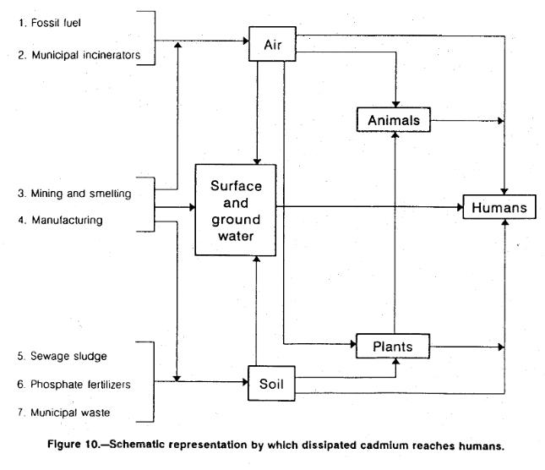
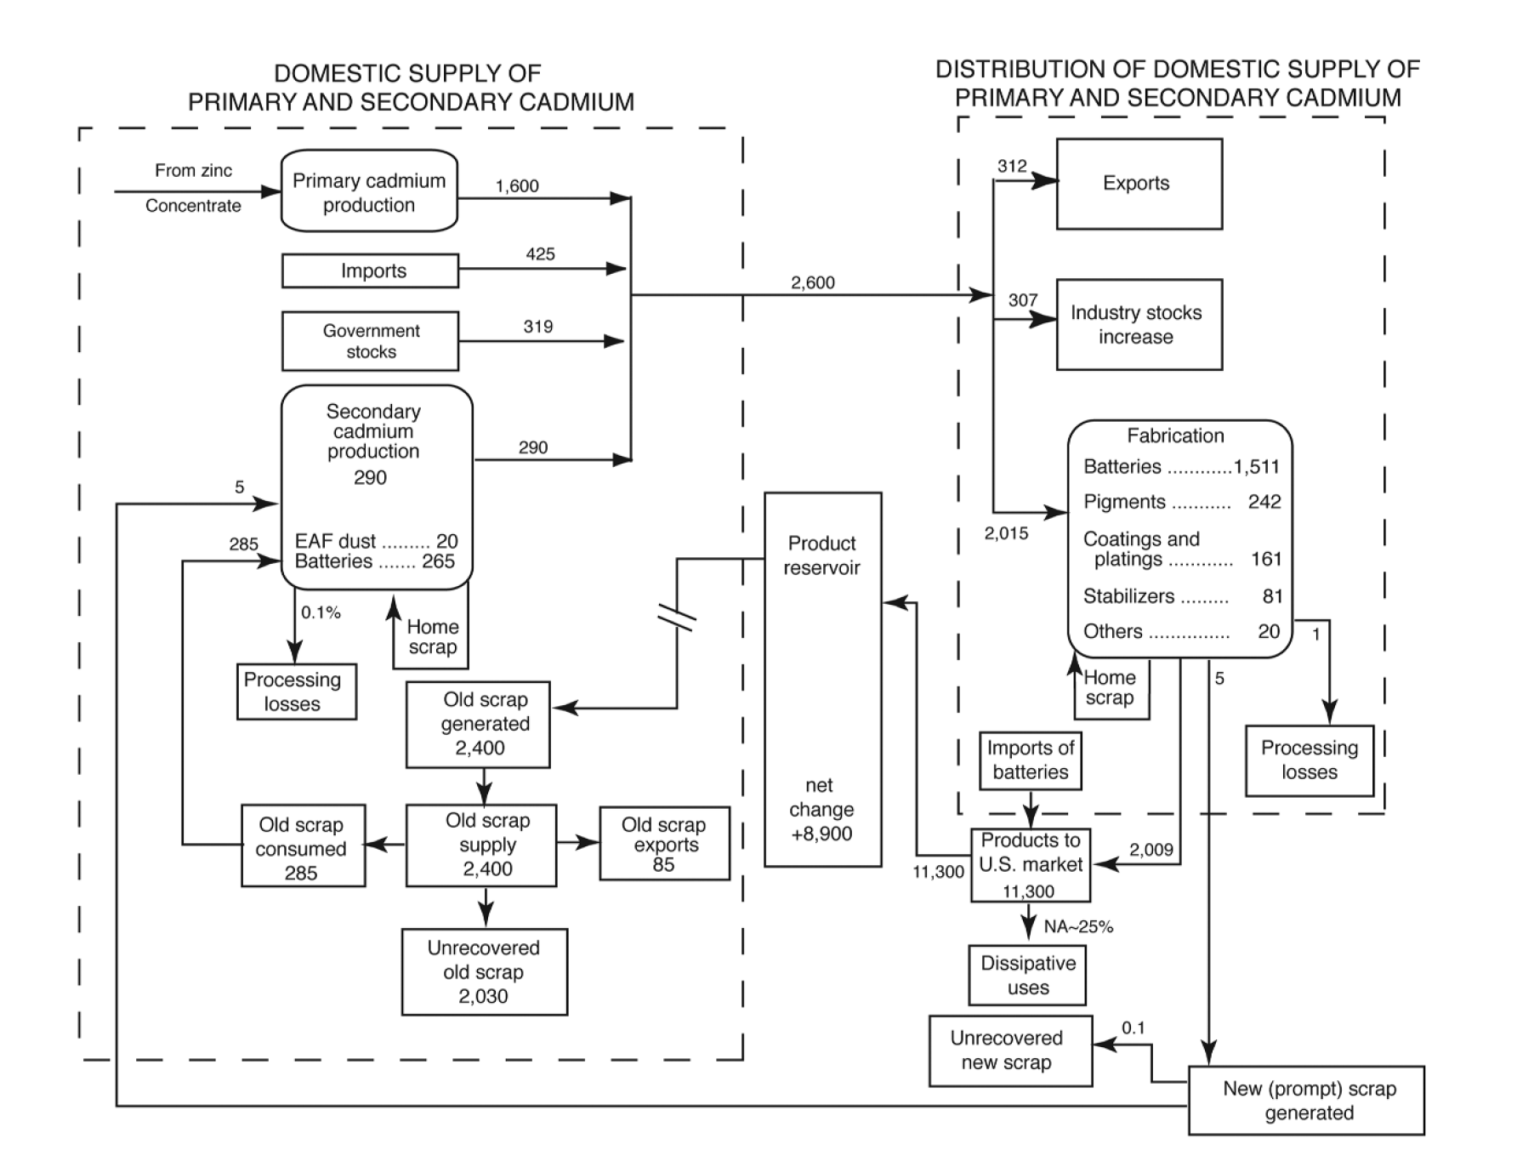
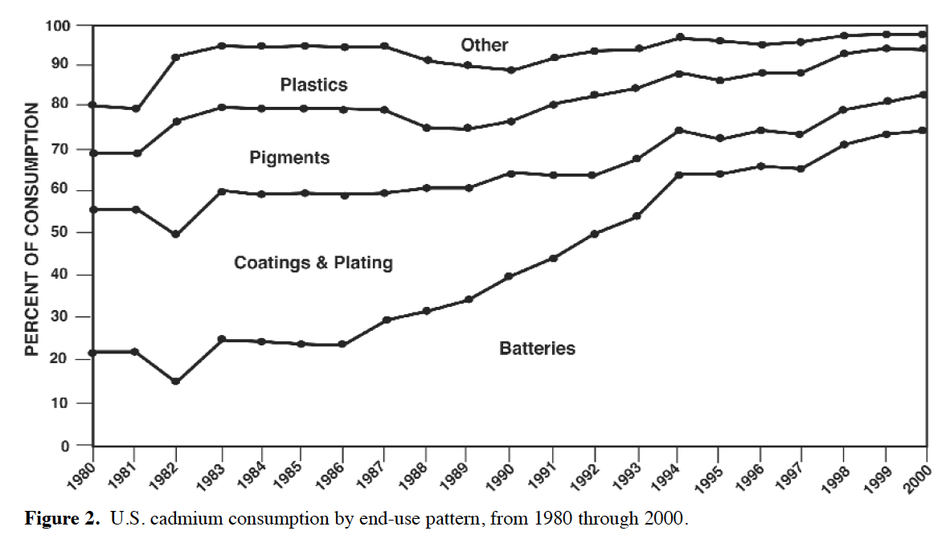
Quick facts |  |  |  |  |  |  |  |  |  |  |  |  |  |  |  |  |  |  |  | Cadmium substitutes
Soft, malleable, ductile, bluish-white metal |  |  |  |  |  |  |  |  |  |  |  |  |  |  |  |  |  |  |  | NiCd batteries | Li-ion batteries (except where surface characteristics of coting are critical, e.g. fasteners for aircraft) |  |  |  |  |  |  |  |  |  |  |  |  |  |  |  | Cadmium material flows |  | 1994
Large percentage of global cadmium metal production takes place in Asia |  |  |  |  |  |  |  |  |  |  |  |  |  |  |  |  |  |  |  | Cd plating | zinc cating, zinc nickel or vapor depositied Al |  |  |  |  |  |  |  |  |  |  |  |  |  |  |  | Conventional sources
Recovered as a byproduct from zinc concentrates, Ni-Cd batteries, alloys and electric arc furnace. |  |  |  |  |  |  |  |  |  |  |  |  |  |  |  |  |  |  |  | Cd pigmentsd | Cerium sulfide (mostly in plastics) |  |  |  |  |  |  |  |  |  |  |  |  |  |  |  | Feed material for Cd production connsists of fume and dust, collected as flue dust in baghouses during the pyrometallurgical processing of zinc ad of residues form electrolytic zinc production
Zinc-to-cadmium ratios 200:1 to 400:1 |  |  |  |  |  |  |  |  |  |  |  |  |  |  |  |  |  |  |  | Barium-cadmium stabilizers in flexible PVC applications. | Barium-zinc or calcium-zinc stabilizers |  |  |  |  |  |  |  |  |  |  |  |  |  |  |  | Smleter residues from which Cd is revcovered may be stockpiled in time of low demand or low prices to be recovered later
Recycling practical only for nickel-cadmium batteries, some alloys and dust from electric arc furnaces operated in the steel industry. Not know how much is recycled. |  |  |  |  |  |  |  |  |  |  |  |  | Pound to kg | 0.453592 |  |  |  |  |  | CdTe | Amorphous silicon and copper-indium-gallium-selenide photovoltaic and perovskites are potential substitutes once mature enough |  |  |  |  |  |  |  |  |  |  |  |  |  |  |  | Other sources: dust generated by electric arc furnaces (EAF). EAF produces 550k tonnes per year of residue and is collecgted in baghouses. Of that, 275 tonnes are cadmium
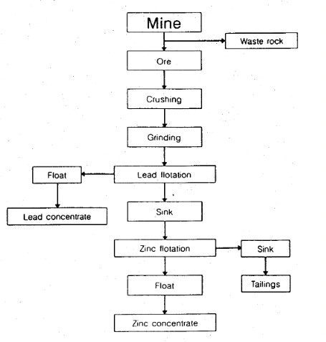
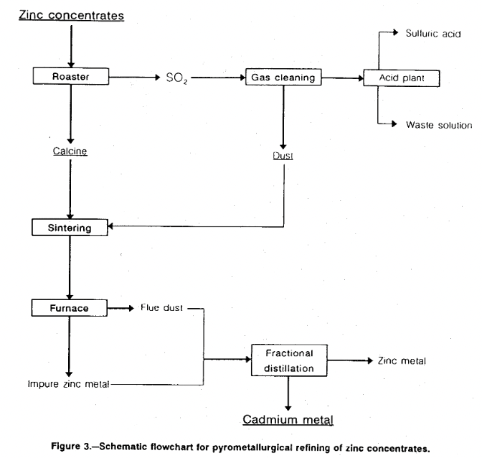
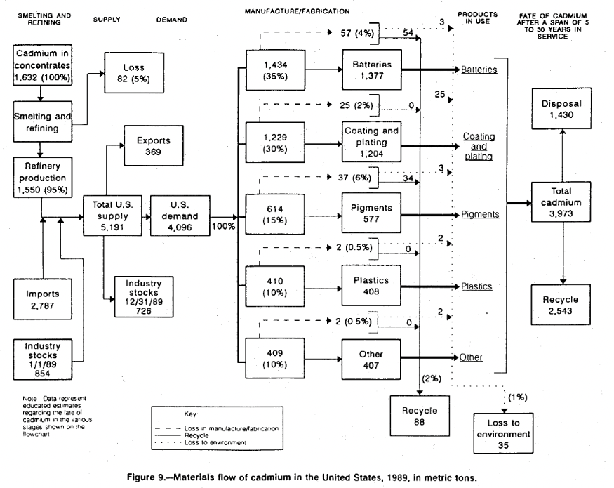
Estimated world resources of cadmium were about 6 million tons based on zinc resources containing about 0.3% Cd.
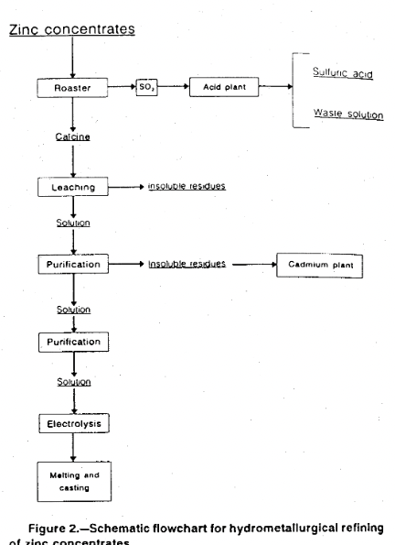
Total global reserves of zinc are estimated to be some 250 million metric tons therefore there must be 73 million metric tons of cadmium.
Sphalerite is the most economically significat zinc ore mineral
Zinc-bearing coals of the Central United States and Carboniferous age coals of other countries also contain large subeconomic resources of cadmium.
CdTe recycling is referred for the first time in USGS on the 2020 year report
In 202 new technology for Cd based optical lattice clocks
In 2022 report it is mentioned the CdTe Photovoltaics (PV) Accelerator program intended to enhance efficiencies above 26% and decrease price below 0.15 before 2030

All data in metric tones of cadmium unless otherwise noted

Primary industry consumers of cadmium: | Column1 | 1991 | 1992 | 1993 | 1994 | 1995 | 1996 | 1997 | 1998 | 1999 | 2000 | 2001 | 2002 | 2003 | 2004 | 2005 | 2006 | 2007 | 2008 | 2009 | 2010 | 2011 | 2012 | 2013 | 2014 | 2015 | 2016 | 2017 | 2018 | 2019 | 2020 | 2021 | 2022
*Solar starts showing in the records | Rechargeable nickel cadmium batteries |  |  |  |  | 65% | 67% | 69% | 69% | 72% | 75% | 75% | 75% | 78% | 78% | 81% | 82% | 83% | 83% | *** | *** | >80% | >80% | >80% | >80% | >80% | >80% | >80% | >80% | >80% | >80%
**Part of other, % not known | Pigments |  |  |  |  | 14% | 14% | 13% | 13% | 13% | 13% | 12% | 12% | 13% | 12% | 10% | 9% | 8% | 8% | *** | *** | *** | *** | *** | *** | *** | *** | *** | *** | *** | ***
***Not disclosed but majority is for NiCd batteries | Coatings and platings |  |  |  |  | 9% | 8% | 8% | 8% | 8% | 7% | 8% | 8% | 8% | 8% | 7% | 7% | 7% | 7% | *** | *** | *** | *** | *** | *** | *** | *** | *** | *** | *** | ***
 | Stabilizers for engineering plastics and similar synthetic products |  |  |  |  | 9% | 8% | 7% | 7% | 6% | 4% | 4% | 4% | 2% | 2% | 2% | 1% | 1% | 1% | *** | *** | *** | *** | *** | *** | *** | *** | *** | *** | *** | ***
 | Other, including electro-optics and nonferrous alloys |  |  |  |  | 3% | 2% | 3% | 3% | 1% | 1% | 1% | 1% | 1% | 1% | 1% | 8% | 0.08* | 0.08% | *** | *** | *** | *** | *** | *** | *** | *** | *** | *** | *** | ***
 | Photovoltaics |  |  |  |  | 0% | 0% | 0% | 0% | 0% | 0% | 0% | 0% | 0% | 0% | 0% | 0% | ** | ** | *** | *** | *** | *** | *** | *** | *** | *** | *** | *** | *** | ***

Import sources | Country | 1991-1994 | Column2 | Column3 | Column4 | 1995 | 1996 | 1997 | 1998 | 1999 | 2000 | 2001 | 2002 | 2003 | 2004 | 2005 | 2006 | 2007 | 2008 | 2009 | 2010 | 2011 | 2012 | 2013 | 2014 | 2015 | 2016 | 2017 | 2018 | 2019 | 2020 | 2021 | 2022
0% quantities it is assumed to be inside the "Other" category | Canada | 39% |  |  |  | 42% | 45% | 63% | 63% | 59% | 56% | 49% | 39% | 24% | 18% | 12% | 20% | 20% | 1% | 18% | 0% | 17% | 14% | 25% | 40% | 47% | 50% | 36% | 21% | 17% | 0% |  |  |  |  |  | From the zinc concentrate 90 to 98 % of the cd present is recovered in mining and beneficiating
 | Mexico | 14% |  |  |  | 12% | 13% | 3% | 3% | 0% | 0% | 0% | 0% | 0% | 0% | 46% | 0% | 0% | 27% | 32% | 38% | 19% | 19% | 14% | 10% | 7% | 7% | 0% | 0% | 0% | 0% |  |  |  |  |  | About 95% of Cd content of zinc lead and copper concentrates is recovered in the smelting and refining process stages
 | Belgium | 12% |  |  |  | 15% | 12% | 15% | 15% | 12% | 10% | 16% | 23% | 30% | 29% | 8% | 10% | 0% | 0% | 0% | 0% | 0% | 0% | 0% | 0% | 0% | 0% | 10% | 0% | 0% | 0% |  |  |  |  |  | Commercial grade Cd have 99.95% to 99.96% minimum purity
 | Germany | 8% |  |  |  | 7% | 7% | 0% | 0% | 9% | 0% | 6% | 0% | 0% | 0% | 0% | 0% | 0% | 0% | 0% | 11% | 12% | 11% | 0% | 0% | 0% | 0% | 0% | 0% | 13% | 19% |  |  |  |  |  | Semiconductor grade Cd purity is 99.9999% |  |  |  |  |  |  |  |  |  |  | From here, 4% is lost in manufacturing, and of that, 1% is lost in battery manufacturing. Could we assume the same numbers?
 | Other | 27% |  |  |  | 24% | 23% | 2% | 2% | 14% | 20% | 9% | 9% | 10% | 6% | 3% | 15% | 20% | 19% | 18% | 20% | 28% | 32% | 30% | 22% | 14% | 11% | 19% | 22% | 28% | 21% |  |  |  |  |  | Cd shapes: slabs, ingots and sticks for alloys, pigments and cadmium oxide production. Balls and sheets are used for plating |  |  |  |  |  |  |  |  |  |  | Mng efficiency: 96% |  | 96.0251046 | 0.96025104603
 | Australia | 0% |  |  |  | 0% | 0% | 17% | 17% | 6% | 14% | 20% | 29% | 36% | 47% | 31% | 46% | 41% | 31% | 25% | 17% | 24% | 24% | 20% | 17% | 14% | 14% | 21% | 22% | 23% | 29% |  |  |  |  |  | About 3kg of Cd is produced for every ton of zinc. |  |  |  |  |  |  |  |  |  |  | Refining efficiency |  | 95% |  |  |  |  |  |  |  |  |  | Schematic from 2000
 | Peru | 0% |  |  |  | 0% | 0% | 0% | 0% | 0% | 0% | 0% | 0% | 0% | 0% | 0% | 9% | 9% | 9% | 7% | 0% | 0% | 0% | 0% | 0% | 0% | 0% | 0% | 10% | 0% | 11% |  |  |  |  |  | EoL Cd | 3973
 | China | 0% |  |  |  | 0% | 0% | 0% | 0% | 0% | 0% | 0% | 0% | 0% | 0% | 0% | 0% | 10% | 0% | 0% | 0% | 0% | 0% | 11% | 11% | 18% | 18% | 14% | 25% | 19% | 20% |  |  |  |  |  | Landfill | 1430 | 0.35992952429
 |  |  |  |  |  |  |  |  |  |  |  |  |  |  |  |  |  |  |  |  |  |  |  |  |  |  |  |  |  |  |  |  |  |  |  |  |  |  |  |  |  |  |  |  |  |  |  |  |  |  |  |  |  |  |  |  |  |  |  | secondary CdProduction (EAF dust and batteries) have 0.1% processing losses, can we assume then that we have a recycling efficicency of 99%?
 |  |  |  |  |  |  |  |  |  |  |  |  |  |  |  |  |  |  |  |  |  |  |  |  |  |  |  |  |  |  |  |  |  |  |  |  | Recycle | 2543 | 0.64007047571
USA Salient Statistics | Column1 | 1991 | 1992 | 1993 | 1994 | 1995 | 1996 | 1997 | 1998 | 1999 | 2000 | 2001 | 2002 | 2003 | 2004 | 2005 | 2006 | 2007 | 2008 | 2009 | 2010 | 2011 | 2012 | 2013 | 2014 | 2015 | 2016 | 2017 | 2018 | 2019 | 2020 | 2021e | 2022 |  |  |  | Material virgin efficiency (mining + purifying) |  |  |  | 89.3 |  |  |  |  |  |  |  |  |  |  |  |  |  |  |  |  |  |  | Fabrication assume 1 tonne of lossesper type of fabrication with a total of 2015 tonnes
*$/kg | Production, refinery USA (tonne) | 1680 | 1620 | 1090 | 1010 | 1270 | 1530 | 2,060 | 1880 | 1190 | 1890 | 680 | 700 | 670 | 550 | 1070 | 700 | 735 | 777 | 633 | 637 | W | W | W | W | W | W | W | W | W | W | W |  |  |  |  |  |  |  |  |  |  |  |  |  |  |  |  |  |  |  |  |  |  |  |  |  |  |  |  | Can we assume | 0.99702233251 | manufactuering efficiency then?
** From here it mesures net import reliance as % of apparent consumption | Imports for consumption, metal (tonne) | 2,040 | 1,960 | 1,420 | 1,110 | 848 | 843 | 790 | 620 | 294 | 425 | 107 | 25 | 18 | 365 | 495 | 359 | 631 | 350 | 239 | 437 | 412 | 192 | 388 | 139 | 326 | 292 | 454 | 615 | 599 | 444 | 381 |  |  |  |  |  |  |  |  |  |  |  |  |  |  |  |  |  |  |  |  |  |  |  |  |  |  |  |  | 5 tonnes is scrap | 0.0024813895782 | 1 tonne is lsot | 0.00049627791563
W Withheld to avoid disclosing company proprietary data. | Exports of metal, alloys, and scrap (tonne) | 448 | 213 | 38 | 1450 | 1050 | 201 | 554 | 606 | 20 | 312 | 272 | 194 | 558 | 176 | 686 | 501 | 694 | 716 | 937 | 346 | 334 | 631 | 417 | 290 | 596 | 540 | 1045 | 705 | 917 | 2673 | 940 |  |  |  |  | The amount of cadmium in scrap that was unrecovered in 2000 was estimated to be 2,030 metric tons, and an estimated 285 tons was recovered. Recycling efficiency was estimated to be about 15 percent. |  |  |  |  |  |  |  |  |  |  |  |  |  |  |  |  |  |  |  |  |  |  |  | 0.1 tonnes of that is unrecovered new scrap
E Net exporter | Consumption, apparent (tonne) | 3,080 | 3,330 | 2,940 | 1,020 | 1,600 | 2,250 | 2,510 | 2,350 | 1,300 | 2,010 | 679 | 561 | 1,020 | 1,840 | 699 | 561 | 585 | 528 | 199 | 477 | W | W | W | W | W | W | W | W | W | W | W |  |  |  |  |  |  |  |  |  |  |  |  |  |  |  |  |  |  |  |  |  |  |  |  |  |  |  |  | Calculated recycling rate for cadmium in US was 13% in 1998
e estimates | Average price per pound | 4.43 | 2.01 | 0.99 | 2.49 | 4.06 | 2.73 | 1.12 | 0.62 | 0.31 | 0.35 | 0.50 | 0.64 | 1.31 | 1.20 | 3.30 | 2.98 | 7.61 | 5.93 | 2.87 | 3.90 | 2.76 | 2.03 | 1.92 | 1.94 | 1.47 | 1.34 | 1.75 | 2.89 | 2.67 | 2.29 | 2.49 |  |  |  |  |  |  |  |  |  |  |  |  |  |  |  |  |  |  |  |  |  |  |  |  |  |  |  |  | Estimated 15% recycling effcicency
 | Net import reliance | 46 | 51 | 63 | 1 | 21 | 32 | 19 | 38 | 9 | 6 | E | 2 | E | 13 | E | E | E | E | E | E | E | E | <25%** | <25% | E | <25% | <25% | <50% | <50% | <50%
 |  |  |  |  |  |  |  |  |  |  |  |  |  |  |  |  |  |  |  |  |  |  |  |  |  |  |  |  |  |  |  |  |  |  |  |  |  |  |  |  |  |  |  |  |  |  |  |  |  |  |  |  |  |  |  |  |  |  |  | NiCd batteries are recycled using potassium hydroxide electrolyte by INMETCO
 |  |  |  |  |  |  |  |  |  |  |  |  |  |  |  |  |  |  |  |  |  |  |  |  |  |  |  |  |  |  |  |  |  |  |  |  |  |  |  |  |  |  |  |  |  |  |  |  |  |  |  |  |  |  |  |  |  |  |  |  | 5N is the typical purity for cdete
Refinery production | Column1 | 1994 | Column2 | 1995 | Column3 | 1996 | Column4 | 1997 | Column5 | 1998 | Column6 | 1999 | Column7 | 2000 | Column8 | 2001 | Column9 | 2002 | Column10 | 2003 | Column11 | 2004 | Column12 | 2005 | Column13 | 2006 | Column14 | 2007 | Column15 | 2008 | Column16 | 2009 | Column17 | 2010 | Column18 | 2011 | Column19 | 2012 | Column20 | 2013 | Column21 | 2014 | Column22 | 2015 | Column23 | 2016 | Column24 | 2017 | Column25 | 2018 | Column26 | 2019 | Column27 | 2020 | Column28 | 2021 | Column29 | 2022 | Column30
W Witheld |  | tonnes | % | tonnes | % | tonnes | % | tonnes | % | tonnes | % | tonnes | % | tonnes | % | tonnes | % | tonnes | % | tonnes | % | tonnes | % | tonnes | % | tonnes | % | tonnes | % | tonnes | % | tonnes | % | tonnes | % | tonnes | % | tonnes | % | tonnes | % | tonnes | % | tonnes | % | tonnes | % | tonnes | % | tonnes | % | tonnes | % | tonnes | % | tonnes | % | tonnes | % | INMETCO’s recycling process is about 50-percent more energy efficient and more environmentally beneficial than metal production from virgin ore (Money and Griffin, 2000, p. B76). |  |  |  |  | Could not find that reference
0 values mean that they are included in "other" | United States | 1010 | 6% | 1270 | 7% | 1530 | 8% | 2060 | 10% | 1880 | 10% | 1190 | 6% | 1890 | 10% | 680 | 4% | 700 | 4% | 670 | 4% | 550 | 3% | 1070 | 6% | 700 | 4% | 735 | 4% | 777 | 4% | 633 | 3% | 637 | 3% | W | #VALUE! | W | #VALUE! | W | #VALUE! | W | #VALUE! | W | #VALUE! | W | #VALUE! | W | #VALUE! | W | #VALUE! | W | #VALUE!
 | Australia | 910 | 5% | 842 | 5% | 682 | 4% | 632 | 3% | 600 | 3% | 600 | 3% | 552 | 3% | 378 | 2% | 350 | 2% | 350 | 2% | 350 | 2% | 8 | 0% | 400 | 2% | 350 | 2% | 330 | 2% | 370 | 2% | 350 | 2% | 390 | 2% | 380 | 2% | 380 | 2% | 350 | 2% | 380 | 2% | 0 | 0% | 0 | 0% | 0 | 0% | 0 | 0%
 | Belgium | 1560 | 9% | 1710 | 9% | 1580 | 8% | 1600 | 8% | 1320 | 7% | 1400 | 7% | 1400 | 7% | 1240 | 7% | 117 | 1% | 120 | 1% | 120 | 1% | 0 | 0% | 0 | 0% | 0 | 0% | 0 | 0% | 0 | 0% | 0 | 0% | 0 | 0% | 400 | 2% | 0 | 0% | 0 | 0% | 0 | 0% | 0 | 0% | 0 | 0% | 0 | 0% | 0 | 0%
 | Bulgaria | 0 | 0% | 0 | 0% | 0 | 0% | 0 | 0% | 0 | 0% | 0 | 0% | 0 | 0% | 0 | 0% | 0 | 0% | 0 | 0% | 0 | 0% | 0 | 0% | 0 | 0% | 0 | 0% | 0 | 0% | 0 | 0% | 0 | 0% | 0 | 0% | 0 | 0% | 400 | 2% | 350 | 2% | 360 | 2% | 2,310 | 10% | 0 | 0% | 0 | 0% | 0 | 0%
 | Canada | 2130 | 12% | 2360 | 13% | 2540 | 13% | 2380 | 12% | 2310 | 12% | 1390 | 7% | 1390 | 7% | 1180 | 6% | 896 | 5% | 1400 | 8% | 1888 | 10% | 1703 | 9% | 1710 | 9% | 2,100 | 10% | 1,300 | 7% | 1,300 | 7% | 1,300 | 6% | 1,770 | 8% | 1,400 | 6% | 1,400 | 6% | 1,310 | 6% | 1,160 | 5% | 8,200 | 34% | 1,800 | 7% | 1,680 | 7% | 1,803 | 7%
 | China | 0 | 0% | 0 | 0% | 0 | 0% | 1600 | 8% | 2000 | 10% | 2200 | 12% | 2200 | 11% | 2400 | 13% | 2500 | 15% | 2500 | 15% | 2800 | 15% | 3000 | 16% | 3000 | 16% | 4,000 | 20% | 4,300 | 22% | 4,300 | 23% | 7,200 | 33% | 7,000 | 32% | 7,000 | 32% | 7,000 | 32% | 7,000 | 31% | 7,600 | 33% | 0 | 0% | 8,200 | 32% | 8,200 | 33% | 8,200 | 34%
 | Germany | 1120 | 6% | 1150 | 6% | 1150 | 6% | 1140 | 6% | 1150 | 6% | 1100 | 6% | 1000 | 5% | 1100 | 6% | 422 | 3% | 450 | 3% | 640 | 3% | 640 | 3% | 640 | 3% | 640 | 3% | 400 | 2% | 400 | 2% | 400 | 2% | 300 | 1% | 0 | 0% | 0 | 0% | 0 | 0% | 0 | 0% | 0 | 0% | 0 | 0% | 0 | 0% | 0 | 0%
 | India | 0 | 0% | 0 | 0% | 0 | 0% | 0 | 0% | 0 | 0% | 0 | 0% | 0 | 0% | 0 | 0% | 450 | 3% | 480 | 3% | 489 | 3% | 417 | 2% | 450 | 2% | 580 | 3% | 599 | 3% | 610 | 3% | 620 | 3% | 630 | 3% | 450 | 2% | 450 | 2% | 380 | 2% | 0 | 0% | 0 | 0% | 0 | 0% | 0 | 0% | 0 | 0%
 | Japan | 2630 | 15% | 2652 | 14% | 2340 | 12% | 2460 | 12% | 2340 | 12% | 2600 | 14% | 2472 | 13% | 2490 | 14% | 2500 | 15% | 2500 | 15% | 2233 | 12% | 2297 | 12% | 2290 | 12% | 1,930 | 9% | 2,120 | 11% | 1,820 | 10% | 2,050 | 9% | 1,760 | 8% | 1,830 | 8% | 1,830 | 8% | 1,830 | 8% | 1,960 | 8% | 1,990 | 8% | 2,140 | 8% | 1,980 | 8% | 2,000 | 8%
 | Kazakhstan | 0 | 0% | 0 | 0% | 0 | 0% | 1200 | 6% | 900 | 5% | 1060 | 6% | 1060 | 5% | 0 | 0% | 600 | 4% | 1350 | 8% | 1900 | 10% | 2000 | 10% | 2000 | 10% | 2,100 | 10% | 2,100 | 11% | 1,800 | 10% | 1,800 | 8% | 1,400 | 6% | 1,200 | 5% | 1,200 | 5% | 1,200 | 5% | 1,500 | 6% | 1,500 | 6% | 1,500 | 6% | 1,500 | 6% | 1,500 | 6%
 | Korea, Republic of | 0 | 0% | 0 | 0% | 0 | 0% | 0 | 0% | 0 | 0% | 0 | 0% | 0 | 0% | 1880 | 10% | 1900 | 12% | 1850 | 11% | 2100 | 11% | 2900 | 15% | 3,250 | 17% | 3,400 | 17% | 2,900 | 15% | 3,000 | 16% | 2,500 | 11% | 4,000 | 18% | 4,000 | 18% | 4,000 | 18% | 4,010 | 18% | 4,200 | 18% | 3,600 | 15% | 5,600 | 22% | 5,000 | 20% | 4,400 | 18%
 | Mexico | 646 | 4% | 689 | 4% | 675 | 4% | 800 | 4% | 1100 | 6% | 1300 | 7% | 1350 | 7% | 1420 | 8% | 1900 | 12% | 1400 | 8% | 1600 | 9% | 1600 | 8% | 1,400 | 7% | 1,620 | 8% | 1,610 | 8% | 1,210 | 6% | 1,500 | 7% | 1,480 | 7% | 1,490 | 7% | 1,490 | 7% | 1,410 | 6% | 1,300 | 6% | 1,190 | 5% | 1,160 | 5% | 1,360 | 5% | 1,395 | 6%
 | Netherlands | 0 | 0% | 0 | 0% | 0 | 0% | 0 | 0% | 0 | 0% | 0 | 0% | 0 | 0% | 0 | 0% | 0 | 0% | 0 | 0% | 0 | 0% | 575 | 3% | 570 | 3% | 500 | 2% | 530 | 3% | 490 | 3% | 580 | 3% | 570 | 3% | 560 | 3% | 560 | 3% | 640 | 3% | 640 | 3% | 630 | 3% | 600 | 2% | 1,100 | 4% | 1,100 | 5%
 | Peru | 0 | 0% | 0 | 0% | 0 | 0% | 0 | 0% | 0 | 0% | 0 | 0% | 0 | 0% | 0 | 0% | 0 | 0% | 0 | 0% | 532 | 3% | 481 | 3% | 420 | 2% | 420 | 2% | 371 | 2% | 375 | 2% | 400 | 2% | 572 | 3% | 695 | 3% | 695 | 3% | 769 | 3% | 760 | 3% | 820 | 3% | 797 | 3% | 765 | 3% | 772 | 3%
 | Poland | 0 | 0% | 0 | 0% | 0 | 0% | 0 | 0% | 0 | 0% | 0 | 0% | 0 | 0% | 0 | 0% | 0 | 0% | 0 | 0% | 0 | 0% | 0 | 0% | 0 | 0% | 0 | 0% | 420 | 2% | 600 | 3% | 550 | 3% | 450 | 2% | 400 | 2% | 400 | 2% | 628 | 3% | 630 | 3% | 0 | 0% | 0 | 0% | 0 | 0% | 0 | 0%
 | Russia | 0 | 0% | 0 | 0% | 0 | 0% | 790 | 4% | 800 | 4% | 900 | 5% | 925 | 5% | 950 | 5% | 950 | 6% | 950 | 6% | 950 | 5% | 1000 | 5% | 1,100 | 6% | 810 | 4% | 800 | 4% | 700 | 4% | 700 | 3% | 700 | 3% | 1,200 | 5% | 1,200 | 5% | 1,200 | 5% | 1,300 | 6% | 1,300 | 5% | 1,200 | 5% | 1,200 | 5% | 900 | 4%
 | Other | 8110 | 45% | 7830 | 42% | 8400 | 44% | 5300 | 27% | 5200 | 27% | 5360 | 28% | 5460 | 28% | 4480 | 25% | 3220 | 20% | 2880 | 17% | 2650 | 14% | 1400 | 7% | 1,370 | 7% | 1,205 | 6% | 1,040 | 5% | 1,190 | 6% | 1,250 | 6% | 1,190 | 5% | 1,020 | 5% | 1,020 | 5% | 1,350 | 6% | 1,410 | 6% | 2,400 | 10% | 2,370 | 9% | 2,310 | 9% | 2,320 | 10%

Tellurium info
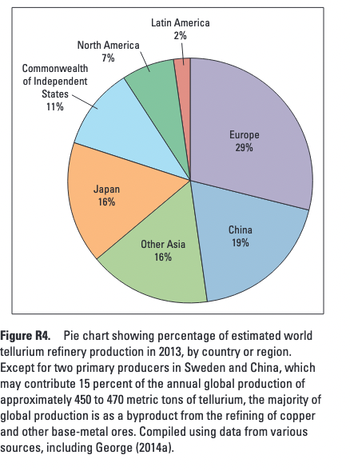
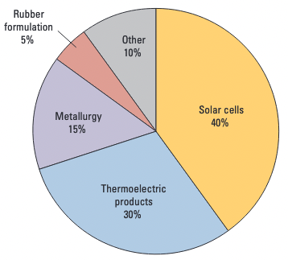
 |  |  |  |  |  |  |  |  |  |  |  |  |  |  |  |  |  |  |  |  |  |  |  |  |  |  |  |  |  |  |  |  |  | Tellurium material flows |  | 2017
 | https://pubs.usgs.gov/pp/1802/r/pp1802r.pdf
Mine | 3 parts per billion in earths crust
and | Te is found in porphyry copper and sea-floor volcanogenic massive sulfide (VMS) deposits, silfide minerals may contain hundreds of parts per million, orebodies liley have 0.1 to 1 part per million
 | es are the primary source of commercial Te, with more than 90 % of the Te
locations | coming from anode slimes collected from electrolytic copper refining (USGS, 2013)
 |  | gold-Te epithermal vein deposits located adjacent to one another at Dasguigoy and Majiagou (Sichuan Province) southwestern China
 |  | epithermal-like mineralization at the Kankberg deposit in Skelleftea VMS distric of Vasterbotten County in Sweden
 | Te recovered as anode slimes from the electrorefining of copper and other polymetallic sulfide ores, typically mined from poyphyry VMS, magmatic nickel, copper platinum group metal (PGM) and or skarn deposits
 | In US all Te production is from a single refinery in Texas, but it is impossible to identify the specificdeposits that have contributed the orte from which the tellurium is produced, although it is likely to be from porphyry copper deposits scattered across southwestern and western parts of the country
 | Refined anode slimes are typically dominated by copper and silver, most global refineries report contents of 1 to 4 % te in the anode slimes, some in asia and russia report as much as 8 to 9%
 | Minot part is recovered during the smelting of sulfide-rich ores and drom the skimmings (when a destillation process is used) at lead refineries
Usage | Te is used mostly in photovoltaics and as an additive to copper, lead and steel alloys to improce machine efficiency, perticularly in thermoelectric cooling products
 | PV and thermoelectric uses account 2/3 of the global Te usage
 | 5% is used to improve heat resistance during vulvanization of rubber
 | Te also used as alloy with Selenium in photoreceptors in copying machines
 | coloring agent in ceramics and glass
 | medical instruments
 | Tellurium does not have a unique CO2 footprint beyond energy requirements of mining in general
 | Te production was at least 503 t in year 2018, (Anderson, 2021) with China accounting for 61% of this total, followed by Japan (11%), Sweden (9%), Russia (8%), and Canada (8%)
 | Presently, 30 to 40 % of Te is recovered from copper slimes |  |  |  |  | https://pubs.usgs.gov/fs/2014/3077/pdf/fs2014-3077.pdf
Primary industry consumers of cadmium: | Column1 | 1991 | 1992 | 1993 | 1994 | 1995 | 1996 | 1997 | 1998 | 1999 | 2000 | 2001 | 2002 | 2003 | 2004 | 2005 | 2006 | 2007 | 2008 | 2009 | 2010 | 2011 | 2012 | 2013 | 2014 | 2015 | 2016 | 2017 | 2018 | 2019 | 2020 | 2021 | 2022

Import sources | Country | 1991-1994 | Column2 | Column3 | Column4 | 1995 | 1996 | 1997 | 1998 | 1999 | 2000 | 2001 | 2002 | 2003 | 2004 | 2005 | 2006 | 2007 | 2008 | 2009 | 2010 | 2011 | 2012 | 2013 | 2014 | 2015 | 2016 | 2017 | 2018 | 2019 | 2020 | 2021 | 2022

USA Salient Statistics | Column1 | 1991 | 1992 | 1993 | 1994 | 1995 | 1996 | 1997 | 1998 | 1999 | 2000 | 2001 | 2002 | 2003 | 2004 | 2005 | 2006 | 2007 | 2008 | 2009 | 2010 | 2011 | 2012 | 2013 | 2014 | 2015 | 2016 | 2017 | 2018 | 2019 | 2020 | 2021e | 2022
 | Production, refinery USA (tonne)
 | Imports for consumption, metal (tonne)
 | Exports of metal, alloys, and scrap (tonne) |  |  |  |  |  |  |  |  |  |  |  | 3510 | 10200 | 6160 | 51000 |  |  |  | r
 | Consumption, apparent (tonne)
 | Average price per pound |  |  |  |  |  |  |  |  |  |  |  | 7.00 | 10.00 | 110.00 | 22.50
 | Net import reliance

Refinery production | Column1 | 1994 | Column2 | 1995 | Column3 | 1996 | Column4 | 1997 | Column5 | 1998 | Column6 | 1999 | Column7 | 2000 | Column8 | 2001 | Column9 | 2002 | Column10 | 2003 | Column11 | 2004 | Column12 | 2005 | Column13 | 2006 | Column14 | 2007 | Column15 | 2008 | Column16 | 2009 | Column17 | 2010 | Column18 | 2011 | Column19 | 2012 | Column20 | 2013 | Column21 | 2014 | Column22 | 2015 | Column23 | 2016 | Column24 | 2017 | Column25 | 2018 | Column26 | 2019 | Column27 | 2020 | Column28 | 2021 | Column29 | 2022 | Column30
W Witheld |  | tonnes | % | tonnes | % | tonnes | % | tonnes | % | tonnes | % | tonnes | % | tonnes | % | tonnes | % | tonnes | % | tonnes | % | tonnes | % | tonnes | % | tonnes | % | tonnes | % | tonnes | % | tonnes | % | tonnes | % | tonnes | % | tonnes | % | tonnes | % | tonnes | % | tonnes | % | tonnes | % | tonnes | % | tonnes | % | tonnes | % | tonnes | % | tonnes | % | tonnes | %
0 values mean that they are included in "other" | United States |  | #DIV/0! |  | #DIV/0! |  | #DIV/0! |  | #DIV/0! |  | #DIV/0! |  | #DIV/0! |  | #DIV/0! |  | #DIV/0! |  | #DIV/0! |  | #DIV/0! |  | #DIV/0! |  | #DIV/0! |  | #DIV/0! |  | #DIV/0! |  | #DIV/0! |  | #DIV/0! |  | #DIV/0! |  | #DIV/0! |  | #DIV/0! |  | #DIV/0! |  | #DIV/0! |  | #DIV/0! |  | #DIV/0! |  | #DIV/0! |  | #DIV/0! |  | #DIV/0!
 | Australia |  | #DIV/0! |  | #DIV/0! |  | #DIV/0! |  | #DIV/0! |  | #DIV/0! |  | #DIV/0! |  | #DIV/0! |  | #DIV/0! |  | #DIV/0! |  | #DIV/0! |  | #DIV/0! |  | #DIV/0! |  | #DIV/0! |  | #DIV/0! |  | #DIV/0! |  | #DIV/0! |  | #DIV/0! |  | #DIV/0! |  | #DIV/0! |  | #DIV/0! |  | #DIV/0! |  | #DIV/0! |  | #DIV/0! |  | #DIV/0! |  | #DIV/0! |  | #DIV/0!
 | Belgium |  | #DIV/0! |  | #DIV/0! |  | #DIV/0! |  | #DIV/0! |  | #DIV/0! |  | #DIV/0! |  | #DIV/0! |  | #DIV/0! |  | #DIV/0! |  | #DIV/0! |  | #DIV/0! |  | #DIV/0! |  | #DIV/0! |  | #DIV/0! |  | #DIV/0! |  | #DIV/0! |  | #DIV/0! |  | #DIV/0! |  | #DIV/0! |  | #DIV/0! |  | #DIV/0! |  | #DIV/0! |  | #DIV/0! |  | #DIV/0! |  | #DIV/0! |  | #DIV/0!
 | Bulgaria |  | #DIV/0! |  | #DIV/0! |  | #DIV/0! |  | #DIV/0! |  | #DIV/0! |  | #DIV/0! |  | #DIV/0! |  | #DIV/0! |  | #DIV/0! |  | #DIV/0! |  | #DIV/0! |  | #DIV/0! |  | #DIV/0! |  | #DIV/0! |  | #DIV/0! |  | #DIV/0! |  | #DIV/0! |  | #DIV/0! |  | #DIV/0! |  | #DIV/0! |  | #DIV/0! |  | #DIV/0! |  | #DIV/0! |  | #DIV/0! |  | #DIV/0! |  | #DIV/0!
 | Canada |  | #DIV/0! |  | #DIV/0! |  | #DIV/0! |  | #DIV/0! |  | #DIV/0! |  | #DIV/0! |  | #DIV/0! |  | #DIV/0! |  | #DIV/0! |  | #DIV/0! |  | #DIV/0! |  | #DIV/0! |  | #DIV/0! |  | #DIV/0! |  | #DIV/0! |  | #DIV/0! |  | #DIV/0! |  | #DIV/0! |  | #DIV/0! |  | #DIV/0! |  | #DIV/0! |  | #DIV/0! |  | #DIV/0! |  | #DIV/0! |  | #DIV/0! |  | #DIV/0!
 | China |  | #DIV/0! |  | #DIV/0! |  | #DIV/0! |  | #DIV/0! |  | #DIV/0! |  | #DIV/0! |  | #DIV/0! |  | #DIV/0! |  | #DIV/0! |  | #DIV/0! |  | #DIV/0! |  | #DIV/0! |  | #DIV/0! |  | #DIV/0! |  | #DIV/0! |  | #DIV/0! |  | #DIV/0! |  | #DIV/0! |  | #DIV/0! |  | #DIV/0! |  | #DIV/0! |  | #DIV/0! |  | #DIV/0! |  | #DIV/0! |  | #DIV/0! |  | #DIV/0!
 | Germany |  | #DIV/0! |  | #DIV/0! |  | #DIV/0! |  | #DIV/0! |  | #DIV/0! |  | #DIV/0! |  | #DIV/0! |  | #DIV/0! |  | #DIV/0! |  | #DIV/0! |  | #DIV/0! |  | #DIV/0! |  | #DIV/0! |  | #DIV/0! |  | #DIV/0! |  | #DIV/0! |  | #DIV/0! |  | #DIV/0! |  | #DIV/0! |  | #DIV/0! |  | #DIV/0! |  | #DIV/0! |  | #DIV/0! |  | #DIV/0! |  | #DIV/0! |  | #DIV/0!
 | India |  | #DIV/0! |  | #DIV/0! |  | #DIV/0! |  | #DIV/0! |  | #DIV/0! |  | #DIV/0! |  | #DIV/0! |  | #DIV/0! |  | #DIV/0! |  | #DIV/0! |  | #DIV/0! |  | #DIV/0! |  | #DIV/0! |  | #DIV/0! |  | #DIV/0! |  | #DIV/0! |  | #DIV/0! |  | #DIV/0! |  | #DIV/0! |  | #DIV/0! |  | #DIV/0! |  | #DIV/0! |  | #DIV/0! |  | #DIV/0! |  | #DIV/0! |  | #DIV/0!
 | Japan |  | #DIV/0! |  | #DIV/0! |  | #DIV/0! |  | #DIV/0! |  | #DIV/0! |  | #DIV/0! |  | #DIV/0! |  | #DIV/0! |  | #DIV/0! |  | #DIV/0! |  | #DIV/0! |  | #DIV/0! |  | #DIV/0! |  | #DIV/0! |  | #DIV/0! |  | #DIV/0! |  | #DIV/0! |  | #DIV/0! |  | #DIV/0! |  | #DIV/0! |  | #DIV/0! |  | #DIV/0! |  | #DIV/0! |  | #DIV/0! |  | #DIV/0! |  | #DIV/0!
 | Kazakhstan |  | #DIV/0! |  | #DIV/0! |  | #DIV/0! |  | #DIV/0! |  | #DIV/0! |  | #DIV/0! |  | #DIV/0! |  | #DIV/0! |  | #DIV/0! |  | #DIV/0! |  | #DIV/0! |  | #DIV/0! |  | #DIV/0! |  | #DIV/0! |  | #DIV/0! |  | #DIV/0! |  | #DIV/0! |  | #DIV/0! |  | #DIV/0! |  | #DIV/0! |  | #DIV/0! |  | #DIV/0! |  | #DIV/0! |  | #DIV/0! |  | #DIV/0! |  | #DIV/0!
 | Korea, Republic of |  | #DIV/0! |  | #DIV/0! |  | #DIV/0! |  | #DIV/0! |  | #DIV/0! |  | #DIV/0! |  | #DIV/0! |  | #DIV/0! |  | #DIV/0! |  | #DIV/0! |  | #DIV/0! |  | #DIV/0! |  | #DIV/0! |  | #DIV/0! |  | #DIV/0! |  | #DIV/0! |  | #DIV/0! |  | #DIV/0! |  | #DIV/0! |  | #DIV/0! |  | #DIV/0! |  | #DIV/0! |  | #DIV/0! |  | #DIV/0! |  | #DIV/0! |  | #DIV/0!
 | Mexico |  | #DIV/0! |  | #DIV/0! |  | #DIV/0! |  | #DIV/0! |  | #DIV/0! |  | #DIV/0! |  | #DIV/0! |  | #DIV/0! |  | #DIV/0! |  | #DIV/0! |  | #DIV/0! |  | #DIV/0! |  | #DIV/0! |  | #DIV/0! |  | #DIV/0! |  | #DIV/0! |  | #DIV/0! |  | #DIV/0! |  | #DIV/0! |  | #DIV/0! |  | #DIV/0! |  | #DIV/0! |  | #DIV/0! |  | #DIV/0! |  | #DIV/0! |  | #DIV/0!
 | Netherlands |  | #DIV/0! |  | #DIV/0! |  | #DIV/0! |  | #DIV/0! |  | #DIV/0! |  | #DIV/0! |  | #DIV/0! |  | #DIV/0! |  | #DIV/0! |  | #DIV/0! |  | #DIV/0! |  | #DIV/0! |  | #DIV/0! |  | #DIV/0! |  | #DIV/0! |  | #DIV/0! |  | #DIV/0! |  | #DIV/0! |  | #DIV/0! |  | #DIV/0! |  | #DIV/0! |  | #DIV/0! |  | #DIV/0! |  | #DIV/0! |  | #DIV/0! |  | #DIV/0!
 | Peru |  | #DIV/0! |  | #DIV/0! |  | #DIV/0! |  | #DIV/0! |  | #DIV/0! |  | #DIV/0! |  | #DIV/0! |  | #DIV/0! |  | #DIV/0! |  | #DIV/0! |  | #DIV/0! |  | #DIV/0! |  | #DIV/0! |  | #DIV/0! |  | #DIV/0! |  | #DIV/0! |  | #DIV/0! |  | #DIV/0! |  | #DIV/0! |  | #DIV/0! |  | #DIV/0! |  | #DIV/0! |  | #DIV/0! |  | #DIV/0! |  | #DIV/0! |  | #DIV/0!
 | Poland |  | #DIV/0! |  | #DIV/0! |  | #DIV/0! |  | #DIV/0! |  | #DIV/0! |  | #DIV/0! |  | #DIV/0! |  | #DIV/0! |  | #DIV/0! |  | #DIV/0! |  | #DIV/0! |  | #DIV/0! |  | #DIV/0! |  | #DIV/0! |  | #DIV/0! |  | #DIV/0! |  | #DIV/0! |  | #DIV/0! |  | #DIV/0! |  | #DIV/0! |  | #DIV/0! |  | #DIV/0! |  | #DIV/0! |  | #DIV/0! |  | #DIV/0! |  | #DIV/0!
 | Russia |  | #DIV/0! |  | #DIV/0! |  | #DIV/0! |  | #DIV/0! |  | #DIV/0! |  | #DIV/0! |  | #DIV/0! |  | #DIV/0! |  | #DIV/0! |  | #DIV/0! |  | #DIV/0! |  | #DIV/0! |  | #DIV/0! |  | #DIV/0! |  | #DIV/0! |  | #DIV/0! |  | #DIV/0! |  | #DIV/0! |  | #DIV/0! |  | #DIV/0! |  | #DIV/0! |  | #DIV/0! |  | #DIV/0! |  | #DIV/0! |  | #DIV/0! |  | #DIV/0!
 | Other |  | #DIV/0! |  | #DIV/0! |  | #DIV/0! |  | #DIV/0! |  | #DIV/0! |  | #DIV/0! |  | #DIV/0! |  | #DIV/0! |  | #DIV/0! |  | #DIV/0! |  | #DIV/0! |  | #DIV/0! |  | #DIV/0! |  | #DIV/0! |  | #DIV/0! |  | #DIV/0! |  | #DIV/0! |  | #DIV/0! |  | #DIV/0! |  | #DIV/0! |  | #DIV/0! |  | #DIV/0! |  | #DIV/0! |  | #DIV/0! |  | #DIV/0! |  | #DIV/0!

CdTe properties calculation
 | Cadmium | Tellurium | Sulfide | CdTe | CdS (sulfide)
Atomic number | 48 | 52 | 16 | - | - |  | Thickness [m] | Width [m] | Length [m] | Volume |  | Cadmium (g/m2) | Tellurium (g/m2)
Molar mass (g/mol) | 112.411 | 127.6 | 32.06 | 240.011 | 144.471 |  | 0.00000300 | 1.00000000 | 1.00000000 | 0.00000300
Ionization Energy (eV) | 8.9938 | 9.0096 |  | - | - |  | 0.00000200 | 1.00000000 | 1.00000000 | 0.00000200
Boiling point (°C) | 767 | 988 | 444.6 | 1050 | 980 |  | 0.00000220 | 1.00000000 | 1.00000000 | 0.00000220
Melting point (°C) | - | - | 115.21 | 1041 | 1750
Cristal structure | HCP | Trigonal | Orthorhombic | Zinc blende | Hexagonal, cubic |  | CdTe [g] | Cd [g] | Te [g]
Density (g/cm3) | 8.65 | 6.24 | 2.07 | 5.85 | 4.826 | 3 um | 17.55000000 | 8.21967764 | 9.33032236
Molar mass (g/mol) |  |  |  | 240.01 | 144.47 | 2 um | 11.70000000 | 5.47978509 | 6.22021491
Band gap (eV) |  |  |  | 1.5 | 2.42 | 2.2 um | 12.87000000 | 6.02776360 | 6.84223640
Lattice constant (nm) |  |  |  | a = 0.648 | Z: a=5.832
 |  |  |  |  | Hex: a=4.160; c=6.756 |  | Thickness [m] | Width [m] | Length [m] | Volume
Component % |  |  | Cadmium (%) | 0.46835770027 | 0.778086952 |  | 0.00000600 | 1.00000000 | 1.00000000 | 0.00000600
 |  |  | Tellurium (%) | 0.53164229973 | 0.221913048
 |  |  |  |  |  |  | CdS [g] | Cd [g] | S [g]
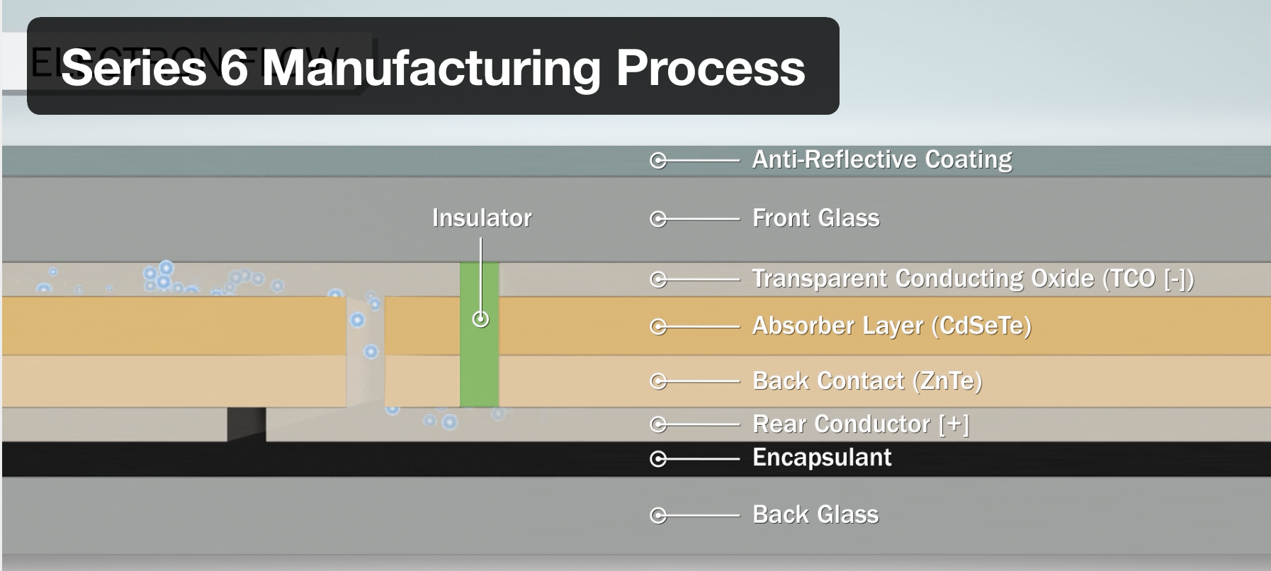
 |  |  |  |  |  |  | 0.00002900 | 0.00002250 | 0.00000643
 |  |  |  |  |  |  |  |  |  |  | CdTe g/m2
 |  |  |  |  |  |  |  |  |  |  | 17

reeds
year | MW | Rearranged
2023 | 24236 | 23596.72896
2024 | 24236 | 23596.72896
2025 | 74146 | 24236.41597
2026 | 74146 | 24236.41597 | 23596.72896
2027 | 57401 | 26258.30132 | 23596.72896
2028 | 57401 | 26258.30132 | 24236.41597
2029 | 81198 | 29613.99335 | 24236.41597
2030 | 81198 | 29613.99335 | 26258.30132
2031 | 66012 | 35203.62713 | 26258.30132
2032 | 66012 | 35203.62713 | 29613.99335
2033 | 59936 | 51033.75604 | 29613.99335
2034 | 59936 | 51033.75604 | 35203.62713
2035 | 67039 | 57401.30156 | 35203.62713
2036 | 67039 | 57401.30156 | 51033.75604
 | Rearranged | Actual
2023 | 23596.72896 | 24236
2024 | 23596.72896 | 24236
2025 | 24236.41597 | 74146
2026 | 24236.41597 | 74146
2027 | 26258.30132 | 57401
2028 | 26258.30132 | 57401
2029 | 29613.99335 | 81198
2030 | 29613.99335 | 81198
2031 | 35203.62713 | 66012
2032 | 35203.62713 | 66012
2033 | 51033.75604 | 59936
2034 | 51033.75604 | 59936
2035 | 57401.30156 | 67039
2036 | 57401.30156 | 67039
2037 | 59935.85522 | 78553
2038 | 59935.85522 | 78553
2039 | 66012.06178 | 87427
2040 | 66012.06178 | 87427
2041 | 67039.35151 | 26258
2042 | 67039.35151 | 26258
2043 | 74146.08849 | 23597
2044 | 74146.08849 | 23597
2045 | 78553.28785 | 29614
2046 | 78553.28785 | 29614
2047 | 81197.98651 | 35204
2048 | 81197.98651 | 35204
2049 | 87426.89474 | 51034
2050 | 87426.89474 | 51034
2037 | 78553 | 59935.85522 | 51033.75604
2038 | 78553 | 59935.85522 | 57401.30156
2039 | 87427 | 66012.06178 | 57401.30156
2040 | 87427 | 66012.06178 | 59935.85522
2041 | 26258 | 67039.35151 | 59935.85522
2042 | 26258 | 67039.35151 | 66012.06178
2043 | 23597 | 74146.08849 | 66012.06178
2044 | 23597 | 74146.08849 | 67039.35151
2045 | 29614 | 78553.28785 | 67039.35151
2046 | 29614 | 78553.28785 | 74146.08849
2047 | 35204 | 81197.98651 | 74146.08849
2048 | 35204 | 81197.98651 | 78553.28785
2049 | 51034 | 87426.89474 | 78553.28785
2050 | 51034 | 87426.89474 | 81197.98651
 | 1523311.3009 |  | 81197.98651
 |  |  | 87426.89474
 |  |  | 87426.89474

