Sheet1
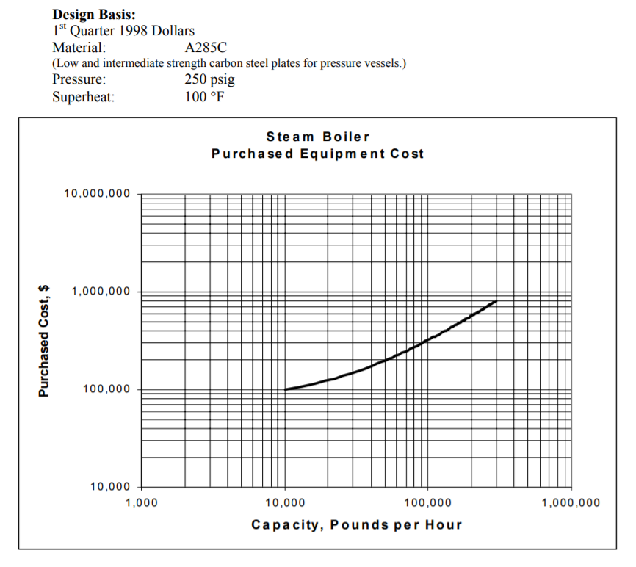

Sheet2
Fitted Table Value |  |  | Digitization from https://apps.automeris.io/wpd/
lb/hr | Capital Cost (1998) | Model Guess | Model Error | Capital Cost | Predeflate cost using cost index equipment to 1978 to fit into implementation | Change lb/hr to fuel input because EPA model is based on fuel firing rate not capacity
13333.333333 | 55091.743119 | 55032 | 0.11% | 100000 | 10000 | Assume NG efficiency of 0.75
26666.666667 | 68864.678899 | 68672 | 0.28% | 125000 | 20000
40000 | 82637.614679 | 82312 | 0.39% | 150000 | 30000
53333.333333 | 94757.798165 | 95952 | 1.26% | 172000 | 40000
66666.666667 | 110183.48624 | 109592 | 0.54% | 200000 | 50000
Installed Cost Curve
0.98721932367 | 155964.72477
2.4680483092 | 203233.44037
4.9360966184 | 258325.18349
80000 | 123956.42202 | 123232 | 0.58% | 225000 | 60000
93333.333333 | 136627.52294 | 136872 | 0.18% | 248000 | 70000
106666.66667 | 148747.70642 | 150512 | 1.19% | 270000 | 80000
120000 | 165275.22936 | 164152 | 0.68% | 300000 | 90000
133333.33333 | 177946.33028 | 177792 | 0.09% | 323000 | 100000

Linear Model R^2 of 0.9996
m | y-int
1.023 | 41392
 | Use this from a table in osti |  | Untouched Values
MMBtu/hr | Total Installed Cost |  | lb/hr | Installed Cost 1998
0.98721932367 | 155964.72477 |  | 10000 | 283100
2.4680483092 | 203233.44037 |  | 25000 | 368900
4.9360966184 | 258325.18349 |  | 50000 | 468900

