Building Description
Prototype Building Modeling Specifications
Oak Ridge National Laboratory, updated on June 14, 2019
 | Item | Descriptions |  |  | Data Source

Program
 | Vintage | NEW CONSTRUCTION
 | Location (Representing 8 Climate Zones) | Zone 1A: Honolulu, Hawaii (very hot, humid) Zone 1B: New Delhi, India (very hot, dry) Zone 2A: Tampa, Florida (hot, humid) Zone 2B: Tucson, Arizona (hot, dry) Zone 3A: Atlanta, Georgia (warm, humid) Zone 3B: El Paso, Texas (warm, dry) Zone 3C: San Diego, California (warm, marine) | Zone 4A: New York, New York (mixed, humid) Zone 4B: Albuquerque, New Mexico (mixed, dry) Zone 4C: Seattle, Washington (mixed, marine) Zone 5A: Buffalo, NY (cool, humid) Zone 5B: Denver, Colorado (cool, dry) Zone 5C: Port Angeles, Washington (cool, marine) | Zone 6A: Rochester, Minnesota (cold, humid) Zone 6B: Great Falls, Montana (cold, dry) Zone 7: International Falls, Minnesota (very cold) Zone 8: Fairbanks, Alaska (subarctic | Selection of representative climates based on ASHRAE Standard 169-2013
 | Available fuel types | Gas, electricity
 | Building Type (Principal Building Function) | Office
 | Building Prototype | New Large Office (Detailed)
Form
 | Total Floor Area (sq feet) | 498,600 (240 ft x 160 ft) |  |  | Time Saver Standards; Large Office studies (ConEd, EPRI, MEOS, NEU1(1-4), NEU2, PNL) cited in Huang et al. 1991
 | Building shape | 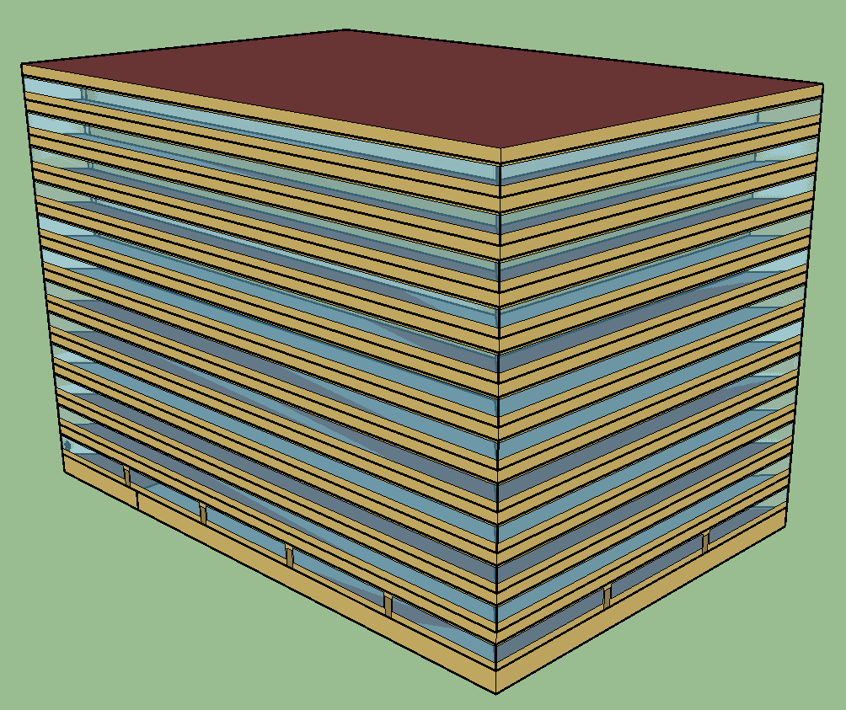
 | Aspect Ratio | 1.5
 | Number of Floors | 12 (plus basement)
 | Window Fraction (Window-to-Wall Ratio) | 40% of above-grade gross walls 37.5% of gross walls (including the below-grade walls) |  |  | When applicable, certain codes or standards may restrict the window area to lower fractions
 | Window Locations | Even distribution among all four sides |  |  | PNNL's CBECS Study
 | Shading Geometry | None
 | Azimuth | Nnon-directional
 | Thermal Zoning | Active Storage: 1.79% Atrium: 0.39% Classroom/Lecture/Training: 0.40% Conference Meeting/Multipurpose: 1.46% Corridor: 4.70% Data Center Main: 1.70% Data Center: 0.95% Dining: 1.58% Enclosed Office: 18.22% Food Prep: 0.09% Lobby: 2.38% Locker Room: 0.12% Lounge: 0.20% Electrical/Mechanical: 5.51% Open Office: 56.17% Restroom: 3.02% Stair: 1.70% Workshop: 0.10% | 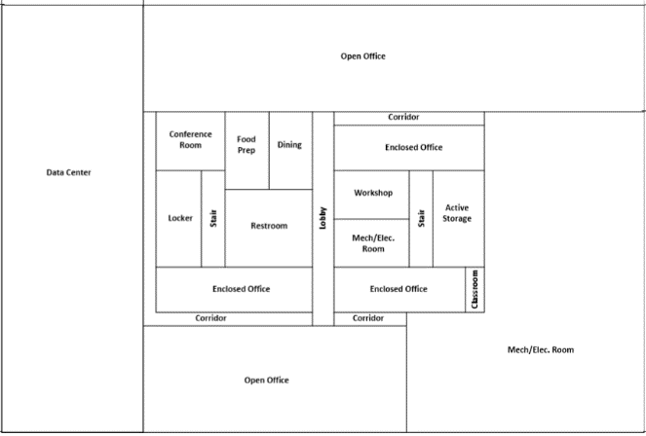 Basement (contains main data center) |  | Time Saver Standards; Large Office studies (ConEd, EPRI, MEOS, NEU1(1-4), NEU2, PNL) cited in Huang et al. 1992
 |  |  | 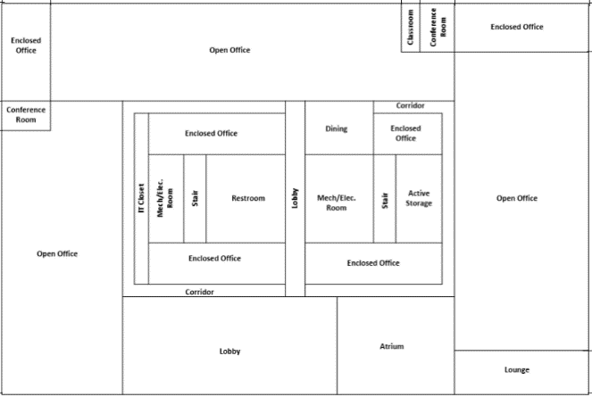 Bottom Floor
 |  |  | 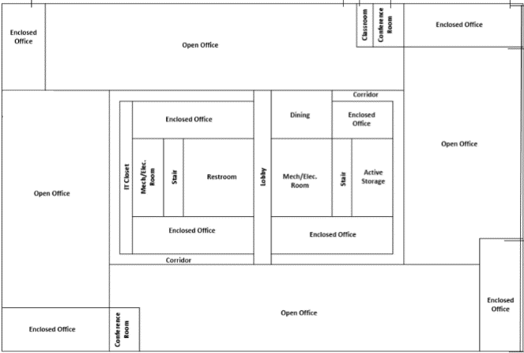 Middle & Top Floors:
 | Floor to floor height (feet) | 13
 | Floor to ceiling height (feet) | 9
 | Glazing sill height (feet) | 3 ft
Architecture
 | Exterior walls
 | Construction | Mass (pre-cast concrete panel): 8 in. heavy-weight concrete + wall insulation + 0.5 in. gypsum board |  |  | Construction type: PNNL's CBECS Study
 | U-factor (Btu / h * ft2 * °F) and/or R-value (h * ft2 * °F / Btu) | Requirements in codes or standards Nonresidential; Walls, Above-Grade, Steel-Framed |  |  | Applicable codes or standards
 | Dimensions | Based on floor area and aspect ratio
 | Tilts and orientations | Vertical
 | Roof
 | Construction | Built-up roof: Roof membrane+roof insulation+metal decking |  |  | Construction type: PNNL's CBECS Study Base assembly from 90.1 Appendix A.
 | U-factor (Btu / h * ft2 * °F) and/or R-value (h * ft2 * °F / Btu) | Requirements in codes or standards Nonresidential; insulation entirely above deck |  |  | Applicable codes or standards
 | Dimensions | Based on floor area and aspect ratio
 | Tilts and orientations | Horizontal
 | Window
 | Dimensions | Based on window fraction, location, glazing sill height, floor area and aspect ratio
 | Glass-Type and frame | Hypothetical window with a weighted U-factor and SHGC
 | U-factor (Btu / h * ft2 * °F) | Requirements in codes or standards Nonresidential |  |  | Applicable codes or standards
 | SHGC (all)
 | Visible transmittance | Same as above requirements
 | Operable area | 0% |  |  | Ducker Fenestration Market Data provided by the 90.1 Envelope Subcommittee
 | Skylight
 | Dimensions | Not modeled
 | Glass-Type and frame | NA
 | U-factor (Btu / h * ft2 * °F)
 | SHGC (all)
 | Visible transmittance
 | Foundation
 | Foundation Type | Basement (conditioned)
 | Construction | 8" concrete wall; 6" concrete slab, 140 lbs heavy-weight aggregate
 | Thermal properties for ground level floor U-factor (Btu / h * ft2 * °F) and/or R-value (h * ft2 * °F / Btu) | Requirements in codes or standards Nonresidential; Floors, Mass |  |  | Applicable codes or standards
 | Thermal properties for basement walls | No insulation
 | Dimensions | Based on floor area and aspect ratio
 | Interior Partitions
 | Construction | 2 x 4 uninsulated stud wall
 | Dimensions | Based on floor plan and floor-to-floor height
 | Internal Mass | 6 inches standard wood (16.6 lb/ft²)
 | Air Barrier System
 | Infiltration | Peak: 0.2016 cfm/sf of above grade exterior wall surface area, adjusted by wind (when fans turn off) Off Peak: 25% of peak infiltration rate (when fans turn on) |  |  | Reference: PNNL-18898. Infiltration Modeling Guidelines for Commercial Building Energy Analysis. Modeled peak infiltration rate may be different for different codes or standards because of their continuous air barrier requirements.
HVAC
 | System Type
 | Heating type | One gas-fired boiler |  |  | PNNL's CBECS Study
 | Cooling type | Water-source DX cooling coil with fluid cooler for datacenter in the basement and IT closets in other floors Two water-cooled centrifugal chillers for the rest of the building |  |  | Reference: PNNL-23269 Enhancements to ASHRAE Standard 90.1 Prototype Building Models
 | Distribution and terminal units | VAV terminal box with damper and hot-water reheating coil except (including in the basement).
 | HVAC Sizing
 | Air Conditioning | Autosized to design day
 | Heating | Autosized to design day
 | HVAC Efficiency
 | Air Conditioning | Requirements in codes or standards |  |  | Applicable codes or standards
 | Heating
 | HVAC Control
 | Thermostat Setpoint | 75°F Cooling/70°F Heating |  |  | 90.1 Simulation Working Group
 | Thermostat Setback | 85°F Cooling/60°F Heating
 | Supply air temperature | Maximum 110F, Minimum 52F |  |  | Temperature setpoint reset may be required by codes and standards.
 | Chilled water supply temperatures | 44 F
 | Hot water supply temperatures | 180 F
 | Economizers | Requirements in codes or standards |  |  | Applicable codes or standards
 | Ventilation | ASHRAE Standard 62.1 or International Mechanical Code See under Outdoor Air |  |  | Applicable codes or standards
 | Demand Control Ventilation | Requirements in codes or standards |  |  | Applicable codes or standards
 | Energy Recovery | Requirements in codes or standards |  |  | Applicable codes or standards
 | Supply Fan
 | Fan schedules | See under Schedules
 | Supply Fan Total Efficiency (%) | Depending on the fan motor size and requirements in codes or standards |  |  | Requirements in applicable codes or standards for motor efficiency and fan power limitation
 | Supply Fan Pressure Drop | Depending on the fan supply air cfm
 | Pump
 | Pump Type | Primary chilled water (CHW) pumps: constant speed; secondary CHW pump: variable speed; IT closet (water loop heat pump) pump: constant speed; cooling tower pump: variable speed; service hot water (SWH): constant speed; hot water (HW) pump: variable speed
 | Rated Pump Head | Use the pump power assumptions as specified in 90.1 Appendix G, i.e., 22 W/gpm for chilled water pump, 19 W/gpm for hot water and condensing water pumps. For SWH pump, first estimated based on circulation flow and then adjusted based on modeled design flow. |  |  | If applicable, model inputs for other codes or standards may be different. PNNL 2014. Enhancements to ASHRAE Standard 90.1 Prototype Building Models
 | Pump Power | Autosized
 | Cooling Tower
 | Cooling Tower Type | Open cooling tower with two-speed fans; two-speed fluid-cooler for data center and IT closets
 | Cooling Tower Power | Autosized
 | Service Water Heating
 | SWH type | One main water heater with storage tank
 | Fuel type | Natural gas
 | Thermal efficiency (%) | Requirements in codes or standards |  |  | Applicable codes or standards
 | Tank Volume (gal) | 300 |  |  | Reference: PNNL-23269 Enhancements to ASHRAE Standard 90.1 Prototype Building Models
 | Water temperature setpoint | 140 F
 | Water consumption | See under Schedules
Internal Loads & Schedules
 | Lighting
 | Average power density (W/ft2) | Requirements in codes or standards See Zone Summary |  |  | Applicable codes or standards
 | Schedule | See under Schedules
 | Daylighting Controls | Requirements in codes or standards |  |  | Applicable codes or standards
 | Occupancy Sensors | Requirements in codes or standards |  |  | Applicable codes or standards
 | Plug load
 | Average power density (W/ft2) | See under Zone Summary |  |  | For data center and IT closet, see PNNL-23269 Enhancements to ASHRAE Standard 90.1 Prototype Building Models
 | Schedule | See under Schedules
 | Occupancy
 | Average people | See under Zone Summary |  |  | ASHRAE Standard 62.1
 | Schedule | See under Schedules
Misc.
 | Elevator
 | Quantity |  | 12 |  | DOE Commercial Reference Building TSD (unpublished) and models (V1.3_5.0).
 | Motor type |  | Traction
 | Peak Motor Power Watts per elevator |  | 20370
 | Heat Gain to Building |  | Exterior
 | Peak Fan/lights Power Watts per elevator |  | 161.9 |  | 90.1 Mechanical Subcommittee, Elevator Working Group
 | Motor and fan/lights Schedules |  | See under Schedules |  | DOE Commercial Reference Building TSD (unpublished) and models (V1.3_5.0) and Appendix DF 2007
 | Exterior Lighting
 | Peak Power | Based on design assumptions for façade, parking lot, entrance, etc. and requirements in codes or standards |  |  | Applicable codes or standards
 | Schedule | See under Schedules and control requirements in codes or standards |  |  | Applicable codes or standards
References
 | ASHRAE 2013. ANSI/ASHRAE Standard 169-2013. Climatic Data for Building Design Standards. American Society of Heating, Refrigerating, and Air-Conditioning Engineers, Atlanta, Georgia. Relevant information available as Annex 1 in ASHRAE 2016
 | McGraw-Hill Companies, Inc. (2001). Time-Saver Standards for Building Types. New York, NY.
 | LBNL (1991). Huang, Joe, Akbari, H., Rainer, L. and Ritschard, R. 481 Prototypical Commercial Buildings for 20 Urban Market Areas, prepared for the Gas Research Institute, Chicago IL, also LBL-29798, Berkeley CA.
 | PNNL's CBECS Study. 2007. Analysis of Building Envelope Construction in 2003 CBECS Buildings. Dave Winiarski, Mark Halverson, and Wei Jiang. Pacific Northwest National Laboratory. March 2007.
 | PNNL's CBECS Study. 2006. Review of Pre- and Post-1980 Buildings in CBECS – HVAC Equipment. Dave Winiarski, Wei Jiang and Mark Halverson. Pacific Northwest National Laboratory. December 2006.
 | Goel S, M Rosenberg, R Athalye, Y Xie, W Wang, R Hart, J Zhang, V Mendon. 2014. Enhancements to ASHRAE Standard 90.1 Prototype Building Models. PNNL-23269, Pacific Northwest National Laboratory, Richland, Washington. http://www.pnnl.gov/main/publications/external/technical_reports/PNNL-23269.pdf

SchedulePlots
 | Fan (On|Off) | Infiltration
 | 0 | 1
 | 0 | 1
 | 0 | 1
 | 0 | 1
 | 0 | 1
 | 0 | 1
 | 1 | 0.25
 | 1 | 0.25
 | 1 | 0.25
 | 1 | 0.25
 | 1 | 0.25
 | 1 | 0.25
 | 1 | 0.25
 | 1 | 0.25
 | 1 | 0.25
 | 1 | 0.25
 | 1 | 0.25
 | 1 | 0.25
 | 1 | 0.25
 | 1 | 0.25
 | 1 | 0.25
 | 1 | 0.25
 | 0 | 1
 | 0 | 1
 | Lighting | Plug | Occupancy
 | 0.05 | 0.4 | 0
 | 0.05 | 0.4 | 0
 | 0.05 | 0.4 | 0
 | 0.05 | 0.4 | 0
 | 0.05 | 0.4 | 0
 | 0.1 | 0.4 | 0
 | 0.1 | 0.4 | 0.1
 | 0.3 | 0.4 | 0.2
 | 0.9 | 0.9 | 0.95
 | 0.9 | 0.9 | 0.95
 | 0.9 | 0.9 | 0.95
 | 0.9 | 0.9 | 0.95
 | 0.9 | 0.8 | 0.5
 | 0.9 | 0.9 | 0.95
 | 0.9 | 0.9 | 0.95
 | 0.9 | 0.9 | 0.95
 | 0.9 | 0.9 | 0.95
 | 0.5 | 0.5 | 0.3
 | 0.3 | 0.4 | 0.1
 | 0.3 | 0.4 | 0.1
 | 0.2 | 0.4 | 0.1
 | 0.2 | 0.4 | 0.1
 | 0.1 | 0.4 | 0.05
 | 0.05 | 0.4 | 0.05
 | Fan (On|Off) | Infiltration
 | 0 | 1
 | 0 | 1
 | 0 | 1
 | 0 | 1
 | 0 | 1
 | 0 | 1
 | 1 | 0.25
 | 1 | 0.25
 | 1 | 0.25
 | 1 | 0.25
 | 1 | 0.25
 | 1 | 0.25
 | 1 | 0.25
 | 1 | 0.25
 | 1 | 0.25
 | 1 | 0.25
 | 1 | 0.25
 | 1 | 0.25
 | 0 | 1
 | 0 | 1
 | 0 | 1
 | 0 | 1
 | 0 | 1
 | 0 | 1
 | Lighting | Plug | Occupancy
 | 0.05 | 0.3 | 0
 | 0.05 | 0.3 | 0
 | 0.05 | 0.3 | 0
 | 0.05 | 0.3 | 0
 | 0.05 | 0.3 | 0
 | 0.05 | 0.3 | 0
 | 0.1 | 0.4 | 0.1
 | 0.1 | 0.4 | 0.1
 | 0.3 | 0.5 | 0.3
 | 0.3 | 0.5 | 0.3
 | 0.3 | 0.5 | 0.3
 | 0.3 | 0.5 | 0.3
 | 0.15 | 0.35 | 0.1
 | 0.15 | 0.35 | 0.1
 | 0.15 | 0.35 | 0.1
 | 0.15 | 0.35 | 0.1
 | 0.15 | 0.35 | 0.1
 | 0.05 | 0.3 | 0.05
 | 0.05 | 0.3 | 0.05
 | 0.05 | 0.3 | 0
 | 0.05 | 0.3 | 0
 | 0.05 | 0.3 | 0
 | 0.05 | 0.3 | 0
 | 0.05 | 0.3 | 0

 | Fan (On|Off) | Occupancy
 | 0 | 0
 | 0 | 0
 | 0 | 0
 | 0 | 0
 | 0 | 0
 | 0 | 0
 | 1 | 0.1
 | 1 | 0.2
 | 1 | 0.95
 | 1 | 0.95
 | 1 | 0.95
 | 1 | 0.95
 | 1 | 0.5
 | 1 | 0.95
 | 1 | 0.95
 | 1 | 0.95
 | 1 | 0.95
 | 1 | 0.3
 | 1 | 0.1
 | 1 | 0.1
 | 1 | 0.1
 | 1 | 0.1
 | 0 | 0.05
 | 0 | 0.05
 | Heating Setpoint | Cooling Setpoint | Fan (On|Off)
 | 60 | 80 | 0
 | 60 | 80 | 0
 | 60 | 80 | 0
 | 60 | 80 | 0
 | 64 | 78 | 0
 | 68 | 77 | 0
 | 70 | 75 | 1
 | 70 | 75 | 1
 | 70 | 75 | 1
 | 70 | 75 | 1
 | 70 | 75 | 1
 | 70 | 75 | 1
 | 70 | 75 | 1
 | 70 | 75 | 1
 | 70 | 75 | 1
 | 70 | 75 | 1
 | 70 | 75 | 1
 | 70 | 75 | 1
 | 70 | 75 | 1
 | 70 | 75 | 1
 | 70 | 75 | 1
 | 70 | 75 | 1
 | 60 | 80 | 0
 | 60 | 80 | 0
 | Fan (On|Off) | Occupancy
 | 0 | 0
 | 0 | 0
 | 0 | 0
 | 0 | 0
 | 0 | 0
 | 0 | 0
 | 1 | 0.1
 | 1 | 0.1
 | 1 | 0.3
 | 1 | 0.3
 | 1 | 0.3
 | 1 | 0.3
 | 1 | 0.1
 | 1 | 0.1
 | 1 | 0.1
 | 1 | 0.1
 | 1 | 0.1
 | 1 | 0.05
 | 0 | 0.05
 | 0 | 0
 | 0 | 0
 | 0 | 0
 | 0 | 0
 | 0 | 0
 | Heating Setpoint | Cooling Setpoint | Fan (On|Off)
 | 60 | 80 | 0
 | 60 | 80 | 0
 | 60 | 80 | 0
 | 60 | 80 | 0
 | 64 | 78 | 0
 | 68 | 77 | 0
 | 70 | 75 | 1
 | 70 | 75 | 1
 | 70 | 75 | 1
 | 70 | 75 | 1
 | 70 | 75 | 1
 | 70 | 75 | 1
 | 70 | 75 | 1
 | 70 | 75 | 1
 | 70 | 75 | 1
 | 70 | 75 | 1
 | 70 | 75 | 1
 | 70 | 75 | 1
 | 70 | 75 | 0
 | 70 | 75 | 0
 | 70 | 75 | 0
 | 70 | 75 | 0
 | 60 | 80 | 0
 | 60 | 80 | 0

 | Service Water | Occupancy
 | 0.00 | 0
 | 0.00 | 0
 | 0.00 | 0
 | 0.00 | 0
 | 0.00 | 0
 | 0.00 | 0
 | 0.07 | 0.1
 | 0.19 | 0.2
 | 0.35 | 0.95
 | 0.38 | 0.95
 | 0.39 | 0.95
 | 0.47 | 0.95
 | 0.57 | 0.5
 | 0.54 | 0.95
 | 0.34 | 0.95
 | 0.33 | 0.95
 | 0.44 | 0.95
 | 0.26 | 0.3
 | 0.21 | 0.1
 | 0.15 | 0.1
 | 0.17 | 0.1
 | 0.08 | 0.1
 | 0.05 | 0.05
 | 0.05 | 0.05
 | Service Water | Occupancy
 | 0.00 | 0
 | 0.00 | 0
 | 0.00 | 0
 | 0.00 | 0
 | 0.00 | 0
 | 0.00 | 0
 | 0.07 | 0.1
 | 0.11 | 0.1
 | 0.15 | 0.3
 | 0.21 | 0.3
 | 0.19 | 0.3
 | 0.23 | 0.3
 | 0.20 | 0.1
 | 0.19 | 0.1
 | 0.15 | 0.1
 | 0.13 | 0.1
 | 0.14 | 0.1
 | 0.07 | 0.05
 | 0.07 | 0.05
 | 0.07 | 0
 | 0.07 | 0
 | 0.09 | 0
 | 0.05 | 0
 | 0.05 | 0
 | Heating Setpoint | Cooling Setpoint | Occupancy
 | 60 | 80 | 0
 | 60 | 80 | 0
 | 60 | 80 | 0
 | 60 | 80 | 0
 | 64 | 78 | 0
 | 68 | 77 | 0
 | 70 | 75 | 0.1
 | 70 | 75 | 0.2
 | 70 | 75 | 0.95
 | 70 | 75 | 0.95
 | 70 | 75 | 0.95
 | 70 | 75 | 0.95
 | 70 | 75 | 0.5
 | 70 | 75 | 0.95
 | 70 | 75 | 0.95
 | 70 | 75 | 0.95
 | 70 | 75 | 0.95
 | 70 | 75 | 0.3
 | 70 | 75 | 0.1
 | 70 | 75 | 0.1
 | 70 | 75 | 0.1
 | 70 | 75 | 0.1
 | 60 | 80 | 0.05
 | 60 | 80 | 0.05
 | Heating Setpoint | Cooling Setpoint | Occupancy
 | 60 | 80 | 0
 | 60 | 80 | 0
 | 60 | 80 | 0
 | 60 | 80 | 0
 | 64 | 78 | 0
 | 68 | 77 | 0
 | 70 | 75 | 0.1
 | 70 | 75 | 0.1
 | 70 | 75 | 0.3
 | 70 | 75 | 0.3
 | 70 | 75 | 0.3
 | 70 | 75 | 0.3
 | 70 | 75 | 0.1
 | 70 | 75 | 0.1
 | 70 | 75 | 0.1
 | 70 | 75 | 0.1
 | 70 | 75 | 0.1
 | 70 | 75 | 0.05
 | 70 | 75 | 0.05
 | 70 | 75 | 0
 | 70 | 75 | 0
 | 70 | 75 | 0
 | 60 | 80 | 0
 | 60 | 80 | 0

 | Elevator | Occupancy
 | 0.05 | 0
 | 0.05 | 0
 | 0.05 | 0
 | 0.05 | 0
 | 0.1 | 0
 | 0.2 | 0
 | 0.4 | 0.1
 | 0.5 | 0.2
 | 0.5 | 0.95
 | 0.35 | 0.95
 | 0.15 | 0.95
 | 0.15 | 0.95
 | 0.15 | 0.5
 | 0.15 | 0.95
 | 0.15 | 0.95
 | 0.15 | 0.95
 | 0.35 | 0.95
 | 0.5 | 0.3
 | 0.5 | 0.1
 | 0.4 | 0.1
 | 0.4 | 0.1
 | 0.3 | 0.1
 | 0.2 | 0.05
 | 0.1 | 0.05
 | Elevator | Occupancy
 | 0.05 | 0
 | 0.05 | 0
 | 0.05 | 0
 | 0.05 | 0
 | 0.1 | 0
 | 0.2 | 0
 | 0.4 | 0.1
 | 0.5 | 0.1
 | 0.5 | 0.3
 | 0.35 | 0.3
 | 0.15 | 0.3
 | 0.15 | 0.3
 | 0.15 | 0.1
 | 0.15 | 0.1
 | 0.15 | 0.1
 | 0.15 | 0.1
 | 0.35 | 0.1
 | 0.5 | 0.05
 | 0.5 | 0.05
 | 0.4 | 0
 | 0.4 | 0
 | 0.3 | 0
 | 0.2 | 0
 | 0.1 | 0

