1. Home Page




Sign In Now
 |  |  |  | Login | Register
 |  |  |  | About | Contact



Sign In

 |  | How It Works

1. Join File Harmonizer (G) as an Individual |  |  | 1. Join File Harmonizder (G) as Business
Join Individually To save time completing forms and applications. Your first month is always free! |  |  | Join as a Business To simplify redundant work processes; save time and money by reusing intellectual property.

2. Maintain your information |  |  | 2. Load Forms and Appliations
Enter Basic Information. Select Industry Sectors your most likely to interact with. Update field indicators for information to be shared or kept private. |  |  | Convert Forms and Application to FH Templates or Hire FH Team to convert Business Forms and Applications documents

3. Save and Share FH # |  |  | 3. Review and Manage FH Templates
Save your User ID, Password and Unique FH#. Sign in often, to maintain the information. |  |  | Save your User ID, Password and Unique Business Partner (BP) ID. Stay logged in all day! Manage FH Templates for the Business: Activate, Deactivate, Archive, etc.

4. Try it out |  |  | 4. Try it out
Visit a FH Business Partner |  |  | Request FH # from your customer

FH#
BP#

 | 5. Individual visit FH Business Partner
 | Print Business Partner Template with individuals inforamation (FH#)

6. Individual Review |  |  | 6. Business Partner file away the Document
Review and Sign |  |  | Eliminates the need to transpose\transcribe Individuals hand written information, Eliminate the need to reenter paper replies into a system, import replies from FH, No need to discard paper applications with typos, no need to hand germy clip boards and pens to customers to fill out applications, Maintin the templates once, reuse the templates thousands of times, etc

1a. Sign In
 |  |  |  | HOME | ABOUT | CONTACT | REGISTER

Continue
Enter ID:

Password: |  |  | By clicking the "Continue" button, you agree to File Harmonizer's Terms of Service and Privacy Policy.

 |  | OR

Scan Harmonizer Number: | ******************

1b. Register Individual
 |  |  |  |  |  |  |  |  |  |  | HOME | ABOUT | CONTACT

 |  |  |  |  |  |  |  |  |  |  |  |  |  | Notes:

o | Business Partner |  | x | Individual |  |  |  |  |  |  |  |  |  | Business Partners | Individual
 |  |  |  |  |  |  |  |  |  |  |  |  |  | Customer | Consultant
 |  |  |  |  |  |  |  |  |  |  |  |  |  | Vendor | Private

 | User ID: |  |  |  |  |  | Email:

 | Password: |  |  |  |  |  | Confirm Password:

 | Sector: |  |  |  |  |  | Sector Industry:

 | Personal Information

 | Title: | Mr |  | First Name: |  | Middle: |  |  | Last Name: |  |  | Middle Initial: |  | Notes:

 | Date Born: |  |  | 2nd First Name: |  | 2nd Last Name: |  |  | AKA: |  |  |  |  | Tag Values that can be calculated, can be automatically updated.
 |  |  |  |  |  |  |  |  |  |  |  |  |  | For example with provided Birth Date, age can be updated in tag "F<Age>H"
 | Gender: | Male |  | Preferred Language: |  | Birth Country: | IND_India |  | Country\Default: | IND_India |  |  |  | For example with provided Middle Name, Middle can be updated in tag "F<Minitial>H"

 | Occupation: |  |  |  |  | Email: |  |  | Website:

 | Phone: |  |  | Mobile Phone: |  | Work Phone: |  |  | Fax:

 | Address Information

 | Address: |  |  |  |  | Address 2:

 | City: |  |  |  | State: |  |  | Zip\Postal:

Individual

1b. Register Bus Partner
 |  |  |  |  |  |  |  |  |  |  | HOME | ABOUT | CONTACT

 |  |  |  |  |  |  |  |  |  |  |  |  |  | Notes:

x | Business Partner | o | Individual |  |  |  |  |  |  |  |  |  |  | Business Partners | Individual
 |  |  |  |  |  |  |  |  |  |  |  |  |  | Customer | Consultant
 |  |  |  |  |  |  |  |  |  |  |  |  |  | Vendor | Private

 | User ID: |  |  |  |  |  | Email:

 | Password: |  |  |  |  |  | Confirm Password:

 | Sector: |  |  |  |  |  | Sector Industry:

 | Business Partner Information

 | Company Name: |  |  |  |  | Contact First Name: |  |  | Contact Last Name: |  |  |  |  | Notes:

 | Company EIN: |  |  | Company Date: |  | Default Language: |  |  | Inception Country: | IND_India

 | Email: |  |  |  | Website: |  |  |  |  |  |  |  |  | Tag Values that can be calculated, can be automatically updated.
 |  |  |  |  |  |  |  |  |  |  |  |  |  | For example with provided Birth Date, age can be updated in tag "F<Age>H"
 | Division\Department: |  |  |  |  |  |  |  |  |  |  |  |  | For example with provided Middle Name, Middle can be updated in tag "F<Minitial>H"

 | Toll free Phone: |  | Main Phone: |  |  | Second Phone: |  |  | Fax:

 | Business Address Information

 | Address: |  |  |  |  | Address 2:

 | City: |  |  | State: |  |  |  | Zip\Postal:

Business Partner

2a Temp Individual
 |  |  |  |  |  | HOME | ABOUT | CONTACT

File Harmonizer #: 3941103810 User ID: YZ00001

 | Source Folder: | \0000000001\Template | Filter: | FH2001 | Funch RICEF Templates
 | Target Folder: | \0000000001\Target | Template: | FH20013 | Enhancement Specification v8

 | Templates
 |  |  |  | Template Tags

Manage Profile

Harmonize
Update Values

2b Temp Bus Partner
 |  |  |  |  |  |  |  | HOME | ABOUT | CONTACT

Sector: Health Care and Social Assistance BP#: 0000000003 User ID: ADMIN

 | Source Folder: | \0000000003\Template | Filter: | FH1201 | Project Status Rpt | Harmonization #: | 3941103810
 | Target Folder: | \0000000003\Target | Template: | FH12021 | Project Status Report

 | Templates |  |  | Template Tags

Harmonize
Update Values

2ab Create Filter
 |  |  | HOME | ABOUT | CONTACT

Sector: Health Care and Social Assistance BP#: 0000000003 File Harmonizer #: 3941103810 User ID: ADMIN

Double-Click or Drag-n-Drop
 | 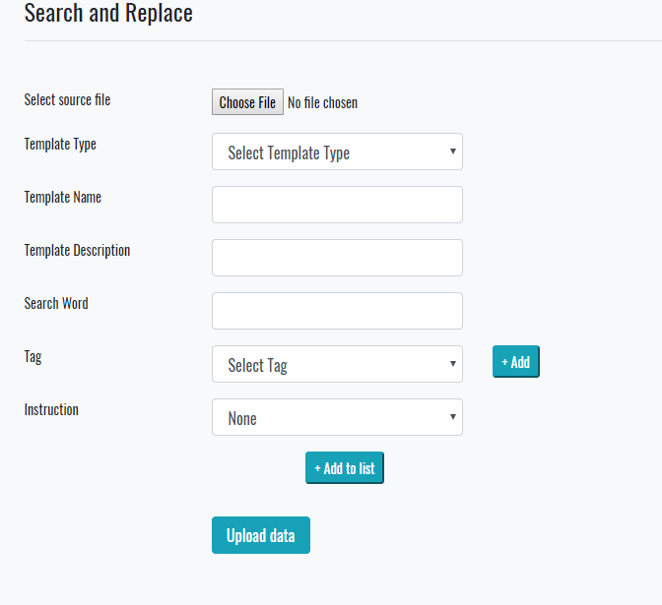 Create Filter and Template | 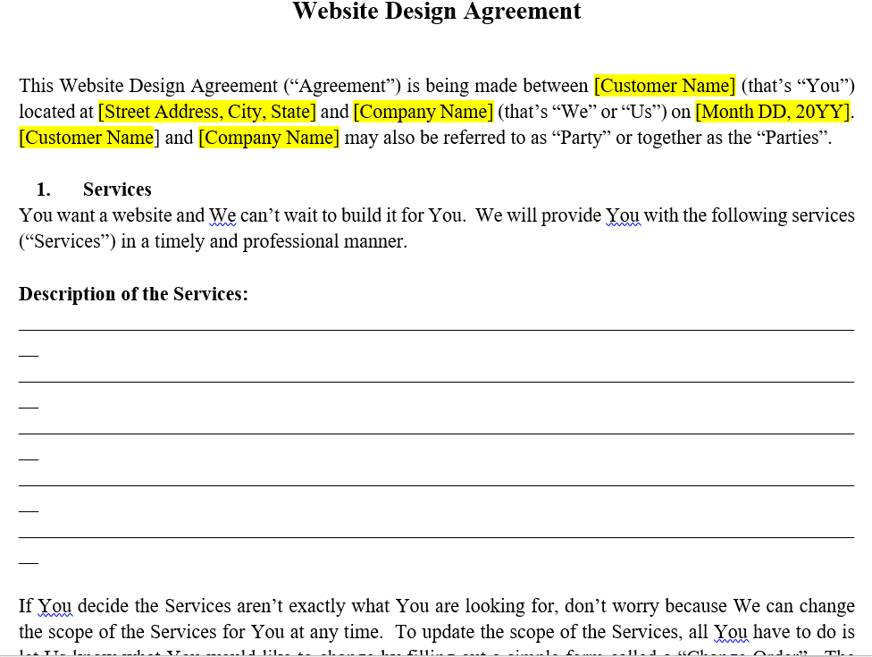 Document Display

FH20011

[Customer Name]

<1000003>

Create Filter & Templates

2ab Filter Maintain
 |  |  |  |  |  | HOME | ABOUT | CONTACT

Sector: Health Care and Social Assistance BP#: 0000000003 File Harmonizer #: 3941103810 User ID: ADMIN

 | * | Filter Name | Description | Source Filter Comments | Sector
 | o | FC1011 - termsExample | termsExample |  | AGR
 | o | FC1012 - HTest1_Client | HTest1_Client |  | AGR
 | o | FC4011 - atpExample | atpExample |  | CON
 | o | FC4012 - termsExample | termsExample | free text for comments | CON
 | o | FC1013 - Form Specification v7 | Form Specification v7 | Project Mgmnt Template | AGR
 | o | FC3011 - Form Specification v7 | Form Specification v7 | Project Mgmnt Template | UTL
 | o | FC1014 - Form Specification v7 | Form Specification v7 | Project Mgmnt Template | AGR
 | o | FC1015 - Transport List 12-18-2018 | Transport List 12-18-2018 | Golive preparedness | AGR

Create Filter & Templates

2ab Temp Maintain
 |  |  |  |  |  | HOME | ABOUT | CONTACT

Sector: Health Care and Social Assistance BP#: 0000000003 File Harmonizer #: 3941103810 User ID: ADMIN

 | * | File | Ext | Template | Sector
 | o | FH1011 - termsExample | doc | termsExample | AGR
 | o | FH1012 - HTest1_Client | doc | HTest1_Client | AGR
 | o | FH4011 - atpExample | doc | atpExample | CON
 | o | FH4012 - termsExample | doc | termsExample | CON
 | o | FH1013 - Form Specification v7 | doc | Form Specification v7 | AGR
 | o | FH3011 - Form Specification v7 | doc | Form Specification v7 | UTL
 | o | FH1014 - Form Specification v7 | doc | Form Specification v7 | AGR
 | o | FH1015 - Transport List 12-18-2018 | xls | Transport List 12-18-2018 | AGR

Create Filter & Templates

2ab Harmonized Files
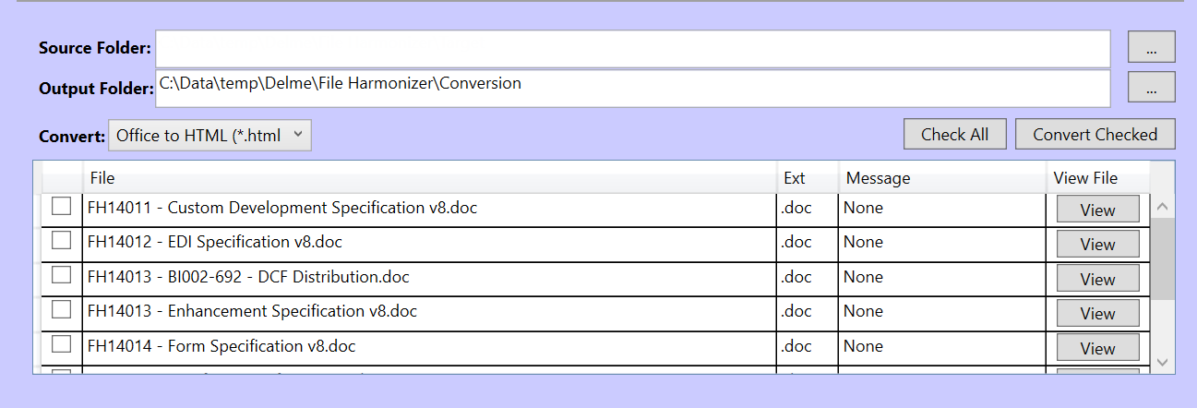
 | HOME | ABOUT | CONTACT

Sector: Health Care and Social Assistance BP#: 0000000003 File Harmonizer #: 3941103810 User ID: ADMIN

2ab Archive
 |  |  |  |  |  | HOME | ABOUT | CONTACT

Sector: Health Care and Social Assistance BP#: 0000000003 File Harmonizer #: 3941103810 User ID: ADMIN

 | * | File | Ext | Comments | Sector
 | o | FH1011 - AGR Archive | doc |  | AGR
 | o | FH1012 - HTest1 AGR Archive | doc | Test Archive | AGR
 | o | FH4011 - atpExample CON Archive | doc |  | CON
 | o | FH4012 - termsExample CON Archive | doc | Eample of Archive | CON
 | o | FH1013 - Form Specification Archive | doc |  | AGR
 | o | FH3011 - Form Specification 2017 Archive | doc |  | UTL
 | o | FH1014 - Form Specification 2018 | doc | 2018 Specifiation Archive | AGR
 | o | FH1015 - Transport List 12-18-2018 | xls |  | AGR

Create Filter & Templates

2ab Account Settings
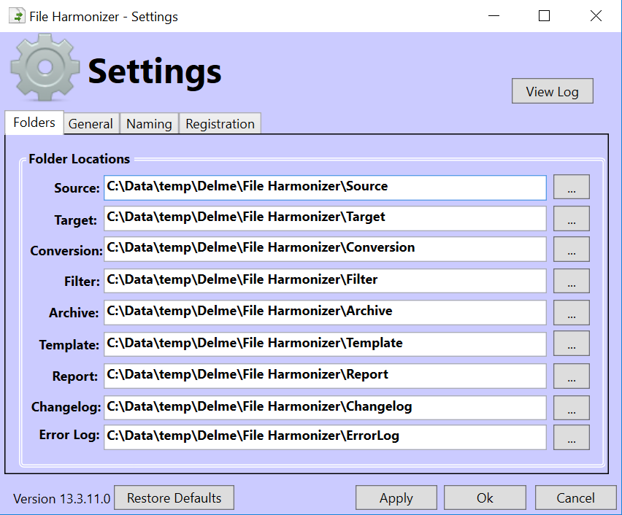
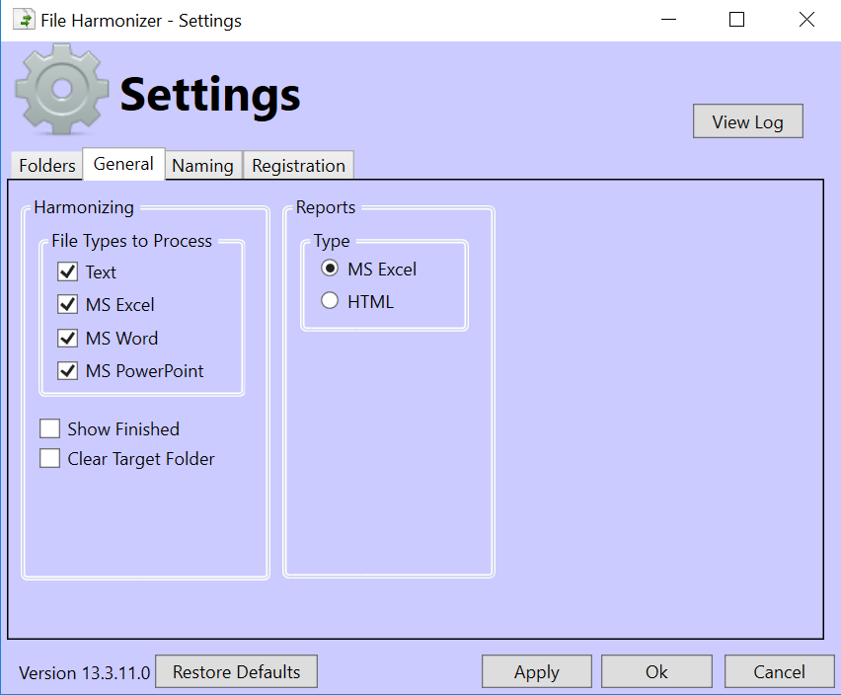
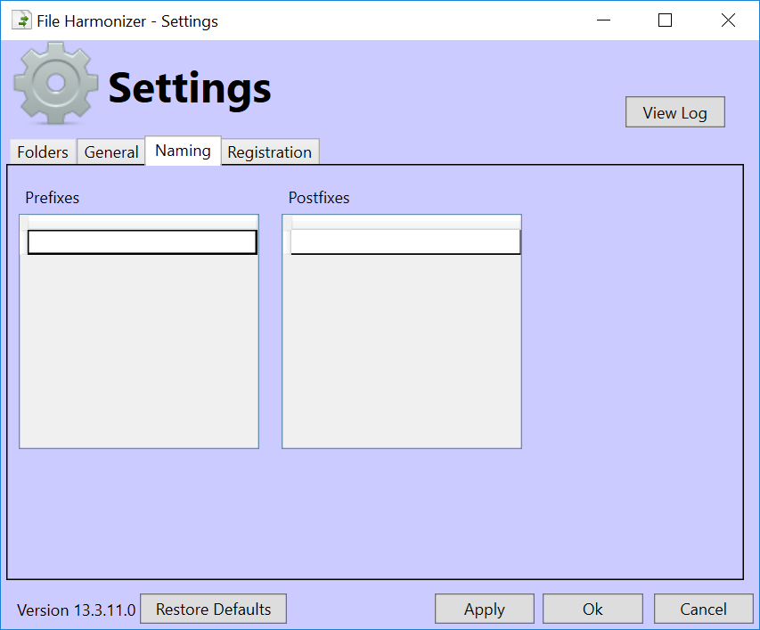
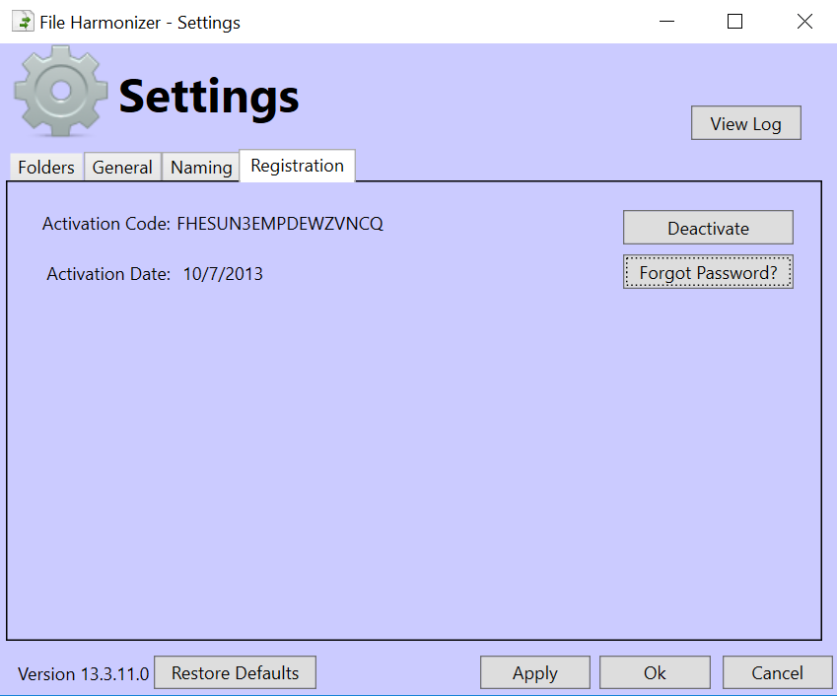
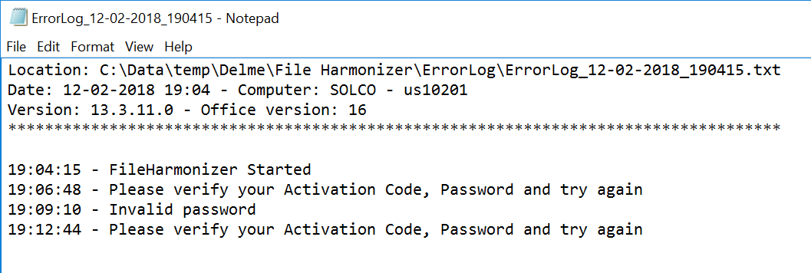
 | HOME | ABOUT | CONTACT

Sector: Health Care and Social Assistance BP#: 0000000003 File Harmonizer #: 3941103810 User ID: ADMIN

2ab Manage Filters
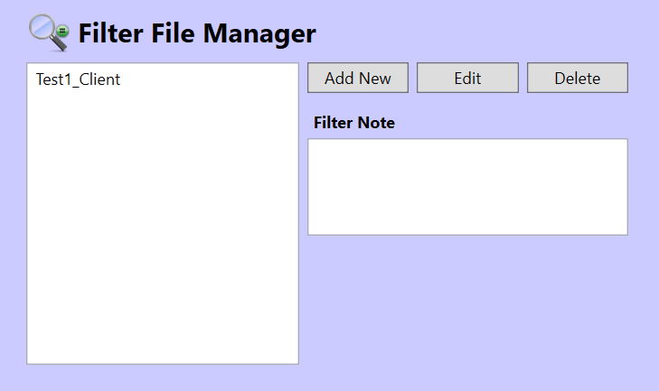
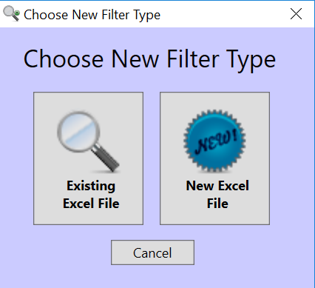
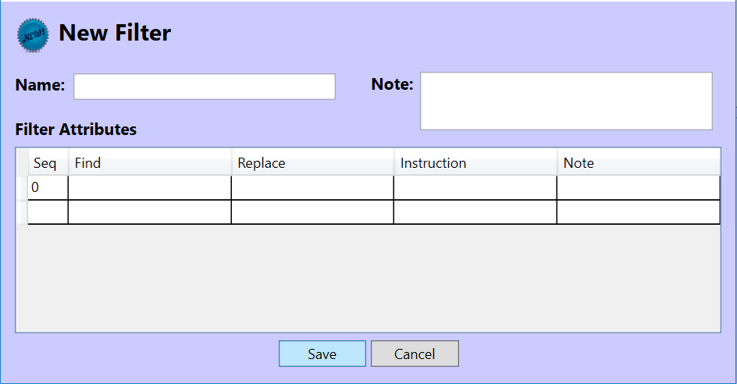
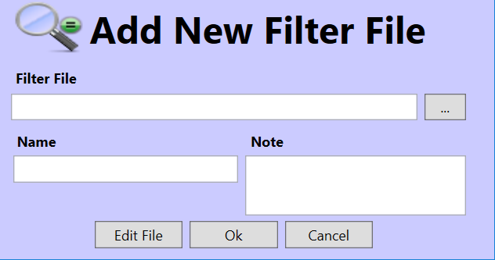
 | HOME | ABOUT | CONTACT

Sector: Health Care and Social Assistance BP#: 0000000003 File Harmonizer #: 3941103810 User ID: ADMIN

2ab Export
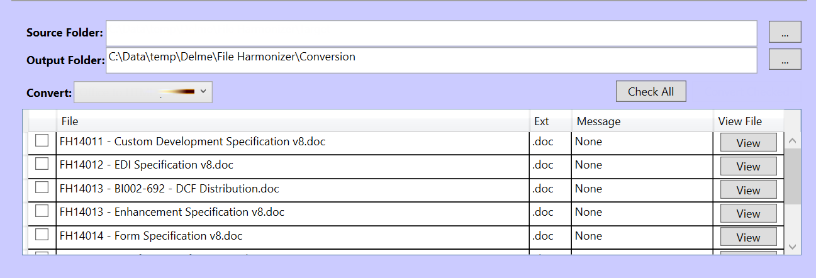
HOME | ABOUT | CONTACT

