Steps
1.3 | Steps

No. | Business Process Steps | Order Type/Code/Program | Input Data/Specific Information | Output Data/Results | Tester/Module | Pass/Fail Notes
1 | Register New Customer |  |  |  | Registration | Pass
2 | Verify FH# |  |  | 9410073976 | Maintain Tag |  | windowns power plus |  | 43.55 | 34% off 1st month
3 | Verify Customer Sector |  | Registered with Sector "Management-Scientific-and Technical Consulting services" | "Agriculture-Forestry-Fishing and Hunting" | Maintain Tag | Fail |  |  | 65.99 | 791.88
4 | Verify BP# |  |  | 0000001031 | Maintain Tag |  |  |  | 467
5 | Verify User ID |  |  | customer2 | Maintain Tag |  |  | Static/dedicated ip
6 | Verify my default/initial "Selection Sector" Type is the same as the Sector registered with |  | As a Customer to File Harmonizer My initial Sector is what I registered with | "Select Sector Type" |  | Not an error, prefer the default sector be selected in the drop-down |  | Administration access
7 | Verify Tags are prefilled |  | Sector tag should have the Sector Registered with "Management-Scientific-and Technical Consulting services" | Tag field is blank/empty |  | Fail
8 | Tags for derived fields should be populated |  | Today = system date, Time = system time, Country = register country value, etc | missing derived values |  | Fail
9 | Sign in |  | customer2 | forced to sign in again (repeatedly) every few minutes |  | Fail
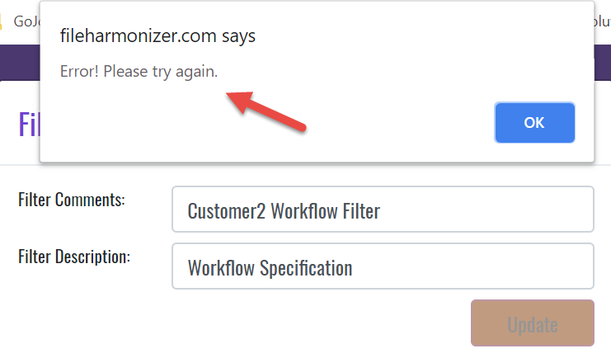
10 | Maintain Filter |  |  | Screen presentation is correct |  | Pass
11 | Maintain filter - Rename |  | Change file name - got error; added comment - got error | Get Error "please try again" |  | Fail
12 | Maintain Filter - Delete |  |  | TBD
13 | Maintain Tag |  | Registration values seems to be prefilled in the Tags | Derived valuse are TBD
14 | Create Template |  |  | Screen presentation is correct |  | Pass
15 | Maintain Template - Rename |  | Enter comment "Workflow" also set the Internal/External flag | Flag and Comment updated correctly |  | Pass
16 | Harmonize Template |  |  | Shows only the external template; Internal template will need to be harmonized also |  | Fail
17 | Maintain Template - View |  |  | Can display document |  | Pass
18 | Harmonize Template - View |  |  | Screen presentation is correct |  | Pass
19 | Harmonize Template |  |  | Cannot add Comments |  | Fail
20 | Harmonize Template |  |  | There is no Harmonize button |  | Fail
21 | Harmonize Template |  | Check and unCheck option works |  |  | Pass
22 | Harmonizer Template |  | Merge and Print and FH & Personal ID | TBD
23 | Maintain Template - Harmonize
24 | Maintain Template - Archive
25 | Maintain Template - Download
26 | Maintain Template - Print
27 | Maintain Template - Check/Uncheck
28 | Maintian Personal ID# or FH#
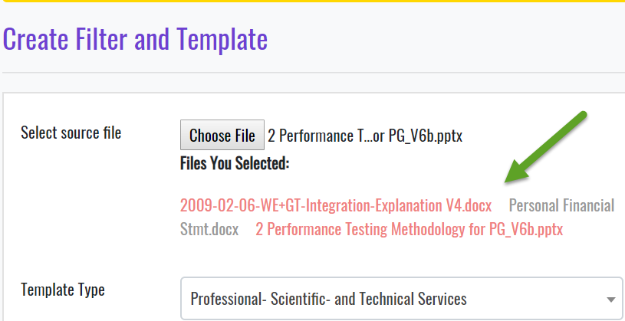
29 | Create Filter |  | Select multiple files | Not able to select a file to display (display last chosen file only) |  | Fail
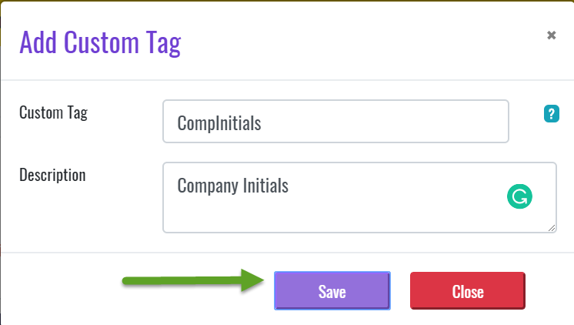
30 | Create Filter - Add new Tag |  | Entered CompInitials and Description | Click <Save> button nothing happen. Got no error message, custom tag not created. Had to <Close> without new Custom Tag |  | Fail
31 | Create Tag |  |  | January 21, 2009, 1/21/2009, 1-21-2009, 1/21, 1/2009,1/21/09, etc |  | Not an error, prefer to have a way to select date format
32 | Create Filter |  |  | Not able to remove a file from the "Select Source File" list |  | Fail
33 | Create Filter |  | Add many tags to the list from three file | Got error not able to save the file, all of my data added to the list was lost (this is very painful) |  | Fail
34
35
36
37
38

Additional information, screenshots, etc.
*Note: when adding additional information, please reference the specific step within the process
Step:
IT1: Did not try testing from Phone or App

