1. Home Page




Sign In Now



Sign In

 |  | How It Works

1. Join File Harmonizer (G) as an Individual |  |  | 1. Join File Harmonizder (G) as Business
Join Individually To save time completing forms and applications. Your first month is always free! |  |  | Join as a Business To to simplify redundant work processes; save time and money by reusing their intellectual property.

2. Maintain your information |  |  | 2. Load Forms and Appliations
Enter Basic Information. Select Industry Sectors your most likely to interact with. Update field indicators for information to be shared or kept private. |  |  | Convert Forms and Application to FH Templates or Hire FH Team to convert Business Forms and Applications documents

3. Save and Share FH # |  |  | 3. Review and Manage FH Templates
Save your User ID, Password and Unique FH#. Sign in often, to maintain the information. |  |  | Save your User ID, Password and Unique Business Partner (BP) ID. Stay logged in all day! Manage FH Templates for the Business: Activate, Deactivate, Archive, etc.

4. Try it out |  |  | 4. Try it out
Visit a FH Business Partner |  |  | Request FH # from your customer

FH#
BP#

 | 5. Individual visit FH Business Partner
 | Print Business Partner Template with individuals inforamation (FH#)

6. Individual Review |  |  | 6. Business Partner file away the Document
Review and Sign |  |  | Eliminates the need to transpose\transcribe Individuals hand written information, Eliminate the need to reenter paper replies into a system, import replies from FH, No need to discard paper applications with typos, no need to hand germy clip boards and pens to customers to fill out applications, Maintin the templates once, reuse the templates thousands of times, etc

2. Sign In
Welcome! Please Sign In

Sign In with Individual Id and Password

Sign In Page - Done Alread

Sign In with BP ID and Password

2a. Individual
Sign In with User Id and Password

OR

Sign In with BP ID and Password

File Harmonizer #: 3941103810 User ID: YZ00001

Maintain Default Values
My Templates
Create Filter
Harmonize
Account Settings

Manage Profile

List of Template Tags and Generic Tags. All values to be added to forms (G), or value not be added to forms per Sector (P) ** Prefer to fill this information in manually!
 | o | Business Partner | x | User ID | Repository Values per BP or User ID

Sector per Individual
 | List of my Templates

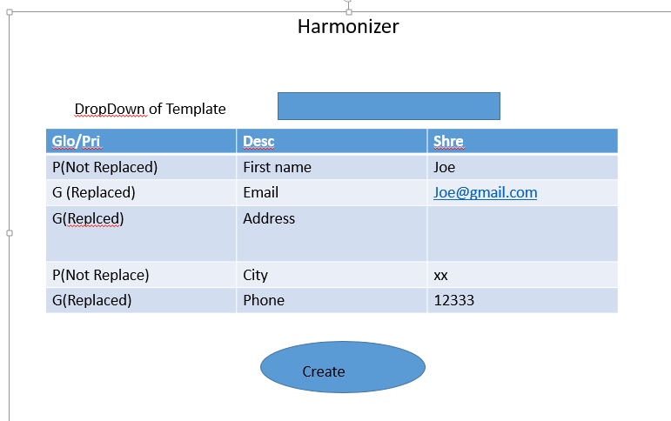

Update Values

2ab. Create Filter
Sign In with User Id and Password

OR

Sign In with BP ID and Password

Sector: Health Care and Social Assistance BP#: 0000000003 User ID: ADMIN

Home
Library
Create Filter
Harmonize
Manage Users

Double-Click or Drag-n-Drop
 | 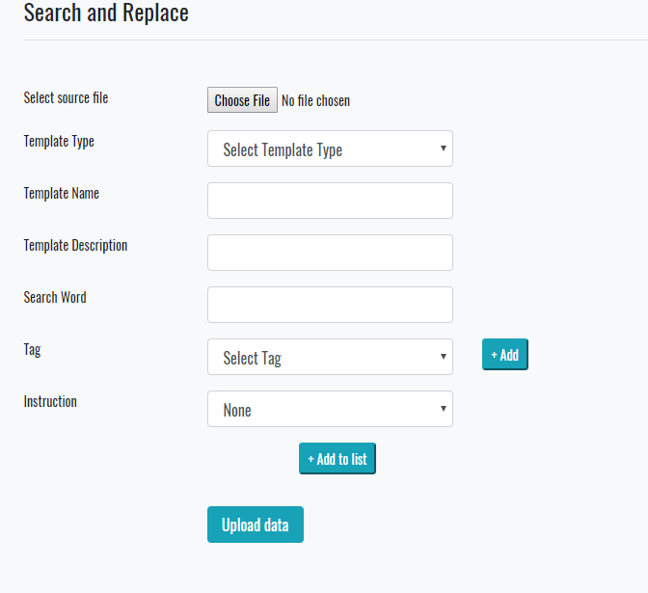 Create Filter and Template | 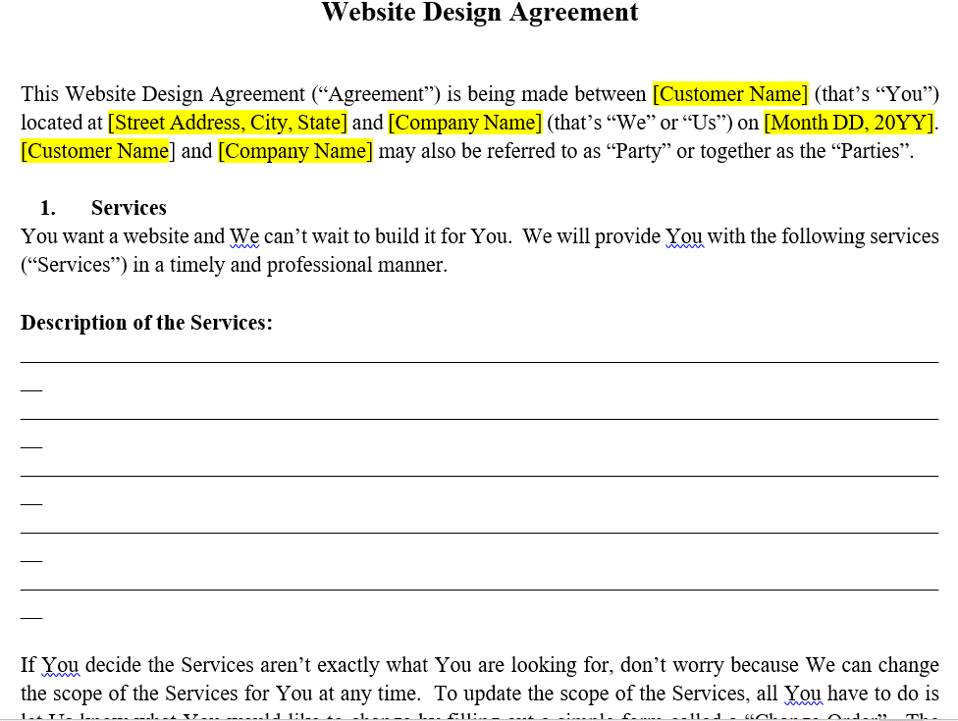 Document Display

FH20011

[Customer Name]

<1000003>

Save Values

2b. Partners
Sign In with User Id and Password

OR

Sign In with BP ID and Password

Sector: Health Care and Social Assistance BP#: 0000000003 User ID: ADMIN

Home
FH ID
Create Filter
Manage Users
Account Settings

 |  | All Harmonize Filter Tags per selected Template

Sector per BP
 | List of my BP Templates

Harmonize
Update Values

2b1. Partners FH ID
Sign In with User Id and Password

OR

Sign In with BP ID and Password

Sector: Health Care and Social Assistance BP#: 0000000003 User ID: ADMIN

Home
FH ID
Manage Users

 |  | All Harmonize Filter Tags per selected Template

 | List of my BP Templates

Harmonize
Update Values

2c. Repository
Sector: Health Care and Social Assistance BP#: 0000000001 User ID: ADMIN

Save
Repository

 | Commit Default Values To Database

1b. Start My Free Month
 |  | Select a plan for your 1-month free trial. Cancel anytime.

17% Saved
 | Consultant Monthly 1 month free trial then $29.99/month |  |  | Consultant Monthly 1 month free trial then $24.99/month

Try for free
Try for free

17% Saved
 | Partner Monthly 1 month free trial then $39.99/month |  |  | Partner Monthly 1 month free trial then $33.33/month

Try for free
Try for free

 | College Student Monthly 1 month free trial then $19.99/month |  |  | Reactivate $59.99

Try for free
Restore Account

 | File Harmonizer Team (negotiated pricing) |  |  | On Site Training (negotiated pricing)

Engage FH Team
Engage FH Team

 | Download to mobile app for offline viewing

 | Maintain personal information anytime on your computer or phone

 |  |  | F. A. Q.

Are the original documents modified by FH? |  |  |  |  | How fast can my information be available for medical forms
No, the original documents are not altered. |  |  |  |  | Your information is available immediately upon saving and is accessible to print onto partner forms (e.g. Medical), or downloaded to file, printed, or APP.

What does membership entail? |  |  |  |  | How secure are my document templates stored in File Harmonizer (G)?
Membership allows unlimited updates to documents. Allows You to manage whom your information is shared with and what information is shared about you (real-time). |  |  |  |  | File Harmonizer uses SSL (Secure Socket Layers) for data transfer, creating a secure tunnel protected by 128-bit or higher AES encryption. To protect your private information from unauthorized access, we have designed policies and controls to safeguard the collection, use, and disclosure of your information.

Can I cancel Anytime?
Yes. You can deactivate your File Harmonizer membership during your free trial or at anytime thereafter. Personal information uploaded can be used from Partner forms free, upto two months after cancellation.

* Prices may change based on the profile and the billing country information (used during sign-in or registration)

1c. Industry Sector
Workforce Tool for Industry
Maxamize efficiency while improving customer satisfaction





Reduce Rework
Do more with less




Improve Data Quality
Improved Customer Experience

1d. Reactivate
Forgot user name or password
Enter Previous User Id and Password

Rejoin

We hoped to see you again, so we archived a few of your things for you. Just the way you left them: * Folders * Filters * Templates * Sector Selection * Shared Personal Values

What new at FileHarmonizer.com

1e. Stats Page
Menu
Library
Defaults
Harmonize

Already a File Harmonizer member? Sign In Now
Start my free month

Standard Templates and Filters
122

81
Sector Template and Filters

3. FH Tech Support
Sign In with User Id and Password

OR

Sign In with BP ID and Password

User ID: ADMIN Selected Active BP#: 0000000003 Selected Active Sector: Health Care and Social Assistance

Maintain Projects
Business Partners
BP Users
Global Tags
Global Templates

Maintain CFilter
Maintain Sector
Maintain Industry
Maintain Category
Maintain HFilter

Maintain Address
Maintain Personal
Maintain BP
Maintain User PW
Maintain BP Validation

 | List of active Business Partners | List of Values

Save Values

