Hoja1 (2)
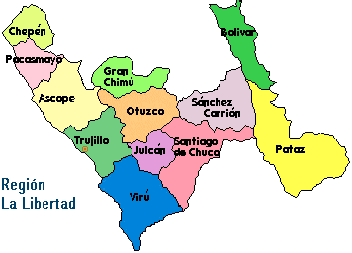
 | 1 | 2 | 3 | 4 | 5 | 6 | 7 | 8 | 9 | 10 | 11 | 12 | 13 | 14 | 15 | 16 | 17 | 18 | 19 | 20 | 21 | 22 | 23 | 24
1
2
3 |  |  |  |  |  |  |  |  |  |  |  |  |  |  |  |  |  |  |  |  |  |  |  |  | Chepen | 39 |  | {'Chepen': [2, 3],
4 |  |  |  |  |  |  |  |  |  |  |  |  |  |  |  |  |  |  |  |  |  |  |  |  | pacasmayo | 35 | 'Pacasmayo': [6, 3],
5 |  |  |  |  |  |  |  |  |  |  |  |  |  |  |  |  |  |  |  |  |  |  |  |  | ascope | 21 | 'Ascope': [8, 5],
6 |  |  |  |  |  |  |  |  |  |  |  |  |  |  |  |  |  |  |  |  |  |  |  |  | trujillo | 16 | 'Trujillo': [11, 7],
7 |  |  |  |  |  |  |  |  |  |  |  |  |  |  |  |  |  |  |  |  |  |  |  |  | Viru | 14 | 'Viru': [14, 11],
8 |  |  |  |  |  |  |  |  |  |  |  |  |  |  |  |  |  |  |  |  |  |  |  |  | granchimu | 18 | 'Chimu': [7, 9],
9 |  |  |  |  |  |  |  |  |  |  |  |  |  |  |  |  |  |  |  |  |  |  |  |  | otuzco | 15 | 'Otuzco': [9, 11],
10 |  |  |  |  |  |  |  |  |  |  |  |  |  |  |  |  |  |  |  |  |  |  |  |  | julcan | 11 | 'Julcan': [12, 11],
11 |  |  |  |  |  |  |  |  |  |  |  |  |  |  |  |  |  |  |  |  |  |  |  |  | chuco | 10 | 'Chuco':[13, 13],
12 |  |  |  |  |  |  |  |  |  |  |  |  |  |  |  |  |  |  |  |  |  |  |  |  | carrion | 10 | 'Carrion':[9, 15 ],
13 |  |  |  |  |  |  |  |  |  |  |  |  |  |  |  |  |  |  |  |  |  |  |  |  | bolivar | 11 | 'Bolivar':[6, 17],
14 |  |  |  |  |  |  |  |  |  |  |  |  |  |  |  |  |  |  |  |  |  |  |  |  | pataz | 0 | 'Pataz':[12, 22]}
15
16
17
18

