ga1
Glancing angle |  | Experimenters:
Version: 13 |  |  |  |  |  | Close shutter at end? |  | Yes | Add element to filename? | No | Number of repetitions | 1
 |  |  | Orientation |  | para |  |  |  |  |  | Retraction distance | 10
 | File name |  | Scan numbers |  |  | Photon delivery |  |  | Glancing angle | Sample metadata |  |  | XAFS Scan parameters |  |  | Motor position
Spinner number | Measure this spinner? | Filename | Number of repetitions | Starting scan number | Spin? | Element symbol | Absorption edge | Focused/ unfocused beam | Sample pitch (deg) | Sample composition or stoichiometry | Preparation of sample for XAS measurement | Comment – anything else you want to say about your sample | Scan boundaries | Step sizes | Integration times | Detector X | Alignment method | Sample pitch abs. pos. (deg) | Sample y abs. pos. (mm) | Slit width (absolute width, mm) | Slit height (absolute height, mm)
Default | Yes | best_sample_ever | 1 | next | Yes | Cu | K | focused | 2 | YBa2Cu3O7 | film on substrate | Welcome to BMM | -200 -30 -10 25 15k | 10 2 0.5 0.05k | 1 1 1 1 |  | Automatic
1 | Yes
2 | Yes
3 | Yes
4 | Yes
5 | Yes
6 | Yes
7 | Yes
8 | Yes

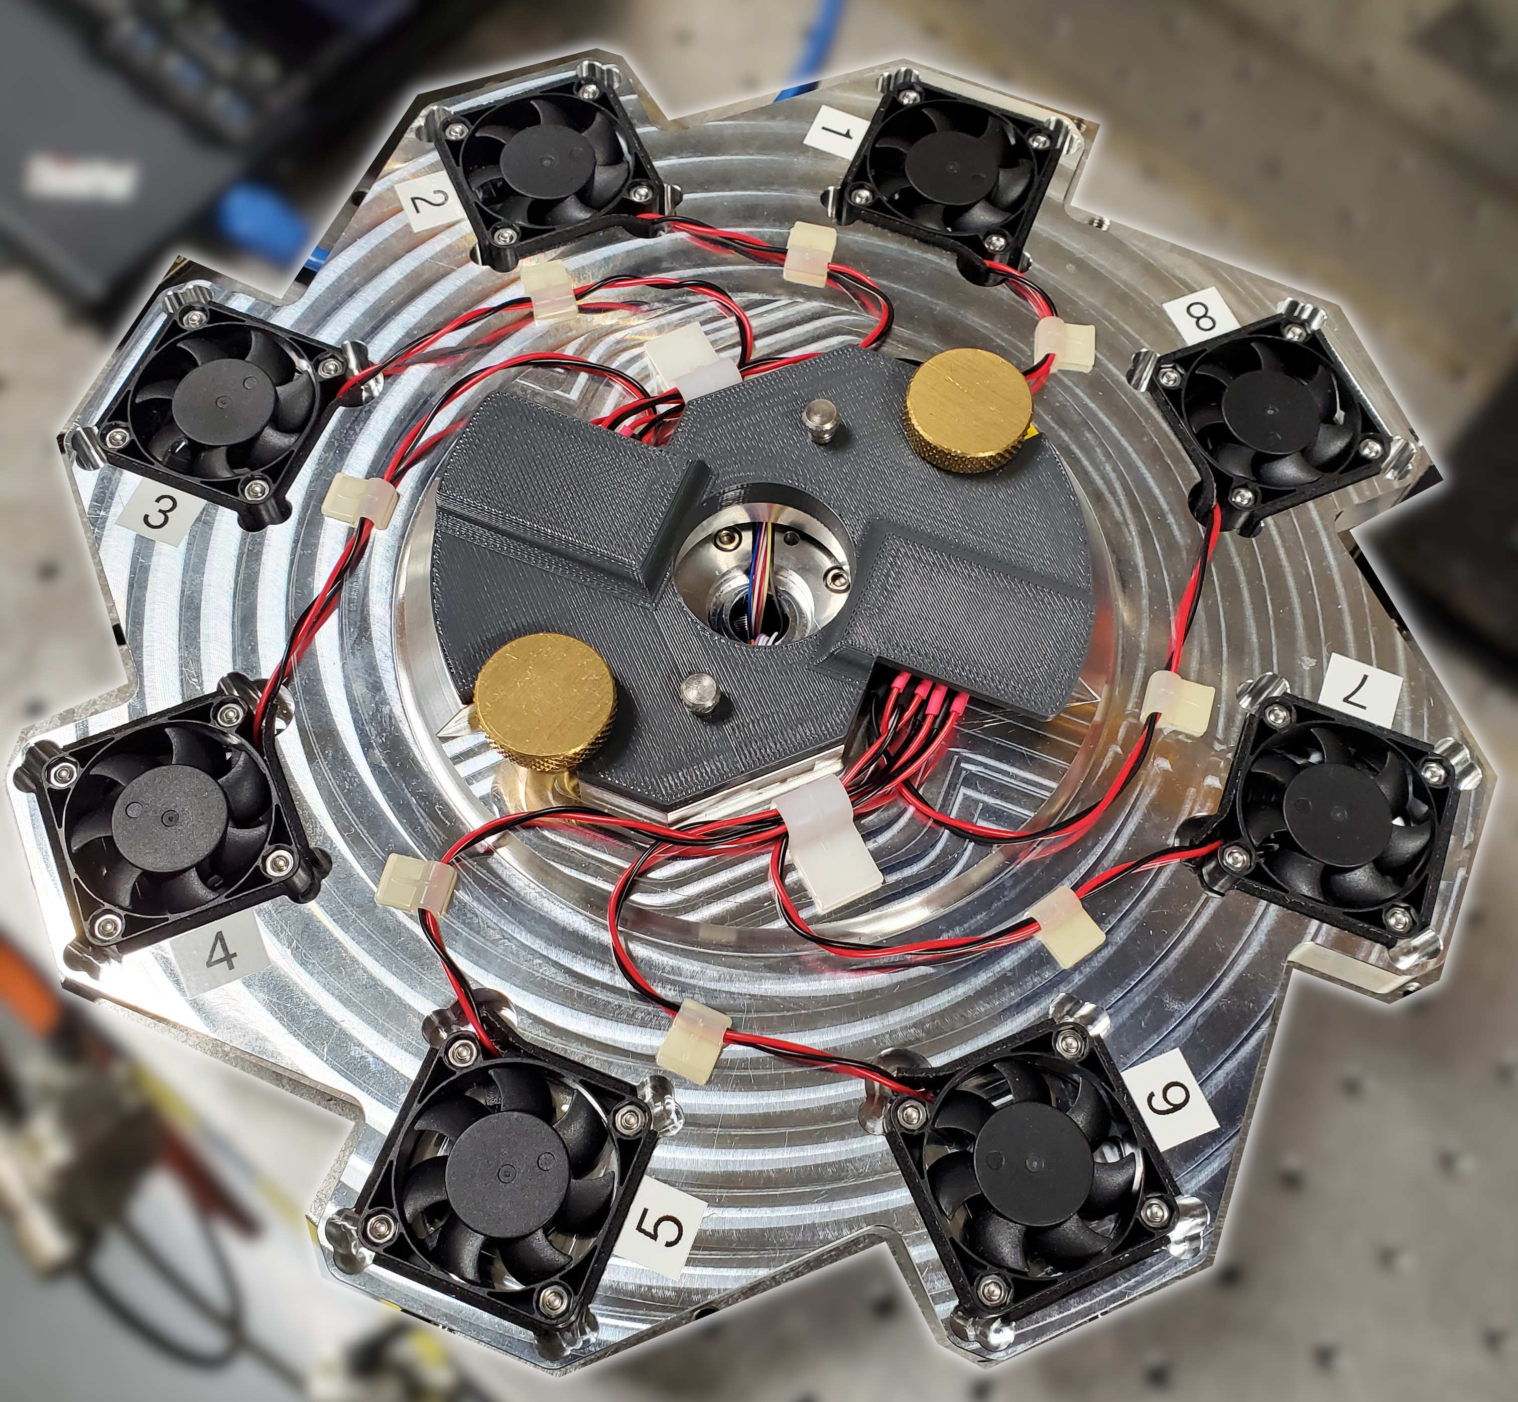
Instructions:
1. Add the names of all team members to the green box in row 1
2. Orientation (cell G3): para = sample surface parallel to X-ray electric vector / perp = perpendicular
3. Default values for all parameters go in line 6
4. Sample-specific parameters are entered in rows 7+
5. Default values from line 6 will be used for all cells left blank in rows 7+
6. Specify pitch and y motor positions and the method for finding them in columns S, T, U
7. If column S is “Manual”, columns T and U must be filled in
8. Specify detector position in column R, blank means to not move detector
9. Do not add rows above row 7
10. Do not add columns before column AG

ga2
Glancing angle |  | Experimenters:
Version: 13 |  |  |  |  |  | Close shutter at end? |  | Yes | Add element to filename? | No | Number of repetitions | 1
 |  |  | Orientation |  | para |  |  |  |  |  | Retraction distance | 10
 | File name |  | Scan numbers |  |  | Photon delivery |  |  | Glancing angle | Sample metadata |  |  | XAFS Scan parameters |  |  | Motor position
Spinner number | Measure this spinner? | Filename | Number of repetitions | Starting scan number | Spin? | Element symbol | Absorption edge | Focused/ unfocused beam | Sample pitch (deg) | Sample composition or stoichiometry | Preparation of sample for XAS measurement | Comment – anything else you want to say about your sample | Scan boundaries | Step sizes | Integration times | Detector X | Alignment method | Sample pitch abs. pos. (deg) | Sample y abs. pos. (mm) | Slit width (absolute width, mm) | Slit height (absolute height, mm)
Default | Yes | best_sample_ever | 1 | next | Yes | Cu | K | focused | 2 | YBa2Cu3O7 | film on substrate | Welcome to BMM | -200 -30 -10 25 15k | 10 2 0.5 0.05k | 1 1 1 1 |  | Automatic
1 | Yes
2 | Yes
3 | Yes
4 | Yes
5 | Yes
6 | Yes
7 | Yes
8 | Yes

Instructions:
1. Add the names of all team members to the green box in row 1
2. Orientation (cell G3): para = sample surface parallel to X-ray electric vector / perp = perpendicular
3. Default values for all parameters go in line 6
4. Sample-specific parameters are entered in rows 7+
5. Default values from line 6 will be used for all cells left blank in rows 7+
6. Specify pitch and y motor positions and the method for finding them in columns S, T, U
7. If column S is “Manual”, columns T and U must be filled in
8. Specify detector position in column R, blank means to not move detector
9. Do not add rows above row 7
10. Do not add columns before column AG

ga3
Glancing angle |  | Experimenters:
Version: 13 |  |  |  |  |  | Close shutter at end? |  | Yes | Add element to filename? | No | Number of repetitions | 1
 |  |  | Orientation |  | para |  |  |  |  |  | Retraction distance | 10
 | File name |  | Scan numbers |  |  | Photon delivery |  |  | Glancing angle | Sample metadata |  |  | XAFS Scan parameters |  |  | Motor position
Spinner number | Measure this spinner? | Filename | Number of repetitions | Starting scan number | Spin? | Element symbol | Absorption edge | Focused/ unfocused beam | Sample pitch (deg) | Sample composition or stoichiometry | Preparation of sample for XAS measurement | Comment – anything else you want to say about your sample | Scan boundaries | Step sizes | Integration times | Detector X | Alignment method | Sample pitch abs. pos. (deg) | Sample y abs. pos. (mm) | Slit width (absolute width, mm) | Slit height (absolute height, mm)
Default | Yes | best_sample_ever | 1 | next | Yes | Cu | K | focused | 2 | YBa2Cu3O7 | film on substrate | Welcome to BMM | -200 -30 -10 25 15k | 10 2 0.5 0.05k | 1 1 1 1 |  | Automatic
1 | Yes
2 | Yes
3 | Yes
4 | Yes
5 | Yes
6 | Yes
7 | Yes
8 | Yes

Instructions:
1. Add the names of all team members to the green box in row 1
2. Orientation (cell G3): para = sample surface parallel to X-ray electric vector / perp = perpendicular
3. Default values for all parameters go in line 6
4. Sample-specific parameters are entered in rows 7+
5. Default values from line 6 will be used for all cells left blank in rows 7+
6. Specify pitch and y motor positions and the method for finding them in columns S, T, U
7. If column S is “Manual”, columns T and U must be filled in
8. Specify detector position in column R, blank means to not move detector
9. Do not add rows above row 7
10. Do not add columns before column AG

