wheel1
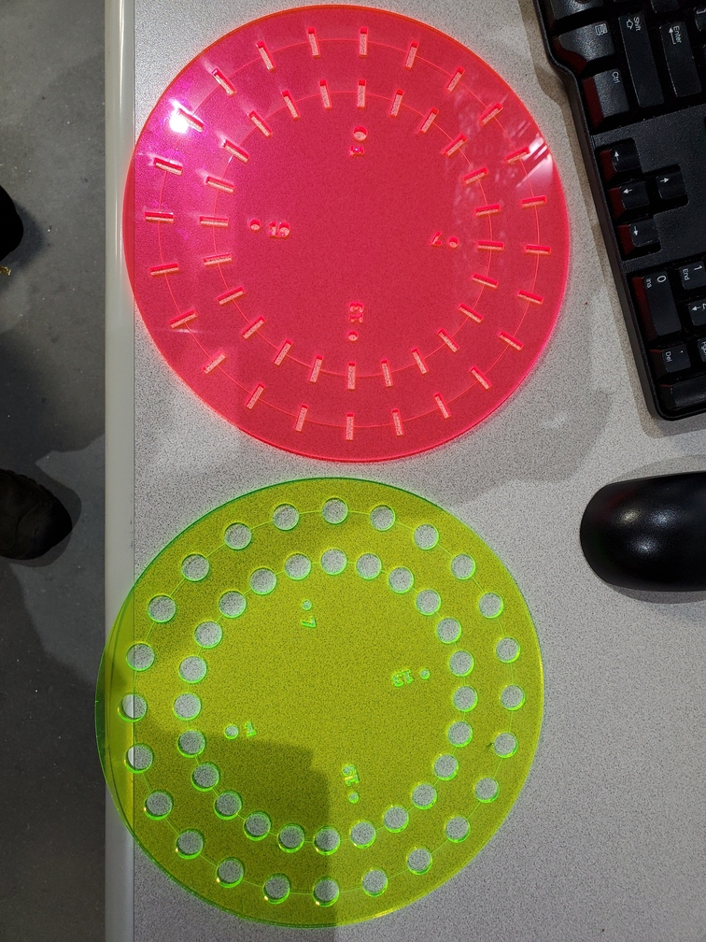
Double wheel |  |  | Experimenters: | XAS course 2024
Version: 13 |  |  |  |  |  |  | Close shutter at end? |  | Yes | Add element to filename? | Element at beginning | Number of repetitions | 1

 |  | File name |  | Scan numbers and plotting |  |  | Photon delivery |  |  | Sample metadata |  |  | Scan parameters |  |  | Motors
Slot number | Ring | Measure this slot? | Filename | Number of repetitions | Starting scan number | Plotting mode | Element symbol | Absorption edge | Focused/ unfocused beam | Sample composition or stoichiometry | Preparation of sample for XAS measurement | Comment – anything else you want to say about your sample | Scan boundaries | Step sizes | Integration times | Detector X | Sample X (absolute position, mm) | Sample y (absolute position, mm) | Slit width (absolute width, mm) | Slit height (absolute height, mm)
Default | Outer | Yes | best_sample_ever | 1 | next | transmission | Mn | K | unfocused | YBa2Cu3O7 | powder on tape | Welcome to BMM | -200 -30 -10 25 13k | 10 2 0.3 0.05k | 0.5 0.5 0.5 0.5
1 | Outer | No | Manganosite |  |  |  |  |  |  | MnO | PEG pellet |  |  |  |  | 205
2 | Outer | No | Mnfoil |  |  | reference |  |  |  | Mn foil | foil |  |  |  |  | 205
3 | Outer | Yes | Bixbyite |  |  |  |  |  |  | Mn2O3 | PEG pellet |  |  |  |  | 205
4 | Outer | Yes | Pyrolucite |  |  |  |  |  |  | MnO2 | PEG pellet |  |  |  |  | 205
5 | Outer | Yes | Rhodocrosite |  |  |  |  |  |  | MnCO3 | PEG pellet |  |  |  |  | 205
9 | Outer | Yes | Babingtonite |  |  | both |  |  |  | Ca2Fe0.75Mn0.25FeSi5O14(OH) | PEG pellet | Babingtonite, CM14452; Lane's Quarry, Westfield, Hampden County, Massachusetts | -200 -30 -10 25 560 |  | 1 1 1 1 | 40
9 | Outer | Yes | Babingtonite |  |  | both | Fe |  |  | Ca2Fe0.75Mn0.25FeSi5O14(OH) | PEG pellet | Babingtonite, CM14452; Lane's Quarry, Westfield, Hampden County, Massachusetts | -200 -30 -10 25 560 |  | 1 1 1 1 | 120
7 | Outer | No
8 | Outer | No
9 | Outer | No
10 | Outer | No
11 | Outer | No
12 | Outer | No
13 | Outer | No
14 | Outer | No
15 | Outer | No
16 | Outer | No
17 | Outer | No
18 | Outer | No
19 | Outer | No
20 | Outer | No
21 | Outer | No
22 | Outer | No
23 | Outer | No
24 | Outer | No
1 | Inner | No
2 | Inner | No
3 | Inner | No
4 | Inner | No
5 | Inner | No
6 | Inner | No
7 | Inner | No
8 | Inner | No
9 | Inner | No
10 | Inner | No
11 | Inner | No
12 | Inner | No
13 | Inner | No
14 | Inner | No
15 | Inner | No
16 | Inner | No
17 | Inner | No
18 | Inner | No
Instructions:
1. Add the names of all team members to the green box in row 1
2. Default values for all parameters go in line 6
3. Sample-specific parameters are entered in rows 7+
4. Default values from line 6 will be used for all cells left blank in rows 7+
5. Specify motor/slit positions in columns S,T,U,V; leave blank for no motion
6. Specify detector position in column R, blank means to not move the detector
6. Do not add rows above row 7
7. Do not add columns before column AF
8. The wheel is correctly mounted if the numbers can be read when facing the wheel
19 | Inner | No
20 | Inner | No
21 | Inner | No
22 | Inner | No
23 | Inner | No
24 | Inner | No

wheel2
Double wheel |  |  | Experimenters:
Version: 13 |  |  |  |  |  |  | Close shutter at end? |  | Yes | Add element to filename? | Element at beginning | Number of repetitions | 1

 |  | File name |  | Scan numbers and plotting |  |  | Photon delivery |  |  | Sample metadata |  |  | Scan parameters |  |  | Motors
Slot number | Ring | Measure this slot? | Filename | Number of repetitions | Starting scan number | Plotting mode | Element symbol | Absorption edge | Focused/ unfocused beam | Sample composition or stoichiometry | Preparation of sample for XAS measurement | Comment – anything else you want to say about your sample | Scan boundaries | Step sizes | Integration times | Detector X | Sample X (absolute position, mm) | Sample y (absolute position, mm) | Slit width (absolute width, mm) | Slit height (absolute height, mm)
Default | Outer | Yes | best_sample_ever | 1 | next | transmission | Cu | K | unfocused | YBa2Cu3O7 | powder on tape | Welcome to BMM | -200 -30 -10 25 13k | 10 2 0.3 0.05k | 0.5 0.5 0.5 0.5
1 | Outer | No
14 | Outer | No | ZnO |  |  |  | Zn |  |  | ZnO |  | sample courtesy Martin Stennett, University of Sheffield |  |  |  | 205
16 | Outer | No | Willemite |  |  |  | Zn |  |  | Zn2SiO4 |  | sample courtesy Martin Stennett, University of Sheffield |  |  |  | 205
19 | Outer | No | Hardystonite |  |  |  | Zn |  |  | Ca2ZnSi2O7 |  | sample courtesy Martin Stennett, University of Sheffield |  |  |  | 205
18 | Outer | No | Petedunnite |  |  | both | Zn |  |  | Ca(Zn,Mn,Fe,Mg)Si2O6 |  | sample courtesy Martin Stennett, University of Sheffield |  |  | 1 1 1 1 | 53
18 | Outer | Yes | Petedunnite |  |  | both | Fe |  |  | Ca(Zn,Mn,Fe,Mg)Si2O6 |  | sample courtesy Martin Stennett, University of Sheffield |  |  | 1 1 1 1 | 35
18 | Outer | No | Petedunnite |  |  | both | Mn |  |  | Ca(Zn,Mn,Fe,Mg)Si2O6 |  | sample courtesy Martin Stennett, University of Sheffield |  |  | 1 1 1 1
7 | Outer | No
8 | Outer | No
9 | Outer | No
10 | Outer | No
11 | Outer | No
12 | Outer | No
13 | Outer | No
14 | Outer | No
15 | Outer | No
16 | Outer | No
17 | Outer | No
18 | Outer | No
19 | Outer | No
20 | Outer | No
21 | Outer | No
22 | Outer | No
23 | Outer | No
24 | Outer | No
1 | Inner | No
2 | Inner | No
3 | Inner | No
4 | Inner | No
5 | Inner | No
6 | Inner | No
7 | Inner | No
8 | Inner | No
9 | Inner | No
10 | Inner | No
11 | Inner | No
12 | Inner | No
13 | Inner | No
14 | Inner | No
15 | Inner | No
16 | Inner | No
17 | Inner | No
18 | Inner | No
19 | Inner | No
20 | Inner | No
Instructions:
1. Add the names of all team members to the green box in row 1
2. Default values for all parameters go in line 6
3. Sample-specific parameters are entered in rows 7+
4. Default values from line 6 will be used for all cells left blank in rows 7+
5. Specify motor/slit positions in columns S,T,U,V; leave blank for no motion
6. Specify detector position in column R, blank means to not move the detector
6. Do not add rows above row 7
7. Do not add columns before column AF
8. The wheel is correctly mounted if the numbers can be read when facing the wheel
21 | Inner | No
22 | Inner | No
23 | Inner | No
24 | Inner | No

wheel3
Double wheel |  |  | Experimenters:
Version: 13 |  |  |  |  |  |  | Close shutter at end? |  | Yes | Add element to filename? | No | Number of repetitions | 1

 |  | File name |  | Scan numbers and plotting |  |  | Photon delivery |  |  | Sample metadata |  |  | Scan parameters |  |  | Motors
Slot number | Ring | Measure this slot? | Filename | Number of repetitions | Starting scan number | Plotting mode | Element symbol | Absorption edge | Focused/ unfocused beam | Sample composition or stoichiometry | Preparation of sample for XAS measurement | Comment – anything else you want to say about your sample | Scan boundaries | Step sizes | Integration times | Detector X | Sample X (absolute position, mm) | Sample y (absolute position, mm) | Slit width (absolute width, mm) | Slit height (absolute height, mm)
Default | Outer | Yes | best_sample_ever | 1 | next | transmission | Cu | K | unfocused | YBa2Cu3O7 | powder on tape | Welcome to BMM | -200 -30 -10 25 15k | 10 2 0.3 0.05k | 0.5 0.5 0.5 0.5
1 | Outer | Yes
2 | Outer | Yes
3 | Outer | Yes
4 | Outer | Yes
5 | Outer | Yes
6 | Outer | Yes
7 | Outer | Yes
8 | Outer | Yes
9 | Outer | Yes
10 | Outer | Yes
11 | Outer | Yes
12 | Outer | Yes
13 | Outer | Yes
14 | Outer | Yes
15 | Outer | Yes
16 | Outer | Yes
17 | Outer | Yes
18 | Outer | Yes
19 | Outer | Yes
20 | Outer | Yes
21 | Outer | Yes
22 | Outer | Yes
23 | Outer | Yes
24 | Outer | Yes
1 | Inner | Yes
2 | Inner | Yes
3 | Inner | Yes
4 | Inner | Yes
5 | Inner | Yes
6 | Inner | Yes
7 | Inner | Yes
8 | Inner | Yes
9 | Inner | Yes
10 | Inner | Yes
11 | Inner | Yes
12 | Inner | Yes
13 | Inner | Yes
14 | Inner | Yes
15 | Inner | Yes
16 | Inner | Yes
17 | Inner | Yes
18 | Inner | Yes
19 | Inner | Yes
20 | Inner | Yes
21 | Inner | Yes
22 | Inner | Yes
23 | Inner | Yes
24 | Inner | Yes
Instructions:
1. Add the names of all team members to the green box in row 1
2. Default values for all parameters go in line 6
3. Sample-specific parameters are entered in rows 7+
4. Default values from line 6 will be used for all cells left blank in rows 7+
5. Specify motor/slit positions in columns S,T,U,V; leave blank for no motion
6. Specify detector position in column R, blank means to not move the detector
6. Do not add rows above row 7
7. Do not add columns before column AF
8. The wheel is correctly mounted if the numbers can be read when facing the wheel

