Sheet1
Sample wheel |  | Experimenters: | User One / User Two / User Three
 |  |  | Change edge at start? |  | No | Close shutter at end? |  | Yes | Add element to filename? | No

 | File name |  | Scan numbers and plotting |  |  | Photon delivery |  |  | Sample metadata |  |  | Scan parameters |  |  | Motors |  |  |  | Ancillary information
Slot number | Measure this slot? | Filename | Number of repetitions | Starting scan number | Plotting mode | Element symbol | Absorption edge | Focused/ unfocused beam | Sample composition or stoichiometry | Preparation of sample for XAS measurement | Comment – anything else you want to say about your sample | Scan boundaries | Step sizes | Integration times | Sample X (absolute position, mm) | Sample y (absolute position, mm) | Slit width (absolute width, mm) | Detector X | URL | DOI | CIF
Default | Yes | best_sample_ever | 3 | next | both | Ti | K | unfocused | YBa2Cu3O7 | Powder in PEG | Welcome to BMM | -200 -30 -10 30 12k | 10 2 0.5 0.05k | 1 1 1 1
21 | No | TiO2-A | 1 |  |  | Ti | K |  | TiO2 - anatase | Powder on tape |  |  | 10 2 0.2 0.05k |  |  |  |  | 28
22 | No | FeTiO3 | 1 |  |  | Fe | K |  | FeTiO3 | Powder on tape |  |  | 10 2 0.2 0.05k |  |  |  |  | 210
1 | No | DyTO_Dy | 3 |  |  | Dy | L3 |  | Dy2TiO5 |  |  |  |  |  |  |  |  | 120
1 | No | DyTO_Ti | 8 |  |  | Ti | K |  | Dy2TiO5 |  |  |  | 10 2 0.2 0.05k |  |  |  |  | 28
14 | No | YbTFO_Yb | 3 |  |  | Yb | L3 |  | Yb2Ti0.75Fe0.25O5 |  | 1500(48) |  |  |  |  |  |  | 200
14 | No | YbTFO_Ti | 8 |  |  | Ti | K |  | Yb2Ti0.75Fe0.25O5 |  | 1500(48) |  | 10 2 0.2 0.05k |  |  |  |  | 28
14 | No | YbTFO_Fe | 8 |  |  | Fe | K |  | Yb2Ti0.75Fe0.25O5 |  | 1500(48) |  | 10 2 0.2 0.05k |  |  |  |  | 60
13 | No | DyTFO_Dy | 1 |  |  | Dy | L3 |  | Dy2Ti0.75Fe0.25O5 |  | 1500(48) |  |  |  |  |  |  | 120
13 | Yes | DyTFO_Ti | 8 |  |  | Ti | K |  | Dy2Ti0.75Fe0.25O5 |  | 1500(48) |  | 10 2 0.2 0.05k |  |  |  |  | 28
13 | Yes | DyTFO_Fe | 8 |  |  | Fe | K |  | Dy2Ti0.75Fe0.25O5 |  | 1500(48) |  | 10 2 0.2 0.05k |  |  |  |  | 80
6 | No | DyLaT_18_Dy | 1 |  |  | Dy | L3 |  | Dy1.8La0.2TiO5 |  | 1250(12)1500(24)1550(48) |  |  |  |  |  |  | 120
6 | No | DyLaT_18_La | 1 |  |  | La | L3 |  | Dy1.8La0.2TiO5 |  | 1250(12)1500(24)1550(48) |  |  |  |  |  |  | 28
6 | No | DyLaT_18_Ti | 1 |  |  | Ti | K |  | Dy1.8La0.2TiO5 |  | 1250(12)1500(24)1550(48) |  | 10 2 0.2 0.05k |  |  |  |  | 28
7 | No | DyLaT_16_Dy | 1 |  |  | Dy | L3 |  | Dy1.6La0.4TiO5 |  | 1250(12)1500(24)1550(48) |  |  |  |  |  |  | 120
7 | No | DyLaT_16_La | 1 |  |  | La | L3 |  | Dy1.6La0.4TiO5 |  | 1250(12)1500(24)1550(48) |  |  |  |  |  |  | 28
7 | No | DyLaT_16_Ti | 1 |  |  | Ti | K |  | Dy1.6La0.4TiO5 |  | 1250(12)1500(24)1550(48) |  | 10 2 0.2 0.05k |  |  |  |  | 28
8 | No | DyLaT_12_Dy | 1 |  |  | Dy | L3 |  | Dy1.2La0.8TiO5 |  | 1250(12)1500(24)1550(48) |  |  |  |  |  |  | 120
8 | No | DyLaT_12_La | 1 |  |  | La | L3 |  | Dy1.2La0.8TiO5 |  | 1250(12)1500(24)1550(48) |  |  |  |  |  |  | 28
8 | No | DyLaT_12_Ti | 1 |  |  | Ti | K |  | Dy1.2La0.8TiO5 |  | 1250(12)1500(24)1550(48) |  | 10 2 0.2 0.05k |  |  |  |  | 28

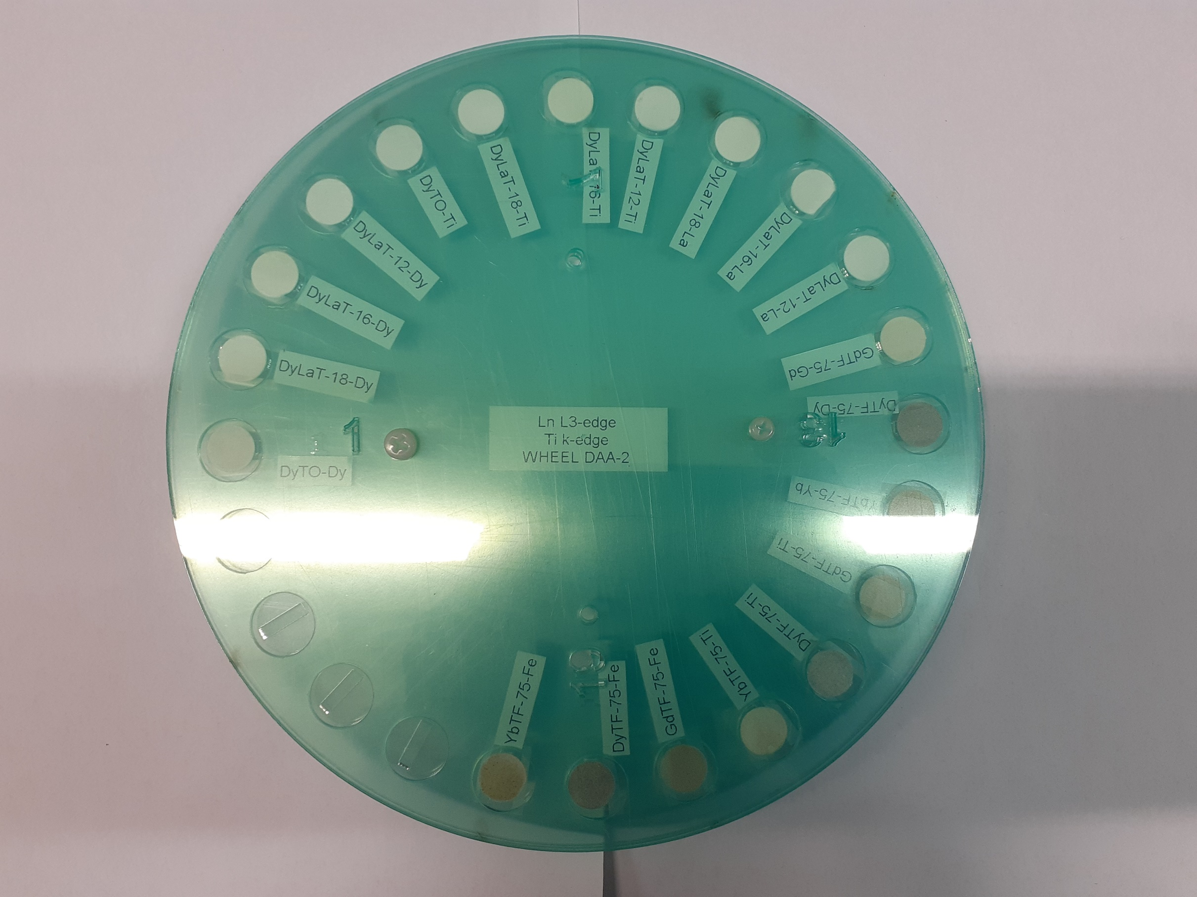
Instructions:
1. Add the names of all team members to the green box in row 1
2. Default values for all parameters go in line 6
3. Sample-specific parameters are entered in rows 7+
4. Default values from line 6 will be used for all cells left blank in rows 7+
5. Specify motor/slit positions in columns Q,R,S; leave blank for no motion
6. Do not add rows above row 7
7. Do not add columns before column Y
8. The wheel is correctly mounted if the numbers can be read when facing the wheel

