Instructions
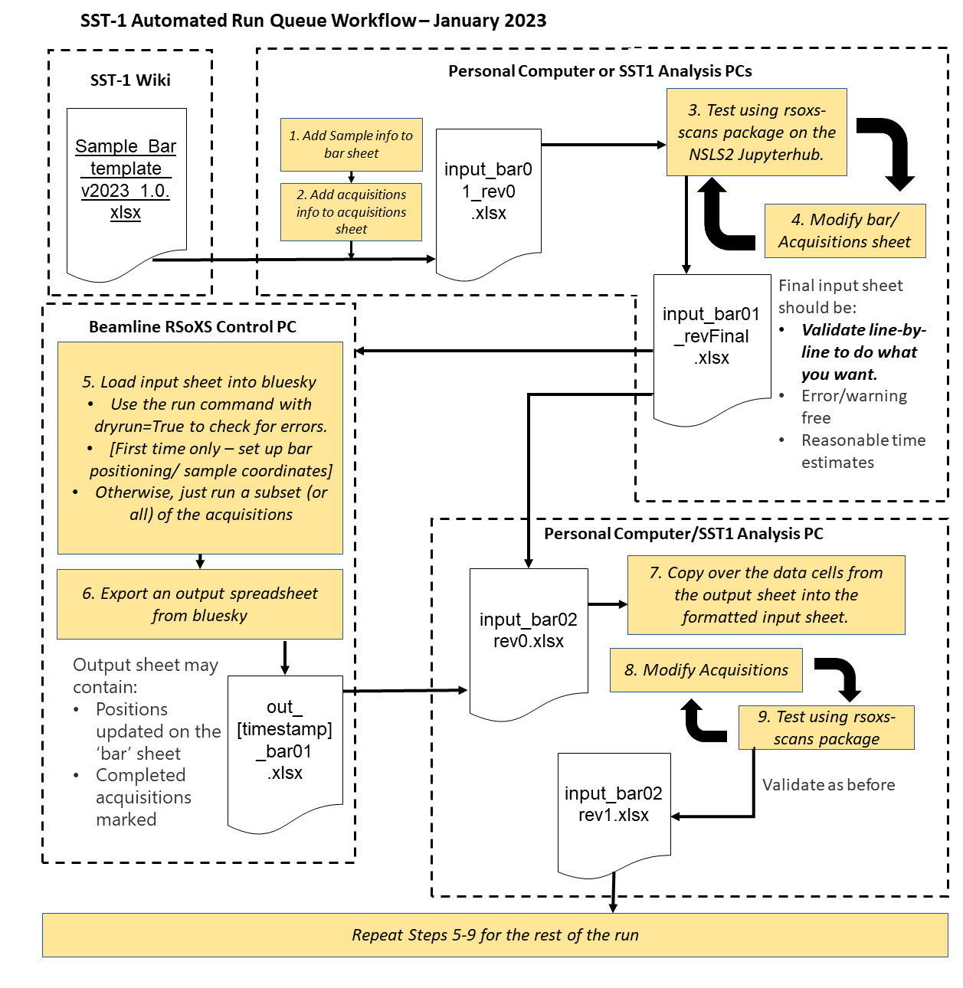
New Version January 2023
General Instructions - READ CAREFULLY
Do not change the format of the 'Acquisitions' or 'Bar' sheets.They are the only ones processed by the beamline software (bluesky). Other sheets can be added and edited as needed.
When you export an excel workbook from bluesky, it will only contain the Bar and Acquisitions sheets, with no instructions or excel shading, so save this template file somewhere for your reference.
It is fine to just produce a workbook for yourself with only these sheets and no data validation, and you are encouraged to do that if you are having problems.
TEST your bar workbook ahead of beamtime by using the "rsoxs_plans" package https://github.com/NSLS-II-SST/rsoxs_scans - which includes the most up to date spreadsheet sample and the same code which will be used at the beamline
Accurate time estimates (within 15%) and breakdowns of the steps for each acquisition can be obtained using this package.

Filling out the spreadsheet:
1.) Enter all sample info in the "Bar" tab - be as thorough as you are able and enter values for ALL bold ('REQUIRED') columns. This information will follow the sample data, and will make analysis easier!
2.) Enter acquisitions in the "Acquisitions" tab, data validation is in place so you must chose a sample which you listed in the Bar tab and valid configurations and plans
Visit https://wiki-nsls2.bnl.gov/beamline7ID1/index.php?title=RSoXS_Samples for detailed instructions on filling out the Bar sheet.
visit https://wiki-nsls2.bnl.gov/beamline7ID1/index.php?title=RSoXS_Acquisitions for detailed instructions on filling out the Acquisitions sheet

Example Automated Run Queue Workflow

