Analysis
2017 was notably slower than the other years.
Possible reasons could be hotter weather, a
course change with a greater number of hills,
or possibly a greater number of first time runners
signed up that year, although the winning
marathon time was significantly slower.
Race | Fastest Time | Slowest Time | Median | Mean | # beat Oprah | % beat Oprah | Wietecha vs #2 | Unique Finisher | Years Finished
2016 full | 2:25:42 | 7:00:00 | 4:45:20 | 4:47:48 | 1099 | 37% | 0:09:01 | Scott Wietecha | 4
2017 full | 2:40:25 | 6:38:19 | 4:58:14 | 4:54:26 | 615 | 25% | 0:16:03 | Brian Shelton | 1
2018 full | 2:28:16 | 6:34:41 | 4:48:21 | 4:48:23 | 756 | 36% | 0:01:36 | Christopher Capps | 1
2019 full | 2:34:59 | 6:43:55 | 4:41:57 | 4:42:09 | 793 | 39% | 0:00:25 | Ryan Regnier | 1
all full |  |  | 4:48:53 | 4:48:27 |  |  |  | Daniel Everett | 1
 |  |  |  |  |  |  |  | Garang Madut | 1
Race | Fastest Time | Slowest Time | Median | Mean | First Quartile | Second Quartile | Third Quartile | Kevin Fink | 1
2016 half | 1:11:15 | 4:54:41 | 2:26:18 | 2:31:57 | 2:08:18 | 2:26:18 | 2:50:11 | Jordan Wilson | 1
2017 half | 1:10:58 | 6:18:24 | 2:39:34 | 2:43:59 | 2:18:17 | 2:39:34 | 3:05:10 | Steelton Flynn | 1
2018 half | 1:09:25 | 4:48:06 | 2:25:32 | 2:31:46 | 2:07:21 | 2:25:32 | 2:51:16 | 9 unique finishers
2019 half | 1:10:03 | 5:03:35 | 2:26:07 | 2:32:07 | 2:07:04 | 2:26:07 | 2:51:30
all half |  |  | 2:29:38 | 2:35:15
Wietecha's Winning Margin
Wietecha year by year

Scott Wietecha Fan Page
"Mr. Consistency" Edgar Garza
 | Time
2016 | 3:13:18
2017 | 3:06:20
2018 | 3:05:40
2019 | 2:56:40
% of Half Marathon Finishers Scott Wietecha Beat
 | % scott beat
2016 | 51%
2017 | 49%
2018 | 53%
2019 | 60%
race | high temp | 1st pace | median pace | last pace
2016 half | 75°F | 0:05:26 | 0:11:10 | 0:22:30
2017 half | 91°F | 0:05:25 | 0:12:11 | 0:28:53
2018 half | 72°F | 0:05:18 | 0:11:07 | 0:22:00
2019 half | 75°F | 0:05:21 | 0:11:09 | 0:23:10

2016 full | 75°F | 0:05:34 | 0:10:53 | 0:16:02
2017 full | 91°F | 0:06:07 | 0:11:23 | 0:15:12
2018 full | 72°F | 0:05:40 | 0:11:00 | 0:15:04
2019 full | 75°F | 0:05:55 | 0:10:46 | 0:15:25
Winning Mile Pace with Temperature
 | high temp | 1st pace
2016 half | 75°F | 0:05:26
2017 half | 91°F | 0:05:25
2018 half | 72°F | 0:05:18
2019 half | 75°F | 0:05:21
2016 full | 75°F | 0:05:34
2017 full | 91°F | 0:06:07
2018 full | 72°F | 0:05:40
2019 full | 75°F | 0:05:55

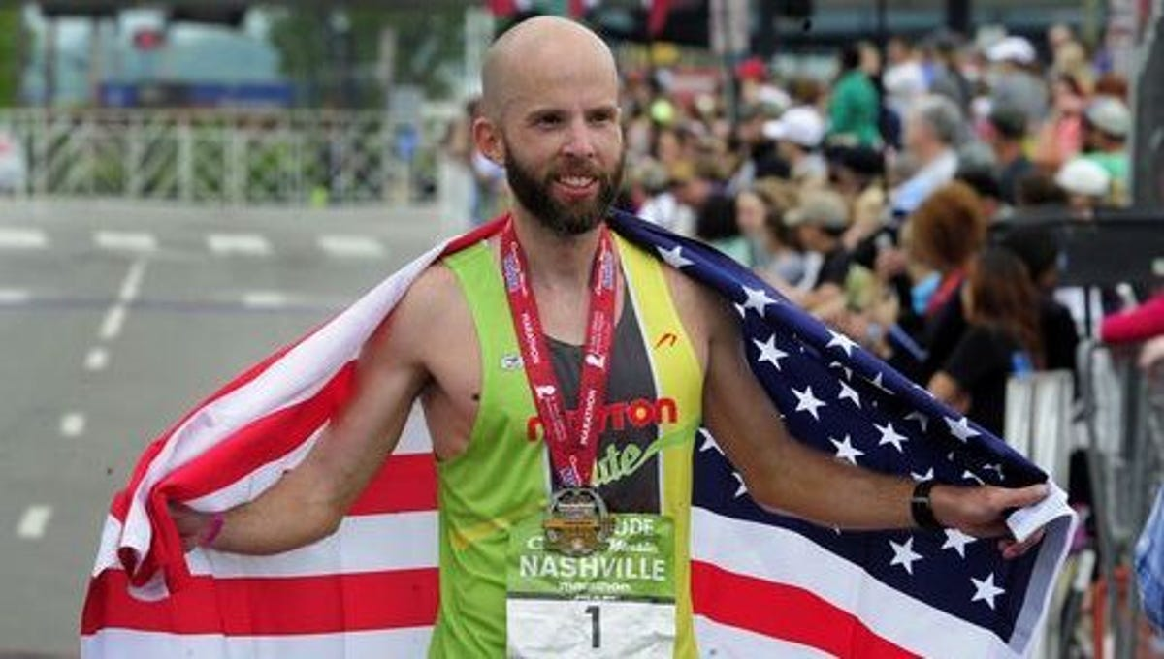
How far Scott could have run
 | Scott | Last
0 | 75.53 | 26.2
2017 | 65.05 | 26.2
2018 | 69.74 | 26.2
2019 | 68.28 | 26.2

Median Mile Pace with Temperature
 | high temp | median pace
2016 half | 75°F | 0:11:10
2017 half | 91°F | 0:12:11
2018 half | 72°F | 0:11:07
2019 half | 75°F | 0:11:09
2016 full | 75°F | 0:10:53
2017 full | 91°F | 0:11:23
2018 full | 72°F | 0:11:00
2019 full | 75°F | 0:10:46

